Fig. S4
a | b
denatured
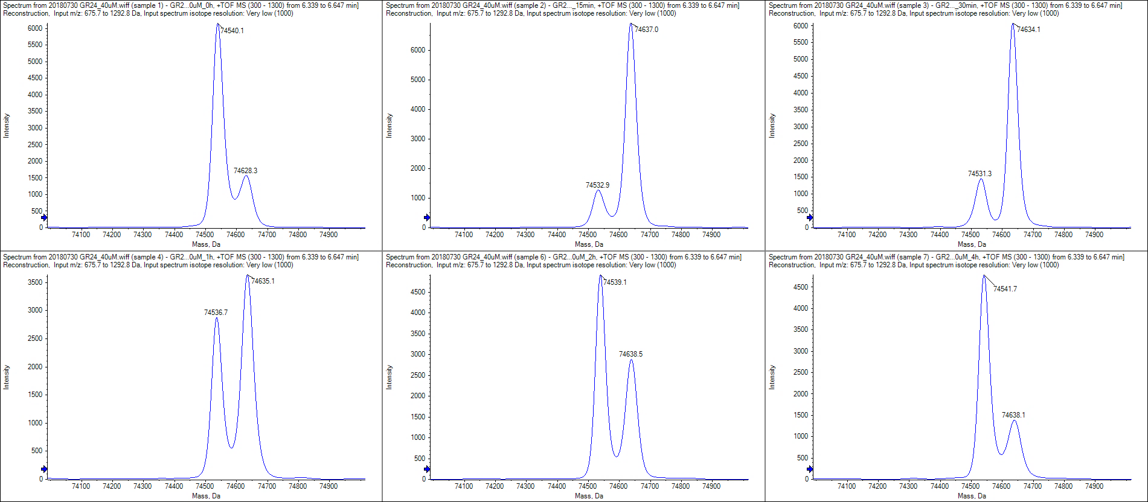
0 min
15 min
30 min

native
1 h
2 h
4 h

c | d
control
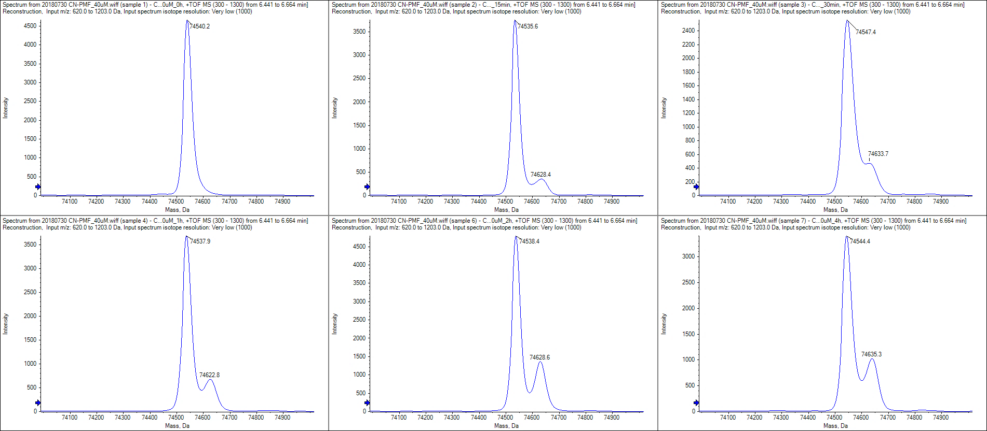
0 min
15 min
30 min

40 μM
1 h
2 h
4 h

400 μM

 | e
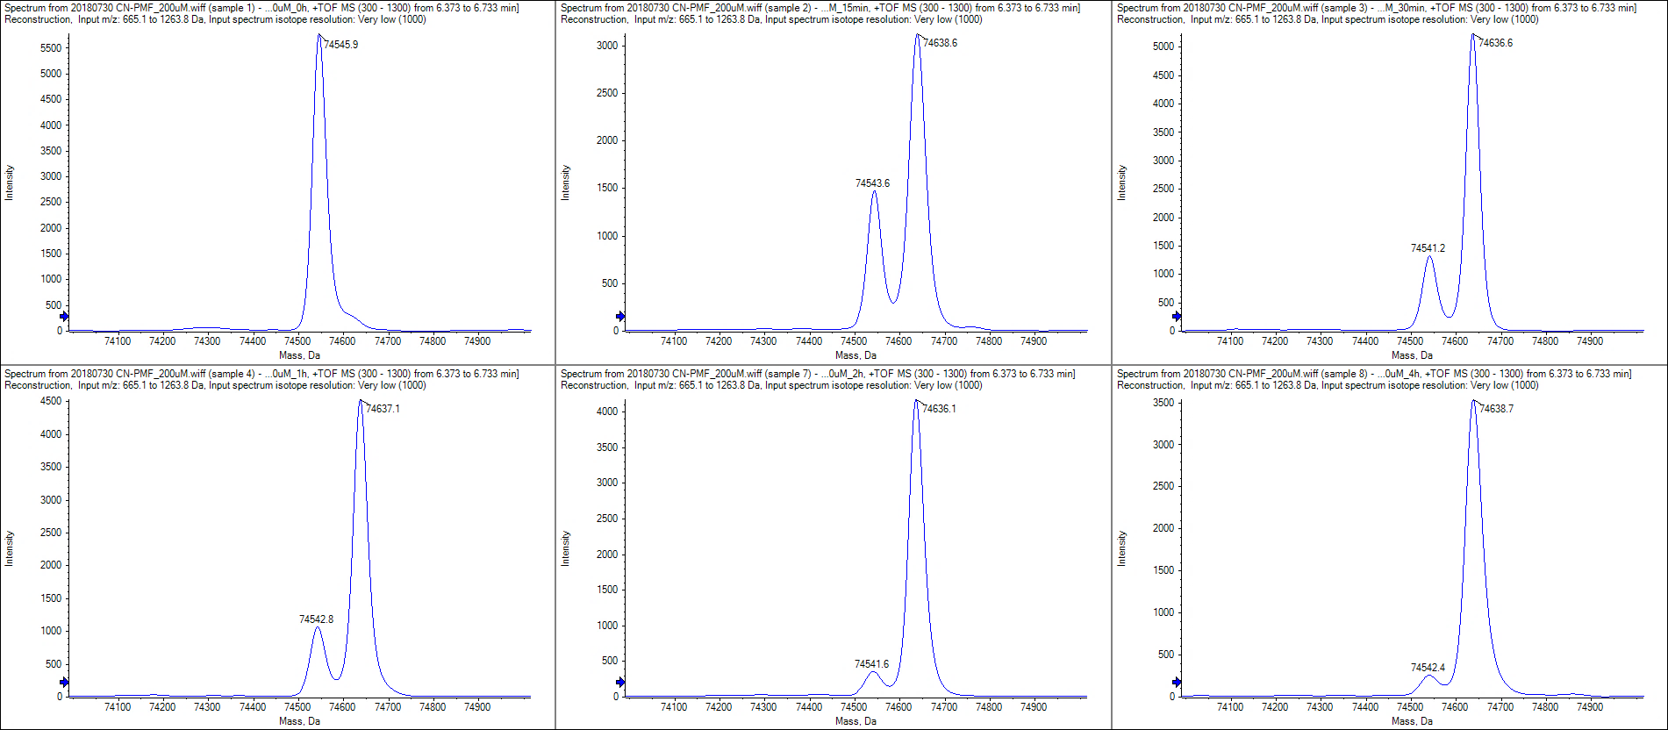
0 min
15 min
30 min

1 h
2 h
4 h

