Figure 3a
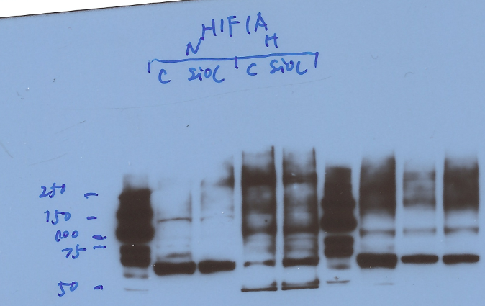
anti-HIF1A | NB100-479, Novus

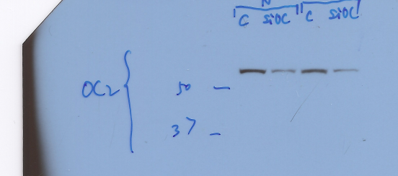
anti-ONECUT2 | ab28466, Abcam

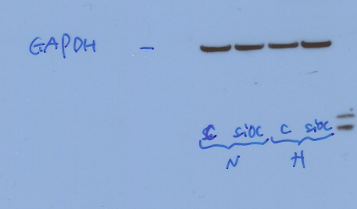
anti-GAPDH | (ab1791, Abcam)

Figure 3e
 | anti-ONECUT2 | ab28466, Abcam | anti-SMAD3 (ab40854, Abcam),

 | anti-GAPDH | (ab1791, Abcam)

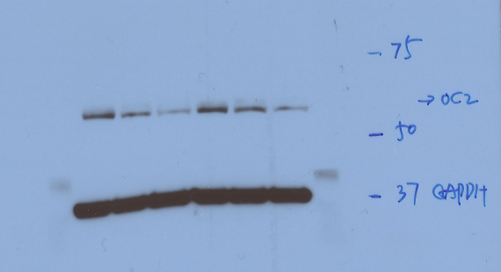
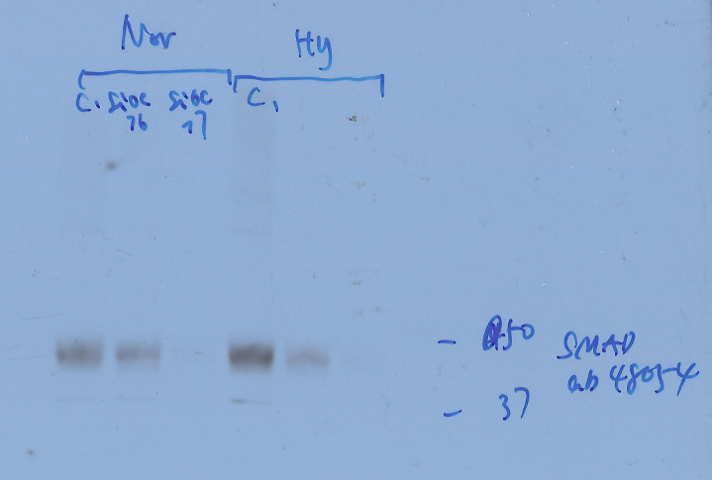

Sample | Gene | Relative expression
PC3-N-siCtrl-1 | SMAD3 | 0.981111089
PC3-N-siCtrl-2 | SMAD3 | 0.984813497
PC3-N-siCtrl-3 | SMAD3 | 1.034970149
PC3-N-siOC2-#1-1 | SMAD3 | 0.422251765
PC3-N-siOC2-#1-2 | SMAD3 | 0.417469745
PC3-N-siOC2-#1-3 | SMAD3 | 0.466053203
PC3-N-siOC2-#2-1 | SMAD3 | 0.122952807
PC3-N-siOC2-#2-2 | SMAD3 | 0.124315833
PC3-N-siOC2-#2-3 | SMAD3 | 0.134775887
PC3-H-siCtrl-1 | SMAD3 | 1.407059572
PC3-H-siCtrl-2 | SMAD3 | 1.529764804
PC3-H-siCtrl-3 | SMAD3 | 1.442905124
PC3-H-siOC2-#1-1 | SMAD3 | 0.607498642
PC3-H-siOC2-#1-2 | SMAD3 | 0.579966467
PC3-H-siOC2-#1-3 | SMAD3 | 0.611117161
PC3-H-siOC2-#2-1 | SMAD3 | 0.190656157
PC3-H-siOC2-#2-2 | SMAD3 | 0.172398089
PC3-H-siOC2-#2-3 | SMAD3 | 0.197736308

Sup Fig 4a
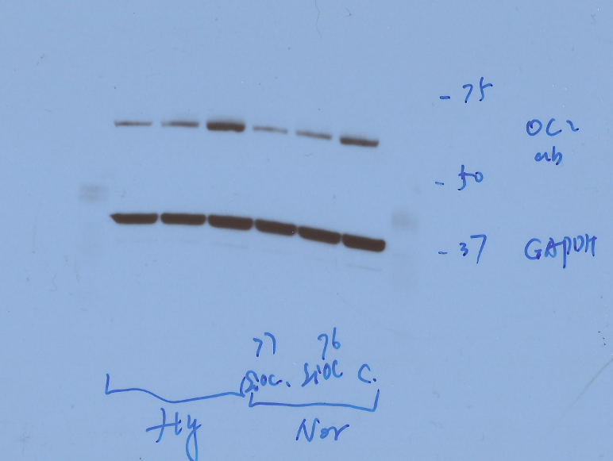
anti-ONECUT2 | ab28466, Abcam

anti-GAPDH | (ab1791, Abcam)

Sup Fig 7a
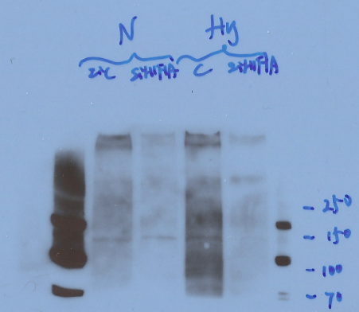
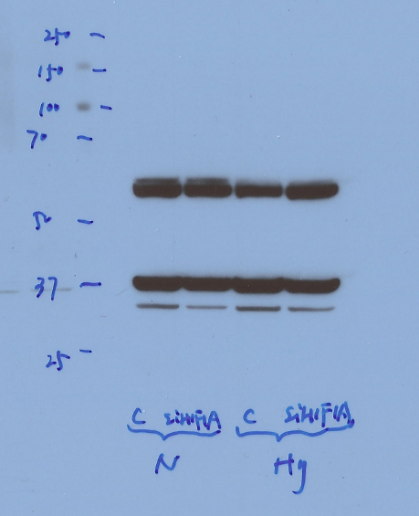
anti-HIF1α (NB100-479, Novus) | anti-GAPDH (ab1791, Abcam)
 | anti-ONECUT2 ab181229, Abcam

Sup Fig 10a
Western blot images in this sheet were captured by Alpha Innotech AlphaImager (Fisher Scientific)

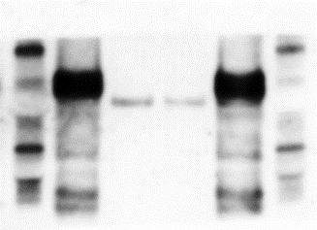

 | anti-ONECUT2 21916-1-AP, Proteintech;

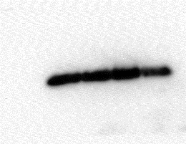
 | anti-H3 ab1791, Abcam

