Fig4
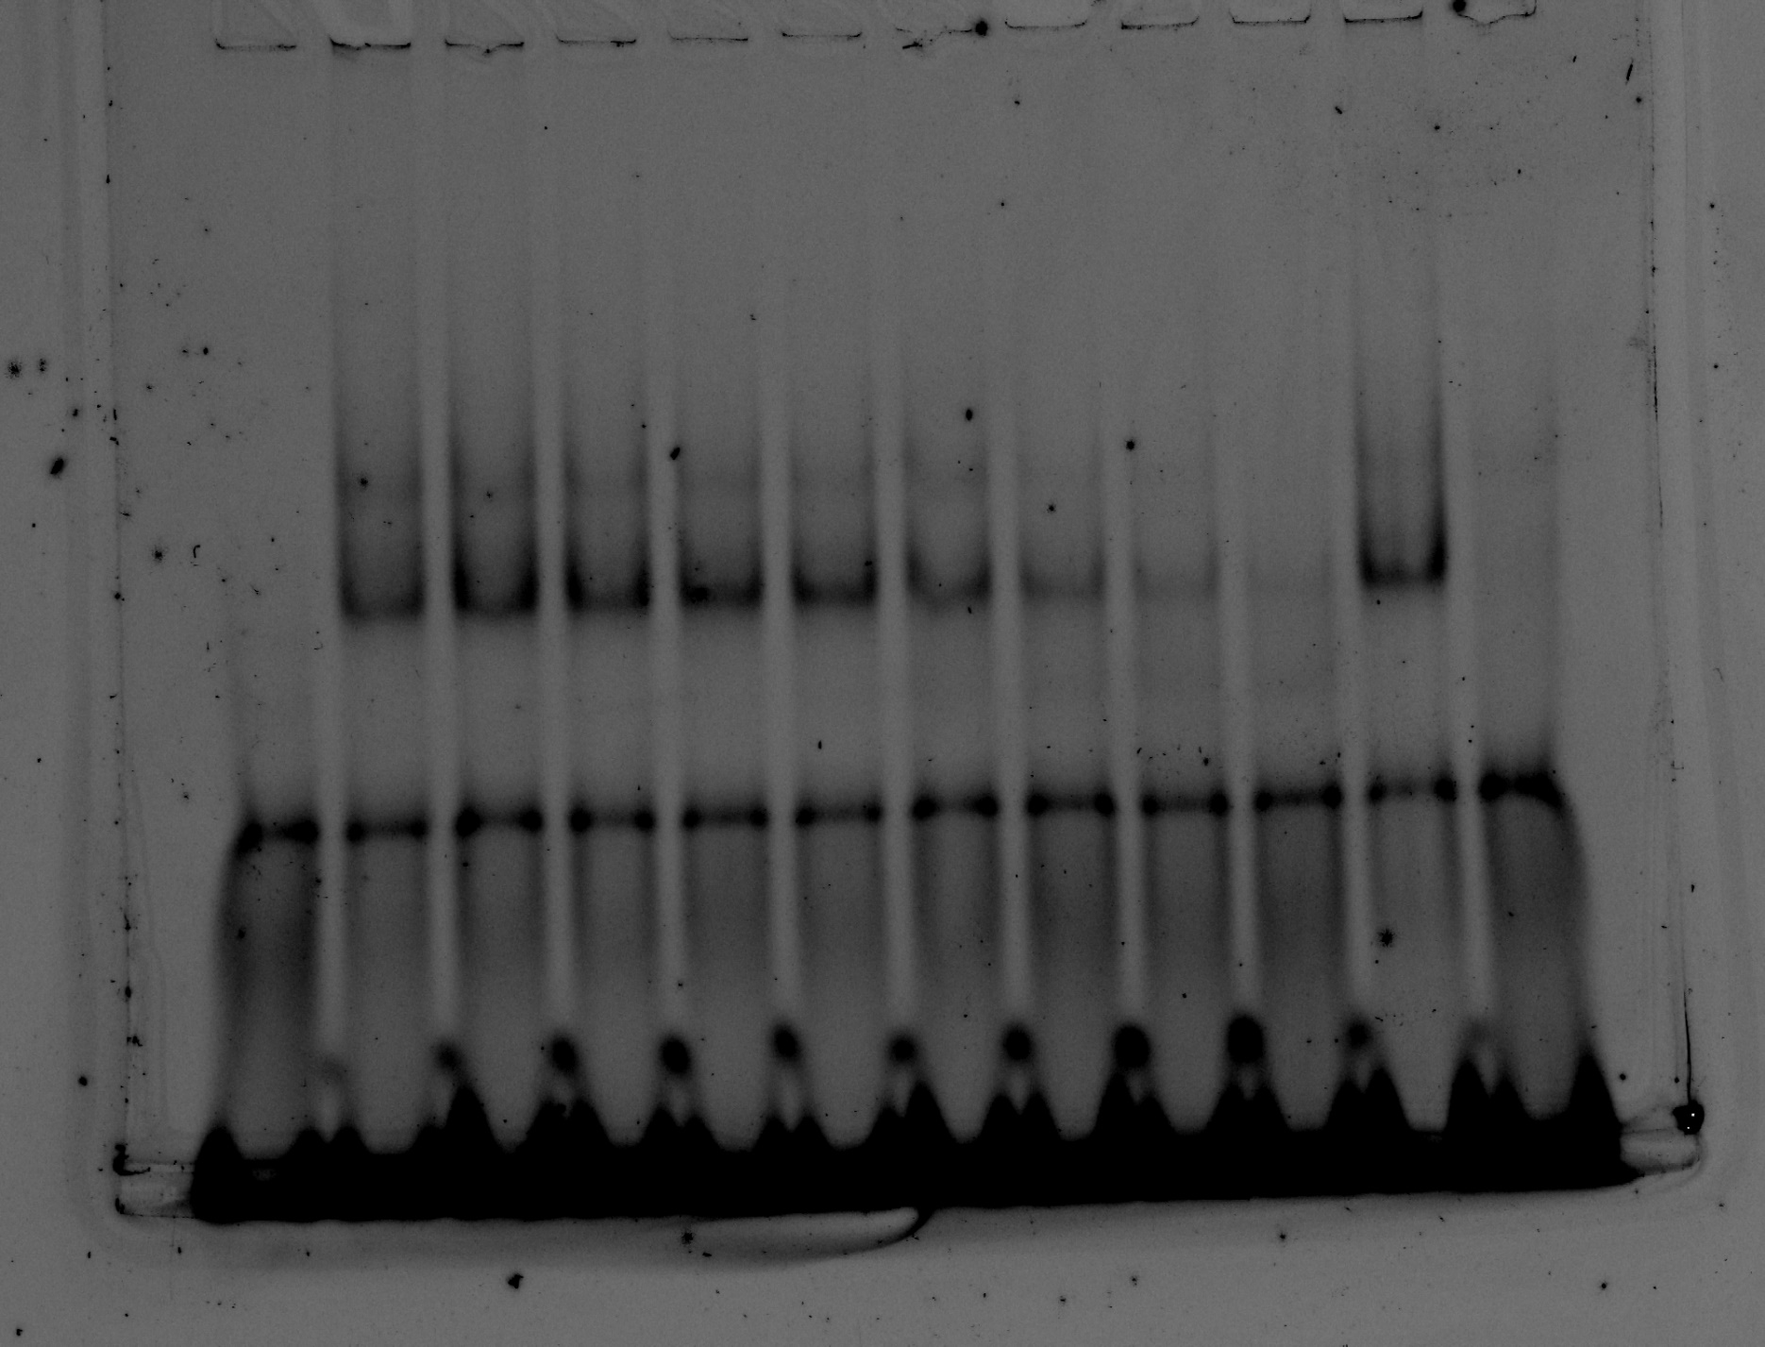
1 2 3 4 5 6 7 8 9 10 11 12
Panel B
 | Cy5-labelled DNA | CtrA (µM)
1 | 50 bp gafA promter probe | 0.000
2 | 50 bp gafA promter probe | 2.000
3 | 50 bp gafA promter probe | 1.000
4 | 50 bp gafA promter probe | 0.500
5 | 50 bp gafA promter probe | 0.250
6 | 50 bp gafA promter probe | 0.125
7 | 50 bp gafA promter probe | 0.063
8 | 50 bp gafA promter probe | 0.031
9 | 50 bp gafA promter probe | 0.016
10 | 50 bp gafA promter probe | 0.008
11 | 50 bp gafA promter probe | 1.000 | Excess of unlabelled non-specific probe added
12 | 50 bp gafA promter probe | 1.000 | Excess of unlabelled specific probe added

Panel C

Conc (nM) | % probe Bound
0 | 0% | 0%
16 | 14% | 31%
31 | 42% | 42%
63 | 58% | 51%
125 | 77% | 69%
250 | 80% | 90%
500 | 98% | 93%
1000 | 100% | 99%
2000 | 91% | 100%

Fig5
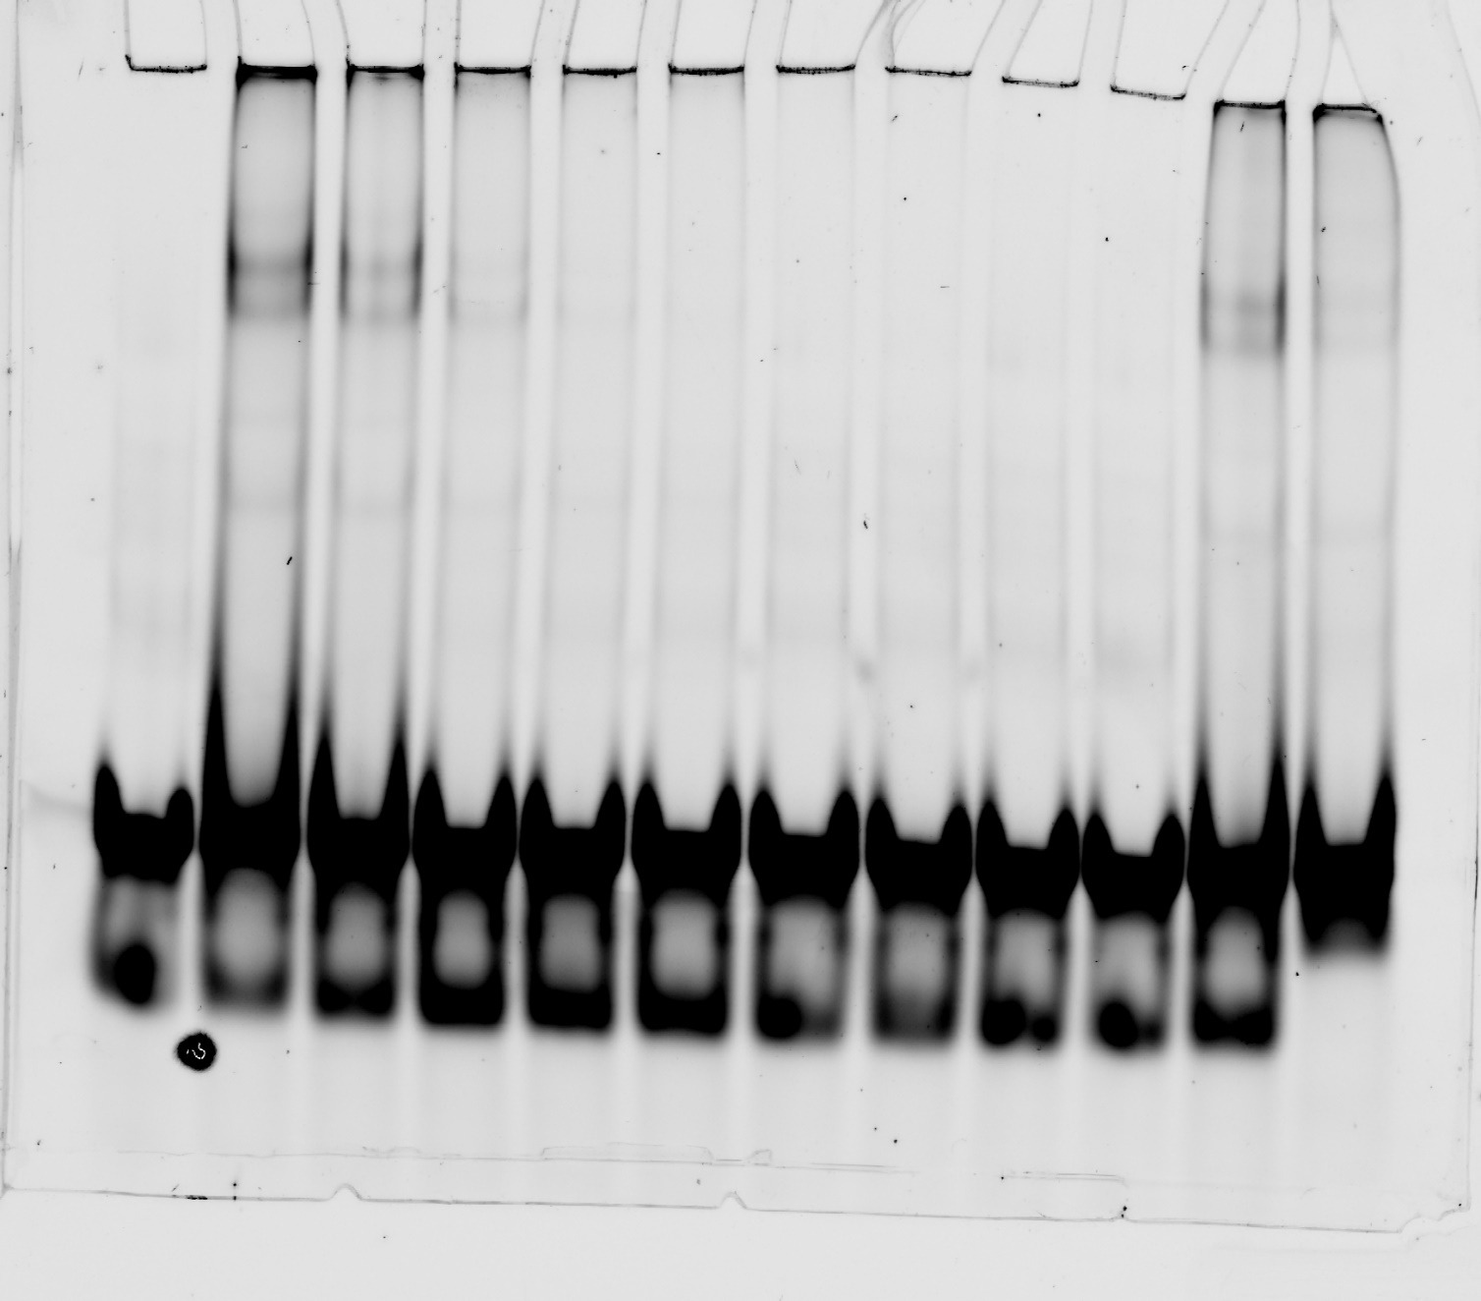
1 2 3 4 5 6 7 8 9 10 11 12
 | Cy5-labelled DNA | GtaR (µM)
1 | 50 bp gafA promter probe | 0.000
2 | 50 bp gafA promter probe | 3.000
3 | 50 bp gafA promter probe | 1.500
4 | 50 bp gafA promter probe | 0.750
5 | 50 bp gafA promter probe | 0.375
6 | 50 bp gafA promter probe | 0.188
7 | 50 bp gafA promter probe | 0.094
8 | 50 bp gafA promter probe | 0.047
9 | 50 bp gafA promter probe | 0.023
10 | 50 bp gafA promter probe | 0.012
11 | 50 bp gafA promter probe | 1.500 | Excess of unlabelled non-specific probe added
12 | 50 bp gafA promter probe | 1.500 | Excess of unlabelled specific probe added

Fig6
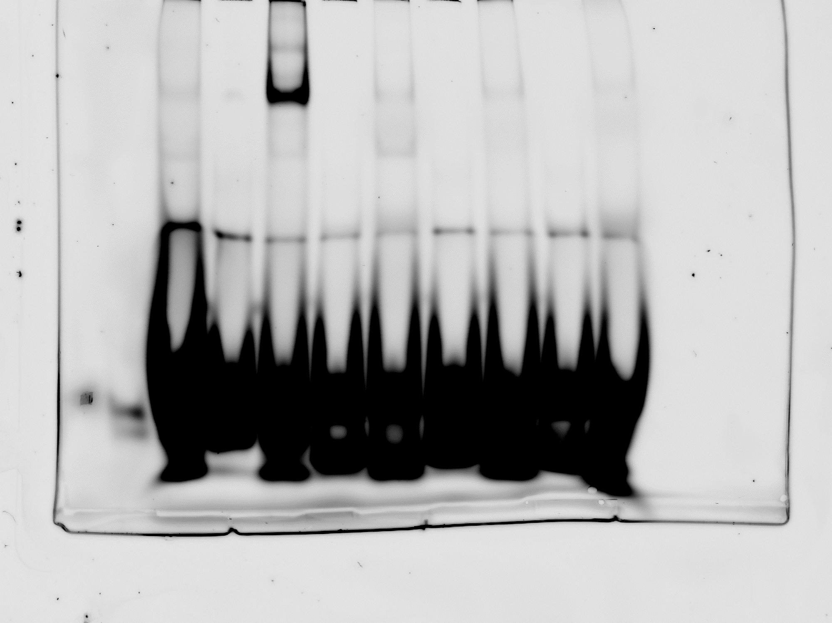
1 2 3 4 5 6 7 8 9
Panel C
 | Cy5-labelled DNA | GafA (µM)
1 | 50 bp GTA promter probe1 | 2.000
2 | 50 bp GTA promter probe2 | 0.000
3 | 50 bp GTA promter probe2 | 2.000
4 | 50 bp GTA promter probe3 | 0.000
5 | 50 bp GTA promter probe3 | 2.000
6 | 50 bp GTA promter probe4 | 0.000
7 | 50 bp GTA promter probe4 | 2.000
8 | 50 bp GTA promter probe5 | 0.000
9 | 50 bp GTA promter probe5 | 2.000

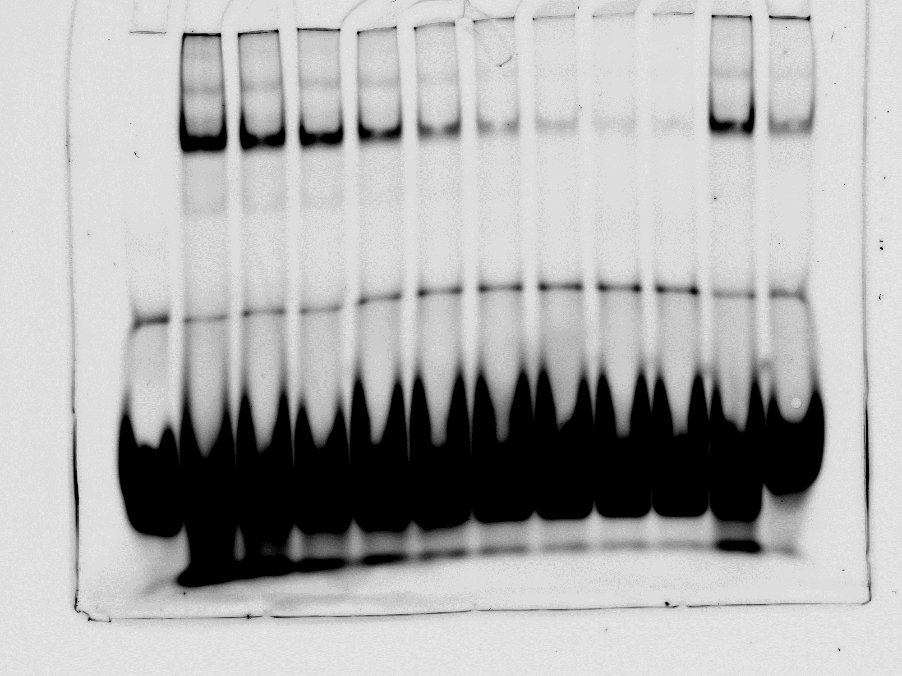
1 2 3 4 5 6 7 8 9 10 11 12

Panel D
 | Cy5-labelled DNA | GafA (µM)
1 | 50 bp GTA promter probe2 | 0.000
2 | 50 bp GTA promter probe2 | 4.000
3 | 50 bp GTA promter probe2 | 2.000
4 | 50 bp GTA promter probe2 | 1.000
5 | 50 bp GTA promter probe2 | 0.500
6 | 50 bp GTA promter probe2 | 0.250
7 | 50 bp GTA promter probe2 | 0.125
8 | 50 bp GTA promter probe2 | 0.063
9 | 50 bp GTA promter probe2 | 0.031
10 | 50 bp GTA promter probe2 | 0.016
11 | 50 bp GTA promter probe2 | 2.000 | Excess of unlabelled non-specific probe added
12 | 50 bp GTA promter probe2 | 2.000 | Excess of unlabelled specific probe added

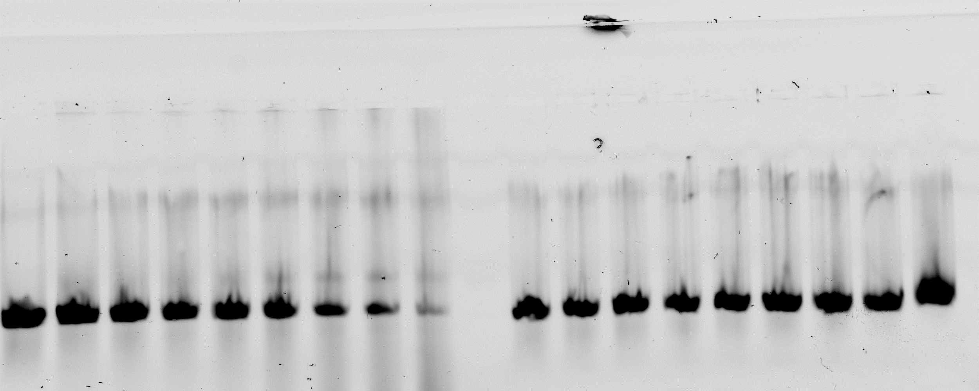
GafA vs GTA promoter
1 2 3 4 5 6 7 8 9
CtrA vs GTA promoter
1 2 3 4 5 6 7 8 9
Panel E
 | Cy5-labelled DNA | GafA (µM) | CtrA (µM)
1 | 50 bp gafA promter probe | 0.000 | 0.000
2 | 50 bp gafA promter probe | 0.016 | 0.031
3 | 50 bp gafA promter probe | 0.031 | 0.063
4 | 50 bp gafA promter probe | 0.063 | 0.125
5 | 50 bp gafA promter probe | 0.125 | 0.250
6 | 50 bp gafA promter probe | 0.250 | 0.500
7 | 50 bp gafA promter probe | 0.500 | 1.000
8 | 50 bp gafA promter probe | 1.000 | 2.000
9 | 50 bp gafA promter probe | 2.000 | 4.000

Supp Fig4

1 2 3 4 5 6 7 8 9 10 11 12
Panel A
 | DNA | CtrA (µM)
1 | CtrA promter region | 0.000
2 | CtrA promter region | 0.016
3 | CtrA promter region | 0.031
4 | CtrA promter region | 0.063
5 | CtrA promter region | 0.125
6 | CtrA promter region | 0.250
7 | CtrA promter region | 0.500
8 | CtrA promter region | 1.000
9 | CtrA promter region | 2.000
10 | CtrA promter region | 4.000
11 | CtrA promter region | 8.000
12 | none (bromophenol blue)


1 2 3 4 5 6 7 8 9 10 11 12
Panel B
 | DNA | CtrA D51E (µM)
1 | CtrA promter region | 0.000
2 | CtrA promter region | 0.008
3 | CtrA promter region | 0.016
4 | CtrA promter region | 0.031
5 | CtrA promter region | 0.063
6 | CtrA promter region | 0.125
7 | CtrA promter region | 0.250
8 | CtrA promter region | 0.500
9 | CtrA promter region | 1.000
10 | CtrA promter region | 2.000
11 | CtrA promter region | 4.000
12 | CtrA promter region | 8.000

