Figure 2c
Figure 2b | Specificity study of B23 via ELONA and EMSA
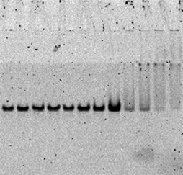
 | Absorbance | SD
LH | 0.62967 | 0.0206
FSH | 0.12667 | 0.00643
TSH | 0.12034 | 0.00551
HSA | 0.12433 | 0.00757
IgG | 0.13163 | 0.01572

