Figure 1
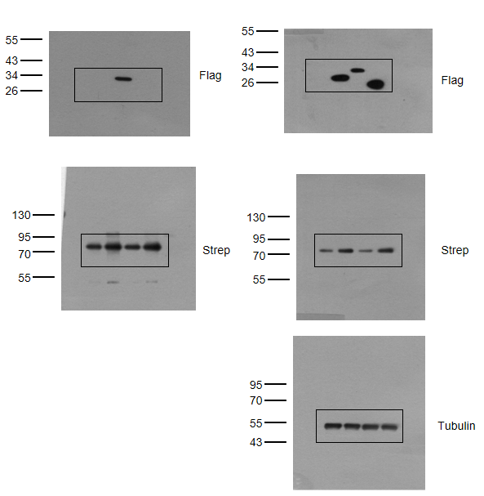
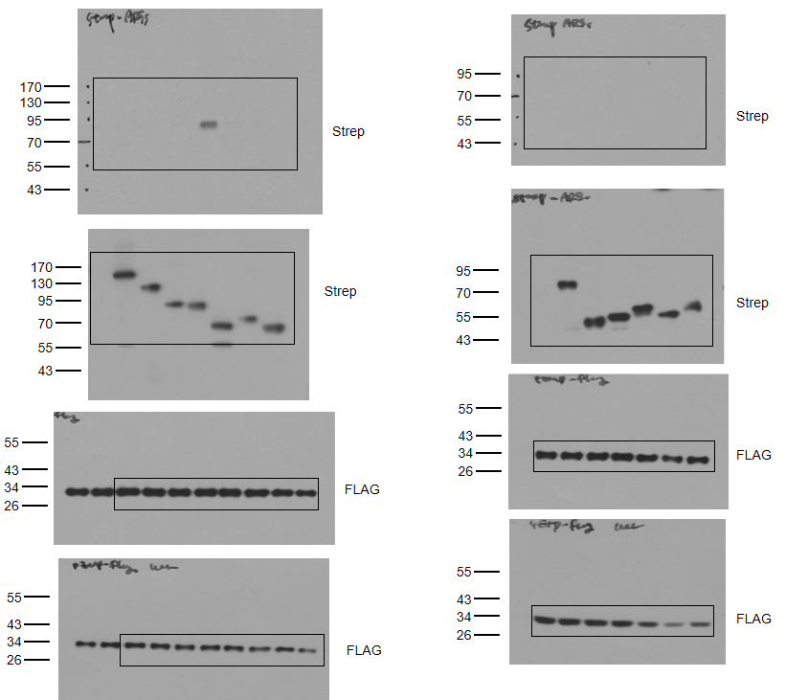
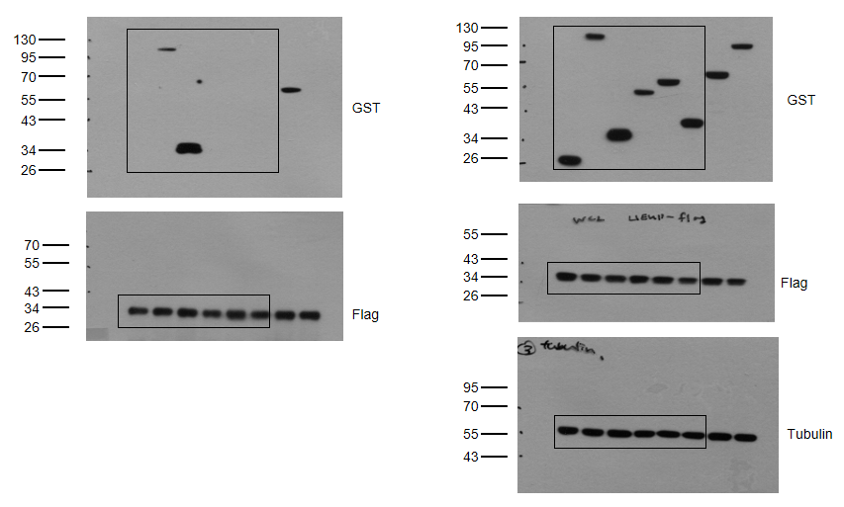
Figure 1a | Figure 1b | Figure 1g

Figure 3
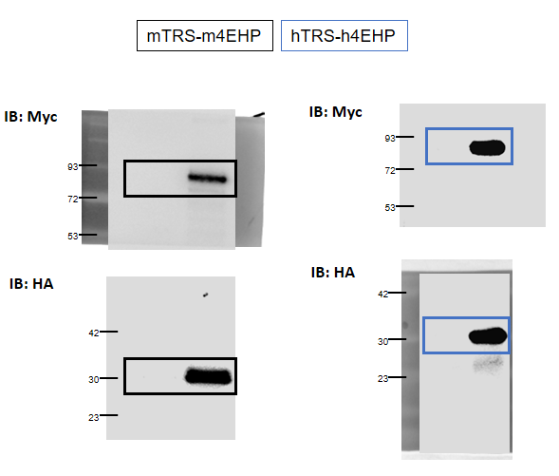
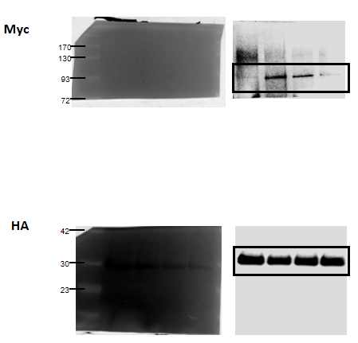
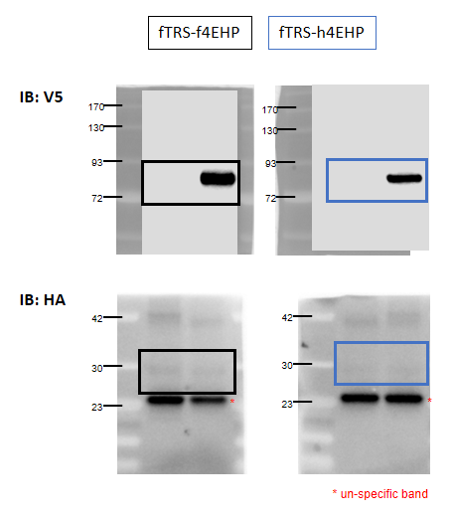
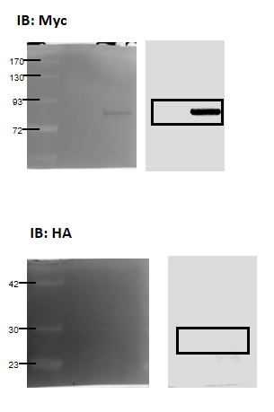
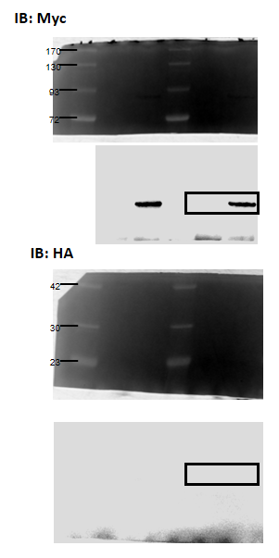
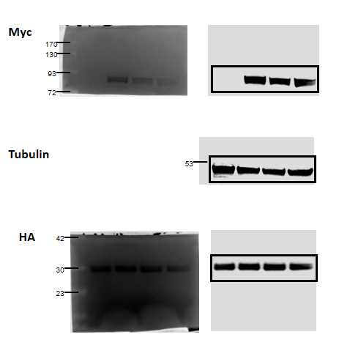
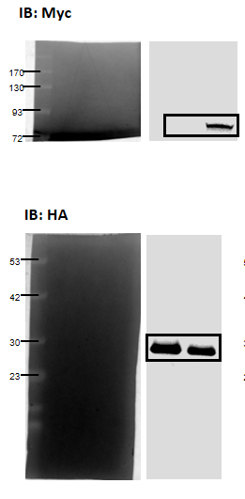
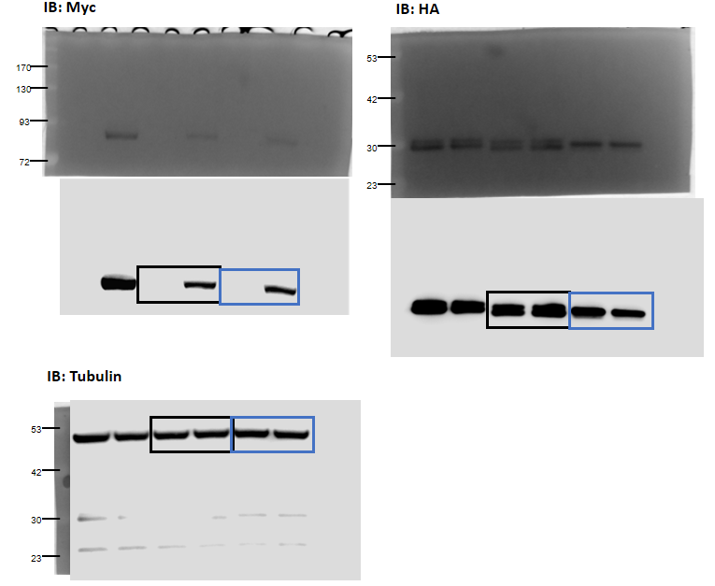
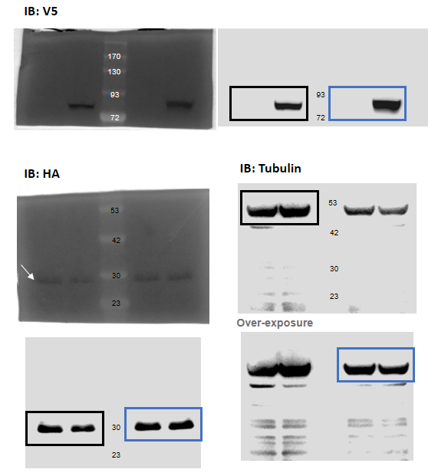
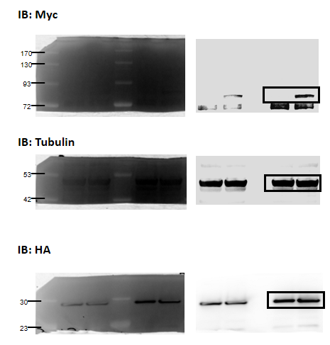
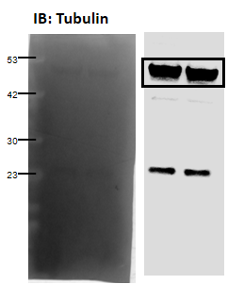
Figure 3c | Figure 3d | Figure 3e | Figure 3f | Figure 3g

Figure 4
Figure 4e |  |  |  |  |  |  |  |  | Figure 4f | Figure 4h

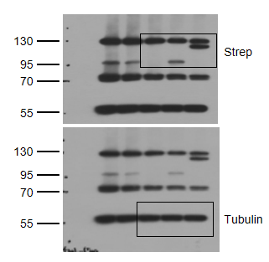
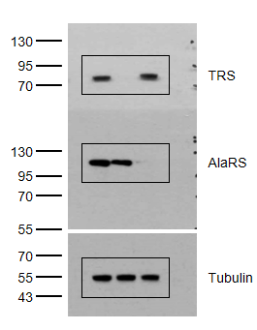
EV | TRS | AlaRS | EV | TRS | AlaRS | EV | TRS | AlaRS
1 | 0.6987 | 1.4266 | 2.0997 | 3.2468 | 1.7067 | 0.8100 | 1.0727 | 0.9855
1 | 1.4243 | 0.9273 | 2.0481 | 3.9931 | 1.5744 | 0.9231 | 1.1777 | 1.1656
1 | 0.8209 | 0.5691 | 2.0128 | 3.2455 | 1.9475 | 0.4287 | 0.6172 | 0.2094

Figure 4g

siCont | siTRS | siAlaRS | siCont | siTRS | siAlaRS | siCont | siTRS | siAlaRS
0.4753 | 0.4118 | 0.3846 | 2.5028 | 0.9750 | 2.4910 | 0.5427 | 0.4510 | 0.3014
0.5221 | 0.3806 | 0.4523 | 2.9166 | 1.8910 | 2.5030 | 0.6351 | 0.2671 | 0.3636
0.4876 | 0.4237 | 0.4521 | 3.1180 | 0.8314 | 2.4820 | 0.2925 | 0.3177 | 0.3870

Figure 6
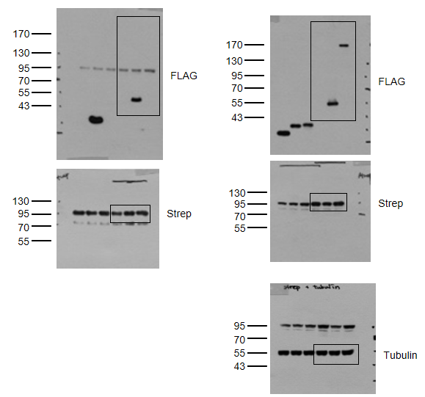
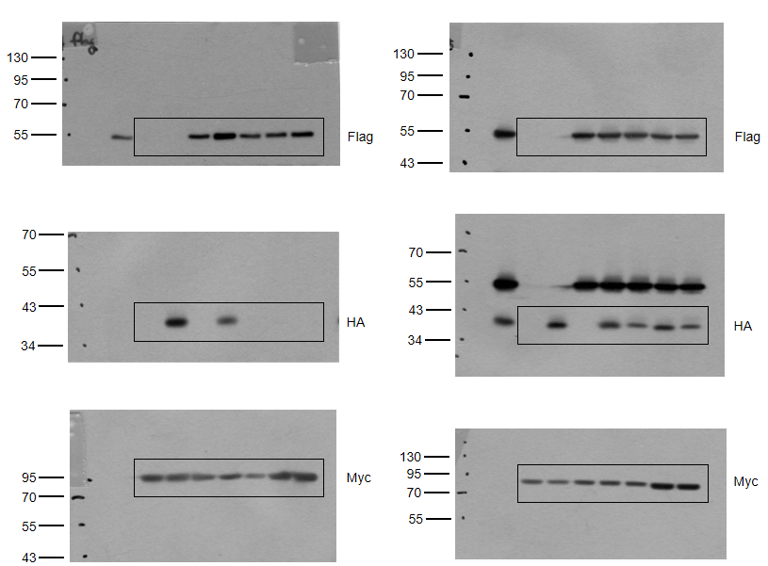
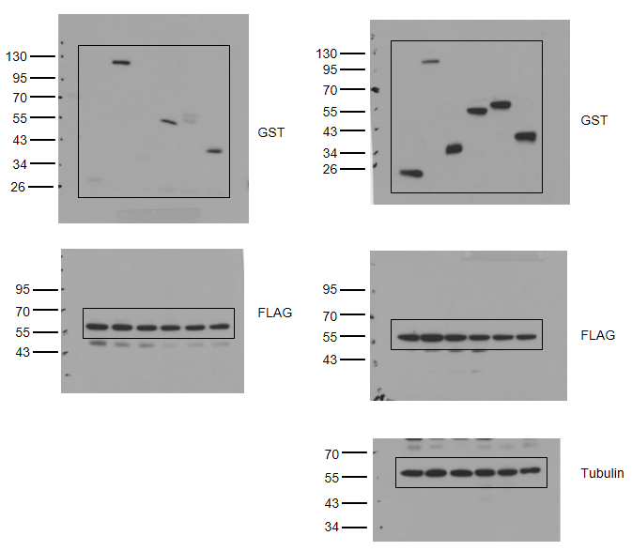
Figure 6a | Figure 6b | Figure 6c

Figure 7
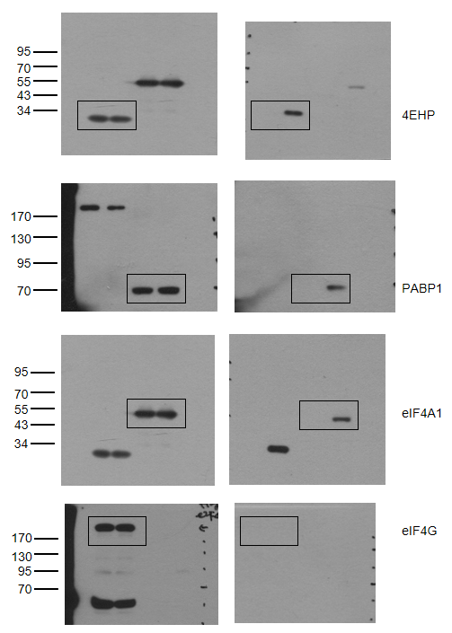
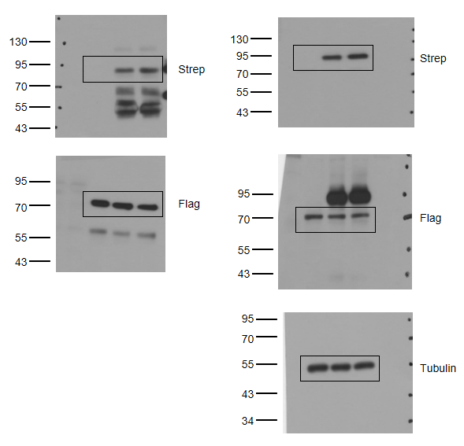
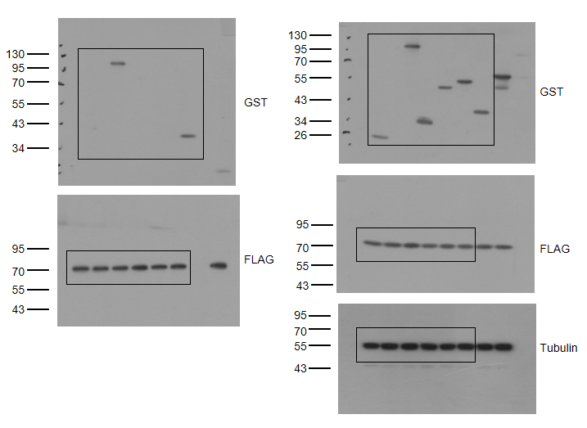
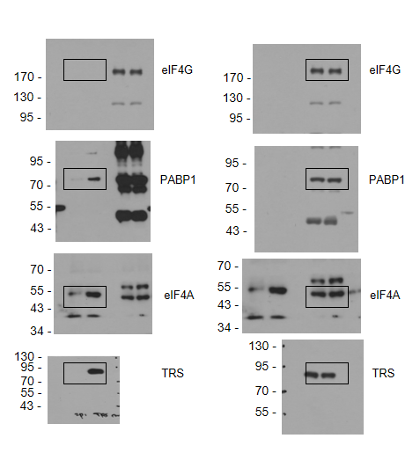
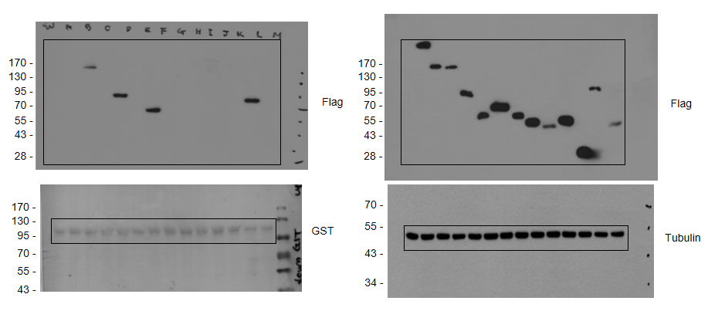
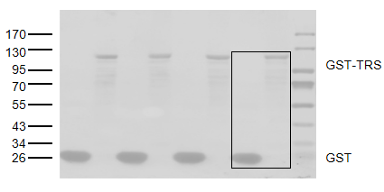
Figure 7a | Figure 7b | Figure 7c | Figure 7d | Figure 7e

Supplementary Figure 2
Supplementary Figure 2a |  |  |  |  |  |  | Supplementary Figure 2b |  |  |  |  |  |  | Supplementary Figure 2d

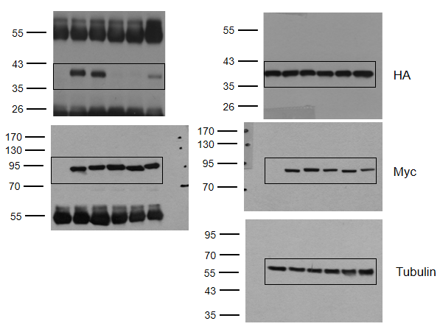
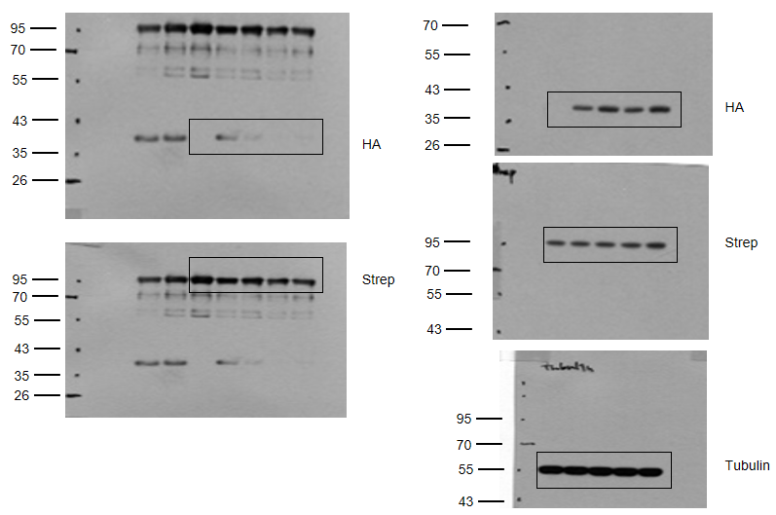
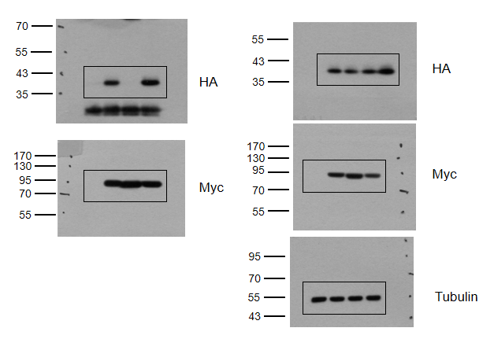

Supplementary Figure 2c |  |  |  |  |  |  | Supplementary Figure 2e

Minutes | TRS WT |  |  | TRS M60K |  |  | Minutes | TRS WT |  |  | TRS C413S
0 | 64 | 58 | 60 | 80 | 78 | 74 | 0 | 146 | 192 | 169 | 194 | 206 | 186
5 | 2600 | 2423 | 2583 | 2935 | 2592 | 2912 | 5 | 1806 | 1442 | 1624 | 185 | 198 | 160
10 | 3087 | 3102 | 3138 | 2647 | 3185 | 3080 | 10 | 2957 | 3237 | 3097 | 178 | 172 | 222
15 | 3647 | 3464 | 3538 | 3688 | 3548 | 3467 | 15 | 5089 | 4451 | 4770 | 178 | 196 | 153
20 | 3334 | 3403 | 3483 | 3697 | 3776 | 3614 | 20 | 5387 | 4988 | 5187 | 142 | 147 | 185

Supplementary Figure 4
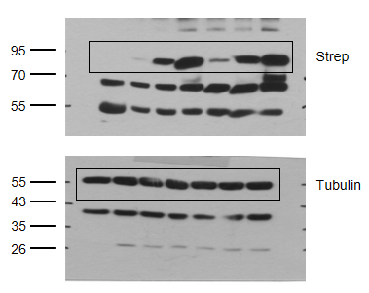
Supplementary Figure 4a |  |  |  |  |  |  |  | Supplementary Figure 4g
Cont | 5'UTR-749 | 5'UTR-167
 |  | UGU(Thr) | CGU(Thr) | UAU(Ile) | UGC(Ala) | AAA(Phe)
1.0062 | 0.9463 | 3.4775 | 3.4494 | 2.7109 | 2.7842 | 2.3790
0.9982 | 0.9492 | 3.4376 | 3.4037 | 2.6942 | 2.7281 | 2.2490
0.9957 | 0.9723 | 3.3642 | 3.4077 | 2.6214 | 2.7667 | 2.1665

Supplementary Figure 4b
Cont | 5'UTR-749 | 5'UTR-167 | 5'UTR-167(18bp_Up) | 5'UTR-167(18bp_Down)
1.0000 | 0.8500 | 2.4018 | 2.2406 | 1.2563
1.0000 | 1.0000 | 2.8413 | 2.5519 | 1.3265
1.0000 | 0.7636 | 2.3453 | 2.3376 | 1.3250

Supplementary Figure 4c
 | 5'UTR-167
Cont | Ins | WT | Del
1.0000 | 1.1819 | 2.7813 | 1.1211
1.0000 | 1.1439 | 2.7514 | 1.1240
1.0000 | 1.1123 | 2.8126 | 1.1225

Supplementary Figure 4d
EV | TRS | AlaRS | EV | TRS | AlaRS
1.0000 | 0.9470 | 1.1192 | 1.6946 | 2.1154 | 1.9365
1.0000 | 1.1337 | 0.9540 | 1.6754 | 2.2128 | 1.7327
1.0000 | 0.9062 | 0.9464 | 1.6808 | 1.8097 | 1.6271

Supplementary Figure 4e
siCont | siTRS | siAlaRS | siCont | siTRS | siAlaRS
1.0000 | 0.9962 | 1.0185 | 1.7601 | 1.3240 | 1.8960
1.0000 | 0.9374 | 1.1768 | 1.5815 | 1.4239 | 1.7394
1.0000 | 1.1924 | 0.9753 | 1.7255 | 1.3137 | 1.7950

Supplementary Figure 4f
 |  | TRS WT |  |  | TRS RER
Cont | EV | 1 | 2 | 4 | 1 | 2 | 4
0.8175 | 2.0164 | 2.6482 | 3.1143 | 3.7337 | 2.3440 | 2.2300 | 2.4410
1.0506 | 2.2809 | 3.0922 | 4.0013 | 4.0309 | 1.8659 | 1.6576 | 1.7388
1.1319 | 1.6407 | 2.5189 | 3.1091 | 3.6720 | 1.8534 | 1.9219 | 2.0373

Supplementary Figure 6
Supplementary Figure 6d | Supplementary Figure 6e |  |  |  |  |  | Supplementary Figure 6g | Supplementary Figure 6h

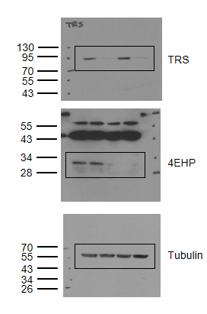
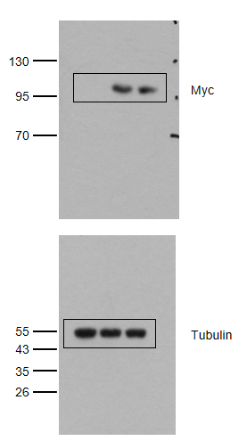
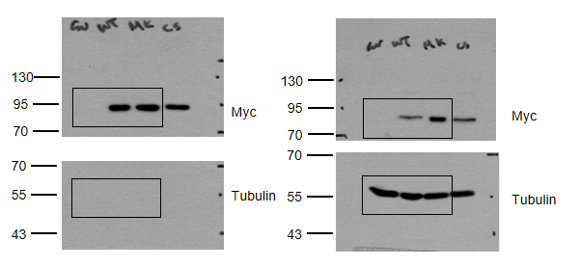
 | Vessel length

 | siCont | siTRS | si4EHP | siTRS+si4EHP | SF | SF+VEGF
 | 13965.0 | 11049.0 | 9073.5 | 8706.2 | 3499.0 | 12931.6
 | 13568.0 | 10981.5 | 8987.9 | 8251.6 | 4388.3 | 17404.0
 | 14874.0 | 10884.8 | 9126.0 | 9044.6 | 3946.4 | 13921.1

 | Avg# migrated cells/Field

 | siCont | siTRS | si4EHP | siTRS+si4EHP | SF | VEGF
 | 4863 | 1340 | 1369 | 1233 | 191 | 4566
 | 5170 | 1214 | 1113 | 1417 | 260 | 4148
 | 5335 | 1165 | 1470 | 1243 | 169 | 4315

Supplementary Figure 10
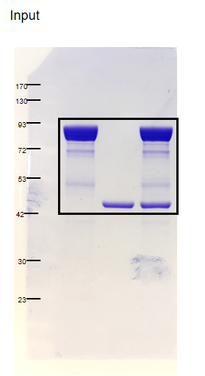
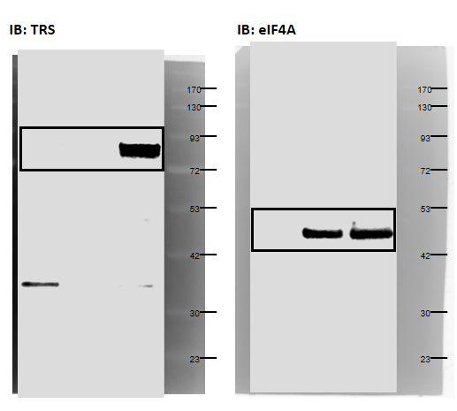
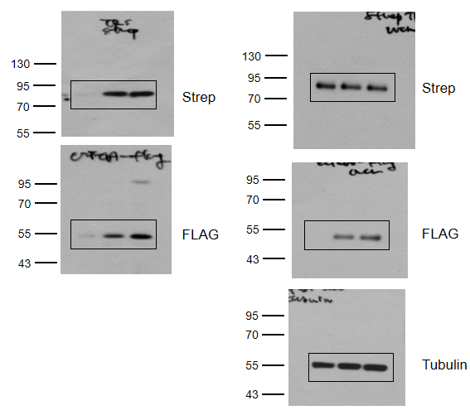
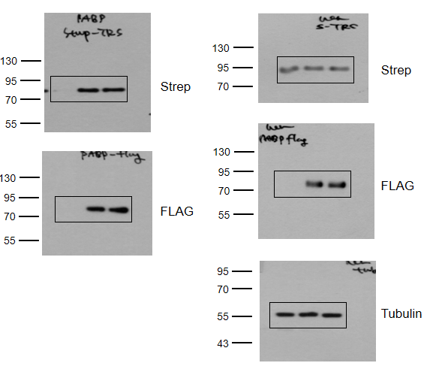
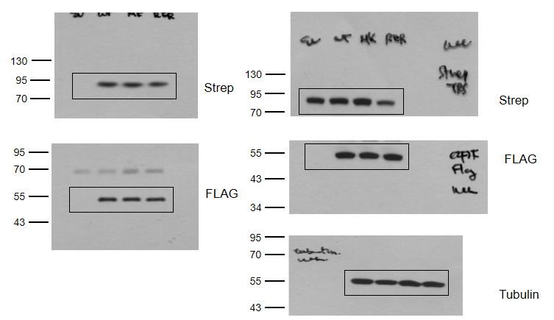
Supplementary Figure 10a | Supplementary Figure 10b

Supplementary Figure 11
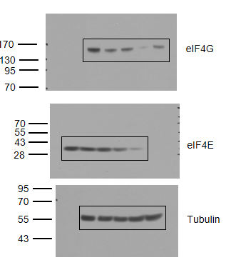
Supplementary Figure 11a | Supplementary Figure 11b

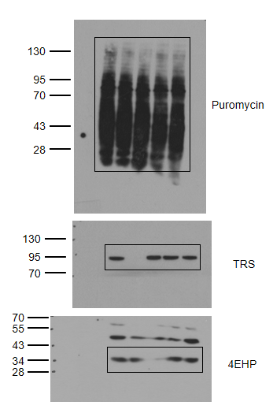
 | siCont | siTRS | si4EHP | sieIF4G | sieIF4E
 | 100 | 107.1036 | 93.4512 | 73.2223 | 76.6351
 | 100 | 102.5824 | 97.1396 | 71.8149 | 82.8625
 | 100 | 109.7180 | 95.0093 | 63.2103 | 79.7582

 | Supplementary Figure 11c

 | siCont |  |  | CHX |  |  | siTRS
 | 24 | 48 | 72 | 24 | 48 | 72 | 24 | 48 | 72
 | 100 | 100 | 100 | 11.3019 | 7.0908 | 10.6380 | 96.8498 | 101.6107 | 93.9126
 | 98.9917 | 100.3454 | 101.0413 | 10.1218 | 9.1486 | 10.7102 | 98.5754 | 97.5746 | 96.0108
 | 101.2014 | 99.6472 | 98.9959 | 9.9648 | 7.3966 | 12.2247 | 99.9689 | 94.9565 | 100.5166

Supplementary Figure 12
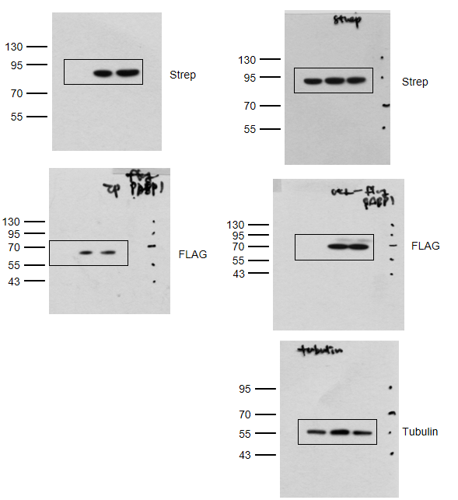
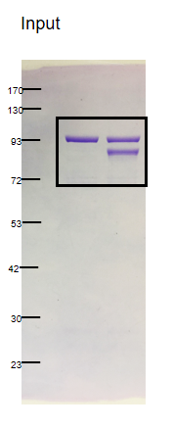
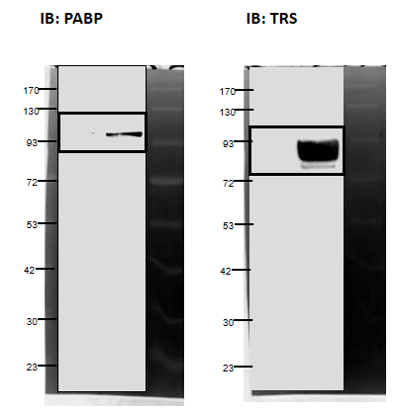
Supplementary Figure 12a | Supplementary Figure 12b

Supplementary Figure 13
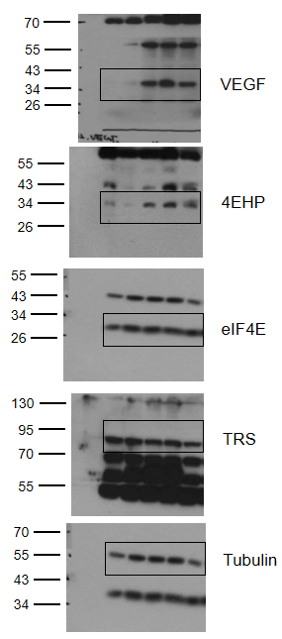
Supplementary Figure 13a | Supplementary Figure 13b
 |  | Vegf |  |  | 4ehp |  |  | Trs
 | E9.5 | 0.9292 | 1.0708 | 1.0000 | 0.8546 | 1.1493 | 1.0000 | 1.0721 | 0.9279 | 1.0000
 | E10.5 | 1.1049 | 1.2368 | 1.0488 | 1.0977 | 1.1717 | 1.0195 | 0.9808 | 0.9202 | 1.0143
 | E11.5 | 1.0277 | 0.9123 | 0.9565 | 1.0071 | 1.0669 | 1.1467 | 0.9993 | 0.9163 | 0.9997
 | E12.5 | 1.0503 | 0.9612 | 0.9147 | 1.1083 | 1.2003 | 1.3014 | 0.9003 | 0.9804 | 1.0506

