Figure 3A
Figure 3A | Anti-PAR

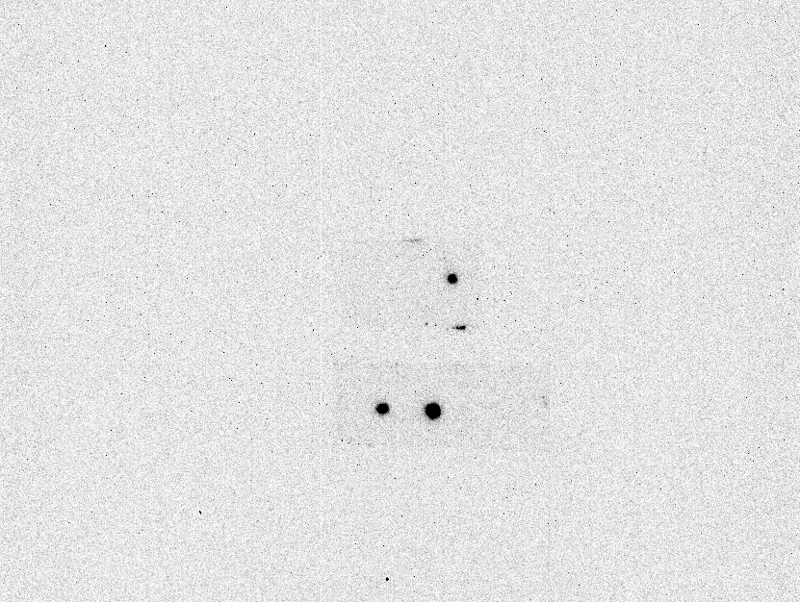

Sc
R1

R1
Δparg

Anti-PAR

Figure 3B
Figure 3B | Anti-PAR
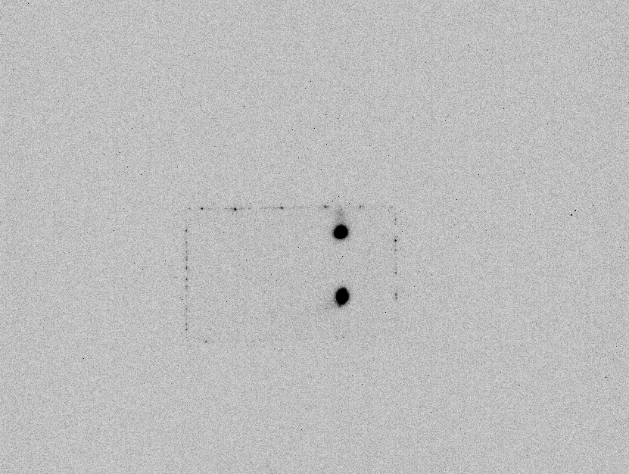

RNA
50 pg
500 pg
5 ng
Cell Lysate

gDNA
50 pg
500 pg
5 ng
Cell Lysate

Anti-PAR

Figure 3C
Figure 3C | Anti-PAR



0 25 50 100

NAD+ (µM)

Anti-PAR

Figure 3D
Figure 3D | Anti-PAR and Anti-Biotin
Pre-IP
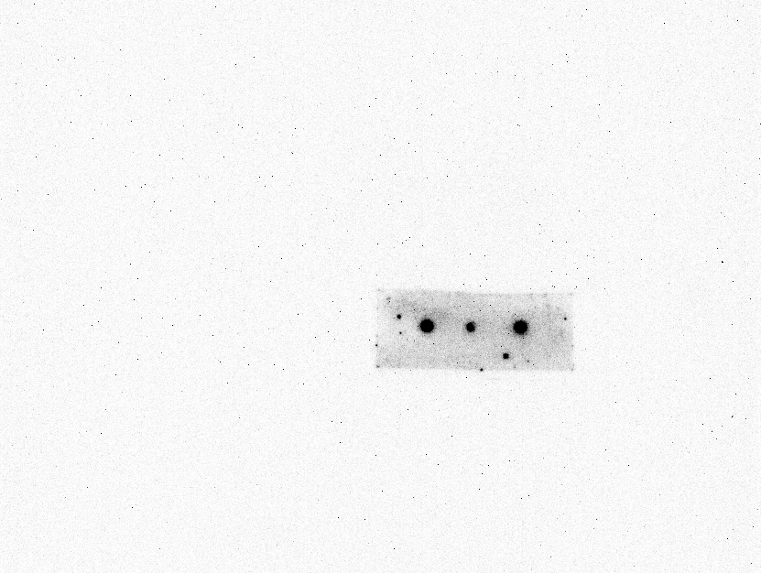
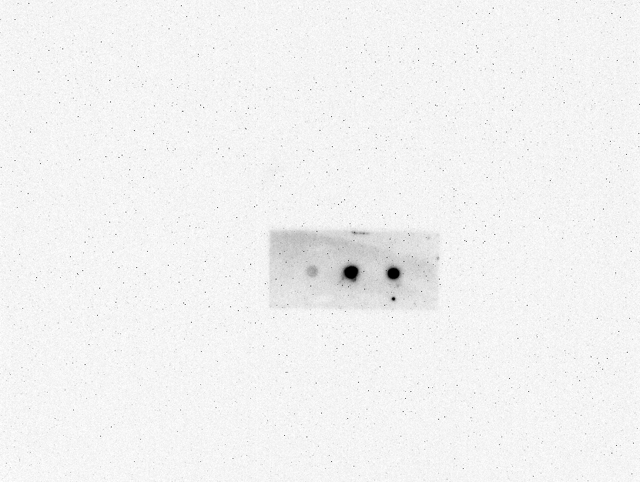
Pre-IP

Biotin-NAD+
Biotin-NAD+
NAD+
Biotin
NAD+
Biotin

Anti-PAR
Anti-Biotin

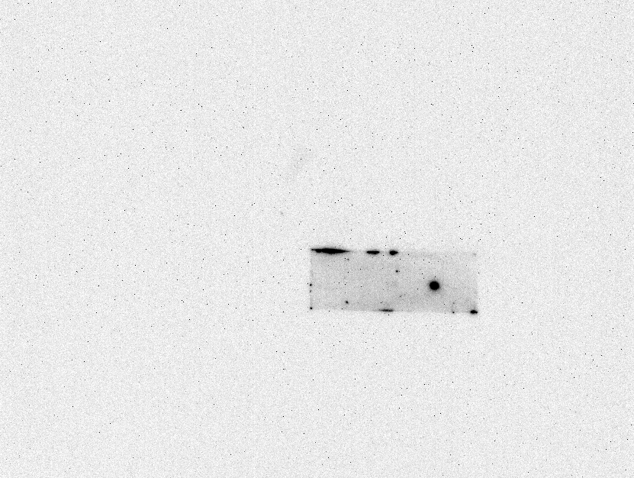
IP-anti-PAR

NAD+
Biotin
Biotin-NAD+

Anti-Biotin

Figure 3E
Figure 3E | Anti-PAR



3-AB (µM)
0 100 500 2500

3-AB (µM)
0 0 0 0

Control

Anti-PAR

Figure 3F
Figure 3F
 | Anti-PAR | CBB staining
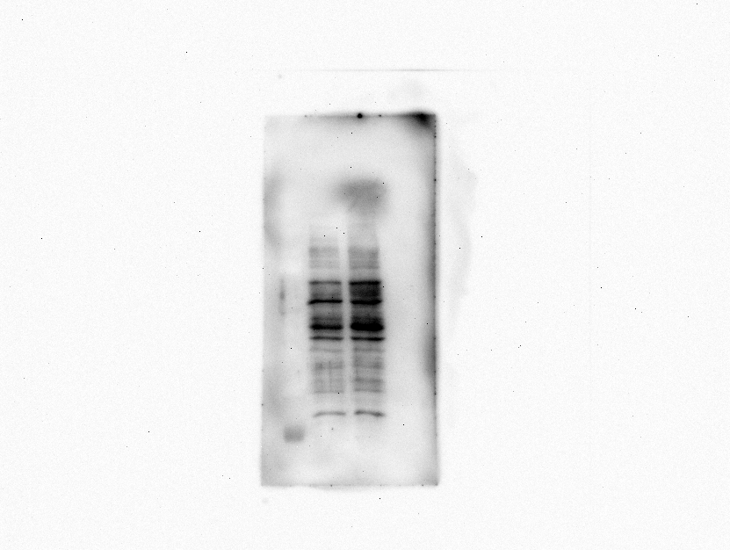
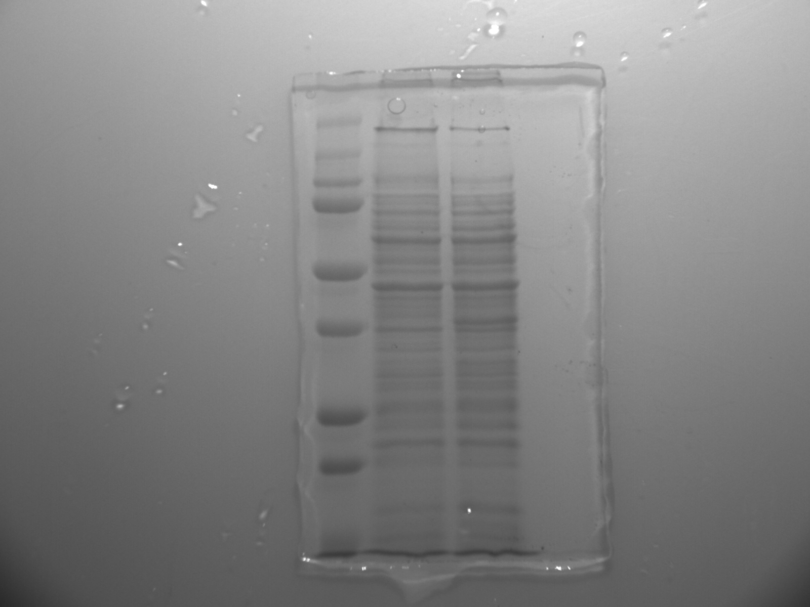
Mr
R1
Δparg
kDa
Mr
R1
Δparg
kDa
250
150
250
100
150
75
75
100

50
50
37
37
25
20

25

Anti-PAR
20

SDS-PAGE

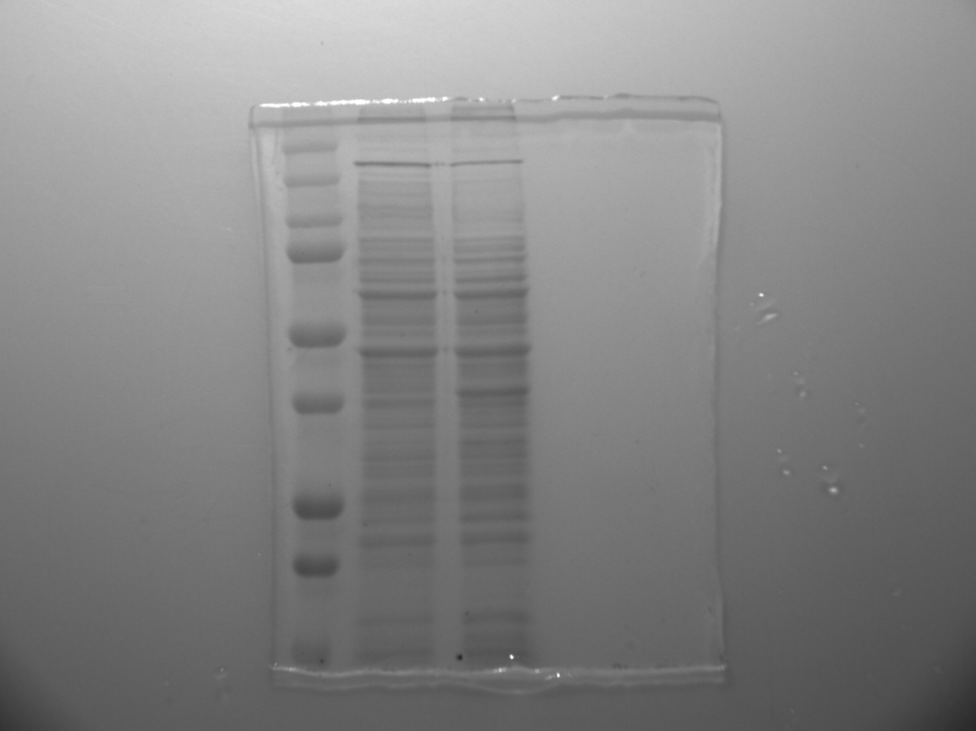
 | Anti-pan-ADPr Binding Reagent | CBB staining
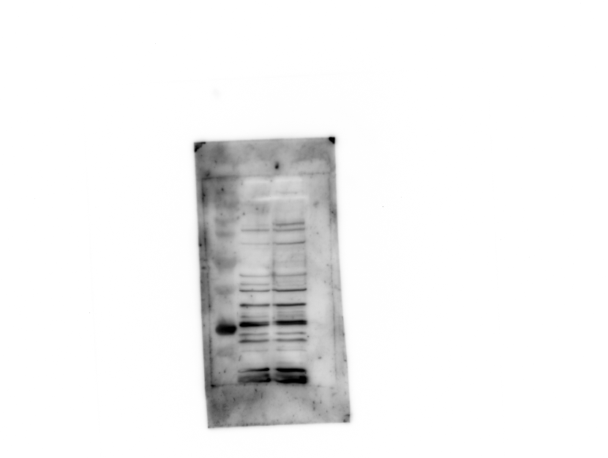

Mr
R1
Δparg
kDa

Mr
R1
Δparg
250
kDa
150

150
250
100
75
100
75

50
37
50

25
20
37
15

Anti-pan-ADPr Binding Reagent
25

20

SDS-PAGE

Figure 3G
Figure 3G | Anti-PAR
 | Replicate1 | Replicate2 | Replicate3



Sc
R1
R1
Δparg

R1
Δparg
R1
Δparg

Anti-PAR
Anti-PAR
Anti-PAR

Relative PAR level
R1
Replicate1 | 1
Replicate2 | 1
Replicate3 | 1
Mean | 1
SD | 0
Δparg
Replicate1 | 1.712
Replicate2 | 1.857
Replicate3 | 2.244
Mean | 1.9376666667
SD | 0.27502060529

Figure 3H
Figue 3H | Anti-PAR

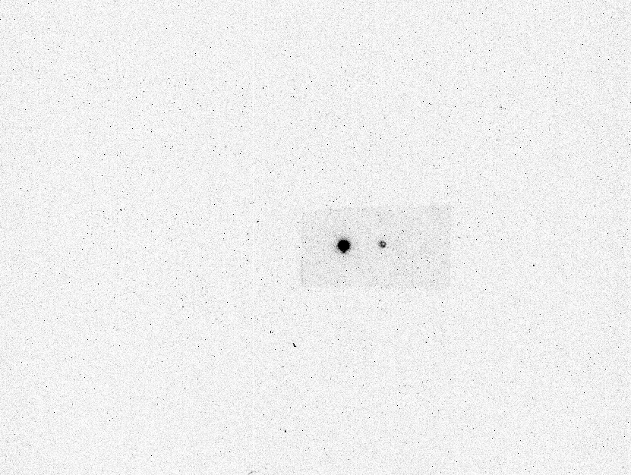

Treated with HsPARG
Control

Anti-PAR

Figure 5B
Figure 5B | Anti-PAR





Reaction Time (min)
0 1 5 10 15 30 60

Reaction Time (min)
Reaction Time (min)
DrPARG
(T267K)
0 1 5 10 15 30 60
0 1 5 10 15 30 60
DrPARG
(WT)
DrPARG
(T267R)

Anti-PAR
Anti-PAR
Anti-PAR



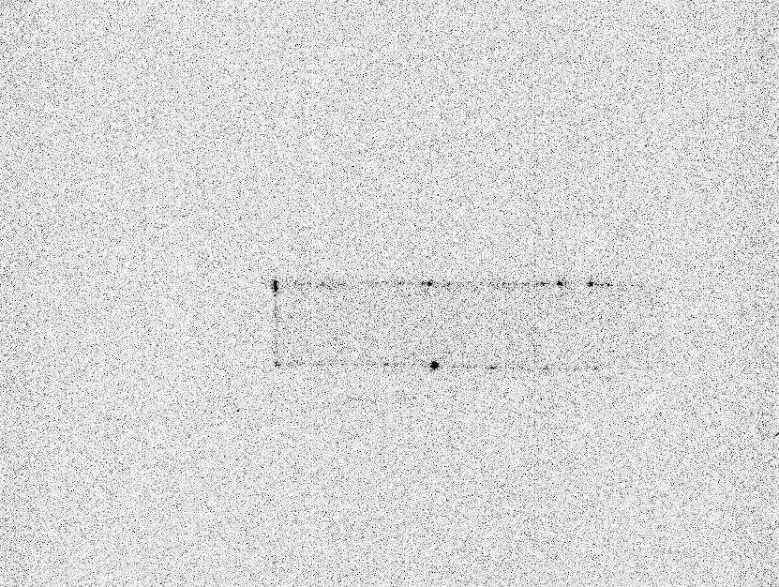

Reaction Time (min)
Reaction Time (min)
Reaction Time (min)
0 1 5 10 15 30 60
0 1 5 10 15 30 60
0 1 5 10 15 30 60
DrPARG
(E112A)
TcPARG
HsPARG

Anti-PAR
Anti-PAR
Anti-PAR

Figure 5E
Figure 5E | Anti-PAR

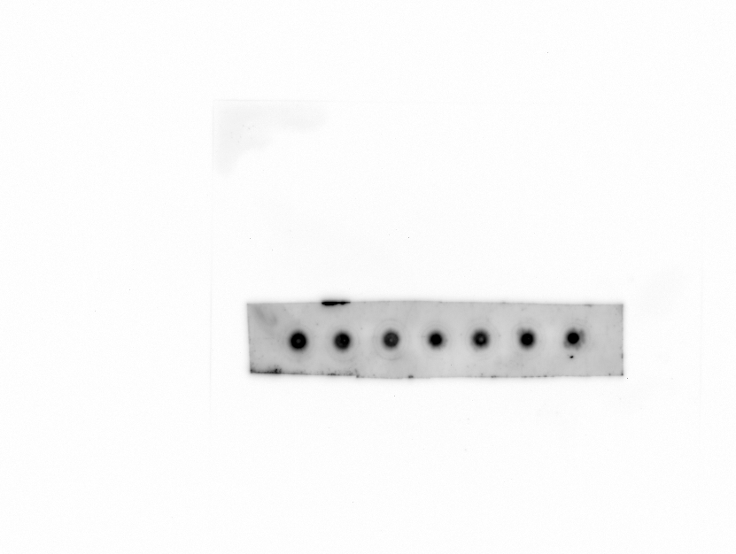
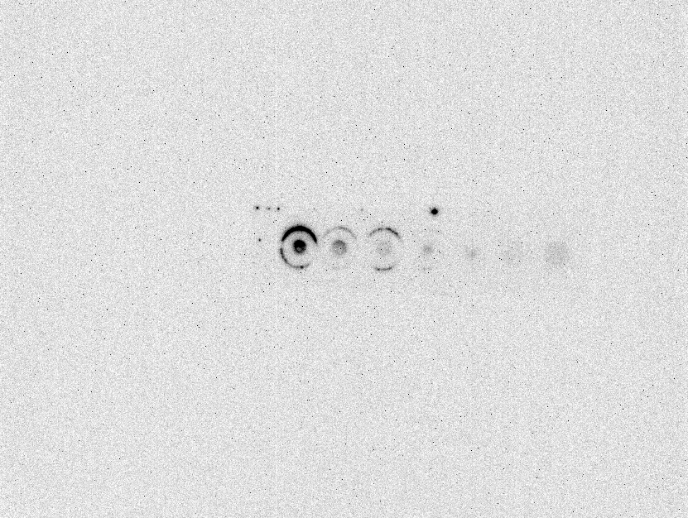

Time (min)
0 1 5 10 15 30 60

0 1 5 10 15 30 60
DrPARG WT
Time (min)

No Enzyme

Anti-PAR
Anti-PAR



Time (min)
0 1 5 10 15 30 60

DrPARG E112A
Loading 2µL

Time (min)
0 1 5 10 15 30 60

DrPARG E112A
Loading 1µL

Anti-PAR

Supplementary Figure 1A
Figure S1A

DrPARG
Ori.
DrPARG
2X dilu.
DrPARG
4X dilu.
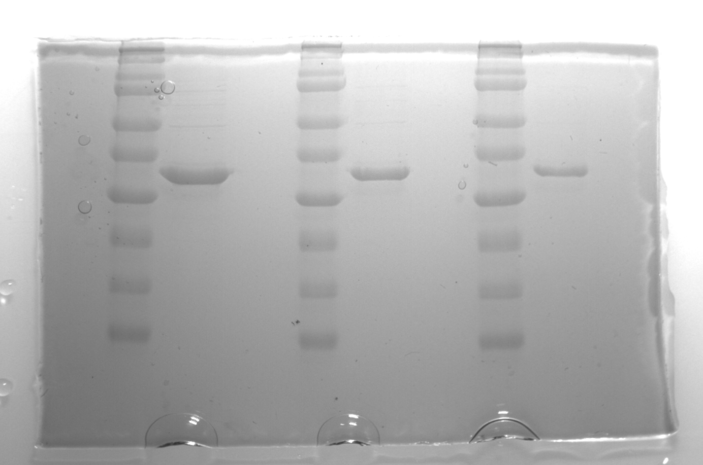
Marker
Marker
Marker

kDa
kDa
kDa
100
100
100
75
75
75
50
50
50
37
37
37

25
25
25

20
20
20

15
15
15

10
10
10

SDS-PAGE analysis of DrPARG

Supplementary Figure 7B
Figure S7B

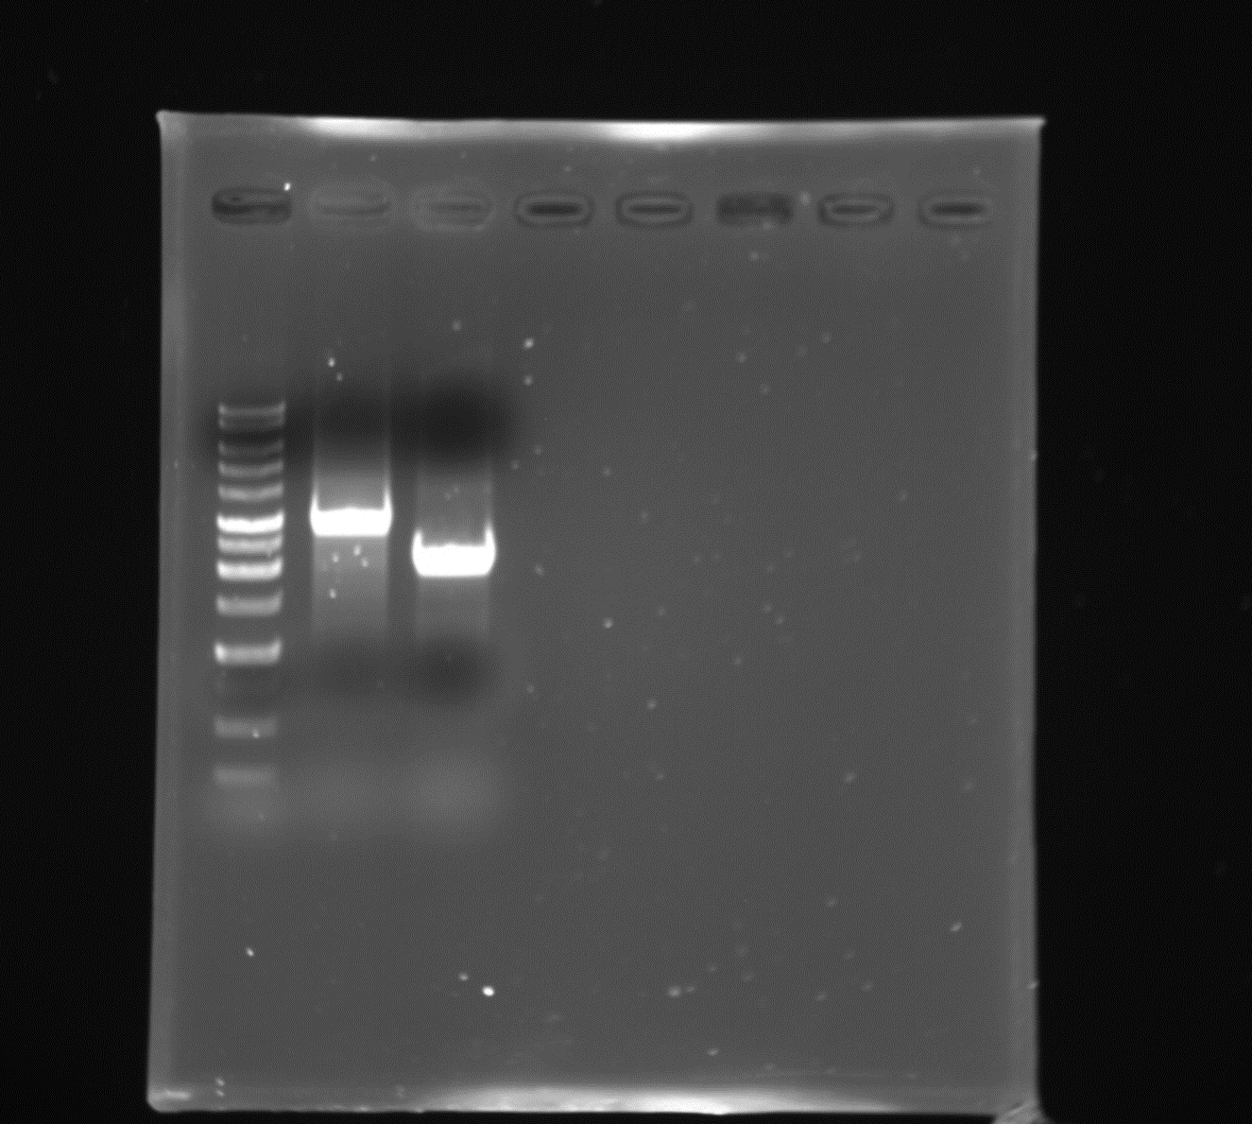
PCR analysis of gDNA from R1 and Δparg strains
Marker
Δparg
R1

bp
10000
6000
8000
4000
5000
3000
2000
1500
1000
750

500
250

Supplementary Figure 9
Figure S9

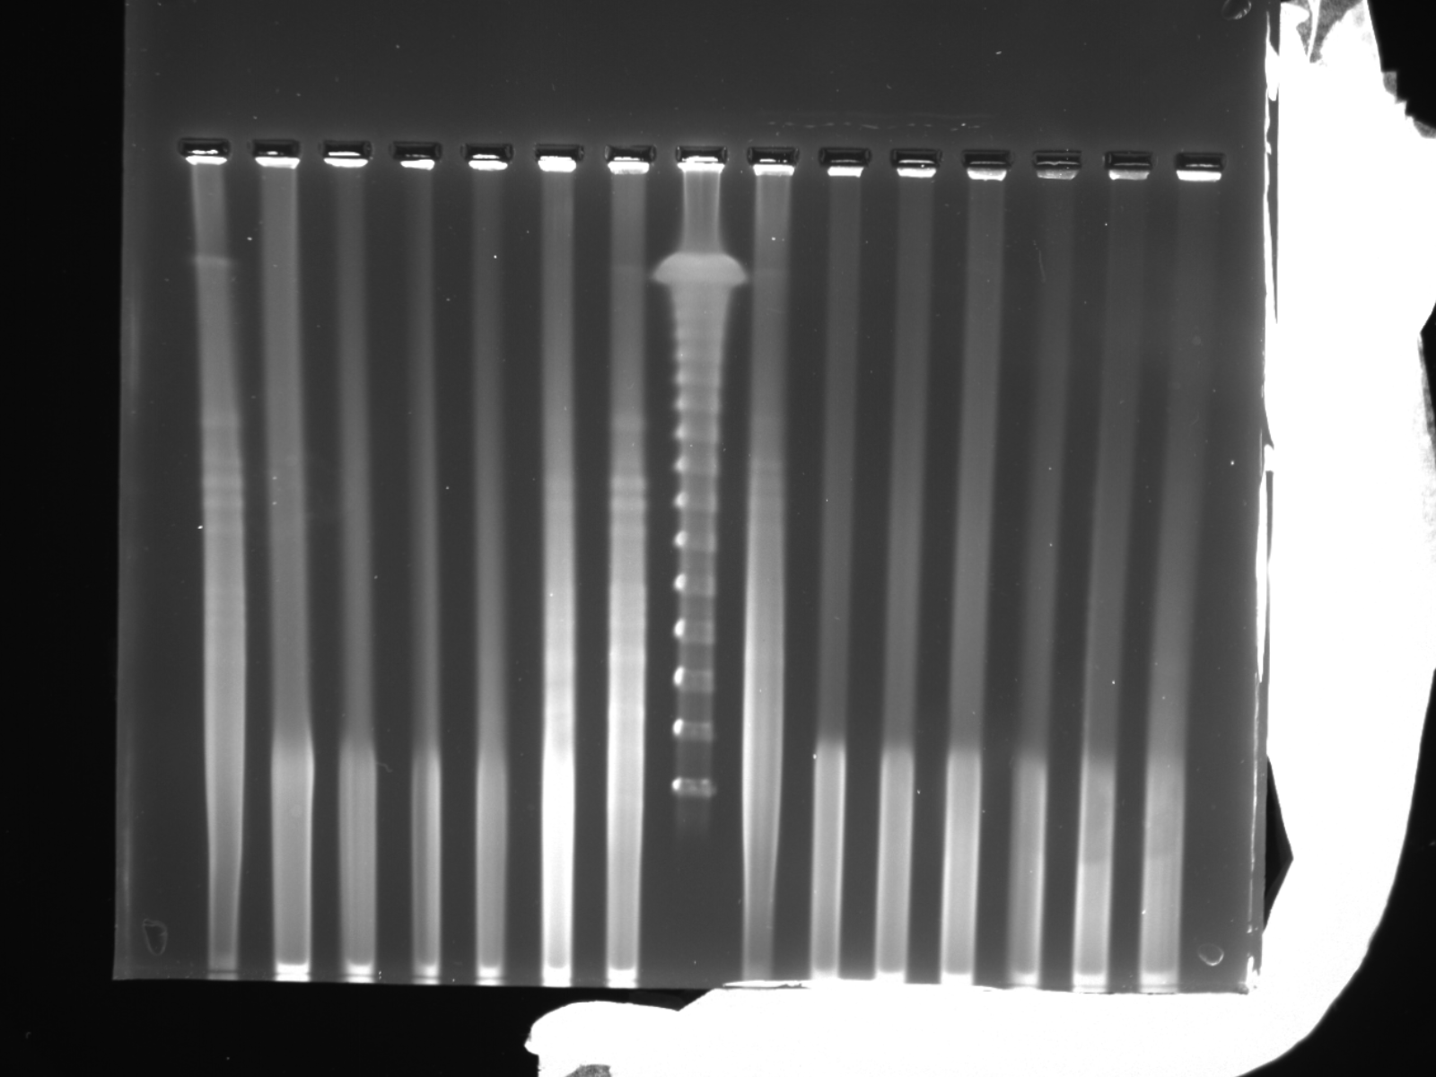
R1
Δparg
Time after UV irradiation (hr)
C 0 3 6 12 18 24 Mr C 0 3 6 12 18 24

145.5
97

48.5
kb

PFGE

Supplementary Figure 10
Figure S10

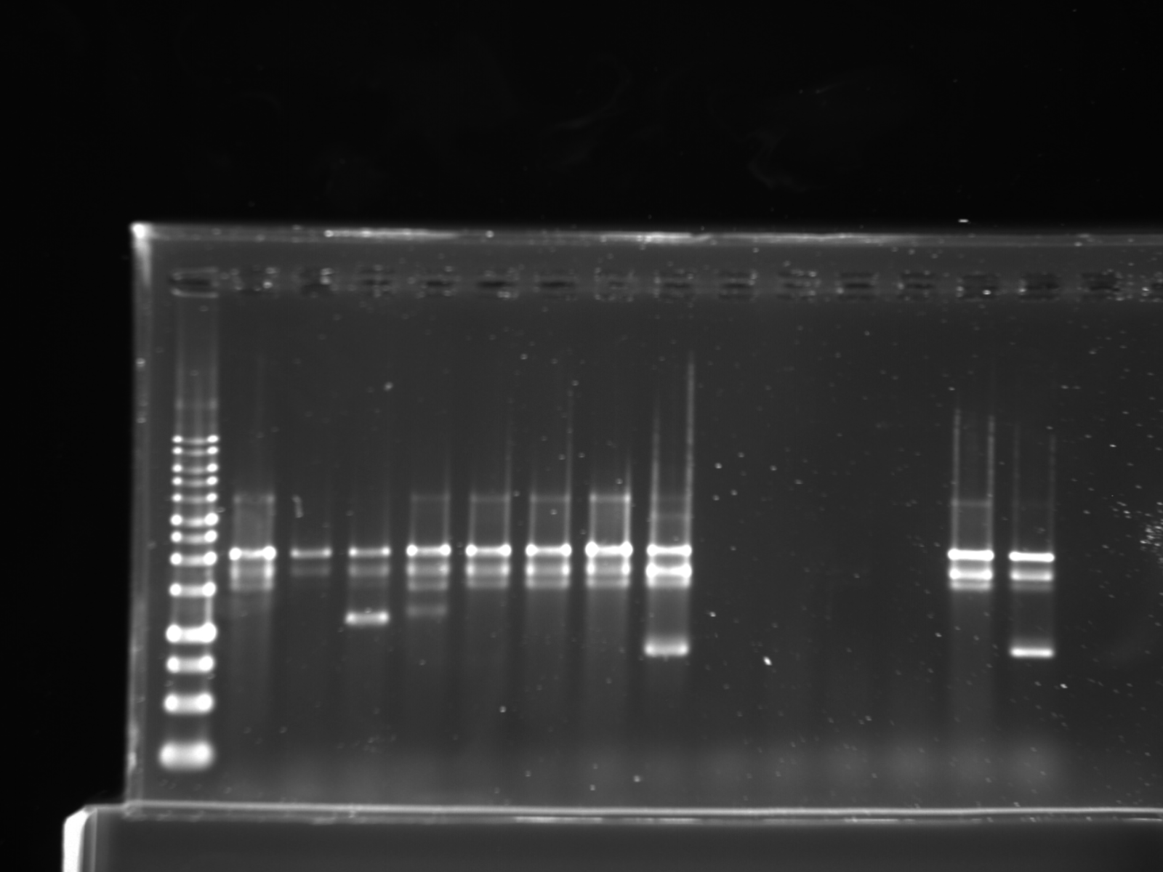

R1
Δparg

Time after UV irradiation (hr)
Mr
C
0
3
6
12
18
24
C
0
3
6
12
18
24

kb
10.0
6.0
8.0
5.0
3.0
4.0
2.5
2.0
1.5
1.0
0.75
0.5

0.25

RAPD

Supplementary Figure 11A
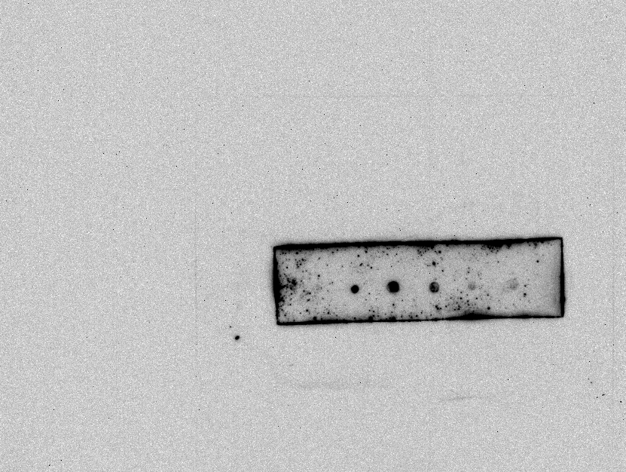
Figure S11A | Anti-PAR
 | Replicate1 |  |  |  |  |  |  | Replicate2 | Replicate3
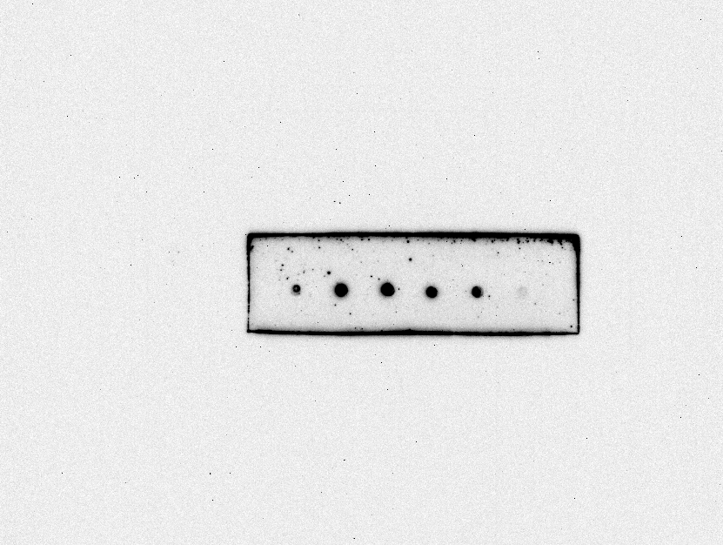
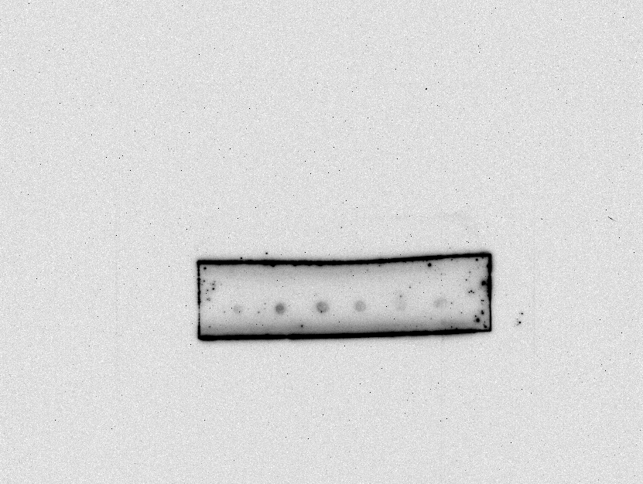

Time after UV irradiation (min)
0 30 60 180 360 570
Time after UV irradiation (min)
0 30 60 180 360 570
Time after UV irradiation (min)
0 30 60 180 360 570

Anti-PAR
Anti-PAR
Anti-PAR

Relative PAR level | 0 | 30 | 60 | 180 | 360 | 540 | Time (min)
Replicate1 | 1 | 2.9324 | 2.2619 | 1.8391 | 1.2104 | 0.0681
Replicate2 | 1 | 2.0841 | 2.9249 | 2.2941 | 2.1248 | 1.0792
Replicate3 | 1 | 2.6681 | 3.0771 | 1.5575 | 1.4204 | 0.7712
Mean | 1 | 2.5615333333 | 2.7546333333 | 1.8969 | 1.5852 | 0.6395
SD | 0 | 0.43407437535 | 0.43345220421 | 0.37168605032 | 0.4789583698 | 0.51825618183

Supplementary Figure 11B
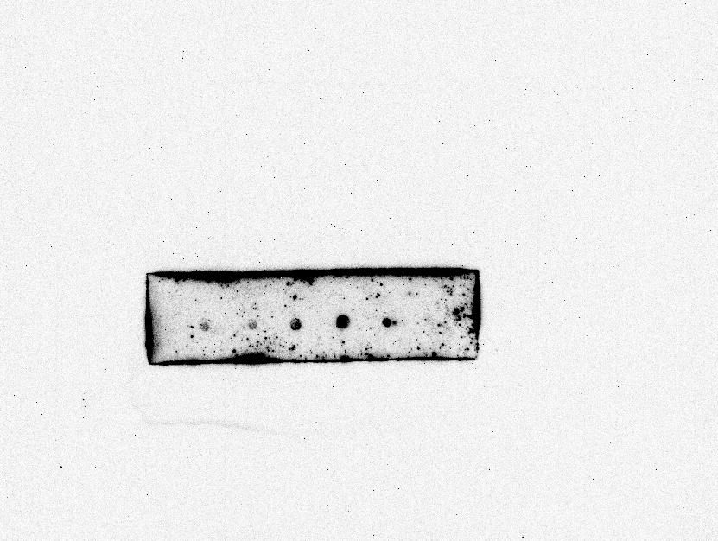
Figure S11B | Anti-PAR
 | Replicate1 |  |  |  |  |  |  | Replicate2 | Replicate3



Time after UV irradiation (min)
0 30 60 180 360 570
Time after UV irradiation (min)
0 30 60 180 360 570

Time after UV irradiation (min)
0 30 60 180 360 570

Anti-PAR
Anti-PAR
Anti-PAR

Relative PAR level | 0 | 30 | 60 | 180 | 360 | 540 | Time (min)
Replicate1 | 1 | 2.7868 | 5.0448 | 5.1661 | 2.5709 | 1.3919
Replicate2 | 1 | 3.8996 | 5.8872 | 5.8434 | 9.2533 | 3.6575
Replicate3 | 1 | 2.0305 | 2.106 | 3.5077 | 2.6615 | 1.4363
Mean | 1 | 2.9056333333 | 4.346 | 4.8390666667 | 4.8285666667 | 2.1619
SD | 0 | 0.94019929979 | 1.9850968339 | 1.201701595 | 3.8321992241 | 1.2954178322

Supplementary Figure 13A
Figure S13A | Anti-PAR




0 1 5 10 15 30 60
Time (min)
Time (min)
0 1 5 10 15 30 60

DrPARG WT
DrPARG T267R

Anti-PAR
Anti-PAR




Time (min)
0 1 5 10 15 30 60

DrPARG T267K
Time (min)
0 1 5 10 15 30 60

DrPARG E112A

Anti-PAR
Anti-PAR

Supplementary Figure 15A
Automodified PARP1
Automodified PARP1+
DrPARG WT
Automodified PARP1+
DrPARG E112A
Figure S15A | Anti-Biotin

Marker

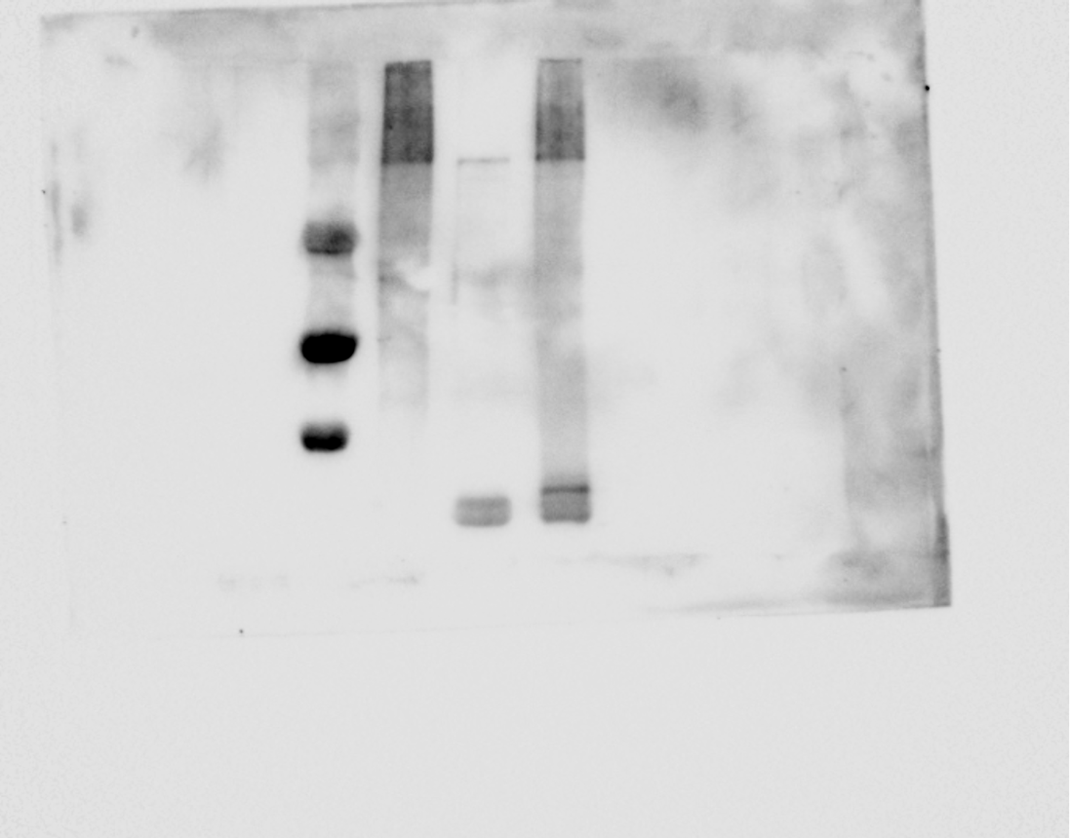
250
kDa

150
100
75

50

37

Anti-Biotin

Supplementary Figure 15B
Automodified HsPARP1-CatD+DrPARG (10 µM)
Automodified HsPARP10-CatD+ScPoa1p (5 µM)
Automodified HsPARP10-CatD+DrPARG (2.5 µM)
Automodified HsPARP10-CatD+DrPARG (5 µM)
Automodified HsPARP1-CatD+DrPARG (10 µM)
Figure S15B | Anti-Biotin
Automodified HsPARP10-CatD+DrPARG (2.5 µM)
Automodified HsPARP10-CatD+DrPARG (5 µM)
Automodified HsPARP10-CatD+ScPoa1p (5 µM)

Automodified HsPARP10-CatD
Automodified HsPARP10-CatD

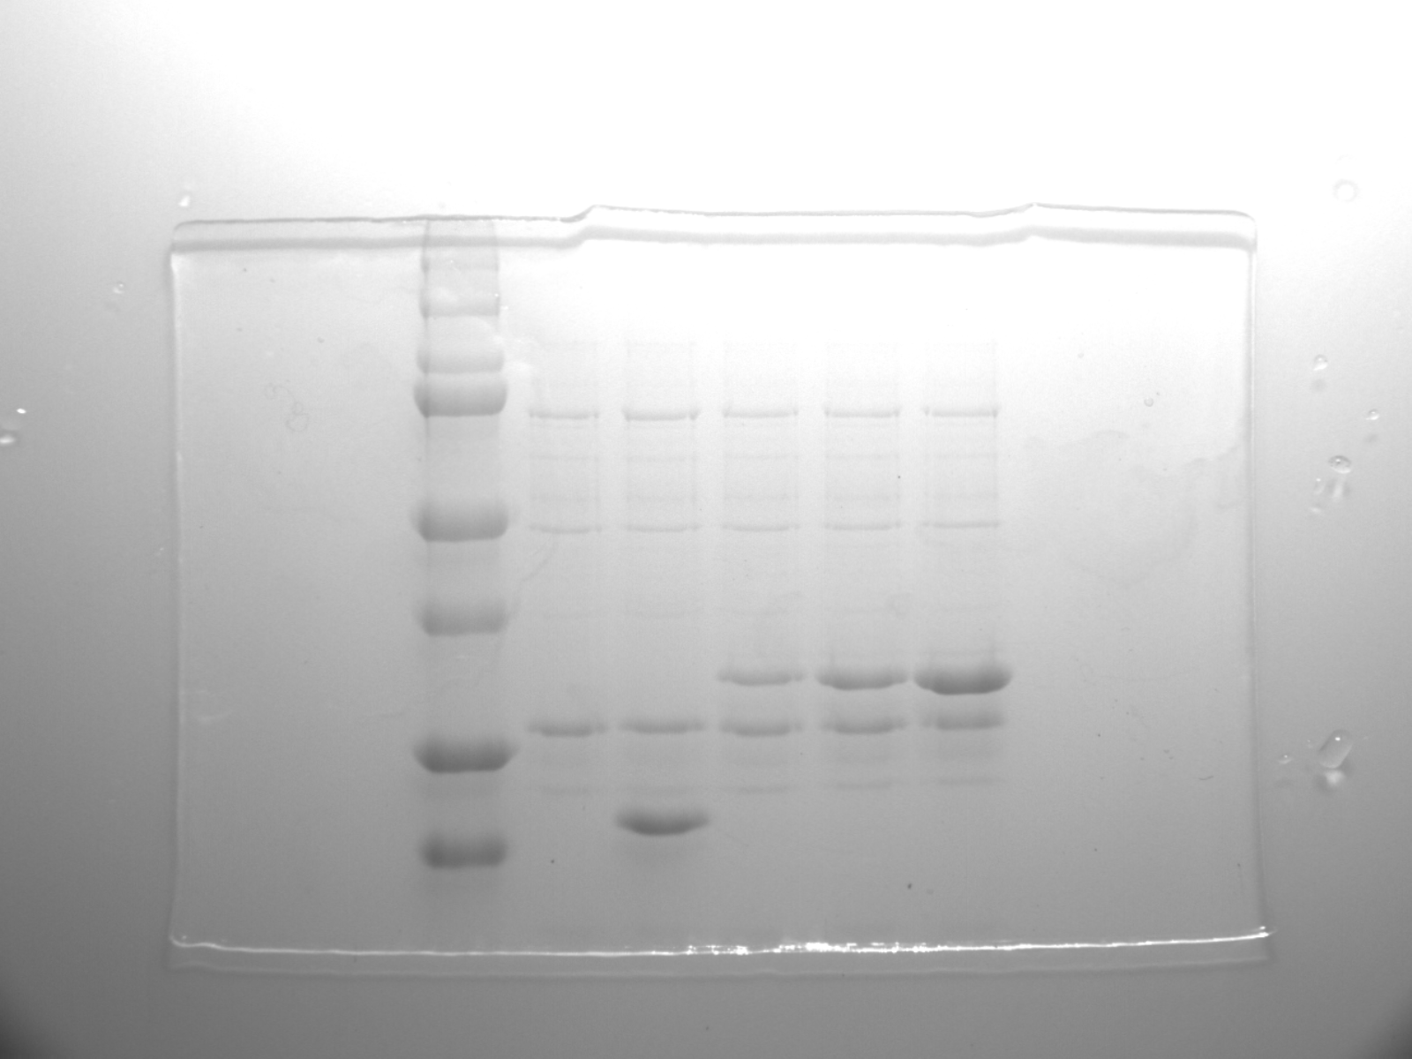
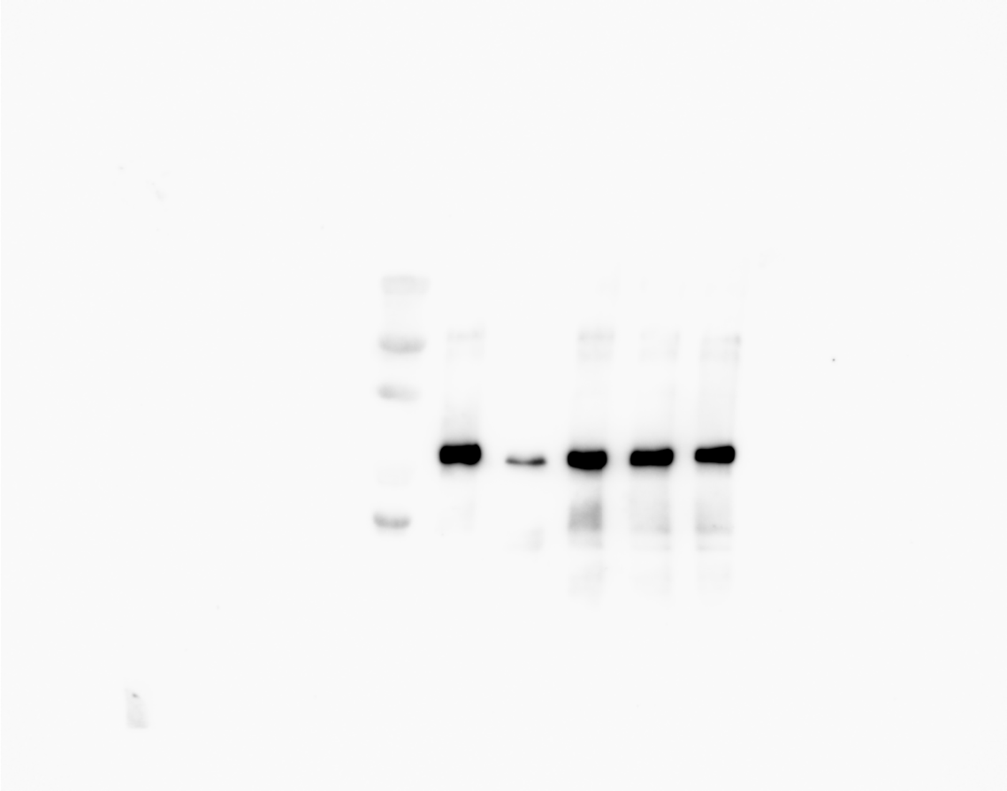
Marker

Marker

kDa
250
kDa
50
150

37
100
25
75

20
50

37

Anti-Biotin
25

20

SDS-PAGE

Supplementary Figure 15C
Modified peptide+HsARH3 (1 µM)
Modified peptide+DrPARG (1 µM)
Modified peptide+DrPARG (2 µM)
Modified peptide+DrPARG (3 µM)
Figure S15C | Anti-Biotin
Unmodified H3 peptide
Modified peptide+
HsARH3 (1 µM)
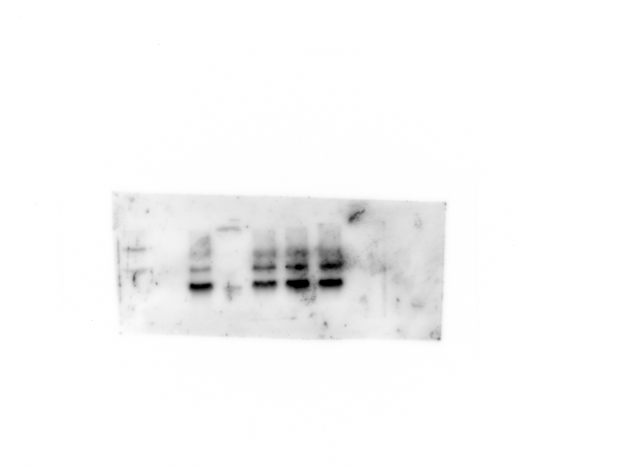
Modified H3 peptide
Modified peptide+
DrPARG (1 µM)
Modified peptide+
DrPARG (2 µM)
Modified peptide+
DrPARG (3 µM)
Unmodified H3 peptide
Modified H3 peptide

Marker

Marker
75
kDa
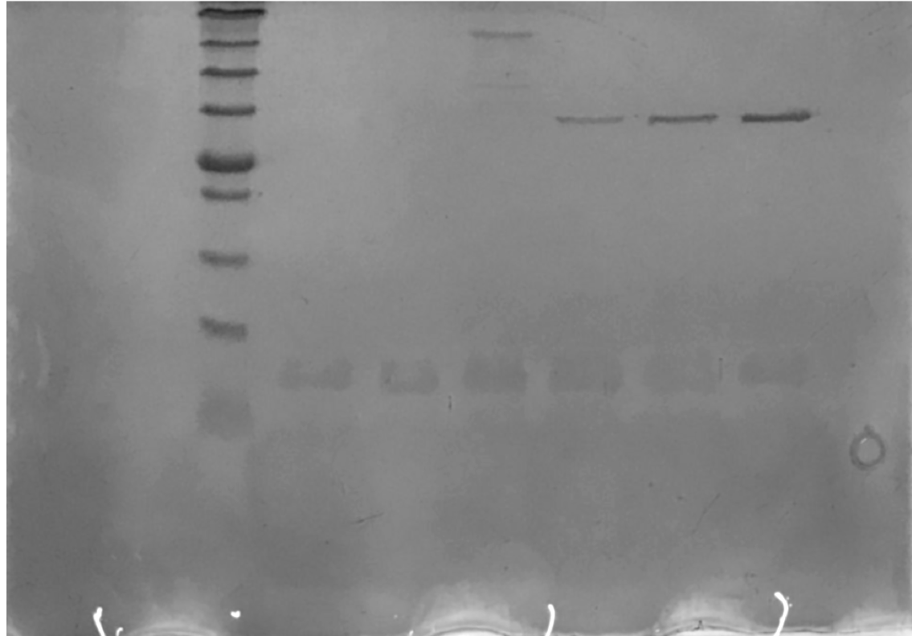
kDa
63
48
17
35
11
5
25

20

17

Anti-Biotin
11

5

SDS-PAGE

