Figure 4i
Figure 4i | Binding assay
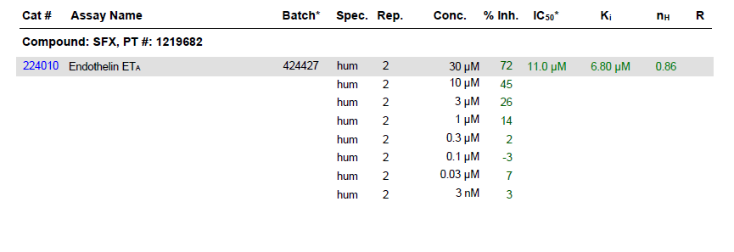

ompound Code | Date Study Completed | Date Report Printed | Panlabs Internal Test Number | Molecular Weight | Assay Catalog Number | Ascii Assay Name | Ligand or Substrate | Species | Tissue | Solvent | Concentration of Test Compound | Units of Concentration | Response Average | IC50 Value | IC50 SEM | IC50 Unit | Ki Value | Ki SEM | Ki Unit | nH Value | nH SEM | Agonist Response | Antagonist Response | Agonist Criteria | Agonist Criteria Judgement(Y/N) | Number of Tubes | Antagonist Criteria | Antagonist Criteria Judgement | Number of Tubes | Route of Administration | Time | Temperature | PharmaScreen Results | PharmaScreen Comments | 1995 Catalog Number for PharmaScreen | Special Comment | Primary or Secondary Assay Designator PharmaScreen | Reference Compound PharmaScreen | Assay ID
SFX | 07/11/2018 | 07/11/2018 | 1219682 | 267.3 | 224010 | Endothelin ETA | [125I]Endothelin-1 | Human | recombinant | 1% DMSO | 30 | mcM | 72 | 11.04569 |  | mcM | 6.797349 |  | mcM | 0.8635999 |  |  | 71.8 |  |  |  | >=50 | Y | 2 | Radioligand Binding | 120 | 37 |  |  |  |  |  |  | 224010
SFX | 07/11/2018 | 07/11/2018 | 1219682 | 267.3 | 224010 | Endothelin ETA | [125I]Endothelin-1 | Human | recombinant | 1% DMSO | 10 | mcM | 45 | 11.04569 |  | mcM | 6.797349 |  | mcM | 0.8635999 |  |  | 45.3 |  |  |  | >=50 | N | 2 | Radioligand Binding | 120 | 37 |  |  |  |  |  |  | 224010
SFX | 07/11/2018 | 07/11/2018 | 1219682 | 267.3 | 224010 | Endothelin ETA | [125I]Endothelin-1 | Human | recombinant | 1% DMSO | 3 | mcM | 26 | 11.04569 |  | mcM | 6.797349 |  | mcM | 0.8635999 |  |  | 25.7 |  |  |  | >=50 | N | 2 | Radioligand Binding | 120 | 37 |  |  |  |  |  |  | 224010
SFX | 07/11/2018 | 07/11/2018 | 1219682 | 267.3 | 224010 | Endothelin ETA | [125I]Endothelin-1 | Human | recombinant | 1% DMSO | 1 | mcM | 14 | 11.04569 |  | mcM | 6.797349 |  | mcM | 0.8635999 |  |  | 13.8 |  |  |  | >=50 | N | 2 | Radioligand Binding | 120 | 37 |  |  |  |  |  |  | 224010
SFX | 07/11/2018 | 07/11/2018 | 1219682 | 267.3 | 224010 | Endothelin ETA | [125I]Endothelin-1 | Human | recombinant | 1% DMSO | 0.3 | mcM | 2 | 11.04569 |  | mcM | 6.797349 |  | mcM | 0.8635999 |  |  | 1.6 |  |  |  | >=50 | N | 2 | Radioligand Binding | 120 | 37 |  |  |  |  |  |  | 224010
SFX | 07/11/2018 | 07/11/2018 | 1219682 | 267.3 | 224010 | Endothelin ETA | [125I]Endothelin-1 | Human | recombinant | 1% DMSO | 0.1 | mcM | -3 | 11.04569 |  | mcM | 6.797349 |  | mcM | 0.8635999 |  |  | -3.4 |  |  |  | >=50 | N | 2 | Radioligand Binding | 120 | 37 |  |  |  |  |  |  | 224010
SFX | 07/11/2018 | 07/11/2018 | 1219682 | 267.3 | 224010 | Endothelin ETA | [125I]Endothelin-1 | Human | recombinant | 1% DMSO | 0.03 | mcM | 7 | 11.04569 |  | mcM | 6.797349 |  | mcM | 0.8635999 |  |  | 6.7 |  |  |  | >=50 | N | 2 | Radioligand Binding | 120 | 37 |  |  |  |  |  |  | 224010
SFX | 07/11/2018 | 07/11/2018 | 1219682 | 267.3 | 224010 | Endothelin ETA | [125I]Endothelin-1 | Human | recombinant | 1% DMSO | 3 | nM | 3 | 11.04569 |  | mcM | 6.797349 |  | mcM | 0.8635999 |  |  | 2.5 |  |  |  | >=50 | N | 2 | Radioligand Binding | 120 | 37 |  |  |  |  |  |  | 224010

