Supp Fig 8
PCR on 09-1 cells

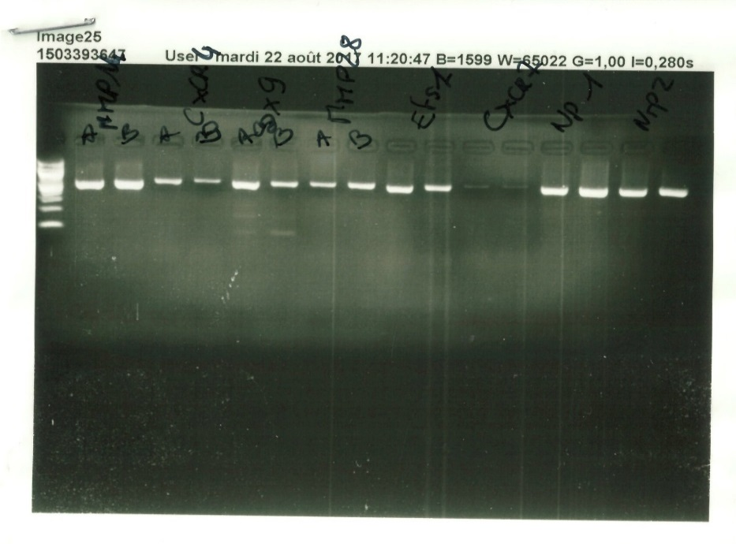
 | Gene | Sequence numb | Sequence (forward & reverse) | Position | Tm | product (kb)
 | Nrp1 | NM_008737.2 | TGTAGGGACACAGGGTGCCA | 1501 | 59.91 | 597
 |  |  | GCCTTGCGCTTGCTGTCATC | 2097 | 60
 | Nrp2 | NM_001077403.1 | CATGCTGGGGATGCTCTCGG | 2196 | 60 | 579
 |  |  | TTTTCCCCACACTCGGTGGC | 2774 | 59.99
 | CxCr4 | NM_009911.3 | TCGCTATTGTCCACGCCACC | 503 | 59.92 | 584
 |  |  | GCTGGAGCCTCTGCTCATGG | 1086 | 59.99
 | Sox9 | NM_011448.4 | GGCAGACCAGTACCCGCATC | 744 | 59.9 | 580
 |  |  | AGTGTAGGTGACCTGGCCGT | 1323 | 59.9
 | Ets1 | NM_011808.2 | CACAGGAAGTGGGCCGATCC | 1329 | 59.92 | 574
 |  |  | CTCAGGAGCTATTGCCCCGC | 1902 | 60.06

