Supplementary Figure 5
Supplementary Figure 5
 | a. | f. |  | 20nt sgRNA IL2RG guide | 19nt sgRNA IL2RG guide
 |  |  | Day 1 - FACS | 28.5 | 31
 |  |  | Day 1 - ddPCR | 37 | 42

 |  |  | Day 2 - FACS | 36.8 | 35.5
 |  |  | Day 2 - ddPCR | 43 | 44

 |  |  | Day 3 - FACS | 36.4 | 42.9
 |  |  | Day 3 - ddPCR | 45 | 45

 |  |  | Day 4 - FACS | 30.1 | 39.5
 |  |  | Day 4 - ddPCR | 38 | 47

 | Agarose gel image of ddPCR specificity
 | d.
 |  | e. |  | Biological replicate #1 | Biological replicate #2 | Biological replicate #3
 |  |  | ddPCR | 34 | 44.5 | 54.8
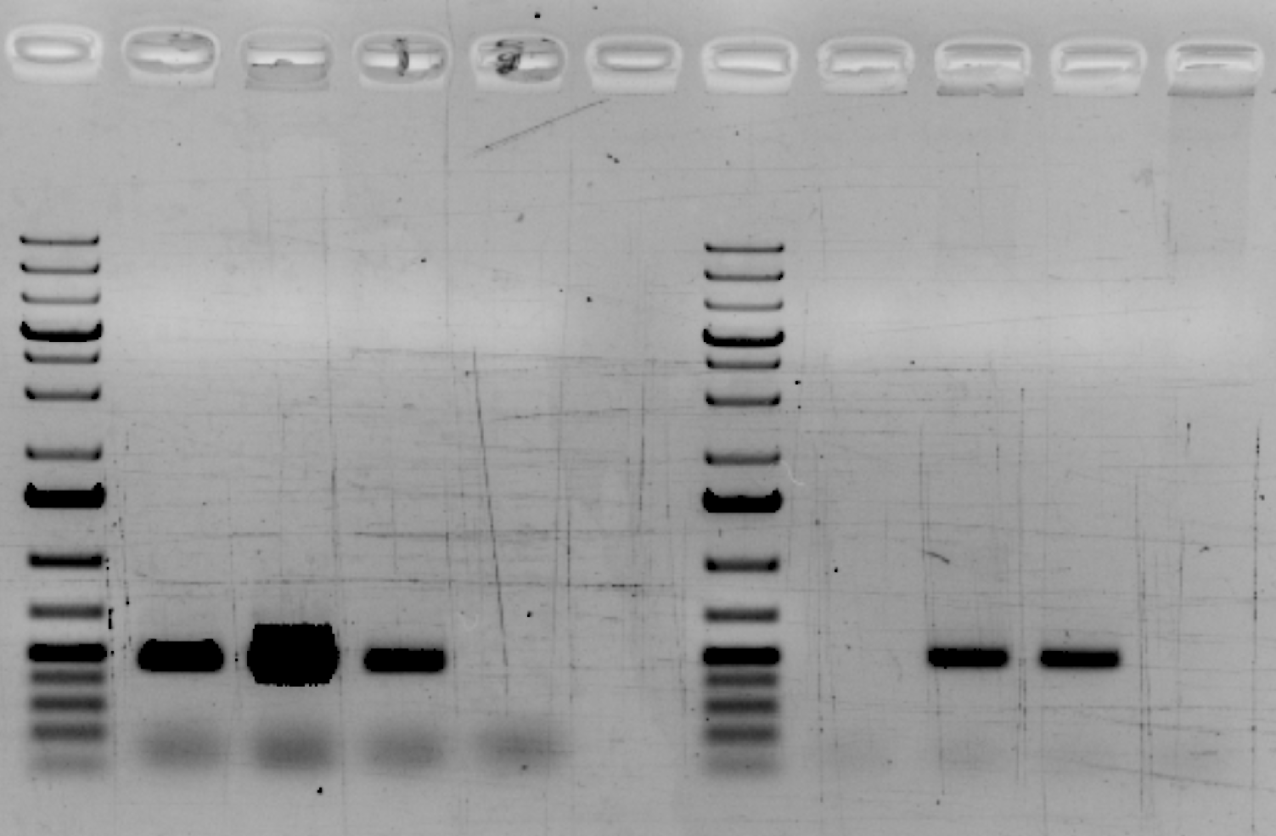
 |  |  | Genotype | 44.7 | 42 | 50.3
Reference Gene
ddPCR Primers
Integrated IL2RG
ddPCR Primers

Kb
5

1.5

0.5

Human Mock
Human Bulk Targeted
Human Targeted Enriched
Mouse Mock
Human Mock
Human Bulk Targeted
Human Targeted Enriched
Mouse Mock

Supplementary Figure 6
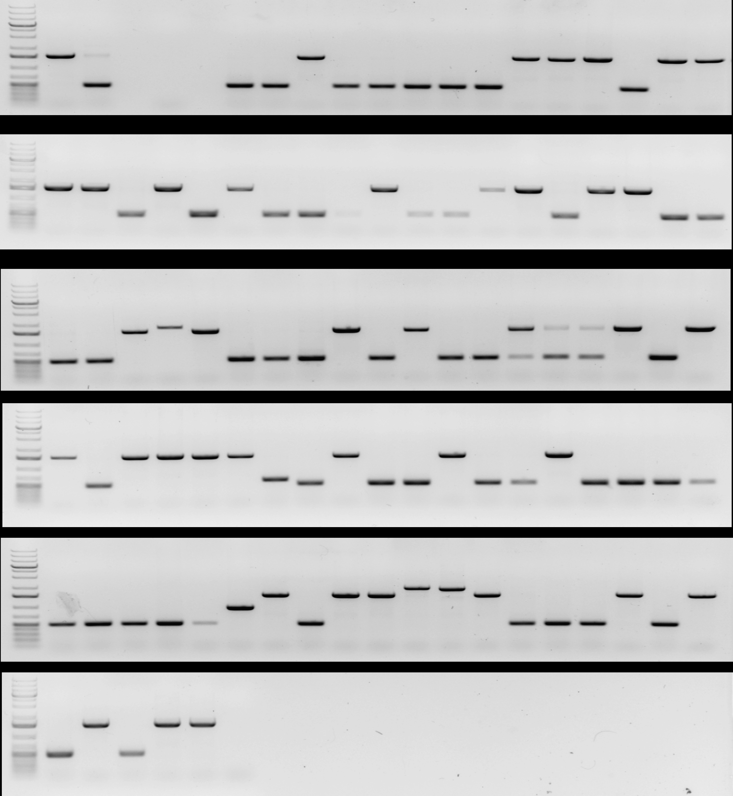
1 2 3
 |  |  |  |  |  | Controls | Individiual clones
Supplementary Figure 6 |  |  |  |  |  |  |  |  | Controls
 | a. |  |  |  | b. |  |  | Gel image 1 | 1. WT (wild type)
 |  |  |  |  |  |  |  |  | 2. Enriched IL2RG cDNA targeted
 |  | Mono-allelic (male) | WT | Unknown |  |  |  |  | 3. NTC
 | Bio Rep #1 | 44.7 | 43.6 | 11.7 |  |  |  | Gel image 2
 | Bio Rep #2 | 42 | 34 | 3.5
 | Bio Rep #3 | 50.3 | 44 | 5

 |  |  |  |  |  |  |  | Gel image 3

 |  |  |  |  |  |  |  | Gel image 4

 |  |  |  |  |  |  |  | Gel image 5

 |  |  |  |  |  |  |  | Gel image 6

