Figure 3d
Figure 3d

Mock
Sham | 1.137406 | 1.221034 | 1.00257 | 1.242245 | 0.757755 | 1.587936 | 0.412064 | 1
1 day | 1.480659 | 2.393436 | 3.390955 | 5.31718 | 3.757033 | 5.609115 | 2.619132 | 2.9885 | 3.757033
4 days | 5.609115 | 2.619132 | 2.9885 | 12.99275 | 16.9595 | 14.98224 | 2.603161 | 0.752242 | 3.661017 | 13.09562 | 34.76684 | 27.07518
7 days | 8.239739 | 1.929556 | 3.01723 | 0.635772 | 5.531452 | 6.242316 | 19.67916 | 2.299757 | 3.600126 | 1.879501 | 11.94036 | 9.153237
14 days | 4.319563 | 5.577903 | 4.876414 | 2.942789 | 10.61305 | 6.486631 | 9.053483 | 9.186173 | 6.83681 | 19.65052

EcoHIV
Sham | 5.474549 | 2.654594 | 8.16954 | 5.798008 | 2.024247 | 5.86446 | 1.602352 | 6.098139 | 4.485808 | 3.330154 |  |  | Antibody used | Abcam ICAM1 rabbit antibody ab179707
1 day | 4.192487 | 4.672426 | 10.39914 | 3.705153 | 8.554642 | 8.554642 | 11.84626 |  |  |  |  |  | Secondary | Licor Donkey anti-rabbit 800cw 926-32213
4 days | 18.302 | 22.207 | 6.237654 | 11.84626 | 25.44538 | 26.44636 | 31.2701 | 7.328451 | 7.02559 | 17.12023
7 days | 9.666332 | 7.771579 | 1.657545 | 3.824178 | 3.779794 | 3.668925 | 11.39876 | 11.66919 | 2.341772 | 11.70423 | 6.79711 | 15.69066 | Housekeeping gene | Novus Biologicals anti-GAPDH 680 dylight (NB600-502FR)
14 days | 15.41576 | 10.92805 | 11.42561 | 13.02717 | 21.76756 | 9.176807 |  |  |  |  |  |  |  |  | .

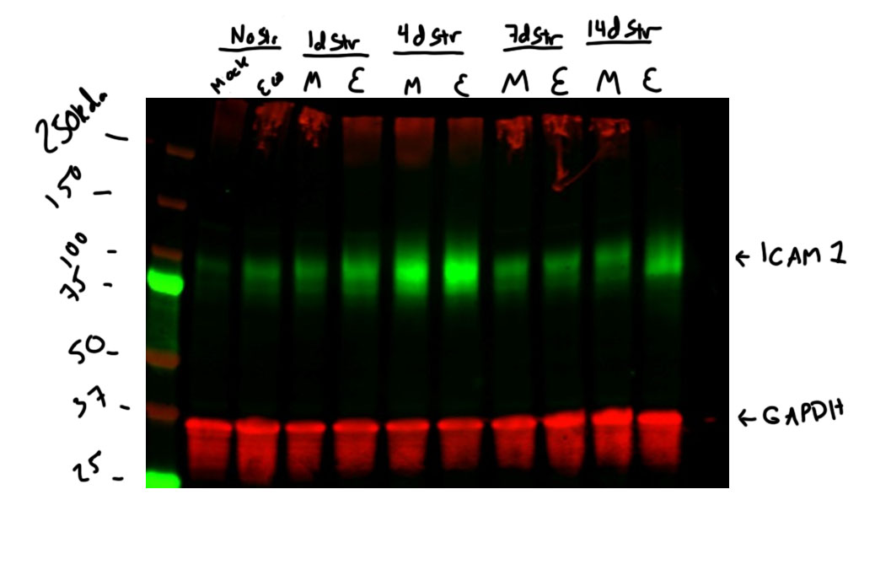

 |  |  |  |  | Base of membrane cut to stain for Iba1 (Figure 4H)

Figure 4g
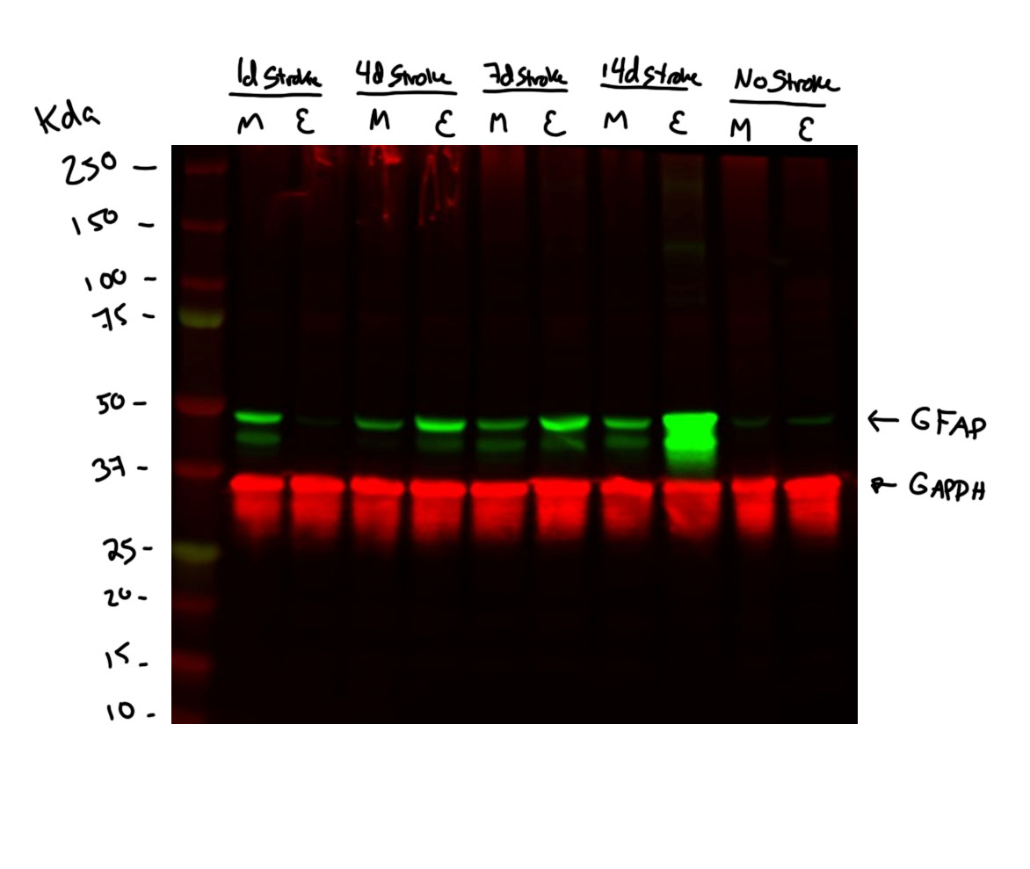
Figure 4g

Mock
Sham | 1.293912 | 0.706088 | 1.54683 | 0.746327 | 0.813573
1 day | 0.004741 | 4.001655 | 8.077066 | 4.911144 | 1.517
4 days | 2.677101 | 3.794655 | 0.003573 | 0.835735 | 2.367799 | 2.834043 | 0.092816 | 0.054312 | 0.106216 | 0.748335
7 days | 1.537988 | 4.043994 | 3.543612 | 3.595646 | 3.18786
14 days | 0.233394 | 0.393787 | 0.432399 | 1.086369 | 14.7173 | 4.535604 | 0.205603 | 0.307499 | 0.352075 | 3.659695 | 2.679198

EcoHIV
Sham | 0.306173 | 1.011556 | 0.114449 | 0.74369 | 0.269531
1 day | 0.143144 | 0.054241 | 0.015336 | 0.020832 | 0.017615 |  |  |  |  |  |  | Antibody used | Cell Signaling GFAP rabbit (12389)
4 days | 8.236301 | 2.952885 | 0.141319 | 0.718074 | 5.534312 | 8.697604 | 3.362974 | 0.386289 | 1.074825 | 6.351188 |  | Secondary | Licor Donkey anti-rabbit 800cw 926-32213
7 days | 10.97717 | 5.006712 | 7.237493 | 3.801089 | 7.361214 | 8.780388
14 days | 108.3766 | 11.45608 | 4.017425 | 80.1991 | 24.8673 | 4.945187 | 2.179231 | 17.3594 |  |  |  | Housekeeping gene |  | Novus Biologicals anti-GAPDH 680 dylight (NB600-502FR)
 |  |  |  |  |  |  |  |  |  |  |  |  |  |  | .

Figure 4h
Figure 4h

Iba1 protein levels ipslateral hemisphere Day 1-14 post-stroke
Mock
Sham | 1.186474 | 0.813526 | 0.699578 | 1.300422 | 1.186474 | 0.813526 | 1.028107 | 0.971893
1 day | 4.121868 | 4.16296 | 1.205436 | 1.155064 | 7.511957 | 6.854075 | 1.577961 | 0.729172
4 days | 2.689672 | 1.891819 | 1.723504 | 2.923575 | 0.653533 | 0.604202 | 7.226183 | 2.464844 | 5.129539 | 3.240626 | 1.147387 | 1.027113
7 days | 18.24625 | 5.240837 | 7.20817 | 3.336242 | 2.946508 | 12.42099 | 5.849328 | 6.034598 | 8.482328 | 2.298304 | 1.160492 | 9.970205
14 days | 0.55046 | 0.823203 | 0.90999 | 0.90999 | 1.892563 | 0.870781 | 0.689416 | 0.912425 | 0.744059 | 2.466914 | 1.786682

EcoHIV
Sham | 0.920027 | 0.820163 | 0.921598 | 0.934301 | 0.920027 | 0.820163 | 0.847578 | 1.380844
1 day | 4.817894 | 5.872513 | 11.4113 | 5.297179 | 0.782544 | 6.576301 | 2.987012 | 7.642615 | 13.47788 | 3.459664 | 1.70802
4 days | 0.85742 | 0.875192 | 0.682738 | 1.082927 | 0.678643 | 1.647019 | 1.061901 | 0.806844 | 0.934675 | 0.812745
7 days | 23.64009 | 52.86343 | 10.17097 | 3.003358 | 2.855166 | 4.929179 | 20.12788 | 27.346 | 5.165238 | 3.496691
14 days | 4.804469 | 3.883731 | 5.120462 | 1.389183 | 2.70968 | 24.43183 | 3.4472 | 1.278345
 |  |  |  |  |  |  |  |  |  |  |  |  | Antibody used | Abcam Iba1 rabbit (ab178846)
 |  |  |  |  |  |  |  |  |  |  |  |  | Secondary | Licor Donkey anti-rabbit 800cw 926-32213

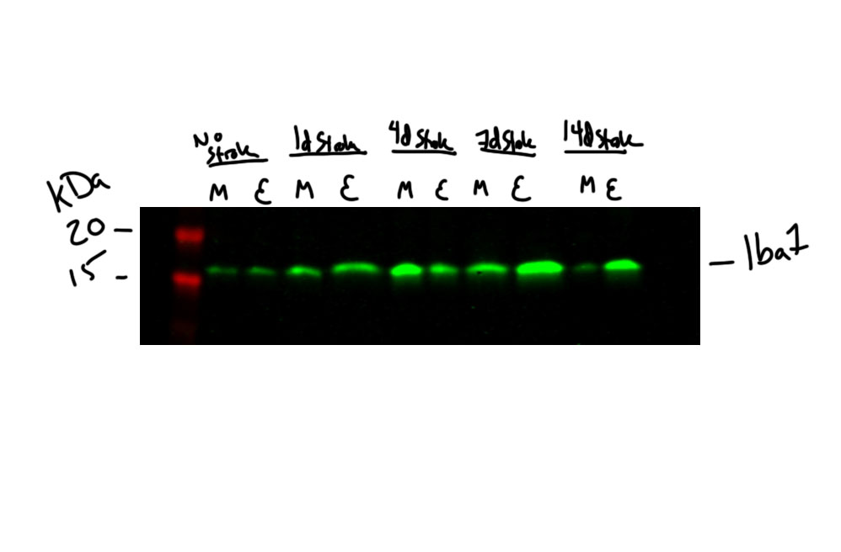
 |  |  |  |  |  |  |  |  |  |  |  |  | Housekeeping gene |  | Novus Biologicals anti-GAPDH 680 dylight (NB600-502FR)
 |  |  |  |  |  |  |  |  |  |  |  |  |  |  |  | .

 |  |  |  |  |  |  |  |  |  |  |  |  | GAPDH imaging from Figure 3d - Blot was cut at the 25 kda line

Figure 7c
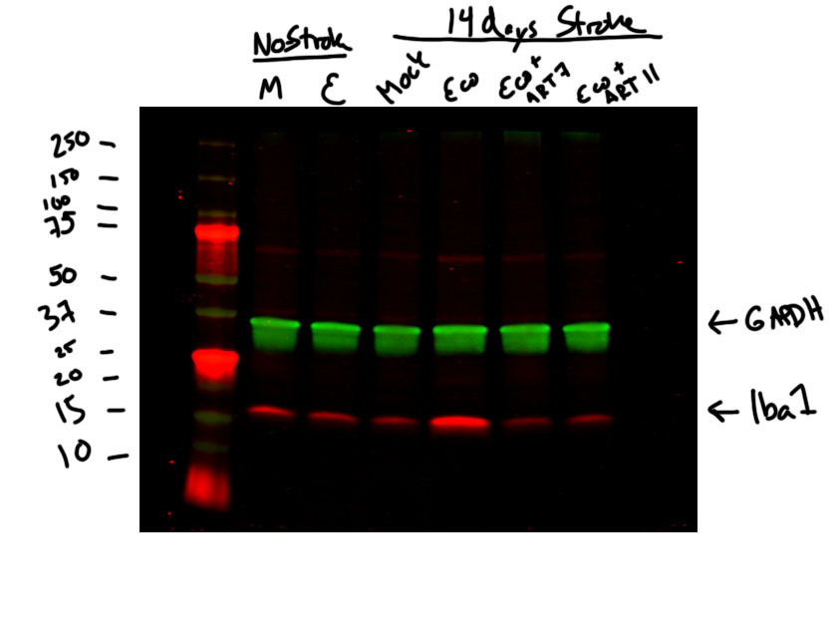
Figure 7c

Iba1 protein levels ipslateral hemisphere Day 14 post-stroke
Mock | EcoHIV | Mock - 14d | EcoHIV - 14d | ART7 - 14d | ART11 - 14d
1.402338 | 1.000706 | 0.55046 | 4.804469 | 1.27977 | 1.556938
0.597662 | 0.842128 | 0.823203 | 3.883731 | 0.479376 | 2.651088
0.885319 | 1.12358 | 0.90999 | 1.389183 | 0.683976 | 2.210538
1.063258 | 0.7852649 | 0.90999 | 2.70968 | 1.193702 | 1.590717
1.120256 | 0.92183 | 1.892563 | 24.43183 | 0.398298 | 1.231403
 |  | 0.870781 | 3.4472 | 1.180768 | 0.599163 | Antibody used | Abcam Iba1 rabbit (ab178846)
 |  | 0.689416 | 1.278345 |  |  | Secondary | Licor Donkey anti-rabbit 800cw 926-32213
 |  | 0.912425 | 5.120462
 |  | 0.744059 |  |  |  | Housekeeping gene |  | Novus Biologicals anti-GAPDH 680 dylight (NB600-502FR)
 |  | 2.466914 |  |  |  |  |  |  | .
 |  | 1.786682

Figure 7d
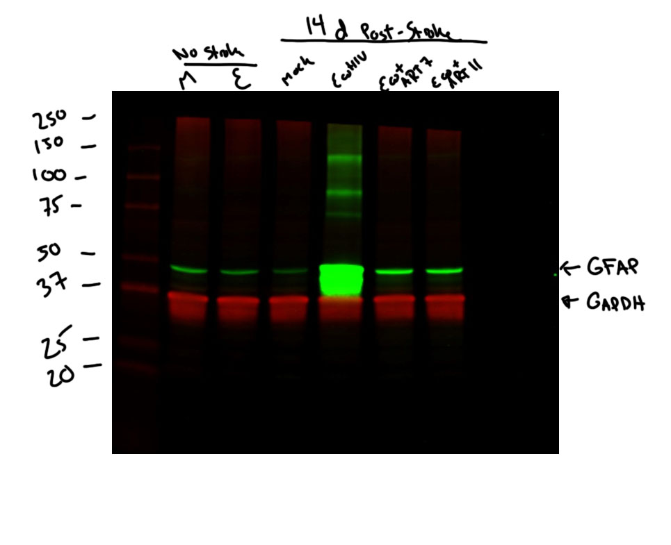
Figure 7d

GFAP protein levels ipslateral hemisphere Day 14 post-stroke
Mock | EcoHIV | Mock - 14d | EcoHIV - 14d | ART7 - 14d | ART11 - 14d
0.933318 | 0.18947 | 0.233394 | 108.3766 | 1.870732 | 4.153206
1.066682 | 0.108022 | 0.393787 | 11.45608 | 0.01903 | 3.108676
1.357963 | 0.23598 | 0.432399 | 4.017425 | 1.84067 | 1.240603
0.8732569 | 0.151354 | 1.086369 | 80.1991 | 5.412947 | 0.941862
0.9032456 | 0.12583 | 14.7173 | 24.8673 | 1.019829 | 1.092024
 |  | 4.535604 | 4.945187 | 11.29513 |  | Antibody used | Cell Signaling GFAP rabbit (12389)
 |  | 0.205603 | 2.179231 |  |  | Secondary | Licor Donkey anti-rabbit 800cw 926-32213
 |  | 0.307499 | 17.3594
 |  | 0.352075 |  |  |  | Housekeeping gene |  | Novus Biologicals anti-GAPDH 680 dylight (NB600-502FR)
 |  | 3.659695 |  |  |  |  |  |  | .
 |  | 2.679198

Figure 7e
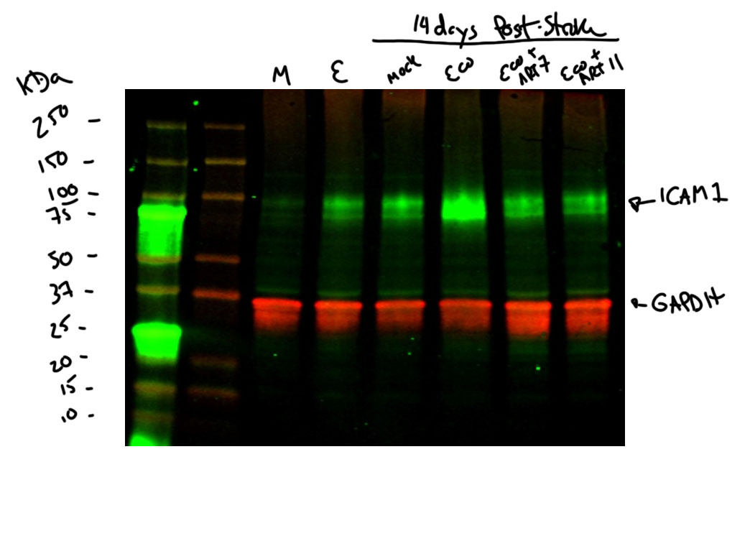
Figure 7e

ICAM1 protein levels ipslateral hemisphere Day 14 post-stroke
Mock | EcoHIV | Mock - 14d | EcoHIV - 14d | ART7 - 14d | ART11 - 14d
1.587936 | 5.86446 | 4.319563 | 15.41576 | 12.11053 | 9.902719
0.412064 | 1.602352 | 5.577903 | 10.92805 | 2.979765 | 5.05081
0.85431 | 1.123 | 4.876414 | 11.42561 | 7.860874 | 4.458435
1.113267 | 3.39786 | 2.942789 | 13.02717 | 7.201012 | 4.127479 | Antibody used | Abcam ICAM1 rabbit antibody ab179707
1.035843 | 6.58631 | 10.61305 | 21.76756 | 2.719923 | 2.223002 | Secondary | Licor Donkey anti-rabbit 800cw 926-32213
 |  | 6.486631 | 9.176807 | 8.077361
 |  | 9.053483 | 13.75267 | 5.729688 |  | Housekeeping gene |  | Novus Biologicals anti-GAPDH 680 dylight (NB600-502FR)
 |  | 9.186173 |  |  |  |  |  |  | .
 |  | 6.83681
 |  | 19.65052
 |  | 6.936527

