Figure1b
Figure 1b

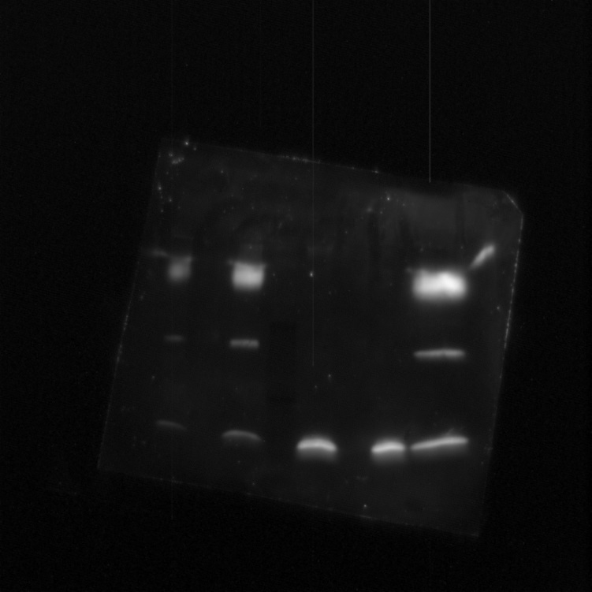

Ex Cy3 Em Cy5

α-LecB

1
2
3
4
5
6
7
1
2
3
4
5
6
7

11.9 KDa
15 KDa
10 KDa

1, 2 and 7 - ΔlecB pJNlecB 1% arabinose cell lysate
3- Precision Plus dual color molecular weight
4- Affinity purified LecB
5- Co-IP without Psl
6- Co-IP with Psl

figure 1c
Figure 1c

α-Psl

1
2
3
4
5
6
7

1- PTNA + a-LecB + Psl (No LecB)
2- PTNA + a-LecB + LecB + Psl
3- Purified Psl
4- ΔwspF crude polysaccharide preciptate
1- PTNG + a-LecB + Psl (No LecB)
2- PTNG + a-LecB + LecB + Psl
3- Purified Psl

Figure 7c
Figure 7c

α-Psl

1
2
1
3
4

5
6
7
8

 | 1-PAO1 ΔlecB pJNLecB No arabinose
 | 2-PAO1 ΔlecB pJNLecB No arabinose 1:10
 | 3-PAO1 ΔlecB pJNLecB No arabinose 1:20
 | 4-PAO1 ΔlecB pJNLecB No arabinose 1:100
 | 5-PAO1 ΔlecB pJNLecB 0.2% arabinose
 | 6-PAO1 ΔlecB pJNLecB 0.2% arabinose 1:10
 | 7-PAO1 ΔlecB pJNLecB 0.2% arabinose 1:20
 | 8-PAO1 ΔlecB pJNLecB 0.2% arabinose 1:100

Figure S5
Figure S5

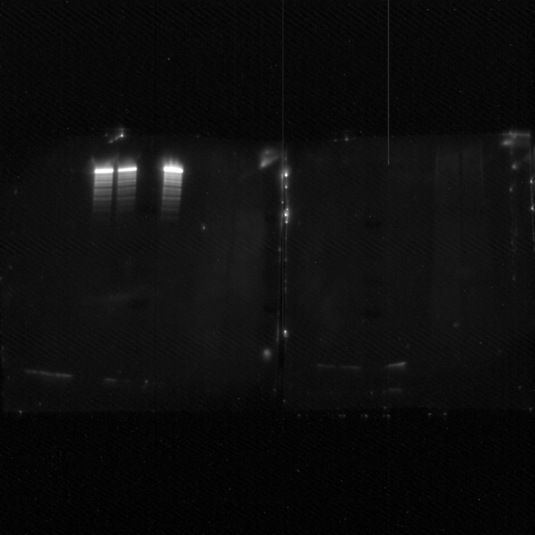
Figure S3a - α- CdrA
Figure S3b - α- LecB
Figure S3a - Molecular Weight Ex Cy3 Em Cy5
Figure S3a - Molecular Weight Ex Cy3 Em Cy5

1
2
3
4
5
6
7
8
9
10
6
7
8
9
10
1
2
3
4
5
175 KDa
250 KDa
150 KDa

100 KDa
75 KDa

11.9 KDa
15 KDa
10 KDa

 | 1- PAO1 grown in LB
 | 2- PAO1 grown in NB
 | 3- PAO1 ΔcdrA grown in LB
 | 4- Purified CdrA
 | 5- Precision Plus dual color molecular weight
 | 6- PAO1 grown in LB
 | 7- PAO1 grown in NB
 | 8- PAO1 ΔlecB grown in LB
 | 9- Purified LecB
 | 10- Precision Plus dual color molecular weight

Figure S7
Figure S7

1
2
3
4
5
6

 | 1-PAO1 ΔlecB pJNLecB No arabinose
 | 2-PAO1 ΔlecB pJNLecB No arabinose 1:10
 | 3-PAO1 ΔlecB pJNLecB No arabinose 1:20
 | 4-PAO1 ΔlecB pJNLecB 0.2% arabinose
 | 5-PAO1 ΔlecB pJNLecB 0.2% arabinose 1:10
 | 6-PAO1 ΔlecB pJNLecB 0.2% arabinose 1:20

