Fig.1
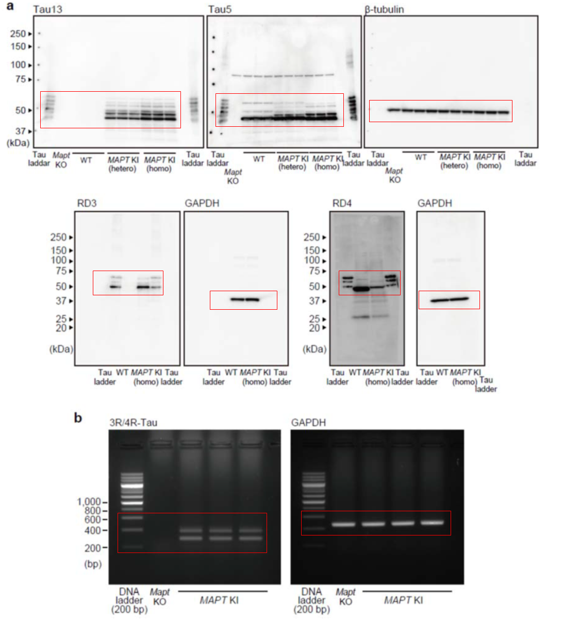
Fig.1c
 | Density |  |  | Relative expression
 |  | 3R/GAPDH | 4R/GAPDH |  | 3R/GAPDH | 4R/GAPDH |  | 4R-tau/3R-tau
 | #1 | 1.644 | 1.312 | #1 | 0.916 | 0.731 | #1 | 0.79773589114
 | #2 | 1.517 | 1.206 | #2 | 0.845 | 0.672 | #2 | 0.79508788827
 | #3 | 1.411 | 1.048 | #3 | 0.786 | 0.584 | #3 | 0.74271205567
 | #4 | 2.038 | 0.858 | #4 | 1.136 | 0.478 | #4 | 0.42104828354
 | #5 | 1.842 | 1.174 | #5 | 1.026 | 0.654 | #5 | 0.63735070575
 | #6 | 2.315 | 1.092 | #6 | 1.290 | 0.979 | #6 | 0.75913242218

 | ave | 1.795 | 1.115 | ave | 1.000 | 0.683 | ave | 0.692
 | sem | 0.152 | 0.070 | sem | 0.085 | 0.076 | sem | 0.065

Fig.2a
Hippocampus | Cortex
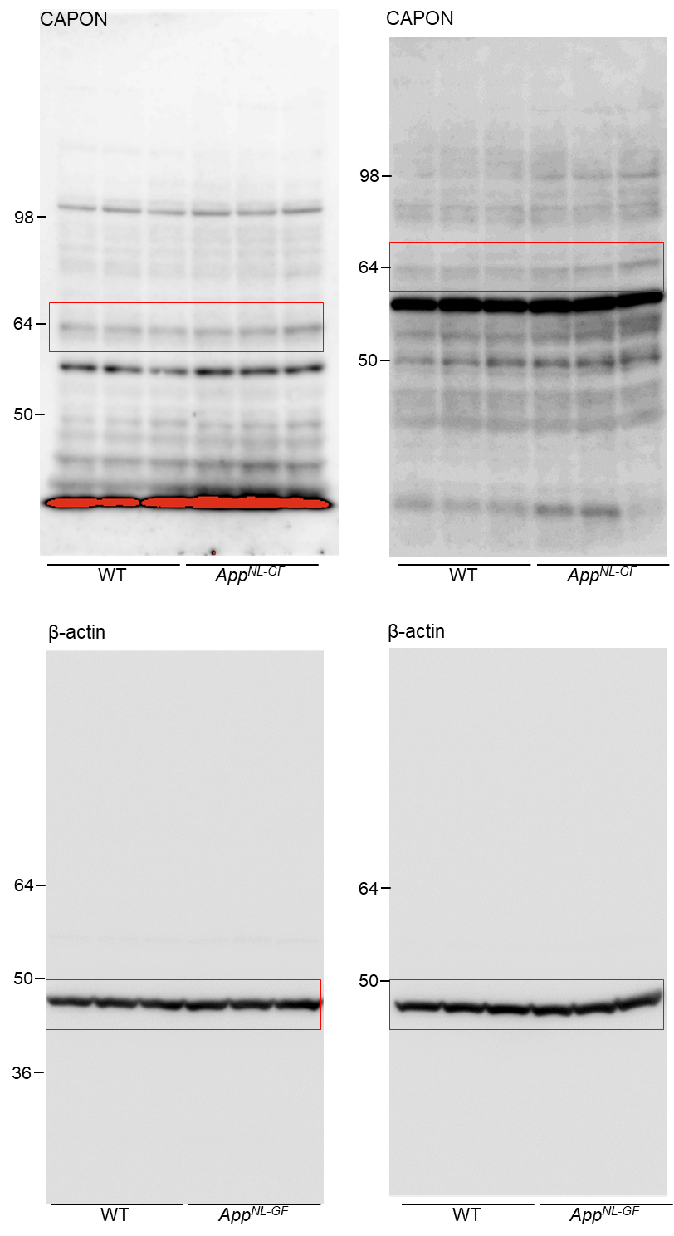
 |  | Fig.2a (Hippocampus) |  |  | intensity (CAPON) | intensity (actin) | CAPON/actin | fold of WT-Ave | Ave | SEM | TTEST
 |  |  | WT | 1 | 16400 | 115000 | 0.1426 | 1.1037 | 1.0000 | 0.07079 | 0.0118
 |  |  |  | 2 | 15600 | 113000 | 0.1381 | 1.0685
 |  |  |  | 3 | 12300 | 115000 | 0.1070 | 0.8278
 |  |  | NLGF | 1 | 19500 | 112000 | 0.1741 | 1.3475 | 1.4779 | 0.05385
 |  |  |  | 2 | 20700 | 105000 | 0.1971 | 1.5258
 |  |  |  | 3 | 25000 | 124000 | 0.2016 | 1.5604

 |  | Fig.2a (Cortex) |  |  | intensity (CAPON) | intensity (actin) | CAPON/actin | fold of WT-Ave | Ave | SEM | TTEST
 |  |  | WT | 1 | 102000 | 208000 | 0.2457 | 0.9715 | 1.0000 | 0.01196 | 0.0002
 |  |  |  | 2 | 107000 | 211000 | 0.2580 | 1.0202
 |  |  |  | 3 | 111000 | 217000 | 0.2549 | 1.0082
 |  |  | NLGF | 1 | 125000 | 216000 | 0.3049 | 1.2058 | 1.2092 | 0.00456
 |  |  |  | 2 | 124000 | 217000 | 0.3085 | 1.2201
 |  |  |  | 3 | 128000 | 248000 | 0.3038 | 1.2017

Fig.2c
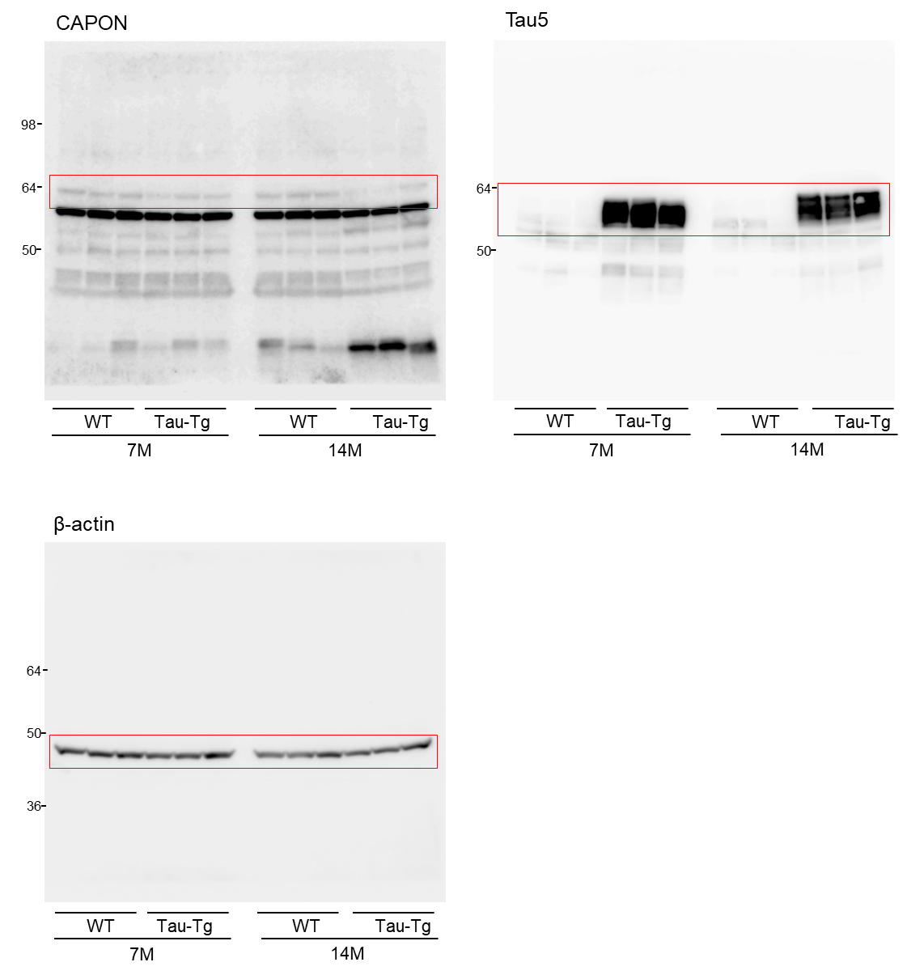
Fig.2c |  |  |  | intensity (CAPON) | intensity (actin) | CAPON/actin | fold of 7M WT-Ave | Ave | SEM | TTEST
 | 7M | WT | 1 | 9310 | 109000 | 0.0854 | 1.2115 | 1.0000 | 0.08934 | 0.1387
 |  |  | 2 | 5180 | 86900 | 0.0596 | 0.8455
 |  |  | 3 | 6310 | 94900 | 0.0665 | 0.9431
 |  | NLGF | 1 | 3330 | 71600 | 0.0465 | 0.6597 | 0.6862 | 0.10626
 |  |  | 2 | 5060 | 77700 | 0.0651 | 0.9237
 |  |  | 3 | 3920 | 117000 | 0.0335 | 0.4752
 | 14M | WT | 1 | 6690 | 78500 | 0.0852 | 1.2088 | 1.2423 | 0.14892 | 0.0163
 |  |  | 2 | 6590 | 59400 | 0.1109 | 1.5736
 |  |  | 3 | 5560 | 83500 | 0.0666 | 0.9444
 |  | NLGF | 1 | 1540 | 63200 | 0.0244 | 0.3456 | 0.4004 | 0.08708
 |  |  | 2 | 1160 | 66000 | 0.0176 | 0.2493
 |  |  | 3 | 5130 | 120000 | 0.0428 | 0.6063

Fig.3b
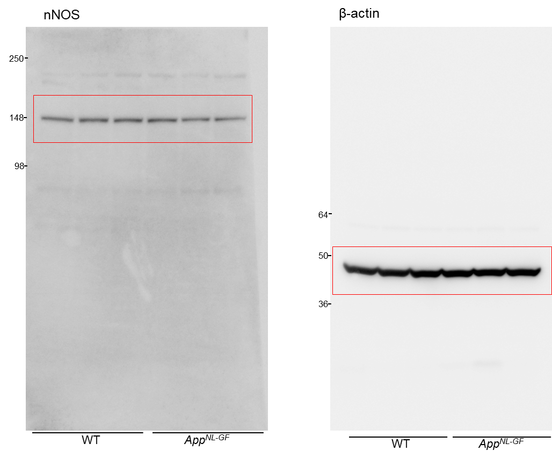
Fig.3b |  |  | intensity (CAPON) | intensity (actin) | CAPON/actin | fold of WT-Ave | Ave | SEM | TTEST
 | WT | 1 | 25900 | 179000 | 0.14469273743 | 0.9900 | 1.0000 | 0.01872 | 0.2433
 |  | 2 | 27000 | 177000 | 0.15254237288 | 1.0438
 |  | 3 | 25700 | 182000 | 0.14120879121 | 0.9662
 | NLGF | 1 | 27000 | 174000 | 0.15517241379 | 1.0617 | 0.8532 | 0.08562
 |  | 2 | 19200 | 171000 | 0.11228070175 | 0.7683
 |  | 3 | 19300 | 181000 | 0.10662983425 | 0.7296

Fig.4g
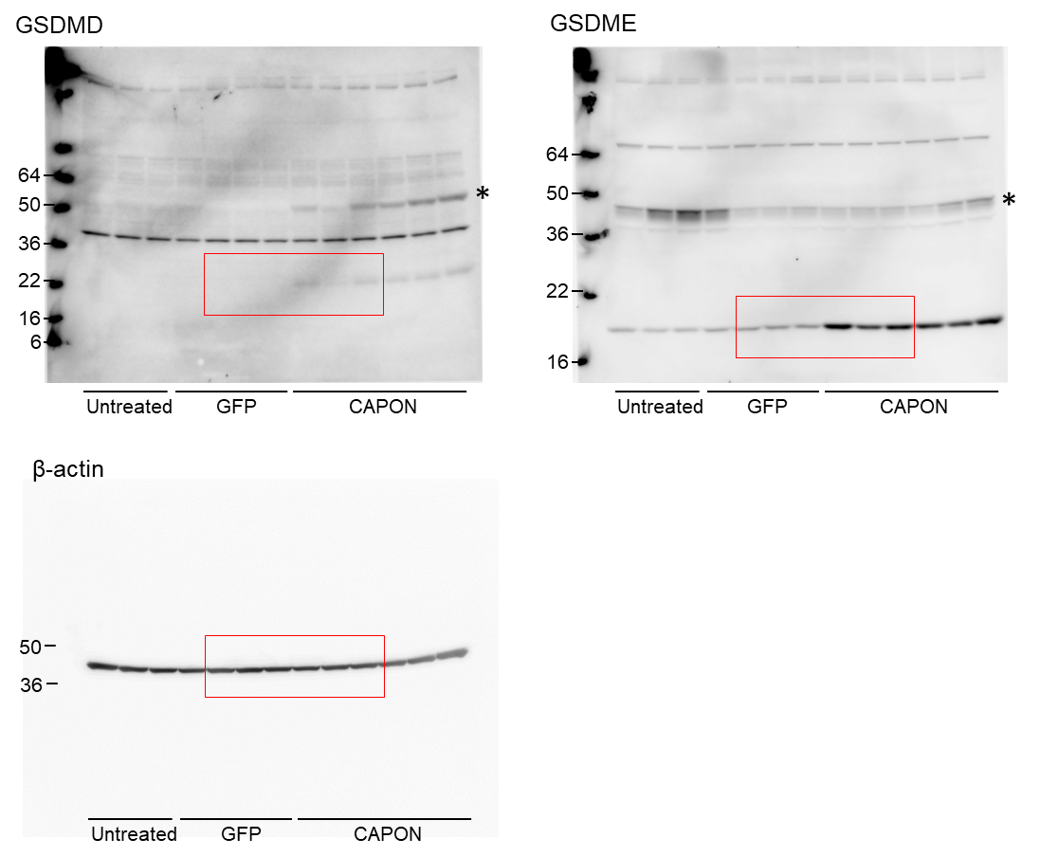
Fig.4g (GSDME) |  |  | intensity (GSDME) | intensity (actin) | GSDME/actin | fold of GFP-Ave | Ave | SEM | TTEST
 | Untreated | 1 | 23600 | 144000 | 0.16388888889 | 0.7544 | 0.6789 | 0.0664
 |  | 2 | 14700 | 131000 | 0.11221374046 | 0.5165
 |  | 3 | 19800 | 119000 | 0.16638655462 | 0.7659
 | GFP | 1 | 21500 | 107000 | 0.20093457944 | 0.9249 | 1.0000 | 0.0350 | 7.3715219191E-05
 |  | 2 | 24900 | 115000 | 0.21652173913 | 0.9966
 |  | 3 | 23700 | 113000 | 0.20973451327 | 0.9654
 |  | 4 | 26600 | 110000 | 0.24181818182 | 1.1131
 | CAPON | 1 | 110000 | 95700 | 1.1494252874 | 5.2907 | 4.0844 | 0.3021
 |  | 2 | 69500 | 107000 | 0.64953271028 | 2.9898
 |  | 3 | 96900 | 100000 | 0.969 | 4.4603
 |  | 4 | 87700 | 103000 | 0.85145631068 | 3.9192
 |  | 5 | 78400 | 104000 | 0.75384615385 | 3.4699
 |  | 6 | 116000 | 122000 | 0.95081967213 | 4.3766
 |  |  |  |  | 0.21725225342

Fig.4g (GSDMD) |  |  | intensity (GSDMD) | intensity (actin) | GSDMD/actin | fold of CAPON-Ave | Ave | SEM | TTEST
 | Untreated | 1 |  | 144000 | 0 | 0.0000 | 0.0000 | 0.0000
 |  | 2 |  | 131000 | 0 | 0.0000
 |  | 3 |  | 119000 | 0 | 0.0000
 | GFP | 1 |  | 107000 | 0 | 0.0000 | 0.0000 | 0.0000 | 0.0012
 |  | 2 |  | 115000 | 0 | 0.0000
 |  | 3 |  | 113000 | 0 | 0.0000
 |  | 4 |  | 110000 | 0 | 0.0000
 | CAPON | 1 | 8780 | 95700 | 0.091745036573 | 1.2382 | 1.0000 | 0.1501
 |  | 2 | 3260 | 107000 | 0.03046728972 | 0.4112
 |  | 3 | 4720 | 100000 | 0.0472 | 0.6370
 |  | 4 | 8000 | 103000 | 0.077669902913 | 1.0483
 |  | 5 | 9030 | 104000 | 0.086826923077 | 1.1718
 |  | 6 | 13500 | 122000 | 0.1106557377 | 1.4935
 |  |  |  |  | #REF!

Fig.5b
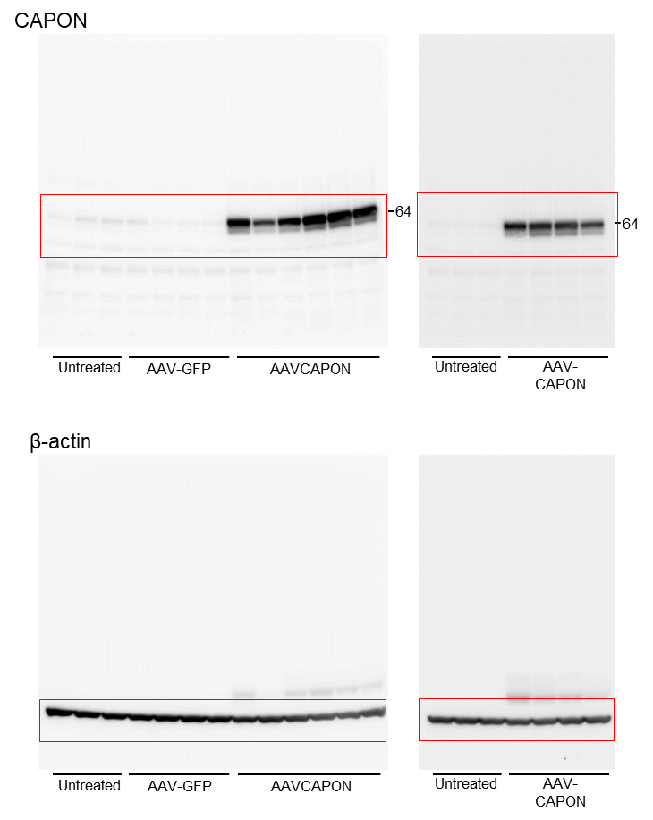

Fig.6b

Cytochrome C
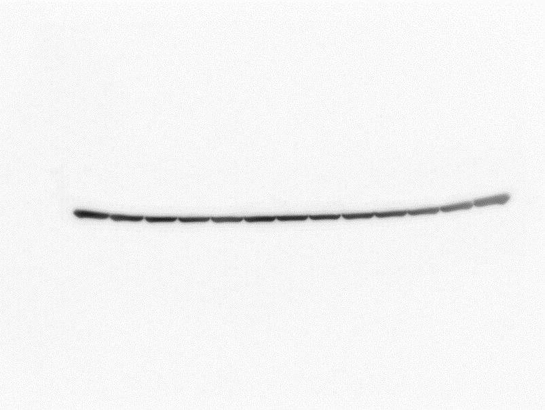
β-actin
Fig.6b |  |  | intensity (CytC) | intensity (actin) | CytC/actin | fold of GFP-Ave | Ave | SEM | TTEST
 | Untreated | 1 | 91700 | 144000 | 0.6368 | 0.7654 | 0.8067 | 0.0586
 |  | 2 | 77200 | 131000 | 0.5893 | 0.7084
 |  | 3 | 93700 | 119000 | 0.7874 | 0.9464
 | GFP | 1 | 89800 | 107000 | 0.8393 | 1.0088 | 1.0000 | 0.0161 | 0.0309
50
 |  | 2 | 92700 | 115000 | 0.8061 | 0.9689
36
36
 |  | 3 | 91500 | 113000 | 0.8097 | 0.9733
 |  | 4 | 96000 | 110000 | 0.8727 | 1.0490
22
 | CAPON | 1 | 101000 | 95700 | 1.0554 | 1.2686 | 1.1607 | 0.0436
16
6
 |  | 2 | 98900 | 107000 | 0.9243 | 1.1110
 |  | 3 | 89000 | 100000 | 0.8900 | 1.0698
Untreated GFP CAPON
Untreated GFP CAPON
 |  | 4 | 88200 | 103000 | 0.8563 | 1.0293
 |  | 5 | 100000 | 104000 | 0.9615 | 1.1558
 |  | 6 | 135000 | 122000 | 1.1066 | 1.3301

Fig.6e
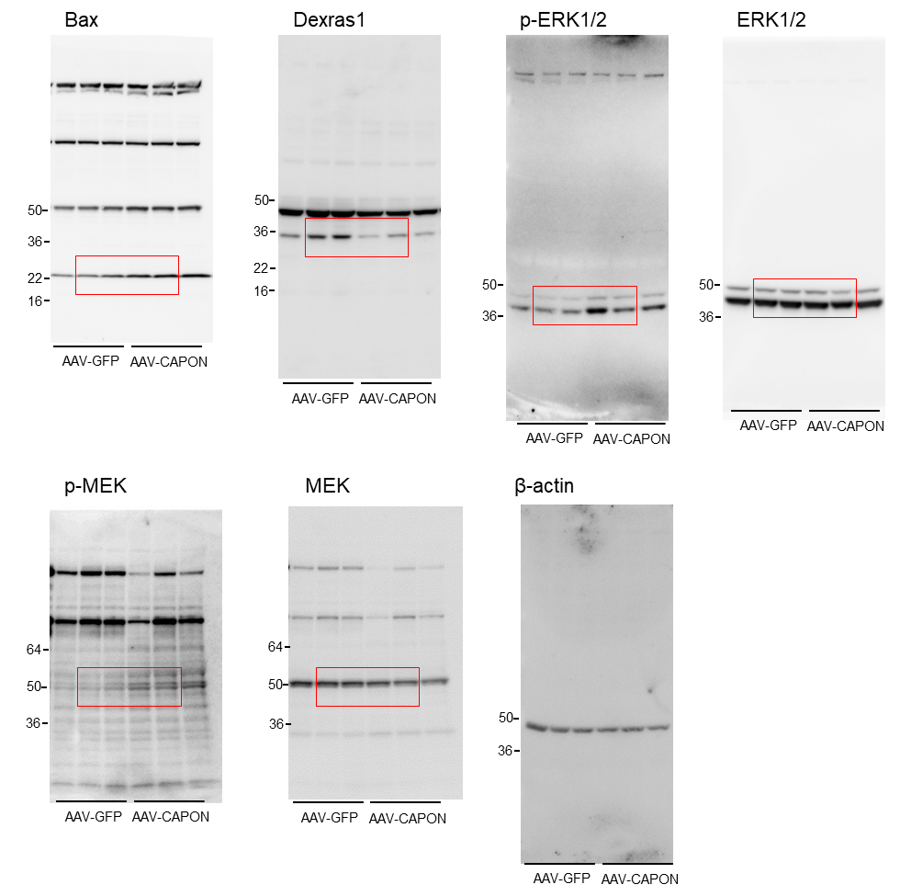
Fig.6e (Bax) |  |  | intensity (Bax) | intensity (actin) | Bax/actin | fold of GFP-Ave | Ave | SEM | TTEST
 | GFP | 1 | 49400 | 177000 | 0.2791 | 0.8002 | 1.0000 | 0.10741 | 0.0032
 |  | 2 | 55100 | 166000 | 0.3319 | 0.9517
 |  | 3 | 72700 | 167000 | 0.4353 | 1.2481
 | CAPON | 1 | 101000 | 161000 | 0.6273 | 1.7986 | 1.9209 | 0.04999
 |  | 2 | 104000 | 150000 | 0.6933 | 1.9879
 |  | 3 | 122000 | 177000 | 0.6893 | 1.9762

Fig.6e (Dexras1) |  |  | intensity (Dexras1) | intensity (actin) | Dexras1/actin | fold of GFP-Ave | Ave | SEM | TTEST
 | GFP | 1 | 49700 | 34000 | 1.4618 | 0.6215 | 1.0000 | 0.15562 | 0.0479
 |  | 2 | 69800 | 25800 | 2.7054 | 1.1503
 |  | 3 | 72800 | 25200 | 2.8889 | 1.2283
 | CAPON | 1 | 16600 | 24500 | 0.6776 | 0.2881 | 0.4258 | 0.05878
 |  | 2 | 32600 | 26100 | 1.2490 | 0.5310
 |  | 3 | 22200 | 20600 | 1.0777 | 0.4582

Fig.6e (p-ERK) |  |  | intensity (p-ERK) | intensity (ERK) | pERK/ERK | fold of GFP-Ave | Ave | SEM | TTEST
 | GFP | 1 | 17000 | 14492.983 | 1.1730 | 0.9091 | 1.0000 | 0.04405 | 0.0081
 |  | 2 | 18000 | 14018.61 | 1.2840 | 0.9951
 |  | 3 | 17000 | 12023.64 | 1.4139 | 1.0958
 | CAPON | 1 | 46000 | 13522.489 | 3.4017 | 2.6364 | 2.2109 | 0.19739
 |  | 2 | 25800 | 11112.79 | 2.3216 | 1.7993
 |  | 3 | 36400 | 12840.983 | 2.8347 | 2.1969

Fig.6e (p-MEK) |  |  | intensity (p-MEK) | intensity (MEK) | pMEK/MEK | fold of GFP-Ave | Ave | SEM | TTEST
 | GFP | 1 | 8240 | 46100 | 0.1787 | 0.7673 | 1.0000 | 0.09510 | 0.0155
 |  | 2 | 10100 | 39200 | 0.2577 | 1.1061
 |  | 3 | 11100 | 42300 | 0.2624 | 1.1265
 | CAPON | 1 | 17400 | 36200 | 0.4807 | 2.0635 | 2.6700 | 0.32333
 |  | 2 | 17400 | 29500 | 0.5898 | 2.5322
 |  | 3 | 27200 | 34200 | 0.7953 | 3.4144

Fig.7b
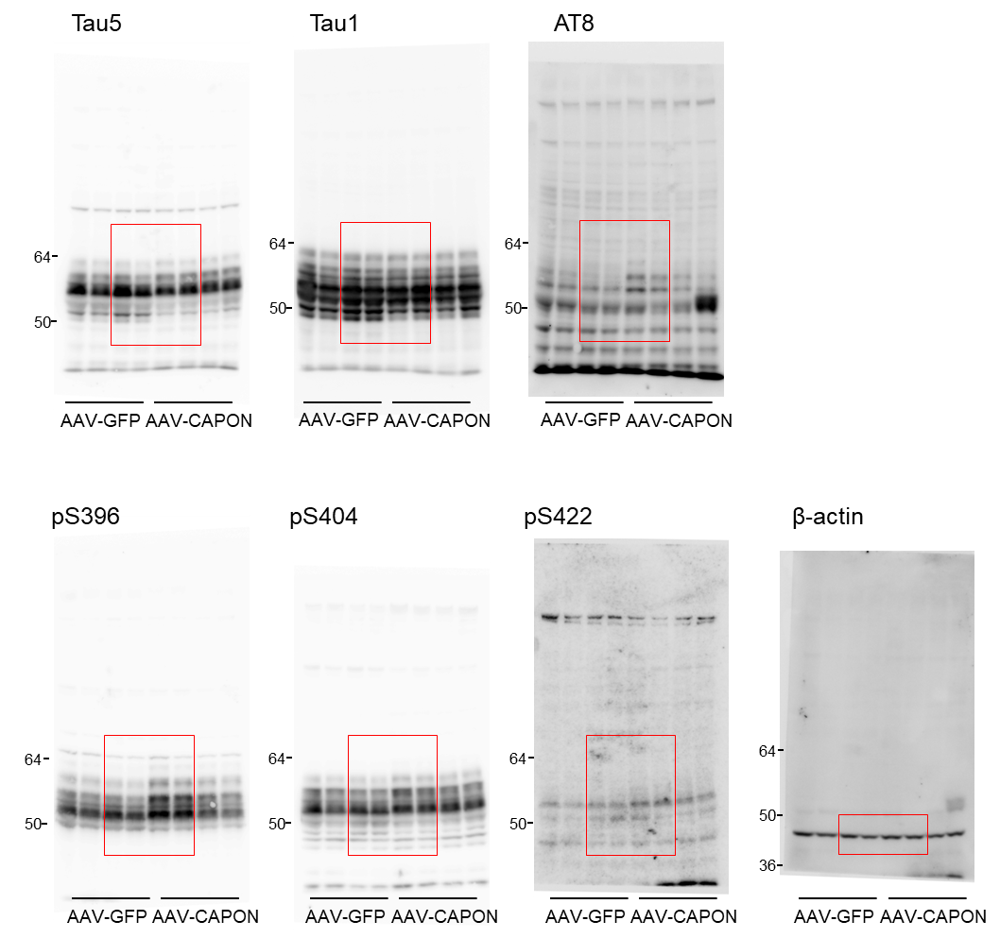
Fig.7b (Tau5) |  |  | intensity (Tau5) | intensity (actin) | Tau5/actin | fold of GFP-Ave | Ave | SEM | TTEST
 | GFP | 1 | 11406 | 5850 | 1.9497 | 0.7920 | 1.0000 | 0.0655 | 0.3178
 |  | 2 | 10713 | 4420 | 2.4238 | 0.9846
 |  | 3 | 13005 | 4700 | 2.7671 | 1.1241
 |  | 4 | 9579 | 3540 | 2.7059 | 1.0992
 | CAPON | 1 | 11189 | 5170 | 2.1641 | 0.8791 | 0.9002 | 0.0448
 |  | 2 | 8412 | 4340 | 1.9383 | 0.7874
 |  | 3 | 8455 | 3310 | 2.5544 | 1.0377
 |  | 4 | 9069 | 4110 | 2.2066 | 0.8964

Fig.7b (AT8) |  |  | intensity (AT8) | intensity (actin) | AT8/actin | fold of GFP-Ave | Ave | SEM | TTEST
 | GFP | 1 | 5260 | 5850 | 0.8991 | 1.0328 | 1.0000 | 0.1121 | 0.0008
 |  | 2 | 5170 | 4420 | 1.1697 | 1.3435
 |  | 3 | 3630 | 4700 | 0.7723 | 0.8871
 |  | 4 | 2270 | 3540 | 0.6412 | 0.7366
 | CAPON | 1 | 14300 | 5170 | 2.7660 | 3.1771 | 2.5559 | 0.1865
 |  | 2 | 9510 | 4340 | 2.1912 | 2.5169
 |  | 3 | 6530 | 3310 | 1.9728 | 2.2660
 |  | 4 | 8100 | 4110 | 1.9708 | 2.2637

Fig.7b (Tau1) |  |  | intensity (Tau1) | intensity (actin) | Tau1/actin | fold of GFP-Ave | Ave | SEM | TTEST
 | GFP | 1 | 450000 | 5850 | 76.9231 | 1.0144 | 1.0000 | 0.0496 | 0.4829
 |  | 2 | 281000 | 4420 | 63.5747 | 0.8384
 |  | 3 | 371000 | 4700 | 78.9362 | 1.0409
 |  | 4 | 297000 | 3540 | 83.8983 | 1.1064
 | CAPON | 1 | 311000 | 5170 | 60.1547 | 0.7933 | 1.0899 | 0.0916
 |  | 2 | 368000 | 4340 | 84.7926 | 1.1181
 |  | 3 | 290000 | 3310 | 87.6133 | 1.1553
 |  | 4 | 403000 | 4110 | 98.0535 | 1.2930

Fig.7b (pS396) |  |  | intensity (pS396) | intensity (actin) | pS396/actin | fold of GFP-Ave | Ave | SEM | TTEST
 | GFP | 1 | 134000 | 5850 | 22.9060 | 0.8849 | 1.0000 | 0.0518 | 0.0018
 |  | 2 | 104000 | 4420 | 23.5294 | 0.9089
 |  | 3 | 133000 | 4700 | 28.2979 | 1.0931
 |  | 4 | 102000 | 3540 | 28.8136 | 1.1131
 | CAPON | 1 | 311000 | 5170 | 60.1547 | 2.3238 | 1.9546 | 0.1468
 |  | 2 | 201000 | 4340 | 46.3134 | 1.7891
 |  | 3 | 183000 | 3310 | 55.2870 | 2.1357
 |  | 4 | 167000 | 4110 | 40.6326 | 1.5696

Fig.6b (pS404) |  |  | intensity (pS404) | intensity (actin) | pS404/actin | fold of GFP-Ave | Ave | SEM | TTEST
 | GFP | 1 | 407000 | 5850 | 69.5726 | 0.8371 | 1.0000 | 0.0495 | 0.0070
 |  | 2 | 382000 | 4420 | 86.4253 | 1.0399
 |  | 3 | 431000 | 4700 | 91.7021 | 1.1034
 |  | 4 | 300000 | 3540 | 84.7458 | 1.0197
 | CAPON | 1 | 561000 | 5170 | 108.5106 | 1.3056 | 1.5510 | 0.1081
 |  | 2 | 493000 | 4340 | 113.5945 | 1.3668
 |  | 3 | 490000 | 3310 | 148.0363 | 1.7812
 |  | 4 | 598000 | 4110 | 145.4988 | 1.7506

Fig.6b (pS422) |  |  | intensity (pS422) | intensity (actin) | pS422/actin | fold of GFP-Ave | Ave | SEM | TTEST
 | GFP | 1 | 24000 | 5850 | 4.1026 | 1.0758 | 1.0000 | 0.0436 | 0.0086
 |  | 2 | 14500 | 4420 | 3.2805 | 0.8603
 |  | 3 | 19200 | 4700 | 4.0851 | 1.0713
 |  | 4 | 13400 | 3540 | 3.7853 | 0.9926
 | CAPON | 1 | 27500 | 5170 | 5.3191 | 1.3949 | 1.6028 | 0.1288
 |  | 2 | 24800 | 4340 | 5.7143 | 1.4985
 |  | 3 | 25800 | 3310 | 7.7946 | 2.0440
 |  | 4 | 23100 | 4110 | 5.6204 | 1.4739

Fig.7c
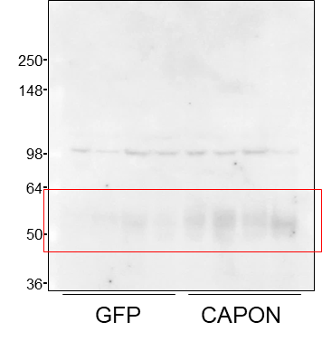
Fig.7c |  |  | intensity (Tau5) | fold of GFP-Ave | AVE | SEM | TTEST
 | GFP | 1 | 29900 | 1.57867 | 1.0000 | 0.3409 | 0.0174
 |  | 2 | 33500 | 1.76874
 |  | 3 | 8350 | 0.44087
 |  | 4 | 4010 | 0.21172
 | CAPON | 1 | 43000 | 2.27033 | 3.3857 | 0.5359
 |  | 2 | 48300 | 2.55016
 |  | 3 | 71000 | 3.74868
 |  | 4 | 94200 | 4.97360

Fig.7d
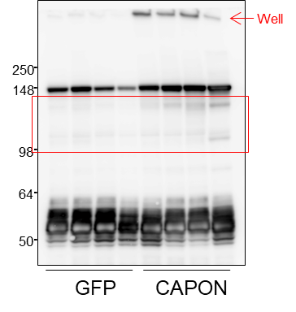
Fig.7d |  |  | intensity (Tau5) | fold of GFP-Ave | AVE | SEM | TTEST
 | GFP | 1 | 6580 | 0.56896 | 1.0000 | 0.1512 | 0.0003
 |  | 2 | 9980 | 0.86295
 |  | 3 | 14900 | 1.28837
 |  | 4 | 14800 | 1.27972
 | CAPON | 1 | 32500 | 2.81020 | 3.3982 | 0.2302
 |  | 2 | 44700 | 3.86511
 |  | 3 | 35700 | 3.08690
 |  | 4 | 44300 | 3.83052

Fig.7g
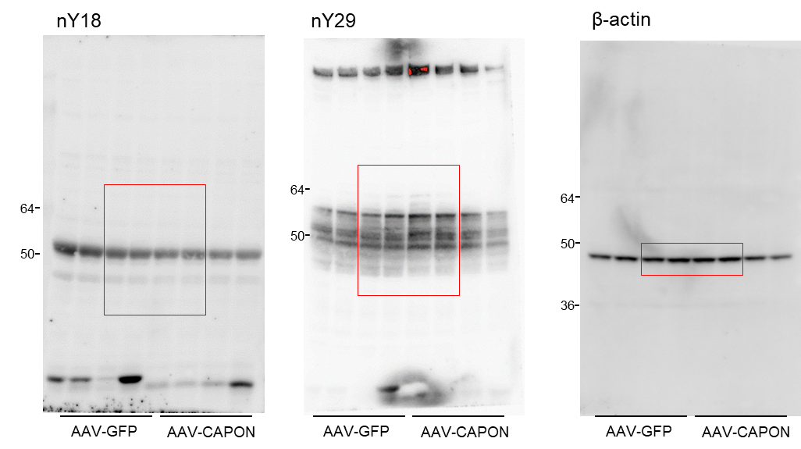
Fig.7g (nY18-Tau) |  |  | intensity (nY18) | intensity (actin) | nY18/actin | fold of GFP-Ave | Ave | SEM
 | GFP | 1 | 116000 | 7325 | 15.8360 | 1.4973 | 1.0000 | 0.1590 | 0.7379
 |  | 2 | 90300 | 8094 | 11.1560 | 1.0548
 |  | 3 | 74600 | 9387 | 7.9472 | 0.7514
 |  | 4 | 69800 | 9477 | 7.3654 | 0.6964
 | CAPON | 1 | 69300 | 9716 | 7.1324 | 0.6744 | 0.9181 | 0.1251
 |  | 2 | 65100 | 8826 | 7.3756 | 0.6974
 |  | 3 | 61500 | 5708 | 10.7738 | 1.0187
 |  | 4 | 67600 | 4986 | 13.5577 | 1.2819

Fig.7g (nY29-Tau) |  |  | intensity (nY29) | intensity (actin) | nY29/actin | fold of GFP-Ave | Ave | SEM
 | GFP | 1 | 191000 | 7325 | 26.0749 | 1.0520 | 1.0000 | 0.0163 | 0.0050
 |  | 2 | 201000 | 8094 | 24.8324 | 1.0018
 |  | 3 | 225000 | 9387 | 23.9695 | 0.9670
 |  | 4 | 230000 | 9477 | 24.2699 | 0.9792
 | CAPON | 1 | 323000 | 9716 | 33.2434 | 1.3412 | 1.4999 | 0.0991
 |  | 2 | 302000 | 8826 | 34.2157 | 1.3804
 |  | 3 | 260000 | 5708 | 45.5477 | 1.8376
 |  | 4 | 178000 | 4986 | 35.6993 | 1.4403

Fig.8a
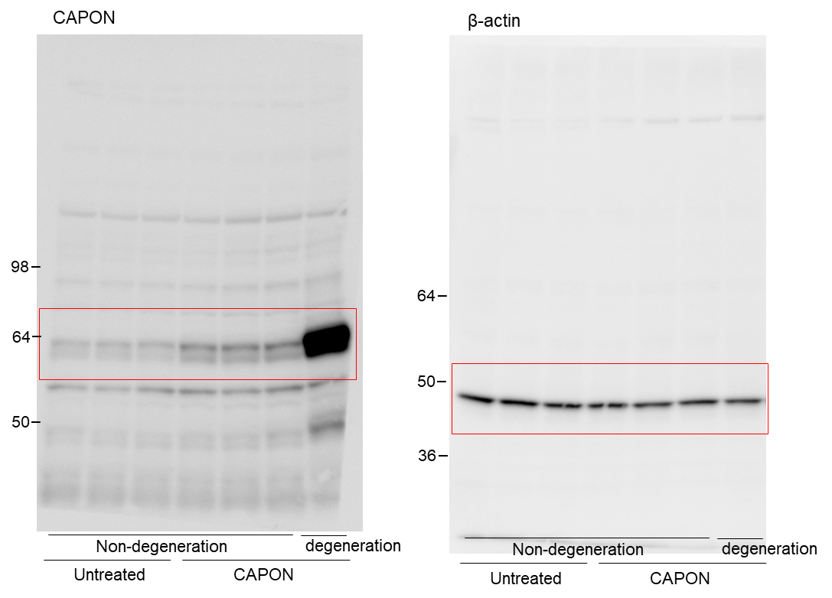

Fig.8e
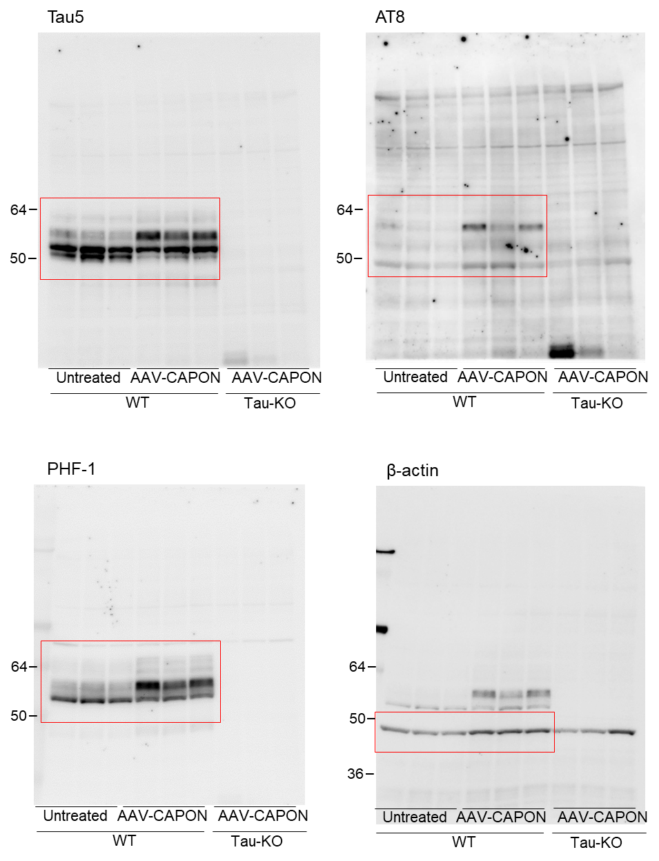
Fig.8e (Tau5) |  |  | intensity (Tau5) | intensity (actin) | Tau5/actin | fold of Untreated-Ave | Ave | SEM | TTEST
 | Untreated | 1 | 314000 | 90100 | 3.4850 | 0.8832 | 1.0000 | 0.05258 | 0.1960
 |  | 2 | 311000 | 71300 | 4.3619 | 1.1054
 |  | 3 | 253000 | 63400 | 3.9905 | 1.0113
 | CAPON | 1 | 307000 | 90500 | 3.3923 | 0.8597 | 0.8957 | 0.01593
 |  | 2 | 343000 | 93800 | 3.6567 | 0.9267
 |  | 3 | 344000 | 96800 | 3.5537 | 0.9006

Fig.8e (AT8) |  |  | intensity (AT8) | intensity (actin) | AT8/actin | fold of Untreated-Ave | Ave | SEM | TTEST
 | Untreated | 1 | 14100 | 90100 | 0.1565 | 1.6156 | 1.0000 | 0.25195 | 0.0431
 |  | 2 | 5040 | 71300 | 0.0707 | 0.7298
 |  | 3 | 4020 | 63400 | 0.0634 | 0.6546
 | CAPON | 1 | 43800 | 90500 | 0.4840 | 4.9966 | 3.6105 | 0.68403
 |  | 2 | 19100 | 93800 | 0.2036 | 2.1022
 |  | 3 | 35000 | 96800 | 0.3616 | 3.7328

Fig.8e (PHF1) |  |  | intensity (PHF1) | intensity (actin) | PHF1/actin | fold of Untreated-Ave | Ave | SEM | TTEST
 | Untreated | 1 | 183000 | 90100 | 2.0311 | 0.8043 | 1.0000 | 0.08109 | 0.0453
 |  | 2 | 203000 | 71300 | 2.8471 | 1.1275
 |  | 3 | 171000 | 63400 | 2.6972 | 1.0681
 | CAPON | 1 | 371000 | 90500 | 4.0994 | 1.6235 | 1.4162 | 0.08605
 |  | 2 | 303000 | 93800 | 3.2303 | 1.2793
 |  | 3 | 329000 | 96800 | 3.3988 | 1.3460

Fig.8h
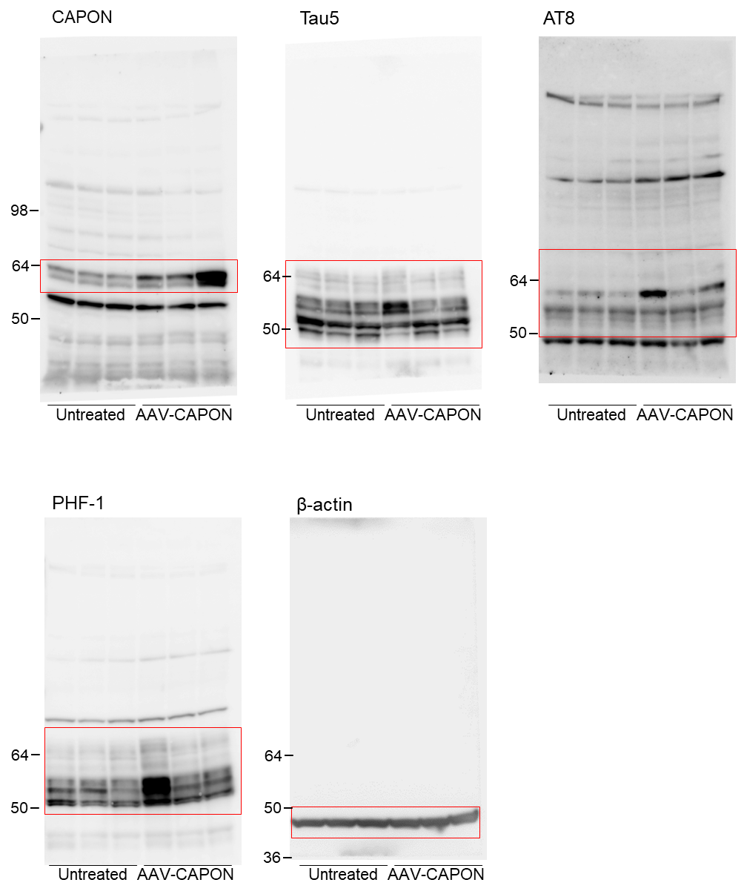
Fig.8h (Tau5) |  |  | intensity (Tau5) | intensity (actin) | Tau5/actin | fold of Untreated-Ave | Ave | SEM | TTEST
 | Untreated | 1 | 31953 | 134000 | 0.2385 | 1.0982 | 1.0000 | 0.04011 | 0.4923
 |  | 2 | 28527 | 138000 | 0.2067 | 0.9520
 |  | 3 | 29075 | 141000 | 0.2062 | 0.9497
 | CAPON | 1 | 32801 | 137000 | 0.2394 | 1.1027 | 1.1107 | 0.11279
 |  | 2 | 27632 | 94000 | 0.2940 | 1.3538
 |  | 3 | 25283 | 133000 | 0.1901 | 0.8755

Fig.8h (AT8) |  |  | intensity (AT8) | intensity (actin) | AT8/actin | fold of Untreated-Ave | Ave | SEM | TTEST
 | Untreated | 1 | 5560 | 134000 | 0.0415 | 0.9146 | 1.0000 | 0.13213 | 0.0487
 |  | 2 | 8220 | 138000 | 0.0596 | 1.3130
 |  | 3 | 4940 | 141000 | 0.0350 | 0.7723
 | CAPON | 1 | 23200 | 137000 | 0.1693 | 3.7330 | 2.7686 | 0.49808
 |  | 2 | 6990 | 94000 | 0.0744 | 1.6392
 |  | 3 | 17700 | 133000 | 0.1331 | 2.9336

Fig.8h (PHF1) |  |  | intensity (PHF1) | intensity (actin) | PHF1/actin | fold of Untreated-Ave | Ave | SEM | TTEST
 | Untreated | 1 | 13146 | 134000 | 0.0981 | 1.0835 | 1.0000 | 0.04330 | 0.0596
 |  | 2 | 11265 | 138000 | 0.0816 | 0.9016
 |  | 3 | 12957 | 141000 | 0.0919 | 1.0149
 | CAPON | 1 | 29681 | 137000 | 0.2167 | 2.3928 | 1.8352 | 0.25787
 |  | 2 | 15433 | 94000 | 0.1642 | 1.8133
 |  | 3 | 15648 | 133000 | 0.1177 | 1.2994

Fig.9a
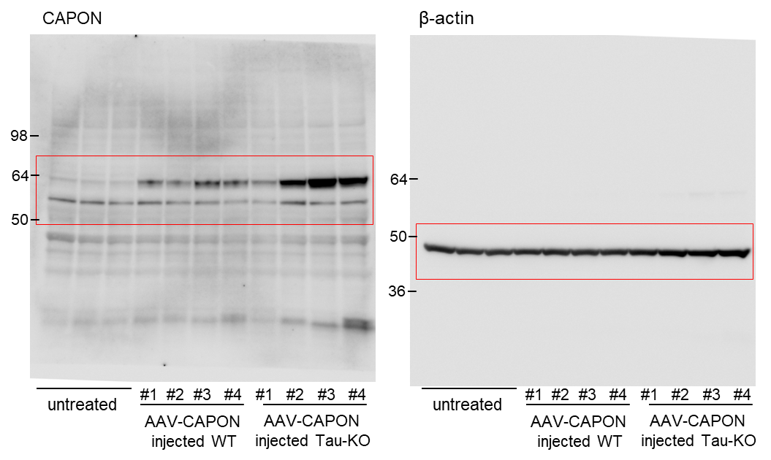

Fig.10a
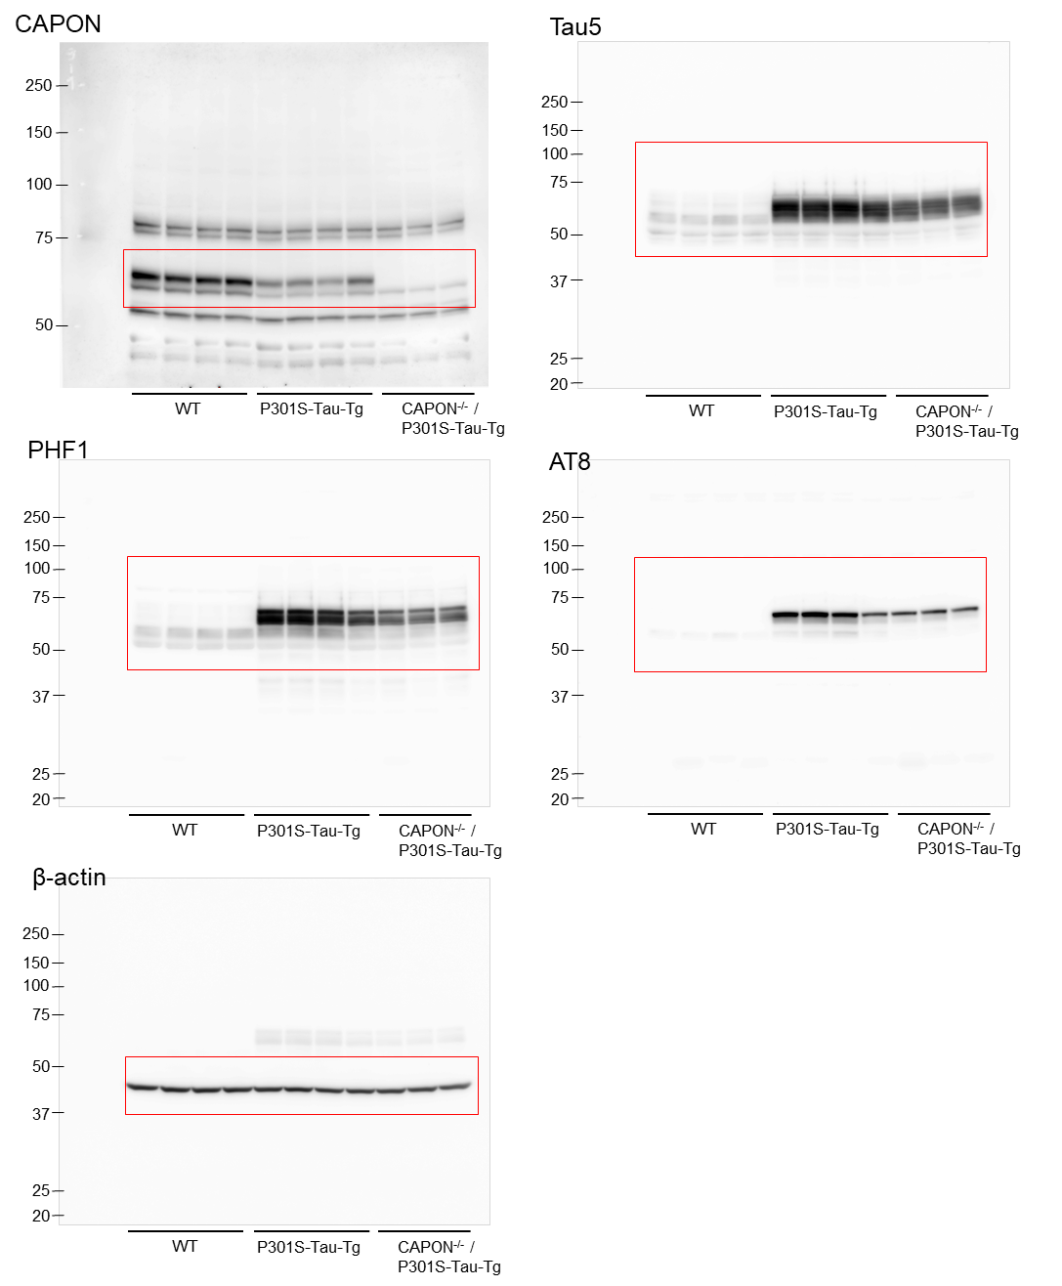
Fig.10a(Tau5) |  |  | intensity (Tau5) | intensity (actin) | Tau5/actin | fold of WT-Ave | Ave | SEM
 | WT | 1 | 104000 | 97500 | 1.0667 | 1.1481 | 1.0000 | 0.0694
 |  | 2 | 70500 | 94500 | 0.7460 | 0.8030
 |  | 3 | 94600 | 91600 | 1.0328 | 1.1116
 |  | 4 | 78300 | 89900 | 0.8710 | 0.9374
 | P301S Tau-Tg | 1 | 529000 | 89100 | 5.9371 | 6.3902 | 6.6346 | 0.1709
 |  | 2 | 514000 | 87200 | 5.8945 | 6.3443
 |  | 3 | 532000 | 79500 | 6.6918 | 7.2024
 |  | 4 | 460000 | 75000 | 6.1333 | 6.6013
 | CAPON -/- / P301S Tau-Tg | 1 | 369000 | 80500 | 4.5839 | 4.9336 | 5.0091 | 0.0384
 |  | 2 | 365000 | 78600 | 4.6438 | 4.9981
 |  | 3 | 374000 | 79000 | 4.7342 | 5.0954

Fig.10a(AT8) |  |  | intensity (Tau5) | intensity (actin) | Tau5/actin | fold of WT-Ave | Ave | SEM
 | WT | 1 | 9 | 97500 | 0.0001 | 0.0260 | 1.0000 | 0.8585
 |  | 2 | 0 | 94500 | 0.0000 | 0.0000
 |  | 3 | 0 | 91600 | 0.0000 | 0.0000
 |  | 4 | 1270 | 89900 | 0.0141 | 3.9740
 | P301S Tau-Tg | 1 | 154000 | 89100 | 1.7284 | 486.2173 | 415.8535 | 37.3900
 |  | 2 | 140000 | 87200 | 1.6055 | 451.6468
 |  | 3 | 123000 | 79500 | 1.5472 | 435.2366
 |  | 4 | 77400 | 75000 | 1.0320 | 290.3134
 | CAPON -/- / P301S Tau-Tg | 1 | 70500 | 80500 | 0.8758 | 246.3659 | 253.0200 | 5.4132
 |  | 2 | 74400 | 78600 | 0.9466 | 266.2795
 |  | 3 | 69200 | 79000 | 0.8759 | 246.4146

Fig.10a(PHF1) |  |  | intensity (Tau5) | intensity (actin) | Tau5/actin | fold of WT-Ave | Ave | SEM
 | WT | 1 | 81000 | 97500 | 0.8308 | 0.8997 | 1.0000 | 0.0419
 |  | 2 | 81700 | 94500 | 0.8646 | 0.9363
 |  | 3 | 90200 | 91600 | 0.9847 | 1.0665
 |  | 4 | 91100 | 89900 | 1.0133 | 1.0975
 | P301S Tau-Tg | 1 | 525000 | 89100 | 5.8923 | 6.3814 | 6.1426 | 0.2058
 |  | 2 | 514000 | 87200 | 5.8945 | 6.3838
 |  | 3 | 468000 | 79500 | 5.8868 | 6.3755
 |  | 4 | 376000 | 75000 | 5.0133 | 5.4295
 | CAPON -/- / P301S Tau-Tg | 1 | 291000 | 80500 | 3.6149 | 3.9150 | 3.8201 | 0.0428
 |  | 2 | 271000 | 78600 | 3.4478 | 3.7341
 |  | 3 | 278000 | 79000 | 3.5190 | 3.8111

Fig.10b
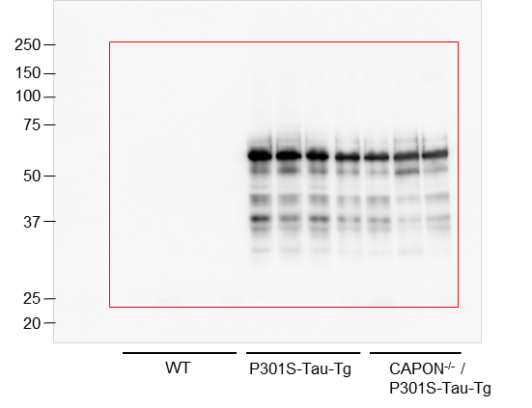
Fig.10b
 |  |  | intensity (Tau5) | fold of P301S-Tg AVE | Ave | SEM | TTEST
 | WT | 1 | 0
 |  | 2 | 0
 |  | 3 | 0
 |  | 4 | 0
 | P301S Tau-Tg | 1 | 368000 | 1.1804 | 1.0000 | 0.0761 | 0.0240
 |  | 2 | 345000 | 1.1067
 |  | 3 | 286000 | 0.9174
 |  | 4 | 248000 | 0.7955
 | CAPON -/- / P301S Tau-Tg | 1 | 196000 | 0.6287 | 0.6629 | 0.0167
 |  | 2 | 206000 | 0.6608
 |  | 3 | 218000 | 0.6993

Fig.S4
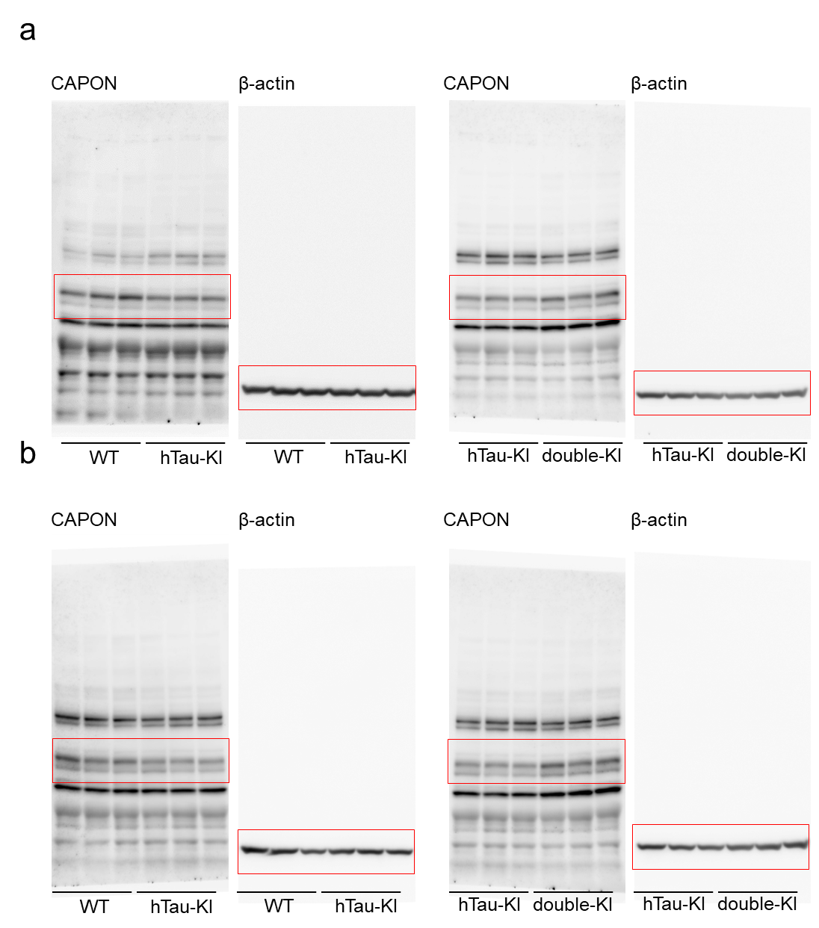

Fig.S4a (Hippocampus)
 |  |  | intensity (Tau5) | intensity (actin) | Tau5/actin | fold of Control-Ave | Ave | SEM | TTEST
 | WT | 1 | 82700 | 161000 | 0.514 | 1.113 | 1.000 | 0.124 | 0.214
 |  | 2 | 46200 | 143000 | 0.323 | 0.700
 |  | 3 | 52100 | 95100 | 0.548 | 1.187
 | hTau-KI | 4 | 40300 | 112000 | 0.360 | 0.780 | 0.769 | 0.032
 |  | 4 | 38000 | 118000 | 0.322 | 0.698
 |  | 5 | 44100 | 115000 | 0.383 | 0.831

 |  |  | intensity (Tau5) | intensity (actin) | Tau5/actin | fold of Control-Ave | Ave | SEM | TTEST
 | hTau-KI | 1 | 44600 | 115000 | 0.388 | 0.947 | 1.000 | 0.027 | 0.004
 |  | 2 | 40200 | 99000 | 0.406 | 0.992
 |  | 3 | 39400 | 90700 | 0.434 | 1.061
 | double-KI | 4 | 69800 | 104000 | 0.671 | 1.639 | 1.535 | 0.069
 |  | 4 | 52700 | 94200 | 0.559 | 1.366
 |  | 5 | 76600 | 117000 | 0.655 | 1.599

Fig.S4b (cortex)
 |  |  | intensity (Tau5) | intensity (actin) | Tau5/actin | fold of Control-Ave | Ave | SEM | TTEST
 | WT | 1 | 35600 | 84700 | 0.420 | 1.051 | 1.000 | 0.060 | 0.066
 |  | 2 | 31800 | 93000 | 0.342 | 0.855
 |  | 3 | 38100 | 87200 | 0.437 | 1.093
 | hTau-KI | 4 | 24700 | 77900 | 0.317 | 0.793 | 0.814 | 0.010
 |  | 4 | 27000 | 81000 | 0.333 | 0.834
 |  | 5 | 25200 | 77500 | 0.325 | 0.813

 |  |  | intensity (Tau5) | intensity (actin) | Tau5/actin | fold of Control-Ave | Ave | SEM | TTEST
 | hTau-KI | 1 | 39000 | 74200 | 0.526 | 0.935 | 1.000 | 0.028 | 0.048
 |  | 2 | 37300 | 65400 | 0.570 | 1.015
 |  | 3 | 35900 | 60800 | 0.590 | 1.050
 | double-KI | 4 | 55300 | 51200 | 1.080 | 1.921 | 1.737 | 0.212
 |  | 4 | 39100 | 56800 | 0.688 | 1.225
 |  | 5 | 76800 | 66200 | 1.160 | 2.064

Fig.S8
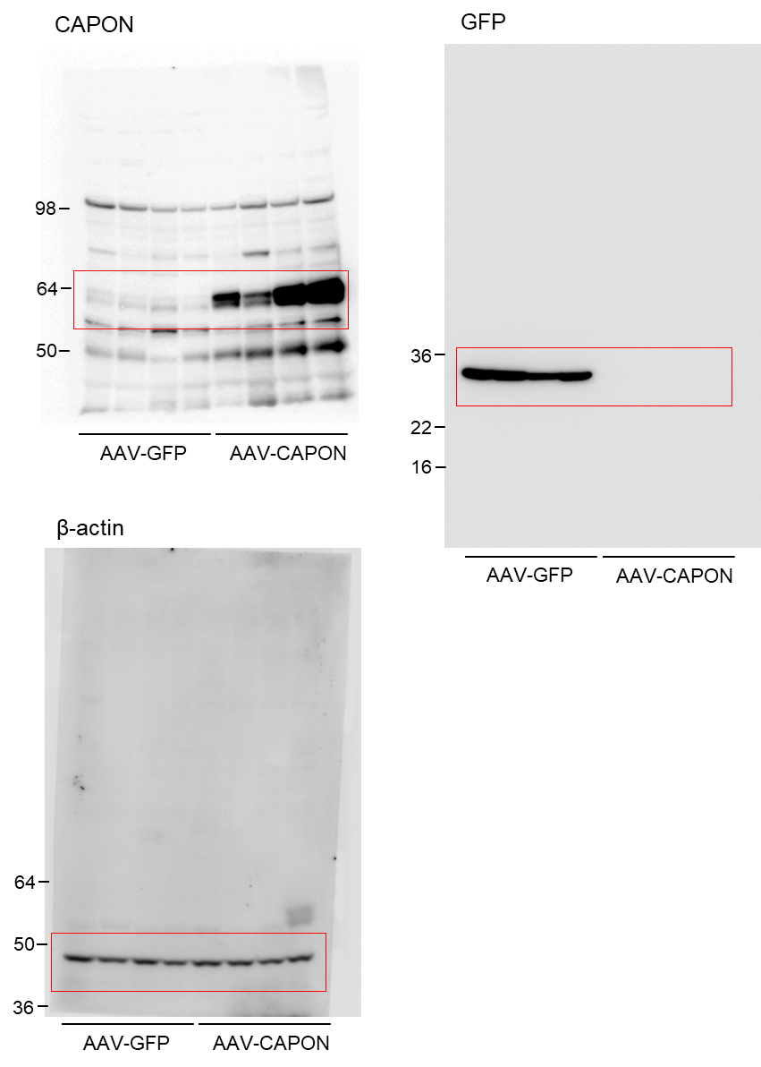

Fig.S9
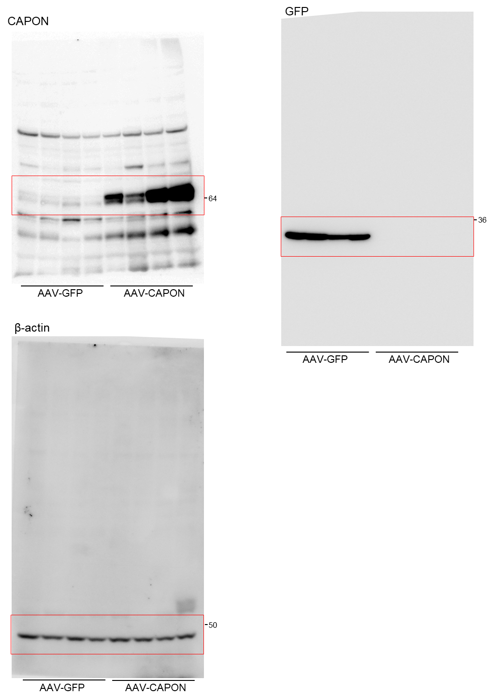

Fig.S10
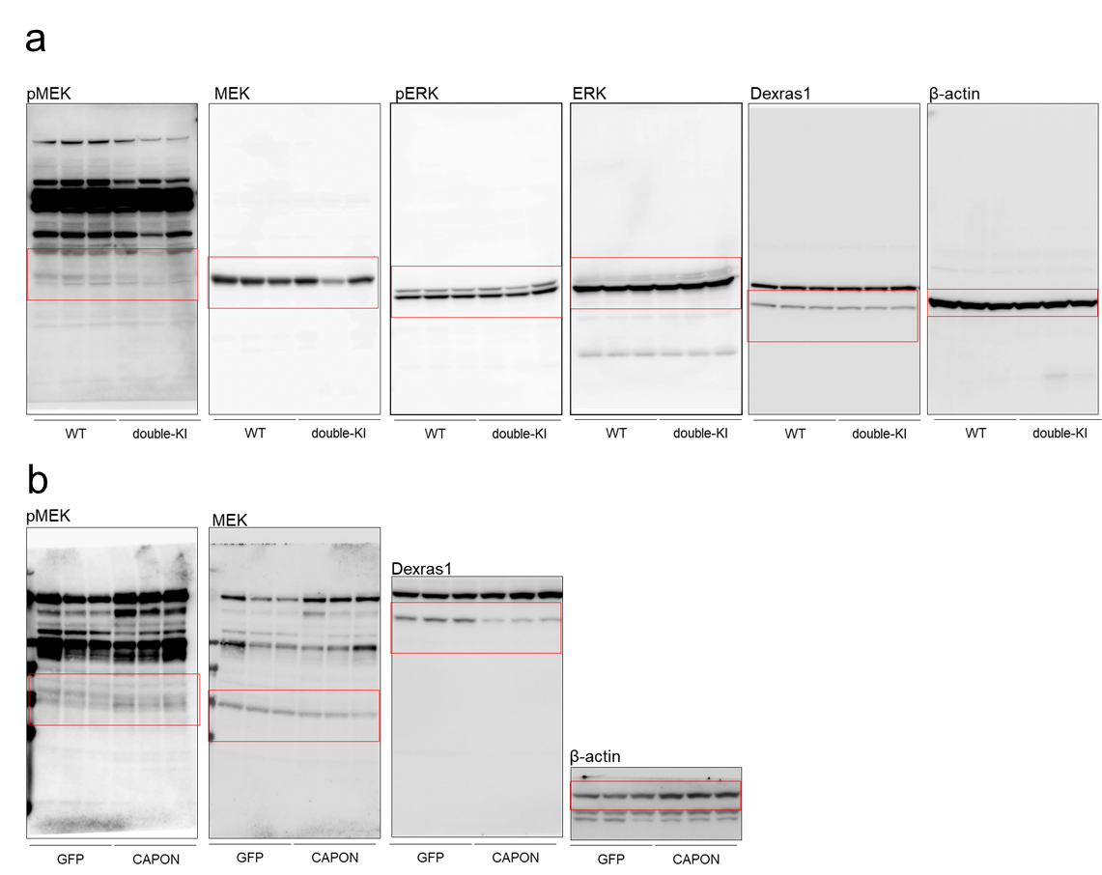
Fig.S10a
 |  | intensity (pMEK) | intensity (MEK) | pMEK/MEK | fold of Control-Ave | Ave | SEM | TTEST
WT | 1 | 13400 | 29100 | 0.4605 | 0.7022 | 1.0000 | 0.1322 | 0.6557
 | 2 | 21800 | 26400 | 0.8258 | 1.2593
 | 3 | 22200 | 32600 | 0.6810 | 1.0385
hTau-KI | 4 | 41800 | 24500 | 1.7061 | 2.6018 | 1.3600 | 0.5261
 | 4 | 22100 | 32500 | 0.6800 | 1.0370
 | 5 | 7840 | 27100 | 0.2893 | 0.4412

 |  | intensity (Dexras1) | intensity (actin) | pMEK/MEK | fold of Control-Ave | Ave | SEM | TTEST
WT | 1 | 19400 | 10535 | 1.8415 | 0.8288 | 1.0000 | 0.0724 | 0.2134
 | 2 | 17100 | 6837 | 2.5012 | 1.1257
 | 3 | 17000 | 7318 | 2.3230 | 1.0455
hTau-KI | 4 | 16500 | 8255 | 1.9988 | 0.8996 | 0.8184 | 0.0694
 | 4 | 13400 | 9301 | 1.4407 | 0.6484
 | 5 | 14500 | 7194 | 2.0156 | 0.9072

Fig.S10b
 |  | intensity (pMEK) | intensity (MEK) | pMEK/MEK | fold of Control-Ave | Ave | SEM | TTEST
GFP | 1 | 8270 | 7080 | 1.1681 | 1.1064 | 1.0000 | 0.0585 | 0.0321
 | 2 | 6480 | 5960 | 1.0872 | 1.0299
 | 3 | 4550 | 4990 | 0.9118 | 0.8637
CAPON | 4 | 12400 | 4470 | 2.7740 | 2.6276 | 2.8200 | 0.4570
 | 4 | 7950 | 3840 | 2.0703 | 1.9610
 | 5 | 14100 | 3450 | 4.0870 | 3.8713

 |  | intensity (Dexras1) | intensity (actin) | pMEK/MEK | fold of Control-Ave | Ave | SEM | TTEST
GFP | 1 | 8830 | 66200 | 0.1334 | 0.8939 | 1.0000 | 0.0686 | 0.0009
 | 2 | 10300 | 59200 | 0.1740 | 1.1660
 | 3 | 9820 | 70000 | 0.1403 | 0.9401
CAPON | 4 | 2700 | 90700 | 0.0298 | 0.1995 | 0.2387 | 0.0174
 | 4 | 3310 | 90900 | 0.0364 | 0.2440
 | 5 | 3580 | 88000 | 0.0407 | 0.2726

