Figure 4B
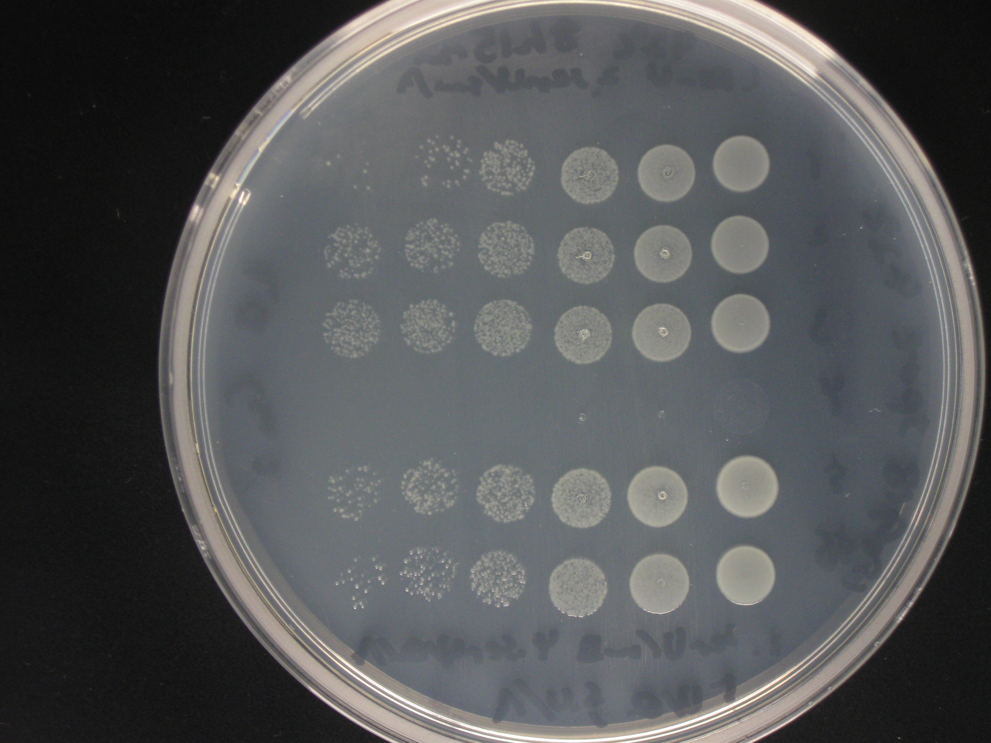
Figure 4B | 30˚C | Photo taken on 18/09/2015
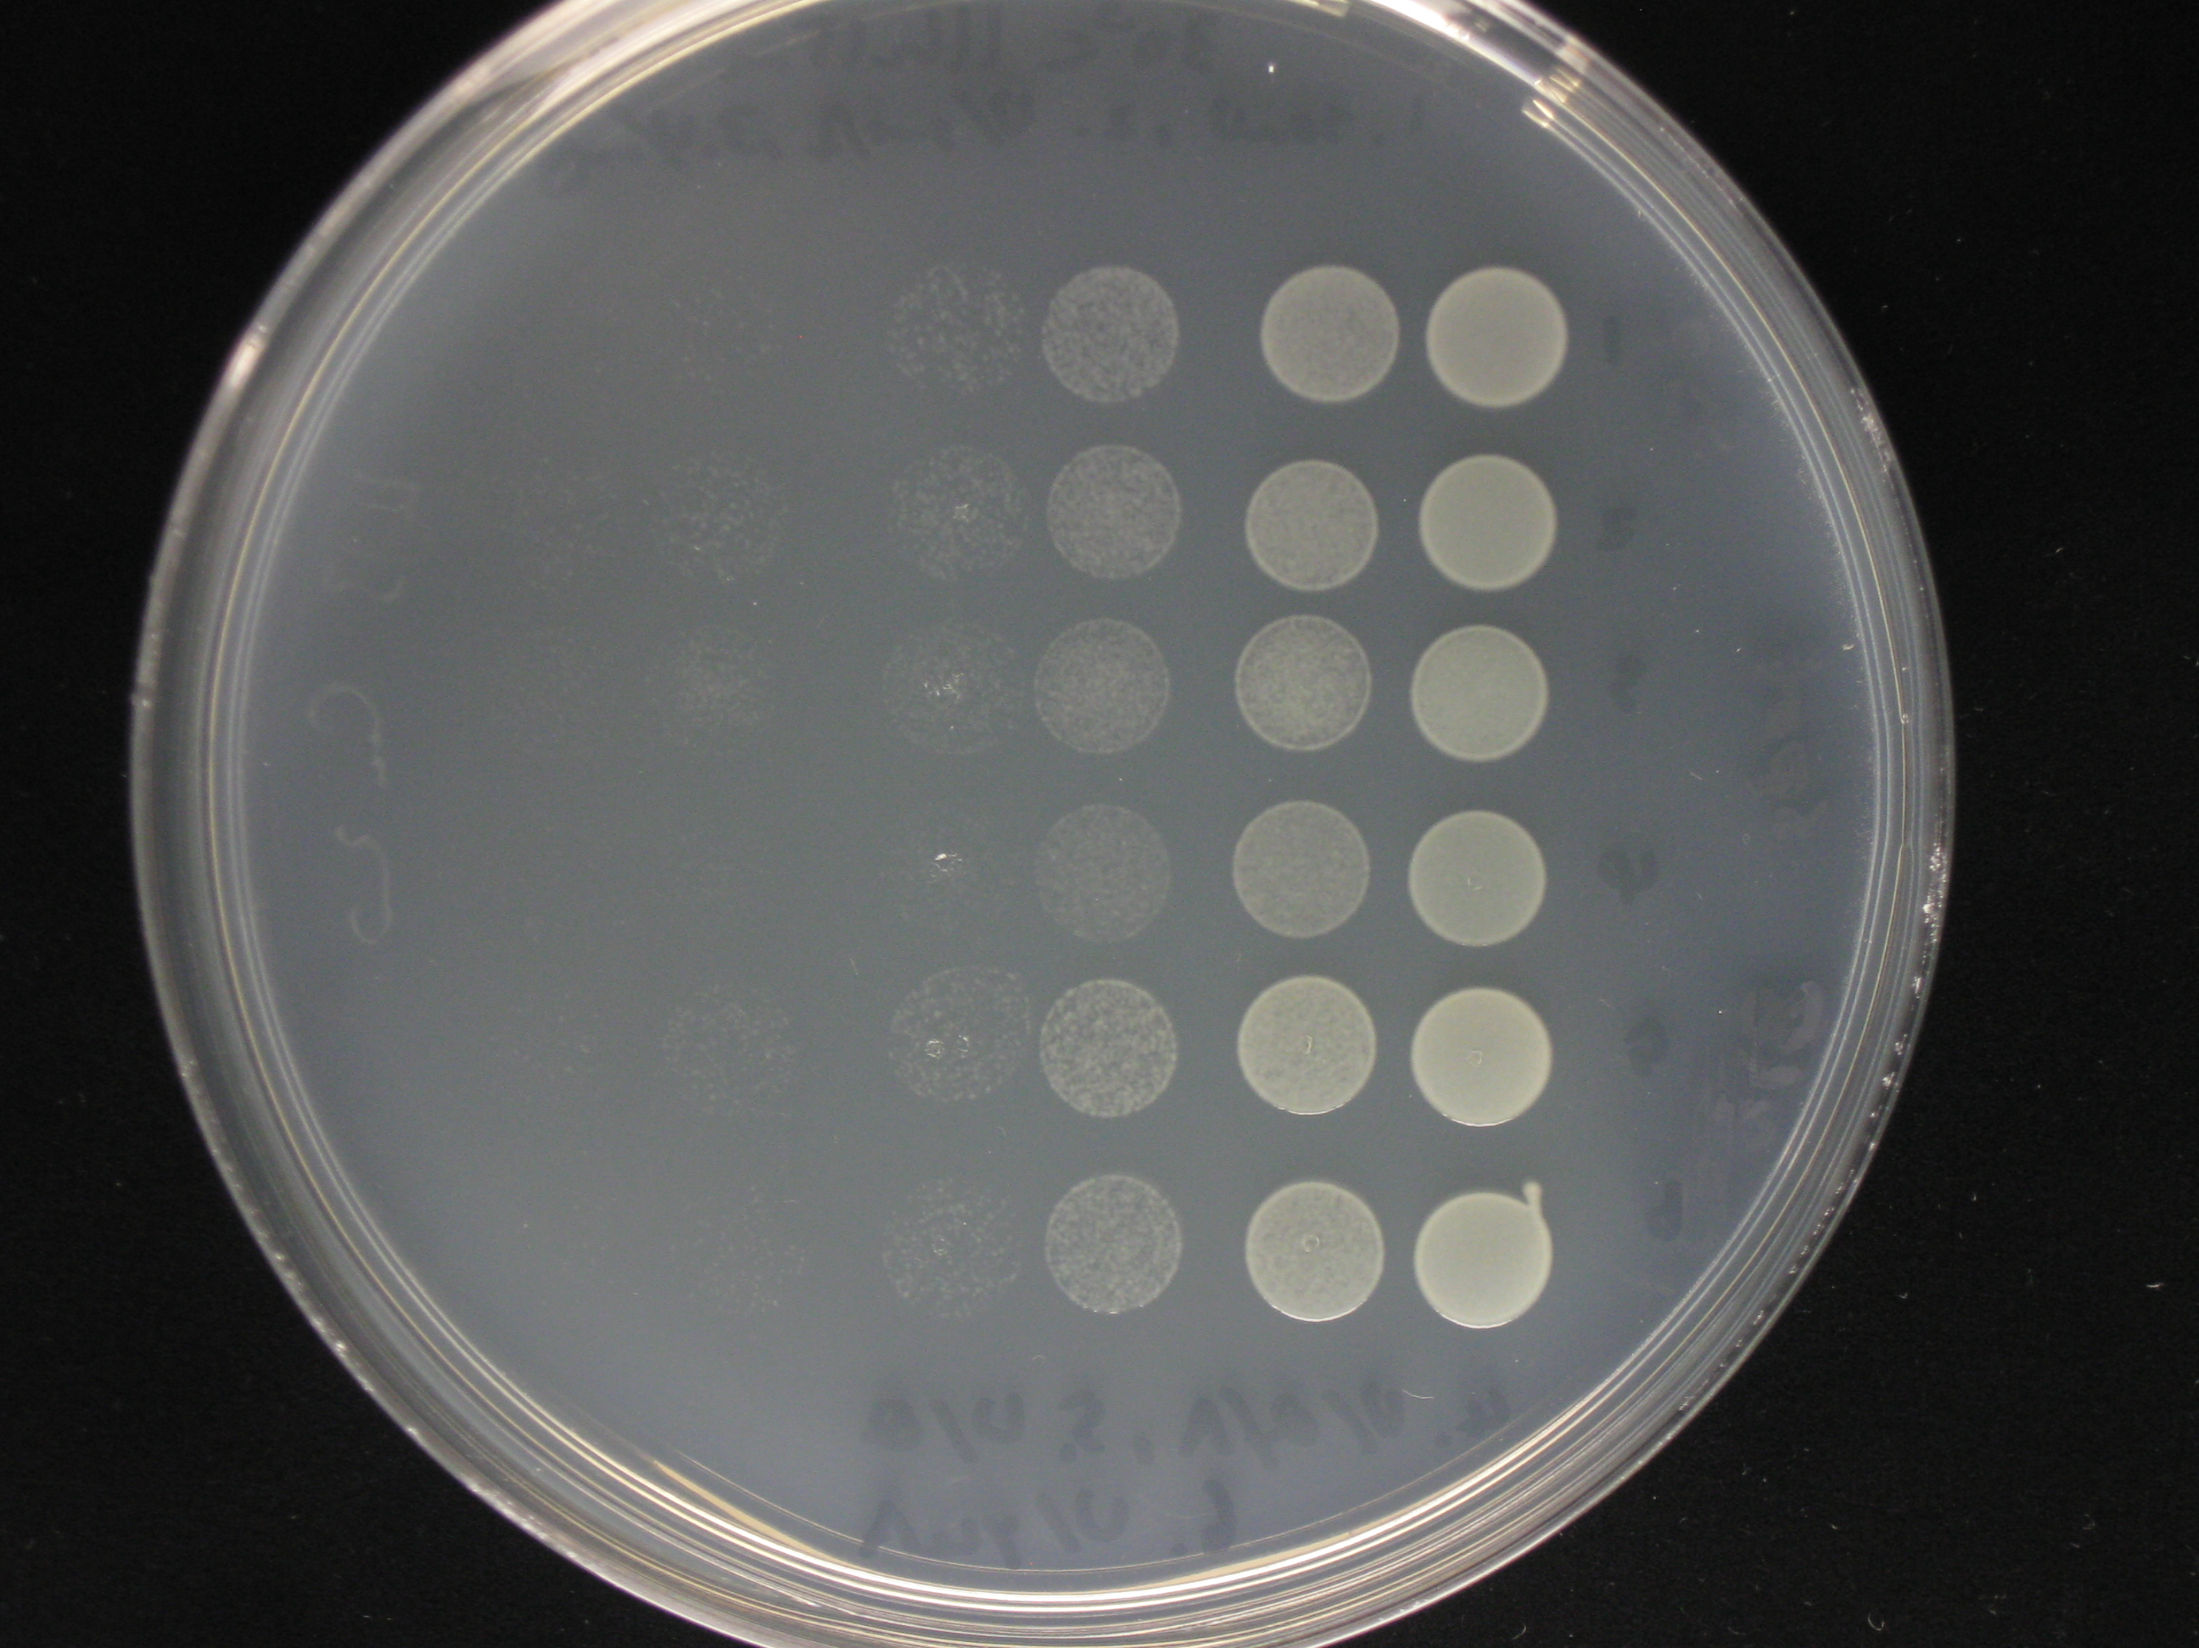

 | 37˚C | Photo taken on 18/09/2015
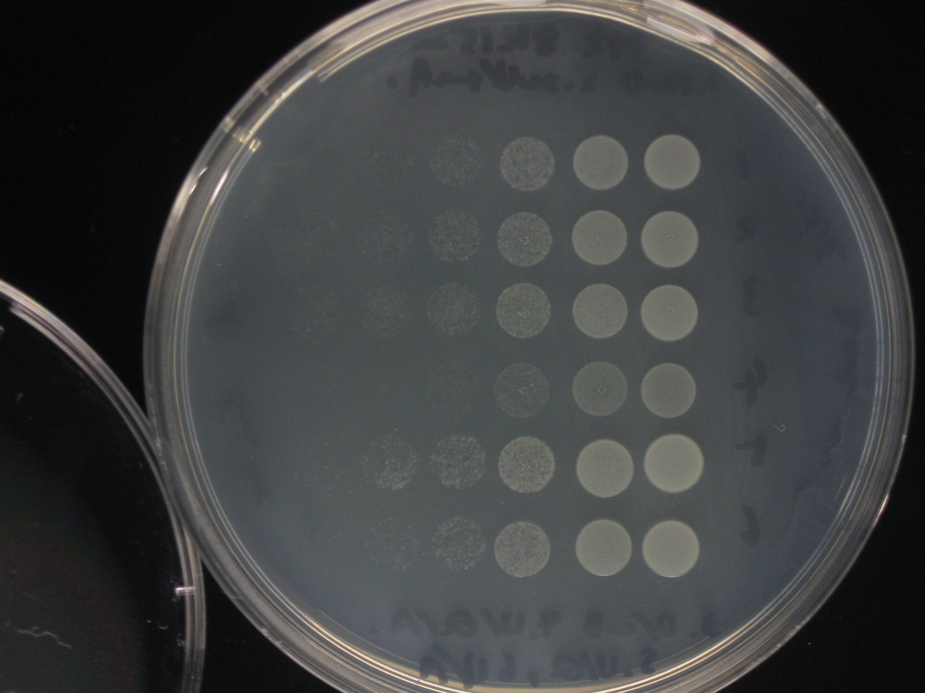

 | 42˚C | Photo taken on 18/09/2015

Figure 4C
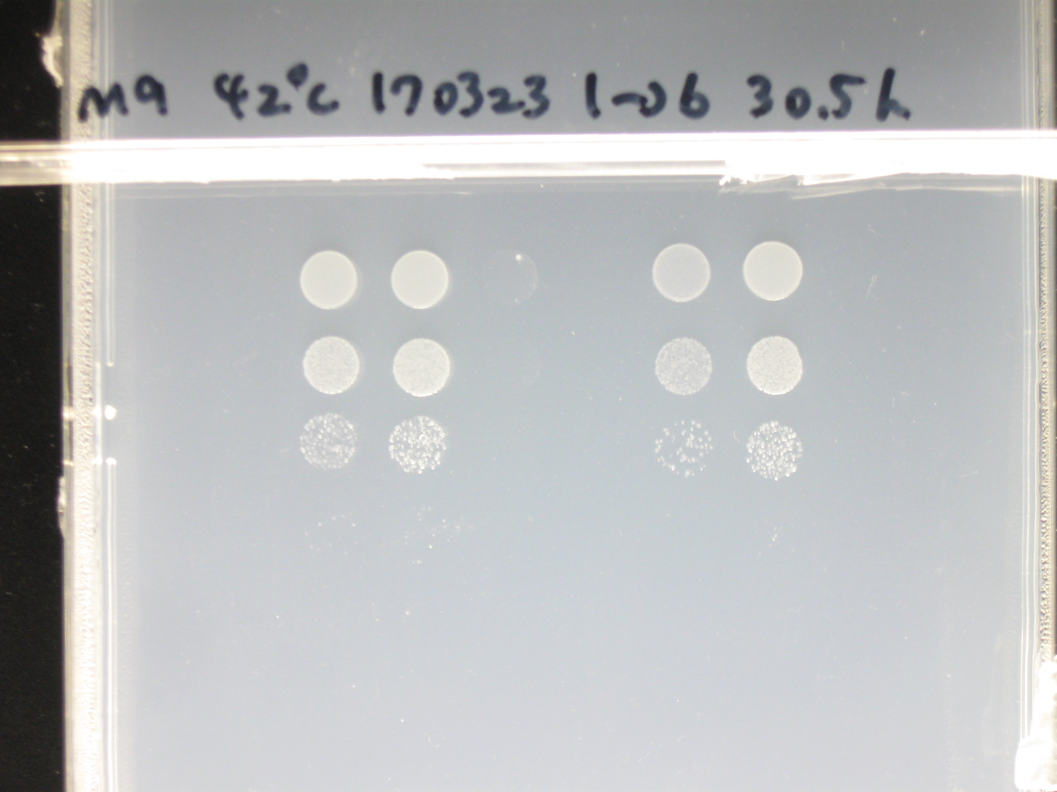
Figure 4C | 30˚C | Photo taken on 24/03/2017
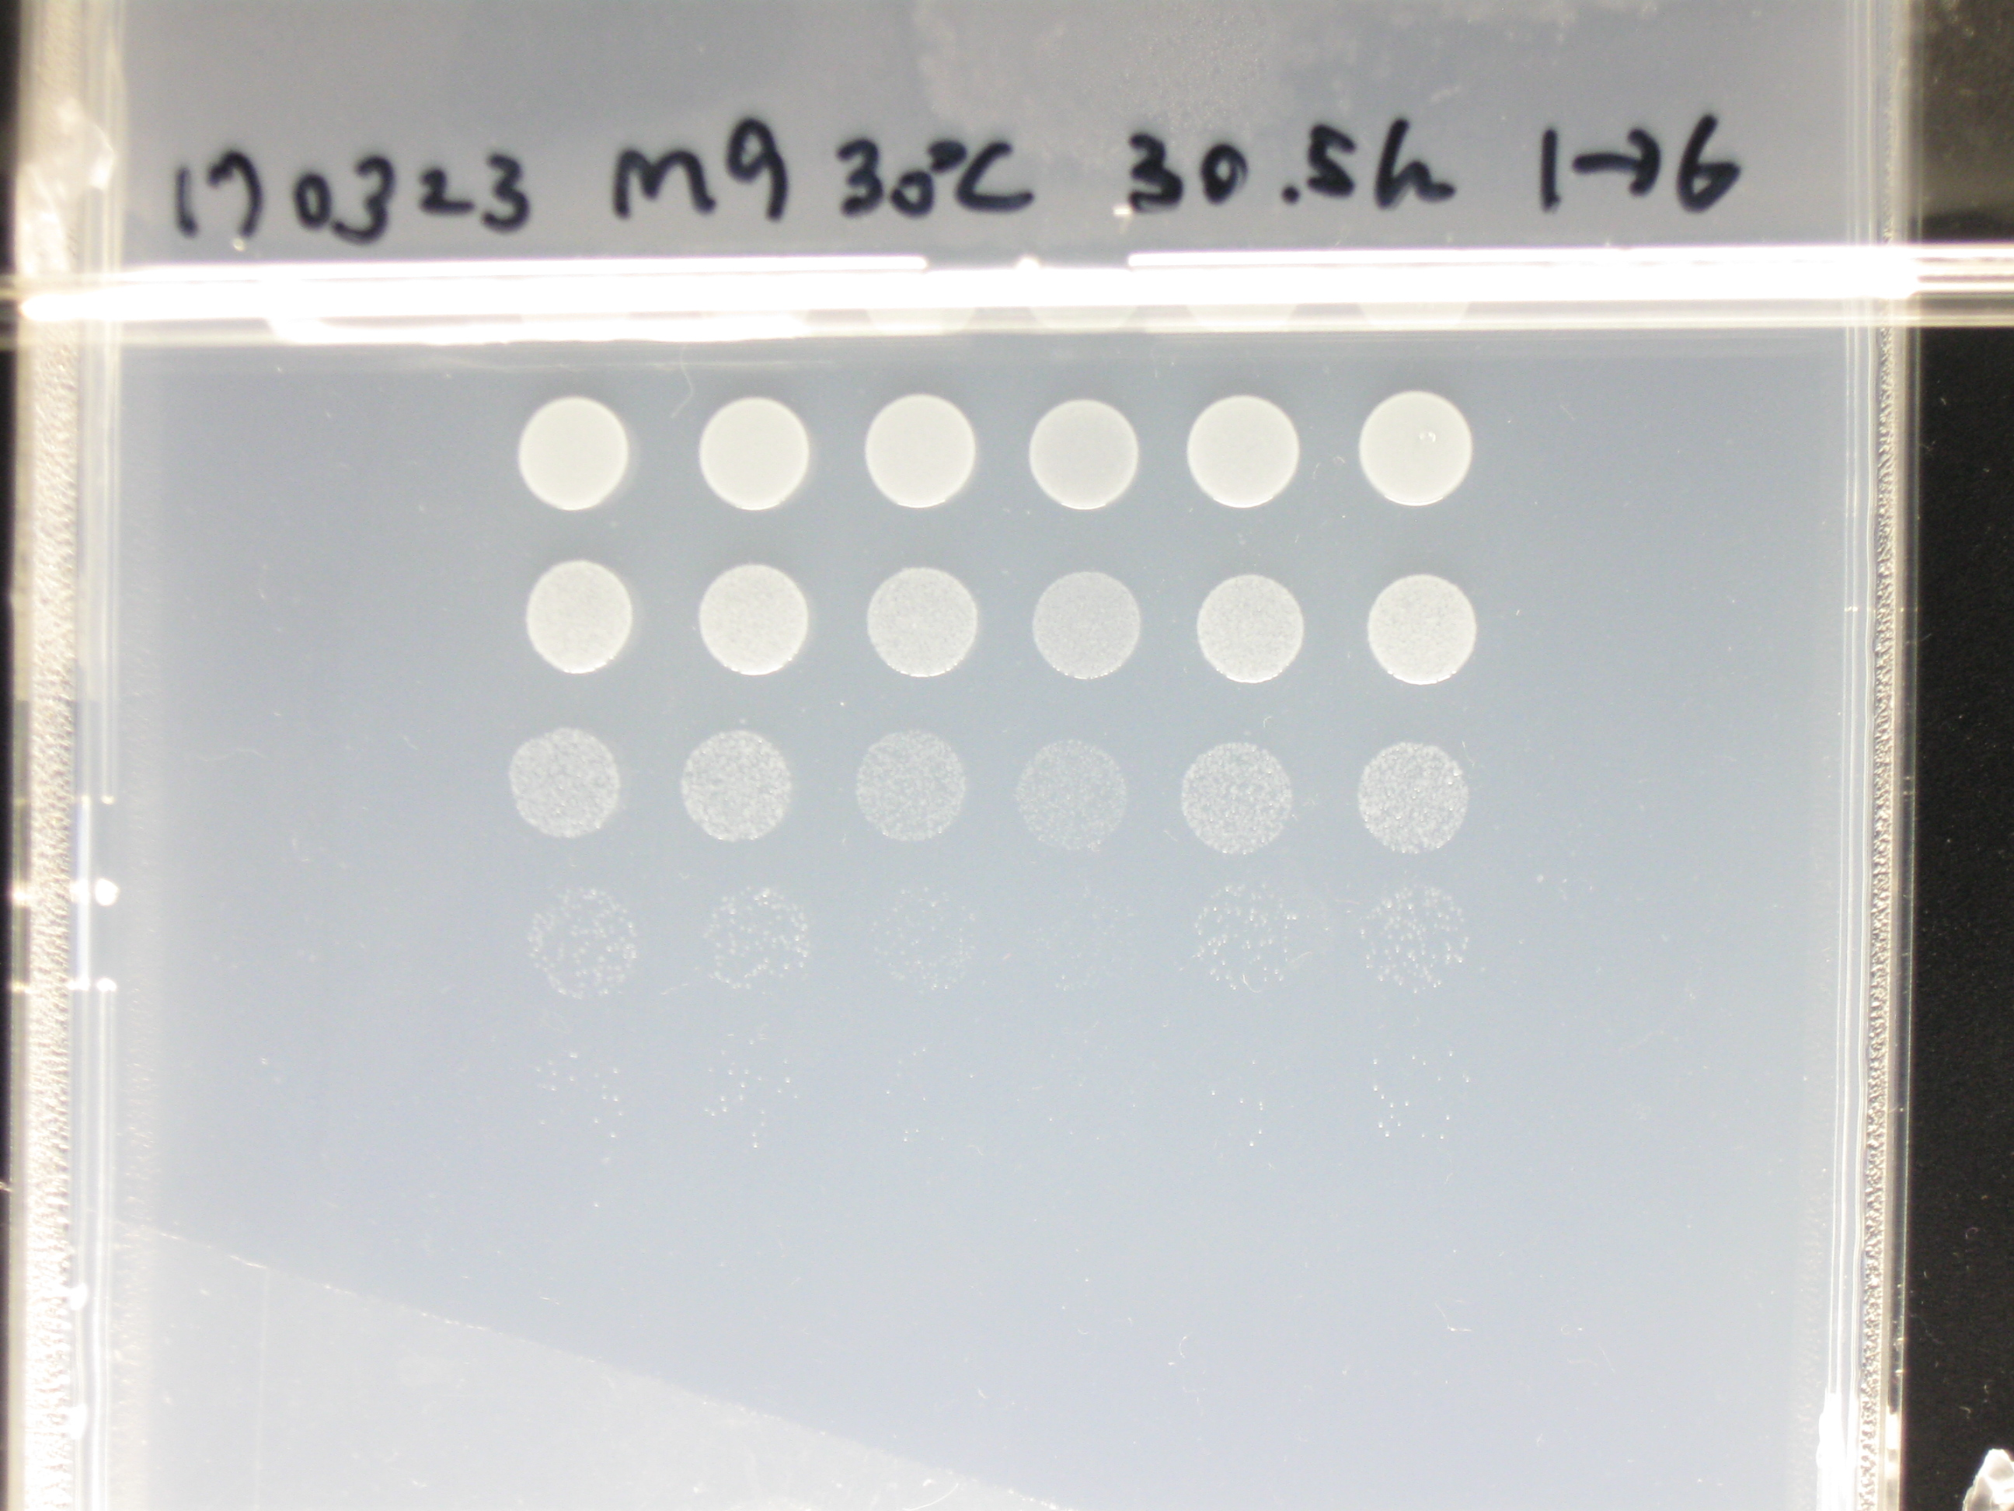

 | 37˚C | Photo taken on 24/03/2017 | The far left lane is re-spotting of #2 (∆cmoM)
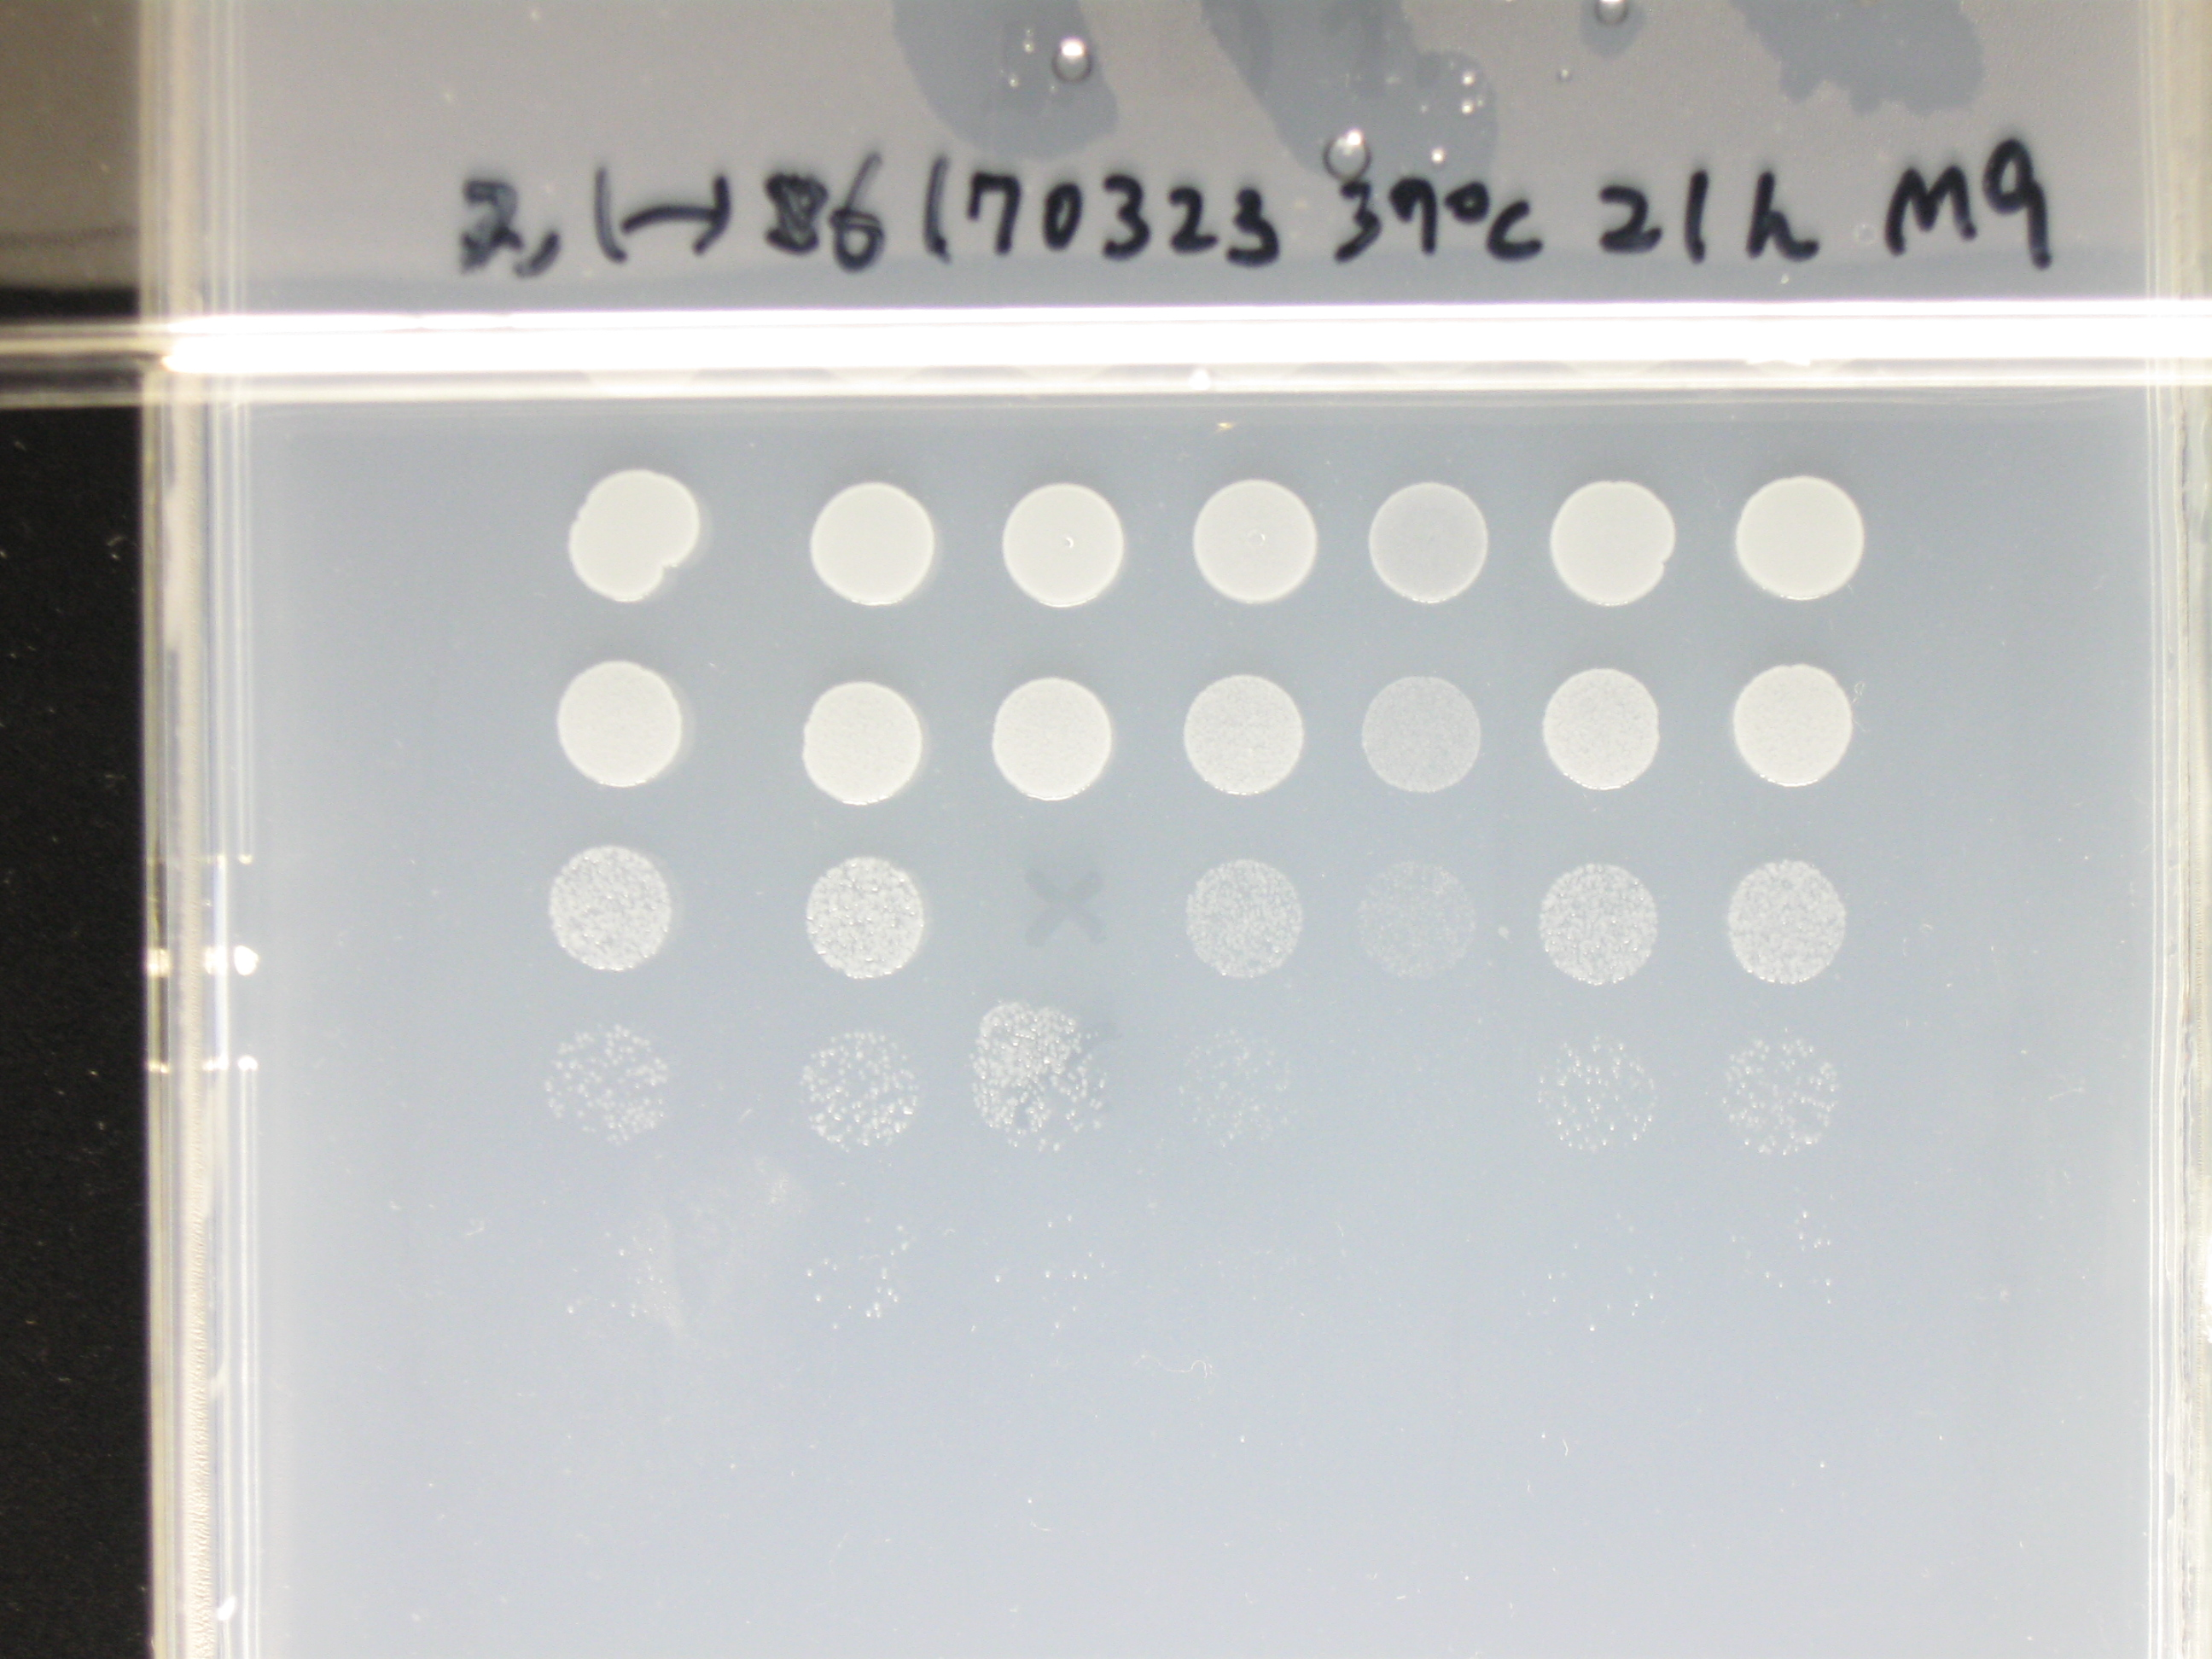

 | 40˚C | Photo taken on 24/03/2017
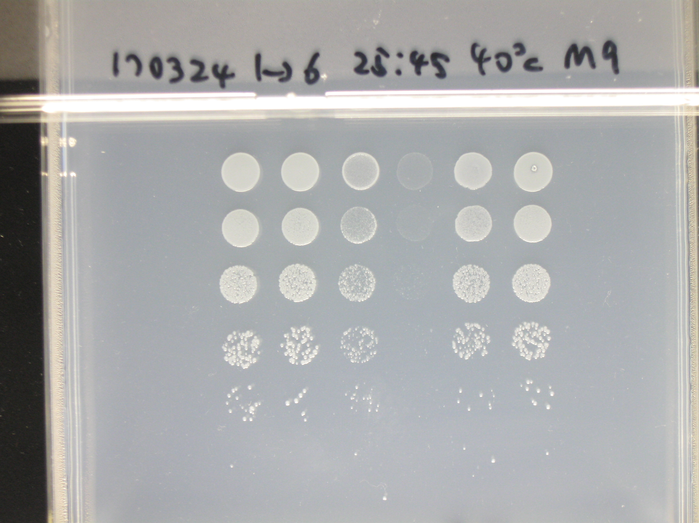

 | 42˚C | Photo taken on 24/03/2017

Figure 6C
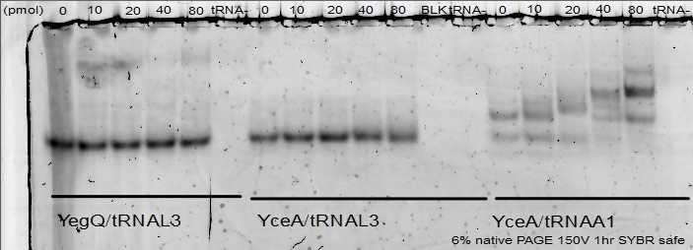
Figure 6c | Scanned on 19/04/2016

 | Imaged on 18/04/2016

Supplementary Figure 8
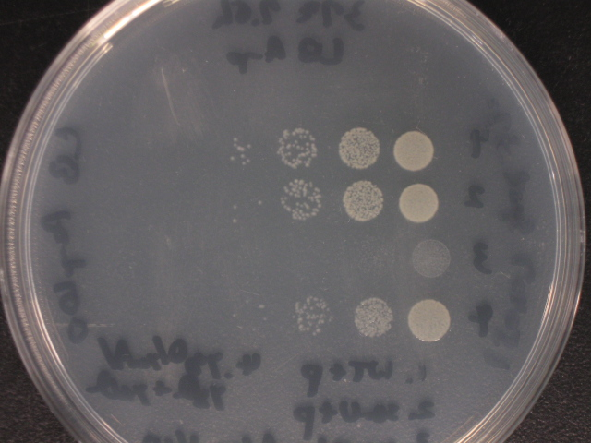
Supplementary Figure 8 | Photo taken on 09/04/2015

