Figure 5
Intracellular calcium flux in control and iron-deficient (pretreated with 20 µM DFO for 2 h) resting B cells treated with Ionomycin (positive control), every 5 seconds |  | Intracellular calcium flux in control and iron-deficient (pretreated with 20 µM DFO for 2 h) resting B cells treated with anti-IgM, every 5 seconds
Medium | DFO | Medium | DFO
0.32625 | 0.274954 | 0.242333 | 0.229
0.325297 | 0.277079 | 0.27865 | 0.232264
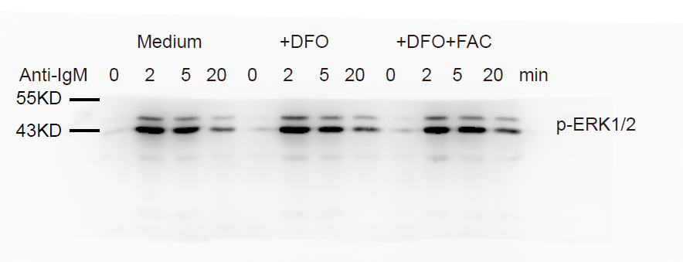
0.324876 | 0.31698 | 0.245557 | 0.238051
0.31919 | 0.283907 | 0.270013 | 0.243952
0.338025 | 0.317192 | 0.245097 | 0.233572
0.65479 | 0.634537 | 0.502625 | 0.450845
0.656706 | 0.726501 | 0.530992 | 0.473771
0.687285 | 0.679304 | 0.523241 | 0.485667
0.726072 | 0.676887 | 0.489737 | 0.491418
0.729581 | 0.767498 | 0.531743 | 0.482441
0.718904 | 0.758646 | 0.523801 | 0.478937
0.762423 | 0.773685 | 0.501815 | 0.493826
0.738482 | 0.775246 | 0.517252 | 0.47976
0.795584 | 0.792104 | 0.502653 | 0.502102
0.792943 | 0.787746 | 0.500214 | 0.476968
0.780403 | 0.8474 | 0.4698 | 0.479972
0.798461 | 0.835471 | 0.472679 | 0.457795
0.840005 | 0.857566 | 0.460866 | 0.439186
0.88355 | 0.894358 | 0.453346 | 0.433859
0.845693 | 0.855162 | 0.424931 | 0.41937
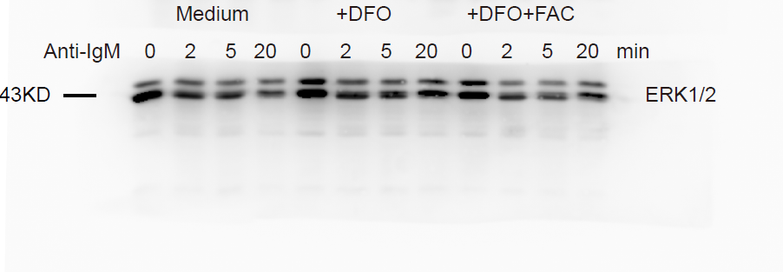
0.806738 | 0.889587 | 0.429881 | 0.415065
0.839749 | 0.844271 | 0.378146 | 0.385589
0.859357 | 0.889417 | 0.412458 | 0.420931
0.84869 | 0.88047 | 0.381015 | 0.378391
0.866592 | 0.91915 | 0.397873 | 0.380222
0.817217 | 0.910336 | 0.402306 | 0.385756
0.926823 | 0.891199 | 0.373018 | 0.340918
0.897861 | 0.945844 | 0.362609 | 0.336393
0.931531 | 0.957545 | 0.385805 | 0.338777
0.944828 | 0.916829 | 0.35902 | 0.337395
0.89141 | 0.928688 | 0.341355 | 0.314769
0.944632 | 0.897945 | 0.364311 | 0.352402
0.887245 | 0.948496 | 0.341549 | 0.342484
0.980664 | 0.93588 | 0.339645 | 0.335386
0.965861 | 0.958141 | 0.323714 | 0.332544
0.952268 | 0.936526 | 0.323032 | 0.33854
0.958469 | 1.006554 | 0.330256 | 0.315834
0.90895 | 0.921016 | 0.35059 | 0.321807
0.944772 | 0.929071 | 0.342636 | 0.316635
0.989102 | 0.955908 | 0.319723 | 0.308516
0.951534 | 0.895056 | 0.313717 | 0.275207
0.96992 | 0.909938 | 0.321403 | 0.306423
0.934553 | 0.899415 | 0.312924 | 0.286028
0.985285 | 0.985781 | 0.300795 | 0.285596
0.924008 | 0.973332
0.926211 | 0.937008
0.9682 | 0.970605
0.963742 | 0.917926
0.94037 | 0.956109
0.950003 | 0.906553
0.94114 | 0.929711
1.00219 | 0.922077
0.923335 | 0.960909
0.965479 | 0.984642

Figure 6
RNA-seq raw data are accessible at NCBI GEO (accession number: GSE77306)

Relative expression of cyclin E1 24h post-stimulation
 | Control |  | DFO
Medium | 0.8301247 | 1.204638 | 1.185668 | 0.9320634
Anti-IgM | 3.746387 | 5.886459 | 2.739096 | 2.528181
Lps | 5.889316 | 7.061134 | 3.548477 | 3.013625

Relative expression of cyclin E1 24h post-stimulation
 | Control |  | DFO
Medium | 0.9341978 | 1.070437 | 0.07273532 | 0.01441485
Anti-IgM | 13.53478 | 15.86417 | 0.2068992 | 0.3759727
Lps | 14.91715 | 16.23798 | 0.4235194 | 0.4910017
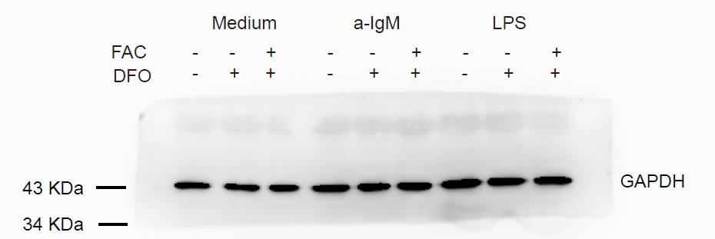

Relative expression of cyclin E1 in B cells isolated from control or iron-deficient mice immunized with DNP-KLH
 | Control |  | Iron-deficient
Day 0 | 1.012247 | 0.9903472 | 0.775597 | 0.6604606
Day 7 | 2.900948 | 2.485812 | 0.906451 | 0.783791
Day 21 | 2.622145 | 2.385495 | 0.941251 | 0.972441

Relative expression of cyclin E1 in B cells isolated from control or iron-deficient mice immunized with TNP-LPS
 | Control |  | Iron-deficient
Day 0 | 1.012247 | 0.9903472 | 0.775597 | 0.6604606
Day 7 | 4.26333 | 3.848194 | 1.368833 | 1.346173
Day 21 | 2.984527 | 2.702841 | 1.203633 | 1.134823

