STEM Output
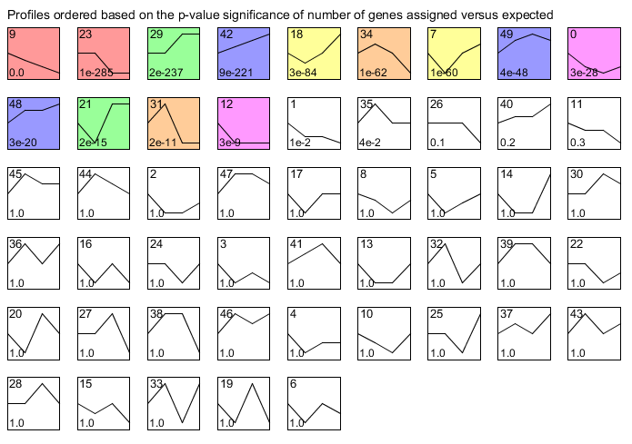
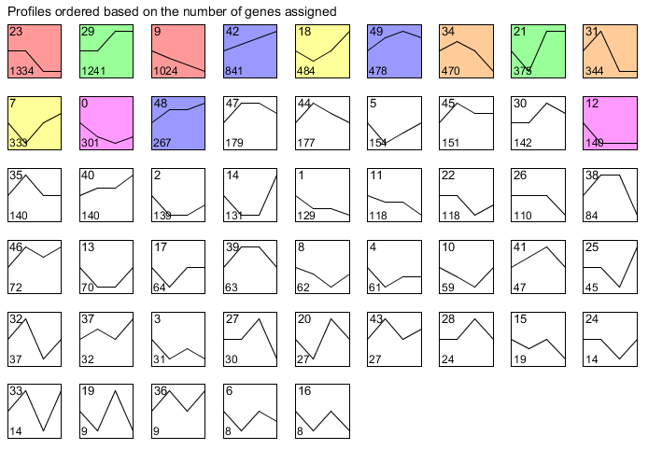
Supplementary Table 2. Output from: Short Time-series Expression Miner (STEM) version 1.3.11
Sheet 1: Summary of profiles clustered by STEM alogrithm, ordered by p-Value or Numer of genes in each profile
Sheets 2 to 14: Detailed lists of genes in each profile

