Figure 2C
20
PhoR-GFP
PhoR L421A-GFP
PhoR-GFP
PhoR L421G-GFP
MgtC
– + + +
75
PhoR-GFP
PhoR L421A-GFP
PhoR-GFP
PhoR L421G-GFP
MgtC
– + + +
90

INPUT | INPUT
anti-GFP antibodies | anti-MgtC antibodies

2017-05-12 | 2017-05-12

Figure 2D


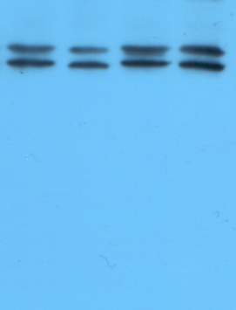
75
90
20
25
37
50
PhoR-GFP
PhoR L421A-GFP
PhoR-GFP
PhoR L421G-GFP
MgtC
– + + +

anti-GFP antibodies

anti-MgtC antibodies

PhoR-GFP
PhoR L421A-GFP
PhoR-GFP
PhoR L421G-GFP
MgtC
– + + +

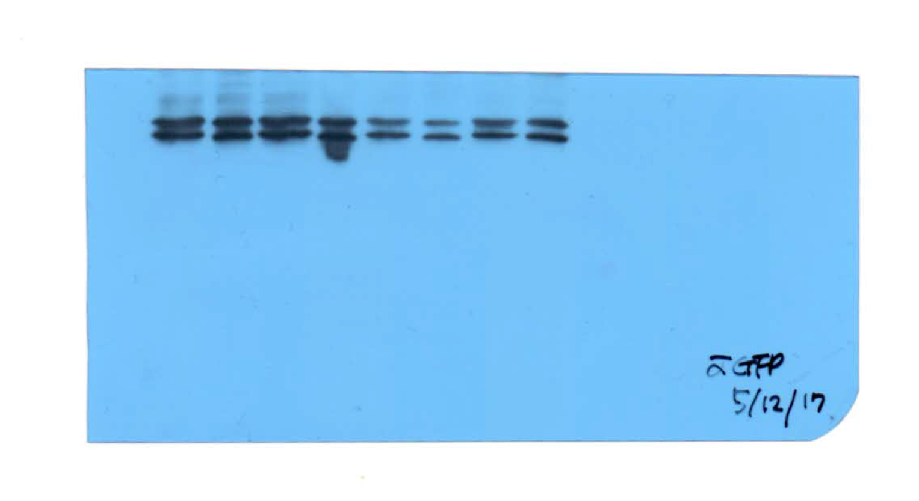

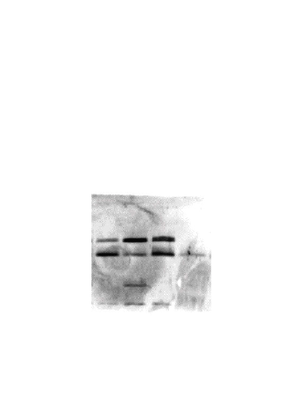
PhoR-GFP
PhoR L421A-GFP
PhoR-GFP
PhoR L421G-GFP
MgtC
– + + +
20
25

Figure 2EF
20180713
GFP Antibody
input
IP
7 times washed
75
pTGFP
/pBAD33-mgtC-Flag
pTGFP-phoR
/pBAD33-mgtC-Flag
pTGFP-phoR421A
/pBAD33-mgtC-Flag
pTGFP-phoR421G
/pBAD33-mgtC-Flag
pTGFP
/pBAD33-mgtC-Flag
pTGFP-phoR
/pBAD33-mgtC-Flag
pTGFP-phoR421A
/pBAD33-mgtC-Flag
pTGFP-phoR421G
/pBAD33-mgtC-Flag

Flag Antibody
input
pTGFP
/pBAD33-mgtC-Flag
pTGFP-phoR
/pBAD33-mgtC-Flag
pTGFP-phoR421A
/pBAD33-mgtC-Flag
pTGFP-phoR421G
/pBAD33-mgtC-Flag
20
pTGFP
/pBAD33-mgtC-Flag
pTGFP-phoR
/pBAD33-mgtC-Flag
pTGFP-phoR421A
/pBAD33-mgtC-Flag
pTGFP-phoR421G
/pBAD33-mgtC-Flag
IP

Figure 3EF
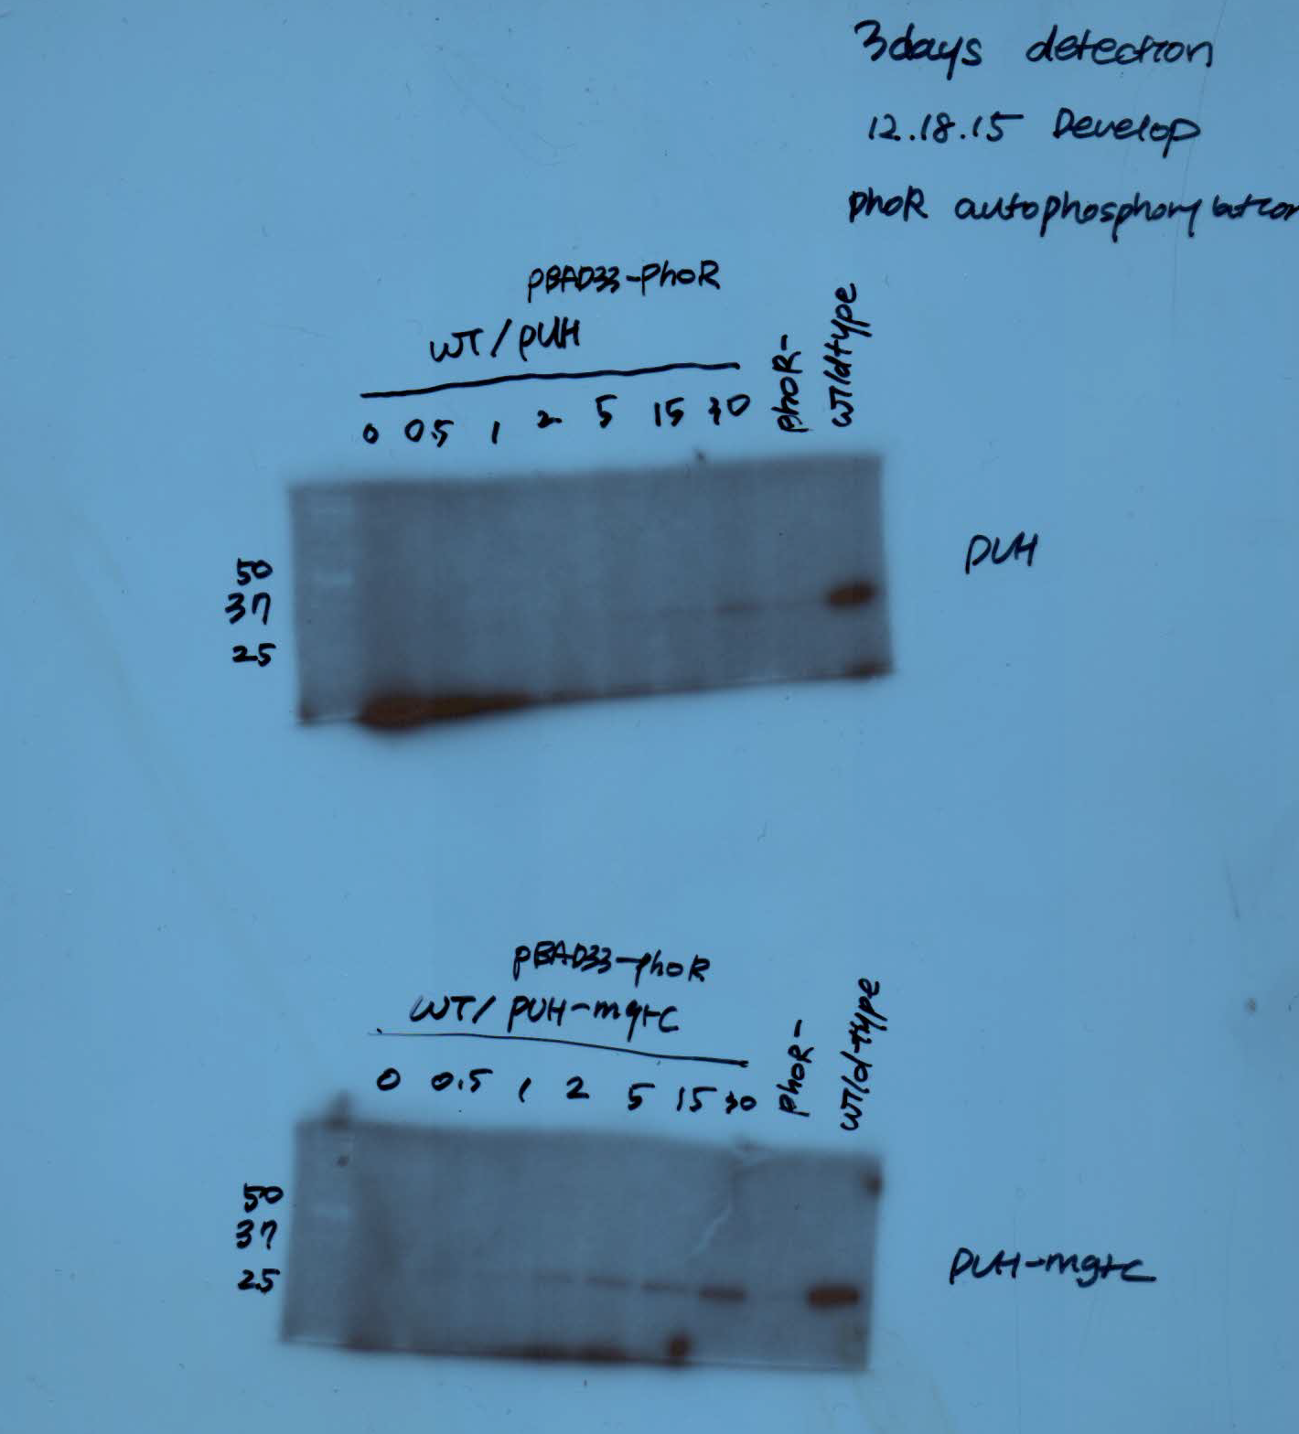

wild-type/pUH, pBAD33-PhoR (10 mM Pi, 0.5 mM Mg2+)
phoR mutant (0.01 mM Pi, 10 mM Mg2+)
wild-type (0.01 mM Pi, 10 mM Mg2+)

Figure 4BCD
25
20
50
37
0 0.5 1 2 5 15 30
14028s
phoR ^{L421A}
phoR ^{L421G}
06/05/2017 NMM 10uM Mg2+
0 0.5 1 2 5 15 30
10
15
20
25
50
75
37
10
15
20
25
50
75
37
10
15
20
25
50
75
37
0 0.5 1 2 5 15 30
0 0.5 1 2 5 15 30
0.01 mM Mg2+
10 mM Mg2+
14028s
phoR ^{L421A}
phoR ^{L421G}

Coomassie stained gels of membrane
vesicle prepared for Fig 4 B-G

Figure 4EFG(S4DEF)

7/27/2017
10 mM Mg2+ NMM
0 0.5 1 2 5 15 30
14028s
phoR ^{L421A}
phoR ^{L421G}

Figure 4HIJ
phoB-HA
phoR^{L421A}
phoB-HA
phoR^{L421G}
phoB-HA
Marker+
H L H L H L

25

detected with anti-HA antibodies
10 ul loading
1st - 1:5000 o/n
2nd - 1:10000

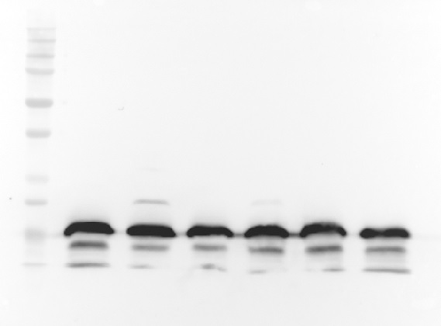
anti-Fur antibodies
anti-MgtC antibodies
H L H L H L
phoB-HA
phoR^{L421A}
phoB-HA
phoR^{L421G}
phoB-HA
H L H L H L
phoB-HA
phoR^{L421A}
phoB-HA
phoR^{L421G}
phoB-HA

Figure 5F
04042018_nonreplicating cells

% fraction of each grid/Q2

 | #1 | #2 | #3 | ave | STD | 2-tailed ttest |  | *P < 0.05; **P < 0.01; ns, not significant; t test (relative to wild-type).
14028s-6h_1 | 40.28 | 29.34 | 32.08 | 33.90 | 5.69 | 0.10162070108 | wild-type vs phoRl421A | ns
phoRL421A-6h_1 | 28.05 | 23.17 | 24.39 | 25.20 | 2.54 | 0.020128962436 | phoRL421A vs phoB | *
phoB-6h_1 | 16.85 | 15.63 | 15.94 | 16.14 | 0.63 | 0.031232560578 | wild-type vs phoB | *
mgtC-6h_1 | 51.44 | 52.12 | 51.95 | 51.84 | 0.36 | 0.031511498219 | wild-type vs mgtC | *

14028s-9h_1 | 18.31 | 11.74 | 14.88 | 14.98 | 3.29 | 0.03075597383 | wild-type vs phoRl421A | *
phoRL421A-9h_1 | 7.63 | 5.92 | 5.11 | 6.22 | 1.29 | 0.1113435492 | phoRL421A vs phoB | ns
phoB-9h_1 | 3.85 | 4.60 | 4.41 | 4.28 | 0.39 | 0.028628324518 | wild-type vs phoB | *
mgtC-9h_1 | 38.63 | 42.10 | 41.23 | 40.65 | 1.80 | 0.0010922851189 | wild-type vs mgtC | *

 | #1 | #2 | #3 | ave | STD
14028s-6h_1 | 40.28 | 29.34 | 32.08 | 33.90 | 5.69
phoRL421A-6h_1 | 28.05 | 23.17 | 24.39 | 25.20 | 2.54
phoB-6h_1 | 16.85 | 15.63 | 15.94 | 16.14 | 0.63
mgtC-6h_1 | 51.44 | 52.12 | 51.95 | 51.84 | 0.36
14028s-9h_1 | 18.31 | 11.74 | 14.88 | 14.98 | 3.29
phoRL421A-9h_1 | 7.63 | 5.92 | 5.11 | 6.22 | 1.29
phoB-9h_1 | 3.85 | 4.60 | 4.41 | 4.28 | 0.39
mgtC-9h_1 | 38.63 | 42.10 | 41.23 | 40.65 | 1.80

 | 33.89864034
 | 25.202619795
 | 16.139751557
 | 51.835758153
 | 14.977027237
 | 6.219926557
 | 4.2848835999
 | 40.652268953

Figure S5
041918 ATP levels

0 | 98
0.0125 | 4006
0.025 | 7513
0.0625 | 18000
0.125 | 41307
0.25 | 76913
0.625 | 177473
standard | in 80ul
uM | 0 | 0.0125 | 0.025 | 0.0625 | 0.125 | 0.25 | 0.625
RLU | 98 | 4006 | 7513 | 18000 | 41307 | 76913 | 177473

 | 14028s | phoR421A | phoR421G | phoB | mgtC |  | 14028s | phoR421A | phoR421G | phoB | mgtC
RLU | 50779 | 53324 | 45290 | 52344 | 54212 |  | 3592 | 3281 | 3149 | 2476 | 17518
 | 54066 | 58213 | 50250 | 58696 | 54478 |  | 3651 | 3327 | 3236 | 2692 | 19647
 | 52423 | 55769 | 47770 | 55520 | 54345 |  | 3622 | 3304 | 3193 | 2584 | 18583

ATP[uM] | 14028s | phoR421A | phoR421G | phoB | mgtC |  | 14028s | phoR421A | phoR421G | phoB | mgtC
in 80 ul | 0.17227131078 | 0.18121264927 | 0.15298682865 | 0.17776961912 | 0.18433245618 |  | 0.006489409169 | 0.0053967740915 | 0.0049330190104 | 0.002568570756 | 0.055415570226
 | 0.18381951495 | 0.19838915375 | 0.17041277716 | 0.20008607575 | 0.18526699293 |  | 0.0066966936371 | 0.0055583857107 | 0.0052386757684 | 0.0033274427069 | 0.062895377556 | X= | (RLU-1744.9)/284633
 | 0.17804541286 | 0.18980090151 | 0.1616998029 | 0.18892784744 | 0.18479972456 |  | 0.006593051403 | 0.0054775799011 | 0.0050858473894 | 0.0029480067315 | 0.059155473891

 | 14028s | phoR421A | phoR421G | phoB | mgtC |  | 14028s | phoR421A | phoR421G | phoB | mgtC
ATP uM/mg | 10.766956923 | 11.325790579 | 9.5616767908 | 11.110601195 | 11.520778511 |  | 0.40558807306 | 0.33729838072 | 0.30831368815 | 0.16053567225 | 3.4634731391
 | 11.488719685 | 12.39932211 | 10.650798572 | 12.505379735 | 11.579187058 |  | 0.41854335232 | 0.34739910692 | 0.32741723553 | 0.20796516918 | 3.9309610973
 | 11.127838304 | 11.862556344 | 10.106237682 | 11.807990465 | 11.549982785 |  | 0.41206571269 | 0.34234874382 | 0.31786546184 | 0.18425042072 | 3.6972171182

OD0.1=0.2 mg/ml
ATP uM/mg protein
 | NMM high Mg2+ |  |  |  |  |  | NMM low Mg2+
 | 14028s | phoR421A | phoR421G | phoB | mgtC |  | 14028s | phoR421A | phoR421G | phoB | mgtC
Average | 11.127838304 | 11.862556344 | 10.106237682 | 11.807990465 | 11.549982785 |  | 0.41206571269 | 0.34234874382 | 0.31786546184 | 0.18425042072 | 3.6972171182
STD | 0.51036334283 | 0.75910142473 | 0.77012539715 | 0.98625736345 | 0.041301079767 |  | 0.0091607658129 | 0.0071422919897 | 0.013508247894 | 0.033537718908 | 0.33056390535

Figure S6ABC
0 0.5 1 2 5 15 30
14028s
phoR ^{L421A}
phoR ^{L421G}
08/11/2017 NMM low Pi

Figure S9
03242019_MOPS_plasmid_Molybdenum |  |  |  |  |  |  |  |  |  | 03152019_phosphate_molybdenum

 | Molybdenum | standard (uM) | 0 | 1 | 2 | 5 | 10 | 20 | 36 |  | Molybdenum | standard (uM) | 0 | 1 | 2 | 5 | 10 | 20 | 36
 |  |  | 0.102 | 0.117 | 0.125 | 0.155 | 0.216 | 0.337 | 0.541 |  |  |  | 0.08 | 0.09 | 0.096 | 0.132 | 0.185 | 0.317 | 0.523
 |  |  | 0.103 | 0.117 | 0.126 | 0.158 | 0.215 | 0.34 | 0.54 |  |  |  | 0.08 | 0.09 | 0.097 | 0.131 | 0.186 | 0.318 | 0.524
 |  |  | 0.1 | 0.117 | 0.129 | 0.16 | 0.216 | 0.342 | 0.541 |  |  |  | 0.08 | 0.089 | 0.097 | 0.132 | 0.185 | 0.317 | 0.525
 |  | Ave | 0.10166666667 | 0.117 | 0.12666666667 | 0.15766666667 | 0.21566666667 | 0.33966666667 | 0.54066666667 |  |  | Ave | 0.08 | 0.089666666667 | 0.096666666667 | 0.13166666667 | 0.18533333333 | 0.31733333333 | 0.524

0 | 0.10166666667
1 | 0.117
2 | 0.12666666667
5 | 0.15766666667
10 | 0.21566666667
20 | 0.33966666667
36 | 0.54066666667
0 | 0.08
1 | 0.089666666667
2 | 0.096666666667
5 | 0.13166666667
10 | 0.18533333333
20 | 0.31733333333
36 | 0.524
standard | (OD820-0.1001)/0.0121*(500/50) |  |  |  |  |  |  |  |  | standard | (OD820-0.0724)/0.0124*(500/50)

 | (OD820-0.1001)/0.0121*(500/50)

OD820 |  |  |  |  |  |  |  |  |  |  |  | OD820
 |  |  |  |  |  |  |  |  |  |  |  |  | High |  |  |  |  | Low
 | 14028s/pUHE21 | 14028s/pUHE21-MgtC | phoB/pUHE21 | phoB/pUHE21-MgtC |  |  |  |  |  |  |  |  | 14028s | phoR L421A | phoR L421G | phoB | mgtC | 14028s | phoR L421A | phoR L421G | phoB | mgtC
 | 0.131 | 0.176 | 0.13 | 0.165 |  |  |  |  |  |  |  |  | 0.108 | 0.095 | 0.095 | 0.096 | 0.091 | 0.091 | 0.092 | 0.089 | 0.087 | 0.087
 | 0.131 | 0.177 | 0.129 | 0.19 |  |  |  |  |  |  |  |  | 0.107 | 0.095 | 0.095 | 0.097 | 0.091 | 0.092 | 0.092 | 0.089 | 0.087 | 0.086
 | 0.129 | 0.179 | 0.159 | 0.175 |  |  |  |  |  |  |  |  | 0.107 | 0.096 | 0.095 | 0.097 | 0.091 | 0.09 | 0.092 | 0.09 | 0.086 | 0.087
 | 0.132 | 0.175 | 0.136 | 0.169 |  |  |  |  |  |  |  |  | 0.108 | 0.103 | 0.102 | 0.099 | 0.095 | 0.091 | 0.094 | 0.091 | 0.093 | 0.092
 | 0.134 | 0.156 | 0.136 | 0.17 |  |  |  |  |  |  |  |  | 0.11 | 0.103 | 0.102 | 0.101 | 0.095 | 0.091 | 0.094 | 0.092 | 0.092 | 0.091
 | 0.137 | 0.166 | 0.136 | 0.183 |  |  |  |  |  |  |  |  | 0.109 | 0.102 | 0.101 | 0.101 | 0.096 | 0.092 | 0.096 | 0.091 | 0.092 | 0.092

 | High |  |  |  |  |  |  |  |  |  |  |  | High |  |  |  |  | Low
phosphate concentration [uM] | 14028s/pUHE21 | 14028s/pUHE21-MgtC | phoB/pUHE21 | phoB/pUHE21-MgtC |  |  |  |  |  |  |  | phosphate concentration [uM] | 14028s | phoR L421A | phoR L421G | phoB | mgtC | 14028s | phoR L421A | phoR L421G | phoB | mgtC
 | 25.537190083 | 62.727272727 | 24.710743802 | 53.636363636 |  |  |  |  |  |  |  |  | 28.709677419 | 18.225806452 | 18.225806452 | 19.032258065 | 15 | 15 | 15.806451613 | 13.387096774 | 11.774193548 | 11.774193548
 | 25.537190083 | 63.553719008 | 23.884297521 | 74.297520661 |  |  |  |  |  |  |  |  | 27.903225806 | 18.225806452 | 18.225806452 | 19.838709677 | 15 | 15.806451613 | 15.806451613 | 13.387096774 | 11.774193548 | 10.967741935
 | 23.884297521 | 65.20661157 | 48.67768595 | 61.900826446 |  |  |  |  |  |  |  |  | 27.903225806 | 19.032258065 | 18.225806452 | 19.838709677 | 15 | 14.193548387 | 15.806451613 | 14.193548387 | 10.967741935 | 11.774193548
 | 26.363636364 | 61.900826446 | 29.669421488 | 56.94214876 |  |  |  |  |  |  |  |  | 28.709677419 | 24.677419355 | 23.870967742 | 21.451612903 | 18.225806452 | 15 | 17.419354839 | 15 | 16.612903226 | 15.806451613
 | 28.016528926 | 46.198347107 | 29.669421488 | 57.768595041 |  |  |  |  |  |  |  |  | 30.322580645 | 24.677419355 | 23.870967742 | 23.064516129 | 18.225806452 | 15 | 17.419354839 | 15.806451613 | 15.806451613 | 15
 | 30.495867769 | 54.462809917 | 29.669421488 | 68.512396694 |  |  |  |  |  |  |  |  | 29.516129032 | 23.870967742 | 23.064516129 | 23.064516129 | 19.032258065 | 15.806451613 | 19.032258065 | 15 | 15.806451613 | 15.806451613
average | 26.639118457 | 59.008264463 | 31.046831956 | 62.17630854 |  |  |  |  |  |  |  | average | 28.844086022 | 21.451612903 | 20.913978495 | 21.048387097 | 16.747311828 | 15.134408602 | 16.88172043 | 14.462365591 | 13.790322581 | 13.521505376
 | 2.3179817045 | 7.2942955913 | 9.0331246422 | 7.8345480101 |  |  |  |  |  |  |  |  | 0.86063497815 | 2.9813270179 | 2.701579468 | 1.5960137214 | 1.7678691449 | 0.55418086366 | 1.2021870847 | 0.89156580386 | 2.3163559059 | 2.0516582691

protein conc(mg/mL) | 0.826 | 1.429 | 0.939 | 1.467 |  |  |  |  |  |  |  | protein conc(mg/mL) | 0.313 | 0.283 | 0.321 | 0.303 | 0.215 | 0.259 | 0.287 | 0.261 | 0.302 | 0.189

protein contents in 50 ul sample (mg) |  |  |  |  |  |  |  |  |  |  |  | protein contents in 50 ul sample (mg)
 | 0.0413 | 0.07145 | 0.04695 | 0.07335 |  |  |  |  |  |  |  |  | 0.01565 | 0.01415 | 0.01605 | 0.01515 | 0.01075 | 0.01295 | 0.01435 | 0.01305 | 0.0151 | 0.00945

 | High |  |  |  |  |  |  |  |  |  |  |  | High |  |  |  |  | Low
phosphate concentration [uM/mg] | 14028s/pUHE21 | 14028s/pUHE21-MgtC | phoB/pUHE21 | phoB/pUHE21-MgtC |  |  |  |  |  |  |  | phosphate concentration [uM/mg] | 14028s | phoR L421A | phoR L421G | phoB | mgtC | 14028s | phoR L421A | phoR L421G | phoB | mgtC
Average | 645.0 | 825.9 | 661.3 | 847.7 |  |  |  |  |  |  |  | Average | 1843.1 | 1516.0 | 1303.1 | 1389.3 | 1557.9 | 1168.7 | 1176.4 | 1108.2 | 913.3 | 1430.8
STD | 56.1 | 102.1 | 192.4 | 106.8 |  |  |  |  |  |  |  | STD | 55.0 | 210.7 | 168.3 | 105.3 | 164.5 | 42.8 | 83.8 | 68.3 | 153.4 | 217.1

Figure S10
11062018_phosphate levels |  |  |  |  |  |  |  |  |  |  | 111318_plasmid phosphate
 |  |  |  |  |  |  |  |  |  |  | standard (uM) | 0 | 3.333333333 | 6.666666667 | 16.66666667 | 33.33333333 | 100 | 120
 | standard (uM) | 0 | 3.333333333 | 6.666666667 | 16.66666667 | 33.33333333 | 100 | 120 |  |  |  | 0.211 | 0.217 | 0.233 | 0.253 | 0.307 | 0.431 | 0.637
 |  | 0.206 | 0.219 | 0.232 | 0.283 | 0.359 | 0.509 | 0.718 |  |  |  | 0.211 | 0.217 | 0.233 | 0.253 | 0.308 | 0.431 | 0.638
 |  | 0.206 | 0.219 | 0.232 | 0.282 | 0.358 | 0.508 | 0.723 |  |  |  | 0.212 | 0.218 | 0.233 | 0.254 | 0.308 | 0.433 | 0.64
 |  | 0.207 | 0.22 | 0.233 | 0.282 | 0.358 | 0.509 | 0.729 |  |  | Ave | 0.21133333333 | 0.21733333333 | 0.233 | 0.25333333333 | 0.30766666667 | 0.43166666667 | 0.63833333333
 | Ave | 0.206333333 | 0.219333333 | 0.232333333 | 0.282333333 | 0.358333333 | 0.508666667 | 0.723333333

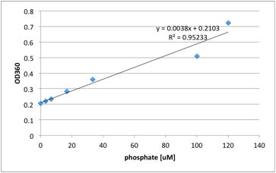

0 | 0.211
3.333333333 | 0.217
6.666666667 | 0.233
16.66666667 | 0.253
33.33333333 | 0.307
100 | 0.431
120 | 0.637

 |  |  |  |  |  |  |  |  |  |  |  | (OD360-0.2049)/0.0031*(150/10)

X(phosphate)= | (OD360-0.2103)/0.0038*(150/36)

OD360
 | High |  |  |  |  | Low |  |  |  |  | OD360 | 14028s/pUH | 14028s/pmgtC | phoB/pUH | phoB/pmgtC
 | 14028s | phoR L421A | phoR L421G | phoB | mgtC | 14028s | phoR L421A | phoR L421G | phoB | mgtC |  | 0.321 | 0.304 | 0.346 | 0.313
 | 0.617 | 0.614 | 0.633 | 0.645 | 0.634 | 0.635 | 0.626 | 0.626 | 0.64 | 0.631 |  | 0.324 | 0.31 | 0.362 | 0.315
 | 0.618 | 0.614 | 0.634 | 0.647 | 0.636 | 0.636 | 0.627 | 0.627 | 0.643 | 0.632 |  | 0.351 | 0.323 | 0.352 | 0.348
 | 0.619 | 0.616 | 0.635 | 0.648 | 0.638 | 0.638 | 0.629 | 0.628 | 0.645 | 0.635
 | 0.608 | 0.602 | 0.635 | 0.634 | 0.622 | 0.641 | 0.626 | 0.635 | 0.636 | 0.639
 | 0.608 | 0.603 | 0.638 | 0.634 | 0.623 | 0.643 | 0.628 | 0.636 | 0.637 | 0.643 | phosphate concentration [uM]
 | 0.609 | 0.604 | 0.639 | 0.637 | 0.624 | 0.644 | 0.63 | 0.638 | 0.64 | 0.647 |  | 14028s/pUH | 14028s/pmgtC | phoB/pUH | phoB/pmgtC
 | 0.545 | 0.534 | 0.606 | 0.579 | 0.595 | 0.608 | 0.6 | 0.625 | 0.604 | 0.54 |  | 561.7741935 | 479.516129 | 682.7419355 | 523.0645161
 | 0.548 | 0.537 | 0.61 | 0.582 | 0.599 | 0.611 | 0.605 | 0.628 | 0.609 | 0.545 |  | 576.2903226 | 508.5483871 | 760.1612903 | 532.7419355
 | 0.553 | 0.542 | 0.614 | 0.586 | 0.604 | 0.616 | 0.61 | 0.632 | 0.613 | 0.55 |  | 706.9354839 | 571.4516129 | 711.7741935 | 692.4193548
 |  |  |  |  |  |  |  |  |  |  | AVE | 615 | 519.8387097 | 718.2258065 | 582.7419355
 |  |  |  |  |  |  |  |  |  |  | STD | 79.94860472 | 46.9961364 | 39.11082469 | 95.10659992
 |  |  |  |  |  |  |  |  |  |  | SEM | 47.02859101 | 27.64478612 | 23.00636746 | 55.94505878
 | High |  |  |  |  | Low
phosphate concentration [uM] | 14028s | phoR L421A | phoR L421G | phoB | mgtC | 14028s | phoR L421A | phoR L421G | phoB | mgtC
 | 1605.4 | 1593.6 | 1668.6 | 1715.9 | 1672.5 | 1676.4 | 1640.9 | 1640.9 | 1696.2 | 1660.7 | protein conc in 150 ul (mg)
 | 1609.3 | 1593.6 | 1672.5 | 1723.8 | 1680.4 | 1680.4 | 1644.9 | 1644.9 | 1708.0 | 1664.6 |  | 2.148 | 2.01465 | 2.51375 | 2.09797
 | 1613.3 | 1601.4 | 1676.4 | 1727.8 | 1688.3 | 1688.3 | 1652.8 | 1648.8 | 1715.9 | 1676.4 | phosphate concentration [uM/mg] | 14028s/pUH | 14028s/pmgtC | phoB/pUH | phoB/pmgtC
 | 1569.9 | 1546.2 | 1676.4 | 1672.5 | 1625.1 | 1700.1 | 1640.9 | 1676.4 | 1680.4 | 1692.2 | AVE | 286.3128492 | 258.0292903 | 285.7188688 | 277.7646656
 | 1569.9 | 1550.1 | 1688.3 | 1672.5 | 1629.1 | 1708.0 | 1648.8 | 1680.4 | 1684.3 | 1708.0 | SEM | 21.89412989 | 13.72188029 | 9.152209831 | 26.66628159
 | 1573.8 | 1554.1 | 1692.2 | 1684.3 | 1633.0 | 1712.0 | 1656.7 | 1688.3 | 1696.2 | 1723.8
 | 1321.2 | 1277.8 | 1562.0 | 1455.4 | 1518.6 | 1569.9 | 1538.3 | 1637.0 | 1554.1 | 1301.4
 | 1333.0 | 1289.6 | 1577.8 | 1467.2 | 1534.3 | 1581.7 | 1558.0 | 1648.8 | 1573.8 | 1321.2
 | 1352.8 | 1309.3 | 1593.6 | 1483.0 | 1554.1 | 1601.4 | 1577.8 | 1664.6 | 1589.6 | 1340.9
average | 1505.4 | 1479.5 | 1645.3 | 1622.5 | 1615.0 | 1657.6 | 1617.7 | 1658.9 | 1655.4 | 1565.5
STD | 121.3 | 134.0 | 48.8 | 110.7 | 60.6 | 53.5 | 43.5 | 17.9 | 60.1 | 174.0

protein contents in 150 ul sample (mg)
 | 1.6818 | 1.68615 | 1.8984 | 1.7259 | 1.7877 | 2.1129 | 2.148 | 2.04465 | 2.01375 | 1.9797

 | High |  |  |  |  | Low
phosphate concentration [uM/mg] | 14028s | phoR L421A | phoR L421G | phoB | mgtC | 14028s | phoR L421A | phoR L421G | phoB | mgtC
Average | 895.1092501 | 877.4530996 | 866.6808984 | 940.0892288 | 903.4199584 | 784.5083626 | 753.1077461 | 811.3386197 | 822.0458035 | 790.7675184
STD | 72.11395448 | 79.46908114 | 25.71864774 | 64.16675179 | 33.92280387 | 25.30778045 | 20.23216648 | 8.734507845 | 29.82838305 | 87.8907762

