Figure 1b
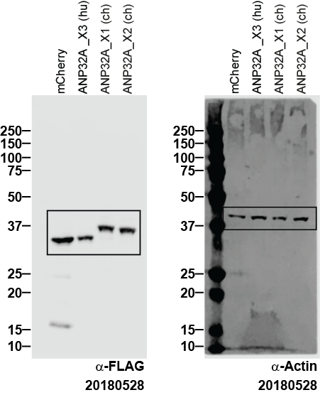
Figure 1b | anti-FLAG | anti-Actin

Figure 1e
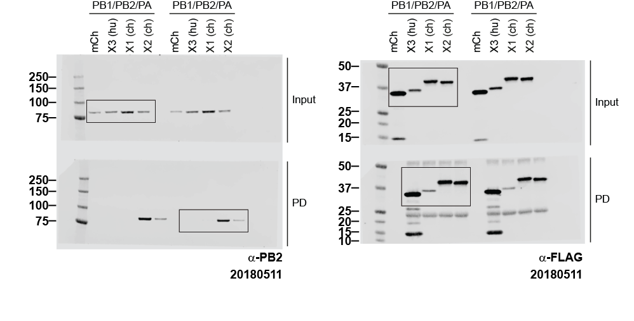
Figure 1e | anti-PB2 | anti-FLAG

Figure 2b
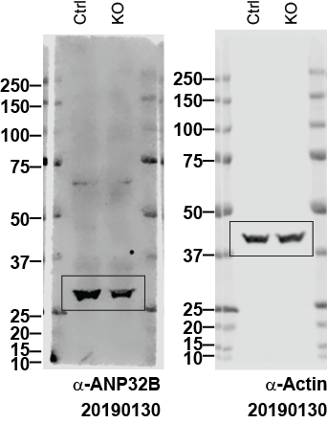
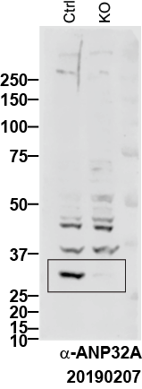
Figure 2b | anti-ANP32A | anti-ANP32B | anti-Actin

Figure 2c
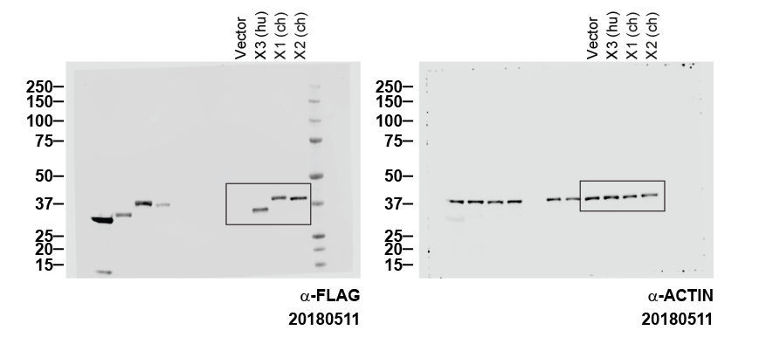
Figure 2c | anti-FLAG | anti-Actin

SupFigure 1f
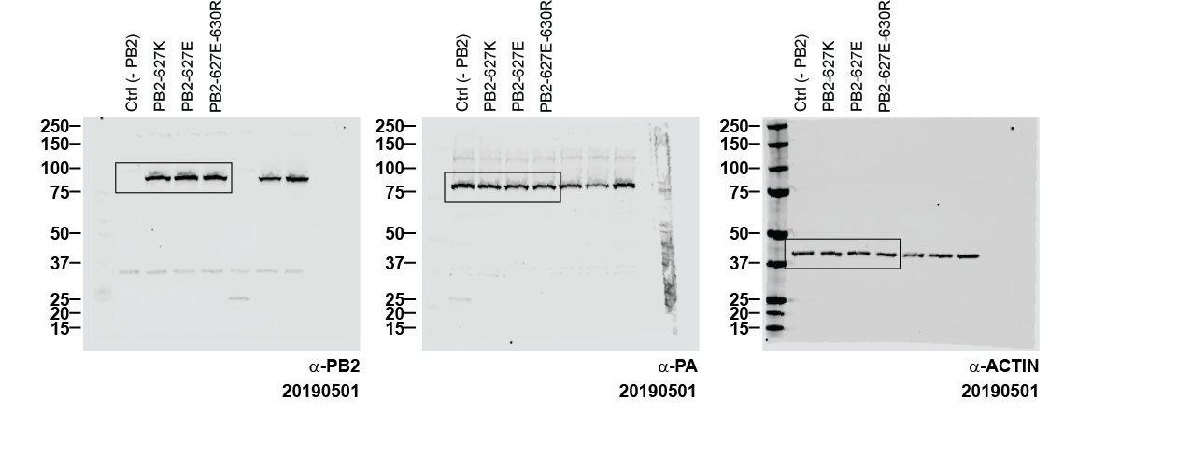
SupFigure 1f | anti-PB2 | anti-PA | anti-Actin

