Figure 1c
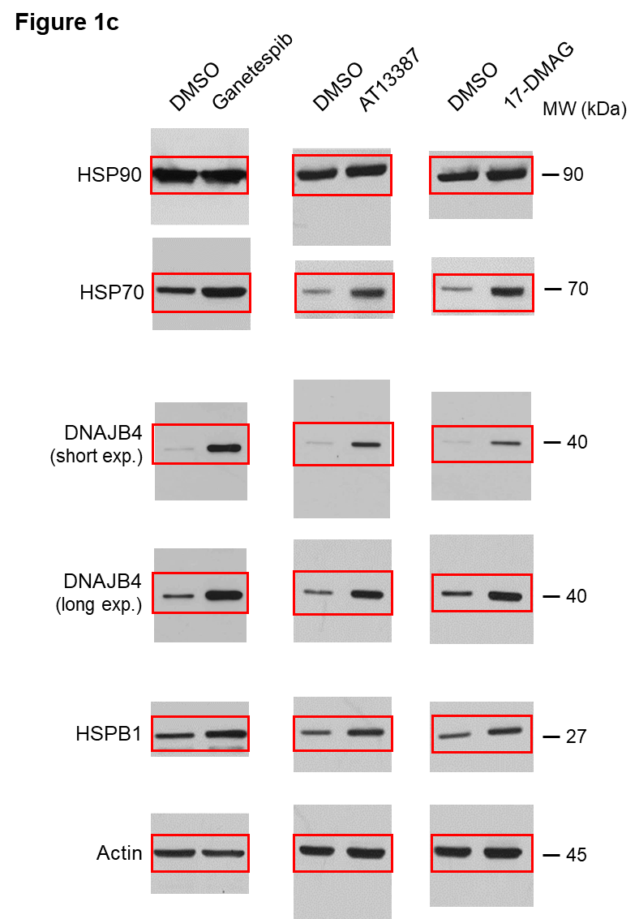

Antibodies:
anti-HSP90: Santa Cruz Biotechnology, sc-13119
anti-HSP70: Stressgen, SPA-810
anti-DNAJB4: Santa Cruz Biotechnology, sc-100711
anti-HSPB1: Santa Cruz Biotechnology, sc-13132
anti-Actin: Cell Signaling #4967

Figure 3
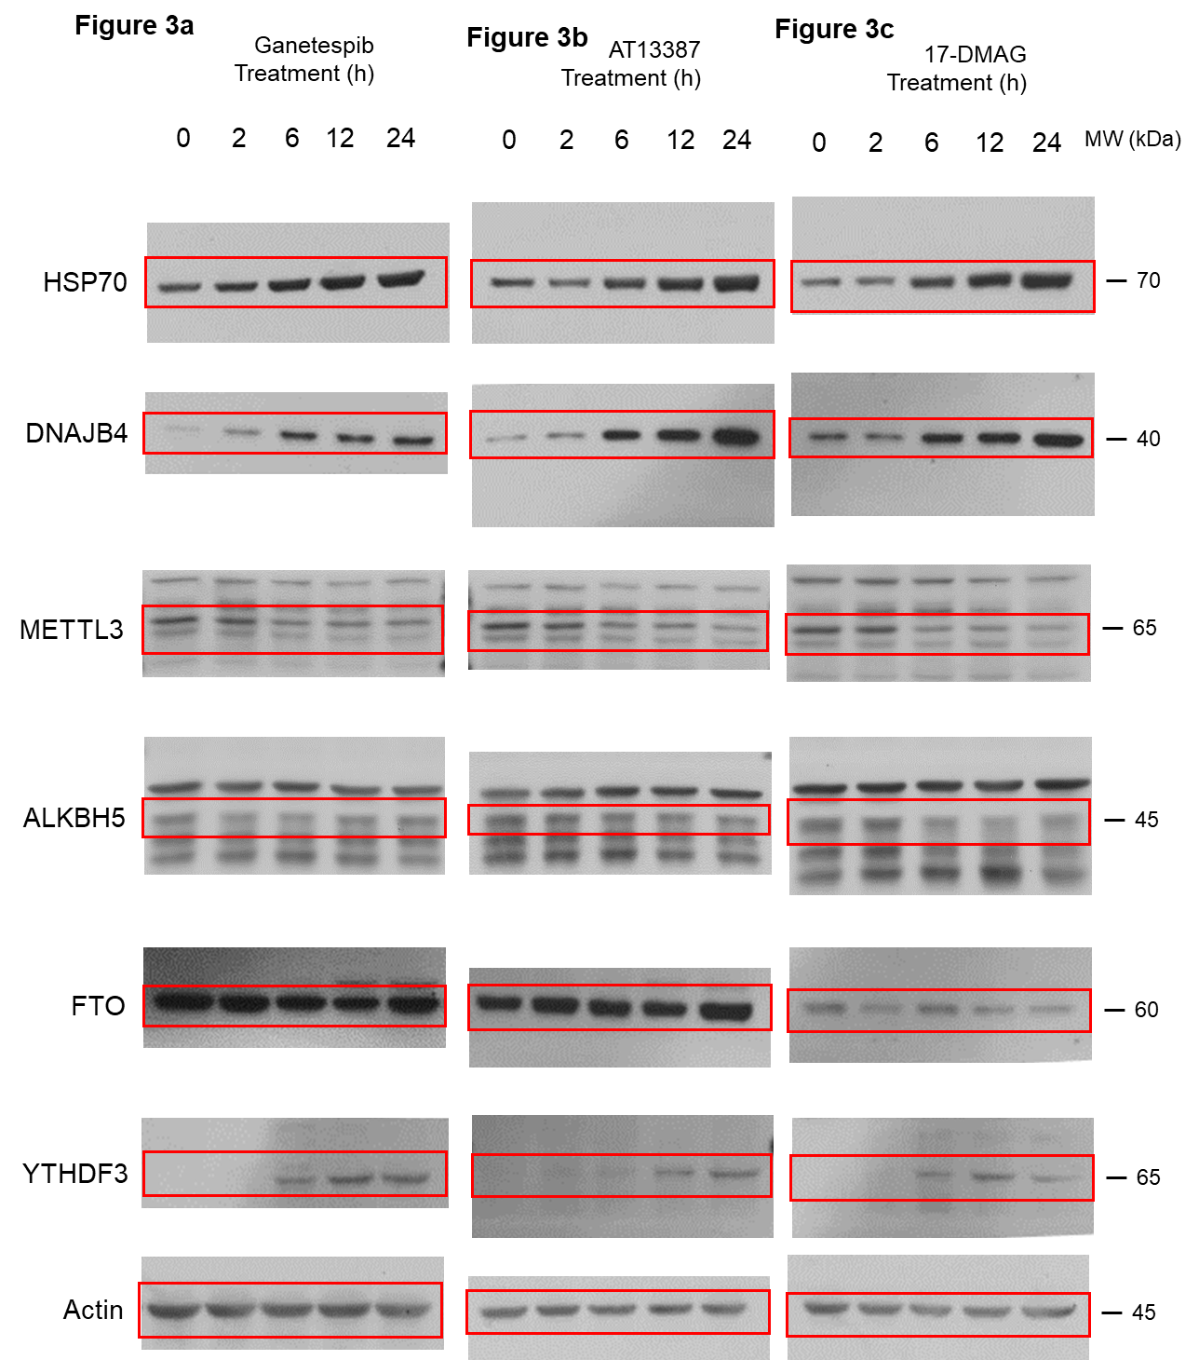

 |  |  |  |  |  |  |  |  |  |  |  |  | Antibodies:
 |  |  |  |  |  |  |  |  |  |  |  |  | anti-HSP70: Stressgen, SPA-810
 |  |  |  |  |  |  |  |  |  |  |  |  | anti-DNAJB4: Santa Cruz Biotechnology, sc-100711
 |  |  |  |  |  |  |  |  |  |  |  |  | anti-METTL3: Proteintech, 15073-1-AP
 |  |  |  |  |  |  |  |  |  |  |  |  | anti-ALKBH5: Proteintech, 16837-1-AP
 |  |  |  |  |  |  |  |  |  |  |  |  | anti-FTO: Santa Cruz Biotechnology, sc-271713
 |  |  |  |  |  |  |  |  |  |  |  |  | anti-YTHDF3: Santa Cruz Biotechnology, SC-377119
 |  |  |  |  |  |  |  |  |  |  |  |  | anti-Actin: Cell Signaling #4967

Figure 3a
 | Ganetespib 2h |  |  |  |  |  | Ganetespib 6h |  |  |  |  |  | Ganetespib 12h |  |  |  |  |  | Ganetespib 24h
 | Replicate 1 | Replicate 2 | Replicate 3 | Average | S.D. |  | Replicate 1 | Replicate 2 | Replicate 3 | Average | S.D. |  | Replicate 1 | Replicate 2 | Replicate 3 | Average | S.D. |  | Replicate 1 | Replicate 2 | Replicate 3 | Average | S.D.
HSP70 | 1.19 | 1.26 | 1.32 | 1.26 | 0.07 | HSP70 | 1.78 | 1.69 | 1.82 | 1.76 | 0.07 | HSP70 | 2.41 | 2.17 | 2.39 | 2.32 | 0.13 | HSP70 | 2.31 | 2.50 | 2.56 | 2.46 | 0.13
DNAJB4 | 1.12 | 5.78 | 3.40 | 3.43 | 2.33 | DNAJB4 | 19.34 | 20.06 | 17.95 | 19.12 | 1.07 | DNAJB4 | 18.05 | 24.35 | 17.11 | 19.84 | 3.94 | DNAJB4 | 22.50 | 24.31 | 20.13 | 22.31 | 2.10
METTL3 | 0.99 | 1.01 | 1.04 | 1.01 | 0.03 | METTL3 | 0.44 | 0.41 | 0.63 | 0.49 | 0.12 | METTL3 | 0.60 | 0.60 | 0.60 | 0.60 | 0.00 | METTL3 | 0.41 | 0.57 | 0.32 | 0.43 | 0.13
ALKBH5 | 1.22 | 0.71 | 0.86 | 0.93 | 0.26 | ALKBH5 | 0.58 | 0.65 | 0.66 | 0.63 | 0.04 | ALKBH5 | 0.89 | 0.82 | 0.92 | 0.88 | 0.05 | ALKBH5 | 0.95 | 0.71 | 0.62 | 0.76 | 0.17
FTO | 0.73 | 1.25 | 0.84 | 0.94 | 0.27 | FTO | 0.69 | 1.55 | 1.52 | 1.25 | 0.49 | FTO | 0.67 | 1.49 | 1.23 | 1.13 | 0.42 | FTO | 0.97 | 2.03 | 1.53 | 1.51 | 0.53
YTHDF3 | 1.99 | 2.23 | 1.53 | 1.92 | 0.36 | YTHDF3 | 44.75 | 38.55 | 38.50 | 40.60 | 3.59 | YTHDF3 | 62.50 | 66.90 | 54.70 | 61.37 | 6.18 | YTHDF3 | 65.30 | 69.20 | 80.10 | 71.53 | 7.67

Figure 3b
 | AT13387 2h |  |  |  |  |  | AT13387 6h |  |  |  |  |  | AT13387 12h |  |  |  |  |  | AT13387 24h
 | Replicate 1 | Replicate 2 | Replicate 3 | Average | S.D. |  | Replicate 1 | Replicate 2 | Replicate 3 | Average | S.D. |  | Replicate 1 | Replicate 2 | Replicate 3 | Average | S.D. |  | Replicate 1 | Replicate 2 | Replicate 3 | Average | S.D.
HSP70 | 0.76 | 0.91 | 1.25 | 0.97 | 0.25 | HSP70 | 1.82 | 1.34 | 1.51 | 1.56 | 0.24 | HSP70 | 2.11 | 2.59 | 1.91 | 2.20 | 0.35 | HSP70 | 2.71 | 2.63 | 2.60 | 2.65 | 0.06
DNAJB4 | 1.66 | 2.06 | 1.82 | 1.85 | 0.20 | DNAJB4 | 2.11 | 5.23 | 4.22 | 3.85 | 1.59 | DNAJB4 | 5.60 | 3.25 | 5.53 | 4.79 | 1.33 | DNAJB4 | 7.23 | 9.89 | 5.67 | 7.60 | 2.13
METTL3 | 0.98 | 0.81 | 0.83 | 0.87 | 0.09 | METTL3 | 0.45 | 0.47 | 0.52 | 0.48 | 0.04 | METTL3 | 0.46 | 0.62 | 0.51 | 0.53 | 0.08 | METTL3 | 0.19 | 0.39 | 0.22 | 0.27 | 0.11
ALKBH5 | 1.19 | 0.98 | 0.75 | 0.97 | 0.22 | ALKBH5 | 0.68 | 0.69 | 0.71 | 0.69 | 0.02 | ALKBH5 | 0.81 | 0.59 | 0.73 | 0.71 | 0.11 | ALKBH5 | 0.56 | 0.53 | 0.56 | 0.55 | 0.02
FTO | 1.31 | 1.18 | 0.74 | 1.08 | 0.30 | FTO | 0.53 | 0.60 | 1.22 | 0.78 | 0.38 | FTO | 0.64 | 1.25 | 0.70 | 0.86 | 0.34 | FTO | 0.78 | 1.19 | 1.68 | 1.22 | 0.45
YTHDF3 | 3.55 | 2.01 | 2.83 | 2.80 | 0.77 | YTHDF3 | 4.79 | 6.27 | 5.55 | 5.54 | 0.74 | YTHDF3 | 13.97 | 12.73 | 8.24 | 11.65 | 3.01 | YTHDF3 | 15.60 | 18.10 | 15.30 | 16.33 | 1.54

Figure 3c
 | 17-DMAG 2h |  |  |  |  |  | 17-DMAG 6h |  |  |  |  |  | 17-DMAG 12h |  |  |  |  |  | 17-DMAG 24h
 | Replicate 1 | Replicate 2 | Replicate 3 | Average | S.D. |  | Replicate 1 | Replicate 2 | Replicate 3 | Average | S.D. |  | Replicate 1 | Replicate 2 | Replicate 3 | Average | S.D. |  | Replicate 1 | Replicate 2 | Replicate 3 | Average | S.D.
HSP70 | 1.55 | 1.35 | 1.03 | 1.31 | 0.26 | HSP70 | 2.59 | 2.52 | 2.51 | 2.54 | 0.04 | HSP70 | 5.03 | 3.49 | 3.98 | 4.17 | 0.79 | HSP70 | 4.85 | 4.71 | 4.73 | 4.76 | 0.08
DNAJB4 | 2.24 | 1.97 | 2.11 | 2.11 | 0.14 | DNAJB4 | 2.01 | 3.88 | 4.32 | 3.40 | 1.23 | DNAJB4 | 4.97 | 2.83 | 3.59 | 3.80 | 1.08 | DNAJB4 | 3.03 | 6.11 | 7.91 | 5.68 | 2.47
METTL3 | 0.42 | 0.75 | 0.83 | 0.67 | 0.22 | METTL3 | 0.43 | 0.44 | 0.49 | 0.45 | 0.03 | METTL3 | 0.47 | 0.46 | 0.49 | 0.47 | 0.02 | METTL3 | 0.48 | 0.44 | 0.38 | 0.43 | 0.05
ALKBH5 | 0.95 | 0.95 | 0.89 | 0.93 | 0.03 | ALKBH5 | 0.57 | 0.68 | 0.69 | 0.65 | 0.07 | ALKBH5 | 0.51 | 0.67 | 0.57 | 0.58 | 0.08 | ALKBH5 | 0.98 | 0.59 | 0.89 | 0.82 | 0.20
FTO | 1.31 | 1.18 | 0.74 | 1.08 | 0.30 | FTO | 1.15 | 1.02 | 0.77 | 0.98 | 0.19 | FTO | 0.44 | 0.50 | 0.40 | 0.45 | 0.05 | FTO | 0.49 | 0.61 | 0.57 | 0.56 | 0.06
YTHDF3 | 2.59 | 3.05 | 3.22 | 2.95 | 0.33 | YTHDF3 | 25.90 | 28.90 | 36.10 | 30.30 | 5.24 | YTHDF3 | 44.60 | 48.01 | 53.90 | 48.84 | 4.70 | YTHDF3 | 46.80 | 42.20 | 40.10 | 43.03 | 3.43

Figure 4
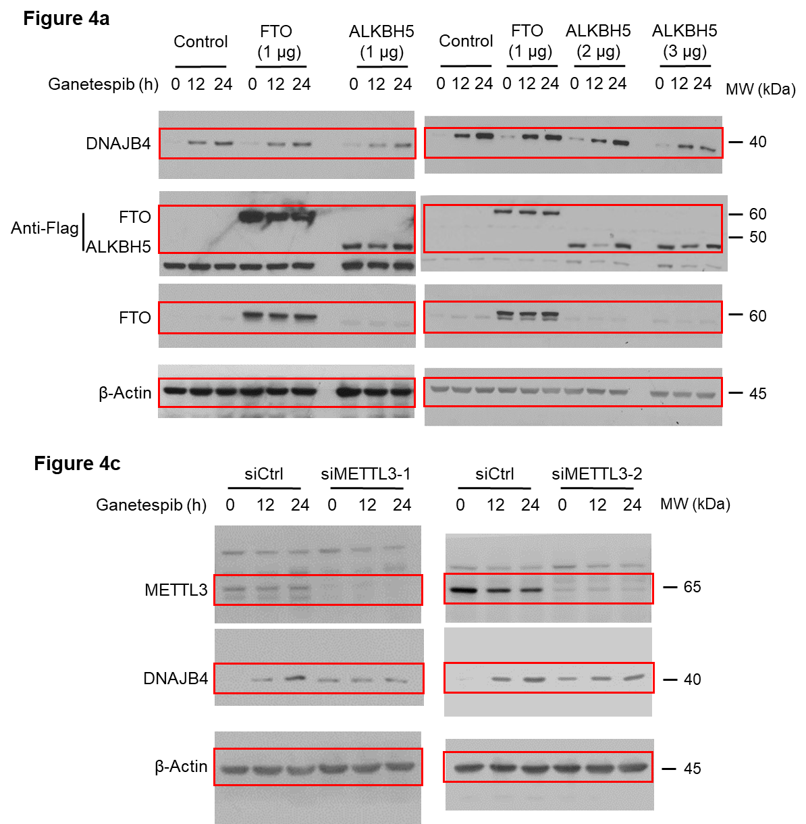

 |  |  |  |  |  |  |  |  |  | Antibodies:
 |  |  |  |  |  |  |  |  |  | anti-DNAJB4: Santa Cruz Biotechnology, sc-100711
 |  |  |  |  |  |  |  |  |  | anti-FLAG: Cell Signaling #2368
 |  |  |  |  |  |  |  |  |  | anti-FTO: Santa Cruz Biotechnology, sc-271713
 |  |  |  |  |  |  |  |  |  | anti-Actin: Cell Signaling #4967
 |  |  |  |  |  |  |  |  |  | anti-METTL3: Proteintech, 15073-1-AP

Figure 4b
 | Ganetespib 12h |  |  |  |  |  | Ganetespib 24h
 | Replicate 1 | Replicate 2 | Replicate 3 | Average | S.D. |  | Replicate 1 | Replicate 2 | Replicate 3 | Average | S.D.
Control | 15.17 | 14.04 | 14.85 | 14.69 | 0.58 | Control | 26.71 | 18.41 | 26.41 | 23.84 | 4.71
FTO | 10.49 | 11.22 | 9.78 | 10.50 | 0.72 | FTO | 15.11 | 14.73 | 14.41 | 14.75 | 0.35
ALKBH5 1 mg | 5.22 | 5.73 | 4.36 | 5.10 | 0.69 | ALKBH5 1 mg | 8.76 | 9.71 | 10.34 | 9.60 | 0.80
ALKBH5 2 mg | 5.38 | 4.07 | 4.06 | 4.50 | 0.76 | ALKBH5 2 mg | 10.24 | 3.92 | 7.58 | 7.25 | 3.17
ALKBH5 3 mg | 4.09 | 5.96 | 2.71 | 4.25 | 1.63 | ALKBH5 3 mg | 4.89 | 3.55 | 2.81 | 3.75 | 1.05

Figure 4d
 | Ganetespib 12h |  |  |  |  |  | Ganetespib 24h
 | Replicate 1 | Replicate 2 | Replicate 3 | Average | S.D. |  | Replicate 1 | Replicate 2 | Replicate 3 | Average | S.D.
siControl | 16.81 | 11.04 | 11.05 | 12.97 | 3.33 | siControl | 26.25 | 19.51 | 23.78 | 23.18 | 3.41
siMETTL3-1 | 1.03 | 1.55 | 3.09 | 1.89 | 1.07 | siMETTL3-1 | 1.05 | 1.34 | 2.72 | 1.70 | 0.89
siMETTL3-2 | 1.48 | 2.09 | 1.85 | 1.81 | 0.31 | siMETTL3-2 | 1.98 | 2.17 | 1.99 | 2.05 | 0.11

Figure 5
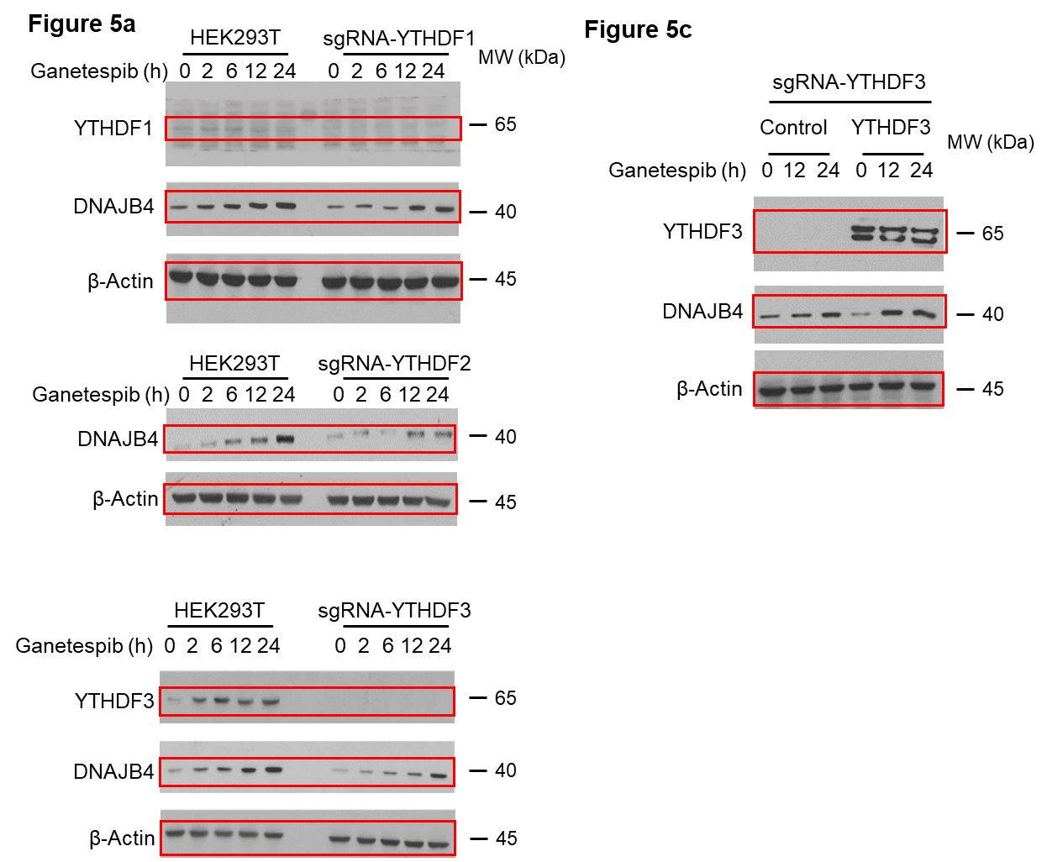

 |  |  |  |  |  |  |  |  |  | Antibodies:
 |  |  |  |  |  |  |  |  |  | anti-DNAJB4: Santa Cruz Biotechnology, sc-100711
 |  |  |  |  |  |  |  |  |  | anti-YTHDF1: Abcam, ab99080
 |  |  |  |  |  |  |  |  |  | anti-YTHDF3: Santa Cruz Biotechnology, SC-377119
 |  |  |  |  |  |  |  |  |  | anti-Actin: Cell Signaling #4967

Figure 5b
 | Ganetespib 2h |  |  |  |  |  | Ganetespib 6h |  |  |  |  |  | Ganetespib 12h |  |  |  |  |  | Ganetespib 24h
 | Replicate 1 | Replicate 2 | Replicate 3 | Average | S.D. |  | Replicate 1 | Replicate 2 | Replicate 3 | Average | S.D. |  | Replicate 1 | Replicate 2 | Replicate 3 | Average | S.D. |  | Replicate 1 | Replicate 2 | Replicate 3 | Average | S.D.
293T | 1.80 | 1.90 | 1.90 | 1.87 | 0.06 | 293T | 2.60 | 2.30 | 2.90 | 2.60 | 0.30 | 293T | 4.70 | 4.50 | 3.60 | 4.27 | 0.59 | 293T | 5.60 | 8.20 | 5.80 | 6.53 | 1.45
sgRNA-YTHDF1 | 1.21 | 0.52 | 1.01 | 0.91 | 0.36 | sgRNA-YTHDF1 | 0.91 | 1.59 | 1.25 | 1.25 | 0.34 | sgRNA-YTHDF1 | 2.37 | 2.50 | 2.47 | 2.45 | 0.07 | sgRNA-YTHDF1 | 3.43 | 3.70 | 3.67 | 3.60 | 0.15
sgRNA-YTHDF2 | 1.10 | 1.12 | 1.11 | 1.11 | 0.01 | sgRNA-YTHDF2 | 0.35 | 0.63 | 0.53 | 0.50 | 0.14 | sgRNA-YTHDF2 | 2.53 | 2.93 | 2.79 | 2.75 | 0.20 | sgRNA-YTHDF2 | 2.61 | 3.23 | 3.02 | 2.95 | 0.32
sgRNA-YTHDF3 | 1.01 | 1.68 | 1.39 | 1.36 | 0.34 | sgRNA-YTHDF3 | 0.3 | 1.59 | 0.96 | 0.95 | 0.65 | sgRNA-YTHDF3 | 2.90 | 2.64 | 2.86 | 2.80 | 0.14 | sgRNA-YTHDF3 | 4.82 | 4.41 | 4.72 | 4.65 | 0.21

Figure 5d
 | Ganetespib 12h |  |  |  |  |  |  | Ganetespib 24h
 | Replicate 1 | Replicate 2 | Replicate 3 | Replicate 4 | Average | S.D. |  | Replicate 1 | Replicate 2 | Replicate 3 | Replicate 4 | Average | S.D.
Control | 2.20 | 1.40 | 1.30 | 1.5 | 1.60 | 0.41 | Control | 2.1 | 4.5 | 3.5 | 2.1 | 3.05 | 1.17
YTHDF3 | 4.9 | 3.1 | 3.4 | 4.2 | 3.90 | 0.81 | YTHDF3 | 10 | 8.3 | 5.5 | 5.2 | 7.25 | 2.30

Figure 7
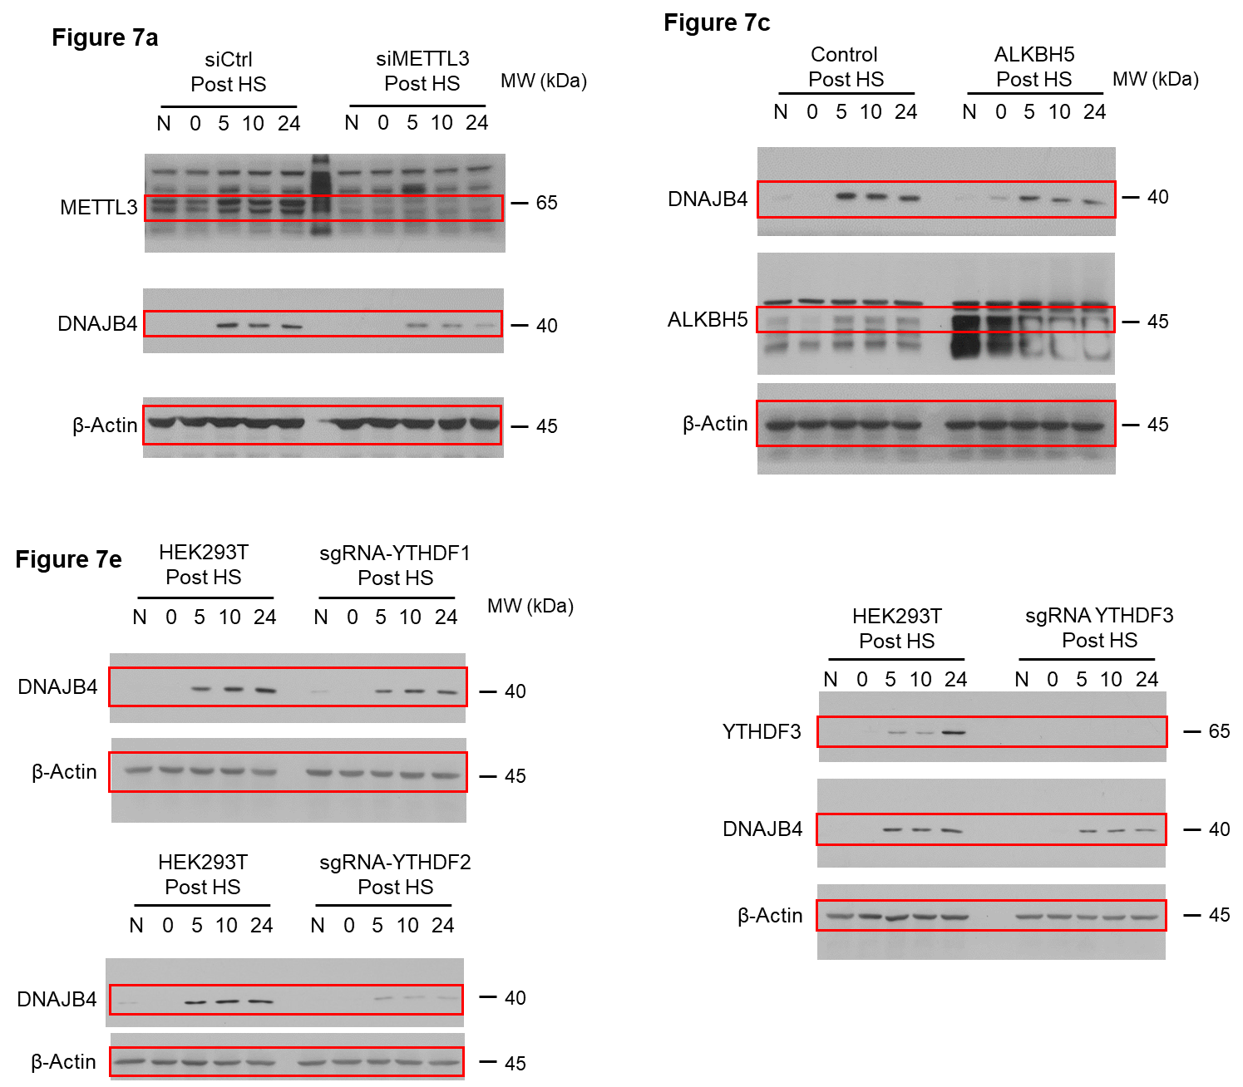

 |  |  |  |  |  |  |  |  |  |  |  | Antibodies:
 |  |  |  |  |  |  |  |  |  |  |  | anti-DNAJB4: Santa Cruz Biotechnology, sc-100711
 |  |  |  |  |  |  |  |  |  |  |  | anti-METTL3: Proteintech, 15073-1-AP
 |  |  |  |  |  |  |  |  |  |  |  | anti-ALKBH5: Proteintech, 16837-1-AP
 |  |  |  |  |  |  |  |  |  |  |  | anti-YTHDF3: Santa Cruz Biotechnology, SC-377119
 |  |  |  |  |  |  |  |  |  |  |  | anti-Actin: Cell Signaling #4967

Figure 7b
 | Ganetespib 5h |  |  |  |  |  | Ganetespib 10h |  |  |  |  |  | Ganetespib 24h
 | Replicate 1 | Replicate 2 | Replicate 3 | Average | S.D. |  | Replicate 1 | Replicate 2 | Replicate 3 | Average | S.D. |  | Replicate 1 | Replicate 2 | Replicate 3 | Average | S.D.
siControl | 1.03 | 0.76 | 0.83 | 0.87 | 0.14 | siControl | 0.75 | 0.56 | 0.69 | 0.67 | 0.10 | siControl | 0.26 | 0.59 | 0.43 | 0.43 | 0.16
siMETTL3 | 0.36 | 0.37 | 0.38 | 0.37 | 0.01 | siMETTL3 | 0.13 | 0.27 | 0.25 | 0.22 | 0.07 | siMETTL3 | 0 | 0.12 | 0.03 | 0.05 | 0.06

Figure 7d
 | Ganetespib 5h |  |  |  |  |  | Ganetespib 10h |  |  |  |  |  | Ganetespib 24h
 | Replicate 1 | Replicate 2 | Replicate 3 | Average | S.D. |  | Replicate 1 | Replicate 2 | Replicate 3 | Average | S.D. |  | Replicate 1 | Replicate 2 | Replicate 3 | Average | S.D.
Control | 69.00 | 31.00 | 47.00 | 49.00 | 19.08 | Control | 54.00 | 44.90 | 52.60 | 50.50 | 4.90 | Control | 52.00 | 24.00 | 32.00 | 36.00 | 14.42
ALKBH5 | 5.40 | 7.20 | 6.90 | 6.50 | 0.96 | ALKBH5 | 3.20 | 7.50 | 7.60 | 6.10 | 2.51 | ALKBH5 | 4.20 | 5.50 | 5.30 | 5.00 | 0.70

Figure 7f
 | Ganetespib 5h |  |  |  |  |  | Ganetespib 10h |  |  |  |  |  | Ganetespib 24h
 | Replicate 1 | Replicate 2 | Replicate 3 | Average | S.D. |  | Replicate 1 | Replicate 2 | Replicate 3 | Average | S.D. |  | Replicate 1 | Replicate 2 | Replicate 3 | Average | S.D.
293T | 0.71 | 0.8 | 0.76 | 0.76 | 0.05 | 293T | 0.69 | 0.9 | 1.03 | 0.87 | 0.17 | 293T | 0.78 | 0.9 | 1.23 | 0.97 | 0.23
sgRNA-YTHDF1 | 0.38 | 0.25 | 0.36 | 0.33 | 0.07 | sgRNA-YTHDF1 | 0.55 | 0.17 | 0.41 | 0.38 | 0.19 | sgRNA-YTHDF1 | 0.49 | 0.59 | 0.59 | 0.56 | 0.06
sgRNA-YTHDF2 | 0.11 | 0.36 | 0.32 | 0.26 | 0.13 | sgRNA-YTHDF2 | 0.07 | 0.38 | 0.34 | 0.26 | 0.17 | sgRNA-YTHDF2 | 0.14 | 0.27 | 0.16 | 0.19 | 0.07
sgRNA-YTHDF3 | 0.39 | 0.4 | 0.41 | 0.40 | 0.01 | sgRNA-YTHDF3 | 0.29 | 0.51 | 0.47 | 0.42 | 0.12 | sgRNA-YTHDF3 | 0.25 | 0.12 | 0.26 | 0.21 | 0.08

Supplementary Figure 3
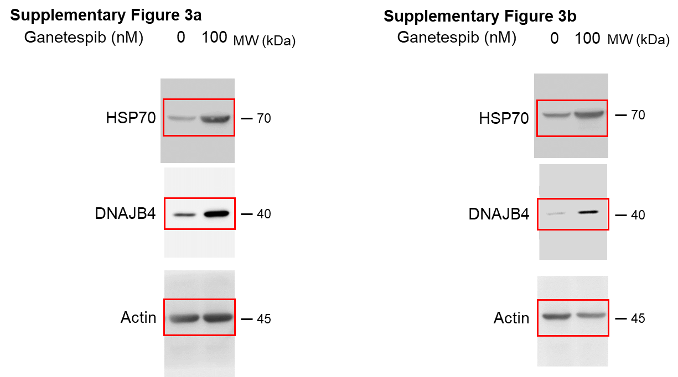

 |  |  |  |  |  |  |  |  |  |  |  | Antibodies:
 |  |  |  |  |  |  |  |  |  |  |  | anti-HSP70: Stressgen, SPA-810
 |  |  |  |  |  |  |  |  |  |  |  | anti-DNAJB4: Santa Cruz Biotechnology, sc-100711
 |  |  |  |  |  |  |  |  |  |  |  | anti-Actin: Cell Signaling #4967

Supplementary Figure 3
 | HSP70 |  |  |  |  |  | DNAJB4
 | Replicate 1 | Replicate 2 | Replicate 3 | Average | S.D. |  | Replicate 1 | Replicate 2 | Replicate 3 | Average | S.D.
HeLa | 6.24 | 3.98 | 3.95 | 4.72 | 1.31 | HeLa | 4.53 | 4.30 | 5.17 | 4.67 | 0.45
293T | 2.60 | 2.84 | 3.84 | 3.09 | 0.66 | 293T | 4.56 | 5.43 | 6.95 | 5.65 | 1.21

Supplementary Figure 8
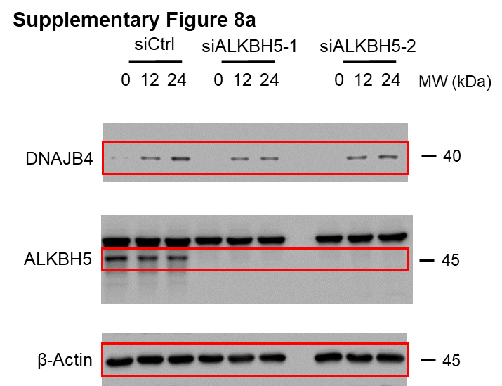

 |  |  |  |  |  |  |  | Antibodies:
 |  |  |  |  |  |  |  | anti-DNAJB4: Santa Cruz Biotechnology, sc-100711
 |  |  |  |  |  |  |  | anti-ALKBH5: Proteintech, 16837-1-AP
 |  |  |  |  |  |  |  | anti-Actin: Cell Signaling #4967

Supplementary Figure 8b
 | Ganetespib 12h |  |  |  |  |  | Ganetespib 24h
 | Replicate 1 | Replicate 2 | Replicate 3 | Average | S.D. |  | Replicate 1 | Replicate 2 | Replicate 3 | Average | S.D.
siControl | 13 | 13 | 17 | 14.33 | 2.31 | siControl | 17 | 22 | 22 | 20.33 | 2.89
siALKBH5-1 | 32 | 51 | 40 | 41.00 | 9.54 | siALKBH5-1 | 43 | 58 | 47 | 49.33 | 7.77
siALKBH5-2 | 39 | 56 | 49 | 48.00 | 8.54 | siALKBH5-2 | 40 | 68 | 60 | 56.00 | 14.42

Supplementary Figure 10
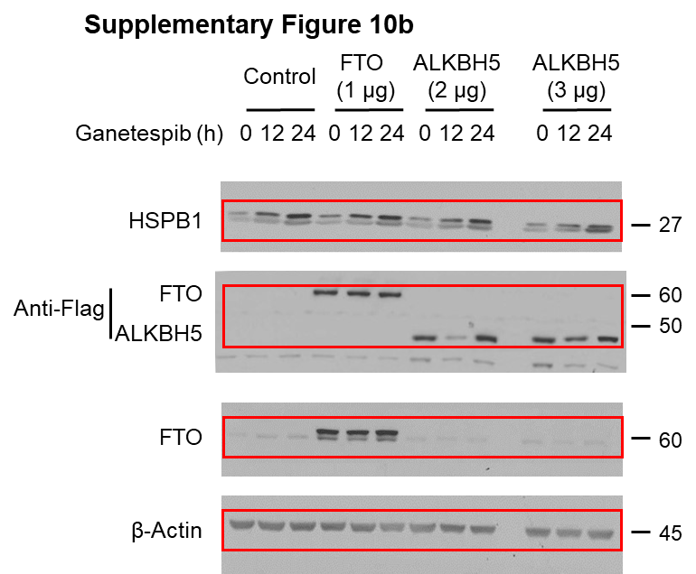

 |  |  |  |  |  |  |  |  | Antibodies:
 |  |  |  |  |  |  |  |  | anti-HSPB1: Santa Cruz Biotechnology, sc-13132
 |  |  |  |  |  |  |  |  | anti-FLAG: Cell Signaling #2368
 |  |  |  |  |  |  |  |  | anti-FTO: Santa Cruz Biotechnology, sc-271713
 |  |  |  |  |  |  |  |  | anti-Actin: Cell Signaling #4967

Supplementary Figure 10c
 | Ganetespib 12h |  |  |  |  |  | Ganetespib 24h
 | Replicate 1 | Replicate 2 | Replicate 3 | Average | S.D. |  | Replicate 1 | Replicate 2 | Replicate 3 | Average | S.D.
Control | 3.93 | 3.03 | 2.35 | 3.10 | 0.79 | Control | 5.90 | 3.53 | 4.96 | 4.80 | 1.19
FTO | 3.21 | 1.42 | 2.58 | 2.40 | 0.91 | FTO | 5.02 | 2.74 | 3.95 | 3.90 | 1.14
ALKBH5 2 mg | 3.83 | 1.36 | 2.31 | 2.50 | 1.25 | ALKBH5 2 mg | 5.58 | 2.46 | 3.97 | 4.00 | 1.56
ALKBH5 3 mg | 3.94 | 1.35 | 3.11 | 2.80 | 1.32 | ALKBH5 3 mg | 5.71 | 3.24 | 4.55 | 4.50 | 1.24

