Fig 1B
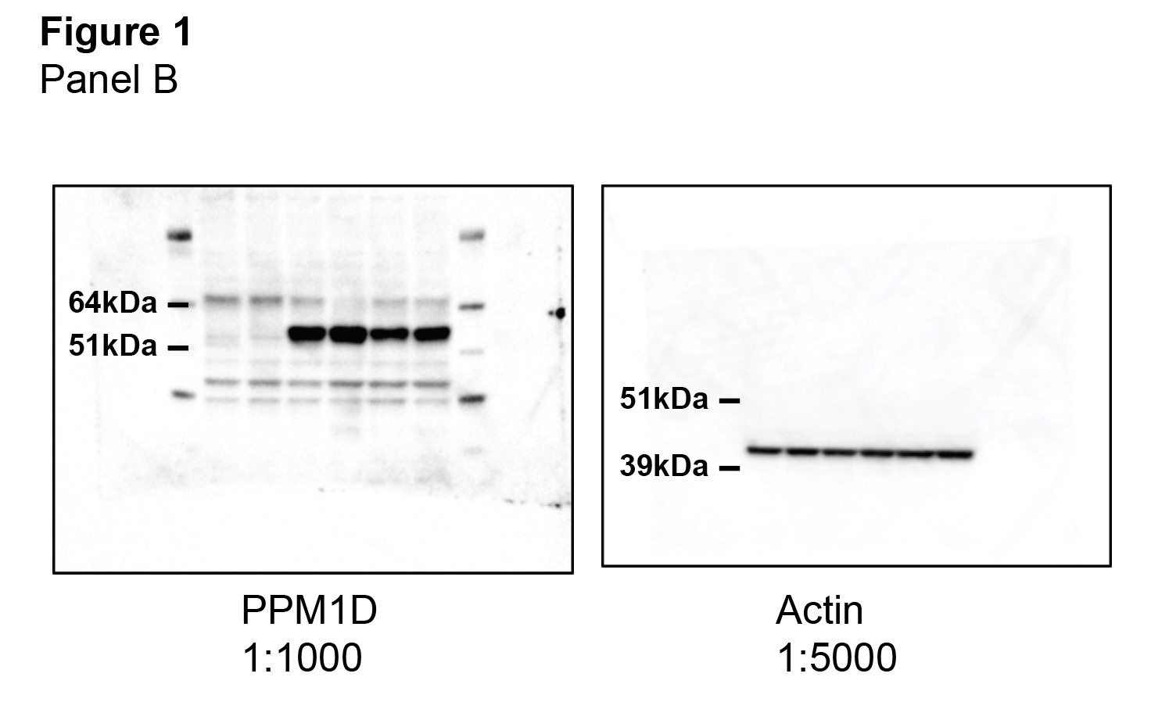
Figure 1B
Immunoblot of PPM1D-truncated astrocytes

Fig 1C
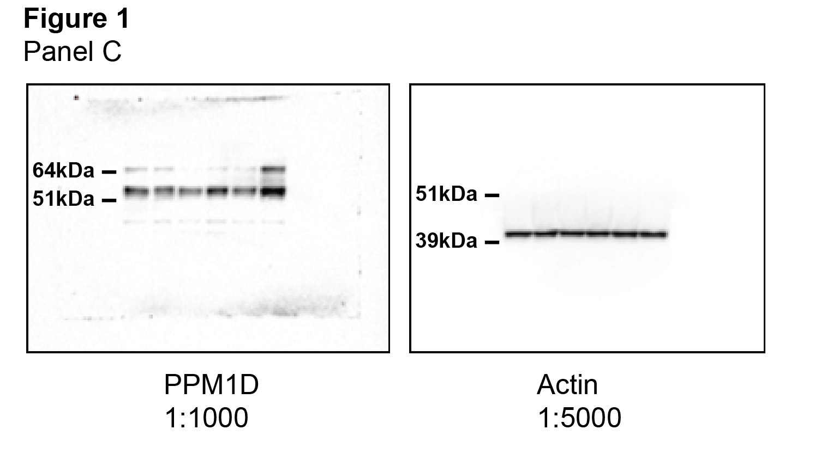
Figure 1C
Immunoblot of PPM1D expression post CHX treatment

Fig 2G
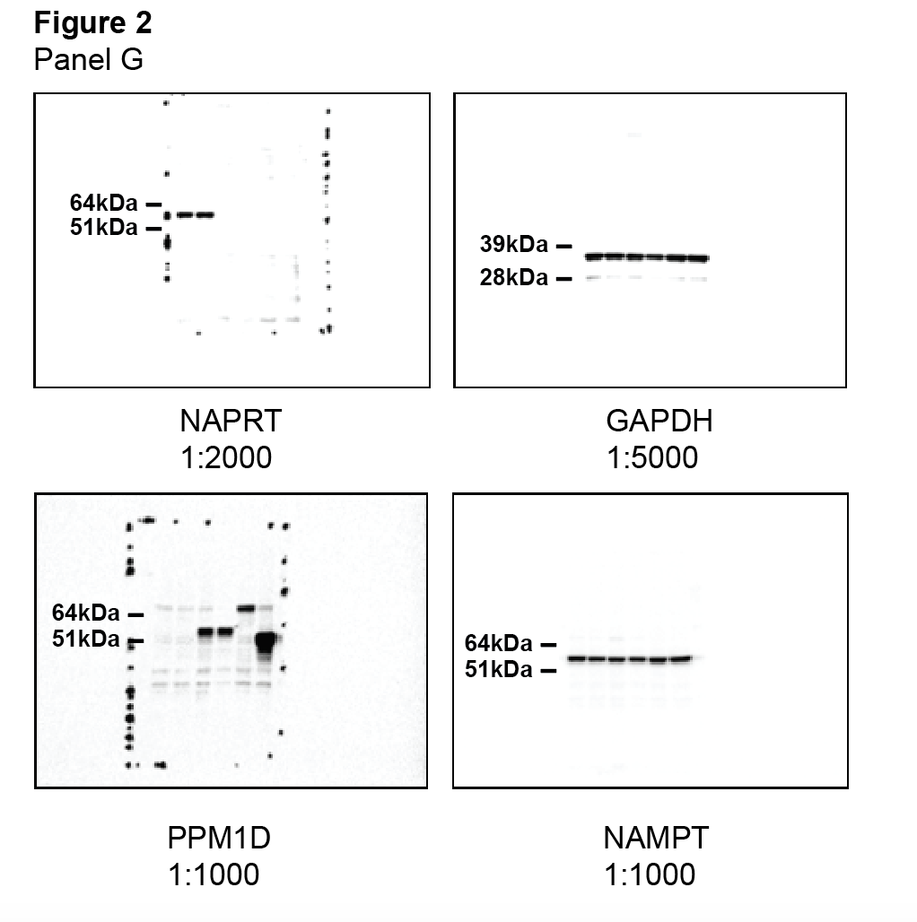
Figure 2G
Immunoblot of NAPRT expression in wild type and PPM1D mutant astrocyte models

Fig 2I
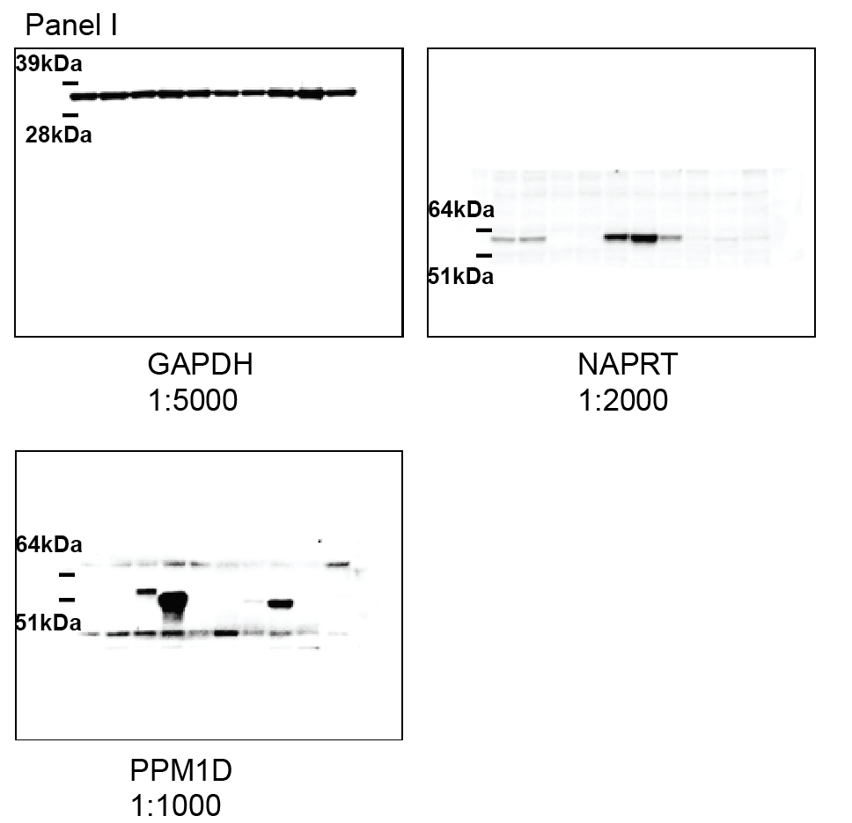
Figure 2I
Immunoblot of NAPRT expression in wild type and PPM1D mutant DIPG models

Sup Fig 1b
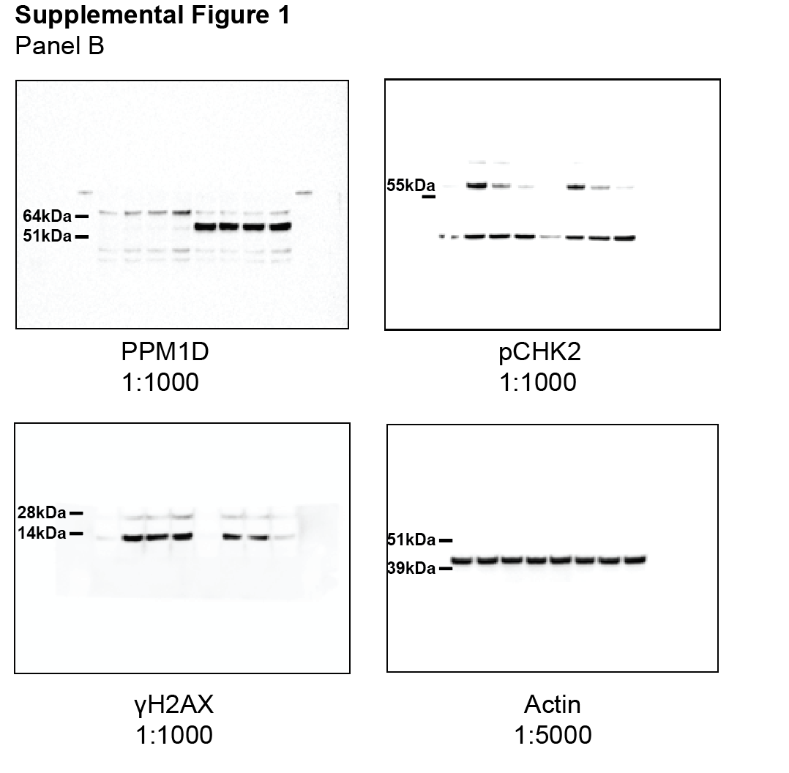
Supplementary Figure 1b
Immunoblot of CHK2and H2AX phosphorylation in response to IR

Sup Fig 1f
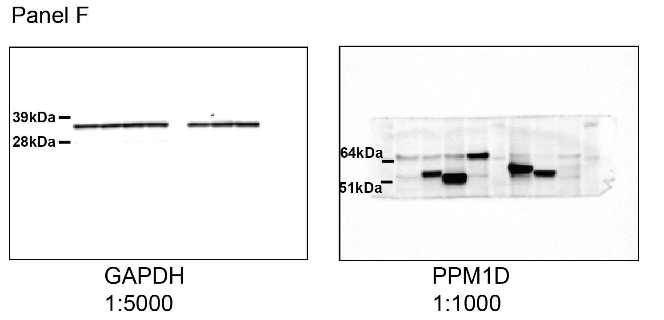
Supplementary Figure 1f
Immunoblot of PPM1D truncation in different cell models

Sup Fig 3b
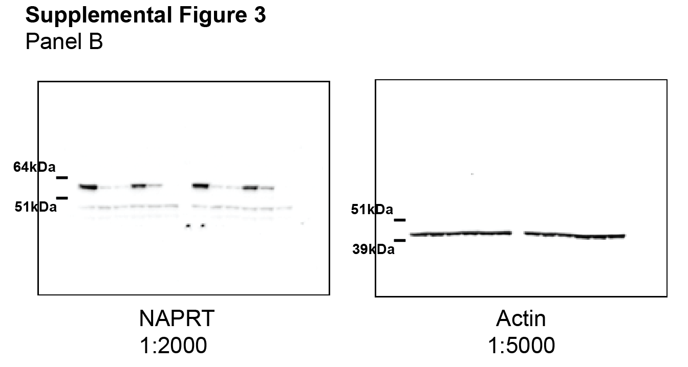
Supplementary Figure 3b
Immunoblot of NAPRT expression post siRNA transfection

Sup Fig 3d
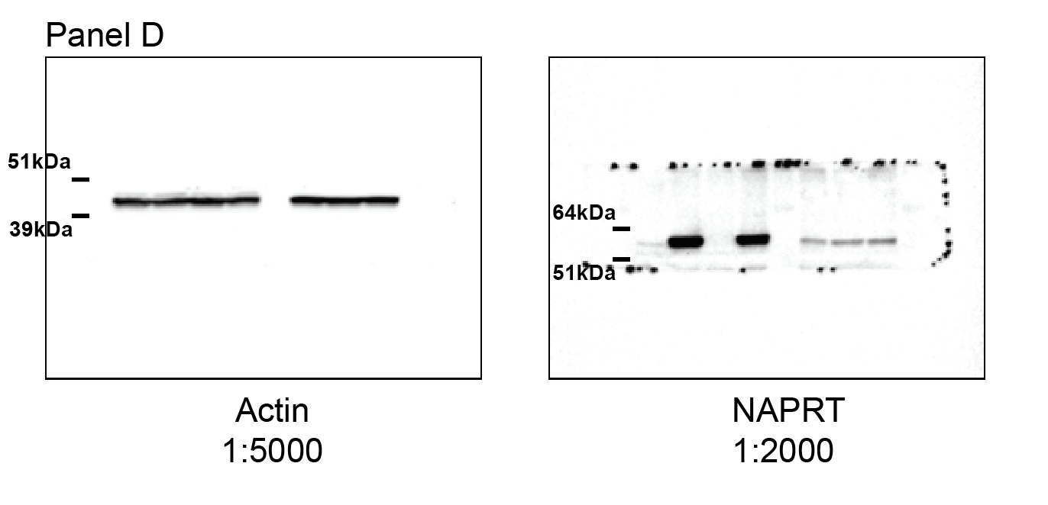
Supplementary Figure 3d
Immunoblot of astrocytes models +/- stable NAPRT expression

Sup Fig 5a
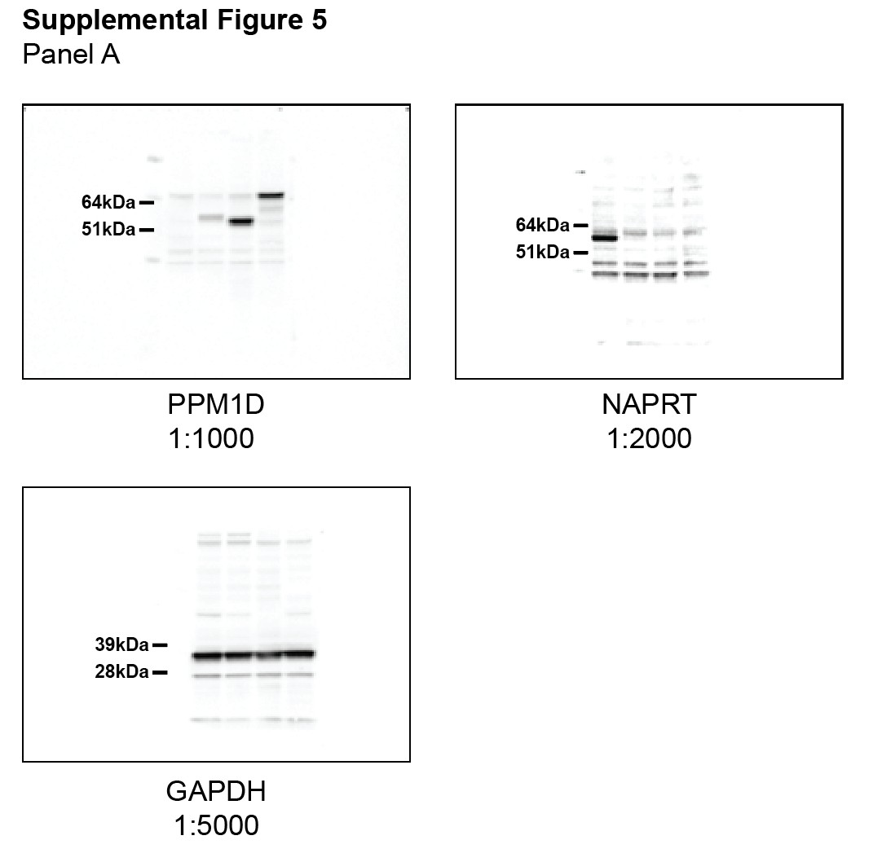
Supplementary Figure 5a
Immunoblot of NAPRT expression in non-glioma PPM1D-mutant cell lines

Sup Fig 6c
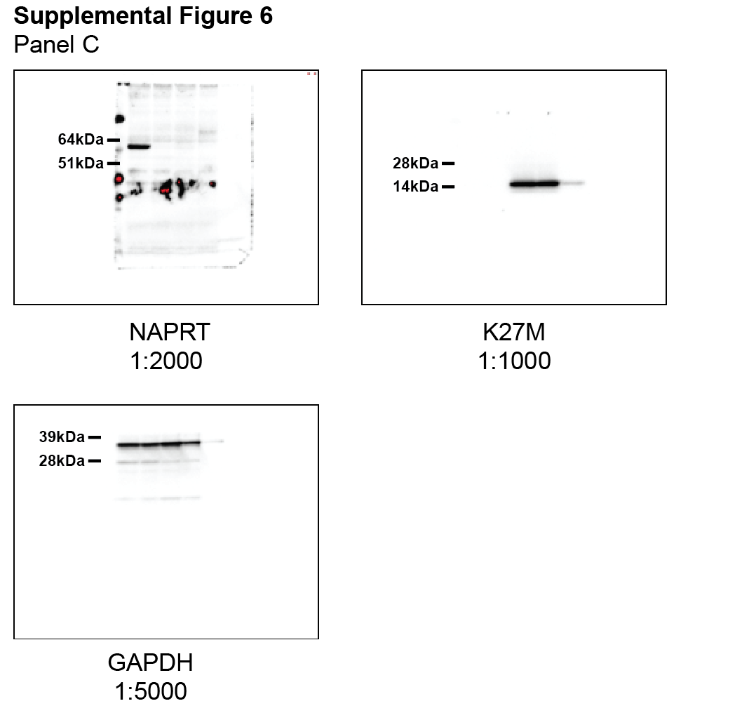
Supplementary Figure 6c
Immunoblot of NAPRT and K27M expression in astrocyte and DIPG cells lines

Sup Fig 6e
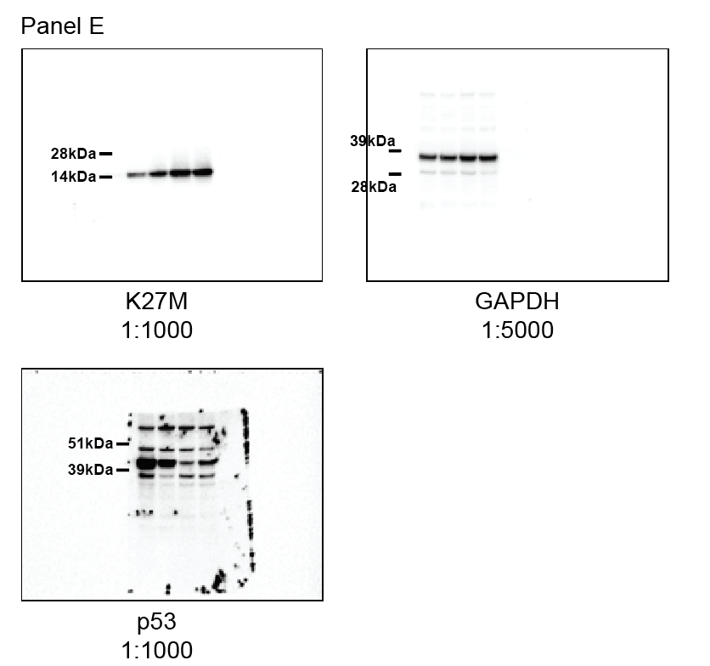
Supplementary Figure 6e
Immunoblot of p53 and K27M expression in DIPG cells lines

Sup Fig 7e
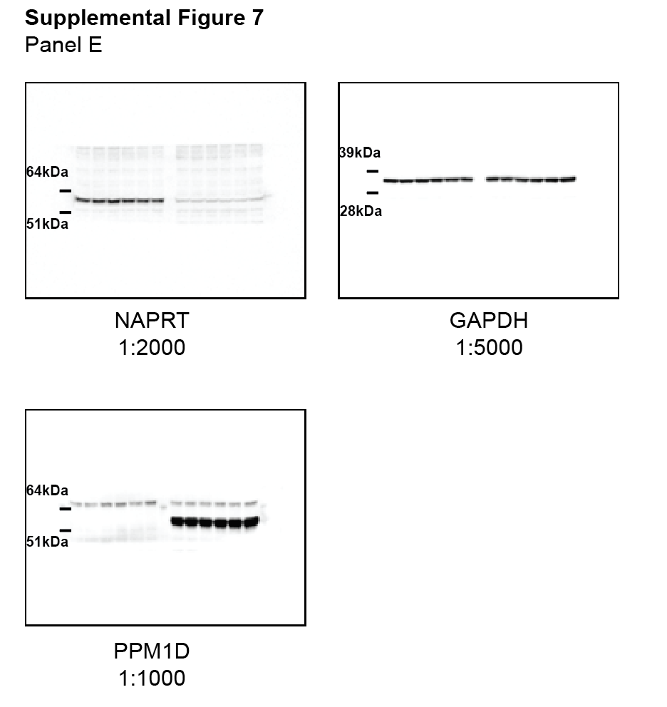
Supplementary Figure 7e
Immunoblot of NAPRT expression post DCT and azaC treatment

