Figure 3i
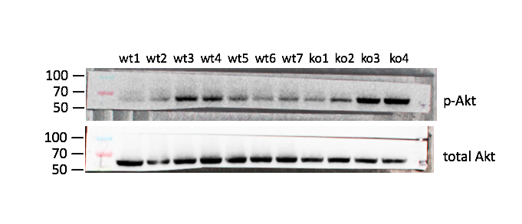
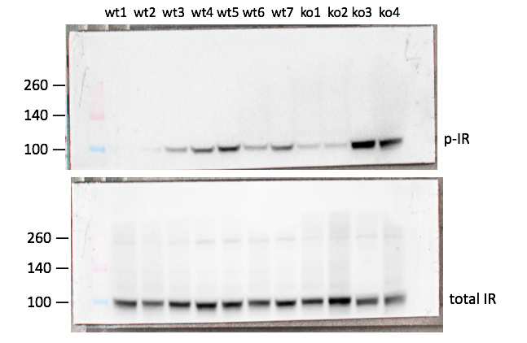
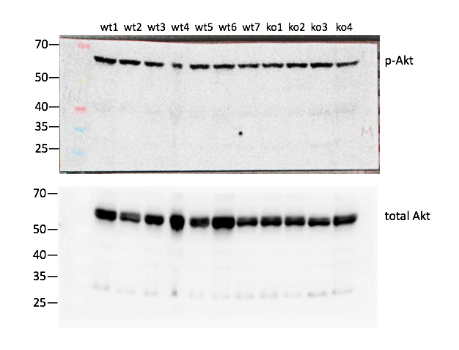
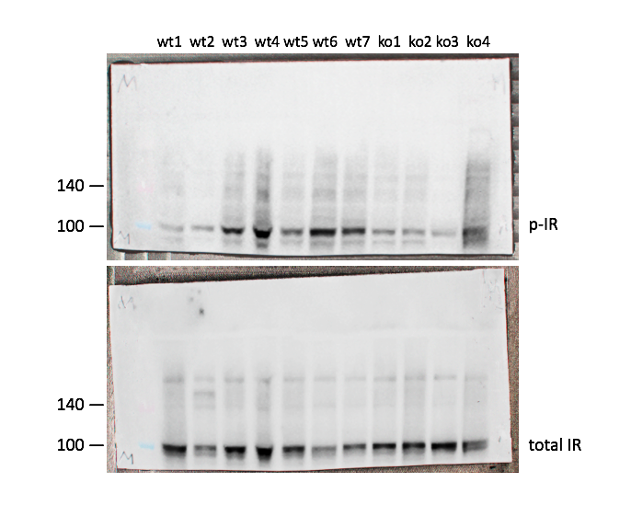
70
50
40
35
p-Akt
260
140
100
70
50
40
35
total Akt
wt1 wt2 wt3 wt4 wt5 wt6 wt7 ko1 ko2 ko3 ko4
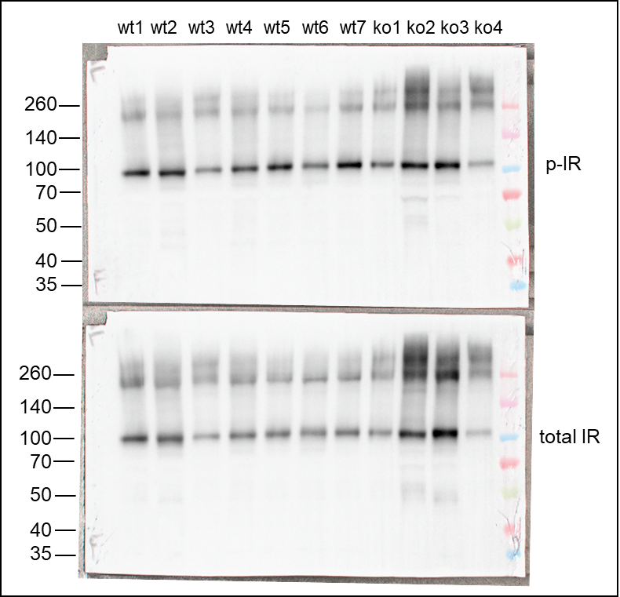
Figure 3i
 | LIVER: |  |  | MUSCLE: |  |  | ADIPOSE:
 | Sample | P-Akt/T-Akt | P-IR/IR | Sample | P-Akt/T-Akt | P-IR/IR | Sample | P-Akt/T-Akt | P-IR/IR
 | wt1 | 0.48607741967 | 0.19282084286 | wt1 | 1.2083816866 | 0.58476491168 | wt1 | 0.691486152 | 0.9495201285
 | wt2 | 0.9723575692 | 0.38443928199 | wt2 | 1.2467939909 | 0.77047384793 | wt2 | 0.28465970927 | 0.94203501138
 | wt3 | 1.3494323754 | 0.84850913728 | wt3 | 0.99661372926 | 1.051206559 | wt3 | 3.0413659306 | 1.0293215625
 | wt4 | 1.1967715035 | 1.1672129863 | wt4 | 0.64259120203 | 1.0733142386 | wt4 | 0.63895524016 | 0.9845637409
 | wt5 | 0.95485382572 | 1.4170638557 | wt5 | 1.0473475856 | 0.83582017179 | wt5 | 0.44974979207 | 1.089462577
 | wt6 | 0.75962653479 | 0.89556648242 | wt6 | 0.8584896023 | 1.4471149344 | wt6 | 0.1868159891 | 0.85518047136
 | wt7 | 1.0772868218 | 1.1954506625 | wt7 | 1.0109162119 | 1.1230072151 | wt7 | 0.86757439348 | 1.1823389734
 | Il36rn ko1 | 0.90699743107 | 0.6920311541 | Il36rn ko1 | 0.98489366508 | 0.76103849482 | Il36rn ko1 | 1.479121713 | 1.0309687749
 | Il36rn ko2 | 1.3048534997 | 0.62056725086 | Il36rn ko2 | 1.1302754941 | 0.7204016571 | Il36rn ko2 | 0.22084533336 | 0.90974978651
 | Il36rn ko3 | 2.0256157966 | 2.1052785188 | Il36rn ko3 | 1.2308434285 | 0.54821010645 | Il36rn ko3 | 0.24996528826 | 0.76146470755
 | Il36rn ko4 | 2.2458823221 | 1.9868374803 | Il36rn ko4 | 0.89739289916 | 0.61946744974 | Il36rn ko4 | 2.9617820497 | 1.0364353012

Figure 3j
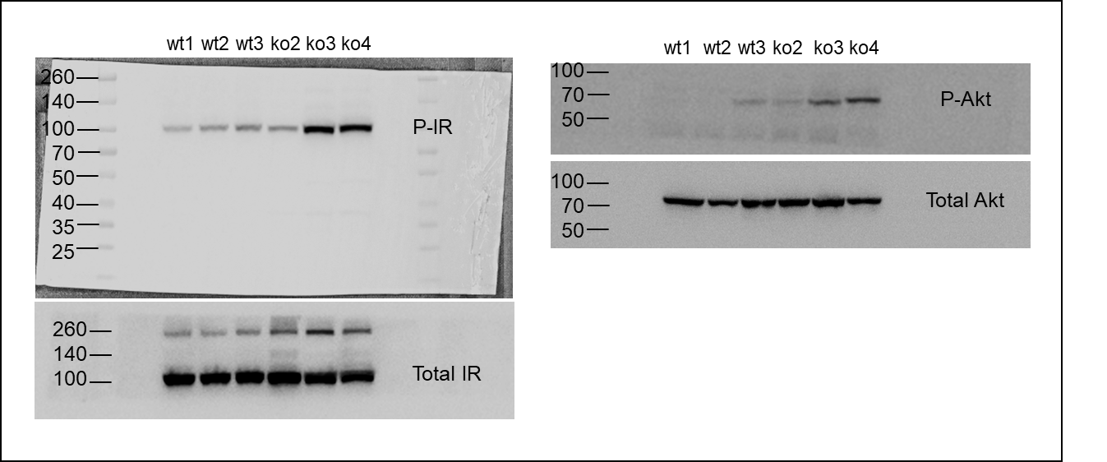
Figure 3j

Figure 3k
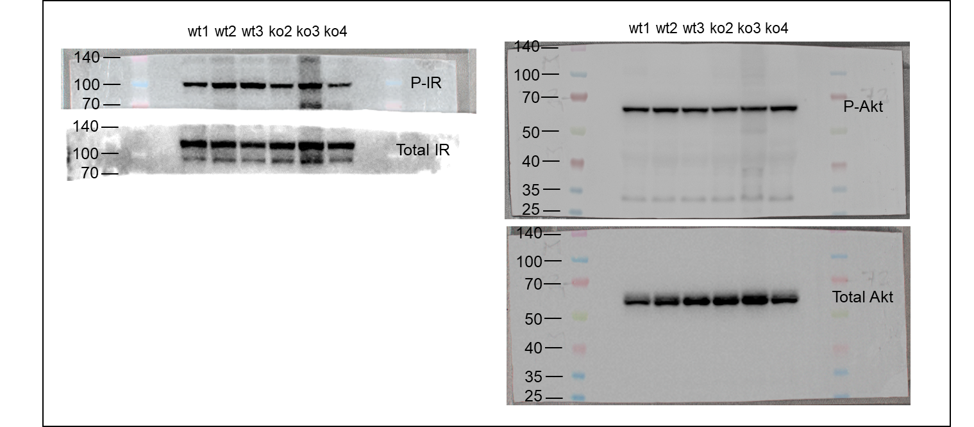
Figure 3k

Figure 3l
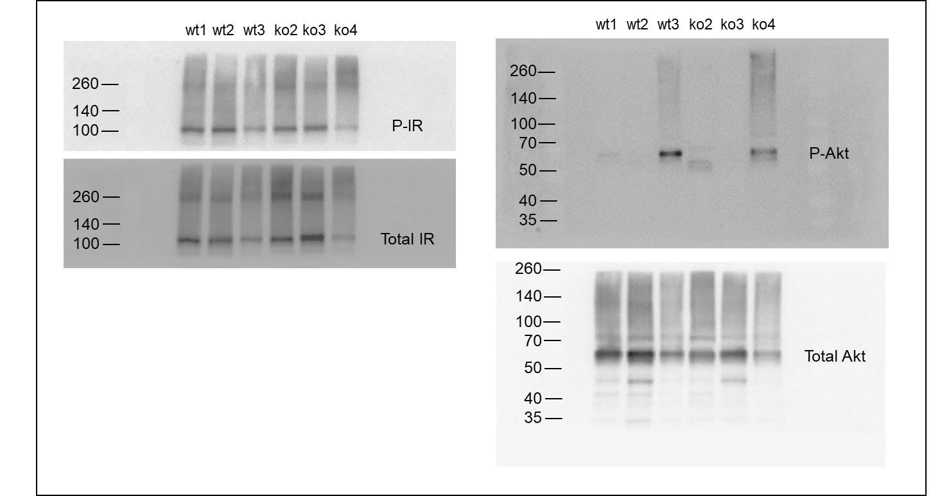
Figure 3l

