Figure 2F
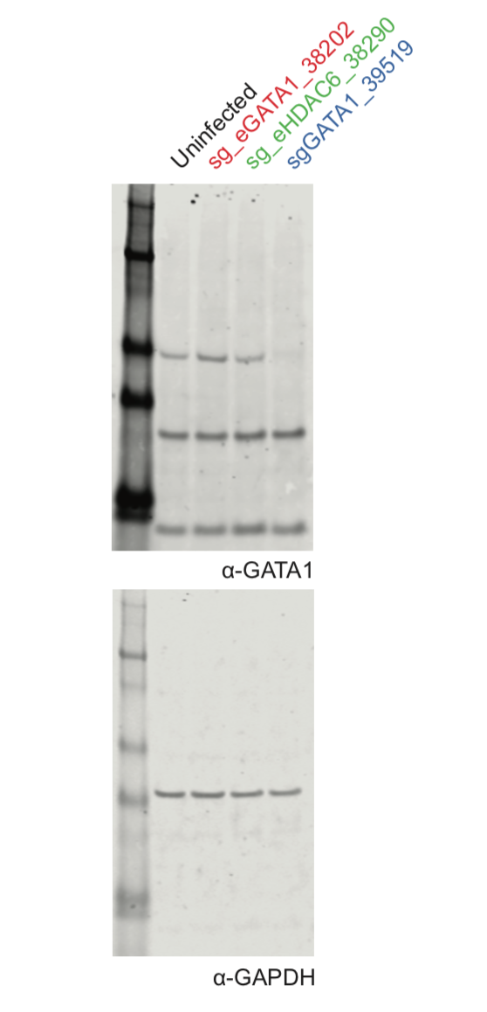
Figure 2F | anti-GATA1

Figure 3G
Figure 3G | anti-GATA1
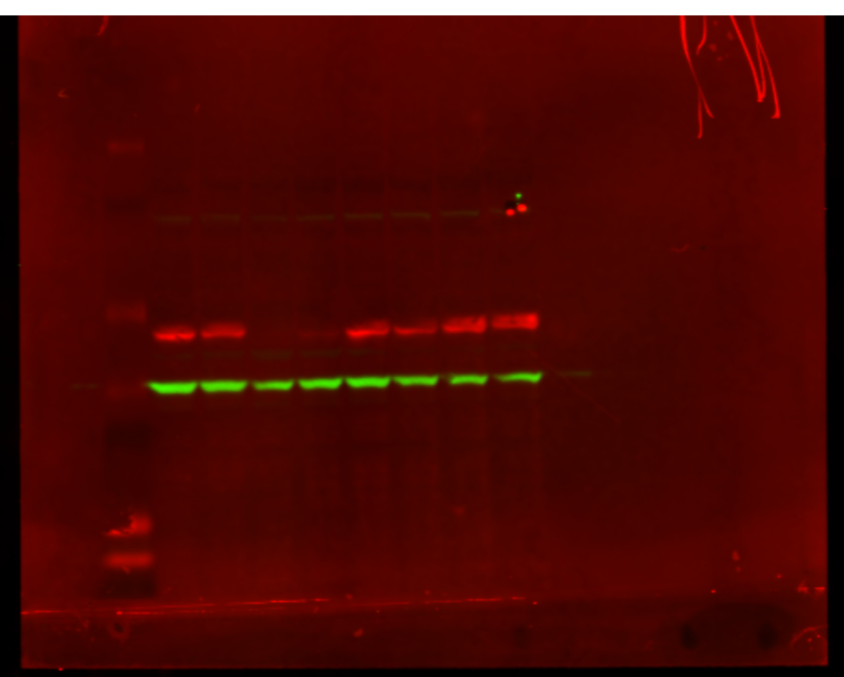

 |  | GATA1

 |  | GAPDH

