Figure 2
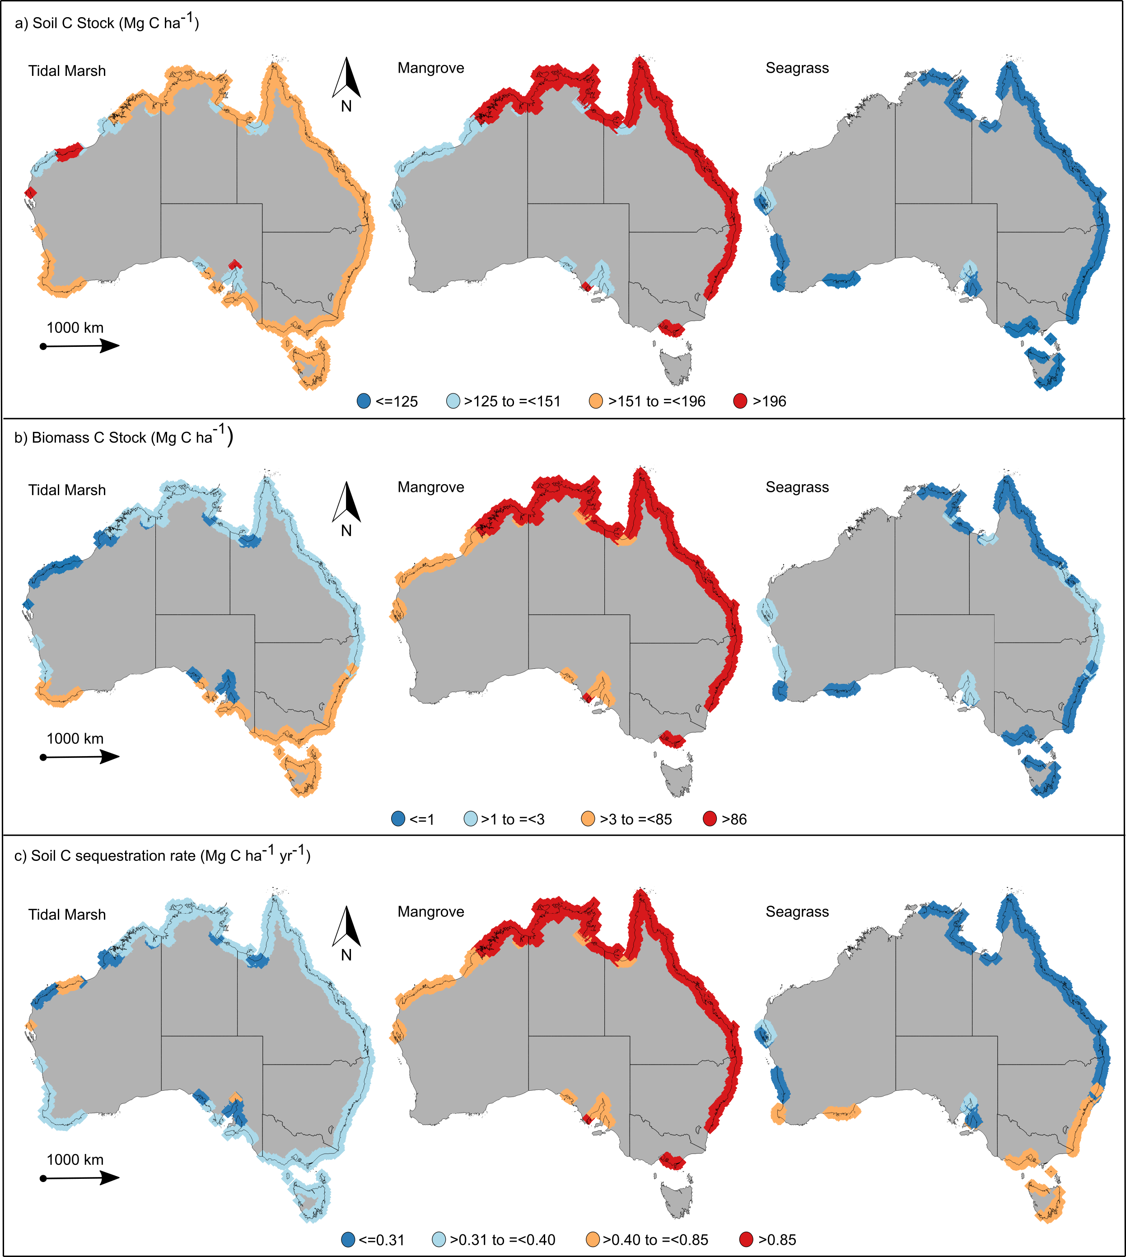
Figure 2. Scaled up estimates of organic carbon (C) storage in vegetated coastal ecosystems (tidal marshes, mangroves and seagrasses) across Australian climate regions. a) Soil C storage (Mg C ha-1) in the top meter. b) Living aboveground biomass C stock (Mg C ha-1). c) Soil C sequestration rates (Mg C ha-1 yr-1). The four ranges of data (indicated by different colours) are based on the lower quartile, median quartile, and upper quartile.

Supp Fig. 1
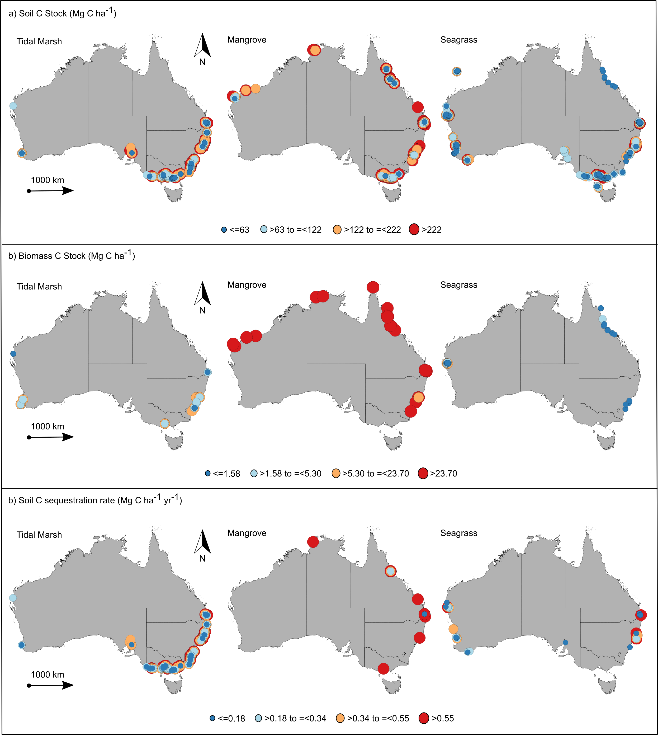 | Supplementary Figure 1. Direct measurements of organic carbon (C) storage in vegetated coastal ecosystems (i.e. tidal marshes, mangroves and seagrasses) across Australia. a) Soil C storage (Mg C ha-1) in the top meter. b) Living aboveground biomass C stock (Mg C ha-1). c) Soil C sequestration rates (Mg C ha-1 yr-1). The size and colour of dots show the magnitude of C storage: C stocks in living aboveground biomass and the top meter of soil ranging from <1.58 to >222 Mg C ha-1, and soil C sequestration rates ranging from <0.18 to >0.55 Mg C ha-1 yr-1. The four ranges of data (indicated by different colours) are based on the lower quartile, median quartile, and upper quartile.

