Figure 3b
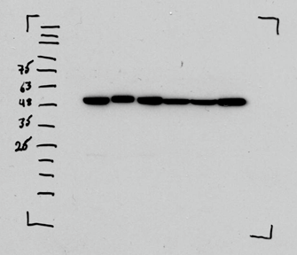
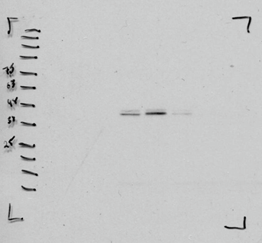
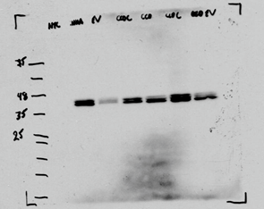
Figure 3b.
 |  | Dilution | Secondary | Exposure Time | Lane 1 | Lane 2 | Lane 3 | Lane 4 | Lane 5 | Lane 6 | Lane 7
 | β-tubulin | 1:10000 | Mouse | 10s | NTC | WT Control | EV Control | CCDC88A | CCDC88A | CCDC88A | EV Control
 | p-ERK 42/44 | 1:1000 | Rabbit | 5min
 | Total ERK | 1:5000 | Rabbit | 5min

Supplementary Figure 3a
Supplementary Figure 3a
Primer sequences included in the supplemental methods
 | Lane 1 | Lane 2 | Lane 3 | Lane 4 | Lane 5 | Lane 6
 | 1kb Ladder | NTC | WT Control | iNHA mCherry EV | iNHA CCDC88A-ALK | iNHA PPP1CB-ALK
Gel is divided into 4 quandrants
Primers Used:
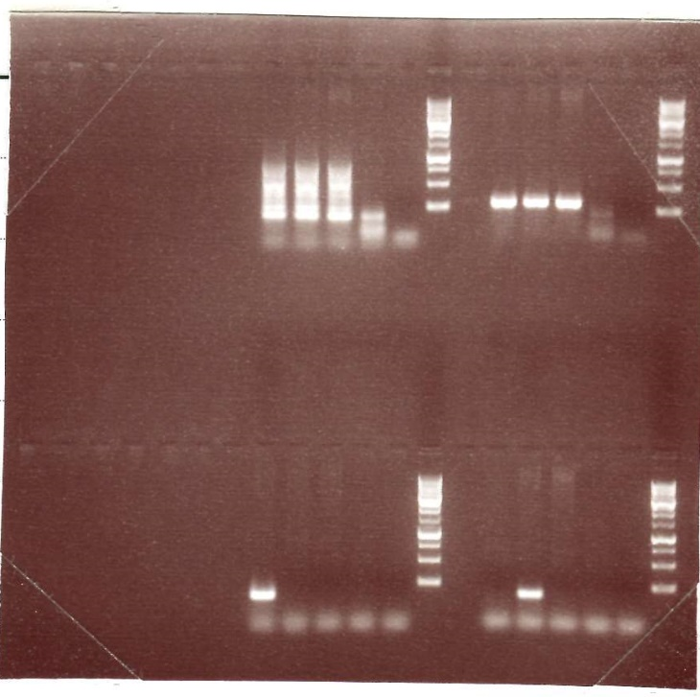
Top Left: RPPH
Top Right: mCherry
Bottom Left: PPP1CB Alk
Bottom Right: CCDC88A-ALK

Supplementary Figure 3c
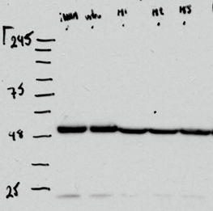
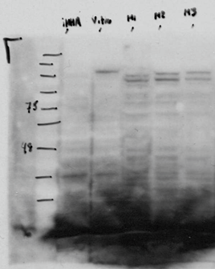
Supplementary Figure 3c
 |  | Dilution | Secondary | Exposure Time | Lane 1 | Lane 2 | Lane 3 | Lane 4 | Lane 5
 | β-tubulin | 1:10000 | Mouse | 10s | WT Control | In vitro CCDC88A-ALK | In vivo CCDC88A-ALK M1 | In vivo CCDC88A-ALK M2 | In vivo CCDC88A-ALK M3
 | ALK | 1:5000 | Rabbit | 5min

