Figure 5H
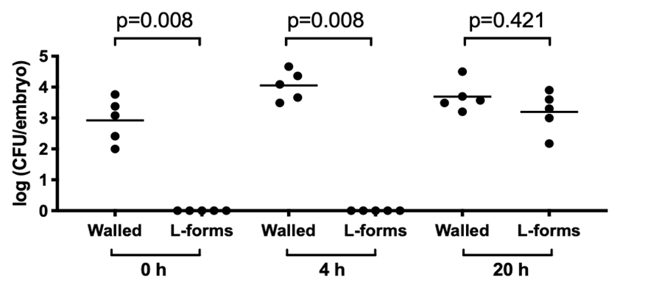

Figure 5H

Experiment 1 |  |  |  |  |  |  |  |  |  |  | Experiment 2

Plating: | RODS |  |  |  |  |  |  |  |  |  | Plating: | RODS

Embryo | Time point | Dilution |  |  |  | Total CFU per embryo | log(CFU) | Average | STDev | ED | Embryo | Time point | Dilution |  |  | Total CFU per embryo | log(CFU) | Average | STDev | ED
 |  | 0 | -1 | -2 | -3 |  |  |  |  |  |  |  | 0 | -1 | -2
 |  | 10 | 100 | 1000 | 10000 |  |  |  |  |  |  |  | 10 | 100 | 1000
1 | 0 | ND | 1 | 0 |  | 100 | 2 | 2.207486674 | 0.29343046836 | 0.20748667399 | 1 | 0 | ND | 58 | 6 | 5800 | 3.7634279936 | 3.4076068271 | 0.34294502686 | 0.19799940357
2 |  | 26 | 0 | 1 |  | 260 | 2.414973348 |  |  |  | 2 |  | ND | 12 | 1 | 1200 | 3.079181246
1 | 4 | 29 | 0 | 0 |  | 290 | 2.4623979979 | 3.2743789143 | 1.1483144243 | 0.81198091639 | 3 |  | ND | 24 | 2 | 2400 | 3.3802112417
2 |  | ND | 122 | 13 |  | 12200 | 4.0863598307 |  |  |  | 1 | 4 | ND | 46 | 6 | 4600 | 3.6627578317 | 4.2290811665 | 0.51302666033 | 0.29619608044
1 | 20 | ND | 26 | 3 | 1 | 2600 | 3.414973348 | 2.3196804641 | 2.0099389174 | 1.160438775 | 2 |  | ND | ND | 23 | 23000 | 4.361727836
2 |  | ND | 35 | 5 | 0 | 3500 | 3.5440680444 |  |  |  | 3 |  | ND | ND | 46 | 46000 | 4.6627578317
 |  |  |  |  |  |  |  |  |  |  | 1 | 20 | ND | ND | 24 | 24000 | 4.3802112417 | 3.6871508264 | 0.61553389682 | 0.35537866102
 |  |  |  |  |  |  |  |  |  |  | 2 |  | ND | 16 | 1 | 1600 | 3.2041199827
Plating: | L-forms |  |  |  |  |  |  |  |  |  | 3 |  | ND | 30 | 2 | 3000 | 3.4771212547

Embryo | Time point | Dilution |  |  |  | Total CFU per embryo | log(CFU) | Average | STDev | ED
 |  | 0 | -1 | -2 | -3 |  |  |  |  |  | Plating: | L-forms
 |  | 10 | 100 | 1000 | 10000
1 | 0 | 0 | 0 | 0 |  | 0 | 0 | 0 | 0 | 0 | Embryo | Time point | Dilution |  |  | Total CFU per embryo | log(CFU) | Average | STDev | ED
2 |  | 0 | 0 | 0 |  | 0 | 0 |  |  |  |  |  | 0 | -1 | -2
1 | 4 | 0 | 0 | 0 |  | 0 | 0 | 0 | 0 | 0 |  |  | 10 | 100 | 1000
2 |  | 0 | 0 | 0 |  | 0 | 0 |  |  |  | 1 | 0 | 0 | 0 | 0 | 0 | 0 | 0 | 0 | 0
1 | 20 | 15 | 0 | 0 | 0 | 150 | 2.1760912591 | 2.5880456295 | 0.5825914578 | 0.41195437047 | 2 |  | 0 | 0 | 0 | 0 | 0
2 |  | ND | 10 | 1 | 0 | 1000 | 3 |  |  |  | 3 |  | 0 | 0 | 0 | 0 | 0
 |  |  |  |  |  |  |  |  |  |  | 1 | 4 | 0 | 0 | 0 | 0 | 0 | 0 | 0 | 0
 |  |  |  |  |  |  |  |  |  |  | 2 |  | 0 | 0 | 0 | 0 | 0
 |  |  |  |  |  |  |  |  |  |  | 3 |  | 0 | 0 | 0 | 0 | 0
 |  |  |  |  |  |  |  |  |  |  | 1 | 20 | ND | ND | 4 | 4000 | 3.6020599913 | 3.6020599913 | 0.30102999566 | 0.17379974903
 |  |  |  |  |  |  |  |  |  |  | 2 |  | ND | ND | 8 | 8000 | 3.903089987
 |  |  |  |  |  |  |  |  |  |  | 3 |  | ND | 20 | 3 | 2000 | 3.3010299957

Mann-Whitney tests

Walled 0hpi vs L-forms 0 hpi

P value | 0.0079
Exact or approximate P value? | Exact
P value summary | **
Significantly different (P < 0.05)? | Yes
One- or two-tailed P value? | Two-tailed
Sum of ranks in column A,B | 40 , 15
Mann-Whitney U | 0

Difference between medians
Median of column A | 3.079, n=5
Median of column B | 0.000, n=5
Difference: Actual | -3.079
Difference: Hodges-Lehmann | -3.079

Walled 4hpi vs L-forms 4hpi

P value | 0.0079
Exact or approximate P value? | Exact
P value summary | **
Significantly different (P < 0.05)? | Yes
One- or two-tailed P value? | Two-tailed
Sum of ranks in column C,D | 40 , 15
Mann-Whitney U | 0

Difference between medians
Median of column C | 4.086, n=5
Median of column D | 0.000, n=5
Difference: Actual | -4.086
Difference: Hodges-Lehmann | -4.086

Walled 20hpi vs L-forms 20hpi

P value | 0.4206
Exact or approximate P value? | Exact
P value summary | ns
Significantly different (P < 0.05)? | No
One- or two-tailed P value? | Two-tailed
Sum of ranks in column E,F | 32 , 23
Mann-Whitney U | 8

Difference between medians
Median of column E | 3.568, n=5
Median of column F | 3.301, n=5
Difference: Actual | -0.2672
Difference: Hodges-Lehmann | -0.3979

