Fig. 5a
Actin
Cav2.3
NCS-1
GBA
GBA
Control
GBA
GBA
Control
250
150
100
75
50
37
25
20
15
10
250
150
100
75
50
37
25
20
15
10

Suppl. Fig. 6a-b
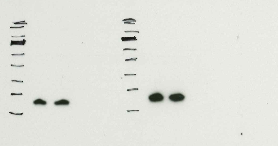
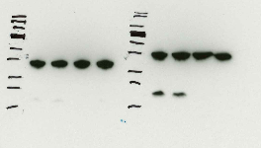
180
130
72
55
43
34
26
17
95
180
130
95
72
55
43
34
26
17
NCS1 WT
NCS1 KO
NCS1 WT
NCS1 KO
NCS1 WT
NCS1 KO
NCS1 WT
NCS1 KO
NCS1 WT
NCS1 KO
NCS1 WT
NCS1 KO
NCS1 WT
NCS1 KO
NCS1 WT
NCS1 KO
NCS1 (~20kDa)
B-actin(~45kDa)
NCS1 Abcam
NCS1 Proteintech
34
180
130
95
72
55
43
26
17
Cav2.3 WT
Cav2.3 KO
Cav2.3 WT
Cav2.3 KO
Cav2.3 WT
Cav2.3 KO
Cav2.3 WT
Cav2.3 KO
Cav2.3 WT
Cav2.3 KO
Cav2.3 WT
Cav2.3 KO
Cav2.3 WT
Cav2.3 KO
Cav2.3 (~250kDa)
B-actin(~45kDa)

