Suppl Fig 5
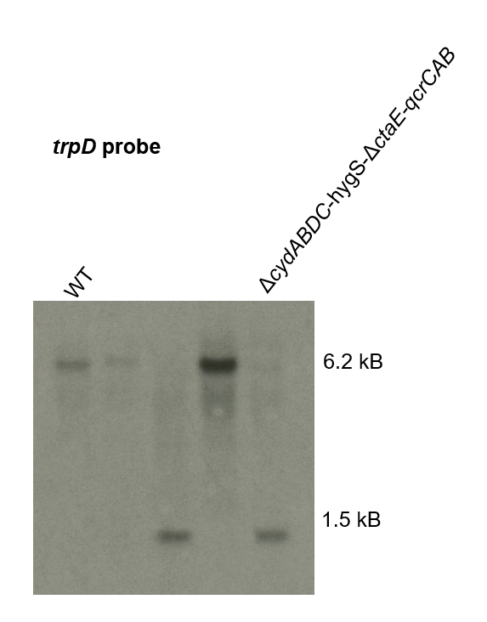
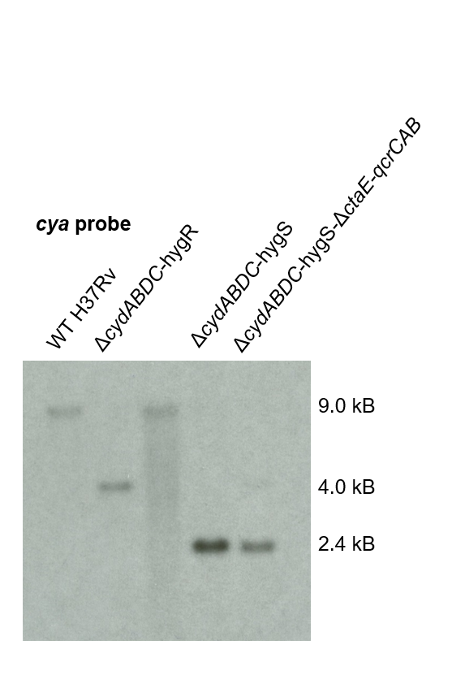
Suppl Fig. 5A

Suppl Fig. 5B

Suppl Fig 10
Δndh-2::lbnox-flag

Δndh-2

WT

