Figure 2C-PGZL1
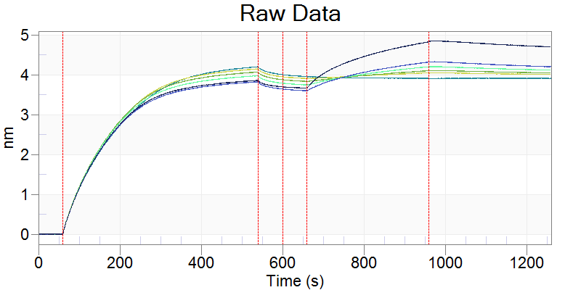
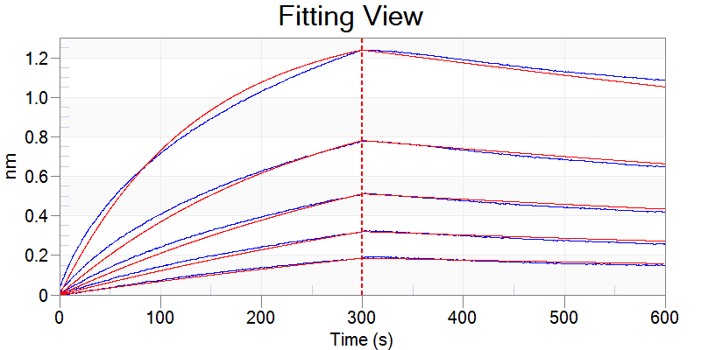
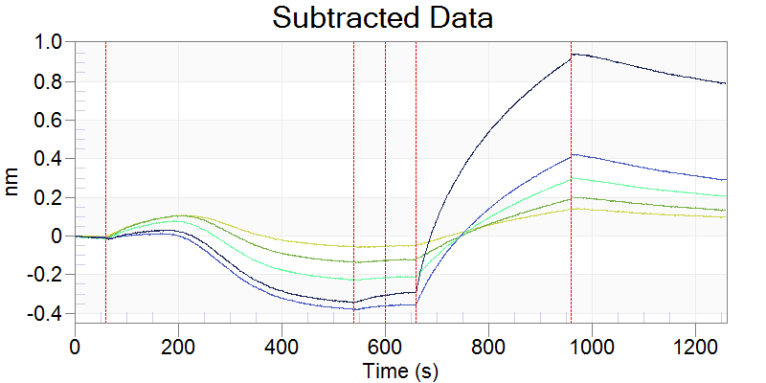
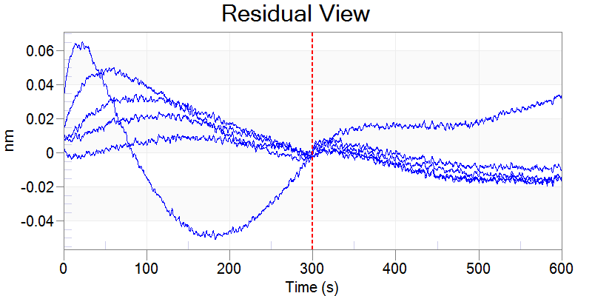
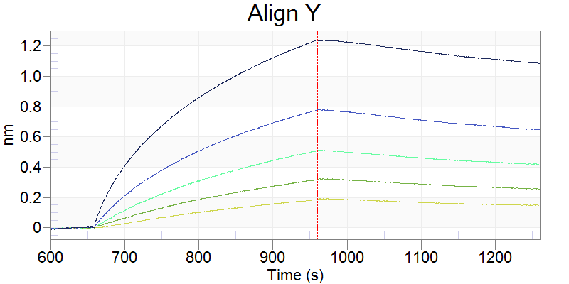
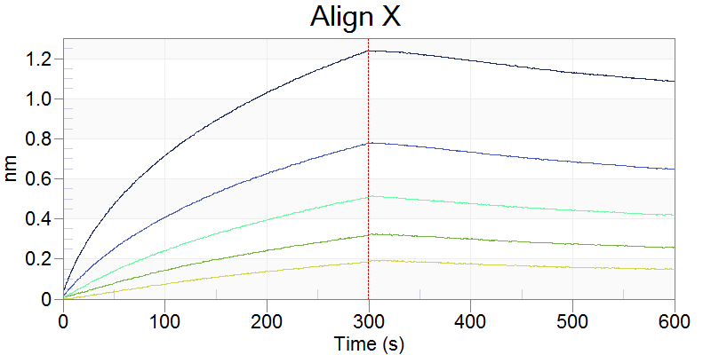
Selected | Include | Index | Color | Sensor Location | Sensor Type | Sensor Info | Replicate Group | Baseline Loc. | Assoc. (Sample) Loc. | Sample ID | Dissoc. Loc. | Loading Well Location | Loading Sample ID | Cycle | Conc. (nM) | Response | KD (M) | KD Error | kon(1/Ms) | kon Error | kdis(1/s) | kdis Error | RMax | RMax Error | kobs(1/s) | Req | Req/Rmax(%) | Full X^2 | Full R^2 | SSG KD | SSG Rmax | SSG R^2
x | x | 0 | -16776961 | A2 | SA (Streptavidin) |  | N/A | A3 | A8 | pgzl1 | A11 | A2 | PDT081pept | 1 | 7.81 | 0.1818 | 9.87E-09 | 1.48E-10 | 5.54E+04 | 4.28E+02 | 5.47E-04 | 7.02E-06 | 1.6526 | 0.0165 | 9.80E-04 | 0.7299 | 44.2 | 1.1446 | 0.9968
x | x | 1 | -16776961 | A3 | SA (Streptavidin) |  | N/A | A3 | A7 | pgzl1 | A12 | A2 | PDT081pept | 1 | 15.6 | 0.3126 | 9.87E-09 | 1.48E-10 | 5.54E+04 | 4.28E+02 | 5.47E-04 | 7.02E-06 | 1.5112 | 0.0129 | 1.41E-03 | 0.9262 | 61.3 | 1.1446 | 0.9968
x | x | 2 | -16776961 | A4 | SA (Streptavidin) |  | N/A | A3 | A6 | pgzl1 | A9 | A2 | PDT081pept | 1 | 31.3 | 0.5019 | 9.87E-09 | 1.48E-10 | 5.54E+04 | 4.28E+02 | 5.47E-04 | 7.02E-06 | 1.3581 | 0.01 | 2.28E-03 | 1.0321 | 76 | 1.1446 | 0.9968
x | x | 3 | -16776961 | A5 | SA (Streptavidin) |  | N/A | A3 | A5 | pgzl1 | A10 | A2 | PDT081pept | 1 | 62.5 | 0.768 | 9.87E-09 | 1.48E-10 | 5.54E+04 | 4.28E+02 | 5.47E-04 | 7.02E-06 | 1.2928 | 0.0076 | 4.01E-03 | 1.1164 | 86.4 | 1.1446 | 0.9968
x | x | 4 | -16776961 | A6 | SA (Streptavidin) |  | N/A | A3 | A4 | pgzl1 | A11 | A2 | PDT081pept | 1 | 125 | 1.2262 | 9.87E-09 | 1.48E-10 | 5.54E+04 | 4.28E+02 | 5.47E-04 | 7.02E-06 | 1.4971 | 0.0058 | 7.48E-03 | 1.3875 | 92.7 | 1.1446 | 0.9968

Figure 2C-H4K3
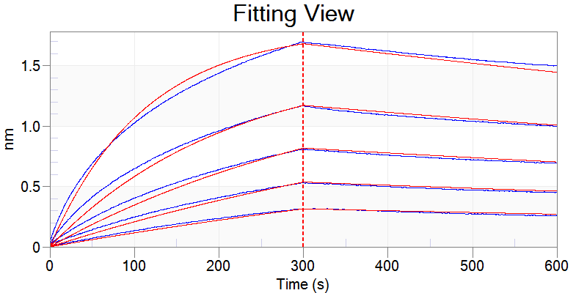
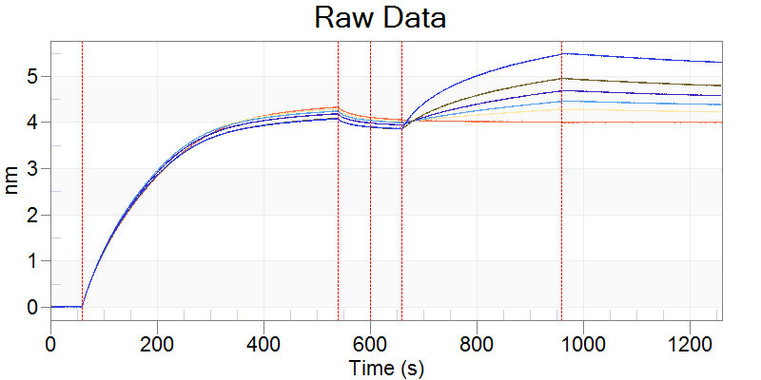
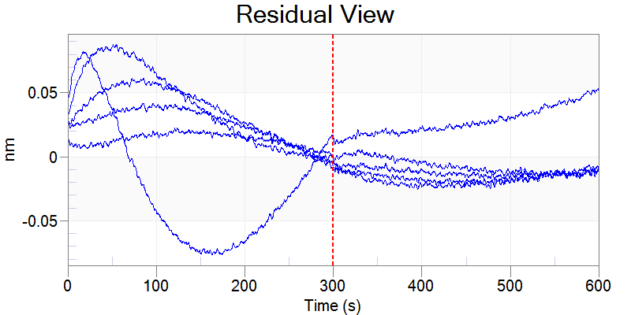
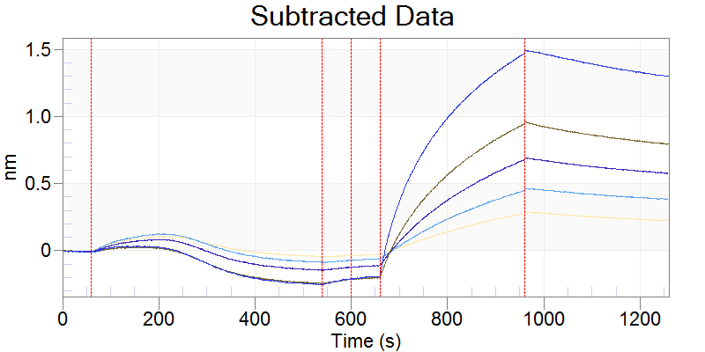
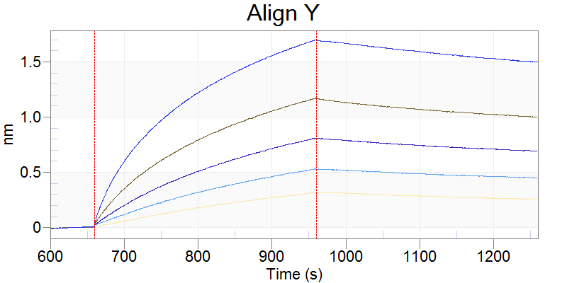
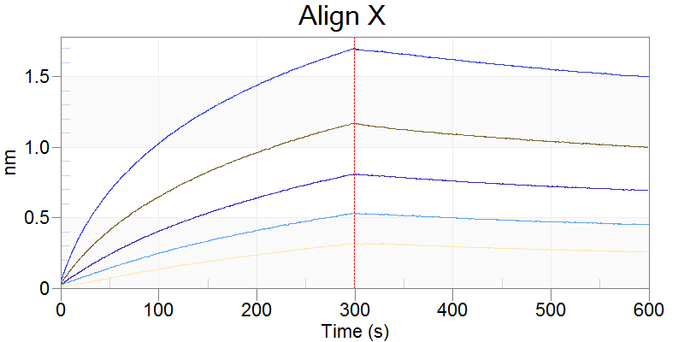
Selected | Include | Index | Color | Sensor Location | Sensor Type | Sensor Info | Replicate Group | Baseline Loc. | Assoc. (Sample) Loc. | Sample ID | Dissoc. Loc. | Loading Well Location | Loading Sample ID | Cycle | Conc. (nM) | Response | KD (M) | KD Error | kon(1/Ms) | kon Error | kdis(1/s) | kdis Error | RMax | RMax Error | kobs(1/s) | Req | Req/Rmax(%) | Full X^2 | Full R^2 | SSG KD | SSG Rmax | SSG R^2
x | x | 0 | -16776961 | C2 | SA (Streptavidin) |  | N/A | C3 | C8 | H4K3 | C11 | C2 | PDT081pept | 1 | 7.81 | 0.3116 | 7.47E-09 | 1.27E-10 | 6.77E+04 | 5.24E+02 | 5.06E-04 | 7.61E-06 | 2.3103 | 0.0226 | 1.03E-03 | 1.1805 | 51.1 | 2.8784 | 0.9956
x | x | 1 | -16776961 | C3 | SA (Streptavidin) |  | N/A | C3 | C7 | H4K3 | C12 | C2 | PDT081pept | 1 | 15.6 | 0.5234 | 7.47E-09 | 1.27E-10 | 6.77E+04 | 5.24E+02 | 5.06E-04 | 7.61E-06 | 2.1189 | 0.0177 | 1.56E-03 | 1.4334 | 67.6 | 2.8784 | 0.9956
x | x | 2 | -16776961 | C4 | SA (Streptavidin) |  | N/A | C3 | C6 | H4K3 | C9 | C2 | PDT081pept | 1 | 31.3 | 0.799 | 7.47E-09 | 1.27E-10 | 6.77E+04 | 5.24E+02 | 5.06E-04 | 7.61E-06 | 1.862 | 0.0133 | 2.62E-03 | 1.5026 | 80.7 | 2.8784 | 0.9956
x | x | 3 | -16776961 | C5 | SA (Streptavidin) |  | N/A | C3 | C5 | H4K3 | C10 | C2 | PDT081pept | 1 | 62.5 | 1.1574 | 7.47E-09 | 1.27E-10 | 6.77E+04 | 5.24E+02 | 5.06E-04 | 7.61E-06 | 1.7302 | 0.0094 | 4.74E-03 | 1.5454 | 89.3 | 2.8784 | 0.9956
x | x | 4 | -16776961 | C6 | SA (Streptavidin) |  | N/A | C3 | C4 | H4K3 | C11 | C2 | PDT081pept | 1 | 125 | 1.6842 | 7.47E-09 | 1.27E-10 | 6.77E+04 | 5.24E+02 | 5.06E-04 | 7.61E-06 | 1.9133 | 0.0065 | 8.97E-03 | 1.8053 | 94.4 | 2.8784 | 0.9956

Figure 2C-4E10
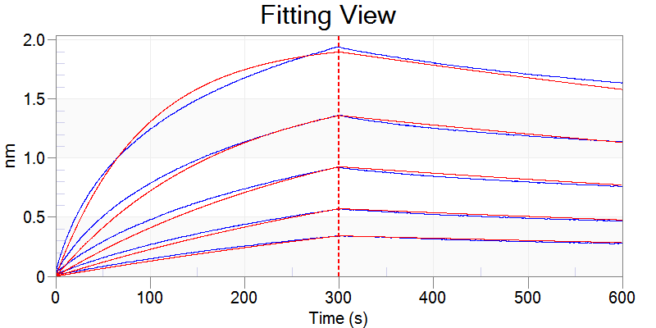
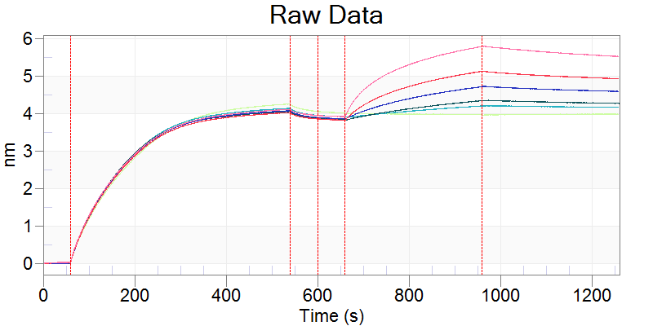
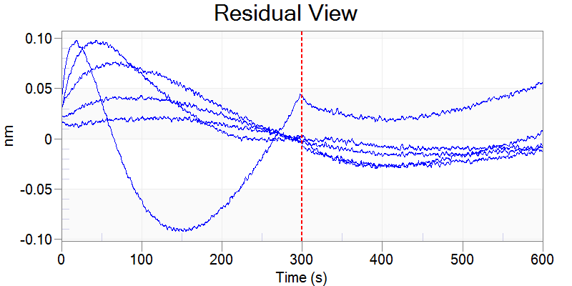
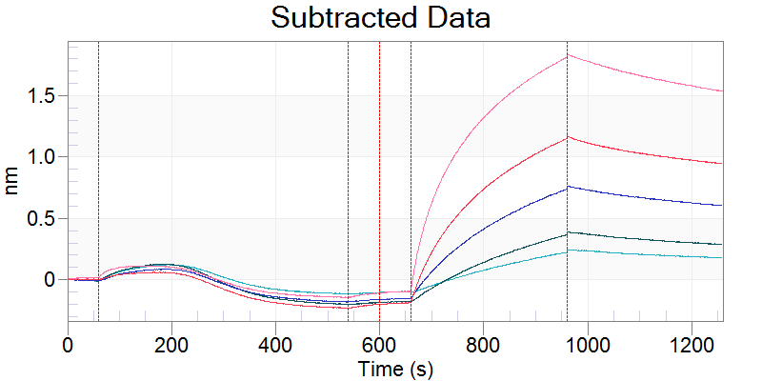
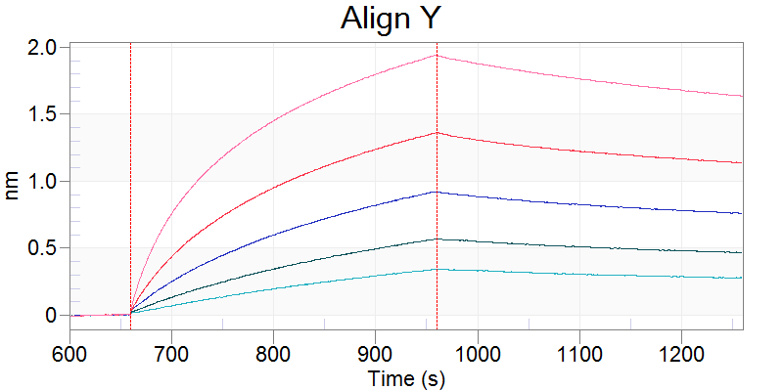
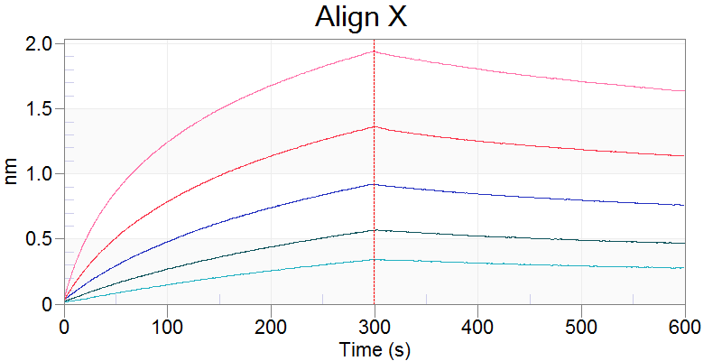
Selected | Include | Index | Color | Sensor Location | Sensor Type | Sensor Info | Replicate Group | Baseline Loc. | Assoc. (Sample) Loc. | Sample ID | Dissoc. Loc. | Loading Well Location | Loading Sample ID | Cycle | Conc. (nM) | Response | KD (M) | KD Error | kon(1/Ms) | kon Error | kdis(1/s) | kdis Error | RMax | RMax Error | kobs(1/s) | Req | Req/Rmax(%) | Full X^2 | Full R^2 | SSG KD | SSG Rmax | SSG R^2
x | x | 0 | -16776961 | G2 | SA (Streptavidin) |  | N/A | G3 | G8 | 4.00E+10 | G11 | G2 | PDT081pept | 1 | 7.81 | 0.3367 | 7.48E-09 | 1.08E-10 | 8.18E+04 | 5.80E+02 | 6.12E-04 | 7.69E-06 | 2.1455 | 0.02 | 1.25E-03 | 1.0962 | 51.1 | 3.7213 | 0.9957
x | x | 1 | -16776961 | G3 | SA (Streptavidin) |  | N/A | G3 | G7 | 4.00E+10 | G12 | G2 | PDT081pept | 1 | 15.6 | 0.5609 | 7.48E-09 | 1.08E-10 | 8.18E+04 | 5.80E+02 | 6.12E-04 | 7.69E-06 | 1.956 | 0.0152 | 1.89E-03 | 1.3231 | 67.6 | 3.7213 | 0.9957
x | x | 2 | -16776961 | G4 | SA (Streptavidin) |  | N/A | G3 | G6 | 4.00E+10 | G9 | G2 | PDT081pept | 1 | 31.3 | 0.9121 | 7.48E-09 | 1.08E-10 | 8.18E+04 | 5.80E+02 | 6.12E-04 | 7.69E-06 | 1.8737 | 0.0119 | 3.17E-03 | 1.512 | 80.7 | 3.7213 | 0.9957
x | x | 3 | -16776961 | G5 | SA (Streptavidin) |  | N/A | G3 | G5 | 4.00E+10 | G10 | G2 | PDT081pept | 1 | 62.5 | 1.3487 | 7.48E-09 | 1.08E-10 | 8.18E+04 | 5.80E+02 | 6.12E-04 | 7.69E-06 | 1.8566 | 0.0086 | 5.73E-03 | 1.6583 | 89.3 | 3.7213 | 0.9957
x | x | 4 | -16776961 | G6 | SA (Streptavidin) |  | N/A | G3 | G4 | 4.00E+10 | G11 | G2 | PDT081pept | 1 | 125 | 1.9282 | 7.48E-09 | 1.08E-10 | 8.18E+04 | 5.80E+02 | 6.12E-04 | 7.69E-06 | 2.0932 | 0.0059 | 1.08E-02 | 1.9751 | 94.4 | 3.7213 | 0.9957

Figure 2C-PGZL1 gVmDmJ
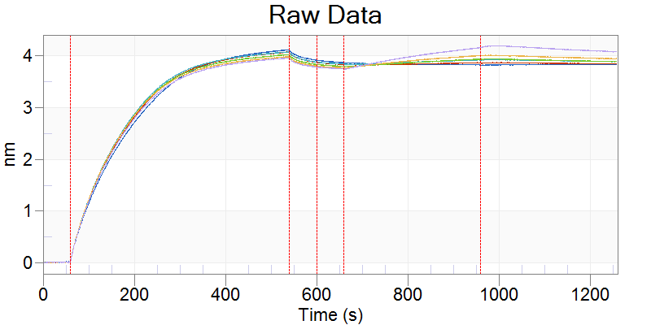
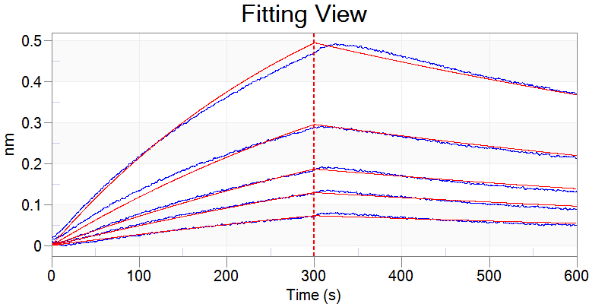
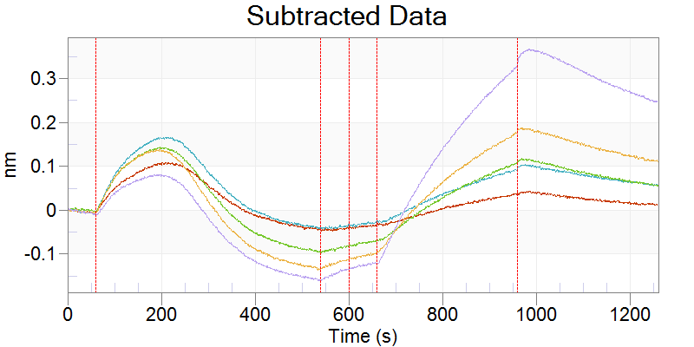
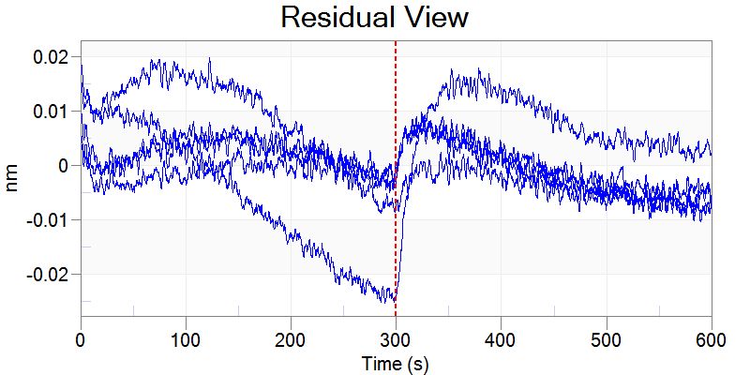
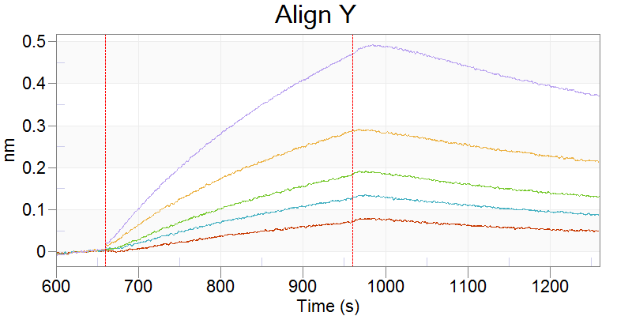
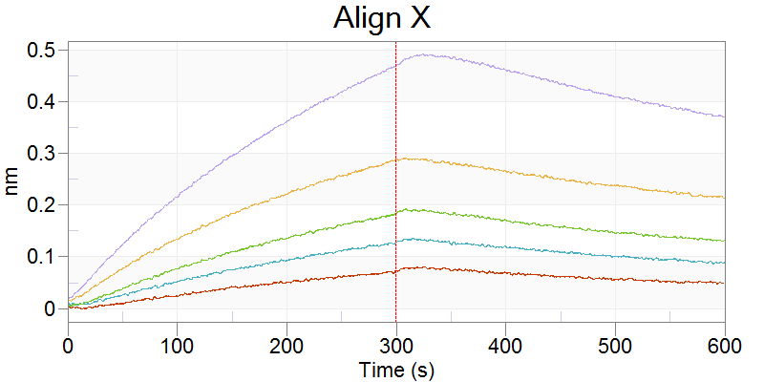
Selected | Include | Index | Color | Sensor Location | Sensor Type | Sensor Info | Replicate Group | Baseline Loc. | Assoc. (Sample) Loc. | Sample ID | Dissoc. Loc. | Loading Well Location | Loading Sample ID | Cycle | Conc. (nM) | Response | KD (M) | KD Error | kon(1/Ms) | kon Error | kdis(1/s) | kdis Error | RMax | RMax Error | kobs(1/s) | Req | Req/Rmax(%) | Full X^2 | Full R^2 | SSG KD | SSG Rmax | SSG R^2
x | x | 0 | -16776961 | B2 | SA (Streptavidin) |  | N/A | B3 | B8 | PGZL1gVmDmJ | B11 | B2 | PDT081pept | 1 | 7.81 | 0.0707 | 6.44E-08 | 1.51E-09 | 1.54E+04 | 3.43E+02 | 9.91E-04 | 7.27E-06 | 2.3777 | 0.056 | 1.11E-03 | 0.2573 | 10.8 | 0.158 | 0.9968
x | x | 1 | -16776961 | B3 | SA (Streptavidin) |  | N/A | B3 | B7 | PGZL1gVmDmJ | B12 | B2 | PDT081pept | 1 | 15.6 | 0.1256 | 6.44E-08 | 1.51E-09 | 1.54E+04 | 3.43E+02 | 9.91E-04 | 7.27E-06 | 2.142 | 0.0488 | 1.23E-03 | 0.4185 | 19.5 | 0.158 | 0.9968
x | x | 2 | -16776961 | B4 | SA (Streptavidin) |  | N/A | B3 | B6 | PGZL1gVmDmJ | B9 | B2 | PDT081pept | 1 | 31.3 | 0.1791 | 6.44E-08 | 1.51E-09 | 1.54E+04 | 3.43E+02 | 9.91E-04 | 7.27E-06 | 1.6003 | 0.0352 | 1.47E-03 | 0.523 | 32.7 | 0.158 | 0.9968
x | x | 3 | -16776961 | B5 | SA (Streptavidin) |  | N/A | B3 | B5 | PGZL1gVmDmJ | B10 | B2 | PDT081pept | 1 | 62.5 | 0.2832 | 6.44E-08 | 1.51E-09 | 1.54E+04 | 3.43E+02 | 9.91E-04 | 7.27E-06 | 1.3534 | 0.0279 | 1.95E-03 | 0.6667 | 49.3 | 0.158 | 0.9968
x | x | 4 | -16776961 | B6 | SA (Streptavidin) |  | N/A | B3 | B4 | PGZL1gVmDmJ | B11 | B2 | PDT081pept | 1 | 125 | 0.4633 | 6.44E-08 | 1.51E-09 | 1.54E+04 | 3.43E+02 | 9.91E-04 | 7.27E-06 | 1.2857 | 0.0234 | 2.91E-03 | 0.8486 | 66 | 0.158 | 0.9968

Figure 2C-PGZL1 gVgDmJ
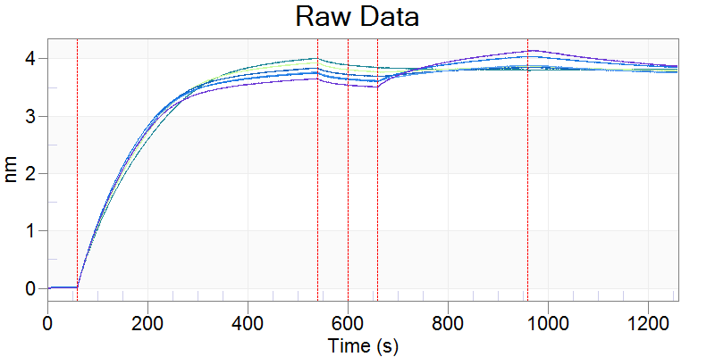
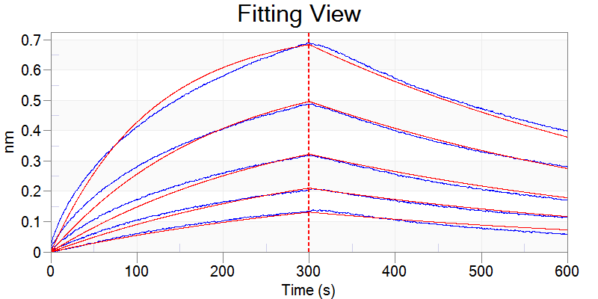
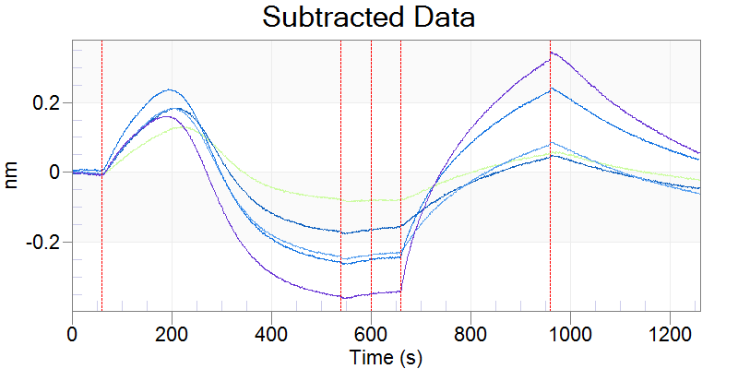
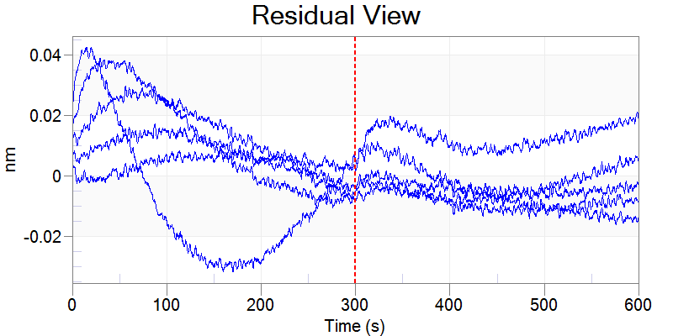
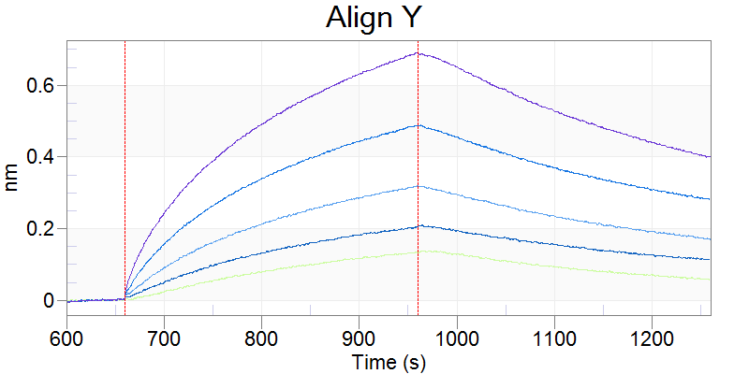
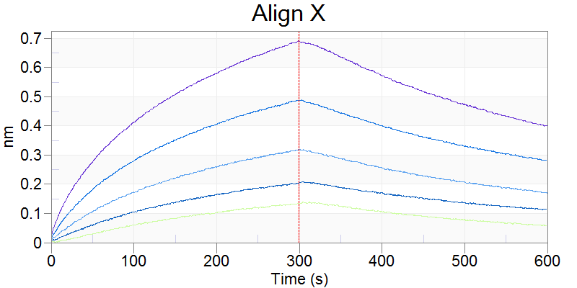
Selected | Include | Index | Color | Sensor Location | Sensor Type | Sensor Info | Replicate Group | Baseline Loc. | Assoc. (Sample) Loc. | Sample ID | Dissoc. Loc. | Loading Well Location | Loading Sample ID | Cycle | Conc. (nM) | Response | KD (M) | KD Error | kon(1/Ms) | kon Error | kdis(1/s) | kdis Error | RMax | RMax Error | kobs(1/s) | Req | Req/Rmax(%) | Full X^2 | Full R^2 | SSG KD | SSG Rmax | SSG R^2
x | x | 0 | -16776961 | A2 | SA (Streptavidin) |  | N/A | A3 | A8 | PGZl1_gVgDmJ | A11 | A2 |  | 1 | 31.3 | 0.1322 | 1.48E-07 | 1.72E-09 | 1.33E+04 | 1.40E+02 | 1.97E-03 | 9.81E-06 | 1.4722 | 0.0186 | 2.39E-03 | 0.2567 | 17.4 | 0.5245 | 0.9941
x | x | 1 | -16776961 | A3 | SA (Streptavidin) |  | N/A | A3 | A7 | PGZl1_gVgDmJ | A12 | A2 |  | 1 | 62.5 | 0.2023 | 1.48E-07 | 1.72E-09 | 1.33E+04 | 1.40E+02 | 1.97E-03 | 9.81E-06 | 1.2475 | 0.014 | 2.80E-03 | 0.3705 | 29.7 | 0.5245 | 0.9941
x | x | 2 | -16776961 | A4 | SA (Streptavidin) |  | N/A | A3 | A6 | PGZl1_gVgDmJ | A9 | A2 |  | 1 | 125 | 0.3145 | 1.48E-07 | 1.72E-09 | 1.33E+04 | 1.40E+02 | 1.97E-03 | 9.81E-06 | 1.0612 | 0.0106 | 3.64E-03 | 0.486 | 45.8 | 0.5245 | 0.9941
x | x | 3 | -16776961 | A5 | SA (Streptavidin) |  | N/A | A3 | A5 | PGZl1_gVgDmJ | A10 | A2 |  | 1 | 250 | 0.4842 | 1.48E-07 | 1.72E-09 | 1.33E+04 | 1.40E+02 | 1.97E-03 | 9.81E-06 | 0.9931 | 0.0082 | 5.30E-03 | 0.6239 | 62.8 | 0.5245 | 0.9941
x | x | 4 | -16776961 | A6 | SA (Streptavidin) |  | N/A | A3 | A4 | PGZl1_gVgDmJ | A11 | A2 |  | 1 | 500 | 0.6843 | 1.48E-07 | 1.72E-09 | 1.33E+04 | 1.40E+02 | 1.97E-03 | 9.81E-06 | 0.9592 | 0.0056 | 8.63E-03 | 0.7402 | 77.2 | 0.5245 | 0.9941

Figure 2C-PGZL1 gVgDgJ
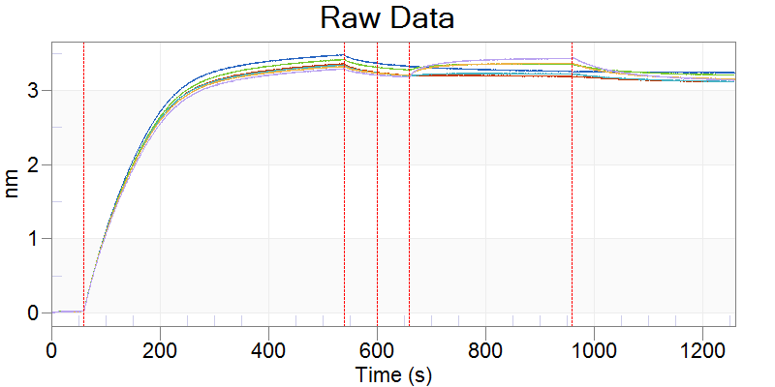
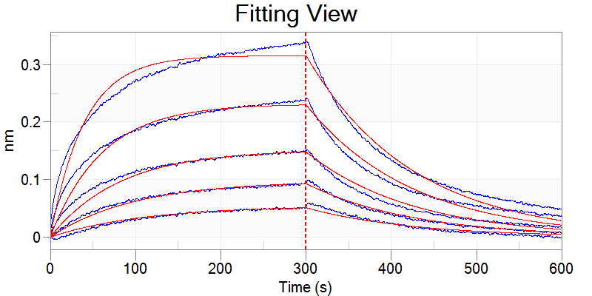
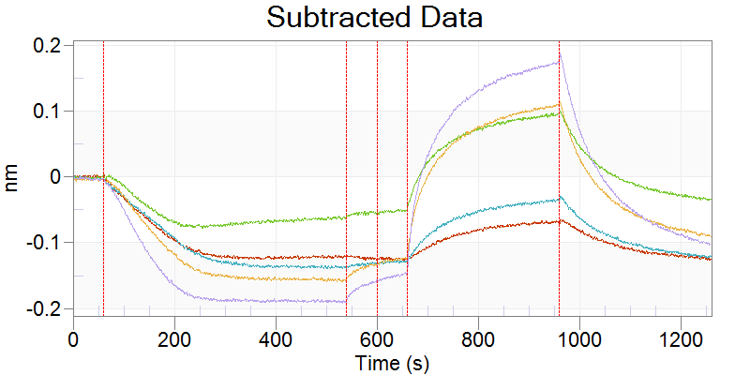
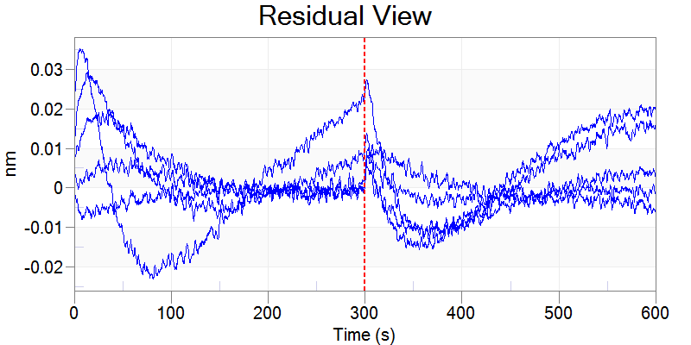
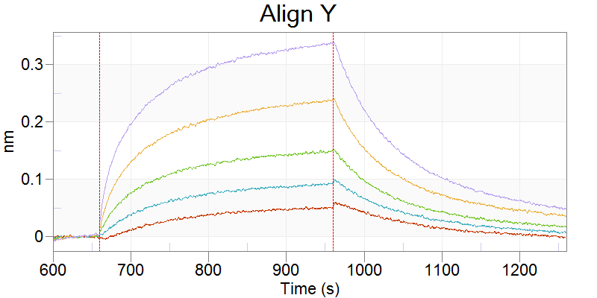
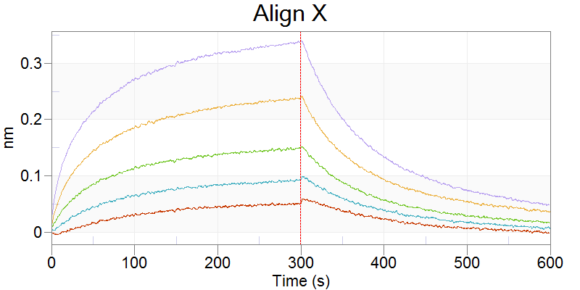
Selected | Include | Index | Color | Sensor Location | Sensor Type | Sensor Info | Replicate Group | Baseline Loc. | Assoc. (Sample) Loc. | Sample ID | Dissoc. Loc. | Loading Well Location | Loading Sample ID | Cycle | Conc. (nM) | Response | KD (M) | KD Error | kon(1/Ms) | kon Error | kdis(1/s) | kdis Error | RMax | RMax Error | kobs(1/s) | Req | Req/Rmax(%) | Full X^2 | Full R^2 | SSG KD | SSG Rmax | SSG R^2
x | x | 0 | -16776961 | A2 | SA (Streptavidin) |  | N/A | A3 | A8 | PGZL1_gVgDgJ | A11 | A2 | PDT081 | 1 | 125 | 0.0504 | 9.38E-07 | 1.38E-08 | 8.55E+03 | 1.21E+02 | 8.02E-03 | 3.34E-05 | 0.4635 | 0.0085 | 9.09E-03 | 0.0545 | 11.8 | 0.2252 | 0.9902
x | x | 1 | -16776961 | A3 | SA (Streptavidin) |  | N/A | A3 | A7 | PGZL1_gVgDgJ | A12 | A2 | PDT081 | 1 | 250 | 0.0913 | 9.38E-07 | 1.38E-08 | 8.55E+03 | 1.21E+02 | 8.02E-03 | 3.34E-05 | 0.4642 | 0.0068 | 1.02E-02 | 0.0977 | 21 | 0.2252 | 0.9902
x | x | 2 | -16776961 | A4 | SA (Streptavidin) |  | N/A | A3 | A6 | PGZL1_gVgDgJ | A9 | A2 | PDT081 | 1 | 500 | 0.1474 | 9.38E-07 | 1.38E-08 | 8.55E+03 | 1.21E+02 | 8.02E-03 | 3.34E-05 | 0.4365 | 0.0054 | 1.23E-02 | 0.1517 | 34.8 | 0.2252 | 0.9902
x | x | 3 | -16776961 | A5 | SA (Streptavidin) |  | N/A | A3 | A5 | PGZL1_gVgDgJ | A10 | A2 | PDT081 | 1 | 1000 | 0.2369 | 9.38E-07 | 1.38E-08 | 8.55E+03 | 1.21E+02 | 8.02E-03 | 3.34E-05 | 0.4483 | 0.0042 | 1.66E-02 | 0.2313 | 51.6 | 0.2252 | 0.9902
x | x | 4 | -16776961 | A6 | SA (Streptavidin) |  | N/A | A3 | A4 | PGZL1_gVgDgJ | A11 | A2 | PDT081 | 1 | 2000 | 0.3358 | 9.38E-07 | 1.38E-08 | 8.55E+03 | 1.21E+02 | 8.02E-03 | 3.34E-05 | 0.4632 | 0.003 | 2.51E-02 | 0.3153 | 68.1 | 0.2252 | 0.9902

Figure 2C-4E10 gVmDmJ
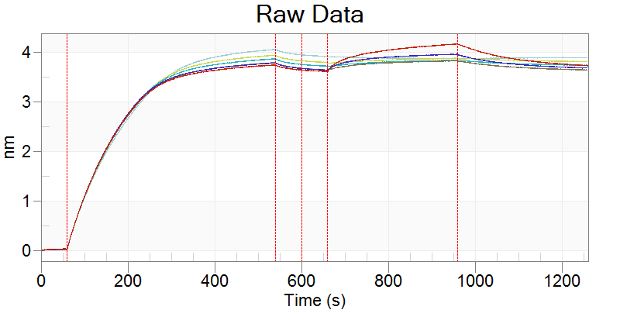
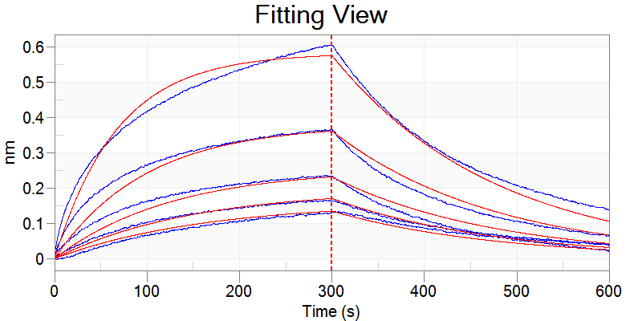
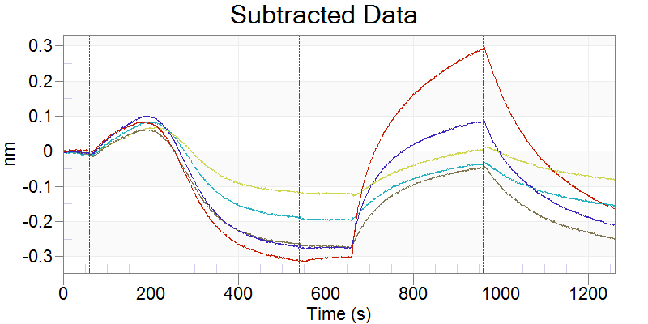
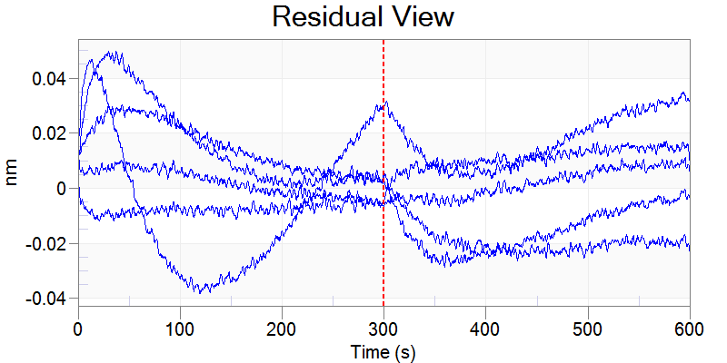
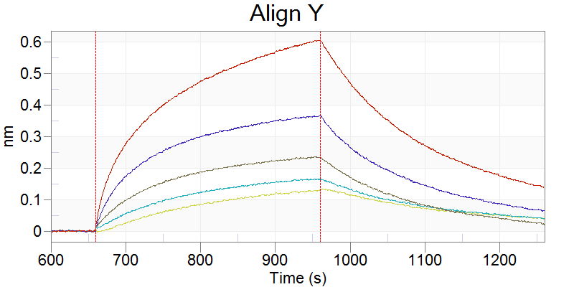
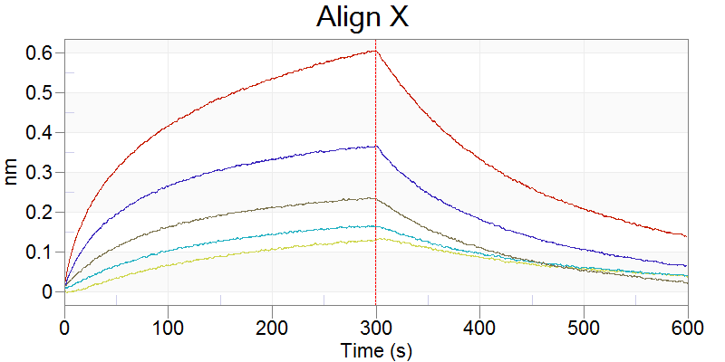
Selected | Include | Index | Color | Sensor Location | Sensor Type | Sensor Info | Replicate Group | Baseline Loc. | Assoc. (Sample) Loc. | Sample ID | Dissoc. Loc. | Loading Well Location | Loading Sample ID | Cycle | Conc. (nM) | Response | KD (M) | KD Error | kon(1/Ms) | kon Error | kdis(1/s) | kdis Error | RMax | RMax Error | kobs(1/s) | Req | Req/Rmax(%) | Full X^2 | Full R^2 | SSG KD | SSG Rmax | SSG R^2
x | x | 0 | -16776961 | D2 | SA (Streptavidin) |  | N/A | D3 | D8 | 4E10_gVmDmJ | D11 | D2 |  | 1 | 31.3 | 0.1284 | 3.11E-07 | 5.64E-09 | 1.82E+04 | 3.18E+02 | 5.65E-03 | 2.65E-05 | 1.7445 | 0.035 | 6.22E-03 | 0.1591 | 9.1 | 0.8391 | 0.9857
x | x | 1 | -16776961 | D3 | SA (Streptavidin) |  | N/A | D3 | D7 | 4E10_gVmDmJ | D12 | D2 |  | 1 | 62.5 | 0.1639 | 3.11E-07 | 5.64E-09 | 1.82E+04 | 3.18E+02 | 5.65E-03 | 2.65E-05 | 1.1721 | 0.0218 | 6.79E-03 | 0.1959 | 16.7 | 0.8391 | 0.9857
x | x | 2 | -16776961 | D4 | SA (Streptavidin) |  | N/A | D3 | D6 | 4E10_gVmDmJ | D9 | D2 |  | 1 | 125 | 0.2347 | 3.11E-07 | 5.64E-09 | 1.82E+04 | 3.18E+02 | 5.65E-03 | 2.65E-05 | 0.8912 | 0.0148 | 7.92E-03 | 0.2553 | 28.6 | 0.8391 | 0.9857
x | x | 3 | -16776961 | D5 | SA (Streptavidin) |  | N/A | D3 | D5 | 4E10_gVmDmJ | D10 | D2 |  | 1 | 250 | 0.3633 | 3.11E-07 | 5.64E-09 | 1.82E+04 | 3.18E+02 | 5.65E-03 | 2.65E-05 | 0.8515 | 0.0116 | 1.02E-02 | 0.3792 | 44.5 | 0.8391 | 0.9857
x | x | 4 | -16776961 | D6 | SA (Streptavidin) |  | N/A | D3 | D4 | 4E10_gVmDmJ | D11 | D2 |  | 1 | 500 | 0.6029 | 3.11E-07 | 5.64E-09 | 1.82E+04 | 3.18E+02 | 5.65E-03 | 2.65E-05 | 0.9449 | 0.0095 | 1.47E-02 | 0.5822 | 61.6 | 0.8391 | 0.9857

Figure 2C-4E10 gVmDmJ L100cF
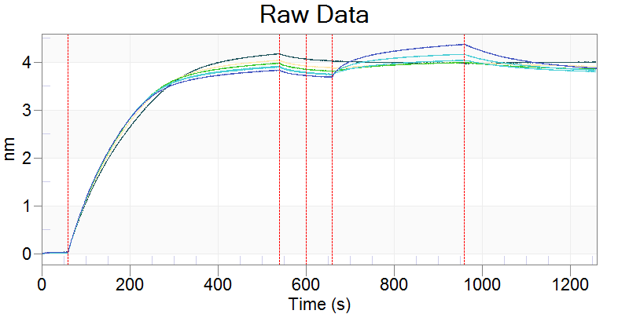
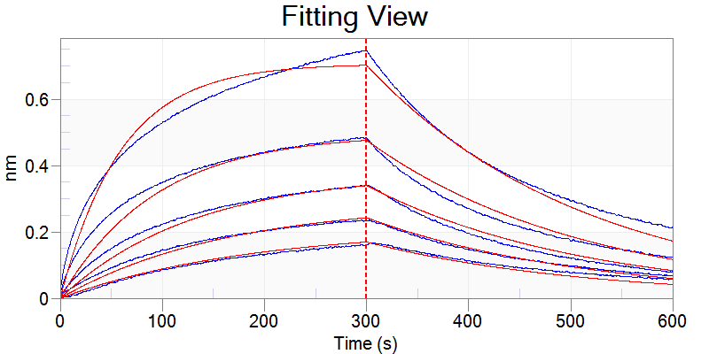
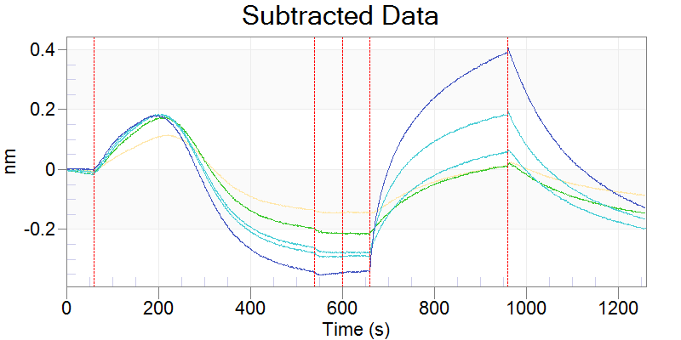
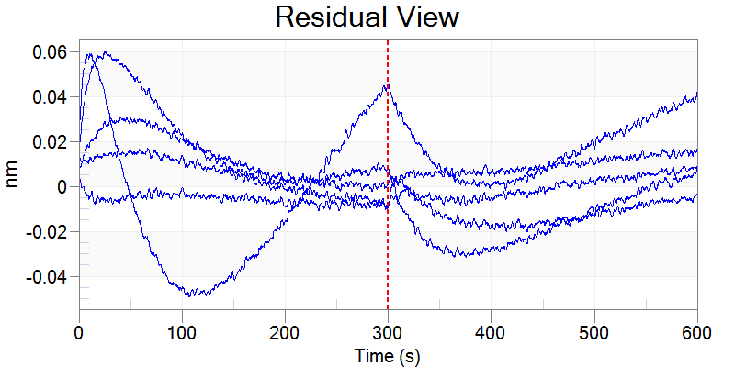
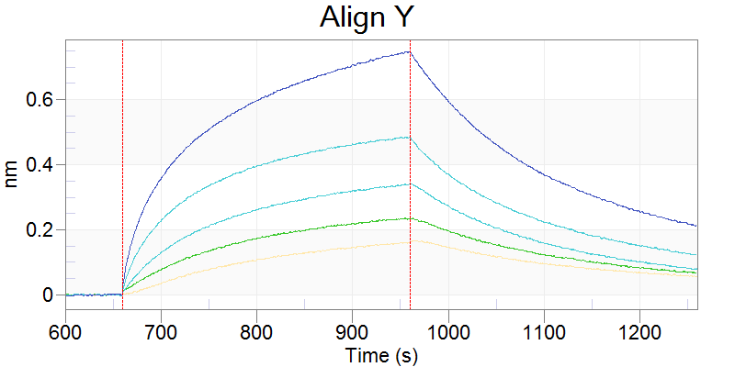
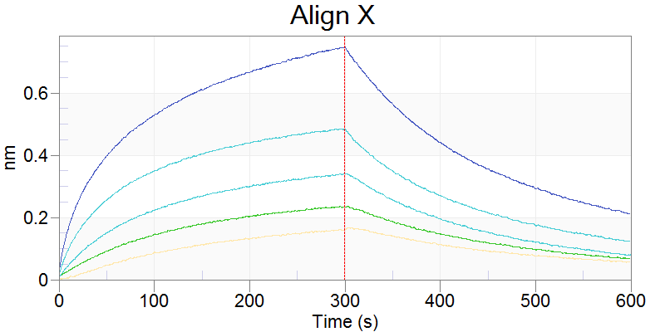
Selected | Include | Index | Color | Sensor Location | Sensor Type | Sensor Info | Replicate Group | Baseline Loc. | Assoc. (Sample) Loc. | Sample ID | Dissoc. Loc. | Loading Well Location | Loading Sample ID | Cycle | Conc. (nM) | Response | KD (M) | KD Error | kon(1/Ms) | kon Error | kdis(1/s) | kdis Error | RMax | RMax Error | kobs(1/s) | Req | Req/Rmax(%) | Full X^2 | Full R^2 | SSG KD | SSG Rmax | SSG R^2
x | x | 0 | -16776961 | E2 | SA (Streptavidin) |  | N/A | E3 | E8 | 4E10_gVmDmJL100cF | E11 | E2 |  | 1 | 31.3 | 0.1598 | 1.93E-07 | 2.53E-09 | 2.42E+04 | 3.01E+02 | 4.69E-03 | 1.93E-05 | 1.5144 | 0.0222 | 5.44E-03 | 0.2108 | 13.9 | 0.9941 | 0.9888
x | x | 1 | -16776961 | E3 | SA (Streptavidin) |  | N/A | E3 | E7 | 4E10_gVmDmJL100cF | E12 | E2 |  | 1 | 62.5 | 0.2338 | 1.93E-07 | 2.53E-09 | 2.42E+04 | 3.01E+02 | 4.69E-03 | 1.93E-05 | 1.1766 | 0.0153 | 6.20E-03 | 0.2875 | 24.4 | 0.9941 | 0.9888
x | x | 2 | -16776961 | E4 | SA (Streptavidin) |  | N/A | E3 | E6 | 4E10_gVmDmJL100cF | E9 | E2 |  | 1 | 125 | 0.338 | 1.93E-07 | 2.53E-09 | 2.42E+04 | 3.01E+02 | 4.69E-03 | 1.93E-05 | 0.96 | 0.0106 | 7.72E-03 | 0.377 | 39.3 | 0.9941 | 0.9888
x | x | 3 | -16776961 | E5 | SA (Streptavidin) |  | N/A | E3 | E5 | 4E10_gVmDmJL100cF | E10 | E2 |  | 1 | 250 | 0.483 | 1.93E-07 | 2.53E-09 | 2.42E+04 | 3.01E+02 | 4.69E-03 | 1.93E-05 | 0.8794 | 0.0076 | 1.07E-02 | 0.4959 | 56.4 | 0.9941 | 0.9888
x | x | 4 | -16776961 | E6 | SA (Streptavidin) |  | N/A | E3 | E4 | 4E10_gVmDmJL100cF | E11 | E2 |  | 1 | 500 | 0.743 | 1.93E-07 | 2.53E-09 | 2.42E+04 | 3.01E+02 | 4.69E-03 | 1.93E-05 | 0.9804 | 0.0057 | 1.68E-02 | 0.707 | 72.1 | 0.9941 | 0.9888

Figure 2C-4E10 gVgDgJ
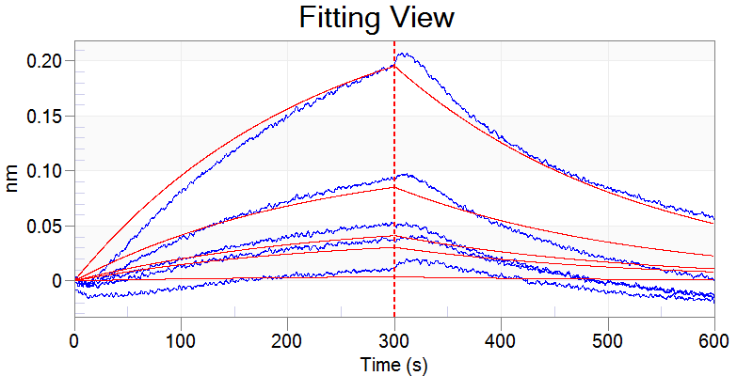
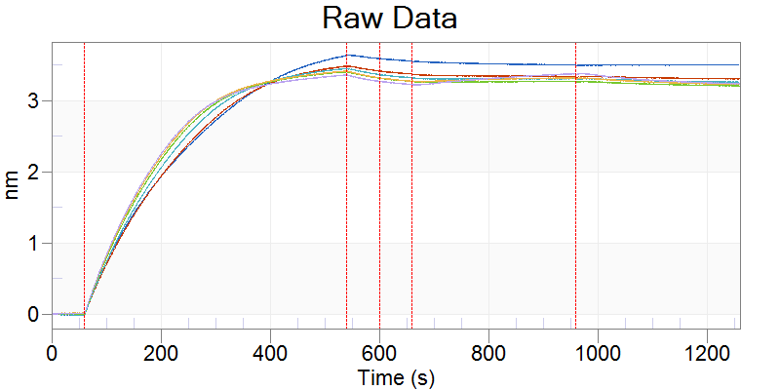




Selected | Include | Index | Color | Sensor Location | Sensor Type | Sensor Info | Replicate Group | Baseline Loc. | Assoc. (Sample) Loc. | Sample ID | Dissoc. Loc. | Loading Well Location | Loading Sample ID | Cycle | Conc. (nM) | Response | KD (M) | KD Error | kon(1/Ms) | kon Error | kdis(1/s) | kdis Error | RMax | RMax Error | kobs(1/s) | Req | Req/Rmax(%) | Full X^2 | Full R^2 | SSG KD | SSG Rmax | SSG R^2
x | x | 0 | -16776961 | A2 | SA (Streptavidin) |  | N/A | A3 | A8 | 4E10_gVgDgJ | A11 | A2 | PDT081 | 1 | 125 | 0.0102 | 9.06E-05 | 1.79E-04 | 4.87E+01 | 9.61E+01 | 4.41E-03 | 5.05E-05 | 3.6958 | 7.3328 | 4.42E-03 | 0.0051 | 0.1 | 0.33 | 0.956
x | x | 1 | -16776961 | A3 | SA (Streptavidin) |  | N/A | A3 | A7 | 4E10_gVgDgJ | A12 | A2 | PDT081 | 1 | 250 | 0.0382 | 9.06E-05 | 1.79E-04 | 4.87E+01 | 9.61E+01 | 4.41E-03 | 5.05E-05 | 15.0903 | 29.7987 | 4.43E-03 | 0.0415 | 0.3 | 0.33 | 0.956
x | x | 2 | -16776961 | A4 | SA (Streptavidin) |  | N/A | A3 | A6 | 4E10_gVgDgJ | A9 | A2 | PDT081 | 1 | 500 | 0.0511 | 9.06E-05 | 1.79E-04 | 4.87E+01 | 9.61E+01 | 4.41E-03 | 5.05E-05 | 10.2046 | 20.1257 | 4.44E-03 | 0.056 | 0.5 | 0.33 | 0.956
x | x | 3 | -16776961 | A5 | SA (Streptavidin) |  | N/A | A3 | A5 | 4E10_gVgDgJ | A10 | A2 | PDT081 | 1 | 1000 | 0.0924 | 9.06E-05 | 1.79E-04 | 4.87E+01 | 9.61E+01 | 4.41E-03 | 5.05E-05 | 10.5812 | 20.8167 | 4.46E-03 | 0.1155 | 1.1 | 0.33 | 0.956
x | x | 4 | -16776961 | A6 | SA (Streptavidin) |  | N/A | A3 | A4 | 4E10_gVgDgJ | A11 | A2 | PDT081 | 1 | 2000 | 0.1928 | 9.06E-05 | 1.79E-04 | 4.87E+01 | 9.61E+01 | 4.41E-03 | 5.05E-05 | 12.1981 | 23.8799 | 4.51E-03 | 0.2635 | 2.2 | 0.33 | 0.956

Figure 2D
 | 293T |  | MPER-TM |  | Env |  | Env+sCD4
Antibody | MFI | Positive cells* | MFI | Positive cells* | MFI | Positive cells* | MFI | Positive cells*
H4K3 | 168 | 0.1 % | 4853 | 60.8 % | 2916 | 60.8 % | 18711 | 92.0 %
PGZL1 | 176 | 0.2 % | 3214 | 46.1 % | 573 | 5.6 % | 5253 | 71.3 %
PGZL1_gVmDmJ | 163 | 0.1 % | 1279 | 17.0 % | 272 | 1.0 % | 3060 | 46.3 %
4E10 | 185 | 0.1 % | 5150 | 63.2 % | 3924 | 63.5 % | 18135 | 92.8 %
4E10_gVmDmJ | 171 | 0.2 % | 194 | 0.8 % | 228 | 0.6 % | 2568 | 42.5 %
10E8 | 203 | 0.6 % | 3647 | 50.5 % | 4536 | 66.0 % | 21182 | 94.7 %
10E8_gVmDmJ | 155 | 0.0 % | 179 | 0.1 % | 176 | 0.1 % | 190 | 0.1 %
PGT145 | 303 | 0.5 % | 182 | 0.1 % | 56682 | 95.8 % | 43301 | 94.8 %
 |  |  |  | *percentage of positive cells out of 100,000 total cells counted









APC-A
SSC-A
H4K3
PGZL1
PGZL1_gVmDmJ
4E10
4E10_gVmDmJ
10E8
10E8_gVmDmJ
293T
MPER-TM

Figure 6H-H4K3 SFS28EPE






Selected | Include | Index | Color | Sensor Location | Sensor Type | Sensor Info | Replicate Group | Baseline Loc. | Assoc. (Sample) Loc. | Sample ID | Dissoc. Loc. | Loading Well Location | Loading Sample ID | Cycle | Conc. (nM) | Response | KD (M) | KD Error | kon(1/Ms) | kon Error | kdis(1/s) | kdis Error | RMax | RMax Error | kobs(1/s) | Req | Req/Rmax(%) | Full X^2 | Full R^2 | SSG KD | SSG Rmax | SSG R^2
x | x | 0 | -16776961 | E2 | SA (Streptavidin) |  | N/A | E3 | E8 | H4K3SFS28EPE | E11 | E2 | PDT081pept | 1 | 7.81 | 0.1187 | 1.51E-08 | 3.06E-10 | 3.57E+04 | 4.57E+02 | 5.39E-04 | 8.51E-06 | 1.5494 | 0.0237 | 8.18E-04 | 0.5285 | 34.1 | 0.7088 | 0.9955
x | x | 1 | -16776961 | E3 | SA (Streptavidin) |  | N/A | E3 | E7 | H4K3SFS28EPE | E12 | E2 | PDT081pept | 1 | 15.6 | 0.2104 | 1.51E-08 | 3.06E-10 | 3.57E+04 | 4.57E+02 | 5.39E-04 | 8.51E-06 | 1.502 | 0.0205 | 1.10E-03 | 0.7643 | 50.9 | 0.7088 | 0.9955
x | x | 2 | -16776961 | E4 | SA (Streptavidin) |  | N/A | E3 | E6 | H4K3SFS28EPE | E9 | E2 | PDT081pept | 1 | 31.3 | 0.3106 | 1.51E-08 | 3.06E-10 | 3.57E+04 | 4.57E+02 | 5.39E-04 | 8.51E-06 | 1.2057 | 0.015 | 1.66E-03 | 0.8131 | 67.4 | 0.7088 | 0.9955
x | x | 3 | -16776961 | E5 | SA (Streptavidin) |  | N/A | E3 | E5 | H4K3SFS28EPE | E10 | E2 | PDT081pept | 1 | 62.5 | 0.4861 | 1.51E-08 | 3.06E-10 | 3.57E+04 | 4.57E+02 | 5.39E-04 | 8.51E-06 | 1.0988 | 0.0118 | 2.77E-03 | 0.8851 | 80.6 | 0.7088 | 0.9955
x | x | 4 | -16776961 | E6 | SA (Streptavidin) |  | N/A | E3 | E4 | H4K3SFS28EPE | E11 | E2 | PDT081pept | 1 | 125 | 0.805 | 1.51E-08 | 3.06E-10 | 3.57E+04 | 4.57E+02 | 5.39E-04 | 8.51E-06 | 1.1957 | 0.0096 | 5.01E-03 | 1.067 | 89.2 | 0.7088 | 0.9955

Figure 6H-H4K RS73PE






Selected | Include | Index | Color | Sensor Location | Sensor Type | Sensor Info | Replicate Group | Baseline Loc. | Assoc. (Sample) Loc. | Sample ID | Dissoc. Loc. | Loading Well Location | Loading Sample ID | Cycle | Conc. (nM) | Response | KD (M) | KD Error | kon(1/Ms) | kon Error | kdis(1/s) | kdis Error | RMax | RMax Error | kobs(1/s) | Req | Req/Rmax(%) | Full X^2 | Full R^2 | SSG KD | SSG Rmax | SSG R^2
x | x | 0 | -16776961 | D2 | SA (Streptavidin) |  | N/A | D3 | D8 | H4K3RS73EP | D11 | D2 | PDT081pept | 1 | 7.81 | 0.1432 | 1.28E-08 | 2.56E-10 | 3.97E+04 | 4.60E+02 | 5.09E-04 | 8.30E-06 | 1.6188 | 0.0228 | 8.19E-04 | 0.6129 | 37.9 | 0.8992 | 0.9956
x | x | 1 | -16776961 | D3 | SA (Streptavidin) |  | N/A | D3 | D7 | H4K3RS73EP | D12 | D2 | PDT081pept | 1 | 15.6 | 0.2473 | 1.28E-08 | 2.56E-10 | 3.97E+04 | 4.60E+02 | 5.09E-04 | 8.30E-06 | 1.6033 | 0.0199 | 1.13E-03 | 0.8809 | 54.9 | 0.8992 | 0.9956
x | x | 2 | -16776961 | D4 | SA (Streptavidin) |  | N/A | D3 | D6 | H4K3RS73EP | D9 | D2 | PDT081pept | 1 | 31.3 | 0.3632 | 1.28E-08 | 2.56E-10 | 3.97E+04 | 4.60E+02 | 5.09E-04 | 8.30E-06 | 1.2714 | 0.0143 | 1.75E-03 | 0.9016 | 70.9 | 0.8992 | 0.9956
x | x | 3 | -16776961 | D5 | SA (Streptavidin) |  | N/A | D3 | D5 | H4K3RS73EP | D10 | D2 | PDT081pept | 1 | 62.5 | 0.5737 | 1.28E-08 | 2.56E-10 | 3.97E+04 | 4.60E+02 | 5.09E-04 | 8.30E-06 | 1.191 | 0.0113 | 2.99E-03 | 0.9883 | 83 | 0.8992 | 0.9956
x | x | 4 | -16776961 | D6 | SA (Streptavidin) |  | N/A | D3 | D4 | H4K3RS73EP | D11 | D2 | PDT081pept | 1 | 125 | 0.9164 | 1.28E-08 | 2.56E-10 | 3.97E+04 | 4.60E+02 | 5.09E-04 | 8.30E-06 | 1.2868 | 0.0089 | 5.47E-03 | 1.1671 | 90.7 | 0.8992 | 0.9956

Figure 6H-H4K 5M






Selected | Include | Index | Color | Sensor Location | Sensor Type | Sensor Info | Replicate Group | Baseline Loc. | Assoc. (Sample) Loc. | Sample ID | Dissoc. Loc. | Loading Well Location | Loading Sample ID | Cycle | Conc. (nM) | Response | KD (M) | KD Error | kon(1/Ms) | kon Error | kdis(1/s) | kdis Error | RMax | RMax Error | kobs(1/s) | Req | Req/Rmax(%) | Full X^2 | Full R^2 | SSG KD | SSG Rmax | SSG R^2
x | x | 0 | -16776961 | F2 | SA (Streptavidin) |  | N/A | F3 | F8 | H4K3-5M | F11 | F2 | PDT081pept | 1 | 7.81 | 0.0878 | 2.34E-08 | 5.13E-10 | 2.88E+04 | 4.83E+02 | 6.74E-04 | 9.59E-06 | 1.3941 | 0.0267 | 8.99E-04 | 0.3492 | 25 | 0.3962 | 0.9947
x | x | 1 | -16776961 | F3 | SA (Streptavidin) |  | N/A | F3 | F7 | H4K3-5M | F12 | F2 | PDT081pept | 1 | 15.6 | 0.1243 | 2.34E-08 | 5.13E-10 | 2.88E+04 | 4.83E+02 | 6.74E-04 | 9.59E-06 | 1.0999 | 0.0196 | 1.12E-03 | 0.4408 | 40.1 | 0.3962 | 0.9947
x | x | 2 | -16776961 | F4 | SA (Streptavidin) |  | N/A | F3 | F6 | H4K3-5M | F9 | F2 | PDT081pept | 1 | 31.3 | 0.1873 | 2.34E-08 | 5.13E-10 | 2.88E+04 | 4.83E+02 | 6.74E-04 | 9.59E-06 | 0.8662 | 0.0143 | 1.58E-03 | 0.4956 | 57.2 | 0.3962 | 0.9947
x | x | 3 | -16776961 | F5 | SA (Streptavidin) |  | N/A | F3 | F5 | H4K3-5M | F10 | F2 | PDT081pept | 1 | 62.5 | 0.337 | 2.34E-08 | 5.13E-10 | 2.88E+04 | 4.83E+02 | 6.74E-04 | 9.59E-06 | 0.9028 | 0.0131 | 2.48E-03 | 0.6571 | 72.8 | 0.3962 | 0.9947
x | x | 4 | -16776961 | F6 | SA (Streptavidin) |  | N/A | F3 | F4 | H4K3-5M | F11 | F2 | PDT081pept | 1 | 125 | 0.5562 | 2.34E-08 | 5.13E-10 | 2.88E+04 | 4.83E+02 | 6.74E-04 | 9.59E-06 | 0.95 | 0.0109 | 4.28E-03 | 0.8004 | 84.2 | 0.3962 | 0.9947

