Supple Fig 2
Supplementary Fig 2
Full SDS-PAGE gel of whole-cell protein extracts of E. coli expressing different decarboxylases.
Lane 1: E. coli (OleT-CamAB); Lane 2: E. coli (UndA); Lane 3: E. coli (UndB); Lane 4: protein molecular weight standard.

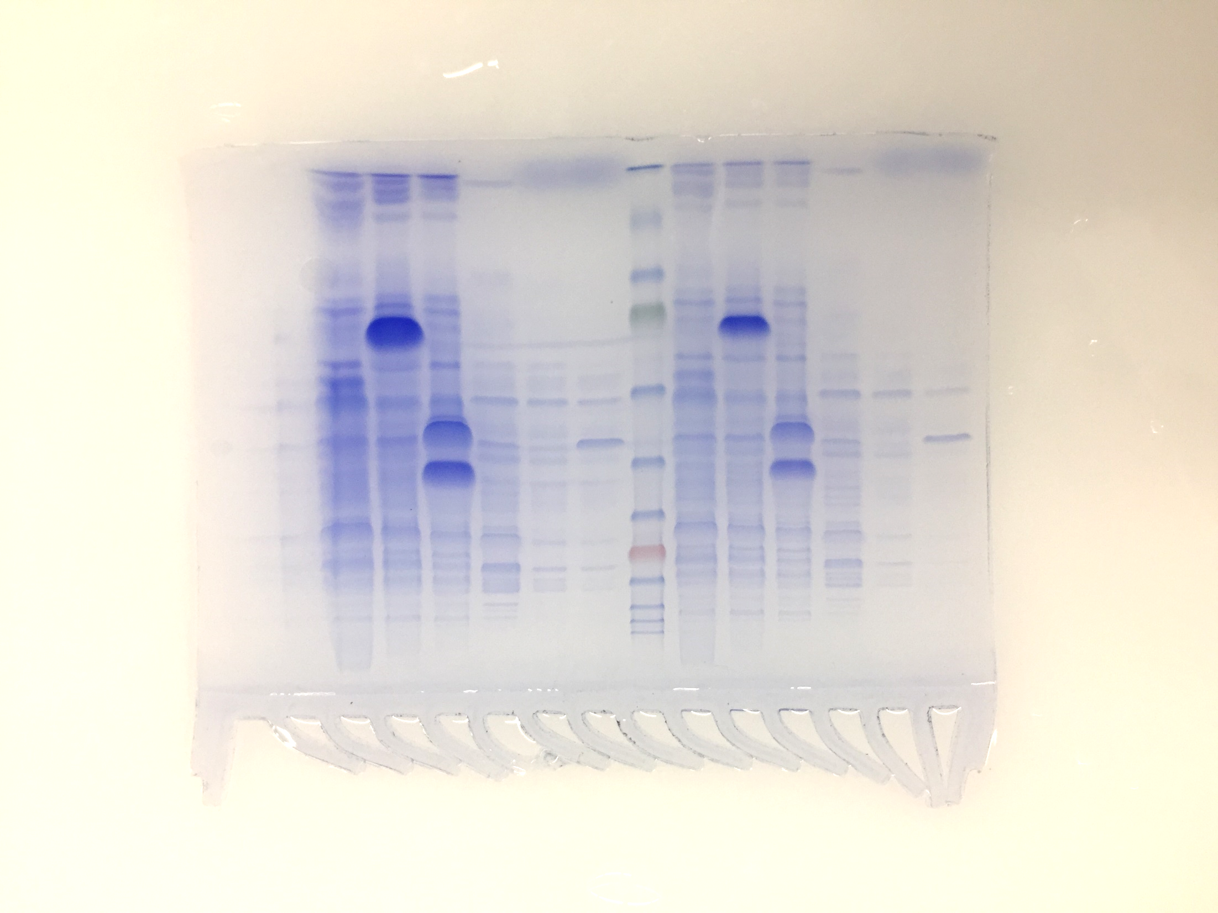
OleT
CamB
UndA
UndB
1 2 3 4
kDa
100
80
58
46
32
25
22

Supple Fig 8
PfBVMO
E6-PfBVMO
H6-PfBVMO
K6-PfBVMO
MBP-PfBVMO
Trx-PfBVMO
TrxGS-PfBVMO
kDa
100
80
58
46
32
25
Supplementary Fig 8a | Supplementary Fig 8b
Full SDS-PAGE gel of whole-cell protein extracts of E. coli expressing PfBVMO with different N-terminal tags | Relative productivity of 4b
 |  |  | test 1 | test 2 | test 3
 |  | Control | 5% | 4% | 3%
 |  | PfBVMO | 100% | 100% | 100%
 |  | E6-PfBVMO | 359% | 381% | 340%
 |  | H6-PfBVMO | 266% | 333% | 195%
 |  | K6-PfBVMO | 157% | 216% | 272%
 |  | MBP-PfBVMO | 383% | 364% | 297%
 |  | Trx-PfBVMO | 89% | 70% | 103%
 |  | TrxGS-PfBVMO | 170% | 146% | 139%

Supple Fig 9
PpBVMO
E6-PpBVMO
H6-PpBVMO
K6-PpBVMO
NusAGS-PpBVMO
TrxGS-PpBVMO
kDa
135
100
80
58
46
32
25
Supplementary Fig 9a | Supplementary Fig 9b
Full SDS-PAGE gel of whole-cell protein extracts of E. coli expressing PpBVMO with different N-terminal tags | Relative productivity of 9-hydroxynonanoic acid
 |  |  | test 1 | test 2 | test 3
 |  | Control | 3% | 2% | 3%
 |  | PpBVMO | 98% | 102% | 101%
 |  | E6-PpBVMO | 85% | 109% | 92%
 |  | H6-PpBVMO | 358% | 387% | 316%
 |  | K6-PpBVMO | 284% | 272% | 268%
 |  | NusAGS-PpBVMO | 196% | 203% | 149%
 |  | TrxGS-PpBVMO | 304% | 312% | 288%

Supple Fig 11
Supplementary Fig 11
Full SDS-PAGE gel of whole-cell protein extracts of E. coli expressing different enzymes
Lane 1: protein marker; Lane 2: E. coli (OhyA2); Lane 3: E. coli (MlADH); Lane 4: E. coli (TLL).
OhyA2
MlADH
TLL
1 2 3 4
kDa
100
80
58
46
32
25

