Fig.5d
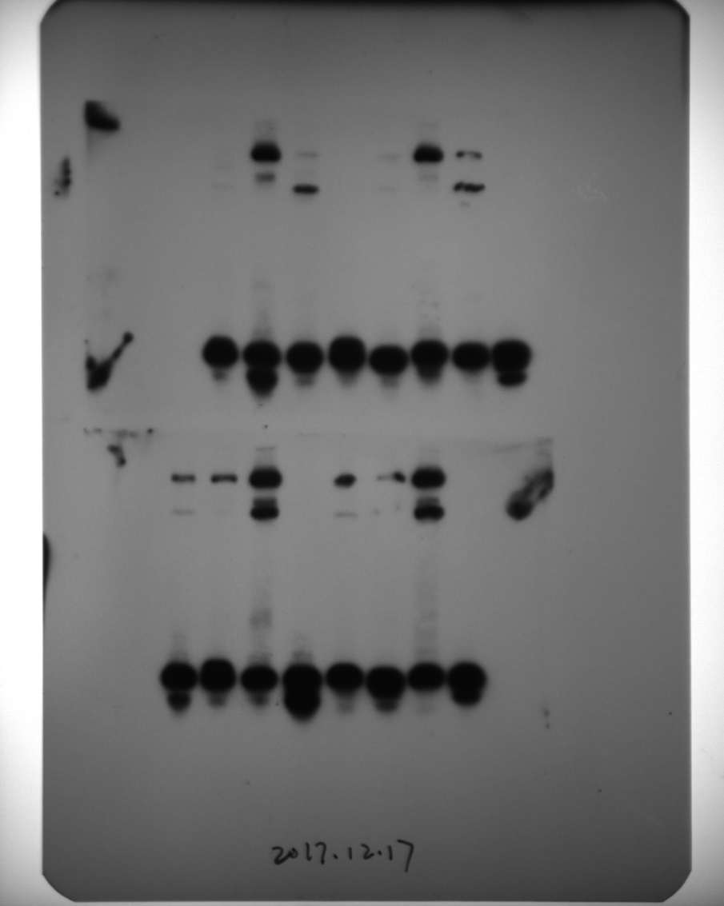
Raw data for Fig.5d.

Supplementary Fig.12a
OsNPF6.1-D1
DJ
Raw data for Supplementary Fig.12a. DJ, Dongjin.

DJ
OsNPF6.1-D1

