Figure 2
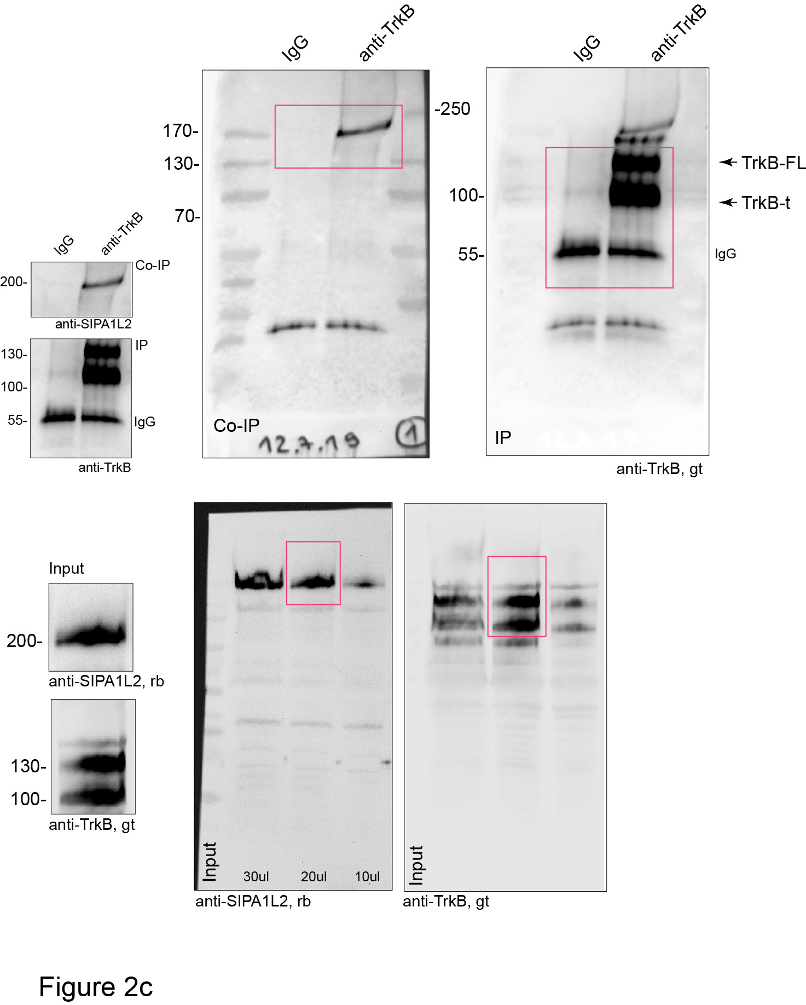
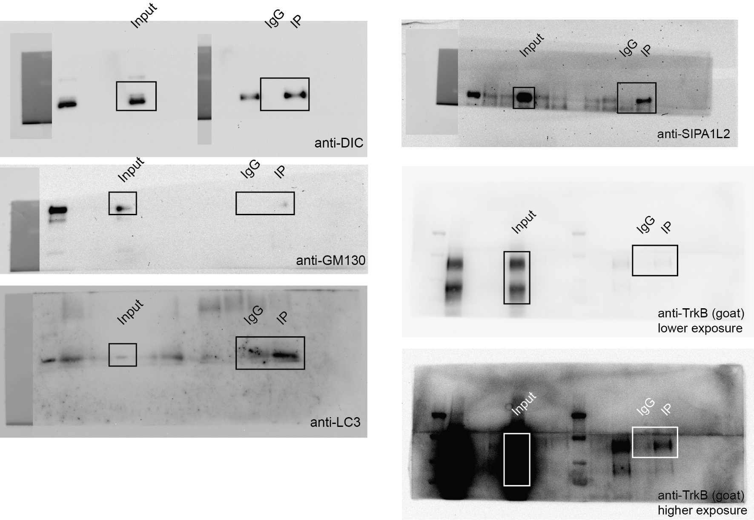
b |  |  | c |  |  |  |  |  |  |  |  |  |  | d
 | Pearson's coefficient
 | 0.53
 | 0.54
 | 0.77
 | 0.72
 | 0.54
 | 0.39

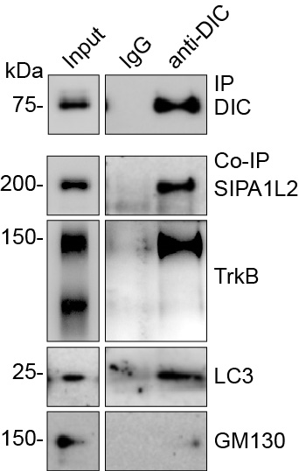

 |  |  | h |  |  |  |  |  |  |  |  |  |  | i
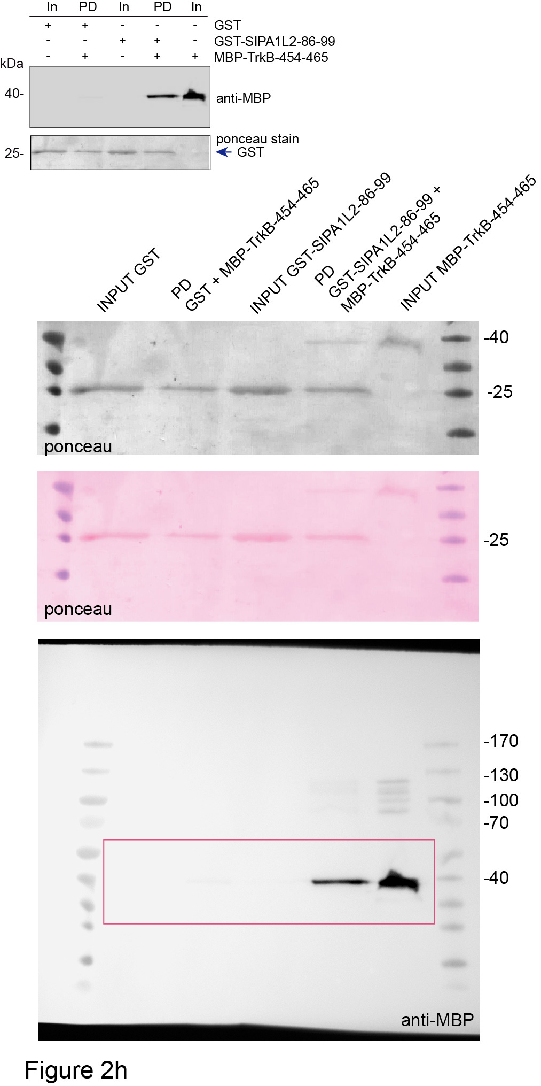
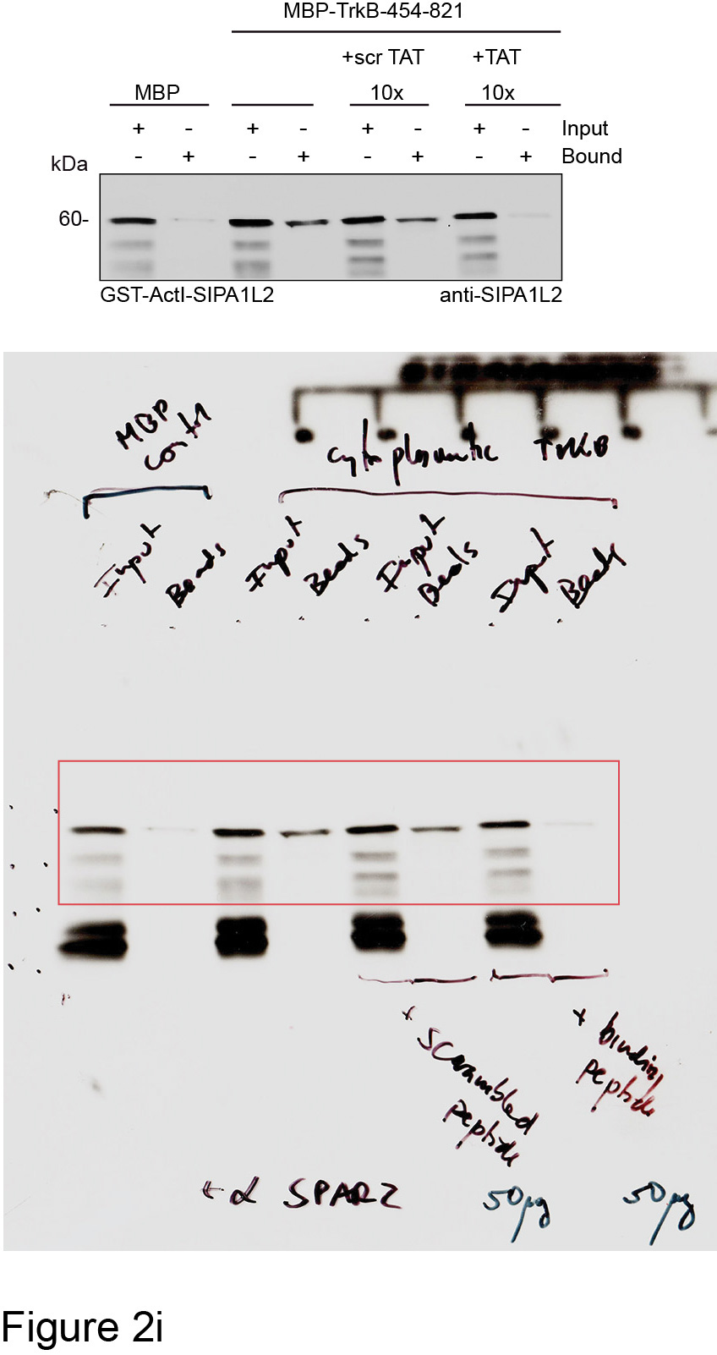

k

 | TATscr |  |  |  |  |  |  |  |  |  |  |  | TAT SIPA1L2
A1 | 32.86 | 41.73 | 32.43 | 27.53 | 48.56 | 29.37 | 40.47 | 33.73 | 48.51 | 27.9 | 27.93 | 28.41 | 43.62 | 27.01 | 51.56 | 22.22 | 27.61 | 43.2 | 20.55 | 50.99 | 34.64 | 30.52 | 39.26 | 35.19
A2 | 41.84 | 43.29 | 52.84 | 44.48 | 38.41 | 55.38 | 28.41 | 36.86 | 30.98 | 27.74 | 33.11 | 44.73 | 37.16 | 40.91 | 35.67 | 60.71 | 61.14 | 43.18 | 42.21 | 17.19 | 24.65 | 26.26 | 22.06 | 12.86
A3 | 37.86 | 24.27 | 31.23 | 46.36 | 21.15 | 34.18 | 31.1 | 29.4 | 20.5 | 44.4 | 39 | 26.9 | 30.58 | 51.97 | 19.85 | 43.43 | 28.96 | 23.98 | 37.2 | 31.8 | 40.7 | 43.2 | 38.7 | 51.9

l |  |  |  |  |  | m, left

 | SLR |  | dSLR |  |  |  |  | TATscr |  |  |  |  |  |  |  |  |  |  |  |  | TAT-SIPA1L2 |  |  |  |  |  |  |  |  |  |  |  |  | m, right
 | TAT scr | TAT SIPA1L2 | TAT scr | TAT SIPA1L2 |  |  | -15 | 90.226 | 106.597 | 95.663 | 105.559 | 93.297 | 93.165 | 111.189 | 111.998 | 97.531 | 98.303 | 98.013 | 108.464 | 110.578 | 94.385 | 106.602 | 82.351 | 104.355 | 99.071 | 113.518 | 108.317 | 104.936 | 93.865 | 98.348 | 94.764 | 96.885 | 104.478
 | 30.63 | 1.65 | 27.85 | 10.86 |  |  | -13.5 | 89.237 | 103.675 | 106.272 | 107.545 | 96.908 | 107.588 | 96.748 | 110.461 | 103.243 | 103.572 | 100.037 | 108.464 | 96.417 | 85.904 | 93.285 | 86.961 | 107.183 | 91.94 | 104.607 | 95.198 | 109.491 | 102.696 | 101.162 | 97.908 | 100.115 | 103.317
 | 34.31 | 5.47 | 12.15 | 22.68 |  |  | -12 | 97.079 | 104.667 | 110.091 | 94.666 | 99.316 | 102.494 | 108.735 | 108.046 | 101.519 | 99.256 | 100.21 | 86.667 | 102.671 | 97.756 | 102.797 | 89.528 | 102.771 | 91.94 | 111.829 | 104.951 | 101.97 | 98.117 | 101.806 | 97.003 | 102.95 | 103.897 | TATscr | TAT-SIPA1L2
 | 15.59 | -1.7 | 22.2 | 20.76 |  |  | -10.5 | 94.414 | 102.848 | 96.269 | 102.61 | 101.423 | 98.075 | 91.273 | 112.657 | 97.208 | 97.687 | 96.394 | 89.438 | 99.249 | 100.474 | 90.398 | 93.561 | 97.511 | 98.215 | 95.812 | 95.63 | 99.957 | 97.681 | 100.341 | 103.292 | 99.721 | 102.322 | 142.467 | 122.595
 | 17.8 | 5 | 30.28 | 25.34 |  |  | -9 | 99.592 | 99.87 | 103.604 | 103.452 | 99.767 | 96.173 | 84.855 | 108.485 | 100.656 | 99.368 | 98.013 | 110.861 | 102.081 | 92.972 | 98.008 | 100.581 | 100 | 95.125 | 90.22 | 102.016 | 91.11 | 98.444 | 99.345 | 103.149 | 104.132 | 99.005 | 129.8 | 144.06
 | 18.5 | 0.65 | 18.16 | 30.89 |  |  | -7.5 | 106.368 | 93.197 | 96.875 | 102.55 | 104.884 | 100.96 | 91.745 | 110.022 | 100.872 | 98.023 | 94.254 | 110.112 | 104.56 | 94.603 | 97.68 | 99.795 | 100.226 | 109.102 | 98.899 | 103.829 | 89.362 | 100.951 | 102.217 | 101.767 | 108.149 | 96.683 | 129.842 | 83.563
 | 24.31 | 3.73 | 32.63 | 17.15 |  |  | -6 | 105.302 | 96.506 | 101.179 | 96.411 | 105.185 | 95.927 | 108.452 | 107.826 | 99.579 | 103.74 | 107.727 | 108.09 | 110.932 | 99.713 | 95.778 | 107.705 | 97.964 | 103.017 | 98.141 | 98.305 | 94.66 | 103.677 | 101.748 | 104.721 | 96.806 | 97.761 | 126.725 | 115.126
 | 15.1 | -5.59 | 16.5 | -3.49 |  |  | -4.5 | 103.703 | 96.947 | 96.754 | 98.397 | 102.175 | 95.375 | 100.523 | 87.512 | 103.782 | 101.162 | 97.088 | 94.682 | 92.758 | 111.675 | 99.583 | 110.01 | 97.229 | 101.59 | 96.103 | 95.198 | 111.557 | 98.335 | 98.993 | 96.145 | 96.019 | 96.02 | 194.462 | 99.492
 | 11.64 | -4.59 | 35.98 | 26.32 |  |  | -3 | 103.703 | 96.726 | 101.24 | 97.314 | 98.564 | 103.783 | 104.582 | 76.752 | 96.238 | 100.377 | 105.357 | 82.547 | 86.268 | 102.541 | 97.024 | 108.229 | 96.889 | 96.551 | 94.938 | 96.406 | 98.579 | 99.207 | 94.832 | 99.433 | 96.728 | 100.415 | 123.006 | 129.061
 | 8.17 | 1.46 | -18.24 | 9.24 |  |  | -1.5 | 105.911 | 100.145 | 103.907 | 94.726 | 97.209 | 101.205 | 105.998 | 93.442 | 102.165 | 97.631 | 106.166 | 88.315 | 94.765 | 108.739 | 105.683 | 108.491 | 98.077 | 104.585 | 97.21 | 103.656 | 104.088 | 99.752 | 100.282 | 101.577 | 98.46 | 93.284 | 122.287 | 102.781
 | -1.75 | -8.57 | -3.636 | 36.207 |  |  | 0 | 104.465 | 98.822 | 88.145 | 96.772 | 101.272 | 105.256 | 95.898 | 72.799 | 97.208 | 100.881 | 96.741 | 112.36 | 99.721 | 111.24 | 113.162 | 112.787 | 97.794 | 108.864 | 98.724 | 96.493 | 94.289 | 107.275 | 100.927 | 100.243 | 100.036 | 102.819 | 143.226 | 128.917
 | 31.88 | 15.22 | 10.556 | 3.659 |  |  | 1.5 | 1185.201 | 798.406 | 482.436 | 457.802 | 978.564 | 576.36 | 986.357 | 415.931 | 721.084 | 1087.39 | 859.854 | 452.959 | 735.576 | 1408.709 | 443.661 | 610.872 | 580.317 | 521.025 | 609.467 | 436.202 | 513.344 | 889.703 | 625.607 | 941.68 | 654.171 | 669.818 | 152.001 | 153.892
 | 6.81 | -14.67 | 40.217 | 36.875 |  |  | 3 | 973.607 | 537.399 | 432.847 | 362.293 | 992.709 | 436.183 | 367.736 | 362.787 | 548.114 | 849.534 | 660.069 | 338.652 | 389.207 | 1034.104 | 321.38 | 318.559 | 482.183 | 419.863 | 455.936 | 329.094 | 377.261 | 589.138 | 355.531 | 552.144 | 471.822 | 412.189 | 222.755 | 139.166
 |  |  |  |  |  |  | 4.5 | 886.807 | 443.43 | 362.342 | 322.092 | 708.304 | 353.328 | 317.616 | 383.649 | 491.966 | 835.186 | 446.349 | 277.453 | 349.319 | 635.577 | 271.72 | 213.839 | 404.525 | 362.578 | 363.735 | 277.395 | 342.3 | 501.051 | 296.979 | 395.491 | 408.65 | 392.371 | 127.051 | 101.726
 |  |  |  |  |  |  | 6 | 820.869 | 400.416 | 308.994 | 298.019 | 702.285 | 327.858 | 270.894 | 338.96 | 484.746 | 685.433 | 418.42 | 278.427 | 338.344 | 419.949 | 251.712 | 185.761 | 376.244 | 324.737 | 337.642 | 214.045 | 346.379 | 499.742 | 301.199 | 309.589 | 375.961 | 354.643 | 155.22 | 137.113
 |  |  |  |  |  |  | 7.5 | 700.035 | 390.214 | 282.381 | 279.303 | 623.133 | 307.175 | 267.779 | 334.458 | 466.209 | 609.324 | 408.647 | 277.603 | 357.344 | 354.053 | 248.497 | 168.054 | 377.262 | 311.236 | 319.935 | 222.589 | 324.608 | 474.777 | 294.869 | 281.432 | 413.534 | 329.104 | 164.785 | 129.27
 |  |  |  |  |  |  | 9 | 706.43 | 367.825 | 270.862 | 282.733 | 534.651 | 307.482 | 243.805 | 301.298 | 452.846 | 629.164 | 360.884 | 263.895 | 355.337 | 356.663 | 254.073 | 166.849 | 376.471 | 299.209 | 280.737 | 222.848 | 323.442 | 469.435 | 307.763 | 258.849 | 361.783 | 317.579
 |  |  |  |  |  |  | 10.5 | 655.797 | 358.064 | 243.885 | 276.234 | 523.967 | 307.175 | 240.596 | 293.611 | 446.057 | 692.719 | 378.405 | 272.434 | 368.673 | 319.039 | 243.118 | 150.4 | 377.885 | 284.139 | 290.93 | 207.226 | 281.277 | 420.595 | 296.51 | 238.41 | 349.259 | 306.385
 |  |  |  |  |  |  | 12 | 614.148 | 361.097 | 204.541 | 270.637 | 503.953 | 295.207 | 233.611 | 298.443 | 414.372 | 693.112 | 371.119 | 253.258 | 372.213 | 330.892 | 230.326 | 127.455 | 337.161 | 265.789 | 270.137 | 199.2 | 284.614 | 388.216 | 300.789 | 224.164 | 343.115 | 297.927
 |  |  |  |  |  |  | 13.5 | 576.992 | 325.583 | 207.209 | 253.244 | 472.353 | 275.445 | 223.606 | 265.173 | 387.538 | 662.455 | 334.921 | 245.843 | 349.319 | 299.466 | 230.719 | 125.307 | 337.5 | 236.22 | 245.441 | 193.072 | 266.71 | 374.589 | 292.642 | 224.45 | 346.502 | 280.017
 |  |  |  |  |  |  | 15 | 502.983 | 321.778 | 195.63 | 240.365 | 466.484 | 266.116 | 203.218 | 230.256 | 378.701 | 574.24 | 293.807 | 227.491 | 321.232 | 279.241 | 230.654 | 117.868 | 322.398 | 220.532 | 237.753 | 187.117 | 242.078 | 328.692 | 275.293 | 202.677 | 299.95 | 259.95
 |  |  |  |  |  |  | 16.5 | 407.808 | 322.329 | 183.869 | 237.477 | 447.524 | 255.621 | 183.963 | 232.122 | 330.205 | 520.268 | 275.824 | 222.846 | 328.666 | 264.996 | 198.247 | 108.02 | 300.396 | 199.188 | 225.23 | 174.861 | 234.768 | 317.572 | 258.648 | 181.475 | 298.847 | 235.655
 |  |  |  |  |  |  | 18 | 341.033 | 302.973 | 168.956 | 222.191 | 440.301 | 239.48 | 173.674 | 206.428 | 297.012 | 508.106 | 248.415 | 216.629 | 303.766 | 235.093 | 194.442 | 112.473 | 285.011 | 186.827 | 215.911 | 168.56 | 218.877 | 307.869 | 243.936 | 171.47 | 272.854 | 239.221
 |  |  |  |  |  |  | 19.5 | 317.582 | 287.587 | 176.412 | 212.441 | 417.428 | 223.523 | 176.128 | 203.903 | 274.488 | 450.884 | 238.296 | 210.562 | 301.641 | 230.417 | 199.887 | 105.662 | 254.864 | 171.33 | 194.536 | 162.346 | 205.952 | 297.839 | 232.332 | 170.851 | 262.85 | 224.959
 |  |  |  |  |  |  | 21 | 295.958 | 278.433 | 177.261 | 220.265 | 407.798 | 213.396 | 160.46 | 206.758 | 249.378 | 420.788 | 226.904 | 214.457 | 289.368 | 207.582 | 179.944 | 101.838 | 239.649 | 166.005 | 196.225 | 150.867 | 202.456 | 260.773 | 218.382 | 155.891 | 243.315 | 212.604
 |  |  |  |  |  |  | 22.5 | 294.511 | 234.481 | 164.53 | 201.909 | 385.376 | 204.129 | 158.1 | 202.585 | 248.947 | 405.319 | 210.945 | 218.052 | 284.53 | 221.936 | 175.286 | 98.171 | 231.391 | 163.201 | 188.886 | 150.09 | 182.486 | 242.567 | 217.738 | 155.843 | 241.583 | 196.103
 |  |  |  |  |  |  | 24 | 253.852 | 217.276 | 160.347 | 192.461 | 390.793 | 198.789 | 155.174 | 208.734 | 242.588 | 387.048 | 212.275 | 199.401 | 268.716 | 212.584 | 162.691 | 106.92 | 228.733 | 144.613 | 186.381 | 150.953 | 174.275 | 249.871 | 204.55 | 146.171 | 221.024 | 197.512
 |  |  |  |  |  |  | 25.5 | 239.081 | 192.57 | 158.347 | 191.799 | 352.722 | 190.872 | 150.172 | 196.876 | 236.014 | 361.94 | 197.009 | 208.015 | 276.387 | 217.695 | 156.328 | 109.277 | 222.624 | 146.229 | 174.267 | 135.073 | 173.269 | 239.841 | 200.272 | 140.597 | 220.551 | 194.444
 |  |  |  |  |  |  | 27 | 224.157 | 193.011 | 158.589 | 182.411 | 328.646 | 187.374 | 169.71 | 208.624 | 225.13 | 382.004 | 185.849 | 199.401 | 247.945 | 182.79 | 154.753 | 96.39 | 207.41 | 134.154 | 163.258 | 129.808 | 165.853 | 229.921 | 189.077 | 136.404 | 192.825 | 186.401
 |  |  |  |  |  |  | 28.5 | 225.299 | 178.784 | 154.164 | 181.929 | 303.516 | 170.312 | 139.317 | 167.668 | 210.473 | 348.489 | 178.794 | 184.419 | 250.66 | 228.351 | 171.941 | 97.962 | 197.964 | 133.251 | 158.249 | 127.564 | 164.529 | 216.075 | 188.432 | 131.211 | 192.195 | 177.612
 |  |  |  |  |  |  | 30 | 207.33 | 175.254 | 153.557 | 174.045 | 279.289 | 167.857 | 144.791 | 187.652 | 204.438 | 385.591 | 163.644 | 176.255 | 252.194 | 167.131 | 158.558 | 96.128 | 200.848 | 136.246 | 151.027 | 151.73 | 161.827 | 207.79 | 177.179 | 139.882 | 193.77 | 169.9
 |  |  |  |  |  |  | 31.5 | 190.808 | 169.685 | 152.709 | 175.129 | 248.44 | 167.427 | 141.488 | 163.166 | 197.756 | 366.424 | 171.913 | 180.449 | 237.442 | 155.061 | 148.521 | 96.914 | 186.934 | 131.587 | 156.968 | 133.346 | 161.403 | 208.88 | 173.545 | 131.973 | 184.475 | 154.975
 |  |  |  |  |  |  | 33 | 179.996 | 163.233 | 152.466 | 168.448 | 260.93 | 170.312 | 131.577 | 148.563 | 190.32 | 320.747 | 163.586 | 167.865 | 235.436 | 155.822 | 161.51 | 98.486 | 179.751 | 126.453 | 151.843 | 123.594 | 157.854 | 204.301 | 161.237 | 131.449 | 169.431 | 152.819
 |  |  |  |  |  |  | 34.5 | 185.554 | 150.273 | 147.435 | 165.078 | 262.134 | 163.315 | 131.766 | 165.582 | 189.243 | 292.276 | 166.882 | 182.622 | 205.343 | 154.735 | 157.902 | 94.871 | 154.695 | 119.37 | 145.319 | 121.004 | 151.021 | 184.133 | 157.603 | 130.258 | 172.03 | 152.902
 |  |  |  |  |  |  | 36 | 169.869 | 146.137 | 144.161 | 151.357 | 263.789 | 155.828 | 131.388 | 144.39 | 176.203 | 302.925 | 158.729 | 172.36 | 223.281 | 138.968 | 152.588 | 94.399 | 140.328 | 125.027 | 139.611 | 121.436 | 157.007 | 190.783 | 158.834 | 132.974 | 159.033 | 152.073
 |  |  |  |  |  |  | 37.5 | 168.346 | 144.262 | 138.826 | 155.57 | 251.3 | 145.394 | 133.654 | 153.284 | 187.303 | 274.902 | 151.327 | 168.989 | 194.84 | 162.673 | 168.136 | 93.142 | 127.545 | 116.042 | 150.212 | 114.531 | 147.843 | 195.689 | 149.808 | 116.346 | 155.961 | 154.146
 |  |  |  |  |  |  | 39 | 162.103 | 143.821 | 141.13 | 148.95 | 229.179 | 145.885 | 127.613 | 140.876 | 175.233 | 261.955 | 144.157 | 170.187 | 201.448 | 139.185 | 165.84 | 91.571 | 125.113 | 118.372 | 131.981 | 116.43 | 149.485 | 197.978 | 152.797 | 112.868 | 164.074 | 142.952
 |  |  |  |  |  |  | 40.5 | 161.341 | 138.196 | 140.584 | 151.357 | 228.878 | 139.871 | 131.86 | 142.523 | 172.323 | 265.094 | 141.035 | 172.36 | 198.498 | 120.482 | 167.217 | 90.785 | 129.468 | 120.463 | 140.369 | 102.707 | 144.664 | 182.389 | 151.039 | 120.92 | 162.893 | 145.274
 |  |  |  |  |  |  | 42 | 152.738 | 138.362 | 144.222 | 154.306 | 240.315 | 132.137 | 131.766 | 139.559 | 172.862 | 266.215 | 138.895 | 154.457 | 187.287 | 133.857 | 164.331 | 90.261 | 128.62 | 111.764 | 132.156 | 108.662 | 143.658 | 173.994 | 147.581 | 119.443 | 152.496 | 150.166
 |  |  |  |  |  |  | 43.5 | 151.672 | 131.413 | 133.794 | 144.917 | 227.073 | 126.43 | 129.453 | 138.68 | 169.198 | 261.787 | 135.194 | 158.727 | 192.597 | 137.554 | 161.444 | 87.275 | 127.828 | 108.436 | 128.603 | 114.963 | 142.546 | 172.795 | 145.823 | 117.585 | 152.574 | 144.196
 |  |  |  |  |  |  | 45 | 149.121 | 127.663 | 132.036 | 143.172 | 225.718 | 120.231 | 123.413 | 135.826 | 163.163 | 248.673 | 131.204 | 155.206 | 183.145 | 125.267 | 155.081 | 90.732 | 121.267 | 105.108 | 127.963 | 110.82 | 138.202 | 173.667 | 140.255 | 108.437 | 145.721 | 139.138
 |  |  |  |  |  |  | 46.5 | 151.824 | 130.31 | 130.157 | 140.524 | 221.053 | 126.368 | 125.064 | 135.496 | 165.965 | 239.818 | 134.269 | 162.996 | 177.102 | 127.007 | 156.262 | 88.061 | 125.905 | 101.4 | 149.105 | 111.251 | 127.237 | 174.757 | 145.412 | 117.918 | 141.941 | 134.494
 |  |  |  |  |  |  | 48 | 159.819 | 125.788 | 125.55 | 133.062 | 218.646 | 123.791 | 121.147 | 134.837 | 161.546 | 252.932 | 128.313 | 147.865 | 174.695 | 129.508 | 150.555 | 88.532 | 122.624 | 97.264 | 141.359 | 103.57 | 136.136 | 166.799 | 152.856 | 110.915 | 147.533 | 134.577
 |  |  |  |  |  |  | 49.5 | 143.334 | 132.185 | 123.398 | 129.406 | 199.535 | 126.491 | 124.458 | 138.598 | 151.631 | 240.644 | 137.435 | 157.303 | 175.037 | 115.807 | 151.391 | 83.019 | 117.803 | 98.013 | 138.694 | 101.822 | 133.408 | 161.021 | 145.149 | 109.343 | 140.956 | 135.075
 |  |  |  |  |  |  | 51 | 143.448 | 128.711 | 133.607 | 133.062 | 199.083 | 121.029 | 123.979 | 143.731 | 159.175 | 232.364 | 125.017 | 147.491 | 181.268 | 115.698 | 145.175 | 84.76 | 117.138 | 97.977 | 131.049 | 98.133 | 132.163 | 167.671 | 146.057 | 101.91 | 142.807 | 134.08
 |  |  |  |  |  |  | 52.5 | 143.54 | 131.176 | 128.52 | 125.719 | 198.331 | 126.798 | 122.988 | 143.621 | 163.055 | 224.517 | 127.272 | 149.738 | 174.895 | 113.197 | 145.175 | 78.579 | 116.572 | 99.309 | 132.214 | 107.972 | 136.666 | 146.112 | 139.786 | 100.671 | 146.037 | 135.987
 |  |  |  |  |  |  | 54 | 152.288 | 130.52 | 131.733 | 127.826 | 193.215 | 122.563 | 122.044 | 145.686 | 146.674 | 212.406 | 132.557 | 157.528 | 157.547 | 129.073 | 150.227 | 82.822 | 112.896 | 97.93 | 142.99 | 93.645 | 130.733 | 153.062 | 144.123 | 102.577 | 138.002 | 129.851
 |  |  |  |  |  |  | 55.5 | 142.839 | 130.399 | 129.975 | 124.335 | 195.622 | 123.422 | 122.138 | 138.68 | 148.29 | 212.243 | 129.238 | 161.273 | 163.283 | 126.354 | 144.191 | 85.965 | 118.778 | 101.258 | 129.419 | 106.677 | 126.495 | 148.266 | 138.145 | 101.148 | 128.314 | 135.489
 |  |  |  |  |  |  | 57 | 141.773 | 124.189 | 126.647 | 121.928 | 190.807 | 123.023 | 119.826 | 141.206 | 151.631 | 215.214 | 125.884 | 154.382 | 157.547 | 128.638 | 144.454 | 81.617 | 114.084 | 96.646 | 122.313 | 108.231 | 123.847 | 155.57 | 136.855 | 104.626 | 135.245 | 131.426
 |  |  |  |  |  |  | 58.5 | 136.87 | 131.794 | 130.8 | 123.372 | 191.71 | 122.195 | 122.044 | 146.696 | 149.907 | 227.656 | 124.196 | 158.3 | 162.469 | 122.548 | 145.372 | 85.703 | 115.724 | 105.774 | 120.857 | 106.677 | 128.349 | 168.216 | 137.734 | 101.529 | 135.482 | 118.408
 |  |  |  |  |  |  | 60 | 136.512 | 131.81 | 127.611 | 130.835 | 192.462 | 122.011 | 122.988 | 142.963 | 145.273 | 234.886 | 125.191 | 157.828 | 156.485 | 122.657 | 133.826 | 85.494 | 110.69 | 97.55 | 124.584 | 98.133 | 124.164 | 138.345 | 131.463 | 99.623 | 133.906 | 119.652
 |  |  |  |  |  |  | 61.5 | 125.708 | 120.053 | 123.185 | 124.034 | 177.114 | 122.195 | 116.664 | 142.523 | 149.907 | 212.86 | 127.446 | 151.461 | 150.231 | 123.636 | 133.564 | 83.975 | 112.104 | 99.071 | 120.333 | 95.284 | 123.211 | 141.943 | 131.405 | 103.292 | 131.464 | 120.564
 |  |  |  |  |  |  | 63 | 52.689 | 70.036 | 45.528 | 104.054 | 60.192 | 38.113 | 46.533 | 82.242 | 106.26 | 175.814 | 37.123 | 119.176 | 90.044 | 38.276 | 90.726 | 21.688 | 71.493 | 49.155 | 50.032 | 68.27 | 66.585 | 79.039 | 87.974 | 48.644 | 40.487 | 51.575
 |  |  |  |  |  |  | 64.5 | 34.948 | 21.011 | 31.342 | 33.401 | 37.469 | 22.217 | 27.184 | 42.384 | 55.717 | 28.023 | 20.586 | 25.243 | 29.503 | 30.229 | 47.758 | 20.273 | 31.391 | 28.286 | 29.588 | 34.092 | 35.862 | 29.871 | 36.749 | 11.006 | 29.853 | 32.255
 |  |  |  |  |  |  | 66 | 34.948 | 22.334 | 32.312 | 30.873 | 35.814 | 20.437 | 26.806 | 40.407 | 50.113 | 21.914 | 17.261 | 22.247 | 28.854 | 28.055 | 44.281 | 21.216 | 29.581 | 27.168 | 29.821 | 32.452 | 32.736 | 30.525 | 35.225 | 9.719 | 28.199 | 30.929
 |  |  |  |  |  |  | 67.5 | 37.08 | 23.933 | 31.039 | 31.234 | 33.707 | 17.614 | 27.184 | 40.407 | 50.328 | 22.082 | 16.307 | 22.097 | 27.025 | 25.445 | 44.084 | 20.221 | 26.244 | 26.051 | 29.355 | 31.848 | 31.465 | 26.601 | 35.108 | 9.052 | 27.333 | 32.919
 |  |  |  |  |  |  | 69 | 35.405 | 21.507 | 27.765 | 30.572 | 31.751 | 16.08 | 27.089 | 37.003 | 49.466 | 21.241 | 17.752 | 22.247 | 25.963 | 20.769 | 42.805 | 20.011 | 27.376 | 27.763 | 27.375 | 29.863 | 31.306 | 26.165 | 36.807 | 6.908 | 27.648 | 30.68
 |  |  |  |  |  |  | 70.5 | 34.948 | 21.838 | 27.159 | 28.165 | 25.732 | 17.952 | 26.429 | 33.38 | 49.897 | 21.97 | 13.358 | 20 | 25.727 | 17.507 | 40.673 | 20.64 | 27.319 | 27.905 | 28.132 | 29.259 | 30.194 | 24.202 | 32.998 | 6.051 | 27.884 | 31.012

Figure 3
 | a |  |  |  |  |  |  |  |  |  |  |  |  | h |  |  |  |  |  | k

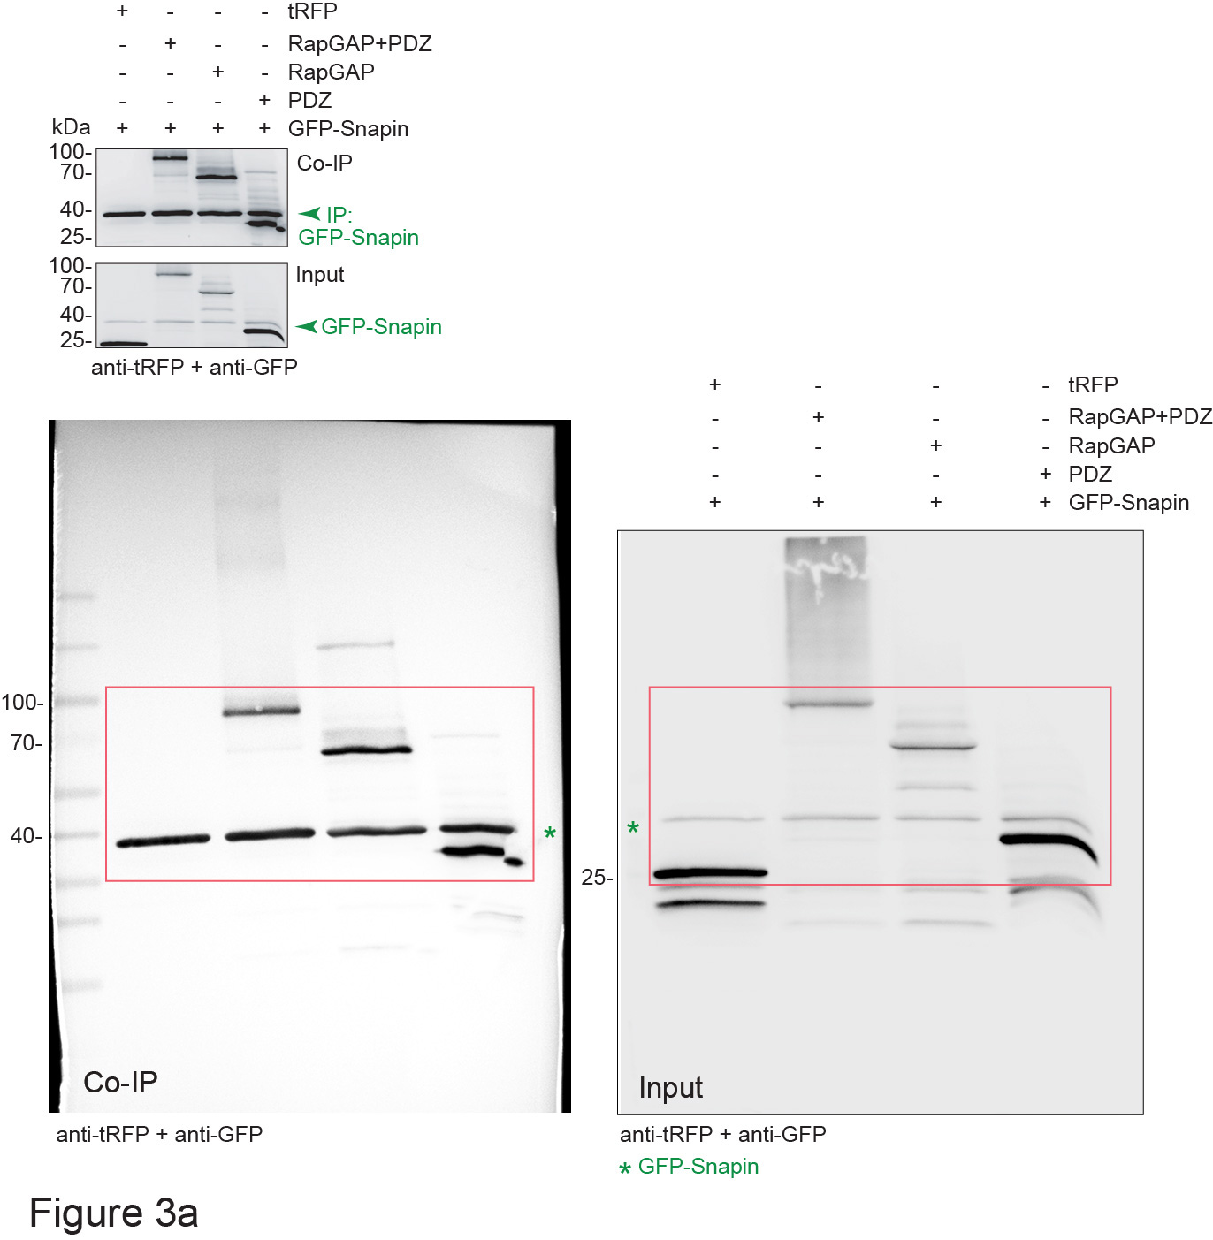
 |  |  |  |  |  |  |  |  |  |  |  |  |  |  | Retrogr. | Station. | Anterogr. |  |  |  | Retrogr. | Station. | Anterogr.
 |  |  |  |  |  |  |  |  |  |  |  |  |  |  | 0 | 100 | 0 |  |  |  | 25 | 75 | 0
 |  |  |  |  |  |  |  |  |  |  |  |  |  |  | 100 | 0 | 0 |  |  |  | 33.33333 | 66.66666 | 0
 |  |  |  |  |  |  |  |  |  |  |  |  |  |  | 50 | 50 | 0 |  |  |  | 20 | 80 | 0
 |  |  |  |  |  |  |  |  |  |  |  |  |  |  | 22.2222222 | 77.7777778 | 0 |  |  |  | 25 | 50 | 25
 |  |  |  |  |  |  |  |  |  |  |  |  |  |  | 71.4285714 | 28.5714286 | 0 |  |  |  | 25 | 75 | 0
 |  |  |  |  |  |  |  |  |  |  |  |  |  |  | 25 | 75 | 0 |  |  |  | 40 | 60 | 0
 |  |  |  |  |  |  |  |  |  |  |  |  |  |  | 0 | 100 | 0 |  |  |  | 16.66667 | 83.33334 | 0
 |  |  |  |  |  |  |  |  |  |  |  |  |  |  | 100 | 0 | 0 |  |  |  | 0 | 100 | 0
 |  |  |  |  |  |  |  |  |  |  |  |  |  |  | 20 | 60 | 20 |  |  |  | 33.33333 | 66.66666 | 0
 |  |  |  |  |  |  |  |  |  |  |  |  |  |  | 42.8571429 | 57.1428571 | 0 |  |  |  | 83.33334 | 16.66667 | 0
 |  |  |  |  |  |  |  |  |  |  |  |  |  |  | 100 | 0 | 0 |  |  |  | 33.33333 | 66.66666 | 0
 |  |  |  |  |  |  |  |  |  |  |  |  |  |  | 33.3333333 | 66.6666667 | 0 |  |  |  | 100 | 0 | 0
 |  |  |  |  |  |  |  |  |  |  |  |  |  |  | 100 | 0 | 0 |  |  |  | 50 | 50 | 0
 |  |  |  |  |  |  |  |  |  |  |  |  |  |  | 100 | 0 | 0 |  |  |  | 100 | 0 | 0
 |  |  |  |  |  |  |  |  |  |  |  |  |  |  | 50 | 50 | 0
 |  |  |  |  |  |  |  |  |  |  |  |  |  |  | 50 | 50 | 0
 |  |  |  |  |  |  |  |  |  |  |  |  |  |  | 0 | 50 | 50
 |  |  |  |  |  |  |  |  |  |  |  |  |  |  | 0 | 100 | 0
 |  |  |  |  |  |  |  |  |  |  |  |  |  |  | 50 | 50 | 0
 |  |  |  |  |  |  |  |  |  |  |  |  |  |  | 0 | 100 | 0
 |  |  |  |  |  |  |  |  |  |  |  |  |  |  | 50 | 50 | 0
 |  |  |  |  |  |  |  |  |  |  |  |  |  |  | 55.5555556 | 33.3333333 | 11.1111111

i

 | Retrograde |  |  |  |  |  |  |  |  |  |  |  |  |  |  |  |  |  |  |  |  |  |  |  | Stationary |  |  |  |  |  |  |  |  |  |  |  |  |  |  |  |  |  |  |  |  |  |  |  | Anterograde
TrkB | 0 | 2.857143 | 9.090909 | 14.28571 | 20 | 23.07692 | 25 | 26.31579 | 35.29412 | 35.29412 | 40 | 42.85714 | 45.45455 | 50 | 50 | 50 | 50 | 54.54545 | 55.55556 | 57.14286 | 66.66667 | 70.83333 | 80 | 100 | 100 | 71.42857 | 90.90909 | 71.42857 | 20 | 76.92308 | 41.66667 | 63.15789 | 41.17647 | 64.70588 | 20 | 57.14286 | 54.54545 | 50 | 40 | 50 | 40 | 18.18182 | 44.44444 | 28.57143 | 33.33333 | 16.66667 | 20 | 0 | 0 | 25.71429 | 0 | 14.28571 | 60 | 0 | 33.33333 | 10.52632 | 23.52941 | 0 | 40 | 0 | 0 | 0 | 10 | 0 | 10 | 27.27273 | 0 | 14.28571 | 0 | 12.5 | 0 | 0
SIPA1L2 | 0 | 0 | 16.66667 | 16.66667 | 16.66667 | 18.18182 | 22.22222 | 22.22222 | 28.57143 | 28.57143 | 33.33333 | 37.5 | 50 | 50 | 50 | 55.55556 | 55.55556 | 62.5 | 66.66667 | 75 | 91.66667 | 100 |  |  | 100 | 100 | 66.66667 | 66.66667 | 83.33333 | 63.63636 | 77.77778 | 77.77778 | 64.28571 | 42.85714 | 66.66667 | 62.5 | 50 | 50 | 25 | 44.44444 | 33.33333 | 37.5 | 33.33333 | 25 | 8.333333 | 0 |  |  | 0 | 0 | 16.66667 | 16.66667 | 0 | 18.18182 | 0 | 0 | 7.142857 | 28.57143 | 0 | 0 | 0 | 0 | 25 | 0 | 11.11111 | 0 | 0 | 0 | 0 | 0

m |  |  |  |  |  |  |  |  |  | o
 | snapin KD |  |  |  | Scr |  |  |  |  |  | wt |  |  |  | ko
 | Retrog. | Station. | Anterog. |  | Retrog. | Station. | Anterog. |  |  |  | Retrog. | Station. | Anterog. |  | Retrog. | Station. | Anterog.
 | 5.263158 | 94.73684 | 0 |  | 26.66667 | 66.66666 | 6.666667 |  |  |  | 33.33333 | 66.66666 | 0 |  | 0 | 100 | 0
 | 18.75 | 75 | 6.25 |  | 50 | 50 | 0 |  |  |  | 66.66666 | 33.33333 | 0 |  | 25 | 75 | 0
 | 3.846154 | 96.15385 | 0 |  | 27.77778 | 55.55556 | 16.66667 |  |  |  | 33.33333 | 66.66666 | 0 |  | 61.53846 | 38.46154 | 0
 | 0 | 100 | 0 |  | 25 | 75 | 0 |  |  |  | 0 | 0 | 0 |  | 0 | 100 | 0
 | 0 | 100 | 0 |  | 33.33333 | 50 | 16.66667 |  |  |  | 40 | 40 | 20 |  | 0 | 100 | 0
 | 12.5 | 87.5 | 0 |  | 33.33333 | 66.66666 | 0 |  |  |  | 66.66666 | 0 | 33.33333 |  | 33.33333 | 66.66666 | 0
 | 6.896552 | 93.1 | 0 |  | 31.25 | 62.5 | 6.25 |  |  |  | 0 | 100 | 0 |  | 0 | 100 | 0
 | 0 | 100 | 0 |  | 25 | 75 | 0 |  |  |  | 0 | 100 | 0 |  | 50 | 50 | 0
 | 14.28571 | 85.71429 | 0 |  | 11.11111 | 77.77778 | 11.11111 |  |  |  | 0 | 100 | 0 |  | 0 | 100 | 0
 | 0 | 100 | 0 |  | 50 | 50 | 0 |  |  |  | 28.57143 | 71.42857 | 0 |  | 20 | 80 | 0
 | 7.692308 | 92.30769 | 0 |  | 25 | 75 | 0 |  |  |  | 0 | 100 | 0 |  | 0 | 100 | 0
 | 9.090909 | 81.81818 | 9.090909 |  | 50 | 33.33333 | 16.66667 |  |  |  | 0 | 100 | 0 |  | 0 | 100 | 0
 | 0 | 100 | 0 |  | 16.66667 | 66.66666 | 16.66667 |  |  |  | 20 | 80 | 0 |  | 0 | 100 | 0
 | 20 | 80 | 0 |  | 37.5 | 50 | 12.5 |  |  |  | 33.33333 | 66.66666 | 0 |  | 25 | 50 | 25
 | 0 | 100 | 0 |  | 37.5 | 50 | 6.25 |  |  |  | 33.33333 | 66.66666 | 0 |  | 0 | 100 | 0
 | 6.666667 | 86.66666 | 6.666667 |  | 33.33333 | 66.66666 | 0 |  |  |  | 20 | 80 | 0 |  | 0 | 100 | 0
 | 7.692308 | 84.61539 | 7.692308 |  | 37.5 | 50 | 12.5 |  |  |  | 75 | 25 | 0 |  | 0 | 100 | 0
 | 15.78947 | 78.94737 | 0 |  | 50 | 50 | 0 |  |  |  | 33.33333 | 66.66666 | 0 |  | 0 | 100 | 0
 | 20 | 80 | 0 |  | 14.28571 | 85.71429 | 0 |  |  |  | 0 | 100 | 0 |  | 0 | 100 | 0
 | 5 | 95 | 0 |  | 4.545455 | 90.90909 | 4.545455 |  |  |  | 50 | 0 | 50 |  | 0 | 100 | 0
 | 40 | 80 | 0 |  | 3.448276 | 96.55173 | 0 |  |  |  | 50 | 50 | 0 |  | 0 | 100 | 0
 |  |  |  |  |  |  |  |  |  |  | 25 | 50 | 25 |  | 0 | 100 | 0
 |  |  |  |  |  |  |  |  |  |  | 40 | 60 | 0 |  | 0 | 100 | 0
 |  |  |  |  |  |  |  |  |  |  | 100 | 0 | 0 |  | 0 | 100 | 0
 |  |  |  |  |  |  |  |  |  |  | 100 | 0 | 0 |  | 0 | 100 | 0
 |  |  |  |  |  |  |  |  |  |  | 30.64516 | 66.12904 | 3.225807 |  | 25 | 75 | 0
 |  |  |  |  |  |  |  |  |  |  |  |  |  |  | 0 | 100 | 0
 |  |  |  |  |  |  |  |  |  |  |  |  |  |  | 0 | 100 | 0

Figure 4
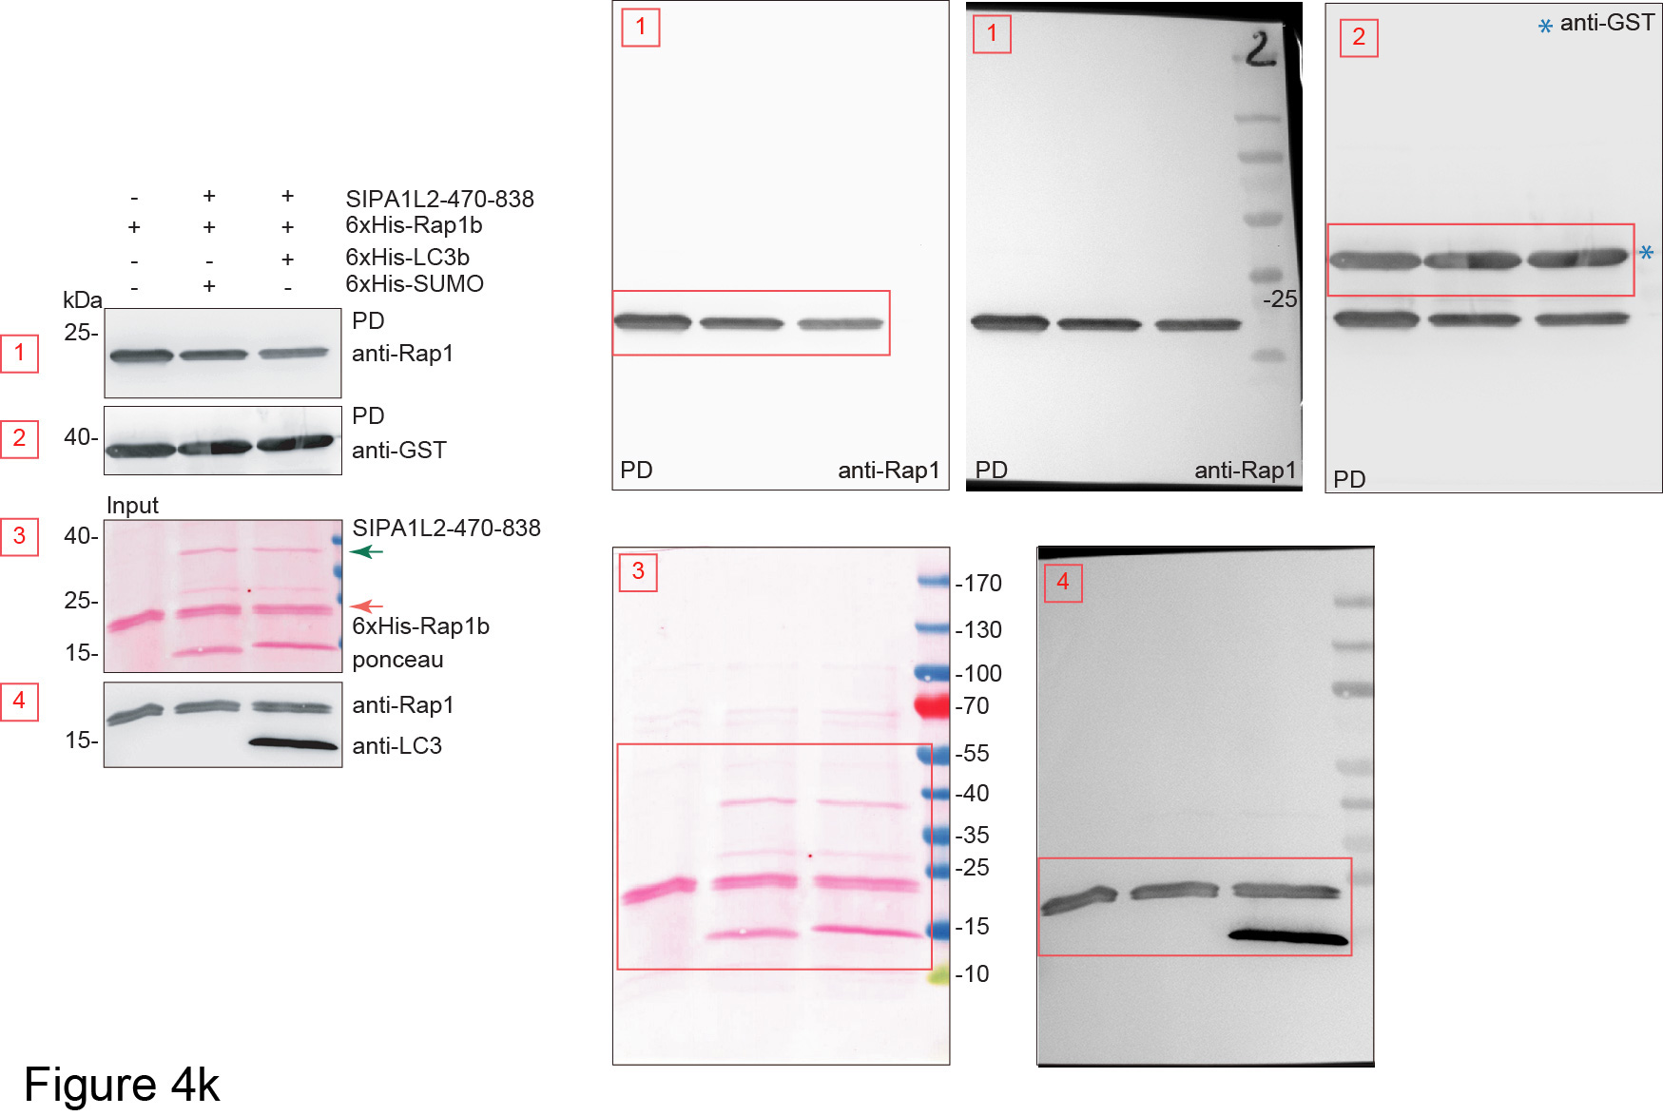
a |  |  |  |  | b

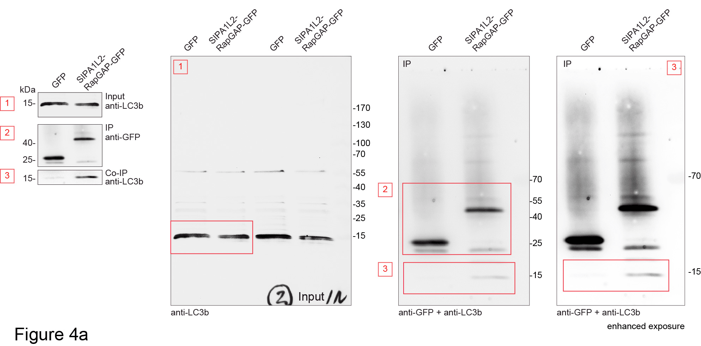
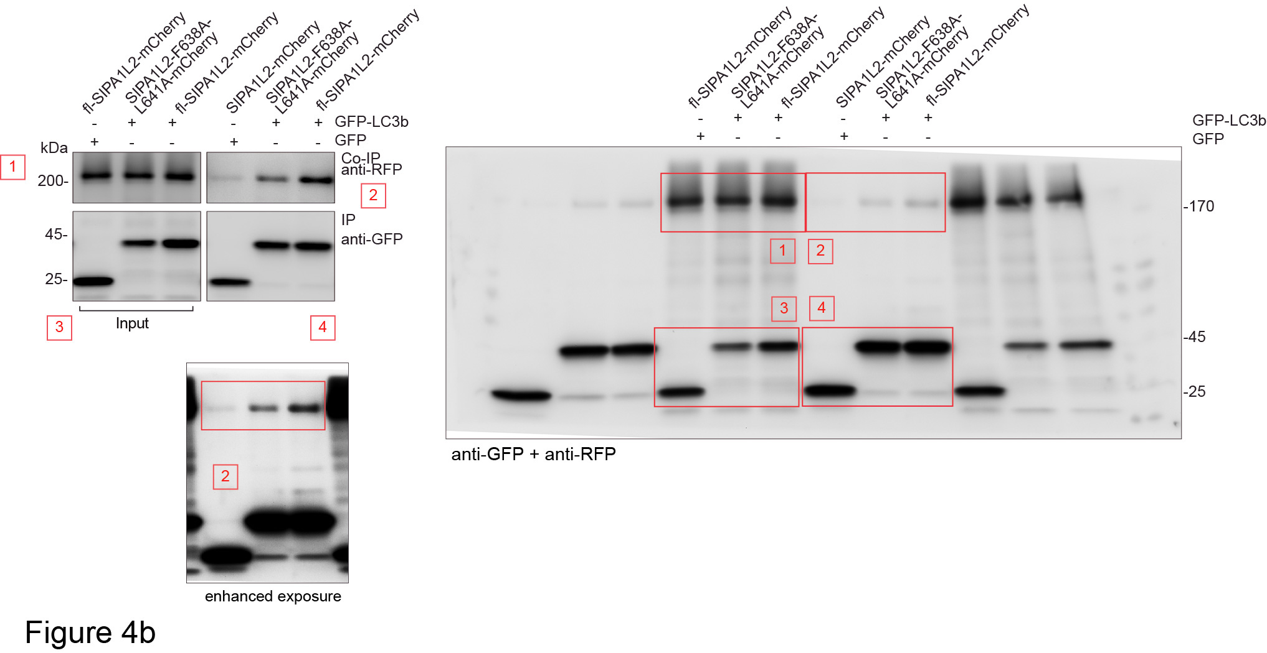

c |  |  |  |  | d
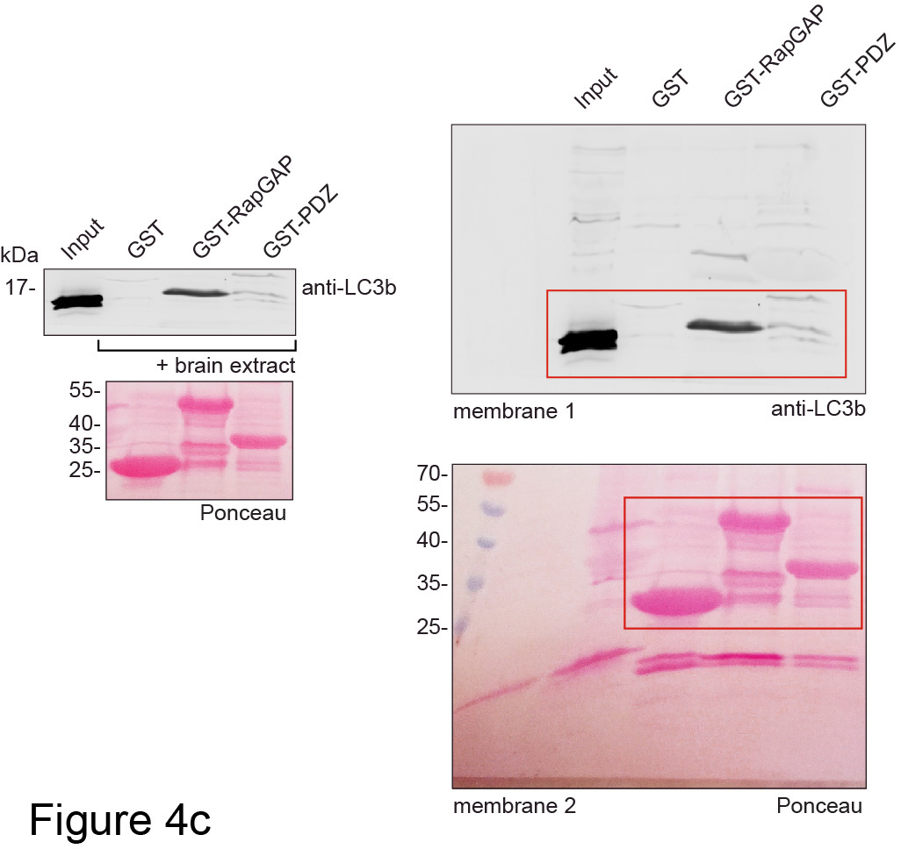
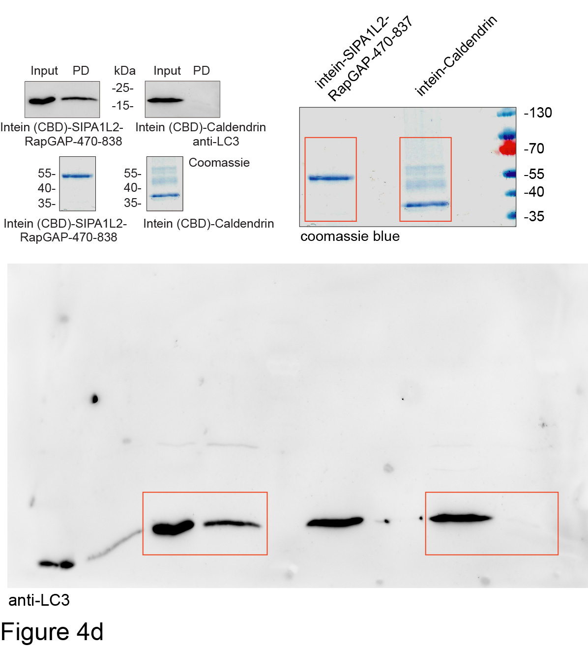

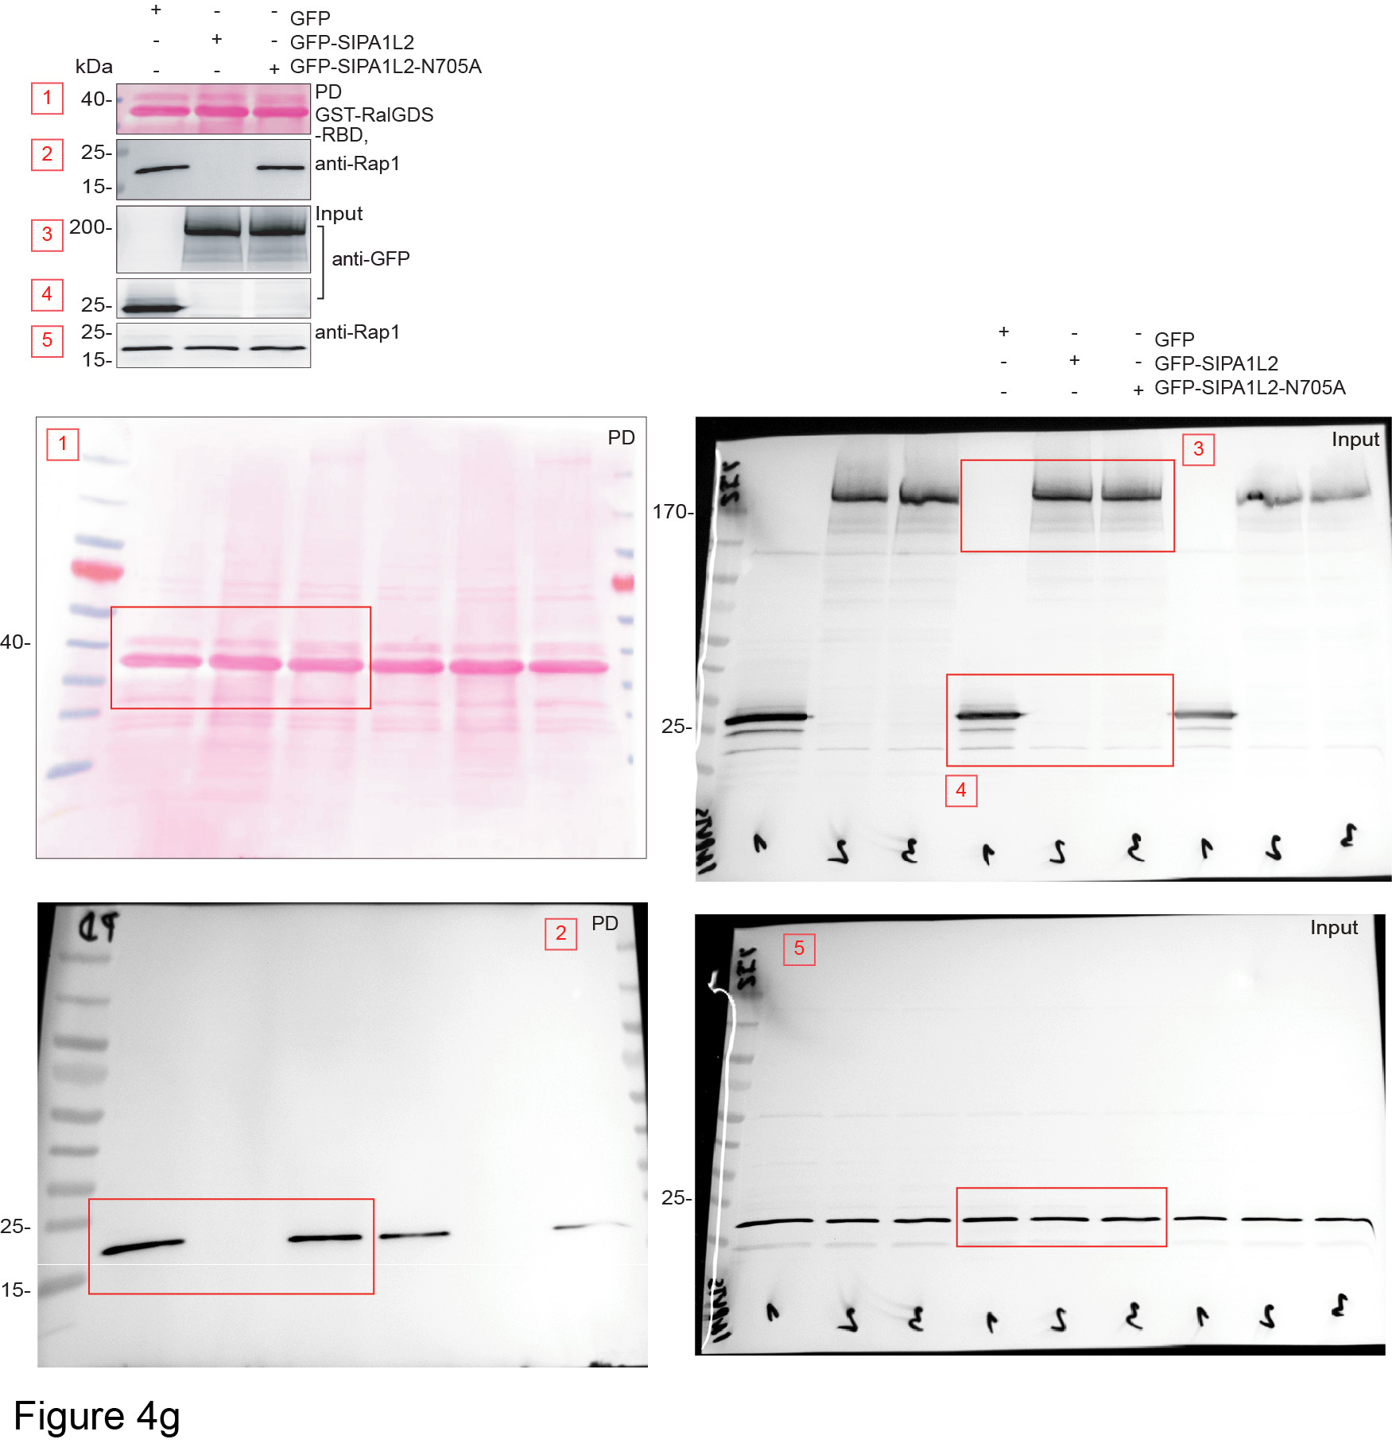
e |  |  |  |  | f |  |  | g
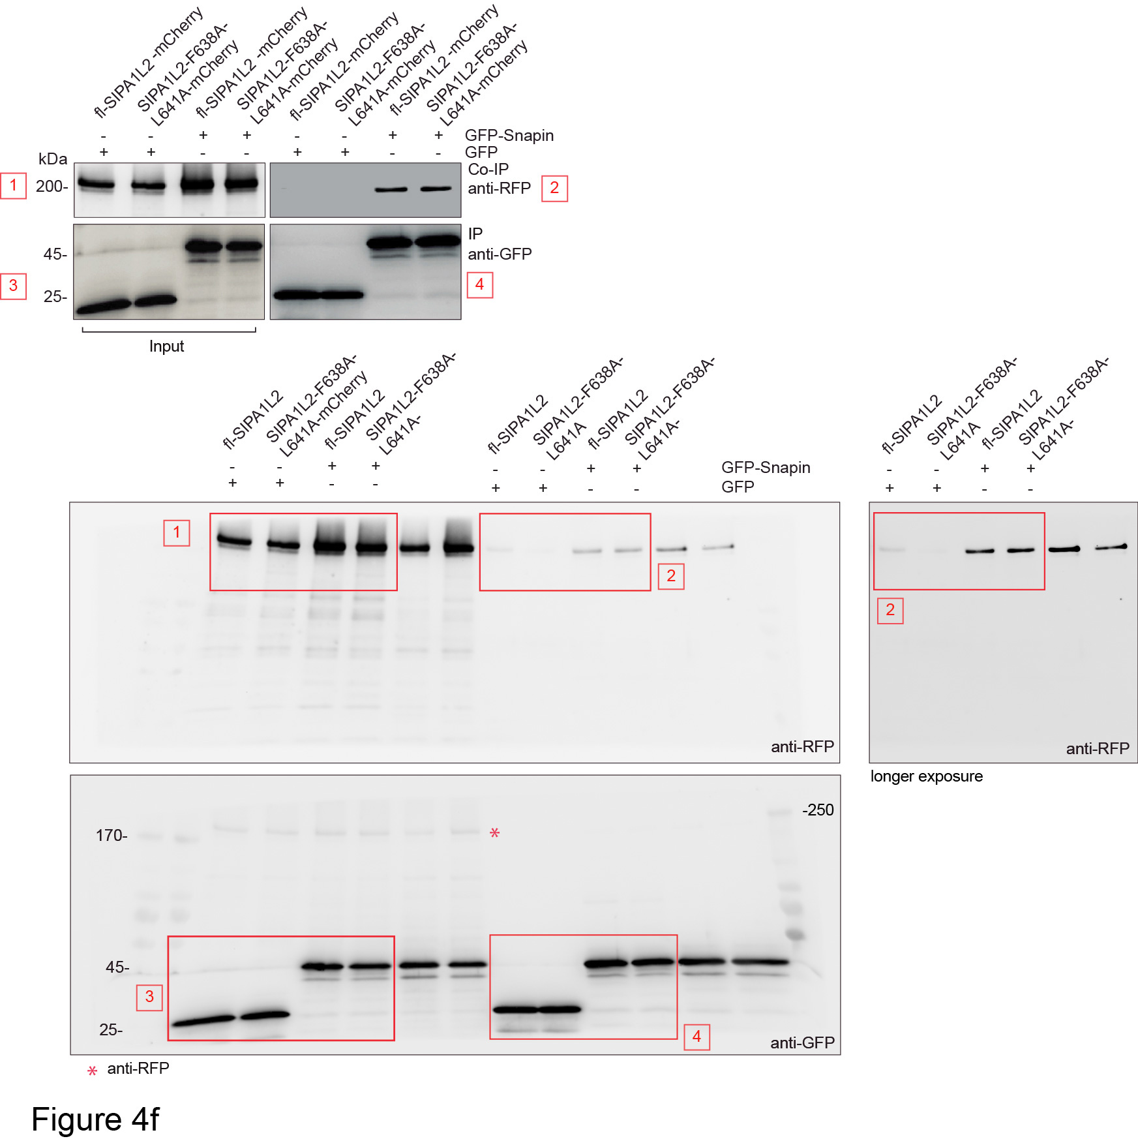
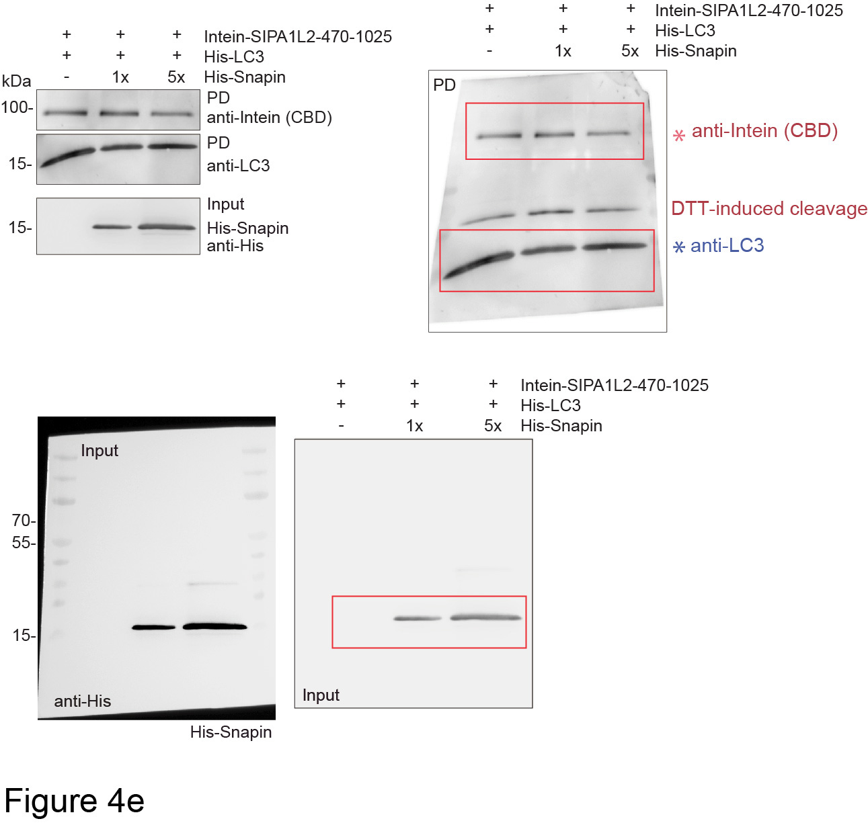

h

GFP | wt-SIPA1L2 | N705A-SIPA1L2
1 | 0.0082 | 1.668
1 | 0.019 | 0.5123
1 | 0.0131 | 0.73749
1 | 0.0465 | 0.70858

i |  |  | j

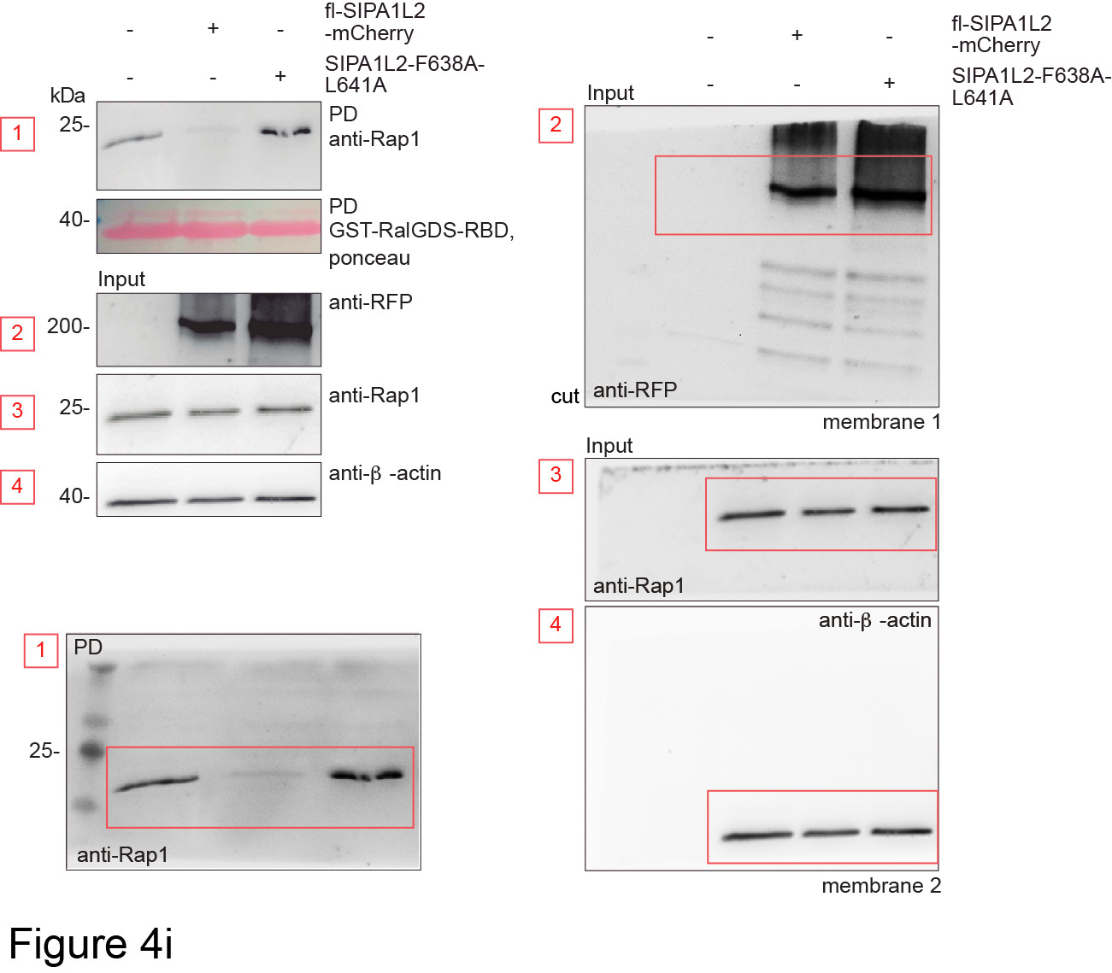
 |  |  | Control | wt-SIPA1L2-mCherry | SIPA1L2F638A-L641A-mCherry
 |  |  | 1 | 0.19 | 1.12
 |  |  | 1 | 0.08 | 0.77
 |  |  | 1 | 0.13 | 1.33
 |  |  | 1 | 0.16 | 1.1
 |  |  | 1 | 0.14 | 1.08

 |  |  | l |  |  | m

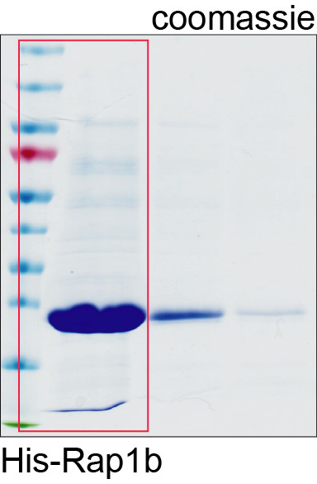
 |  |  |  |  |  | RapGAP | RapGAP + LC3
 |  |  |  |  |  | 1 | 0.6523
 |  |  |  |  |  | 1 | 0.6689
 |  |  |  |  |  | 1 | 0.6993
 |  |  |  |  |  | 1 | 0.8803
 |  |  |  |  |  | 1 | 0.6988

k

Figure 6
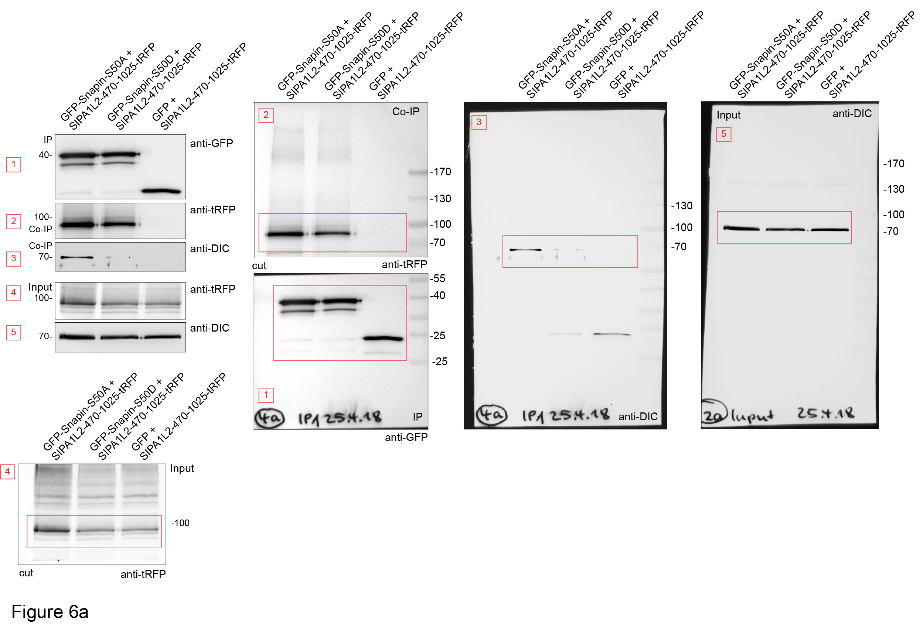
a |  |  |  |  |  | c |  | e
 |  |  |  |  |  | % stationary SnapinS50D/SIPA1L2 |  | control | cLTP | H89 | H89-cLTP
 |  |  |  |  |  | cotrajectories |  | 17.04 | 6.78 | 125.608 | 6.84
 |  |  |  |  |  | 100 |  | 4.544 | 6.78 | 13.458 | 4.56
 |  |  |  |  |  | 100 |  | 73.45 | 79.1 | 8.972 | 9.12
 |  |  |  |  |  | 100 |  | 5.68 | 13.56 | 4.486 | 10.26
 |  |  |  |  |  | 100 |  | 5.68 | 75.71 | 10.0935 | 7.41
 |  |  |  |  |  | 100 |  | 11.36 | 6.84 | 4.48 | 11.4
 |  |  |  |  |  | 80 |  | 5.68 | 13.68 | 22.92 | 31.92
 |  |  |  |  |  | 50 |  | 4.544 | 7.6782 | 10.26 | 11.4
 |  |  |  |  |  | 100 |  | 6.816 | 13.752 | 4.56 | 14.82
 |  |  |  |  |  | 75 |  | 7.952 | 13.752 | 21.66 | 6.84
 |  |  |  |  |  |  |  | 13.632 | 92.34 | 4.584 | 54.72
 |  |  |  |  |  |  |  | 29.536 | 17.1 | 11.46 | 49.02
 |  |  |  |  |  |  |  | 10.179 | 24.795 | 5.73 | 4.56
 |  |  |  |  |  |  |  | 5.655 | 70.11 | 12.441 | 5.7
 |  |  |  |  |  |  |  | 5.655 | 15.39 | 7.917 | 3.42
 |  |  |  |  |  |  |  | 7.917 | 20.52 | 10.179 | 145.92
 |  |  |  |  |  |  |  | 11.879 | 191.52 | 10.179 | 114
 |  |  |  |  |  |  |  | 20.364 | 5.136 | 5.655 | 9.69
 |  |  |  |  |  |  |  | 6.788 | 5.136 | 10.179 | 4.56
 |  |  |  |  |  |  |  | 5.091 | 5.136 | 15.834 | 25.08
 |  |  |  |  |  |  |  | 10.179 | 138.672 | 6.786 | 11.4
 |  |  |  |  |  |  |  | 5.655 | 130.53 | 98.397
 |  |  |  |  |  |  |  | 5.655 | 212.97 | 10.179
 |  |  |  |  |  |  |  | 7.917 | 6.87 | 3.393
 |  |  |  |  |  |  |  | 11.879 | 123.66 | 9.048
 |  |  |  |  |  |  |  | 20.364 | 41.292 | 13.572
 |  |  |  |  |  |  |  | 6.788 | 38.998 | 10.179
 |  |  |  |  |  |  |  | 5.091 | 18.32 | 37.323
 |  |  |  |  |  |  |  |  | 34.38 | 5.7
 |  |  |  |  |  |  |  |  | 5.73 | 18.24
 |  |  |  |  |  |  |  |  | 17.19 | 5.7
 |  |  |  |  |  |  |  |  | 4.584 | 149.34
 |  |  |  |  |  |  |  |  | 56.154 | 6.84
 |  |  |  |  |  |  |  |  | 11.46 | 119.7
 |  |  |  |  |  |  |  |  | 46.945 | 11.4

h |  |  |  |  |  |  | i
 |  |  |  |  |  |  | SIPA1L2-470-1025 |  | 1.0000 | 1.0000 | 1.0000 | 1.0000
 |  |  |  |  |  |  | SIPA1L2-470-1025-S990D |  | 1.7368 | 1.1827 | 2.0767 | 1.1787

 | i
 | SIPA1L2-470-1025 | 1.0000 | 1.0000 | 1.0000 | 1.0000
 | SIPA1L2-470-1025-S990D | 1.7368 | 1.1827 | 2.0767 | 1.1787

Figure 7
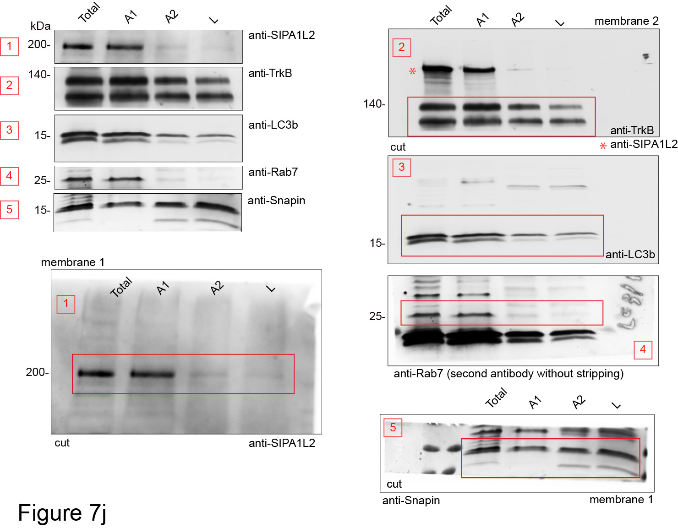
c |  |  | e
 | SIPA1L2/pTrkB Y515
 | M1 | Rotated |  | without SIPA1L2 |  | with SIPA1L2
 | 0.506 | 0 |  | Fc-TrkB | BDNF | Fc-TrkB | BDNF
 | 0.445 | 0 |  | 127.0539 | 109.6439 | 115.0932 | 116.404
 | 0.498 | 0 |  | 104.21 | 90.30338 | 120.7353 | 98.96475
 | 0.43 | 0 |  | 103.3877 | 62.99071 | 111.3603 | 73.71777
 | 0.451 | 0.001 |  | 123.336 | 162.1957 | 120.3649 | 165.3592
 | 0.435 | 0.022 |  | 92.01934 | 85.47718 | 93.0092 | 81.63951
 | 0.482 | 0 |  | 122.5137 | 242.954 | 117.5153 | 225.2282
 | 0.534 | 0.191 |  | 106.8197 | 214.2828 | 103.9515 | 212.2628
 | 0.448 | 0.252 |  | 94.45032 | 210.9224 | 98.0529 | 217.4489
 | 0.371 | 0 |  | 118.5098 | 186.4697 | 122.2741 | 225.4562
 |  |  |  | 82.76022 | 126.5177 | 86.99666 | 152.5932
 |  |  |  | 82.43847 | 233.1586 | 79.8158 | 240.2738
 |  |  |  | 83.40371 | 127.8404 | 90.75806 | 132.6749
 |  |  |  | 75.5388 | 165.8064 | 78.67599 | 162.2817
 |  |  |  | 81.65198 | 144.5712 | 74.08822 | 157.4945
 |  |  |  | 76.2538 | 154.9028 | 73.97424 | 189.8083
 |  |  |  | 101.6717 | 117.2943 | 99.22121 | 161.7688
 |  |  |  | 109.1076 | 142.1402 | 105.4047 | 156.8106
 |  |  |  | 91.4831 | 135.2406 | 95.85875 | 151.4534
 |  |  |  | 118.1165 |  | 107.9693
 |  |  |  | 110.3589 |  | 101.4154
 |  |  |  | 94.91506 |  | 103.467

j

Figure S2
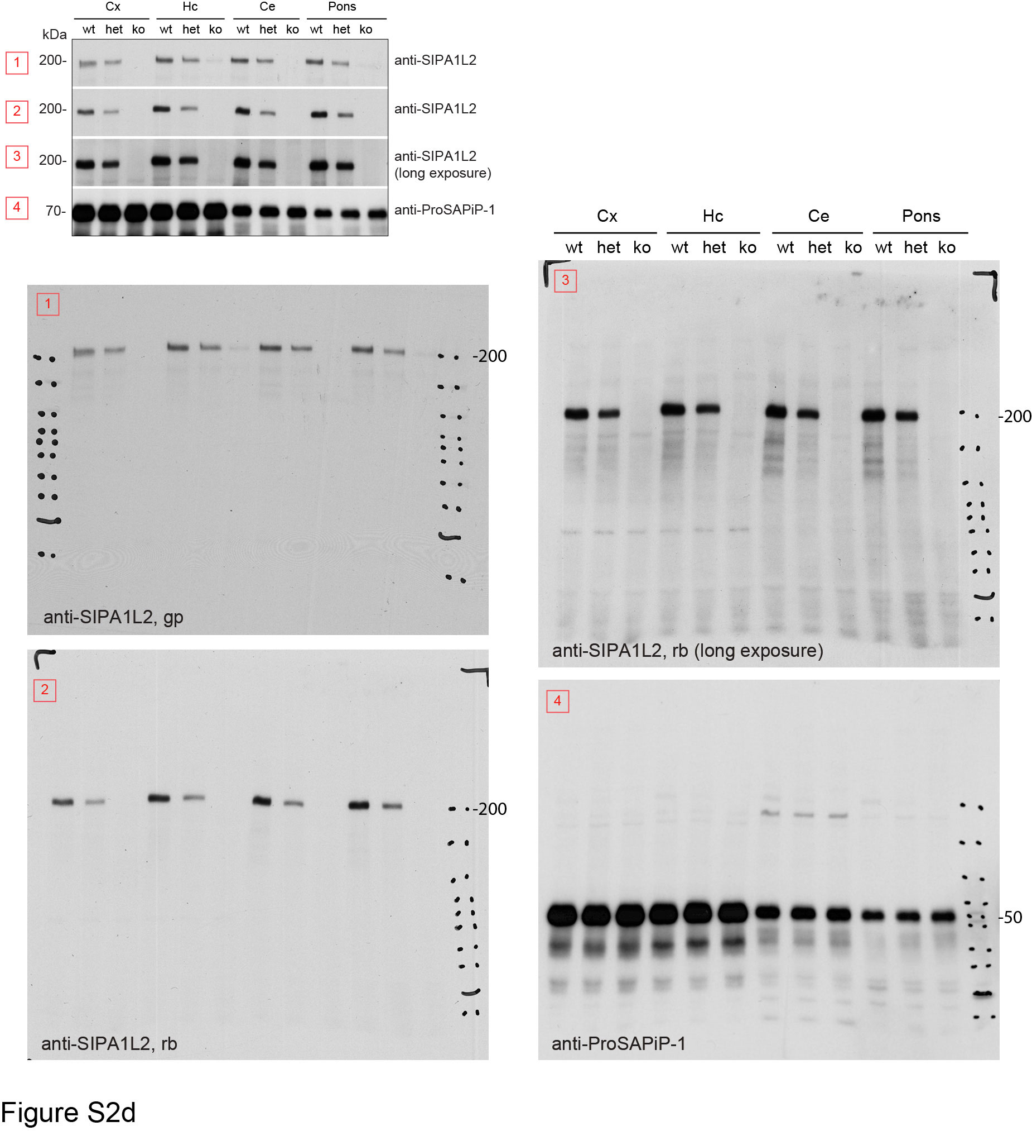
c |  |  |  |  |  |  |  |  |  |  | d
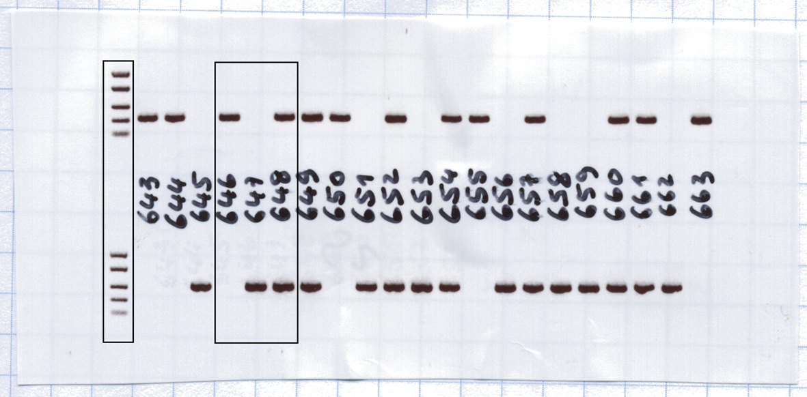

h |  | k |  |  |  |  |  |  | l
 |  |  | Infra/intrapyramidal-MF |  | Suprapyramidal-MF |  | Hillus |  |  |  | wt |  |  |  |  |  |  |  |  |  |  |  |  |  |  |  |  |  |  |  | ko
wt | ko |  | wt | ko | wt | ko | wt | ko |  | 15rpm | 60 | 60 | 15 | 60 | 58 | 15 | 60 | 60 | 60 | 60 | 60 | 60 | 33 | 60 | 60 | 60 | 60 | 60 | 60 | 60 | 16 | 60 | 60 | 27 | 60 | 60 | 36 | 31 | 60 | 60 | 60 | 60 | 60 | 21 | 60 | 60
1509607 | 2348916 |  | 97.964 | 44.335 | 64.766 | 70.534 | 79.656 | 123.44 |  | 24rpm | 60 | 60 | 60 | 60 | 60 | 60 | 60 | 60 | 60 | 60 | 60 | 60 | 60 | 60 | 60 | 60 | 60 | 60 | 60 | 60 | 60 | 60 | 22 | 60 | 60 | 60 | 60 | 14 | 60 | 60 | 60 | 60 | 60 | 60 | 60 | 60
3539106 | 4412121 |  | 40.723 | 41.635 | 102.238 | 101.13 | 102.281 | 92.846 |  | 31rpm | 33 | 60 | 60 | 45 | 57 | 11 | 60 | 9 | 60 | 60 | 60 | 51 | 60 | 25 | 15 | 60 | 15 | 60 | 60 | 60 | 21 | 60 | 27 | 51 | 15 | 29 | 60 | 51 | 41 | 60 | 60 | 60 | 60 | 60 | 60 | 60
4568634 | 4755604 |  | 46.297 | 39.495 | 96.929 | 102.474 | 99.138 | 73.036 |  | 36rpm | 60 | 60 | 60 | 60 | 19 | 26 | 60 | 25 | 60 | 60 | 60 | 60 | 18 | 60 | 60 | 22 | 60 | 39 | 60 | 60 | 34 | 60 | 36 | 60 | 50 | 37 | 60 | 50 | 25 | 60 | 36 | 60 | 53 | 60 | 60 | 55
5003079 | 6290103 |  | 54.956 | 65.637 | 101.741 | 96.638 | 89.155 | 84.775
5266629 | 5481861 |  | 43.806 | 46.696 | 82.899 | 79.893 | 107.776 | 67.761
4680771 | 4712957 |  | 50.423 | 40.518 | 85.047 | 85.296 | 89.939 | 69.978
3207843 | 4624349 |  | 38.728 | 53.61 | 81.647 | 84.41 | 95.267 | 75.19 | m
4257478 | 5472843 |  | 39.789 | 42.225 | 93.697 | 86.218 | 82.053 | 67.696 |  |  | wt |  |  |  |  |  |  |  |  |  | ko
1443864 | 2120765 |  | 62.736 | 41.605 | 95.776 | 80.643 | 101.263 | 106.487 |  | T1 | 182 | 284 | 187 | 145 | 253 | 98 | 300 | 184 | 300 | 300 | 127 | 234 | 193 | 300 | 235 | 274 | 219 | 164
2863412 | 4130706 |  | 55.81 | 32.568 | 94.869 | 86.531 | 115.02 | 101.286 |  | T2 | 300 | 299 | 141 | 300 | 235 | 135 | 300 | 164 | 300 | 300 | 191 | 261 | 277 | 283 | 27 | 277 | 235 | 171
5288701 | 4824601 |  | 62.599 | 45.104 | 106.522 | 103.887 | 123.174 | 112.97 |  | T3 | 300 | 300 | 271 | 300 | 243 | 146 | 300 | 300 | 300 | 300 | 129 | 268 | 300 | 299 | 300 | 252 | 300 | 300
5867490 | 5941077 |  | 51.53 | 31.389 | 89.026 | 89.538 | 95.816 | 124.133 |  | T4 | 246 | 300 | 262 | 300 | 257 | 206 | 300 | 300 | 289 | 300 | 123 | 298 | 300 | 300 | 300 | 246 | 286 | 273
4707687 | 4878827 |  | 47.781 | 32.909 | 102.532 | 111.113 | 77.319 | 94.857
4254701 | 4766595 |  | 47.164 | 28.328 | 119.249 | 111.859 | 89.031 | 116.916
4142160 | 4629070 |  | 54.395 | 50.567 | 92.944 | 94.107 | 94.002 | 125.81
4736349 | 5872243 |  | 47.967 | 47.539 | 118.859 | 89.129 | 105.442 | 132.373
1463125 | 2043305
3827185 | 2230512 |  |  |  |  |  |  |  | o
4370691 | 4263437
5012519 | 5637991 |  |  |  |  |  |  |  | n=4 animals per genotype
5381147 | 5392533 |  |  |  |  |  |  |  | wt | ko
4600549 | 5218157 |  |  |  |  |  |  |  | 0.015138 | 0.022877
3818065 | 4423721 |  |  |  |  |  |  |  | 0.017329 | 0.011308
3750064 | 5077374 |  |  |  |  |  |  |  | 0.029351 | 0.034832
1423054 | 2290525 |  |  |  |  |  |  |  | 0.027834 | 0.032378
5029378 | 3103204 |  |  |  |  |  |  |  | 0.035912 | 0.04313
5126314 | 4016218 |  |  |  |  |  |  |  | 0.041227 | 0.031762
5828910 | 5218725 |  |  |  |  |  |  |  | 0.036004 | 0.032545
5399767 | 5128957 |  |  |  |  |  |  |  | 0.037675 | 0.029648
3789441 | 5160033 |  |  |  |  |  |  |  | 0.029113 | 0.026728
4295709 | 4743282 |  |  |  |  |  |  |  | 0.027873 | 0.035944
4346032 | 5274962 |  |  |  |  |  |  |  | 0.02807 | 0.024175
2560873 | 2285429 |  |  |  |  |  |  |  | 0.028771 | 0.034364
2971109 | 3830519 |  |  |  |  |  |  |  | 0.0267 | 0.033492
3560897 | 4097051 |  |  |  |  |  |  |  | 0.026338 | 0.025892
4203627 | 4822418 |  |  |  |  |  |  |  | 0.028798 | 0.022294
4115834 | 4203047 |  |  |  |  |  |  |  | 0.029943 | 0.030719
3973402 | 4216446 |  |  |  |  |  |  |  | 0.0324 | 0.018023
3999762 | 5353091 |  |  |  |  |  |  |  | 0.035493 | 0.026462
4287599 | 4593881 |  |  |  |  |  |  |  | 0.043041 | 0.036336
2419371 | 2110803 |  |  |  |  |  |  |  | 0.035581 | 0.032253
3539293 | 3776924 |  |  |  |  |  |  |  | 0.031026 | 0.040144
3903255 | 4212420 |  |  |  |  |  |  |  | 0.032816 | 0.037357
4769926 | 5412159 |  |  |  |  |  |  |  | 0.046393 | 0.032241
4016169 | 4558842 |  |  |  |  |  |  |  | 0.044012 | 0.030877
3624130 | 3714710 |  |  |  |  |  |  |  | 0.042144 | 0.025419
3962769 | 2319587 |  |  |  |  |  |  |  | 0.027016 | 0.028232
4035378 | 4293696 |  |  |  |  |  |  |  | 0.037069 | 0.02622
 | 5161710 |  |  |  |  |  |  |  | 0.034789 | 0.031628
 | 5751805 |  |  |  |  |  |  |  | 0.030239 | 0.019628
 | 4116089 |  |  |  |  |  |  |  | 0.031634 | 0.022252
 | 3856124 |  |  |  |  |  |  |  | 0.016484 | 0.01657
 | 4250709 |  |  |  |  |  |  |  | 0.013131 | 0.022673
 | 4179934 |  |  |  |  |  |  |  | 0.035691 | 0.030001
 | 4257231 |  |  |  |  |  |  |  | 0.027759 | 0.0238
 | 4856802 |  |  |  |  |  |  |  | 0.030606 | 0.032477
 | 5296534 |  |  |  |  |  |  |  | 0.03184 | 0.030851
 | 4412895 |  |  |  |  |  |  |  | 0.029582 | 0.03109
 | 4008474 |  |  |  |  |  |  |  | 0.025901 | 0.023923
 | 4128521 |  |  |  |  |  |  |  | 0.034762 | 0.027009
 | 4538699 |  |  |  |  |  |  |  | 0.032683 | 0.03087
 |  |  |  |  |  |  |  |  | 0.030037 | 0.026943
 |  |  |  |  |  |  |  |  | 0.02772 | 0.022764
 |  |  |  |  |  |  |  |  | 0.033006 | 0.029913
 |  |  |  |  |  |  |  |  | 0.030871 | 0.020714
 |  |  |  |  |  |  |  |  | 0.028001 | 0.027813
 |  |  |  |  |  |  |  |  |  | 0.025512
 |  |  |  |  |  |  |  |  |  | 0.019235
 |  |  |  |  |  |  |  |  |  | 0.026812
 |  |  |  |  |  |  |  |  |  | 0.028621
 |  |  |  |  |  |  |  |  |  | 0.037282
 |  |  |  |  |  |  |  |  |  | 0.040125
 |  |  |  |  |  |  |  |  |  | 0.029317
 |  |  |  |  |  |  |  |  |  | 0.039784
 |  |  |  |  |  |  |  |  |  | 0.040492
 |  |  |  |  |  |  |  |  |  | 0.03401
 |  |  |  |  |  |  |  |  |  | 0.034436
 |  |  |  |  |  |  |  |  |  | 0.036983
 |  |  |  |  |  |  |  |  |  | 0.031825
 |  |  |  |  |  |  |  |  |  | 0.036836
 |  |  |  |  |  |  |  |  |  | 0.028701

Figure S4
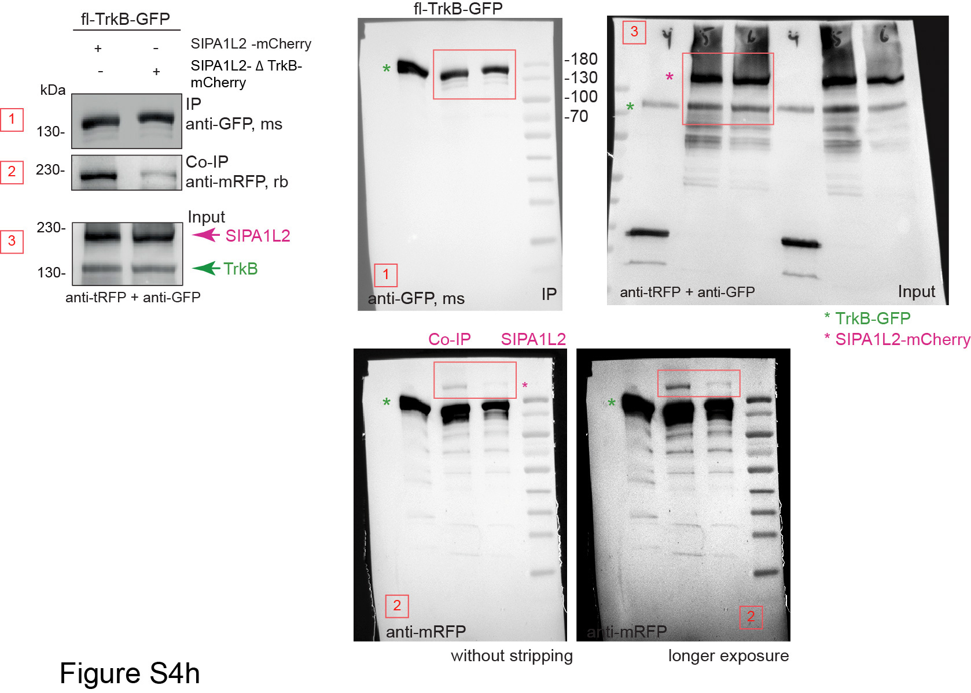
a |  | b
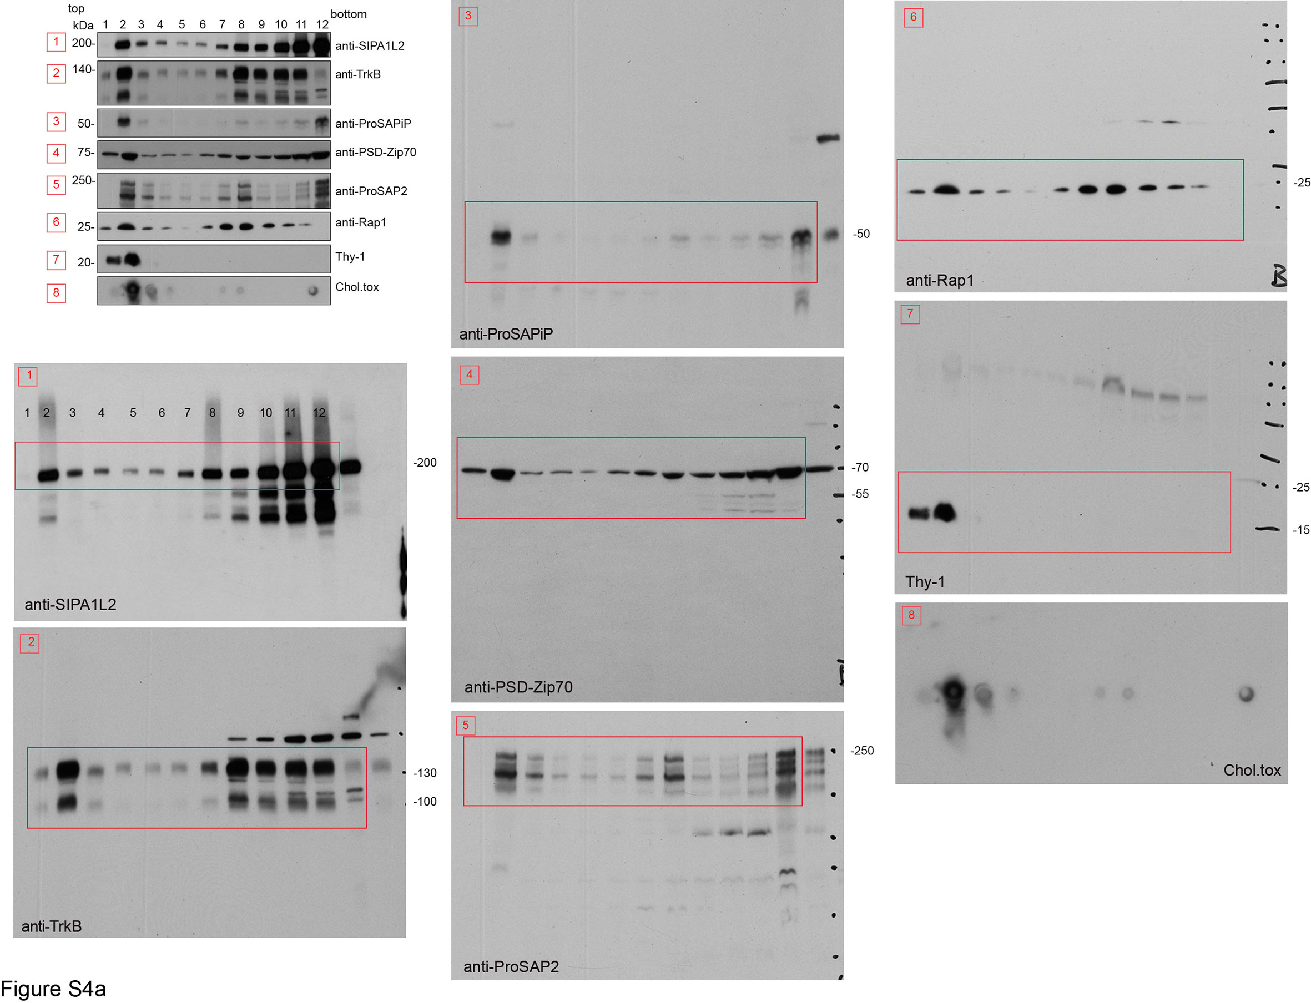
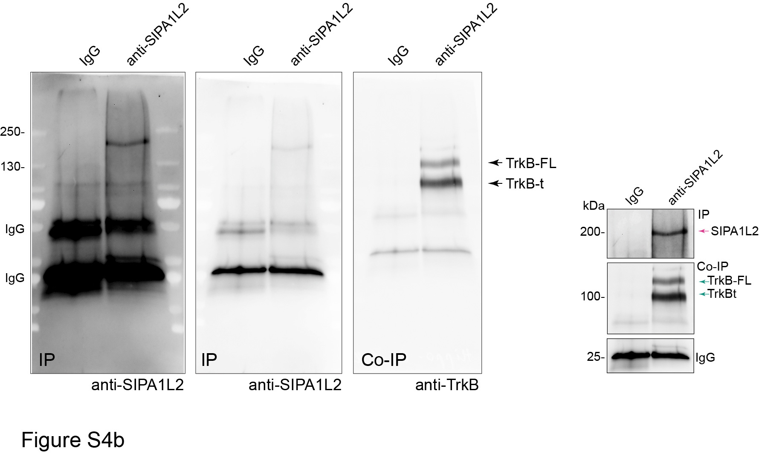

 |  | e

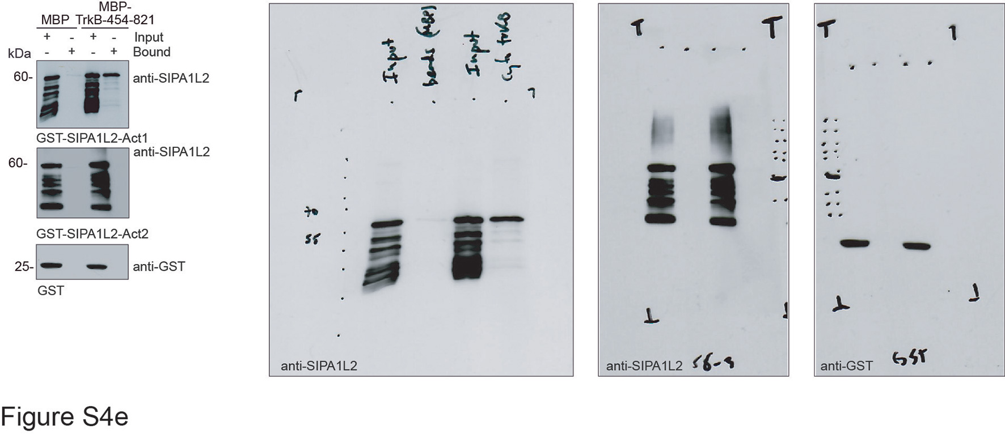

 | h

Figure S5
a |  |  |  |  |  |  | d
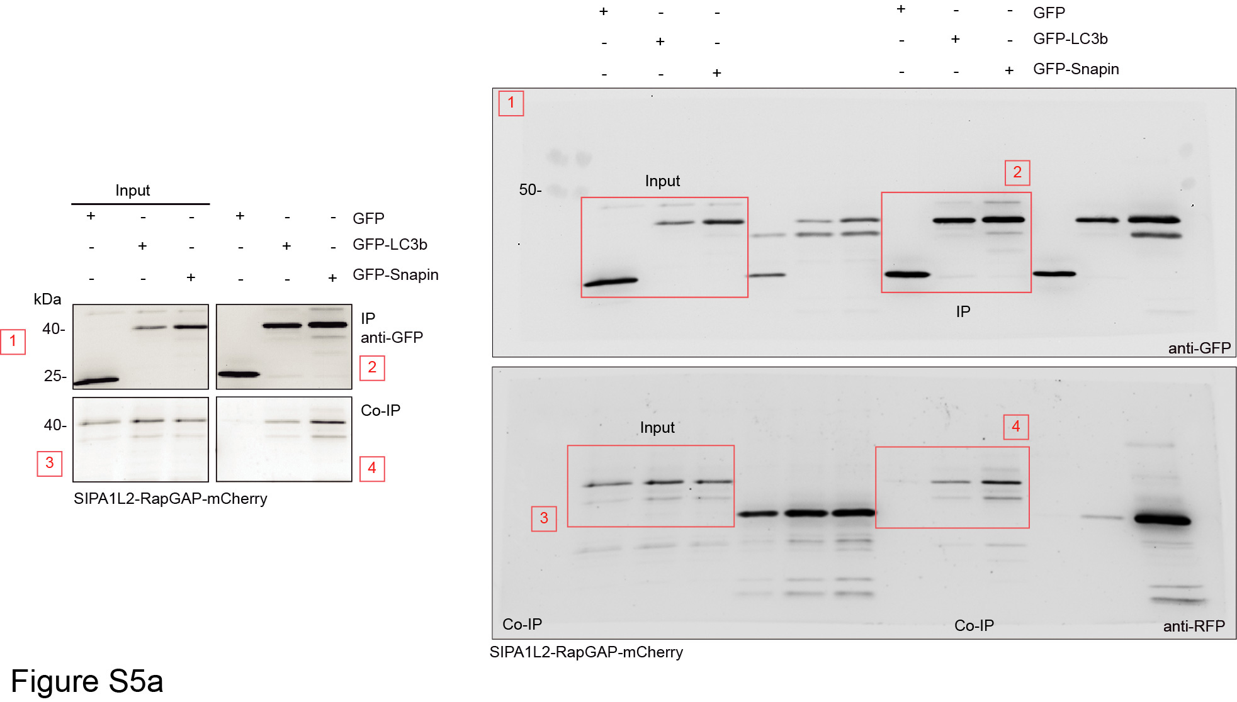
 |  |  |  |  |  |  | stationary trajectories (%)
 |  |  |  |  |  |  | 100
 |  |  |  |  |  |  | 100
 |  |  |  |  |  |  | 100
 |  |  |  |  |  |  | 100
 |  |  |  |  |  |  | 100
 |  |  |  |  |  |  | 100
 |  |  |  |  |  |  | 100
 |  |  |  |  |  |  | 100
 |  |  |  |  |  |  | 100
 |  |  |  |  |  |  | 100
 |  |  |  |  |  |  | 100
 |  |  |  |  |  |  | 100
 |  |  |  |  |  |  | 100
 |  |  |  |  |  |  | 100
 |  |  |  |  |  |  | 100

i |  |  |  |  |  | k
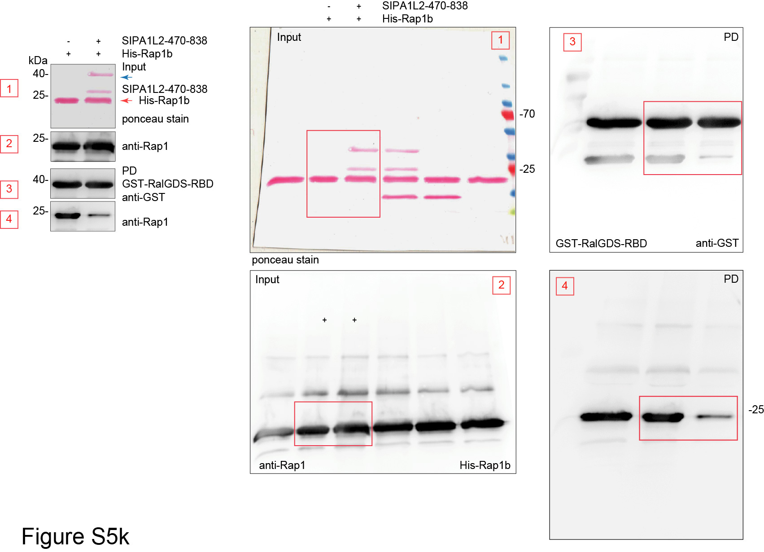
LC3b/SIPA1L2 |  | TrkB/SIPA1L2 |  | LC3b/TrkB
Fc-TrkB | BDNF | Fc-TrkB | BDNF | Fc-TrkB | BDNF
0.309 | 0.588 | 0.477 | 0.626 | 0.57 | 0.791
0.301 | 0.514 | 0.495 | 0.545 | 0.529 | 0.865
0.23 | 0.578 | 0.44 | 0.578 | 0.467 | 0.807
0.465 | 0.519 | 0.593 | 0.59 | 0.696 | 0.993
0.346 | 0.324 | 0.494 | 0.463 | 0.55 | 0.875
0.272 | 0.378 | 0.479 | 0.476 | 0.521 | 0.527
0.183 | 0.706 | 0.425 | 0.726 | 0.35 | 0.899
0.339 | 0.723 | 0.503 | 0.747 | 0.634 | 0.945
0.273 | 0.623 | 0.451 | 0.669 | 0.552 | 0.839
0.349 | 0.629 | 0.496 | 0.667 | 0.659 | 0.833
0.338 | 0.718 | 0.382 | 0.748 | 0.73 | 0.906
0.57 | 0.743 | 0.586 | 0.765 | 0.815 | 0.905
0.653 | 0.598 | 0.726 | 0.648 | 0.906 | 0.869
0.602 | 0.589 | 0.684 | 0.637 | 0.854 | 0.842
0.597 | 0.605 | 0.614 | 0.64 | 0.682 | 0.918
0.62 | 0.682 | 0.653 | 0.733 | 0.887 | 0.929
0.534 | 0.52 | 0.587 | 0.58 | 0.899 | 0.862
0.523 | 0.685 | 0.547 | 0.787 | 0.855 | 0.883
0.6 | 0.765 | 0.572 | 0.731 | 0.88 | 0.928
0.455 | 0.712 | 0.639 | 0.832 | 0.914 | 0.929
0.493 |  | 0.479 |  | 0.648

