Supplemental Figure 3
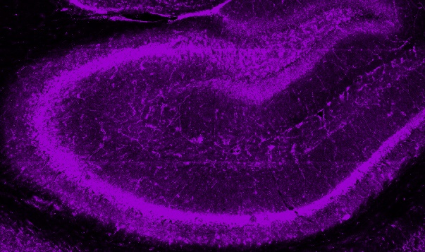
Supplemental Figure 3a image

Supplemental Figure 3b image

Supplemental Figure 3c image

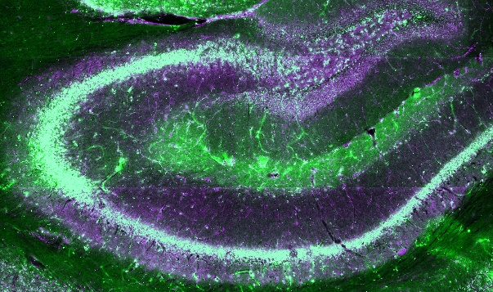

Supplemental Figure 3d image

Supplemental Figure 3e image

Supplemental Figure 3f image

CLIP-mGluR2

SNAP-mGluR7

Supplemental Figure 3g values

 | m2m2 |  |  | m2m7 |  |  | m7m7
 | donor | acceptor |  | donor | acceptor |  | donor | acceptor
 | 7700 | 6700 |  | 5600 | 5400 |  | 7900 | 8200
 | 7200 | 6200 |  | 3500 | 4800 |  | 8800 | 9200
 | 7900 | 10200 |  | 4600 | 3500 |  | 6700 | 6300
 | 10900 | 12900 |  | 5100 | 4100 |  | 4900 | 2900
 | 6600 | 9200
 | 3900 | 4600
 | 5400 | 5400
 | 5700 | 5600
 | 4600 | 5000
 | 5700 | 4900

Average | 6560 | 7070 |  | 4700 | 4450 |  | 7075 | 6650
S.E.M. | 633.1929669 | 877.24948941 |  | 449.07311951 | 413.31989225 |  | 842.985765 | 1387.1433476

Supplemental Figure 4e values

SNAP-mGluR2-F756D + mGluR7wt (0.5:0.5)

 | Cell | BGAG Variant | Photocurrent | 1 mM Glu | 100 nM Glu | Norm. | 1 uM Glu | Norm. | 10 uM | Norm. | 100 uM | Norm. | Photo Efficiency
 | 1 | 0 | -36.1958
 | 2 | 0 | -73.8217 | -902.397644 |  |  |  |  |  |  | -952.169556 | 1.055155188
 | 3 | 0 | -189.348511 |  |  |  | -901.213562
 | 1 | 0 | -165.621872 | -545.844543 |  |  |  |  | -427.768066 | 0.7836811259 |  |  | 0.3034231525
 | 2 | 0 | -113.134987 | -611.160217 |  |  | -225.707352 | 0.3693096274 |  |  |  |  | 0.1851151038
 | 3 | 0 | -94.740776 | -396.613708 |  |  | -231.762192 | 0.5843524501 |  |  |  |  | 0.2388741843
 | 4 | 0 | -136.84697 | -648.409485 |  |  |  |  | -589.961121 | 0.9098588695 |  |  | 0.2110502285
 | 5 | 0 | -19.775723 | -293.028076 |  |  |  |  |  |  | -266.228394 | 0.9085422722 | 0.06748746833
 | 6 | 0 | -223.702316 | -1437.608643 | -418.437469 | 0.2910649369 | -679.769958 | 0.4728477123 |  |  |  |  | 0.155607242
 | 7 | 0 | -329.525238 | -1485.399902 | -132.410019 | 0.0891409908 | -660.811157 | 0.4448708769 |  |  |  |  | 0.2218427762
 | 8 | 0 | -160.680023 | -967.601196 | -90.627022 | 0.09366154401 |  |  |  |  |  |  | 0.166060174
 | 9 | 0 | -115.200241 | -1967.475098 |  |  |  |  | -1261.03418 | 0.6409403511 |  |  | 0.05855232481
 |  |  |  | -1211.891113 |  |  |  |  |  |  | -1224.889771 | 1.010725929

 |  |  | -138.2161798 |  |  | 0.1579558239 |  | 0.4678451667 |  | 0.7781601155 |  | 0.9914744632 | 0.1786680727
 |  |  | 81.34852007 |  |  | 0.09414044765 |  | 0.07719462909 |  | 0.1098549151 |  | 0.06138295633 | 0.07425370156
 |  |  | 23.48329498

Supplemental Figure 4f values

SNAP-mGluR2-F756D + mGluR7wt (0.5:0.5)

 | Cell | PhotoEfficiency | Photocurrent | 1 mM Glu | 1 nM DCG-IV | Norm. | 10 nM DCG-IV | Norm. | 100 nM DCG-IV | Norm. | 1 uM DCG-IV | Norm. | 10 uM DCG-IV | Norm.
 | 1 | 0.3432835821 | 230 | 670 |  |  |  |  |  |  | 630 | 0.9402985075
 | 2 | 0.4111111111 | 370 | 900 |  |  |  |  | 550 | 0.6111111111
 | 3 | 0.2876712329 | 210 | 730 |  |  |  |  |  |  | 690 | 0.9452054795
 | 4 | 0.312 | 390 | 1250 |  |  | 720 | 0.576
 |  | 0.2325581395 | 200 | 860 |  |  |  |  | 550 | 0.6395348837
 | 5 | 0.3586956522 | 330 | 920 |  |  |  |  | 590 | 0.6413043478
 |  | 0.1466666667 | 110 | 750 |  |  | 270 | 0.36
 | 6 | 0.08333333333 | 50 | 600 | 10 | 0.01666666667 | 20 | 0.03333333333 | 220 | 0.3666666667
 | 1 | 0.1501604942 | -132.115921 | -879.831421 |  |  | -219.577438 | 0.2495676248
 | 2 | 0.0766738384 | -135.398071 | -1765.896606 |  |  |  |  | -581.878662 | 0.3295089078
 | 3 | 0.1160087332 | -111.640343 | -962.344299 |  |  | -409.720337 | 0.4257523398 |  |  | -726.975891 | 0.7554218295
 | 2 | 0.2084115214 | -250.257385 | -1200.78479 |  |  | -231.864456 | 0.1930940981 | -521.460693 | 0.4342665708
 | 3 | 0.2025480043 | 281.652 | 1390.544434 |  |  |  |  |  |  | 1322.012207 | 0.9507155433
 | 4 | 0.04788522661 | -97.862404 | -2043.686768 |  |  | -124.156052 | 0.06075101818 | -423.220917 | 0.2070869781
 | 5 | 0.4236440122 | -211.199249 | -498.529999 | -23.670595 | 0.0474807836 | -27.768492 | 0.0557007443 |  |  |  |  | -498.529999 | 1
 | 6 | -0.1569482404 | -142.60083 | 908.585083 |  |  | 51.308262 | 0.05647050888 | 252.573059 | 0.2779850382

 |  | Over 20% Photo |  |  |  | 0.0474807836 |  | 0.2749316141 |  | 0.5815542284 |  | 0.9454065101 |  | 1
 |  |  |  |  |  | 0 |  | 0.2201527699 |  | 0.08587650518 |  | 0.004255112117

 |  | Under 15% Photo |  |  |  | 0.01666666667 |  | 0.2199591728 |  | 0.3010875175 |  | 0.7554218295

