Table 1
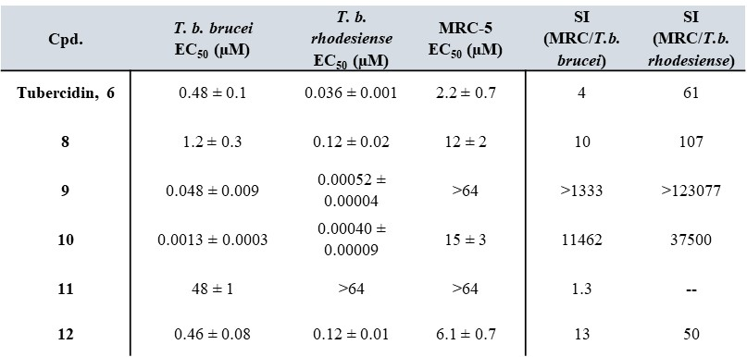
Table 1: In vitro drug sensitivity of 7-deazapurine nucleoside analogues

 | FH5284 (cpd. 6) | TH1003 (cpd. 8) | FH7429_Down (cpd. 9) | FH7429_UP (cpd. 10) | FH10677 (cpd. 11) | FH10679 (cpd. 12)
T. brucei brucei EC50 (µM)
 | 0.703 | 0.691 | 0.0399 | 0.00201 | 49.87 | 0.382
 | 0.527 | 0.577 | 0.0652 | 0.00163 | 47.21 | 0.533
 | 0.550 | 1.672 | 0.0380 | 0.00046
 | 0.133 | 2.378 |  | 0.00051
 |  | 0.904 |  | 0.00185

Number of measurements (n=) | 4 | 5 | 3 | 5 | 2 | 2
Average (µM) | 0.48 | 1.24 | 0.0477 | 0.001290 | 48.54 | 0.46
Standard error (µM) | 0.12155142164 | 0.34183044812 | 0.0087850995582 | 0.00033548307875 | 1.3290023804 | 0.07509355247
Reported value | 0.48 ± 0.1 | 1.2 ± 0.3 | 0.048 ± 0.009 | 0.0013 ± 0.0003 | 48 ± 1 | 0.46 ± 0.08

T. brucei rhodesiense EC50 (µM) | FH5284 (cpd. 6) | TH1003 (cpd. 8) | FH7429_Down (cpd. 9) | FH7429_UP (cpd. 10) | FH10677 (cpd. 11) | FH10679 (cpd. 12)
 | 0.0350 | 0.106 | 0.000484 | <0,0002 | >64 | 0.116
 | 0.0332 | 0.136 | 0.000557 | <0,0002 | >64 | 0.126
 | 0.0399 |  |  | <0,0002
 | 0.0350 |  |  | <0,0002
 |  |  |  | 0.0005
 |  |  |  | 0.0001
 |  |  |  | 0.0005
 |  |  |  | 0.0005

Number of measurements (n=) | 4 | 2 | 2 | 4 | 2 | 2
Average (µM) | 0.036 | 0.12 | 0.000521 | 0.000398 |  | 0.12
Standard error (µM) | 0.001433979206 | 0.015210103244 | 3.6395489587E-05 | 9.1407438983E-05 |  | 0.0051953941584
reported value | 0.036 ± 0.001 | 0.12 ± 0.02 | 0.00052 ± 0.00004 | 0.00040 ± 0.00009 | >64 | 0.12 ± 0.01

MRC-5 EC50 (µM) | FH5284 (cpd. 6) | TH1003 (cpd. 8) | FH7429_Down (cpd. 9) | FH7429_UP (cpd. 10) | FH10677 (cpd. 11) | FH10679 (cpd. 12)
 | 4.000 | 8.18 | >64 | 21.47 | >64 | 6.83
 | 0.726 | 14.11 | >64 | 10.81 | >64 | 5.37
 | 2.333 | 16.00 | >64 | 19.97
 | 1.878 |  |  | 3.53
 |  |  |  | 18.66

Number of measurements (n=) | 4 | 3 | 3 | 5 | 2 | 2
Average | 2.23 | 12.76 |  | 14.89 |  | 6.10
Average (µM) | 0.67877518022 | 2.3549975149 |  | 3.3851160189 |  | 0.7332572937
Standard error (µM) | 2.2 ± 0.7 | 12 ± 2 | >64 | 15 ± 3 | >64 | 6.1 ± 0.7

Figure 3
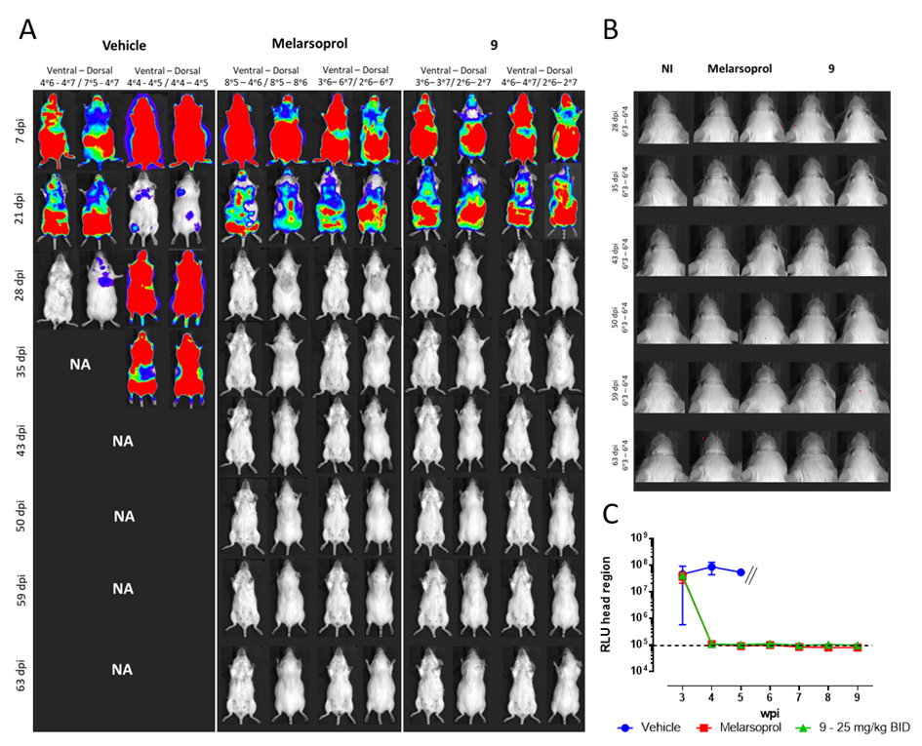
Figure 3: In vivo evaluation of 9 in a stage 2 mouse model of HAT.

RLU data

wpi | Vehicle |  | Melarsoprol |  | 9 25 mg/kg b.i.d.
3 | 89600000 | 571000 | 20700000 | 53700000 | 48700000 | 33400000
4 | 43100000 | 127000000 | 96900 | 114000 | 98400 | 114000
5 | NA | 53000000 | 83900 | 96500 | 100000 | 105000
6 | NA | NA | 85000 | 111000 | 109000 | 110000
7 | NA | NA | 90100 | 74800 | 99500 | 92000
8 | NA | NA | 81700 | 77100 | 107000 | 96700
9 | NA | NA | 73000 | 85000 | 90800 | 104000

Figure 4
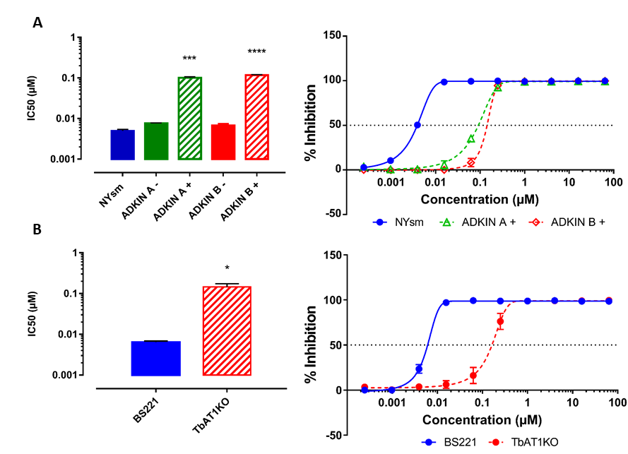
Figure 4: Susceptibility of ADKIN RNAi-mediated knockdown and TbAT1-KO cell lines

IC50 (µM) | NYsm | ADKIN A - | ADKIN A + | ADKIN B - | ADKIN B +
 | 0.0036 | 0.0081 | 0.0920 | 0.0083 | 0.1201
 | 0.0036 | 0.0079 | 0.0784 | 0.0020 | 0.1092
 | 0.0046 | 0.0083 | 0.0889 | 0.0084 | 0.1320
 | 0.0037 | 0.0078 | 0.0957 | 0.0068 | 0.1268
 | 0.0064 | 0.0074 | 0.1106 | 0.0069 | 0.1198
 | 0.0052 | 0.0069 | 0.1007 | 0.0067 | 0.0985
 | 0.0059 | 0.0077 | 0.1174 | 0.0076 | 0.1101
 | 0.0066 | 0.0072 | 0.1229 | 0.0073 | 0.1208

Inhibition (%) | Concentration (µM) | NYsm |  |  |  | ADKIN A + |  |  |  | ADKIN B +
 | 64 | 100 | 100 | 100 | 100 | 99 | 99 | 99 | 100 | 100 | 100 | 100 | 100
 | 16 | 100 | 100 | 100 | 100 | 100 | 99 | 100 | 99 | 100 | 100 | 100 | 100
 | 4 | 100 | 99 | 100 | 100 | 99 | 99 | 99 | 100 | 99 | 99 | 99 | 100
 | 1 | 100 | 98 | 99 | 100 | 99 | 99 | 99 | 99 | 99 | 99 | 99 | 100
 | 0.25 | 100 | 99 | 100 | 100 | 94 | 91 | 91 | 95 | 96 | 93 | 91 | 98
 | 0.0625 | 99 | 99 | 99 | 100 | 33 | 42 | 36 | 30 | 9 | 21 | 2 | 0
 | 0.015625 | 99 | 98 | 98 | 99 | 0 | 2 | 2 | 19 | 0 | 0 | 0 | 0
 | 0.00390625 | 53 | 52 | 44 | 52 | 0 | 0 | 0 | 3 | 0 | 0 | 0 | 0
 | 0.000976563 | 6 | 15 | 14 | 7 | 0 | 0 | 0 | 3 | 0 | 0 | 0 | 0
 | 0.000244141 | 0 | 3 | 5 | 2 | 0 | 0 | 15 | 0 | 0 | 0 | 0 | 0

IC50 (µM) | BS221 | TbAT1KO
 | 0.0068 | 0.1030
 | 0.0061 | 0.0889
 | 0.0054 | 0.1984
 | 0.0073 | 0.1895

Inhibition (%) | Concentration (µM) | BS221 |  |  |  | TbAT1KO
 | 64 | 99 | 99 | 99 | 97 | 99 | 99 | 100 | 100
 | 16 | 99 | 99 | 98 | 98 | 99 | 99 | 99 | 99
 | 4 | 100 | 100 | 99 | 98 | 99 | 99 | 99 | 99
 | 1 | 99 | 99 | 99 | 98 | 98 | 99 | 99 | 99
 | 0.25 | 99 | 99 | 99 | 98 | 89 | 94 | 60 | 62
 | 0.0625 | 99 | 99 | 100 | 99 | 28 | 35 | 0 | 2
 | 0.015625 | 97 | 98 | 98 | 95 | 7 | 18 | 0 | 0
 | 0.00390625 | 19 | 27 | 35 | 13 | 5 | 10 | 0 | 0
 | 0.000976563 | 0 | 0 | 0 | 0 | 0 | 2 | 0 | 0
 | 0.000244141 | 0 | 0 | 0 | 0 | 3 | 11 | 0 | 0

Figure 7
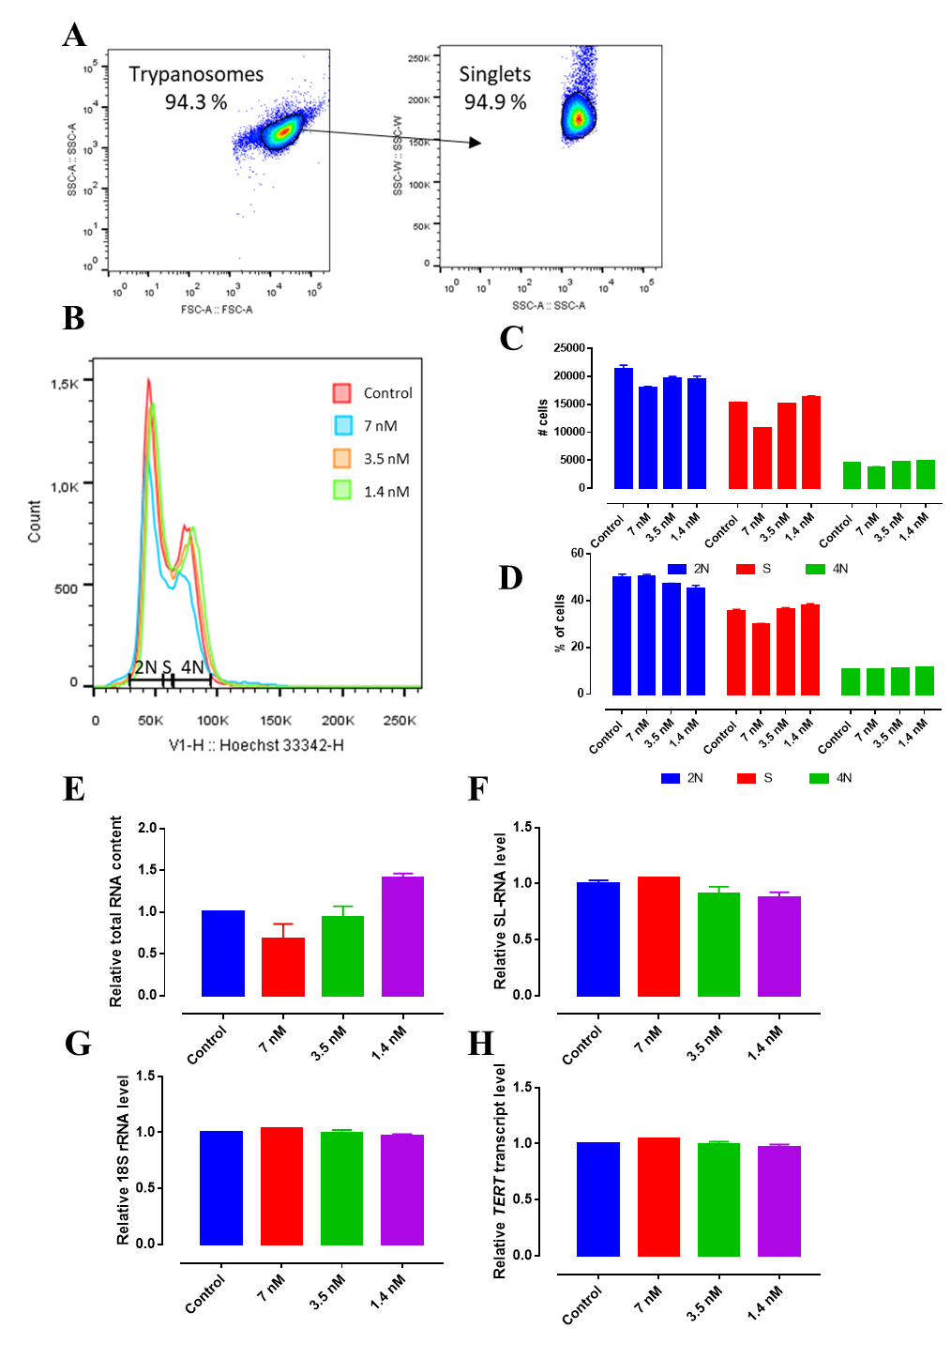
Figure 7: Evaluation of the effect of 9 on cell cycle regulation and RNA synthesis

# cells |  | 2N |  | S |  | 4N
 | Control | 21809 | 20846 | 15026 | 15336 | 4523 | 4371
 | 7 nM | 18100 | 17699 | 10717 | 10604 | 3787 | 3626
 | 3.5 nM | 19884 | 19251 | 15056 | 15140 | 4669 | 4555
 | 1.4 nM | 18946 | 19862 | 16441 | 16011 | 4825 | 4846

% of cells |  | 2N |  | S |  | 4N
 | Control | 51 | 49.1 | 35.1 | 36.1 | 10.6 | 10.3
 | 7 nM | 51.1 | 50 | 30.2 | 29.9 | 10.7 | 10.2
 | 3.5 nM | 47.3 | 46.7 | 35.9 | 36.8 | 11.1 | 11.1
 | 1.4 nM | 44.3 | 46.2 | 38.5 | 37.2 | 11.3 | 11.3

RNA Yield |  | Control |  | 7 nM |  | 3.5 nM |  | 1.4 nM
 | RNA Content | 1.00 | 1.00 | 0.50 | 0.86 | 0.81 | 1.07 | 1.35 | 1.46
 | SL-RNA | 0.995014 | 1.004986 | 1.052305 | 1.049029 | 0.793943 | 0.795340 | 0.789008 | 0.778534
 |  | 1.073944 | 0.926056 | NA | NA | 1.021488 | 1.015584 | 0.977966 | 0.938468
 | 18S rRNA | 1.009739 | 0.990261 | 1.036338 | 1.036800 | 0.911937 | 1.014294 | 0.922204 | 0.932370
 |  | 0.997583 | 1.002417 | NA | NA | 1.008604 | 1.043872 | 0.999642 | 1.000885
 | TERT | 0.999158 | 1.000842 | 1.045559 | 1.041893 | 0.942926 | 0.928160 | 0.923152 | 0.918177
 |  | 1.001571 | 0.998429 | NA | NA | 1.046178 | 1.034536 | 1.014781 | 1.008683

Suppl. Figure S4
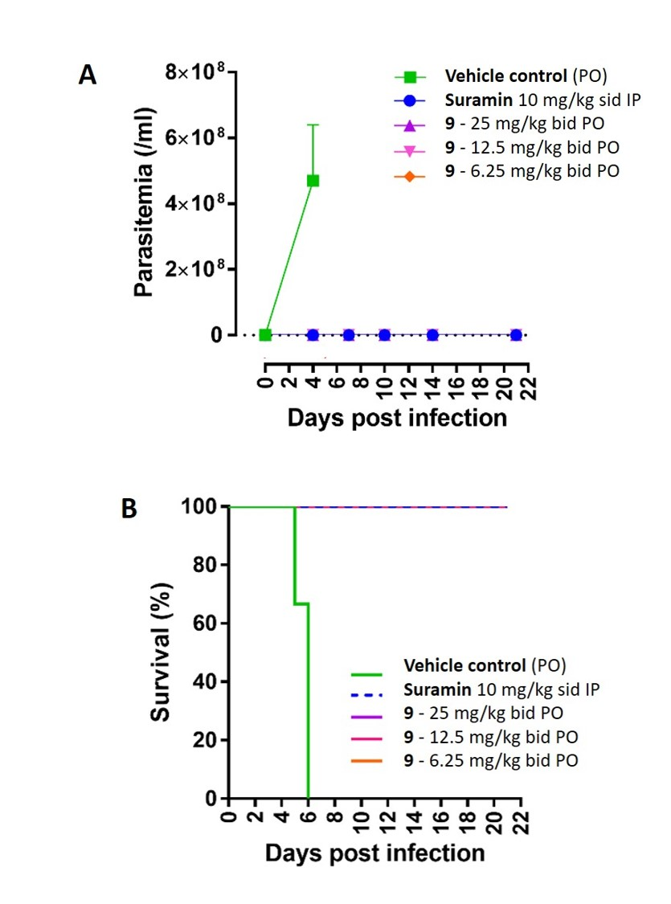
Supplementary Figure S4: In vivo evaluation of analogue 9 in a mouse model of acute infection with T. b. brucei

dpi | Vehicle control (PO) |  |  | Suramin 10 mg/kg sid IP |  |  | 9 - 25 mg/kg bid PO |  |  | 9 - 12.5 mg/kg bid PO |  |  | 9 - 6.25 mg/kg bid PO
4 | 330000000 | 420000000 | 660000000 | 0 | 0 | 0 | 0 | 0 | 0 | 0 | 0 | 0 | 0 | 0 | 0
7 |  |  |  | 0 | 0 | 0 | 0 | 0 | 0 | 0 | 0 | 0 | 0 | 0 | 0
10 |  |  |  | 0 | 0 | 0 | 0 | 0 | 0 | 0 | 0 | 0 | 0 | 0 | 0
14 |  |  |  | 0 | 0 | 0 | 0 | 0 | 0 | 0 | 0 | 0 | 0 | 0 | 0
21 |  |  |  | 0 | 0 | 0 | 0 | 0 | 0 | 0 | 0 | 0 | 0 | 0 | 0

Suppl. Figure S5
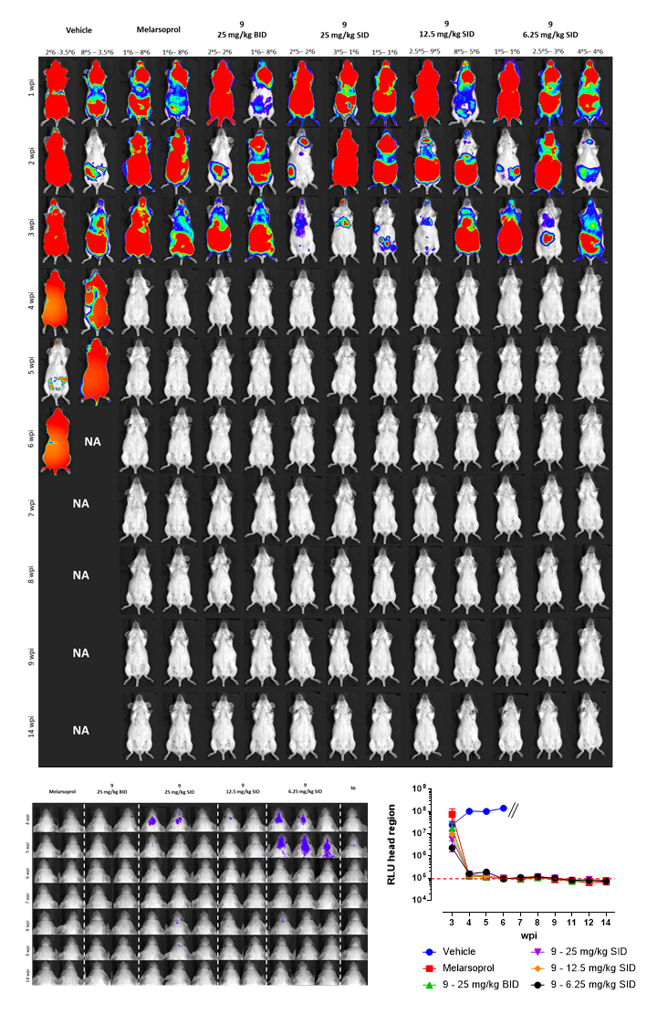
Supplementary Figure S5: Dose-titration of analogue 9 in a stage-II model of HAT

RLU data

wpi | Vehicle |  | Melarsoprol |  | 9 - 25 mg/kg BID |  | 9 - 25 mg/kg SID |  |  | 9 - 12.5 mg/kg SID |  | 9 - 6.25 mg/kg SID
3 | 35740000 | 13850000 | 133100000 | 14890000 | 4672000 | 30200000 | 2495000 | 617400 | 13720000 | 11680000 | 7405000 | 1622000 | 3182000 | 2182000
4 | 123500000 | 80840000 | 121700 | 135100 | 134400 | 112900 | 173900 | 151500 | 120200 | 129800 | 121500 | 193100 | 167700 | 117800
5 | 121800000 | 79560000 | 112200 | 109500 | 112900 | 115900 | 135900 | 123400 | 110100 | 117000 | 123200 | 198100 | 192400 | 180700
6 | 140500000 |  | 106700 | 93980 | 102800 | 99010 | 109500 | 97640 | 94120 | 100200 | 88860 | 97950 | 93770 | 90330
7 |  |  | 99910 | 79400 | 102400 | 91660 | 98810 | 105800 | 87010 | 107000 | 110100 | 113500 | 105600 | 105900
8 |  |  | 117400 | 101400 | 110100 | 102600 | 114800 | 132100 | 110100 | 112000 | 128000 | 131900 | 113000 | 102800
9 |  |  | 93050 | 80330 | 102800 | 96280 | 104700 | 110500 | 91280 | 99900 | 94080 | 108500 | 102400 | 89250
11 |  |  | 77170 | 73440 | 72280 | 73020 | 73650 | 88470 | 81640 | 77540 | 81340 | 85510 | 79310 | 77130
12 |  |  | 62170 | 64300 | 82420 | 78930 | 90290 | 88590 | 87820 | 79330 | 83380 | 86540 | 80590 | 72940
14 |  |  | 67840 | 67090 | 77680 | 76600 | 78620 | 86010 | 72810 | 72090 | 77840 | 72880 | 70430 | 75490

Suppl. Figure S7
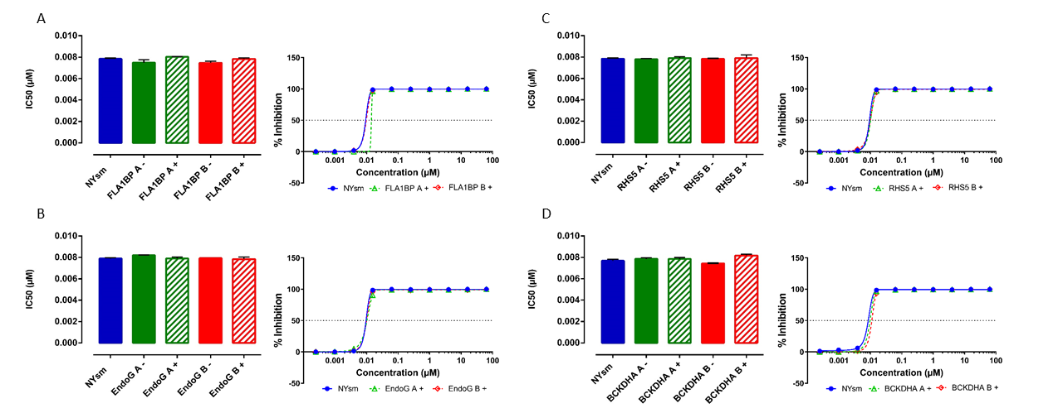
Supplementary Figure S6: Drug sensitivity of RNAi clones

IC50 values reported in µM
 | NYsm | FLA1BP A - | FLA1BP A + | FLA1BP B - | FLA1BP B +
 | 0.00792 | 0.00770 | 0.00810 | 0.00746 | 0.00804
 | 0.00798 | 0.00770 | 0.00804 | 0.00764 | 0.00781
 | 0.00798 | 0.00666 | 0.00798 | 0.00776 | 0.00792
 | 0.00787 | 0.00787 | 0.00798 | 0.00701 | 0.00759

 | NYsm | EndoG A - | EndoG A + | EndoG B - | EndoG B +
 | 0.00792 | 0.00817 | 0.00804 | 0.00792 | 0.00804
 | 0.00798 | 0.00823 | 0.00775 | 0.00792 | 0.00763
 | 0.00798 | 0.00793 | 0.00804 | 0.00810 | 0.00794
 | 0.00787 | 0.00781 | 0.00775 | 0.00781 | 0.00826

 | NYsm | RHS5 A - | RHS5 A + | RHS5 B - | RHS5 B +
 | 0.00792 | 0.00787 | 0.00810 | 0.00776 | 0.00830
 | 0.00798 | 0.00793 | 0.00805 | 0.00792 | 0.00837
 | 0.00798 | 0.00770 | 0.00792 | 0.00792 | 0.00792
 | 0.00787 | 0.00770 | 0.00759 | 0.00770 | 0.00706

 | NYsm | BCKDHA A - | BCKDHA A + | BCKDHA B - | BCKDHA B +
 | 0.00792 | 0.00798 | 0.00799 | 0.00741 | 0.00839
 | 0.00798 | 0.00804 | 0.00745 | 0.00747 | 0.00839
 | 0.00798 | 0.00758 | 0.00798 | NA | 0.00798
 | 0.00787 | 0.00781 | 0.00798 | NA | 0.00792

