Figue 5
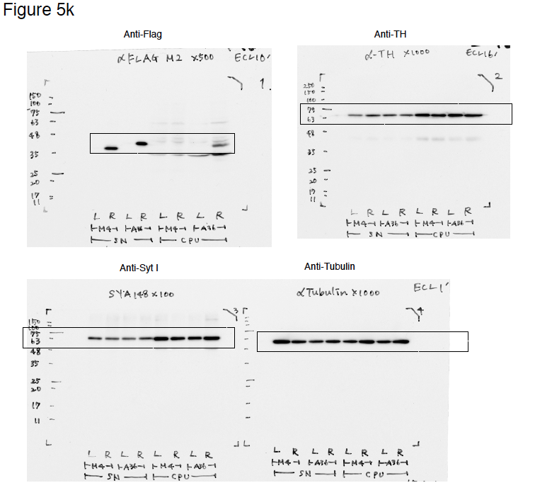
Uncropped and unprocessed scans of the immuno blots
Figure 5k

Figure 6
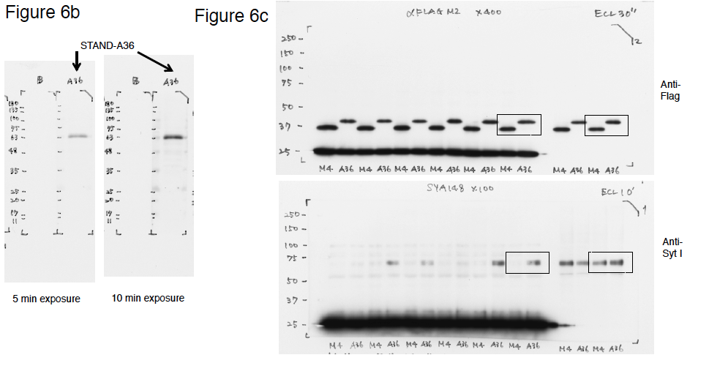
 |  |  |  | Uncropped and unprocessed scans of the immuno blots
Data for Figure 6a
 | GST | GST-C2A | GST-C2B
 | 0.001 | 3.04 | 0.007
 | 0 | 3.1 | 0.0055
 | 0.002 | 2.926 | 0.0075
average | 0.001 | 3.022 | 0.0066666666667

Data for Figure 6e
 | M4 | A36
 | 1 | 0.192360031
 | 1 | 0.204719932
 | 1 | 0.639930505
 | 1 | 0.705478706
 | 1 | 0.256734976
 | 1 | 0.325097972
average | 1 | 0.38738702033

Data for Figure 6g
 | M4 | A36
 | 65.30612245 | 55.88235294
 | 78.35820896 | 62.83783784
 | 69.59459459 | 59.55882353
average | 71.086308667 | 59.426338103

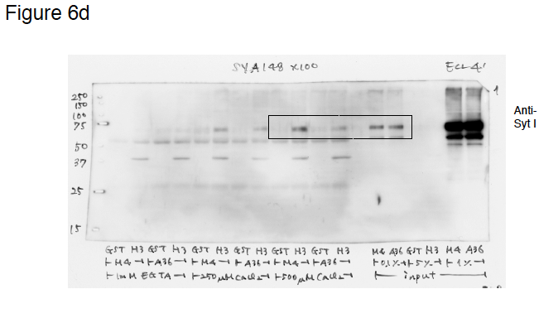
Data for Figure 6h
 | M4 | A36
 | 17.24741602 | 10.82494888
 | 11.47773767 | 7.492498369
 | 9.024475524 | 6.794774347
 | 10.37877614 | 6.593183068
 | 12.47723019 | 8.990228013
 | 9.190161527 | 8.643702906
 | 13.13913043 | 8.965548098
 | 8.442724458 | 9.754398311
 | 9.903794038 | 8.844311377
 | 10.00441176 | 11.16518936
 | 5.450376209 | 9.812306101
 | 7.162595114 | 6.75
 | 11.054692 | 5.230769231
 |  | 5.334001719
average | 10.381040083 | 8.2282756986

Figure 9
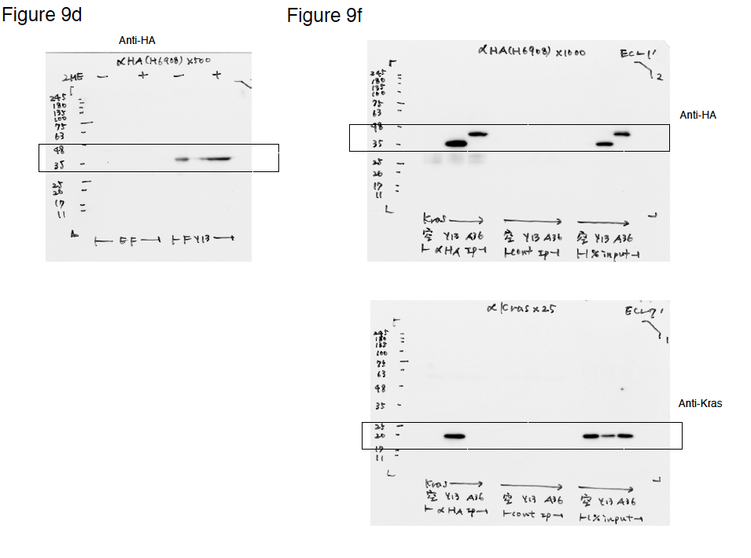
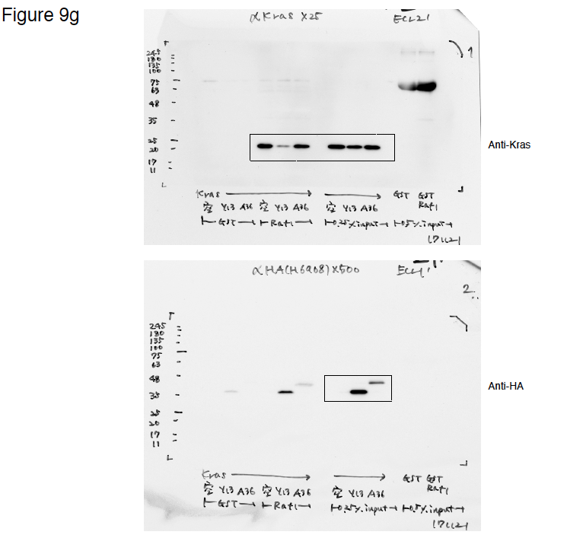
Data for Figure 9a |  |  |  |  |  |  |  | Uncropped and unprocessed scans of the immuno blots
 |  | Net charge at
 |  | cytoplasmic pH
 |  | 7.4 | 7.03 | 6.6 | Estimated pI
 | No tag | -0.3 | 0.3 | 0.9 | 7.19
 | Myc | -2.3 | -1.8 | -1.1 | 5.97
 | s3Flag | -7.1 | -6.3 | -5.2 | 5.29
 | s3Flag, HA | -9.1 | -8.3 | -7.1 | 5.08

Data-for Figure 9c |  | aggregation (%) | Myc | s3Flag | s3Flag, HA
 |  | #1 | 94.565217391 | 7.8534031414 | 0.36764705882
 |  | #2 | 100 | 5.3475935829 | 0.93023255814
 |  | #3 | 97.058823529 | 9.7297297297 | 0.9756097561
 |  | Average | 97.20801364 | 7.6435754847 | 0.75782979102

Data for Figure 9e |  | Specific binding(Absorbance(GST-hKras)-Absorbance (GST))
 |  | #1 | #2 | #3 | Average
 | STAND-Y13-259 (nM) | absorbance at 450 nm
 | 10.35 | 0.988 | 1.067 | 1.021 | 1.0253333333
 | 20.91 | 1.7765 | 1.781 | 1.622 | 1.7265
 | 41.82 | 2.2955 | 2.438 | 2.3845 | 2.3726666667
 | 83.43 | 2.9655 | 2.7975 | 2.815 | 2.8593333333
 | 166.87 | 3.132 | 3.096 | 3.1135 | 3.1138333333
 | 332.92 | 3.009 | 2.999 | 2.989 | 2.999
 | 667.87 | 3.0385 | 2.9985 | 3.052 | 3.0296666667
 | 1000.79 | 2.8435 | 2.89 | 2.8435 | 2.859

Data for Figure 9h
 |  | #1 | #2 | #3 | #4 | #5 | Average
 | mock | 1 | 1 | 1 | 1 | 1 | 1
 | hkras / STAND-Y13-259 | 0.679373855 | 0.374686586 | 0.299431621 | 0.051966688 | 0.281778412 | 0.3374474324
 | hkras / STAND-A36 | 1.351123644 | 0.881141279 | 0.970361759 | 0.554435988 | 0.875913603 | 0.9265952546

Figure 10
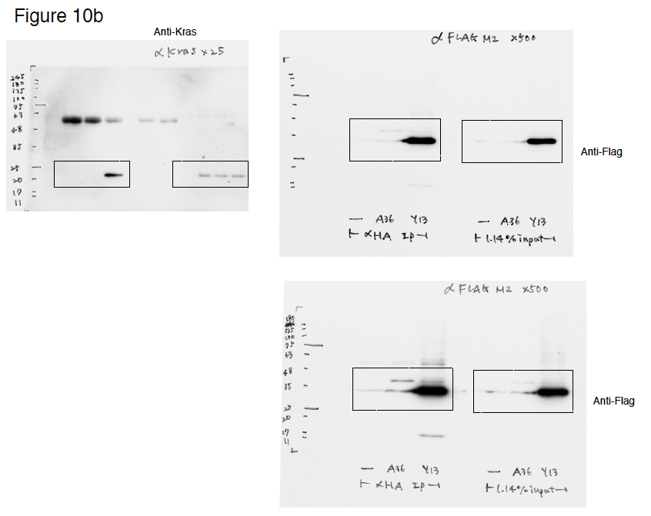
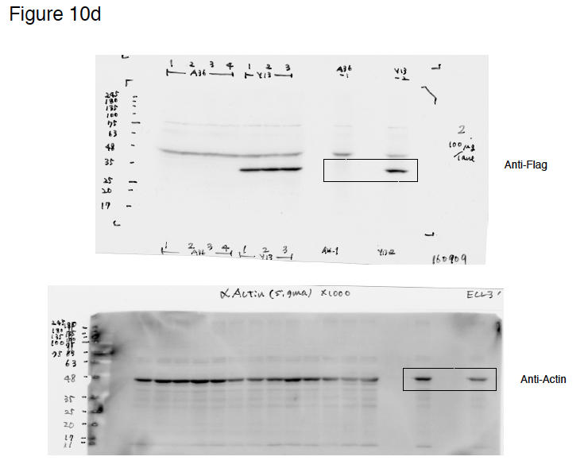
Data for Figure 10c |  | 1 | 2 | 3 | average
 | 3Flag-Y13-259 | 12.23021583 | 15.17101876 | 13.66269165 | 13.687975413
 | Myc-Y13-259 | 60.5054418 | 61.9897021 | 58.38160136 | 60.29224842
 | 3Flag-A36-HA | 96.36598414 | 93.3983082 | 85.43441227 | 91.732901537
 | PBS(-) | 100 | 100 | 100 | 100

Data for Figure 10f
 | STAND-Y13-259 |  |  |  |  |  |  | STAND-A36 |  |  |  |  |  |  |  | Myc-Y13-259
 | #1 | #2 | #3 | #4 | #5 | #6 |  | #1 | #2 | #3 | #4 | #5 | #6 | #7 |  | #1 | #2 | #3 | #4 | #5
Day1 | 1 | 1 | 1 | 1 | 1 | 1 | Day1 | 1 | 1 | 1 | 1 | 1 | 1 | 1 | Day1 | 1 | 1 | 1 | 1 | 1
Day2 | 0.8 | 0.98 | 1 | 1 | 1 | 1 | Day2 | 1.3714285714 | 1 | 1.1666666667 | 1 | 1.306122449 | 1 | 1.125 | Day2 | 1 | 1.3 | 1.4 | 1.306122449 | 1.3611111111
Day3 | 0.75 | 0.7 | 0.8 | 0.61224489796 | 1 | 0.875 | Day3 | 1.3714285714 | 1.2244897959 | 1.1666666667 | 1.40625 | 1.306122449 | 0.85714285714 | 1.125 | Day3 | 1.875 | 1.3 | 2.1 | 2.7551020408 | 1.3611111111
Day4 | 0.83333333333 | 0.7 | 0.525 | 0.71428571429 | 1.1 | 0.875 | Day4 | 1.4857142857 | 1.2244897959 | 1.6666666667 | 1.40625 | 1.9591836735 | 0.85714285714 | 1.125 | Day4 | 1.875 | 1.75 | 2.4 | 3.0612244898 | 1.75
Day5 |  |  |  |  |  |  | Day5 |  |  |  |  |  |  |  | Day5
Day6 |  |  |  |  |  |  | Day6 |  |  |  |  |  |  |  | Day6
Day7 | 0.83333333333 | 0.7 | 0.75 | 0.73469387755 | 1.92 | 0.984375 | Day7 | 1.4857142857 | 1.1020408163 | 2.2857142857 | 1.5625 | 2.4489795918 | 1.7142857143 | 1.640625 | Day7 | 3.15 | 2.8 | 3.4285714286 | 4.0408163265 | 2.9166666667
Day8 | 1.4 | 0.9 | 1.25 | 0.71428571429 | 2.2 | 0.984375 | Day8 | 1.8571428571 | 2.2040816327 | 2.5714285714 | 1.5625 | 2.7551020408 | 1.7142857143 | 1.875 | Day8 | 3.15 | 3.15 | 3.7714285714 | 5.8775510204 | 3.3333333333
Day9 | 1 | 1 | 1.25 | 0.71428571429 | 1.92 | 0.875 | Day9 | 2.1428571429 | 2.0408163265 | 2.5714285714 | 2.625 | 3.3673469388 | 1.7142857143 | 2.0625 | Day9 | 3.15 | 4.4 | 8.1714285714 | 6.3673469388 | 4.125
Day10 | 1.1666666667 | 1.28 | 1.125 | 0.71428571429 | 1.92 | 0.875 | Day10 | 3.2142857143 | 1.7142857143 | 3.1428571429 | 3.09375 | 3.3673469388 | 2 | 2.25 | Day10 | 3.4125 | 5.175 | 8.5714285714 | 7.3469387755 | 4.5
Day11 | 1.2833333333 | 2 | 1.5 | 0.71428571429 | 1.92 | 1.3125 | Day11 | 3.6428571429 | 2.2040816327 | 3.8571428571 | 3.375 | 3.3673469388 | 2 | 2.75 | Day11 | 4.55 | 6 | 9.1428571429 | 7.9591836735 | 5.4166666667
Day12 |  |  |  |  |  |  | Day12 |  |  |  |  |  |  |  | Day12
Day13 |  |  |  |  |  |  | Day13 |  |  |  |  |  |  |  | Day13
Day14 | 1.2833333333 | 1.92 | 1.5 | 1.4693877551 | 3.6 | 1.6875 | Day14 | 4.3714285714 | 1.9591836735 | 3.9285714286 | 4.125 | 4.9387755102 | 3.4285714286 | 4.6875 | Day14 | 4.55 | 10 | 15.714285714 | 11.479591837 | 5.9583333333
Day15 | 2.4 | 2.64 | 2 | 1.9285714286 | 3.9 | 2.109375 | Day15 | 5.2 | 2.9387755102 | 4.6428571429 | 5.15625 | 5.8775510204 | 3.4285714286 | 5.5859375 | Day15 | 6.125 | 8.3333333333 | 14.4 | 11.479591837 | 5.9583333333
Day16 | 2.4 | 2.8 | 3.375 | 1.9285714286 | 4.2 | 3.09375 | Day16 | 8 | 2.9387755102 | 5.8928571429 | 5.0625 | 7.9591836735 | 5.8775510204 | 6.4453125 | Day16 | 6.5625 | 7.5 | 13.2 | 11.479591837 | 5.9583333333
Day17 | 2.925 | 3.2 | 4.05 | 3.2653061224 | 5.4 | 3.09375 | Day17 | 10.714285714 | 4.8979591837 | 6.9642857143 | 8.125 | 9.2857142857 | 6.5306122449 | 7.03125 | Day17 | 6 | 7.5 | 13.2 | 13.06122449 | 8.5555555556
Day18 | 2.925 | 2.8 | 3.6 | 2.2040816327 | 5.76 | 3.75 | Day18 | 10.714285714 | 4.9591836735 | 8.5714285714 | 9.75 | 9.2857142857 | 7.3469387755 | 7.5 | Day18 | 6 | 8.6666666667 | 15.085714286 | 13.06122449 | 9.1666666667
Day19 |  |  |  |  |  |  | Day19 |  |  |  |  |  |  |  | Day19
Day20 |  |  |  |  |  |  | Day20 |  |  |  |  |  |  |  | Day20
Day21 | 4.3333333333 | 2.8 | 6 | 2.4489795918 | 7.14 | 3.75 | Day21 | 16.028571429 | 6.1224489796 | 10.714285714 | 12.1875 | 10.714285714 | 8.0816326531 | 7.96875 | Day21 | 5.95 | 8.6666666667 | 18.857142857 | 14.744897959 | 9.1666666667
Day22 | 3.9 | 4 | 6.5 | 3.2653061224 | 8.16 | 6.09375 | Day22 | 16.757142857 | 6.1224489796 | 10.714285714 | 12.1875 | 11.142857143 | 10.102040816 | 10.359375 | Day22 | 10 | 13 | 22.285714286 | 15.612244898 | 10
Day23 | 4.6666666667 | 3.36 | 7.5 | 2.4489795918 | 8.16 | 6.015625 | Day23 | 16.757142857 | 7.3469387755 | 13.392857143 | 15.234375 | 16.071428571 | 12.244897959 | 10.96875 | Day23 | 10.5 | 16.875 | 25.714285714 | 22.040816327 | 13.541666667
Day24 | 4.6666666667 | 3.36 | 7.2 | 2.4489795918 | 10.08 | 6.703125 | Day24 | 22.5 | 7.4081632653 | 17.142857143 | 21.09375 | 16.071428571 | 14.693877551 | 10.96875 | Day24 | 13.75 | 18.75 | 34.285714286 | 25.714285714 | 13.541666667
Day25 | 5 | 3.84 | 6.75 | 2.8571428571 | 10.08 | 6.703125 | Day25 | 22.5 | 7.4081632653 |  | 21.09375 | 15.673469388 | 17.285714286 | 13.5078125 | Day25 | 16.5 | 20 | 42.5 | 32.326530612 | 14.583333333

 | Uncropped and unprocessed scans of the immuno blots

Supplementary Fig. 1
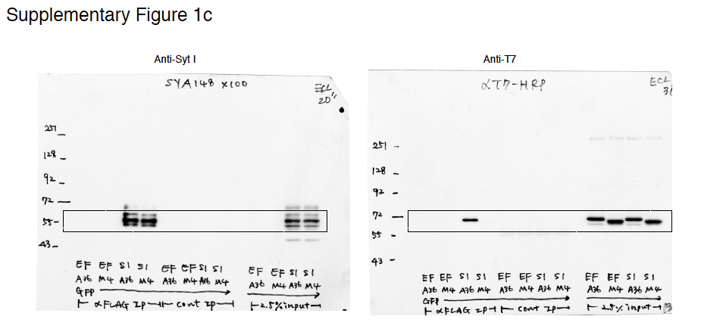
Uncropped and unprocessed scans of the immuno blots

