Fig. 2a
Fig. 2a Confirmation of an integration-free status in the established iPSCs.
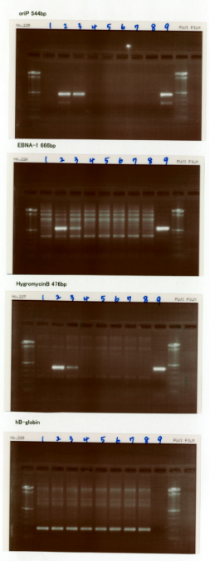
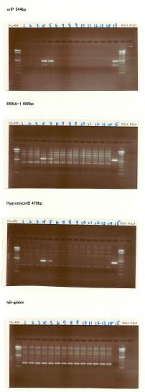
(bp)
600
100
1500
(bp)
600
100
1500
(bp)
600
1500
(bp)
600
100
1500
(bp)
600
100
1500
(bp)
600
100
1500
(bp)
600
100
1500
(bp)
600
100
1500
OriP
EBNA1
Hygromycin
β-globin
OriP
EBNA1
Hygromycin
β-globin

Fig. 3c
Fig. 3c Western blot analysis of cell cycle-related proteins on days 1-6 using whole cell lysates prepared at 6, 12 and 24 h after 3Gy irradiation (MEF, 4F retroviral system, culture condition [1])

IB:Cyclin D1
IB:P-Rb (Ser780)
IB:P-Rb (Ser807/811)
day1
day2
day3
day4
day5
day6
110
110
110
110
110
110
110
110
110
110
110
40
40
40
40
40
40
110
IB:P-p53 (Ser15)
IB:p53
IB:p21
50
50
50
50
50
50
50
50
50
50
50
50
15
15
15
15
15
15
day1
day2
day3
day4
day5
day6
IB:γH2AX
IB:Chk1
IB:P-Chk1 (Ser345)
15
15
15
15
60
60
60
60
60
60
15
15
60
60
60
60
60
60
day1
day2
day3
day4
day5
day6
IB:P-Histone H3(Ser10)
IB:Cleaved Caspase-3
IB:GAPDH
15
15
15
15
15
15
15
15
15
15
15
15
40
40
40
40
40
40
day1
day2
day3
day4
day5
day6

Sup. 1c
Fig. 1c Western blot analysis of the phosphorylation of the three Ser residues in pyruvate dehydrogenase (PDH), S232, S293 and S300, which indicates the inactivation of this enzyme.
IB:p-PDH(Ser232)
IB:p-PDH(Ser293)
IB:p-PDH(Ser300)
IB:PDH

Fig. 11a
Fig. 11a Western blot analysis of cell cycle-related proteins (Mouse retroviral system)

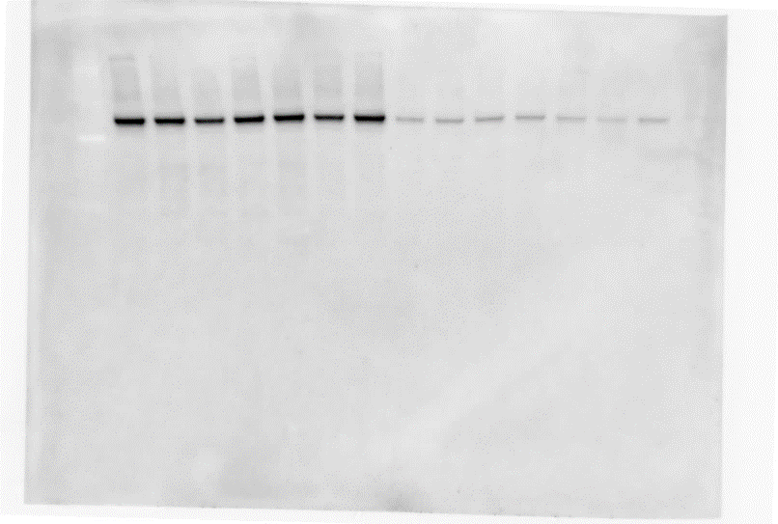
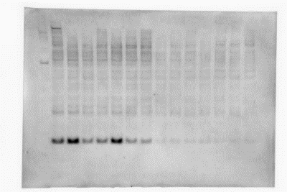
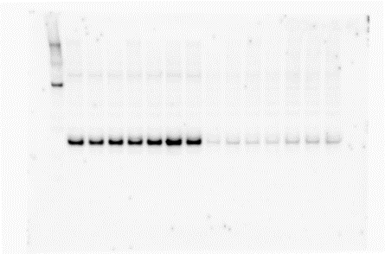
p-Histone H3 (Ser10)
p53
cleaved Caspase-3
p-Rb (Ser780)
Cyclin D1
GAPDH
p-Rb (Ser807/811)
p-p53 (Ser15)
p-Chk1 (Ser345)
Chk1
γH2AX
60
15
50
50
110
15
15
110
40
40
60

Fig. 11b
Fig. 11b Western blot analysis of cell cycle-related proteins (Mouse Dox-inducible iPSC generation system)
p-Histone H3 (Ser10)
p53
cleaved Caspase-3
p-Rb (Ser780)
Cyclin D1
GAPDH
p-Rb (Ser807/811)
p-p53 (Ser15)
p-Chk1 (Ser345)
Chk1
60
60
15
110
50
50
40
40
15
110

Fig .11c
Fig. 11b Western blot analysis of cell cycle-related proteins (Human iPSC generation using a Sendai viral system)
infection
IB:p-Chk1 (Ser345)
60
IB:cleaved Caspase-3
15
IB:p53
50
IB:Chk1
60
IB:p-Histone H3 (Ser10)
15
IB:p-Rb (Ser780)
110
IB:p-Rb (Ser807/811)
110
IB:Cyclin D1
40
IB:GAPDH
40
IB:p-p53 (Ser15)
50
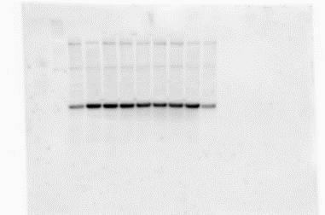
without infection
IB:p-Rb (Ser780)
IB:Chk1
IB:p53
50
IB:p-Chk1 (Ser345)
60
IB:cleaved Caspase-3
15
IB:Cyclin D1
40
110
IB:p-Histone H3 (Ser10)
15
IB:p-p53 (Ser15)
50
IB:GAPDH
40
IB:p-Rb (Ser807/811)
110
60

