Figure 5
p-EGFR
Figure 5
 |  |  |  |  |  |  |  |  |  | Vil-Cre x M3R fl/fl |  |  |  |  | WT
 |  |  |  |  |  |  |  |  |  | K-6194 | K-6195 | K-6196 | K-6197 |  | K-6057 | K-6058 | K-6060 | K-6061
B | Western blot |  |  |  | Ratio p-EGFR/EGFR
198
238
 |  | p-EGFR(net) | EGFR(net) |  | Vil-Cre x M3R fl/fl | WT
98
 | K-6194 (Vil-Cre x M3R fl/fl) | 0.318316787 | 0.750889903 | Ratios | 0.42391938649 | 0.79745145286 |  |  | p-EGFR
 | K-6195 (Vil-Cre x M3R fl/fl) | 0.232442245 | 0.659319047 |  | 0.35254896102 | 0.58475673839
EGFR
 | K-6196 (Vil-Cre x M3R fl/fl) | 0.220248249 | 0.724240555 |  | 0.30410924586 | 0.64633810075
 | K-6197 (Vil-Cre x M3R fl/fl) | 0.228331729 | 0.482903267 |  | 0.4728311954 | 1.4270574591 |  |  | EGFR
 | K-6057 (WT) | 0.602824161 | 0.755938382
 | K-6058 (WT) | 0.562186275 | 0.961401961
238
198
 | K-6060 (WT) | 0.781460784 | 1.209058824 |  | 0.38835219719 | 0.86390093777
98
 | K-6061 (WT) | 0.844901961 | 0.592058824

 |  | Mean WT ratio | Ratio WT to Mean WT |  |  | Ratio Vil-Cre x M3Rfl to Mean WT
 |  | 0.86390093777 | 0.92308205489 |  |  | 0.49070369987
 |  |  | 0.6768793884 |  |  | 0.40808956861
DCLK1
 |  |  | 0.74816228631 |  |  | 0.35201865464
 |  |  | 1.6518762704 | * excluded |  | 0.54732108131

238
198
 | Western blot |  |  | Mean per group |  |  |  |  |  | K-6194 | K-6195 | K-6196 | K-6197 |  | K-6057 | K-6058 | K-6060 | K-6061
 |  | DCLK1 |  | Vil-Cre x M3R fl/fl | WT
 | K-6194 (Vil-Cre x M3R fl/fl) | 0.63272515875 |  | 0.37705692304 | 0.097844469516
98
 | K-6195 (Vil-Cre x M3R fl/fl) | 0.47355213042 |  |  |  |  |  |  | DCLK1
 | K-6196 (Vil-Cre x M3R fl/fl) | 0.31062860669
 | K-6197 (Vil-Cre x M3R fl/fl) | 0.091321796292
 | K-6057 (WT) | 0.085430385701
 | K-6058 (WT) | 0.16553220874
 | K-6060 (WT) | 0.071197348272
 | K-6061 (WT) | 0.069217935349

 | Mean WT Dclk1 | Ratio WT to Mean WT | Ratio Vil-Cre x M3R fl to Mean WT
 | 0.097844469516 | 0.87312431785 | 6.4666420277
 |  | 1.6917891176 | 4.8398456527
 |  | 0.72765838094 | 3.1747180829
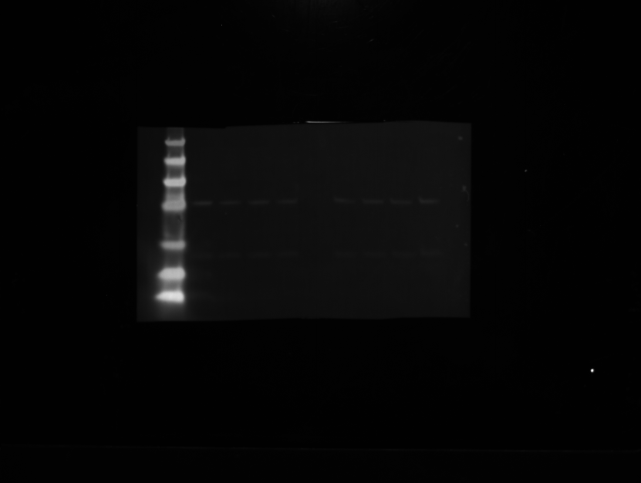
M3R
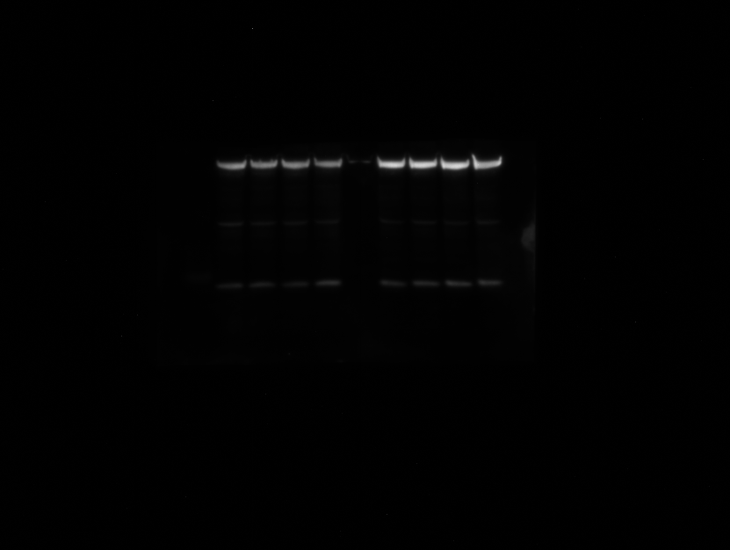
 |  | 0.70742818365 | 0.93333631164 | * excluded

62
49
 | Western blot |  |  | Mean per group |  |  |  |  |  | K-6194 | K-6195 | K-6196 | K-6197 |  | K-6057 | K-6058 | K-6060 | K-6061
 |  | M3R |  | Vil-Cre x M3R fl/fl | WT
 | K-6194 (Vil-Cre x M3R fl/fl) | 0.47227439406 |  | 0.41602677598 | 0.67947018589
38
 | K-6195 (Vil-Cre x M3R fl/fl) | 0.40970170505 |  |  |  |  |  |  | M3R
17
 | K-6196 (Vil-Cre x M3R fl/fl) | 0.42777555983
 | K-6197 (Vil-Cre x M3R fl/fl) | 0.35435544499
14
 | K-6057 (WT) | 0.62841995923
6
 | K-6058 (WT) | 0.6925 |  |  |  |  |  |  | beta Actin
 | K-6060 (WT) | 0.75102941176
 | K-6061 (WT) | 0.64593137255

 | Mean WT M3R | Ratio WT to Mean WT | Ratio Vil-Cre x M3R fl to Mean WT
 | 0.67947018589 | 0.92486759874 | 0.69506271779
 |  | 1.0191764324 | 0.60297230631
 |  | 1.1053162116 | 0.62957222953
 |  | 0.95063975722 | 0.52151728265

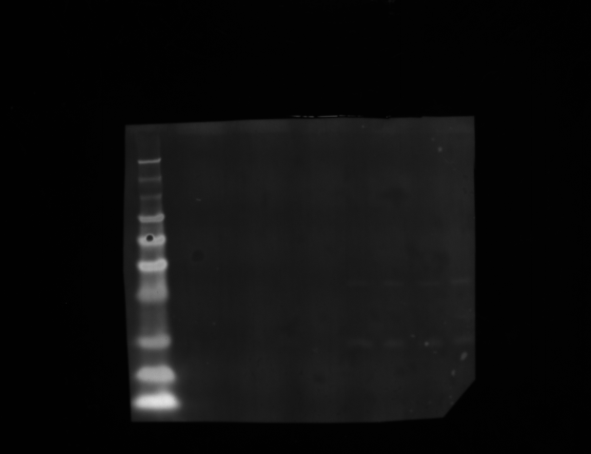
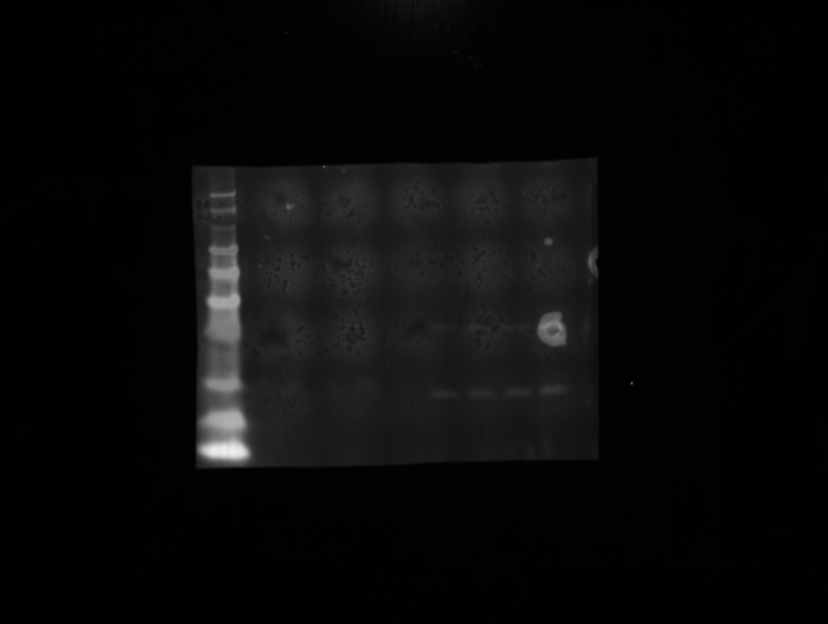
EGFR
p-EGFR
C | Western blot
 |  | p-EGFR(net) | EGFR(net) |  | Vil-Cre x M3R fl/fl x M1R fl/fl | Vil-Cre x M3R fl/fl |  |  | Vil-Cre x M3R fl/fl x M1R fl/fl
 | K-8958 (Vil-Cre x M3R fl/fl x M1R fl/fl) | 0.036223214286 | 0.15724107143 |  | 0.23036738402 | 0.66666666667 |  |  | K-8958 | K-8959 | K-8960 | K-8961
 | K-8959 (Vil-Cre x M3R fl/fl x M1R fl/fl) | 0.068642857143 | 0.054839285714 |  | 1.2517095409 | 0.81176470588
 | K-8960 (Vil-Cre x M3R fl/fl x M1R fl/fl) | 0.033463636364 | 0.11339090909 |  | 0.2951174537 | 0.86363636364 |  | p-EGFR
198
 | K-8961 (Vil-Cre x M3R fl/fl x M1R fl/fl) | 0.0067545454545 | 0.080736363636 |  | 0.083661749803
98
62
198
 | K-6195 (Vil-Cre x M3R fl/fl) | 0.71794871795 | 1.0769230769
49
98
 | K-6196 (Vil-Cre x M3R fl/fl) | 2.15625 | 2.65625
38
62
 | K-6197 (Vil-Cre x M3R fl/fl) | 1.0555555556 | 1.2222222222 |  | 0.4652140321 | 0.7806892454 |  | EGFR
17
49
14
38
17
14
 | Mean Vil-Cre x M3R fl/fl | To mean Vil-Cre x M3R fl/fl | Vil-Cre x M3R fl/fl x M1R fl/fl to mean Vil-Cre x M3R fl/fl
 | 0.7806892454 | 0.85394626684 | 0.29508205138
 |  | 1.0398051602 | 1.6033390344 | * excluded
 |  | 1.106248573 | 0.3780216718
 |  |  | 0.10716395838

PI3K
D | Western blot
 |  | PI3K |  | Mean PI3K |  |  |  | Vil-Cre x M3R fl/fl |  |  |  |  | WT
 | K-6194 (Vil-Cre x M3R fl/fl) | 0.34502170005 | *excluded | Vil-Cre x M3R fl/fl | WT
 | K-6195 (Vil-Cre x M3R fl/fl) | 0.87076290135 |  | 0.87465966713 | 0.47439467979 |  |  | K-6194 | K-6195 | K-6196 | K-6197 |  | K-6057 | K-6058 | K-6060 | K-6061
 | K-6196 (Vil-Cre x M3R fl/fl) | 0.9335866586
238
 | K-6197 (Vil-Cre x M3R fl/fl) | 0.81962944144
198
 | K-6057 (WT) | 1.1053180396 | *excluded |  |  |  | PI3K
98
 | K-6058 (WT) | 0.33909532769
 | K-6060 (WT) | 0.55831771399
 | K-6061 (WT) | 0.52577099769

PDK-1
 | Mean WT PI3K | Ratio WT to Mean WT | Ratio Vil-Cre x M3R fl to Mean WT
 | 0.47439467979 | 0.71479580639 | 1.835524171
 |  | 1.176905513 | 1.967953475 |  |  |  |  | Vil-Cre x M3R fl/fl |  |  |  |  | WT
 |  | 1.1082986806 | 1.7277374228
 |  |  |  |  |  |  |  | K-6194 | K-6195 | K-6196 | K-6197 |  | K-6057 | K-6058 | K-6060 | K-6061
198
 |  |  |  | Mean PDK1
 |  | PDK1 |  | Vil-Cre x M3R fl/fl | WT
98
 | K-6194 (Vil-Cre x M3R fl/fl) | 0.48148148148 |  | 0.89638939867 | 0.12995780352 |  | PDK1
62
 | K-6195 (Vil-Cre x M3R fl/fl) | 1.5172413793
 | K-6196 (Vil-Cre x M3R fl/fl) | 1.2058823529
38
 | K-6197 (Vil-Cre x M3R fl/fl) | 0.38095238095
 | K-6057 (WT) | -0.022727272727 | *excluded
 | K-6058 (WT) | 0.024390243902
 | K-6060 (WT) | 0.048780487805
 | K-6061 (WT) | 0.4693877551

 | Mean WT PDK1 | Ratio WT to Mean WT | Ratio Vil-Cre x M3R fl to Mean WT
 | 0.18085282894 | -0.12566722269 | 2.6622833843
 |  | 0.13486238532 | 8.3893704524
 |  | 0.26972477064 | 6.6677549919
 |  | 2.595412844 | 2.1064220183 | *excluded
 |  |  |  |  |  |  |  | Vil-Cre x M3R fl/fl |  |  |  |  | WT
pAkt
Akt
198
62
98
62
 | Western blot |  |  |  |  |  |  | K-6194 | K-6195 | K-6196 | K-6197 |  | K-6057 | K-6058 | K-6060 | K-6061
 |  |  |  |  | Ratio p-Akt/Akt
 |  | p-Akt | Akt |  | Vil-Cre x M3R fl/fl | WT
49
49
 | K-6194 (Vil-Cre x M3R fl/fl) | 0.51080357143 | 0.79083928571 |  | 0.64590060289 | 0.66757358397 | p-Akt
38
38
 | K-6195 (Vil-Cre x M3R fl/fl) | 0.45574336283 | 0.71663716814 |  | 0.63594714744 | 0.50165837479
17
17
 | K-6196 (Vil-Cre x M3R fl/fl) | 0.43562162162 | 0.87968468468 |  | 0.49520200727 | 0.49243330967
 | K-6197 (Vil-Cre x M3R fl/fl) | 0.26440313272 | 0.85703084399 |  | 0.3085106383 |  | Akt
14
 | K-6057 (WT) | 0.61340909091 | 0.91886363636
 | K-6058 (WT) | 0.43754464286 | 0.87219642857
 | K-6060 (WT) | 0.43347321429 | 0.88026785714
 | K-6061 (WT) | 0.72549019608 | 1.3137254902 | *excluded

 | Mean WT p-Akt/Akt | Ratio WT to Mean WT | Ratio Vil-Cre x M3R fl to Mean WT
 | 0.55388842281 | 1.2052492099 | 1.1661204248
 |  | 0.90570294329 | 1.1481502795
 |  | 0.8890478468 | 0.89404650265
 |  |  | 0.55699058798

Figure 6
Figure 6

A | Quantification of staining | Vil-Cre x M3R fl/fl |  |  |  |  |  |  |  | Vil-Cre x M3R fl/fl + IR 10.5 Gy

 |  | DCLK1 | I6569 | I6573 | I9318 | M884 | M885 | M886 |  | DCLK1 | M878 | M879 | M880 | M881
 |  |  | 3 | 6 | 5 | 7 | 6 | 6 |  |  | 2 | 2 | 3 | 2
 |  |  | 6 | 3 | 7 | 6 | 3 | 4 |  |  | 3 | 1 | 2 | 2
 |  |  | 4 | 4 | 5 | 4 | 4 | 4 |  |  | 1 | 0 | 3 | 4
 |  |  | 6 | 1 | 4 | 5 | 6 | 7 |  |  | 1 | 2 | 1 | 0
 |  |  | 6 | 1 | 5 | 5 | 4 | 7 |  |  | 1 | 3 | 1 | 3
 |  |  | 4 | 3 | 2 | 6 | 4 | 6 |  |  | 0 | 4 | 0 | 0
 |  |  | 4 | 3 | 7 | 8 | 8 | 3 |  |  | 3 | 0 | 2 | 1
 |  |  | 1 | 3 | 5 | 4 | 6 | 8 |  |  | 2 | 0 | 1 | 4
 |  |  | 4 | 3 | 4 | 5 | 4 | 6 |  |  | 5 | 2 | 1 | 0
 |  |  | 2 | 3 | 6 | 7 | 2 | 5 |  |  | 0 | 3 | 2 | 2
 |  |  |  |  |  | 4 | 5 | 5 |  |  | 3 | 1 | 2 | 1
 |  |  |  |  |  | 6 | 4 | 6 |  |  | 2 | 0 | 0 | 4
 |  |  |  |  |  | 3 | 5 | 7 |  |  | 1 | 0 | 1 | 2
 |  |  |  |  |  | 0 | 4 | 3 |  |  | 2 | 2 | 0 | 2
 |  |  |  |  |  | 5 | 5 | 10 |  |  | 3 | 0 | 1 | 2
 |  |  |  |  |  | 2 | 3 | 5 |  |  | 0 | 1 | 1 | 2
 |  |  |  |  |  | 6 | 5 | 6 |  |  | 0 | 0 | 3 | 3
 |  |  |  |  |  | 5 | 6 | 7 |  |  | 1 | 1 | 1 | 2
 |  |  |  |  |  | 5 | 4 | 5 |  |  | 3 | 2 | 0 | 4
 |  |  |  |  |  | 2 | 5 | 4 |  |  | 2 | 1 | 2 | 1

 |  | Mean | 4 | 3 | 5 | 4.75 | 4.65 | 5.7 |  | Mean | 1.75 | 1.25 | 1.35 | 2.05

B |  |  | Ach pg/ml per mg tissue protein
 | ELISA Ach WT | M0431 | 0.85781723906
 |  | M0432 | 1.1788656826
 |  | M0440 | 1.6913632835
 |  | M0441 | 0.83350614254

 | ELISA Ach Vil-Cre x M3R fl/fl + IR 10.5 Gy | M0878 | 1.0452794645
 |  | M0879 | 1.1666854864
 |  | M0880 | 1.7423940416
 |  | M0881 | 1.3292064994

C | ELISA Ach Epithelium-enriched vs. Stroma-enriched Vil-Cre x M3R fl/fl

 |  | OD | Protein (mg/ml) |  | OD | Ach gesamt (pg/ml) |  | Ach/mg Gesamtprotein |  |  |  | Control Epi | IRX Epi | (pg/ml per mg tissue protein)
 | M6669 IRX Epithel | 0.281 | 4.05087 |  | 0.2254187 | 21.085494635 |  | 5.2051768225 |  |  |  | 1.0703312174 | 0.72030394873
 | M6670 IRX Epithel | 0.2925 | 4.471425 |  | 0.249396 | 24.7072658 |  | 5.5255910141 |  |  |  | 1.1270924317 | 0.76464357739
 | M6852 IRX Epithel | 0.294 | 4.52628 |  | 0.2656963 | 27.169426115 |  | 6.0025950924 |  |  |  | 0.95695271881 | 0.83065246295
 | M8867 Cont Epithel | 0.2785 | 3.959445 |  | 0.2885715 | 30.624725075 |  | 7.7346004491
 | M8868 Cont Epithel | 0.2775 | 3.922875 |  | 0.2973515 | 31.950944075 |  | 8.1447775101
 | N1550 Cont Epithel | 0.261 | 3.31947 |  | 0.237796 | 22.9550858 |  | 6.9152864162 |  |  |  | Control stroma | IRX stroma
 | M6669 IRX Stroma | 0.3005 | 4.763985 |  | 0.2686594 | 27.61700237 |  | 5.7970380616 |  |  |  | 0.97726725907 | 0.83705634272
 | M6670 IRX Stroma | 0.3035 | 4.873695 |  | 0.2880804 | 30.55054442 |  | 6.2684563601 |  |  |  | 0.93245280607 | 0.90512622128
 | M6852 IRX Stroma | 0.26 | 3.2829 |  | 0.2732767 | 28.314445535 |  | 8.6248272975 |  |  |  | 1.0902799349 | 1.2453715704
 | M6853 IRX Stroma | 0.268 | 3.57546 |  | 0.281943 | 29.62349015 |  | 8.2852248802 |  |  |  |  | 1.1963350875
 | M8867 Cont Stroma | 0.279 | 3.97773 |  | 0.2640553 | 26.921553065 |  | 6.7680694932
 | N1550 Cont Stroma | 0.2935 | 4.507995 |  | 0.2785522 | 29.11130981 |  | 6.4577067654
 | N1551 Cont Stroma | 0.276 | 3.86802 |  | 0.2791818 | 29.20641089 |  | 7.5507393679

pERK 1/2
ERK 1/2
 |  |  |  |  |  |  |  |  |  |  |  |  | Vil-Cre x M3R fl/fl |  |  |  | Vil-Cre x M3R fl/fl + 10.5 Gy
D | WB
 |  |  |  |  | Ratio p-ERK/ERK |  |  |  |  |  |  |  | K-6194 | K-6195 | K-6196 | K-6197 | L-4750 | L-4755 | L-4756 | L-4757
 |  | p-ERK | ERK |  | Vil-Cre x M3R fl/fl (10.5 Gy) | Vil-Cre x M3R fl/fl (0 Gy)
 | K-6194 (Vil-Cre x M3R fl/fl + 0 Gy) | 0.67692746188 | 1.3568120279 |  | 0.30612244898 | 0.49891027493
 | K-6195 (Vil-Cre x M3R fl/fl + 0 Gy) | 0.83839101828 | 1.1232981574 |  | 0.37083582274 | 0.7463655244 |  |  |  |  |  | p-ERK 1/2
198
198
 | K-6196 (Vil-Cre x M3R fl/fl + 0 Gy) | 0.86930537068 | 1.0845942789 |  | 0.5245410266 | 0.80150281778
L-4750 L-4755 L-4756 L-4757
K-6194 K-6195 K-6196 K-6197
 | K-6197 (Vil-Cre x M3R fl/fl + 0 Gy) | 1.2048682091 | 1.3069029472 |  | 0.68850765965 | 0.92192630805
62
L-4750 L-4755 L-4756 L-4757
K-6194 K-6195 K-6196 K-6197
62
 | L-4750 (Vil-Cre x M3R fl/fl + 10.5Gy) | 0.21732516191 | 0.70992886223
49
 | L-4755 (Vil-Cre x M3R fl/fl + 10.5Gy) | 0.34596090642 | 0.93292202426
49
38
 | L-4756 (Vil-Cre x M3R fl/fl + 10.5Gy) | 0.26170180948 | 0.49891580679 |  |  |  |  |  |  |  |  | ERK 1/2
17
 | L-4757 (Vil-Cre x M3R fl/fl + 10.5Gy) | 0.15979333395 | 0.23208650146
38
17
14
 | Mean Vil-Cre x M3R fl | Ratio no ttm mean Vil-Cre x M3R fl | Ratio IR Vil-Cre x M3R fl to Mean Vil-Cre x M3R fl
 | 0.74217623129 | 0.67222615585 | 0.41246598324 |  |  |  |  |  |  |  |  | beta Actin
 |  | 1.0056446069 | 0.49966006335
 | *excluded | 1.0799359828 | 0.70676074561
 |  | 1.2421932544 | 0.92768756344

 | WB

 | PI3K
 |  |  | PI3Kinase | ß-actin |  | PI3Kinase
 | L-4750 | Vil-Cre x M3R fl/fl + 10.5 Gy | -9 | 71 |  | -0.12676056338 |  |  | Mean |  |  |  | K-6194 | K-6195 | K-6196 | K-6197 | L-4750 | L-4755 | L-4756 | L-4757
 | L-4755 | Vil-Cre x M3R fl/fl + 10.5 Gy | 0 | 53 |  | 0 |  | Vil-Cre x M3R fl/fl + 10.5 Gy | 0.062875141142
 | L-4756 | Vil-Cre x M3R fl/fl + 10.5 Gy | 6 | 79 |  | 0.075949367089 |  |  |  |  |  | PI3K
 | L-4757 | Vil-Cre x M3R fl/fl + 10.5 Gy | 8 | 71 |  | 0.11267605634 |  | Vil-Cre x M3R fl/fl no IRX | 0.34722694711
 | L-6194 | Vil-Cre x M3R fl/fl no IRX | 24 | 57 |  | 0.42105263158
 | L-6195 | Vil-Cre x M3R fl/fl no IRX | 20 | 58 |  | 0.34482758621
 | L-6196 | Vil-Cre x M3R fl/fl no IRX | 27 | 73 |  | 0.3698630137
 | L-6197 | Vil-Cre x M3R fl/fl no IRX | 20 | 79 |  | 0.25316455696

 | Mean Vil-Cre x M3R fl PI3K | Ratio no ttm to Mean Vil-Cre x M3R fl | Ratio IR Vil-Cre x M3R fl to Mean Vil-Cre x M3R fl
 | 0.34722694711 | 1.2126150781 | -0.36506545484 | *excluded
 |  | 0.99308993462 | 0
 |  | 1.0651909847 | 0.21873120079
 |  | 0.72910400264 | 0.32450262653

Supplementary Fig. 5
Supplementary Figure 5

A | In vitro organoid culture SI | ENR |  |  |  |  | NR

 |  | d1 | K4648 | K6056 | M0442 | M2237 | d1 | K4648 | K6056 | M0442 | M2237
 |  |  | 78 | 68 | 27 | \ |  | 66 | 70 | 33 | 24
 |  |  | 72 | 75 | 32 | 22 |  | 56 | 80 | 27 | 25
 |  |  | 61 | 72 | 29 | 20 |  | 69 | 72 | 33 | 26
 |  |  |  | 77 | 35 | 19 |  |  | 72 | 30 | 24
 |  |  |  | 76 |  |  |  |  | 78
 |  |  |  |  |  |  |  |  | 82

 |  | Mean | 70.333333333 | 73.6 | 30.75 | 20.333333333 | Mean | 63.666666667 | 75.666666667 | 30.75 | 24.75

 |  | ENR |  |  |  |  | NR

 |  | d3 | K4648 | K6056 | M0442 | M2237 | d3 | K4648 | K6056 | M0442 | M2237
 |  |  | 69 | 65 | 25 | 17 |  | 55 | 52 | 20 | 15
 |  |  | 70 | 73 | 28 | 18 |  | 48 | 60 | 19 | 16
 |  |  | 53 | 65 | 28 | 17 |  | 52 | 53 | 21 | 14
 |  |  |  | 77 | 32 | 17 |  |  | 55 | 20
 |  |  |  | 75 |  |  |  |  | 62
 |  |  |  |  |  |  |  |  | 47

 |  | Mean | 64 | 71 | 28.25 | 17.25 | Mean | 51.666666667 | 54.833333333 | 20 | 15

 |  | ENR |  |  |  |  | NR

 |  | d5 | K4648 | K6056 | M0442 | M2237 | d5 | K4648 | K6056 | M0442 | M2237
 |  |  | 68 | 60 | 24 | 16 |  | 40 | 38 | 14 | 10
 |  |  | 69 | 68 | 26 | 18 |  | 37 | 42 | 13 | 11
 |  |  | 53 | 70 | 28 | 16 |  | 42 | 36 | 15 | 12
 |  |  |  | 75 | 28 | 17 |  |  | 43 | 14
 |  |  |  | 71 |  |  |  |  | 39
 |  |  |  |  |  |  |  |  | 32

 |  | Mean | 63.333333333 | 68.8 | 26.5 | 16.75 | Mean | 39.666666667 | 38.333333333 | 14 | 11

ERK 1/2
198
198
98
B | Western blot
 |  |  |  |  |  |  |  | Vil-Cre x M3R fl/fl |  |  |  | WT
 |  | p-ERK(norm) | ERK(norm) | p-ERK/ERK |  |  |  | K-6194 | K-6195 | K-6196 | K-6197 | K-6057 | K-6058 | K-6060 | K-6061
98
62
 | K-6194 (Vil-Cre x M3R fl/fl) | 0.67692746188 | 1.3568120279 | 0.49891027493
62
 | K-6195 (Vil-Cre x M3R fl/fl) | 0.83839101828 | 1.1232981574 | 0.7463655244 |  |  | p-ERK 1/2
49
 | K-6196 (Vil-Cre x M3R fl/fl) | 0.86930537068 | 1.0845942789 | 0.80150281778
49
K-6057
K-6058
K-6060
K-6061
38
 | K-6197 (Vil-Cre x M3R fl/fl) | 1.2048682091 | 1.3069029472 | 0.92192630805
 | K-6057 (WT) | 1.4262295082 | 1 | 1.4262295082 |  |  | ERK 1/2
38
 | K-6058 (WT) | 1.6111111111 | 1.4032258065 | 1.1481481481
17
14
 | K-6060 (WT) | 1.5 | 0.81818181818 | 1.8333333333
17
 | K-6061 (WT) | 1.3111111111 | 0.98333333333 | 1.3333333333
14

 | Mean WT ratio | WT to mean WT | Vil-Cre x M3R fl to mean WT
 | 1.4352610808 | 0.99370736608 | 0.34760942216
 |  | 0.79995769658 | 0.52002073658
 |  | 1.2773518058 | 0.55843694818
 |  | 0.92898313151 | 0.6423404915
TCF

198
98
62
49
 | Western blot | TCF |  | Vil-Cre x M3R fl/fl | WT |  |  | Vil-Cre x M3R fl/fl |  |  |  | WT
 |  |  |  |  |  |  |  | K-6194 | K-6195 | K-6196 | K-6197 | K-6057 | K-6058 | K-6060 | K-6061
 | K-6194 (Vil-Cre x M3R fl/fl) | 0.51310258474 |  | 0.42922952172 | 0.36870383441
 | K-6195 (Vil-Cre x M3R fl/fl) | 0.67887018118
 | K-6196 (Vil-Cre x M3R fl/fl) | 0.30503030523 |  |  |  |  | TCF
38
 | K-6197 (Vil-Cre x M3R fl/fl) | 0.21991501571
17
 | K-6057 (WT) | 0.36514189401
 | K-6058 (WT) | 0.41440597152
14
 | K-6060 (WT) | 0.58173253988 |  |  |  |  | beta Actin
 | K-6061 (WT) | 0.11353493222

 | Mean WT | WT to mean WT | Vil-Cre x M3R fl to mean WT
 | 0.36870383441 | 0.99033929114 | 1.3916388626
 |  | 1.1239535173 | 1.8412343942 | *excluded
 |  | 1.5777772987 | 0.82730440197
 | *excluded | 0.30792989284 | 0.59645437661

C | Quantification of staining | Vil-Cre x M3Rfl/fl + IR 10.5 Gy |  |  |  |  | Vil-Cre x M3Rfl/fl + Bethanechol + IR 10.5 Gy

 |  | DCLK1 | M878 | M879 | M880 | M881 | DCLK1 | M6665 | M6666 | M6667 | M6668
 |  |  | 2 | 2 | 3 | 2 |  | 2 | 0 | 2 | 2
 |  |  | 3 | 1 | 2 | 2 |  | 1 | 0 | 2 | 2
 |  |  | 1 | 0 | 3 | 4 |  | 0 | 3 | 1 | 1
 |  |  | 1 | 2 | 1 | 0 |  | 0 | 1 | 2 | 1
 |  |  | 1 | 3 | 1 | 3 |  | 1 | 1 | 1 | 3
 |  |  | 0 | 4 | 0 | 0 |  | 3 | 2 | 0 | 3
 |  |  | 3 | 0 | 2 | 1 |  | 0 | 3 | 0 | 1
 |  |  | 2 | 0 | 1 | 4 |  | 0 | 0 | 2 | 0
 |  |  | 5 | 2 | 1 | 0 |  | 1 | 0 | 1 | 3
 |  |  | 0 | 3 | 2 | 2 |  | 2 | 3 | 2 | 3
 |  |  | 3 | 1 | 2 | 1 |  | 1 | 3 | 1 | 1
 |  |  | 2 | 0 | 0 | 4 |  | 0 | 1 | 3 | 2
 |  |  | 1 | 0 | 1 | 2 |  | 0 | 0 | 4 | 3
 |  |  | 2 | 2 | 0 | 2 |  | 2 | 2 | 3 | 2
 |  |  | 3 | 0 | 1 | 2 |  | 2 | 0 | 2 | 2
 |  |  | 0 | 1 | 1 | 2 |  | 2 | 0 | 1 | 2
 |  |  | 0 | 0 | 3 | 3 |  | 0 | 1 | 2 | 1
 |  |  | 1 | 1 | 1 | 2 |  | 1 | 2 | 4 | 1
 |  |  | 3 | 2 | 0 | 4 |  | 1 | 2 | 1 | 0
 |  |  | 2 | 1 | 2 | 1 |  | 0 | 1 | 3 | 1

 |  | Mean | 1.75 | 1.25 | 1.35 | 2.05 | Mean | 0.95 | 1.25 | 1.85 | 1.7

