Figure 2C and 2D
Original gel images and raw data

 |  |  |  |  |  |  |  |  | Figure 2C middle panel, top is XPF -/-, bottom is WT |  |  |  |  | Figure 2C lower panel
 | Figure 2C top panel, top is XPF -/-, bottom is WT

Raw data

 | XPF-/- | WT | XPF-/- | WT | XPF-/- | WT |  | AVERAGE, Z/C, XPF- | AVERAGE, Z/C, XPF + | ST DEV | ST DEV | STDEV.P | p value | p value
 | Z/C, XPF- | Z/C,XPF + | Z/C, XPF- | Z/C,XPF + | Z/C, XPF- | Z/C,XPF +
H3 | 0.96 | 0.9 | 0.9 | 0.96 | 0.9 | 0.9 |  | 0.92 | 0.92 | 0.034641 | 0.034641
XPA | 1.7 | 3 | 0.997198 | 1.077749 | 3.4766123 | 1.280652 |  | 2.0579366 | 1.7861338 | 1.277875 | 1.056123 |  | 0.790867 |  | 1.04338 | 0.862321
XPF | 1.45 | 4.6 | 1.4 | 4 | 0.9 | 3 |  | 1.25 | 3.8666667 | 0.304138 | 0.80829 | 0.659966
 |  |  |  |  |  |  |  |  |  |  |  |  | 0.006306 | 0.006306

RAW DATA, MSH2-3-6

Z/C, XPF- | REP1 |  |  | Z/C, XPF- | REP2 |  |  |  | Z/C, XPF - | REP3
1.067988 | H3 |  |  | 1 | H3 |  |  |  | 1 | H3
5.758797 | MSH2 |  |  | 3.884343 | MSH2 |  |  |  | 5.79 | MSH2
12.18 | MSH3 |  |  | 6 | MSH3 |  |  |  | 9.74411 | MSH3
0.870314 | MSH6 |  |  | 1.747068 | MSH6 |  |  |  | 0.5 | MSH6

This is your WT
Z/C, XPF+ | REP1 |  |  | Z/C, XPF+ | REP2 |  |  |  | Z/C, XPF+ | REP3
1.03572 | H3 |  |  | 1 | H3 |  |  |  | 1.125 | H3
6.447808 | MSH2 |  |  | 3.710352 | MSH2 |  |  |  | 8.61 | MSH2
5.19074 | MSH3 |  |  | 3.2 | MSH3 |  |  |  | 2.908504 | MSH3
1.114158 | MSH6 |  |  | 0.997839 | MSH6 |  |  |  | 0.2 | MSH6

 |  |  | AVERAGE | Z/C, XPF- | Z/C, XPF+ | STDEV (-) | STDEV (+) | P VALUE
 |  |  | H3 | 1.022663 | 1.053573 | 0.03205 | 0.052569
 |  |  | MSH2 | 5.14438 | 6.256053 | 0.891072 | 2.004863
 |  |  | MSH3 | 9.308037 | 3.766414 | 2.541747 | 1.014156 | 0.072622
 |  |  | MSH6 | 1.039127 | 0.770666 | 0.640444 | 0.406306

MSH2 KD Z/C for XPA and XPF
 | Z/C
 | Rep 1 | Rep2 | Rep 3 | avg
XPA | 2.341 | 1.151 | 0.619 | 1.4
XPF | 0.91 | 1.222 | 1.102 | 1.1

Figure 3
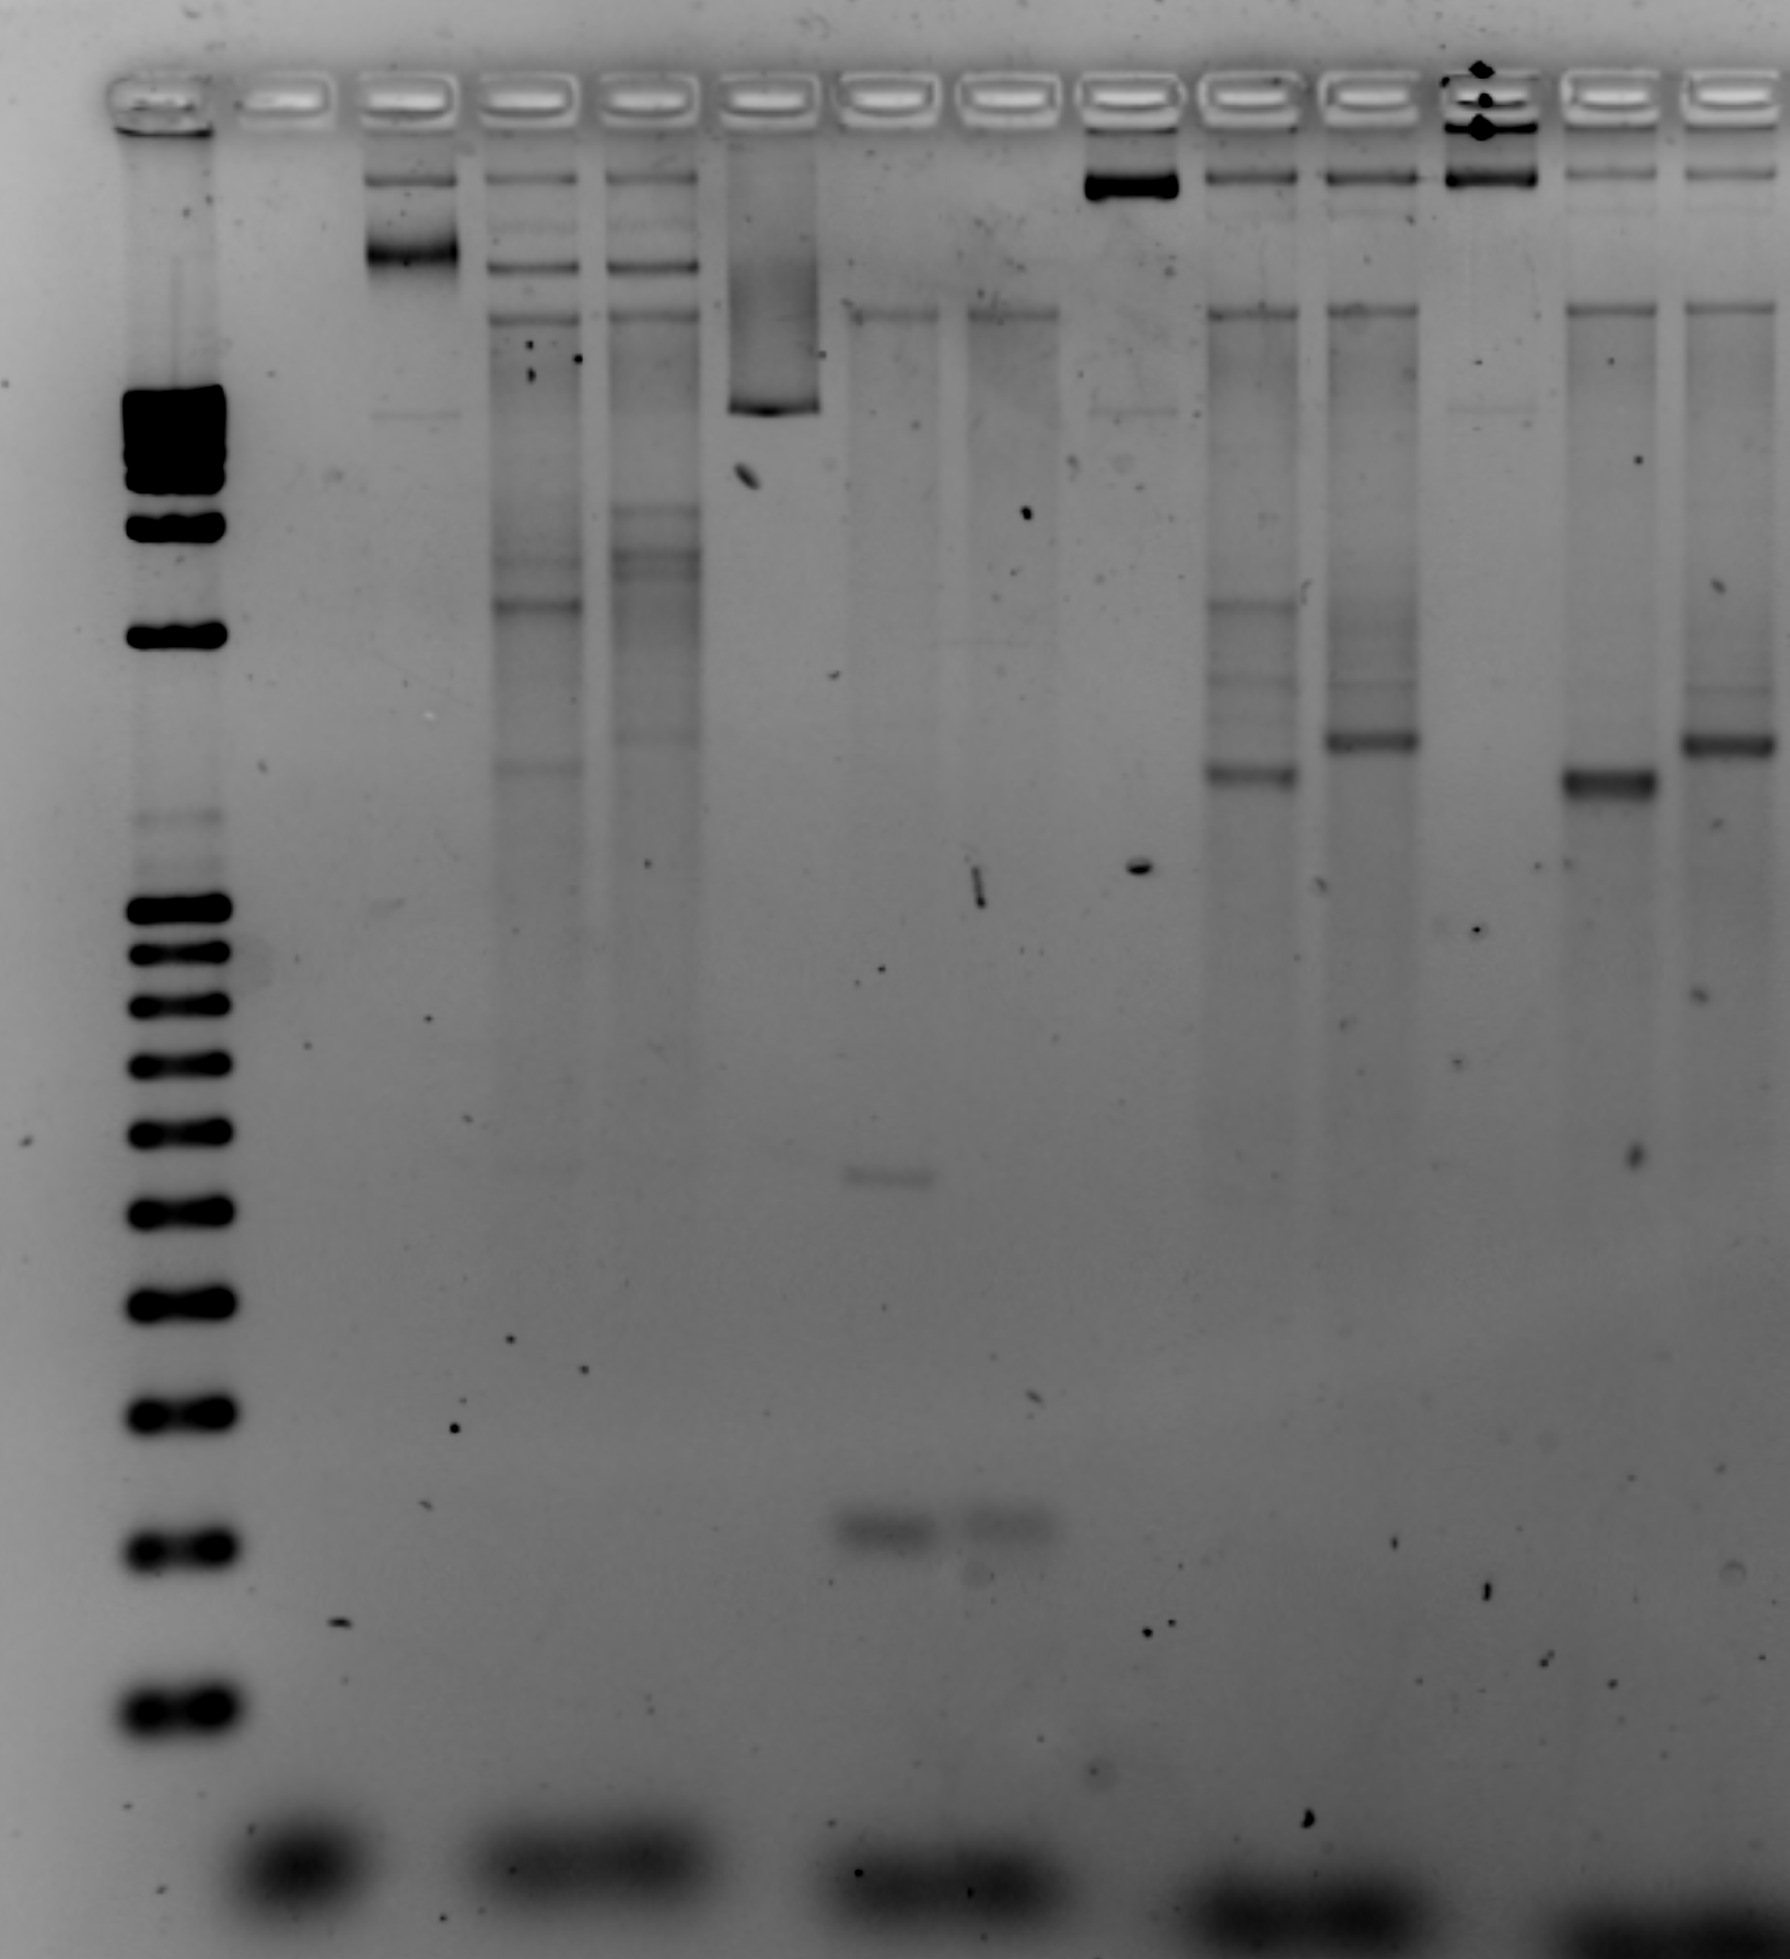
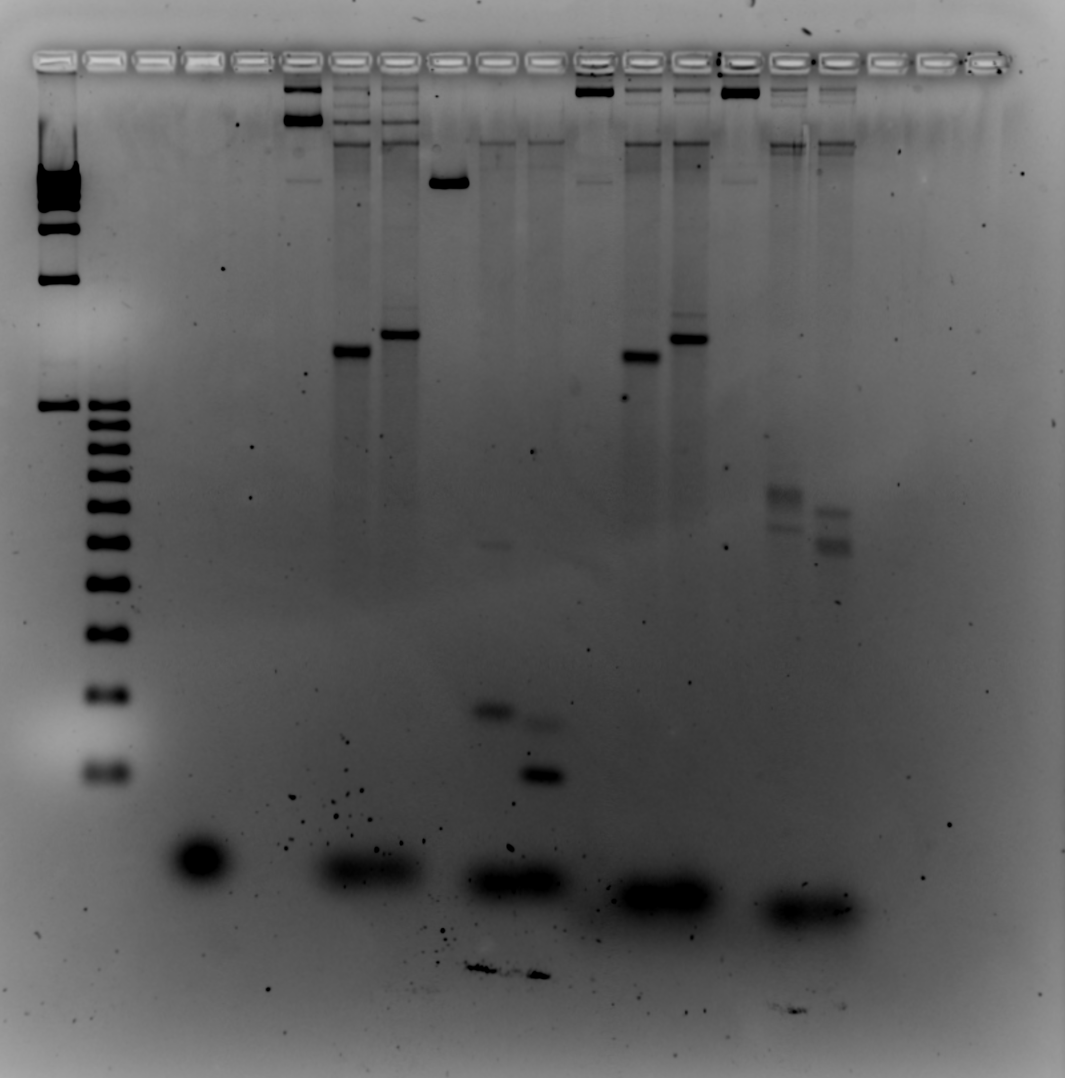
original gel images

 | Figure 3 B top panel | Figure 3B bottom panel
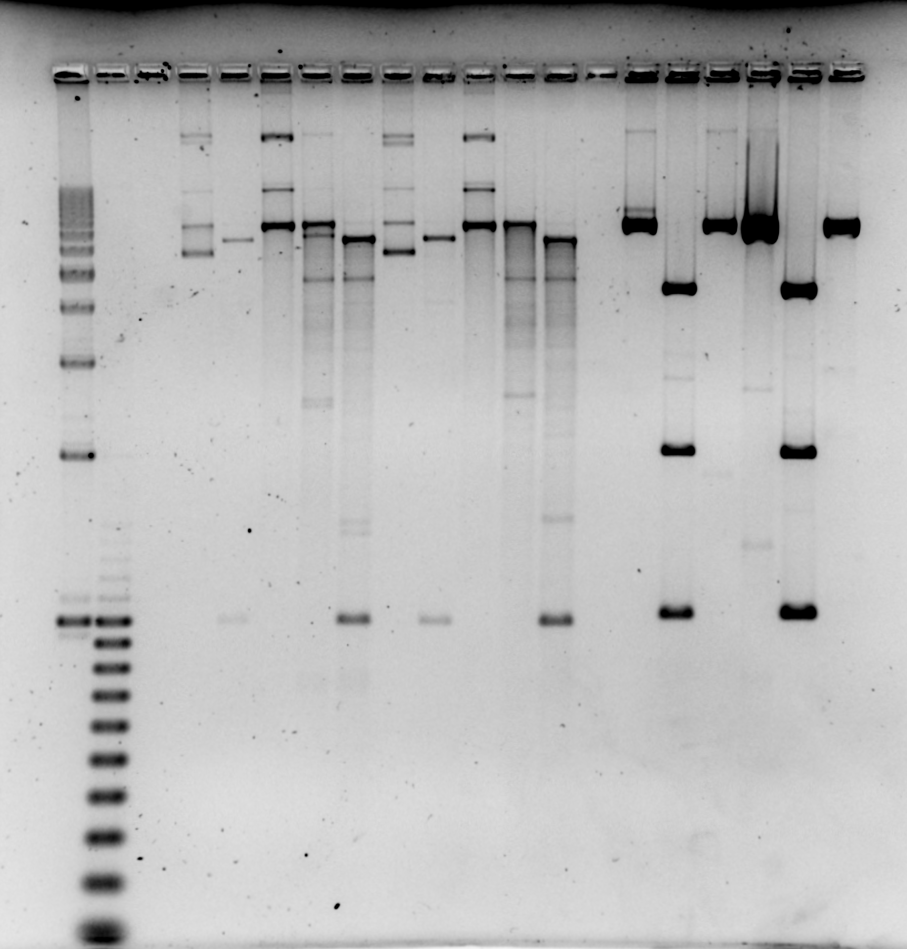
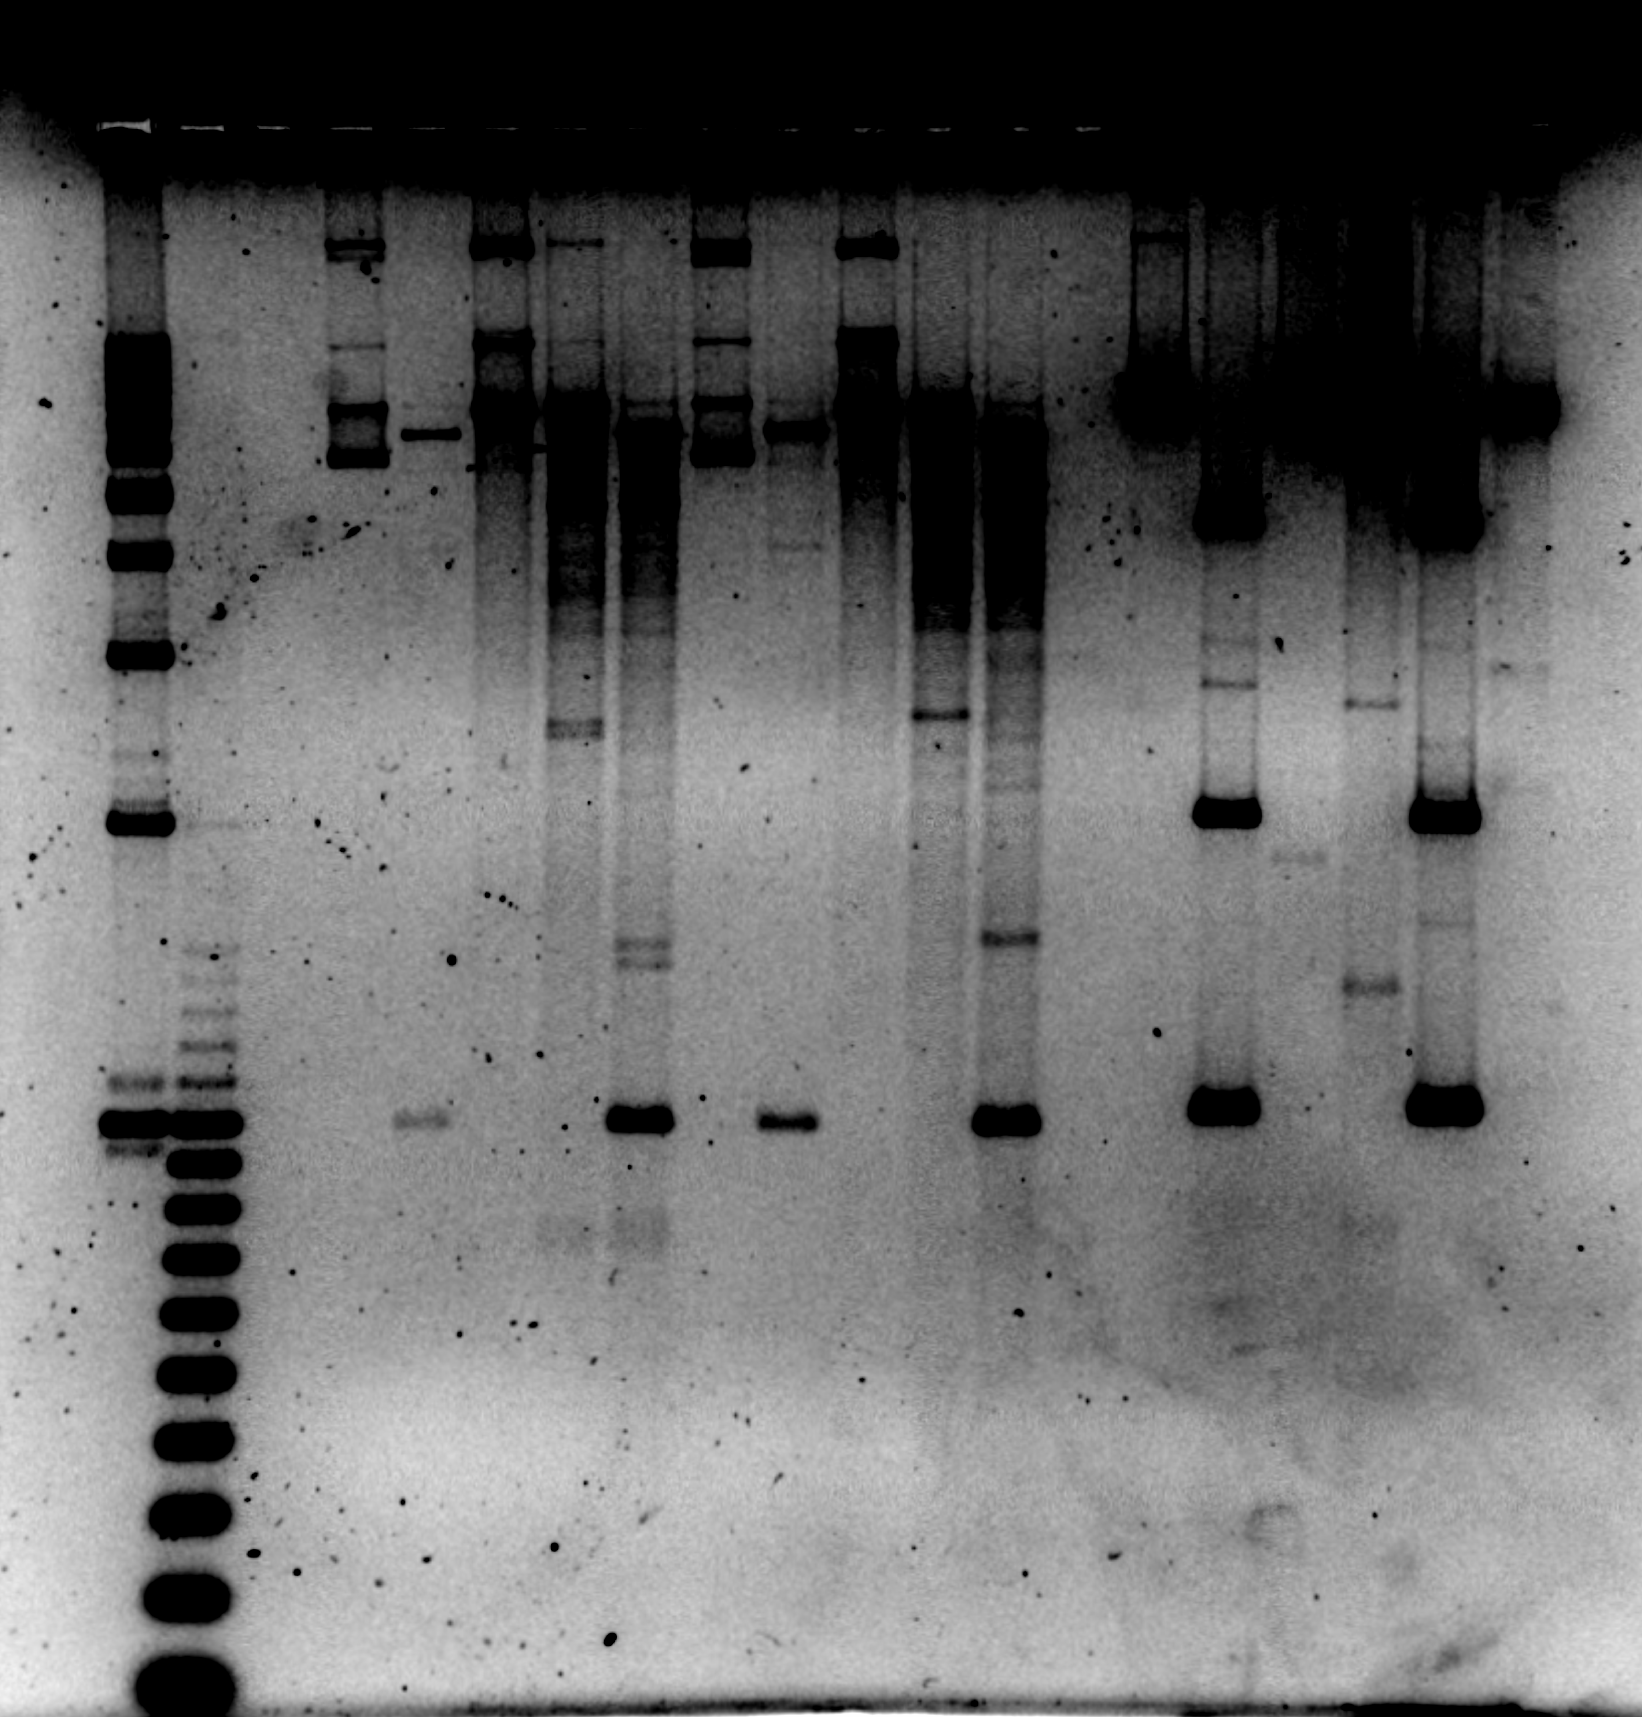

 | Figure 3C left panel | Figure 3C right panel

Suppl Fig. 1C
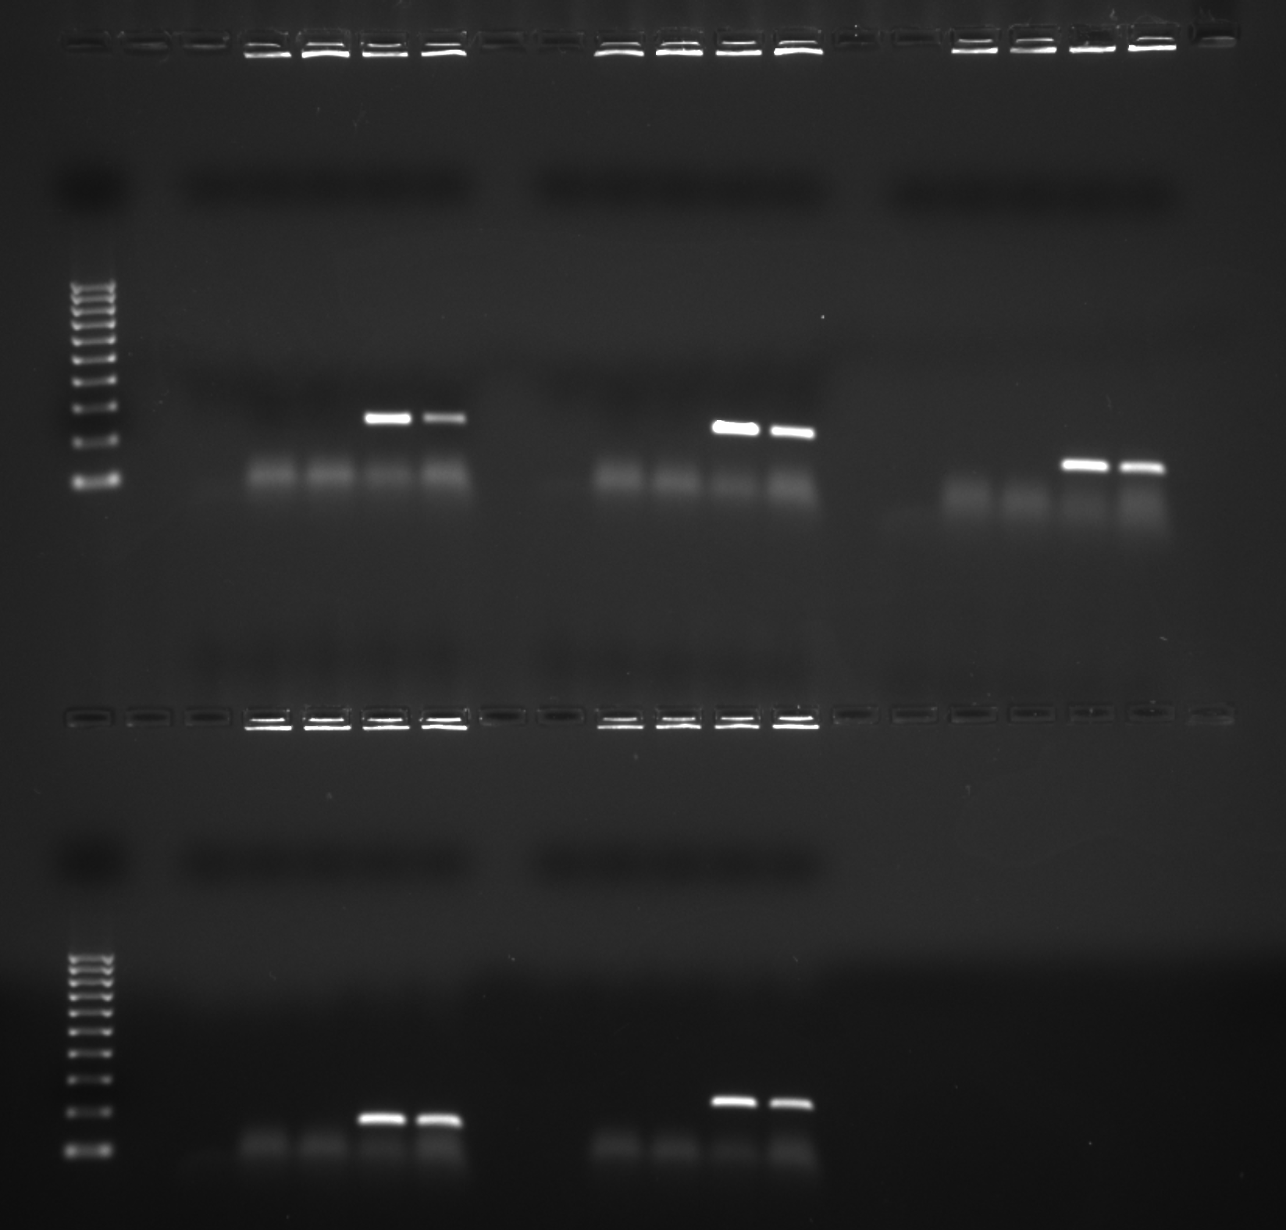
gel image

Suppl Fig. 5A and 5B
5A

5B

 | 1 |  |  | 2 |  |  | 3 |  |  | 4 |  |  | TOTAL
puCON | 52617 | 19 | 0.00036110002471 | 46187 | 17 | 0.00036806893715 | 98542 | 32 | 0.00032473463092 | 39623 | 18 | 0.00045428160412 | 236969 | 86 | 0.00036291666842 | 5.4883754925E-05
pucg14 | 43245 | 382 | 0.0088333911435 | 36942 | 287 | 0.0077689350874 | 33562 | 329 | 0.0098027531136 | 24803 | 228 | 0.0091924363988 | 138552 | 1226 | 0.0088486633177 | 0.00085327316159
puGT14 | 76643 | 19 | 0.00024790261342 | 103686 | 41 | 0.00039542464749 | 59586 | 21 | 0.00035243177928 | 80467 | 36 | 0.00044738837039 | 320382 | 117 | 0.00036518905556 | 8.4680297639E-05

 |  |  | 3.6110002471 | 3.6806893715 | 3.2473463092 | 4.5428160412
 |  |  | 88.333911435 | 77.689350874 | 98.027531136 | 91.924363988
 |  |  | 2.4790261342 | 3.9542464749 | 3.5243177928 | 4.4738837039

 | Mutation frequency (x10-4) | SDEV
puCON | 3.6291666842 | 0.54883754925
puCG14 | 88.486633177 | 8.5327316159
puGT14 | 3.6518905556 | 0.84680297639

 | Mutation frequency (x10-4)
puCON | 3.6291666842 | 3.6806893715 | 3.2473463092 | 4.5428160412 | 3.6110002471
puCG14 | 88.486633177 | 77.689350874 | 98.027531136 | 91.924363988 | 88.333911435
puGT14 | 3.6518905556 | 3.9542464749 | 3.5243177928 | 4.4738837039 | 2.4790261342

Suppl Fig. 6
puCON | 33 | 18952 | 17.4124103 | 58 | 20453 | 28.357698137 | 76 | 30591 | 24.843908339 | 59 | 44953 | 13.124819256 | 18 | 10637 | 16.922064492
puCCGCGG5 | 72 | 42690 | 16.865776528 | 167 | 24836 | 67.241101627 | 89 | 29480 | 30.189959294 | 62 | 23746 | 26.109660574 | 34 | 16739 | 20.311846586

pUCON | 20.925
pUCCGCGG5 | 35.075

v | 1 | 2 | 3 | 4
puCON | 17.4 | 28.4 | 24.8 | 13.1 |  | 20.925 | 6.9413615379 |  |  | pUCON | 20.925 | 6.9413615379
puCCGCGG5 | 16.8 | 67.2 | 30.2 | 26.1 |  | 35.075 | 22.138258739 |  |  | pUCCGCGG5 | 35.075 | 22.138258739

v | 1 | 3 | 4
puCON | 17.4 | 24.8 | 13.1 |  |  | 18.433333333 | 5.9180514811 |  |  | pUCON | 18.433333333 | 5.9180514811 | 0.32024718124
puCCGCGG5 | 16.8 | 30.2 | 26.1 |  |  | 24.366666667 | 6.8661003003 |  |  | pUCCGCGG5 | 24.366666667 | 6.8661003003

pUCON | 18.433333333
pUCCGCGG5 | 24.366666667

Suppl Fig. 7 Sample setup
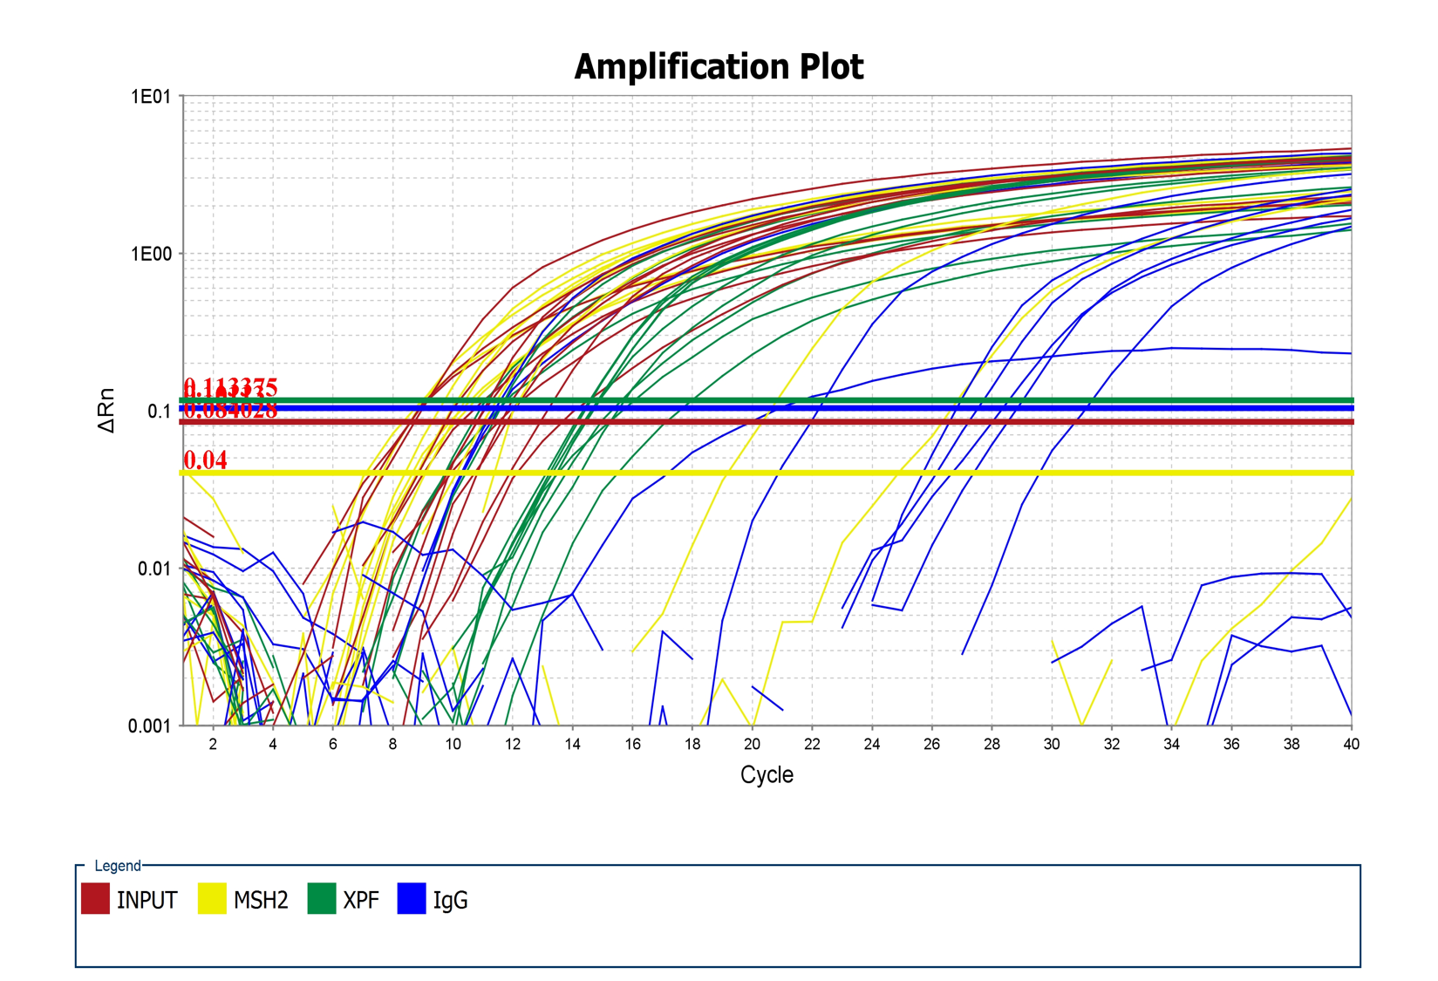
Block Type | 384-Well Block
Calibration Background is expired | Yes
Calibration Background performed on | 2017-06-14 13:31:41 PM PDT
Calibration FAM is expired | Yes
Calibration FAM performed on | 2017-06-14 13:46:09 PM PDT
Calibration NED is expired | Yes
Calibration NED performed on | 2017-06-14 13:53:20 PM PDT
Calibration ROI is expired | Yes
Calibration ROI performed on | 2017-06-14 13:25:05 PM PDT
Calibration ROX is expired | Yes
Calibration ROX performed on | 2017-06-14 14:00:34 PM PDT
Calibration SYBR is expired | Yes
Calibration SYBR performed on | 2017-06-14 14:08:12 PM PDT
Calibration TAMRA is expired | Yes
Calibration TAMRA performed on | 2017-06-14 14:15:28 PM PDT
Calibration Uniformity is expired | Yes
Calibration Uniformity performed on | 2017-06-14 13:38:54 PM PDT
Calibration VIC is expired | Yes
Calibration VIC performed on | 2017-06-14 14:22:57 PM PDT
Chemistry | SYBR_GREEN
Experiment Barcode | C390D43I
Experiment Comments | NONE
Experiment File Name | D:\Users\Yue Li Lab User\Desktop\aNIRBAN\aNIRBAN_XPF_MSH_22017-11-03 144604_XPA CELLS.eds
Experiment Name | aNIRBAN_XPF_MSH_22017-11-03 144604_XPA CELLS
Experiment Run End Time | 2017-11-03 14:09:38 PM PDT
Experiment Type | Comparative Cт (ΔΔCт)
Experiment User Name | ANIRBAN MUKHERJEE
Instrument Name | 278880175
Instrument Serial Number | 278880175
Instrument Type | ViiA 7
Passive Reference | ROX
Quantification Cycle Method | Ct
Signal Smoothing On | true
Stage/ Cycle where Analysis is performed | Stage 2, Step 2

Well | Well Position | Sample Name | Sample Color | Biogroup Name | Biogroup Color | Target Name | Target Color | Task | Reporter | Quencher | Quantity | Comments
1 | A1 | XPA-,C | RGB(176,23,31) |  |  | INPUT | RGB(176,23,31) | UNKNOWN | SYBR | None
2 | A2 | XPA-,Z | RGB(0,0,255) |  |  | INPUT | RGB(176,23,31) | UNKNOWN | SYBR | None
3 | A3 | XPA+,C | RGB(0,139,69) |  |  | INPUT | RGB(176,23,31) | UNKNOWN | SYBR | None |  |  | RESULTS
4 | A4 | XPA+,Z | RGB(255,127,0) |  |  | INPUT | RGB(176,23,31) | UNKNOWN | SYBR | None |  |  | Well | Well Position | Omit | Sample Name | Target Name | Task | Reporter | Quencher | Quantity | Quantity Mean | Quantity SD | RQ | RQ Min | RQ Max | CT | Ct Mean | Ct SD | Delta Ct | Delta Ct Mean | Delta Ct SE | Delta Delta Ct | Automatic Ct Threshold | Tm1 | Ct Threshold | Tm2 | Automatic Baseline | Tm3 | Baseline Start | Baseline End | Comments | Custom1 | Custom2 | Custom3 | Custom4 | Custom5 | Custom6 | BADROX | HIGHSD | NOAMP | OUTLIERRG | EXPFAIL | THOLDFAIL
5 | A5 | NO TEMPLATE | RGB(238,121,66) |  |  |  |  |  |  |  |  |  | 1 | A1 | FALSE | XPA-,C | INPUT | UNKNOWN | SYBR | None |  |  |  |  |  |  | 10.756 | 10.639 | 0.894 |  |  |  |  | TRUE | 80.871 | 0.084 |  | TRUE |  | 1 | 40 |  |  |  |  |  |  |  | N | Y | N | N | N | N
6 | A6 | NO TEMPLATE | RGB(238,121,66) |  |  |  |  |  |  |  |  |  | 2 | A2 | FALSE | XPA-,Z | INPUT | UNKNOWN | SYBR | None |  |  |  |  |  |  | 12.897 | 12.742 | 0.992 |  |  |  |  | TRUE | 80.871 | 0.084 |  | TRUE |  | 1 | 40 |  |  |  |  |  |  |  | N | Y | N | N | N | N
7 | A7 | NO TEMPLATE | RGB(238,121,66) |  |  |  |  |  |  |  |  |  | 3 | A3 | FALSE | XPA+,C | INPUT | UNKNOWN | SYBR | None |  |  |  |  |  |  | 11.525 | 10.854 | 0.626 |  |  |  |  | TRUE | 80.736 | 0.084 |  | TRUE |  | 1 | 40 |  |  |  |  |  |  |  | N | Y | N | N | N | N
8 | A8 |  |  |  |  |  |  |  |  |  |  |  | 4 | A4 | FALSE | XPA+,Z | INPUT | UNKNOWN | SYBR | None |  |  |  |  |  |  | 8.725 | 8.569 | 0.135 |  |  |  |  | TRUE | 80.871 | 0.084 |  | TRUE |  | 1 | 40 |  |  |  |  |  |  |  | N | N | N | N | N | N
9 | A9 |  |  |  |  |  |  |  |  |  |  |  | 5 | A5 | FALSE | NO TEMPLATE |  |  |  |  |  |  |  |  |  |  |  |  |  |  |  |  |  |  |  |  |  |  |  |  |  |  |  |  |  |  |  |  | N | N | N | N | N | N
10 | A10 |  |  |  |  |  |  |  |  |  |  |  | 6 | A6 | FALSE | NO TEMPLATE |  |  |  |  |  |  |  |  |  |  |  |  |  |  |  |  |  |  |  |  |  |  |  |  |  |  |  |  |  |  |  |  | N | N | N | N | N | N
11 | A11 |  |  |  |  |  |  |  |  |  |  |  | 7 | A7 | FALSE | NO TEMPLATE |  |  |  |  |  |  |  |  |  |  |  |  |  |  |  |  |  |  |  |  |  |  |  |  |  |  |  |  |  |  |  |  | N | N | N | N | N | N
12 | A12 |  |  |  |  |  |  |  |  |  |  |  | 25 | B1 | FALSE | XPA-,C | IgG | UNKNOWN | SYBR | None |  |  |  |  |  |  | 27.512 | 28.160 | 0.917 |  | 17.521 | 0.829 |  | TRUE | 80.871 | 0.101 |  | TRUE |  | 1 | 40 |  |  |  |  |  |  |  | N | Y | N | N | N | N
13 | A13 |  |  |  |  |  |  |  |  |  |  |  | 26 | B2 | FALSE | XPA-,Z | IgG | UNKNOWN | SYBR | None |  |  |  |  |  |  | 26.775 | 28.927 | 3.043 |  | 16.185 | 2.227 |  | TRUE | 81.005 | 0.101 |  | TRUE |  | 1 | 40 |  |  |  |  |  |  |  | N | Y | N | N | N | N
14 | A14 |  |  |  |  |  |  |  |  |  |  |  | 27 | B3 | FALSE | XPA+,C | IgG | UNKNOWN | SYBR | None |  |  |  |  |  |  | 11.354 | 14.539 | 5.406 |  | 3.685 | 3.142 |  | TRUE | 80.871 | 0.101 |  | TRUE |  | 1 | 40 |  |  |  |  |  |  |  | N | Y | N | N | N | N
15 | A15 |  |  |  |  |  |  |  |  |  |  |  | 28 | B4 | FALSE | XPA+,Z | IgG | UNKNOWN | SYBR | None |  |  |  |  |  |  | 22.123 | 25.204 | 4.357 |  | 16.635 | 3.082 |  | TRUE | 80.871 | 0.101 |  | TRUE |  | 1 | 40 |  |  |  |  |  |  |  | N | Y | N | N | N | N
16 | A16 |  |  |  |  |  |  |  |  |  |  |  | 49 | C1 | FALSE | XPA-,C | XPF | UNKNOWN | SYBR | None |  |  |  |  |  |  | 11.620 | 11.486 | 0.375 |  | 0.847 | 0.560 |  | TRUE | 80.871 | 0.113 |  | TRUE |  | 1 | 40 |  |  |  |  |  |  |  | N | N | N | N | N | N
17 | A17 |  |  |  |  |  |  |  |  |  |  |  | 50 | C2 | FALSE | XPA-,Z | XPF | UNKNOWN | SYBR | None |  |  |  |  |  |  | 14.841 | 15.077 | 0.438 |  | 2.336 | 0.626 |  | TRUE | 81.005 | 0.113 |  | TRUE |  | 1 | 40 |  |  |  |  |  |  |  | N | N | N | N | N | N
18 | A18 |  |  |  |  |  |  |  |  |  |  |  | 51 | C3 | FALSE | XPA+,C | XPF | UNKNOWN | SYBR | None |  |  |  |  |  |  | 14.523 | 16.020 | 1.724 |  | 5.166 | 1.059 |  | TRUE | 80.871 | 0.113 |  | TRUE |  | 1 | 40 |  |  |  |  |  |  |  | N | Y | N | N | N | N
19 | A19 |  |  |  |  |  |  |  |  |  |  |  | 52 | C4 | FALSE | XPA+,Z | XPF | UNKNOWN | SYBR | None |  |  |  |  |  |  | 14.513 | 15.099 | 0.766 |  | 6.530 | 0.449 |  | TRUE | 80.871 | 0.113 |  | TRUE |  | 1 | 40 |  |  |  |  |  |  |  | N | Y | N | N | N | N
20 | A20 |  |  |  |  |  |  |  |  |  |  |  | 73 | D1 | FALSE | XPA-,C | MSH2 | UNKNOWN | SYBR | None |  |  |  |  |  |  | 10.169 | 9.350 | 0.722 |  | -1.289 | 0.663 |  | TRUE | 80.871 | 0.040 |  | TRUE |  | 1 | 40 |  |  |  |  |  |  |  | N | Y | N | N | N | Y
21 | A21 |  |  |  |  |  |  |  |  |  |  |  | 74 | D2 | FALSE | XPA-,Z | MSH2 | UNKNOWN | SYBR | None |  |  |  |  |  |  | 11.206 | 9.540 | 1.447 |  | -3.202 | 1.013 |  | TRUE | 81.005 | 0.040 |  | TRUE |  | 1 | 40 |  |  |  |  |  |  |  | Y | Y | N | N | N | Y
22 | A22 |  |  |  |  |  |  |  |  |  |  |  | 75 | D3 | FALSE | XPA+,C | MSH2 | UNKNOWN | SYBR | None |  |  |  |  |  |  | 19.318 | 22.142 | 3.995 |  | 11.288 | 2.848 |  | TRUE | 80.871 | 0.040 |  | TRUE |  | 1 | 40 |  |  |  |  |  |  |  | N | Y | N | N | N | Y
23 | A23 |  |  |  |  |  |  |  |  |  |  |  | 76 | D4 | FALSE | XPA+,Z | MSH2 | UNKNOWN | SYBR | None |  |  |  |  |  |  | 8.445 | 7.705 | 0.688 |  | -0.864 | 0.405 |  | TRUE | 80.736 | 0.040 |  | TRUE |  | 1 | 40 |  |  |  |  |  |  |  | N | Y | N | N | N | Y
24 | A24 |  |  |  |  |  |  |  |  |  |  |  | 97 | E1 | FALSE | XPA-,C | INPUT | UNKNOWN | SYBR | None |  |  |  |  |  |  | 9.692 | 10.639 | 0.894 |  |  |  |  | TRUE | 80.468 | 0.084 |  | TRUE |  | 1 | 40 |  |  |  |  |  |  |  | N | Y | N | N | N | N
25 | B1 | XPA-,C | RGB(176,23,31) |  |  | IgG | RGB(0,0,255) | UNKNOWN | SYBR | None |  |  | 98 | E2 | FALSE | XPA-,Z | INPUT | UNKNOWN | SYBR | None |  |  |  |  |  |  | 11.681 | 12.742 | 0.992 |  |  |  |  | TRUE | 80.602 | 0.084 |  | TRUE |  | 1 | 40 |  |  |  |  |  |  |  | N | Y | N | N | N | N
26 | B2 | XPA-,Z | RGB(0,0,255) |  |  | IgG | RGB(0,0,255) | UNKNOWN | SYBR | None |  |  | 99 | E3 | FALSE | XPA+,C | INPUT | UNKNOWN | SYBR | None |  |  |  |  |  |  | 10.753 | 10.854 | 0.626 |  |  |  |  | TRUE | 80.334 | 0.084 |  | TRUE |  | 1 | 40 |  |  |  |  |  |  |  | N | Y | N | N | N | N
27 | B3 | XPA+,C | RGB(0,139,69) |  |  | IgG | RGB(0,0,255) | UNKNOWN | SYBR | None |  |  | 100 | E4 | FALSE | XPA+,Z | INPUT | UNKNOWN | SYBR | None |  |  |  |  |  |  | 8.508 | 8.569 | 0.135 |  |  |  |  | TRUE | 80.468 | 0.084 |  | TRUE |  | 1 | 40 |  |  |  |  |  |  |  | N | N | N | N | N | N
28 | B4 | XPA+,Z | RGB(255,127,0) |  |  | IgG | RGB(0,0,255) | UNKNOWN | SYBR | None |  |  | 121 | F1 | FALSE | XPA-,C | IgG | UNKNOWN | SYBR | None |  |  |  |  |  |  | 28.809 | 28.160 | 0.917 |  | 17.521 | 0.829 |  | TRUE | 80.468 | 0.101 |  | TRUE |  | 1 | 40 |  |  |  |  |  |  |  | N | Y | N | N | N | N
29 | B5 |  |  |  |  |  |  |  |  |  |  |  | 122 | F2 | FALSE | XPA-,Z | IgG | UNKNOWN | SYBR | None |  |  |  |  |  |  | 31.079 | 28.927 | 3.043 |  | 16.185 | 2.227 |  | TRUE | 80.602 | 0.101 |  | TRUE |  | 1 | 40 |  |  |  |  |  |  |  | N | Y | N | N | N | N
30 | B6 |  |  |  |  |  |  |  |  |  |  |  | 123 | F3 | FALSE | XPA+,C | IgG | UNKNOWN | SYBR | None |  |  |  |  |  |  | 11.483 | 14.539 | 5.406 |  | 3.685 | 3.142 |  | TRUE | 80.468 | 0.101 |  | TRUE |  | 1 | 40 |  |  |  |  |  |  |  | N | Y | N | N | N | N
31 | B7 |  |  |  |  |  |  |  |  |  |  |  | 124 | F4 | FALSE | XPA+,Z | IgG | UNKNOWN | SYBR | None |  |  |  |  |  |  | 28.285 | 25.204 | 4.357 |  | 16.635 | 3.082 |  | TRUE | 80.334 | 0.101 |  | TRUE |  | 1 | 40 |  |  |  |  |  |  |  | N | Y | N | N | N | N
32 | B8 |  |  |  |  |  |  |  |  |  |  |  | 145 | G1 | FALSE | XPA-,C | XPF | UNKNOWN | SYBR | None |  |  |  |  |  |  | 11.062 | 11.486 | 0.375 |  | 0.847 | 0.560 |  | TRUE | 80.602 | 0.113 |  | TRUE |  | 1 | 40 |  |  |  |  |  |  |  | N | N | N | N | N | N
33 | B9 |  |  |  |  |  |  |  |  |  |  |  | 146 | G2 | FALSE | XPA-,Z | XPF | UNKNOWN | SYBR | None |  |  |  |  |  |  | 14.809 | 15.077 | 0.438 |  | 2.336 | 0.626 |  | TRUE | 80.736 | 0.113 |  | TRUE |  | 1 | 40 |  |  |  |  |  |  |  | N | N | N | N | N | N
34 | B10 |  |  |  |  |  |  |  |  |  |  |  | 147 | G3 | FALSE | XPA+,C | XPF | UNKNOWN | SYBR | None |  |  |  |  |  |  | 15.632 | 16.020 | 1.724 |  | 5.166 | 1.059 |  | TRUE | 80.200 | 0.113 |  | TRUE |  | 1 | 40 |  |  |  |  |  |  |  | N | Y | N | N | N | N
35 | B11 |  |  |  |  |  |  |  |  |  |  |  | 148 | G4 | FALSE | XPA+,Z | XPF | UNKNOWN | SYBR | None |  |  |  |  |  |  | 14.819 | 15.099 | 0.766 |  | 6.530 | 0.449 |  | TRUE | 80.334 | 0.113 |  | TRUE |  | 1 | 40 |  |  |  |  |  |  |  | N | Y | N | N | N | N
36 | B12 |  |  |  |  |  |  |  |  |  |  |  | 169 | H1 | FALSE | XPA-,C | MSH2 | UNKNOWN | SYBR | None |  |  |  |  |  |  | 9.075 | 9.350 | 0.722 |  | -1.289 | 0.663 |  | TRUE | 80.602 | 0.040 |  | TRUE |  | 1 | 40 |  |  |  |  |  |  |  | N | Y | N | N | N | Y
37 | B13 |  |  |  |  |  |  |  |  |  |  |  | 170 | H2 | FALSE | XPA-,Z | MSH2 | UNKNOWN | SYBR | None |  |  |  |  |  |  | 8.811 | 9.540 | 1.447 |  | -3.202 | 1.013 |  | TRUE | 80.736 | 0.040 |  | TRUE |  | 1 | 40 |  |  |  |  |  |  |  | N | Y | N | N | N | Y
38 | B14 |  |  |  |  |  |  |  |  |  |  |  | 171 | H3 | FALSE | XPA+,C | MSH2 | UNKNOWN | SYBR | None |  |  |  |  |  |  | 24.967 | 22.142 | 3.995 |  | 11.288 | 2.848 |  | TRUE | 80.468 | 0.040 |  | TRUE |  | 1 | 40 |  |  |  |  |  |  |  | N | Y | N | N | N | Y
39 | B15 |  |  |  |  |  |  |  |  |  |  |  | 172 | H4 | FALSE | XPA+,Z | MSH2 | UNKNOWN | SYBR | None |  |  |  |  |  |  | 7.586 | 7.705 | 0.688 |  | -0.864 | 0.405 |  | TRUE | 80.602 | 0.040 |  | TRUE |  | 1 | 40 |  |  |  |  |  |  |  | N | Y | N | N | N | Y
40 | B16 |  |  |  |  |  |  |  |  |  |  |  | 193 | I1 | FALSE | XPA-,C | INPUT | UNKNOWN | SYBR | None |  |  |  |  |  |  | 11.469 | 10.639 | 0.894 |  |  |  |  | TRUE | 78.590 | 0.084 |  | TRUE |  | 1 | 40 |  |  |  |  |  |  |  | N | Y | N | N | N | N
41 | B17 |  |  |  |  |  |  |  |  |  |  |  | 194 | I2 | FALSE | XPA-,Z | INPUT | UNKNOWN | SYBR | None |  |  |  |  |  |  | 13.646 | 12.742 | 0.992 |  |  |  |  | TRUE | 79.126 | 0.084 |  | TRUE |  | 1 | 40 |  |  |  |  |  |  |  | N | Y | N | N | N | N
42 | B18 |  |  |  |  |  |  |  |  |  |  |  | 195 | I3 | FALSE | XPA+,C | INPUT | UNKNOWN | SYBR | None |  |  |  |  |  |  | 10.285 | 10.854 | 0.626 |  |  |  |  | TRUE | 78.724 | 0.084 |  | TRUE |  | 1 | 40 |  |  |  |  |  |  |  | N | Y | N | N | N | N
43 | B19 |  |  |  |  |  |  |  |  |  |  |  | 196 | I4 | FALSE | XPA+,Z | INPUT | UNKNOWN | SYBR | None |  |  |  |  |  |  | 8.476 | 8.569 | 0.135 |  |  |  |  | TRUE | 78.724 | 0.084 |  | TRUE |  | 1 | 40 |  |  |  |  |  |  |  | N | N | N | N | N | N
44 | B20 |  |  |  |  |  |  |  |  |  |  |  | 217 | J1 | FALSE | XPA-,C | IgG | UNKNOWN | SYBR | None |  |  |  |  |  |  | Undetermined | 28.160 | 0.917 |  |  |  |  | TRUE | 62.087 | 0.101 |  | TRUE |  | 1 | 40 |  |  |  |  |  |  |  | N | N | Y | N | Y | N
45 | B21 |  |  |  |  |  |  |  |  |  |  |  | 218 | J2 | FALSE | XPA-,Z | IgG | UNKNOWN | SYBR | None |  |  |  |  |  |  | Undetermined | 28.927 | 3.043 |  |  |  |  | TRUE | 61.282 | 0.101 |  | TRUE |  | 1 | 40 |  |  |  |  |  |  |  | N | N | N | N | Y | N
46 | B22 |  |  |  |  |  |  |  |  |  |  |  | 219 | J3 | FALSE | XPA+,C | IgG | UNKNOWN | SYBR | None |  |  |  |  |  |  | 20.781 | 14.539 | 5.406 |  | 3.685 | 3.142 |  | TRUE | 77.919 | 0.101 |  | TRUE |  | 1 | 40 |  |  |  |  |  |  |  | N | Y | N | Y | N | N
47 | B23 |  |  |  |  |  |  |  |  |  |  |  | 220 | J4 | FALSE | XPA+,Z | IgG | UNKNOWN | SYBR | None |  |  |  |  |  |  | Undetermined | 25.204 | 4.357 |  |  |  |  | TRUE | 61.684 | 0.101 |  | TRUE |  | 1 | 40 |  |  |  |  |  |  |  | N | N | N | N | Y | N
48 | B24 |  |  |  |  |  |  |  |  |  |  |  | 241 | K1 | FALSE | XPA-,C | XPF | UNKNOWN | SYBR | None |  |  |  |  |  |  | 11.774 | 11.486 | 0.375 |  | 0.847 | 0.560 |  | TRUE | 78.858 | 0.113 |  | TRUE |  | 1 | 40 |  |  |  |  |  |  |  | N | N | N | N | N | N
49 | C1 | XPA-,C | RGB(176,23,31) |  |  | XPF | RGB(0,139,69) | UNKNOWN | SYBR | None |  |  | 242 | K2 | FALSE | XPA-,Z | XPF | UNKNOWN | SYBR | None |  |  |  |  |  |  | 15.582 | 15.077 | 0.438 |  | 2.336 | 0.626 |  | TRUE | 79.395 | 0.113 |  | TRUE |  | 1 | 40 |  |  |  |  |  |  |  | N | N | N | N | N | N
50 | C2 | XPA-,Z | RGB(0,0,255) |  |  | XPF | RGB(0,139,69) | UNKNOWN | SYBR | None |  |  | 243 | K3 | FALSE | XPA+,C | XPF | UNKNOWN | SYBR | None |  |  |  |  |  |  | 17.904 | 16.020 | 1.724 |  | 5.166 | 1.059 |  | TRUE | 78.590 | 0.113 |  | TRUE |  | 1 | 40 |  |  |  |  |  |  |  | N | Y | N | N | N | N
51 | C3 | XPA+,C | RGB(0,139,69) |  |  | XPF | RGB(0,139,69) | UNKNOWN | SYBR | None |  |  | 244 | K4 | FALSE | XPA+,Z | XPF | UNKNOWN | SYBR | None |  |  |  |  |  |  | 15.965 | 15.099 | 0.766 |  | 6.530 | 0.449 |  | TRUE | 78.724 | 0.113 |  | TRUE |  | 1 | 40 |  |  |  |  |  |  |  | N | Y | N | N | N | N
52 | C4 | XPA+,Z | RGB(255,127,0) |  |  | XPF | RGB(0,139,69) | UNKNOWN | SYBR | None |  |  | 265 | L1 | FALSE | XPA-,C | MSH2 | UNKNOWN | SYBR | None |  |  |  |  |  |  | 8.806 | 9.350 | 0.722 |  | -1.289 | 0.663 |  | TRUE | 78.992 | 0.040 |  | TRUE |  | 1 | 40 |  |  |  |  |  |  |  | N | Y | N | N | N | Y
53 | C5 |  |  |  |  |  |  |  |  |  |  |  | 266 | L2 | FALSE | XPA-,Z | MSH2 | UNKNOWN | SYBR | None |  |  |  |  |  |  | 8.601 | 9.540 | 1.447 |  | -3.202 | 1.013 |  | TRUE | 79.261 | 0.040 |  | TRUE |  | 1 | 40 |  |  |  |  |  |  |  | N | Y | N | N | N | Y
54 | C6 |  |  |  |  |  |  |  |  |  |  |  | 267 | L3 | FALSE | XPA+,C | MSH2 | UNKNOWN | SYBR | None |  |  |  |  |  |  | Undetermined | 22.142 | 3.995 |  |  |  |  | TRUE | 75.906 | 0.040 |  | TRUE |  | 1 | 40 |  |  |  |  |  |  |  | N | N | N | N | N | Y
55 | C7 |  |  |  |  |  |  |  |  |  |  |  | 268 | L4 | FALSE | XPA+,Z | MSH2 | UNKNOWN | SYBR | None |  |  |  |  |  |  | 7.085 | 7.705 | 0.688 |  | -0.864 | 0.405 |  | TRUE | 78.992 | 0.040 |  | TRUE |  | 1 | 40 |  |  |  |  |  |  |  | N | Y | N | N | N | Y
56 | C8
57 | C9 |  |  |  |  |  |  |  |  |  |  |  | Analysis Type | Singleplex
58 | C10 |  |  |  |  |  |  |  |  |  |  |  | Endogenous Control | INPUT
59 | C11 |  |  |  |  |  |  |  |  |  |  |  | RQ Min/Max Confidence Level | 95.0
60 | C12 |  |  |  |  |  |  |  |  |  |  |  | Reference Sample | NO TEMPLATE
61 | C13
62 | C14
63 | C15
64 | C16
65 | C17
66 | C18
67 | C19
68 | C20
69 | C21
70 | C22
71 | C23
72 | C24
73 | D1 | XPA-,C | RGB(176,23,31) |  |  | MSH2 | RGB(238,238,0) | UNKNOWN | SYBR | None
74 | D2 | XPA-,Z | RGB(0,0,255) |  |  | MSH2 | RGB(238,238,0) | UNKNOWN | SYBR | None
75 | D3 | XPA+,C | RGB(0,139,69) |  |  | MSH2 | RGB(238,238,0) | UNKNOWN | SYBR | None
76 | D4 | XPA+,Z | RGB(255,127,0) |  |  | MSH2 | RGB(238,238,0) | UNKNOWN | SYBR | None
77 | D5
78 | D6
79 | D7
80 | D8
81 | D9
82 | D10
83 | D11
84 | D12
85 | D13
86 | D14
87 | D15
88 | D16
89 | D17
90 | D18
91 | D19
92 | D20
93 | D21
94 | D22
95 | D23
96 | D24
97 | E1 | XPA-,C | RGB(176,23,31) |  |  | INPUT | RGB(176,23,31) | UNKNOWN | SYBR | None
98 | E2 | XPA-,Z | RGB(0,0,255) |  |  | INPUT | RGB(176,23,31) | UNKNOWN | SYBR | None
99 | E3 | XPA+,C | RGB(0,139,69) |  |  | INPUT | RGB(176,23,31) | UNKNOWN | SYBR | None
100 | E4 | XPA+,Z | RGB(255,127,0) |  |  | INPUT | RGB(176,23,31) | UNKNOWN | SYBR | None
101 | E5
102 | E6
103 | E7
104 | E8
105 | E9
106 | E10
107 | E11
108 | E12
109 | E13
110 | E14
111 | E15
112 | E16
113 | E17
114 | E18
115 | E19
116 | E20
117 | E21
118 | E22
119 | E23
120 | E24
121 | F1 | XPA-,C | RGB(176,23,31) |  |  | IgG | RGB(0,0,255) | UNKNOWN | SYBR | None
122 | F2 | XPA-,Z | RGB(0,0,255) |  |  | IgG | RGB(0,0,255) | UNKNOWN | SYBR | None
123 | F3 | XPA+,C | RGB(0,139,69) |  |  | IgG | RGB(0,0,255) | UNKNOWN | SYBR | None
124 | F4 | XPA+,Z | RGB(255,127,0) |  |  | IgG | RGB(0,0,255) | UNKNOWN | SYBR | None
125 | F5
126 | F6
127 | F7
128 | F8
129 | F9
130 | F10
131 | F11
132 | F12
133 | F13
134 | F14
135 | F15
136 | F16
137 | F17
138 | F18
139 | F19
140 | F20
141 | F21
142 | F22
143 | F23
144 | F24
145 | G1 | XPA-,C | RGB(176,23,31) |  |  | XPF | RGB(0,139,69) | UNKNOWN | SYBR | None
146 | G2 | XPA-,Z | RGB(0,0,255) |  |  | XPF | RGB(0,139,69) | UNKNOWN | SYBR | None
147 | G3 | XPA+,C | RGB(0,139,69) |  |  | XPF | RGB(0,139,69) | UNKNOWN | SYBR | None
148 | G4 | XPA+,Z | RGB(255,127,0) |  |  | XPF | RGB(0,139,69) | UNKNOWN | SYBR | None
149 | G5
150 | G6
151 | G7
152 | G8
153 | G9
154 | G10
155 | G11
156 | G12
157 | G13
158 | G14
159 | G15
160 | G16
161 | G17
162 | G18
163 | G19
164 | G20
165 | G21
166 | G22
167 | G23
168 | G24
169 | H1 | XPA-,C | RGB(176,23,31) |  |  | MSH2 | RGB(238,238,0) | UNKNOWN | SYBR | None
170 | H2 | XPA-,Z | RGB(0,0,255) |  |  | MSH2 | RGB(238,238,0) | UNKNOWN | SYBR | None
171 | H3 | XPA+,C | RGB(0,139,69) |  |  | MSH2 | RGB(238,238,0) | UNKNOWN | SYBR | None
172 | H4 | XPA+,Z | RGB(255,127,0) |  |  | MSH2 | RGB(238,238,0) | UNKNOWN | SYBR | None
173 | H5
174 | H6
175 | H7
176 | H8
177 | H9
178 | H10
179 | H11
180 | H12
181 | H13
182 | H14
183 | H15
184 | H16
185 | H17
186 | H18
187 | H19
188 | H20
189 | H21
190 | H22
191 | H23
192 | H24
193 | I1 | XPA-,C | RGB(176,23,31) |  |  | INPUT | RGB(176,23,31) | UNKNOWN | SYBR | None
194 | I2 | XPA-,Z | RGB(0,0,255) |  |  | INPUT | RGB(176,23,31) | UNKNOWN | SYBR | None
195 | I3 | XPA+,C | RGB(0,139,69) |  |  | INPUT | RGB(176,23,31) | UNKNOWN | SYBR | None
196 | I4 | XPA+,Z | RGB(255,127,0) |  |  | INPUT | RGB(176,23,31) | UNKNOWN | SYBR | None
197 | I5
198 | I6
199 | I7
200 | I8
201 | I9
202 | I10
203 | I11
204 | I12
205 | I13
206 | I14
207 | I15
208 | I16
209 | I17
210 | I18
211 | I19
212 | I20
213 | I21
214 | I22
215 | I23
216 | I24
217 | J1 | XPA-,C | RGB(176,23,31) |  |  | IgG | RGB(0,0,255) | UNKNOWN | SYBR | None
218 | J2 | XPA-,Z | RGB(0,0,255) |  |  | IgG | RGB(0,0,255) | UNKNOWN | SYBR | None
219 | J3 | XPA+,C | RGB(0,139,69) |  |  | IgG | RGB(0,0,255) | UNKNOWN | SYBR | None
220 | J4 | XPA+,Z | RGB(255,127,0) |  |  | IgG | RGB(0,0,255) | UNKNOWN | SYBR | None
221 | J5
222 | J6
223 | J7
224 | J8
225 | J9
226 | J10
227 | J11
228 | J12
229 | J13
230 | J14
231 | J15
232 | J16
233 | J17
234 | J18
235 | J19
236 | J20
237 | J21
238 | J22
239 | J23
240 | J24
241 | K1 | XPA-,C | RGB(176,23,31) |  |  | XPF | RGB(0,139,69) | UNKNOWN | SYBR | None
242 | K2 | XPA-,Z | RGB(0,0,255) |  |  | XPF | RGB(0,139,69) | UNKNOWN | SYBR | None
243 | K3 | XPA+,C | RGB(0,139,69) |  |  | XPF | RGB(0,139,69) | UNKNOWN | SYBR | None
244 | K4 | XPA+,Z | RGB(255,127,0) |  |  | XPF | RGB(0,139,69) | UNKNOWN | SYBR | None
245 | K5
246 | K6
247 | K7
248 | K8
249 | K9
250 | K10
251 | K11
252 | K12
253 | K13
254 | K14
255 | K15
256 | K16
257 | K17
258 | K18
259 | K19
260 | K20
261 | K21
262 | K22
263 | K23
264 | K24
265 | L1 | XPA-,C | RGB(176,23,31) |  |  | MSH2 | RGB(238,238,0) | UNKNOWN | SYBR | None
266 | L2 | XPA-,Z | RGB(0,0,255) |  |  | MSH2 | RGB(238,238,0) | UNKNOWN | SYBR | None
267 | L3 | XPA+,C | RGB(0,139,69) |  |  | MSH2 | RGB(238,238,0) | UNKNOWN | SYBR | None
268 | L4 | XPA+,Z | RGB(255,127,0) |  |  | MSH2 | RGB(238,238,0) | UNKNOWN | SYBR | None
269 | L5
270 | L6
271 | L7
272 | L8
273 | L9
274 | L10
275 | L11
276 | L12
277 | L13
278 | L14
279 | L15
280 | L16
281 | L17
282 | L18
283 | L19
284 | L20
285 | L21
286 | L22
287 | L23
288 | L24
289 | M1
290 | M2
291 | M3
292 | M4
293 | M5
294 | M6
295 | M7
296 | M8
297 | M9
298 | M10
299 | M11
300 | M12
301 | M13
302 | M14
303 | M15
304 | M16
305 | M17
306 | M18
307 | M19
308 | M20
309 | M21
310 | M22
311 | M23
312 | M24
313 | N1
314 | N2
315 | N3
316 | N4
317 | N5
318 | N6
319 | N7
320 | N8
321 | N9
322 | N10
323 | N11
324 | N12
325 | N13
326 | N14
327 | N15
328 | N16
329 | N17
330 | N18
331 | N19
332 | N20
333 | N21
334 | N22
335 | N23
336 | N24
337 | O1
338 | O2
339 | O3
340 | O4
341 | O5
342 | O6
343 | O7
344 | O8
345 | O9
346 | O10
347 | O11
348 | O12
349 | O13
350 | O14
351 | O15
352 | O16
353 | O17
354 | O18
355 | O19
356 | O20
357 | O21
358 | O22
359 | O23
360 | O24
361 | P1
362 | P2
363 | P3
364 | P4
365 | P5
366 | P6
367 | P7
368 | P8
369 | P9
370 | P10
371 | P11
372 | P12
...

Suppl Fig. 8 Sample setup
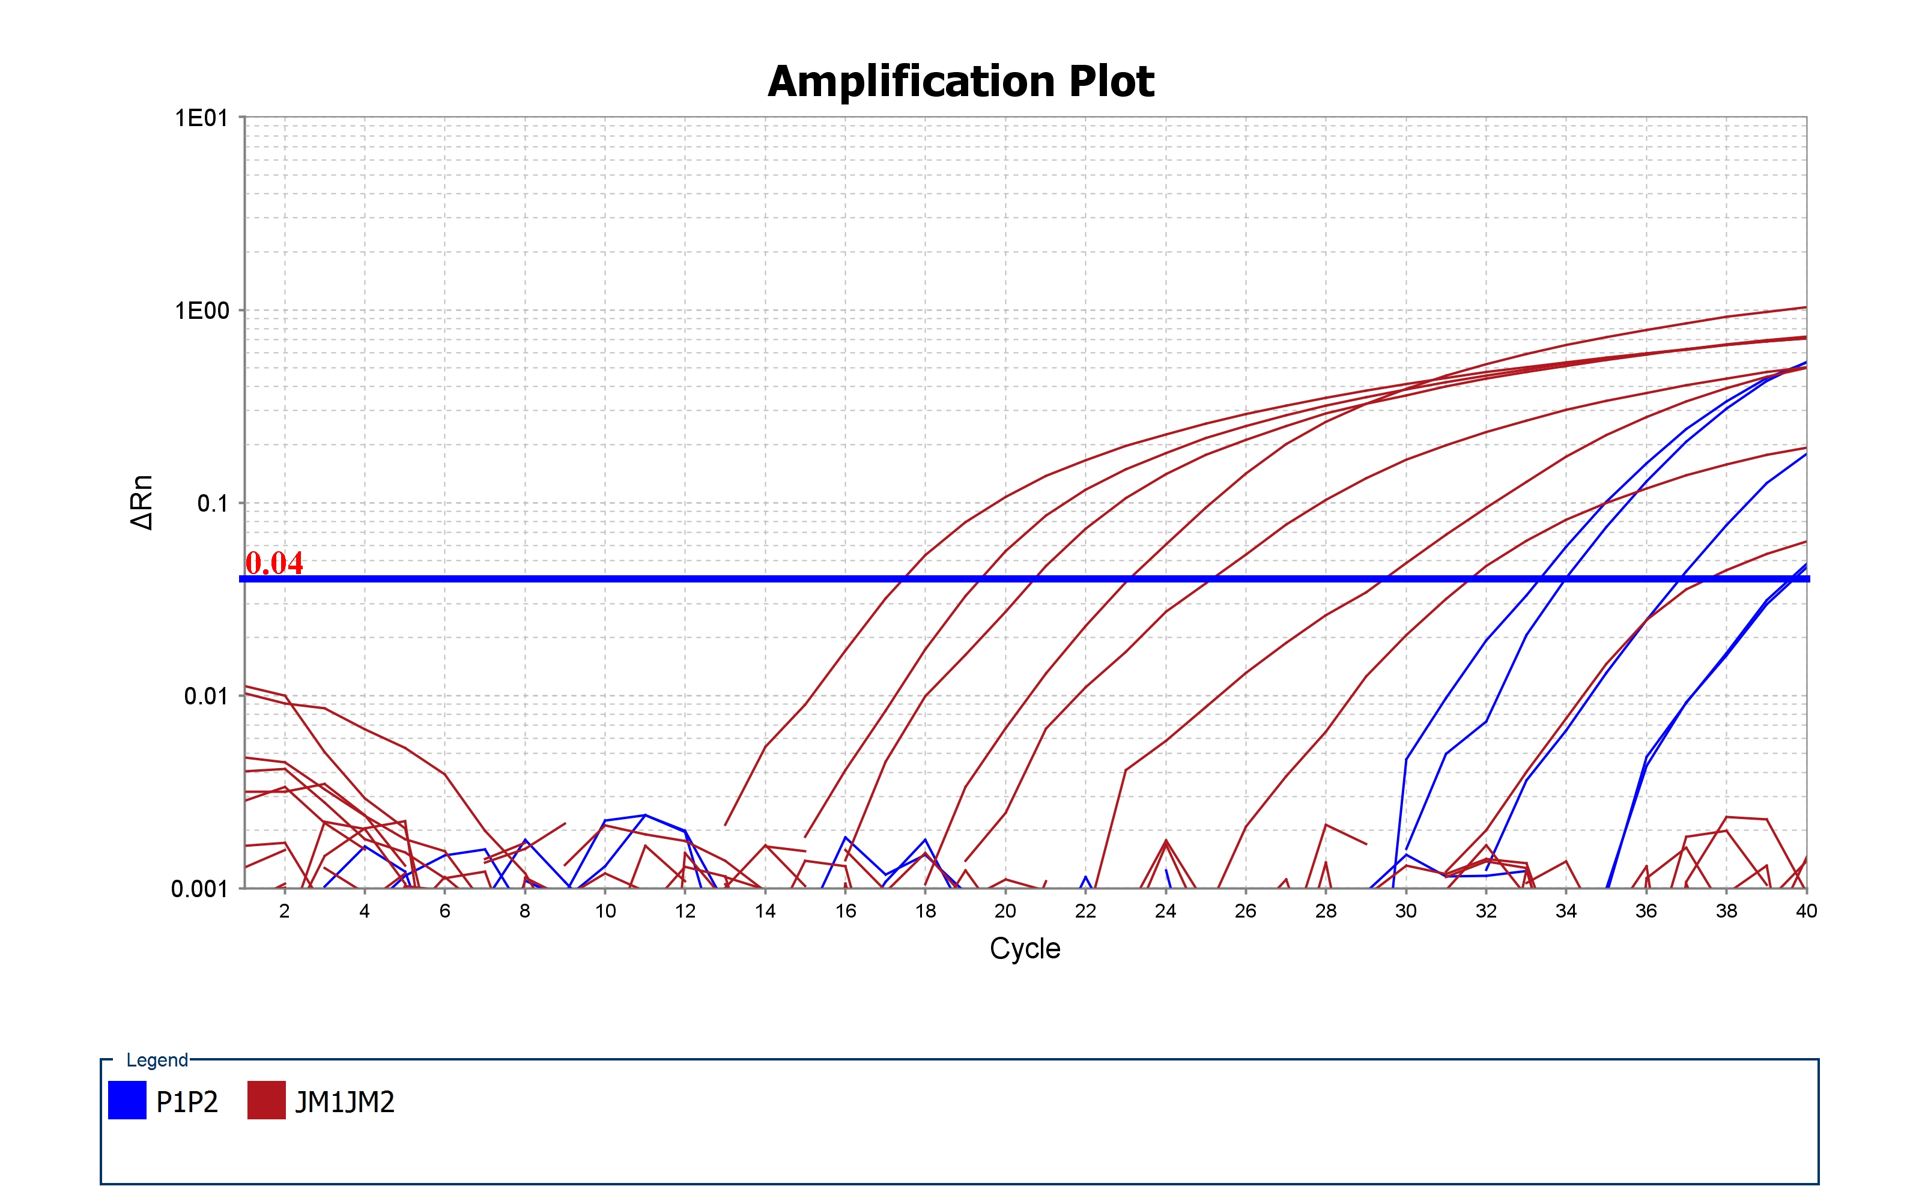
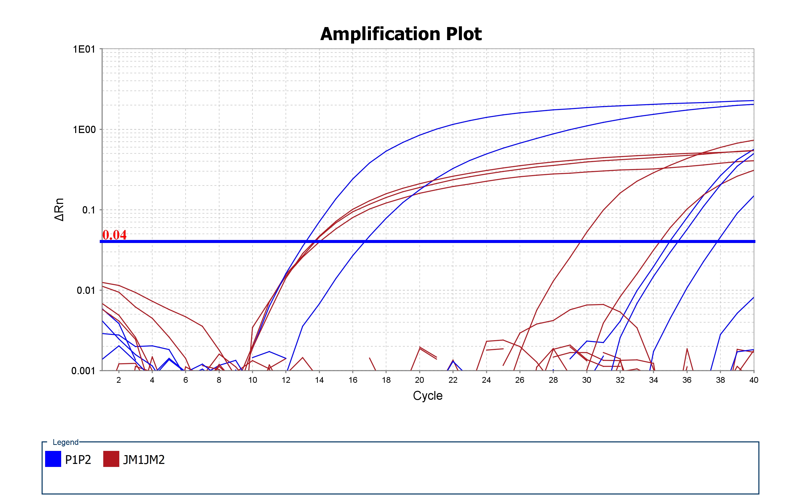
Block Type | 384-Well Block
Calibration Background is expired | Yes
Calibration Background performed on | 2017-06-14 13:31:41 PM PDT
Calibration FAM is expired | Yes
Calibration FAM performed on | 2017-06-14 13:46:09 PM PDT
Calibration NED is expired | Yes
Calibration NED performed on | 2017-06-14 13:53:20 PM PDT
Calibration ROI is expired | Yes
Calibration ROI performed on | 2017-06-14 13:25:05 PM PDT
Calibration ROX is expired | Yes
Calibration ROX performed on | 2017-06-14 14:00:34 PM PDT
Calibration SYBR is expired | Yes
Calibration SYBR performed on | 2017-06-14 14:08:12 PM PDT
Calibration TAMRA is expired | Yes
Calibration TAMRA performed on | 2017-06-14 14:15:28 PM PDT
Calibration Uniformity is expired | Yes
Calibration Uniformity performed on | 2017-06-14 13:38:54 PM PDT
Calibration VIC is expired | Yes
Calibration VIC performed on | 2017-06-14 14:22:57 PM PDT
Chemistry | TAQMAN
Experiment Barcode
Experiment Comments
Experiment File Name | D:\Users\Yue Li Lab User\Desktop\aNIRBAN\R-loop_Cos7 cells_C_Z_G4.eds
Experiment Name | R-loop_Cos7 cells_C_Z_G4
Experiment Run End Time | 2017-12-14 13:32:46 PM PST
Experiment Type | Comparative Cт (ΔΔCт)
Experiment User Name | Anirban Mukherjee
Instrument Name | 278880175
Instrument Serial Number | 278880175
Instrument Type | ViiA 7
Passive Reference | ROX
Quantification Cycle Method | Ct
Signal Smoothing On | true
Stage/ Cycle where Analysis is performed | Stage 2, Step 2

Well | Well Position | Sample Name | Sample Color | Biogroup Name | Biogroup Color | Target Name | Target Color | Task | Reporter | Quencher | Quantity | Comments
1 | A1 | pUCON | RGB(0,0,255) |  |  | JM1JM2 | RGB(176,23,31) | UNKNOWN | FAM | NFQ-MGB
2 | A2 | pG4 | RGB(0,139,69) |  |  | JM1JM2 | RGB(176,23,31) | UNKNOWN | FAM | NFQ-MGB
3 | A3 | pUCG14 | RGB(176,23,31) |  |  | JM1JM2 | RGB(176,23,31) | UNKNOWN | FAM | NFQ-MGB |  |  |  |  |  | Average | pUCON | pUCG14 | pG4 |  | IgG | R-loop |  | P value
4 | A4 | pUCG14+ | RGB(255,127,0) |  |  | JM1JM2 | RGB(176,23,31) | UNKNOWN | FAM | NFQ-MGB |  |  |  |  |  | anti-IgG | 0.5 | 0.15 | 1.5 | Repeat 1 | 2 | 17.35 |  | 0.0070237256995
5 | A5 | pUCON | RGB(0,0,255) |  |  | JM1JM2 | RGB(176,23,31) | UNKNOWN | FAM | NFQ-MGB |  |  |  |  |  | anti-R-loop | 0.5 | 0.15 | 13.35 | Repeat 2 | 1.5 | 13.35
6 | A6 | pG4 | RGB(0,139,69) |  |  | JM1JM2 | RGB(176,23,31) | UNKNOWN | FAM | NFQ-MGB |  |  |  |  |  | Fold increase |  |  | 8.9 | Repeat 3 | 1 | 9.35
7 | A7 | pUCG14 | RGB(176,23,31) |  |  | JM1JM2 | RGB(176,23,31) | UNKNOWN | FAM | NFQ-MGB |  |  |  |  |  | St DEV | 0 | 0 | 1
8 | A8 | pUCG14+ | RGB(255,127,0) |  |  | JM1JM2 | RGB(176,23,31) | UNKNOWN | FAM | NFQ-MGB |  |  |  |  |  | St DEV | 0 | 0 | 4
9 | A9
R-loop formation in B DNA, Z DNA and G4 forming sequences in Cos7 cells
 | anti-IgG | anti-R-loop
pUCON | 0.5 | 0.5
pUCG14 | 0.15 | 0.15
pG4 | 1.5 | 13.35
10 | A10
11 | A11
12 | A12
13 | A13
14 | A14
% Input
15 | A15
16 | A16
17 | A17
18 | A18
19 | A19
20 | A20
21 | A21
22 | A22
23 | A23
24 | A24
25 | B1 | pUCON | RGB(0,0,255) |  |  | JM1JM2 | RGB(176,23,31) | UNKNOWN | FAM | NFQ-MGB
26 | B2 | pG4 | RGB(0,139,69) |  |  | JM1JM2 | RGB(176,23,31) | UNKNOWN | FAM | NFQ-MGB
27 | B3 | pUCG14 | RGB(176,23,31) |  |  | JM1JM2 | RGB(176,23,31) | UNKNOWN | FAM | NFQ-MGB
28 | B4 | pUCG14+ | RGB(255,127,0) |  |  | JM1JM2 | RGB(176,23,31) | UNKNOWN | FAM | NFQ-MGB |  | Well | Well Position | Omit | Sample Name | Target Name | Task | Reporter | Quencher | Quantity | Quantity Mean | Quantity SD | RQ | RQ Min | RQ Max | CT | Ct Mean | Ct SD | Delta Ct | Delta Ct Mean | Delta Ct SE | Delta Delta Ct | Automatic Ct Threshold | Ct Threshold | Automatic Baseline | Baseline Start | Baseline End | Comments | Custom1 | Custom2 | Custom3 | Custom4 | Custom5 | Custom6 | HIGHSD
29 | B5 | pUCON | RGB(0,0,255) |  |  | JM1JM2 | RGB(176,23,31) | UNKNOWN | FAM | NFQ-MGB |  | 1 | A1 | FALSE | pUCON | JM1JM2 | UNKNOWN | FAM | NFQ-MGB |  |  |  |  |  |  | 19.296 | 19.983 | 0.971 |  |  |  |  | TRUE | 0.040 | TRUE | 1 | 40 |  |  |  |  |  |  |  | Y
30 | B6 | pG4 | RGB(0,139,69) |  |  | JM1JM2 | RGB(176,23,31) | UNKNOWN | FAM | NFQ-MGB |  | 2 | A2 | FALSE | pG4 | JM1JM2 | UNKNOWN | FAM | NFQ-MGB |  |  |  |  |  |  | 23.103 | 26.256 | 4.459 |  |  |  |  | TRUE | 0.040 | TRUE | 1 | 40 |  |  |  |  |  |  |  | Y
31 | B7 | pUCG14 | RGB(176,23,31) |  |  | JM1JM2 | RGB(176,23,31) | UNKNOWN | FAM | NFQ-MGB |  | 3 | A3 | FALSE | pUCG14 | JM1JM2 | UNKNOWN | FAM | NFQ-MGB |  |  |  |  |  |  | 17.386 | 21.253 | 5.469 |  |  |  |  | TRUE | 0.040 | TRUE | 1 | 40 |  |  |  |  |  |  |  | Y
32 | B8 | pUCG14+ | RGB(255,127,0) |  |  | JM1JM2 | RGB(176,23,31) | UNKNOWN | FAM | NFQ-MGB |  | 4 | A4 | FALSE | pUCG14+ | JM1JM2 | UNKNOWN | FAM | NFQ-MGB |  |  |  |  |  |  | 31.559 | 34.531 | 4.203 |  |  |  |  | TRUE | 0.040 | TRUE | 1 | 40 |  |  |  |  |  |  |  | Y
33 | B9 |  |  |  |  |  |  |  |  |  |  | 5 | A5 | FALSE | pUCON | JM1JM2 | UNKNOWN | FAM | NFQ-MGB |  |  |  |  |  |  | 20.669 | 19.983 | 0.971 |  |  |  |  | TRUE | 0.040 | TRUE | 1 | 40 |  |  |  |  |  |  |  | Y
34 | B10 |  |  |  |  |  |  |  |  |  |  | 6 | A6 | FALSE | pG4 | JM1JM2 | UNKNOWN | FAM | NFQ-MGB |  |  |  |  |  |  | 29.409 | 26.256 | 4.459 |  |  |  |  | TRUE | 0.040 | TRUE | 1 | 40 |  |  |  |  |  |  |  | Y
35 | B11 |  |  |  |  |  |  |  |  |  |  | 7 | A7 | FALSE | pUCG14 | JM1JM2 | UNKNOWN | FAM | NFQ-MGB |  |  |  |  |  |  | 25.119 | 21.253 | 5.469 |  |  |  |  | TRUE | 0.040 | TRUE | 1 | 40 |  |  |  |  |  |  |  | Y
36 | B12 |  |  |  |  |  |  |  |  |  |  | 8 | A8 | FALSE | pUCG14+ | JM1JM2 | UNKNOWN | FAM | NFQ-MGB |  |  |  |  |  |  | 37.503 | 34.531 | 4.203 |  |  |  |  | TRUE | 0.040 | TRUE | 1 | 40 |  |  |  |  |  |  |  | Y
37 | B13 |  |  |  |  |  |  |  |  |  |  | 25 | B1 | FALSE | pUCON | JM1JM2 | UNKNOWN | FAM | NFQ-MGB |  |  |  |  |  |  | Undetermined | 19.983 | 0.971 |  |  |  |  | TRUE | 0.040 | TRUE | 1 | 40 |  |  |  |  |  |  |  | N
38 | B14 |  |  |  |  |  |  |  |  |  |  | 26 | B2 | FALSE | pG4 | JM1JM2 | UNKNOWN | FAM | NFQ-MGB |  |  |  |  |  |  | Undetermined | 26.256 | 4.459 |  |  |  |  | TRUE | 0.040 | TRUE | 1 | 40 |  |  |  |  |  |  |  | N
39 | B15 |  |  |  |  |  |  |  |  |  |  | 27 | B3 | FALSE | pUCG14 | JM1JM2 | UNKNOWN | FAM | NFQ-MGB |  |  |  |  |  |  | Undetermined | 21.253 | 5.469 |  |  |  |  | TRUE | 0.040 | TRUE | 1 | 40 |  |  |  |  |  |  |  | N
40 | B16 |  |  |  |  |  |  |  |  |  |  | 28 | B4 | FALSE | pUCG14+ | JM1JM2 | UNKNOWN | FAM | NFQ-MGB |  |  |  |  |  |  | Undetermined | 34.531 | 4.203 |  |  |  |  | TRUE | 0.040 | TRUE | 1 | 40 |  |  |  |  |  |  |  | N
41 | B17 |  |  |  |  |  |  |  |  |  |  | 29 | B5 | FALSE | pUCON | JM1JM2 | UNKNOWN | FAM | NFQ-MGB |  |  |  |  |  |  | Undetermined | 19.983 | 0.971 |  |  |  |  | TRUE | 0.040 | TRUE | 1 | 40 |  |  |  |  |  |  |  | N
42 | B18 |  |  |  |  |  |  |  |  |  |  | 30 | B6 | FALSE | pG4 | JM1JM2 | UNKNOWN | FAM | NFQ-MGB |  |  |  |  |  |  | Undetermined | 26.256 | 4.459 |  |  |  |  | TRUE | 0.040 | TRUE | 1 | 40 |  |  |  |  |  |  |  | N
43 | B19 |  |  |  |  |  |  |  |  |  |  | 31 | B7 | FALSE | pUCG14 | JM1JM2 | UNKNOWN | FAM | NFQ-MGB |  |  |  |  |  |  | Undetermined | 21.253 | 5.469 |  |  |  |  | TRUE | 0.040 | TRUE | 1 | 40 |  |  |  |  |  |  |  | N
44 | B20 |  |  |  |  |  |  |  |  |  |  | 32 | B8 | FALSE | pUCG14+ | JM1JM2 | UNKNOWN | FAM | NFQ-MGB |  |  |  |  |  |  | Undetermined | 34.531 | 4.203 |  |  |  |  | TRUE | 0.040 | TRUE | 1 | 40 |  |  |  |  |  |  |  | N
45 | B21 |  |  |  |  |  |  |  |  |  |  | 49 | C1 | FALSE | pUCON | JM1JM2 | UNKNOWN | FAM | NFQ-MGB |  |  |  |  |  |  | Undetermined | 19.983 | 0.971 |  |  |  |  | TRUE | 0.040 | TRUE | 1 | 40 |  |  |  |  |  |  |  | N
46 | B22 |  |  |  |  |  |  |  |  |  |  | 50 | C2 | FALSE | pG4 | JM1JM2 | UNKNOWN | FAM | NFQ-MGB |  |  |  |  |  |  | Undetermined | 26.256 | 4.459 |  |  |  |  | TRUE | 0.040 | TRUE | 1 | 40 |  |  |  |  |  |  |  | N
47 | B23 |  |  |  |  |  |  |  |  |  |  | 51 | C3 | FALSE | pUCG14 | JM1JM2 | UNKNOWN | FAM | NFQ-MGB |  |  |  |  |  |  | Undetermined | 21.253 | 5.469 |  |  |  |  | TRUE | 0.040 | TRUE | 1 | 40 |  |  |  |  |  |  |  | N
48 | B24 |  |  |  |  |  |  |  |  |  |  | 52 | C4 | FALSE | pUCG14+ | JM1JM2 | UNKNOWN | FAM | NFQ-MGB |  |  |  |  |  |  | Undetermined | 34.531 | 4.203 |  |  |  |  | TRUE | 0.040 | TRUE | 1 | 40 |  |  |  |  |  |  |  | N
49 | C1 | pUCON | RGB(0,0,255) |  |  | JM1JM2 | RGB(176,23,31) | UNKNOWN | FAM | NFQ-MGB |  | 53 | C5 | FALSE | pUCON | JM1JM2 | UNKNOWN | FAM | NFQ-MGB |  |  |  |  |  |  | Undetermined | 19.983 | 0.971 |  |  |  |  | TRUE | 0.040 | TRUE | 1 | 40 |  |  |  |  |  |  |  | N
50 | C2 | pG4 | RGB(0,139,69) |  |  | JM1JM2 | RGB(176,23,31) | UNKNOWN | FAM | NFQ-MGB |  | 54 | C6 | FALSE | pG4 | JM1JM2 | UNKNOWN | FAM | NFQ-MGB |  |  |  |  |  |  | Undetermined | 26.256 | 4.459 |  |  |  |  | TRUE | 0.040 | TRUE | 1 | 40 |  |  |  |  |  |  |  | N
51 | C3 | pUCG14 | RGB(176,23,31) |  |  | JM1JM2 | RGB(176,23,31) | UNKNOWN | FAM | NFQ-MGB |  | 55 | C7 | FALSE | pUCG14 | JM1JM2 | UNKNOWN | FAM | NFQ-MGB |  |  |  |  |  |  | Undetermined | 21.253 | 5.469 |  |  |  |  | TRUE | 0.040 | TRUE | 1 | 40 |  |  |  |  |  |  |  | N
52 | C4 | pUCG14+ | RGB(255,127,0) |  |  | JM1JM2 | RGB(176,23,31) | UNKNOWN | FAM | NFQ-MGB |  | 56 | C8 | FALSE | pUCG14+ | JM1JM2 | UNKNOWN | FAM | NFQ-MGB |  |  |  |  |  |  | Undetermined | 34.531 | 4.203 |  |  |  |  | TRUE | 0.040 | TRUE | 1 | 40 |  |  |  |  |  |  |  | N
53 | C5 | pUCON | RGB(0,0,255) |  |  | JM1JM2 | RGB(176,23,31) | UNKNOWN | FAM | NFQ-MGB |  | 73 | D1 | FALSE | pG4 | P1P2 | UNKNOWN | FAM | NFQ-MGB |  |  |  | 1.000 | 0.002 | 444.275 | 33.987 | 36.651 | 2.971 |  | 10.395 | 3.422 | 0.000 | TRUE | 0.040 | TRUE | 1 | 40 |  |  |  |  |  |  |  | Y
54 | C6 | pG4 | RGB(0,139,69) |  |  | JM1JM2 | RGB(176,23,31) | UNKNOWN | FAM | NFQ-MGB |  | 74 | D2 | FALSE | pG4 | P1P2 | UNKNOWN | FAM | NFQ-MGB |  |  |  | 1.000 | 0.002 | 444.275 | 33.306 | 36.651 | 2.971 |  | 10.395 | 3.422 | 0.000 | TRUE | 0.040 | TRUE | 1 | 40 |  |  |  |  |  |  |  | Y
55 | C7 | pUCG14 | RGB(176,23,31) |  |  | JM1JM2 | RGB(176,23,31) | UNKNOWN | FAM | NFQ-MGB |  | 97 | E1 | FALSE | pG4 | P1P2 | UNKNOWN | FAM | NFQ-MGB |  |  |  |  |  |  | Undetermined | 36.651 | 2.971 |  |  |  |  | TRUE | 0.040 | TRUE | 1 | 40 |  |  |  |  |  |  |  | N
56 | C8 | pUCG14+ | RGB(255,127,0) |  |  | JM1JM2 | RGB(176,23,31) | UNKNOWN | FAM | NFQ-MGB |  | 98 | E2 | FALSE | pG4 | P1P2 | UNKNOWN | FAM | NFQ-MGB |  |  |  | 1.000 | 0.002 | 444.275 | 39.619 | 36.651 | 2.971 |  | 10.395 | 3.422 | 0.000 | TRUE | 0.040 | TRUE | 1 | 40 |  |  |  |  |  |  |  | Y
57 | C9 |  |  |  |  |  |  |  |  |  |  | 121 | F1 | FALSE | pG4 | P1P2 | UNKNOWN | FAM | NFQ-MGB |  |  |  | 1.000 | 0.002 | 444.275 | 36.829 | 36.651 | 2.971 |  | 10.395 | 3.422 | 0.000 | TRUE | 0.040 | TRUE | 1 | 40 |  |  |  |  |  |  |  | Y
58 | C10 |  |  |  |  |  |  |  |  |  |  | 122 | F2 | FALSE | pG4 | P1P2 | UNKNOWN | FAM | NFQ-MGB |  |  |  | 1.000 | 0.002 | 444.275 | 39.511 | 36.651 | 2.971 |  | 10.395 | 3.422 | 0.000 | TRUE | 0.040 | TRUE | 1 | 40 |  |  |  |  |  |  |  | Y
59 | C11
60 | C12 |  |  |  |  |  |  |  |  |  |  | Analysis Type | Singleplex
61 | C13 |  |  |  |  |  |  |  |  |  |  | Endogenous Control | JM1JM2
62 | C14 |  |  |  |  |  |  |  |  |  |  | RQ Min/Max Confidence Level | 95.0
63 | C15 |  |  |  |  |  |  |  |  |  |  | Reference Sample | pG4
64 | C16
65 | C17
66 | C18
67 | C19
68 | C20
69 | C21
70 | C22
71 | C23
72 | C24
73 | D1 | pG4 | RGB(0,139,69) |  |  | P1P2 | RGB(0,0,255) | UNKNOWN | FAM | NFQ-MGB
74 | D2 | pG4 | RGB(0,139,69) |  |  | P1P2 | RGB(0,0,255) | UNKNOWN | FAM | NFQ-MGB
75 | D3
76 | D4
77 | D5
78 | D6
79 | D7
80 | D8
81 | D9
82 | D10
83 | D11
84 | D12
85 | D13
86 | D14
87 | D15
88 | D16
89 | D17
90 | D18
91 | D19
92 | D20
93 | D21
94 | D22
95 | D23
96 | D24
97 | E1 | pG4 | RGB(0,139,69) |  |  | P1P2 | RGB(0,0,255) | UNKNOWN | FAM | NFQ-MGB
98 | E2 | pG4 | RGB(0,139,69) |  |  | P1P2 | RGB(0,0,255) | UNKNOWN | FAM | NFQ-MGB
99 | E3
100 | E4
101 | E5
102 | E6
103 | E7
104 | E8
105 | E9
106 | E10
107 | E11
108 | E12
109 | E13
110 | E14
111 | E15
112 | E16
113 | E17
114 | E18
115 | E19
116 | E20
117 | E21
118 | E22
119 | E23
120 | E24
121 | F1 | pG4 | RGB(0,139,69) |  |  | P1P2 | RGB(0,0,255) | UNKNOWN | FAM | NFQ-MGB
122 | F2 | pG4 | RGB(0,139,69) |  |  | P1P2 | RGB(0,0,255) | UNKNOWN | FAM | NFQ-MGB
123 | F3
124 | F4
125 | F5
126 | F6
127 | F7
128 | F8
129 | F9
130 | F10
131 | F11
132 | F12
133 | F13
134 | F14
135 | F15
136 | F16
137 | F17
138 | F18
139 | F19
140 | F20
141 | F21
142 | F22
143 | F23
144 | F24
145 | G1
146 | G2
147 | G3
148 | G4
149 | G5
150 | G6
151 | G7
152 | G8
153 | G9
154 | G10
155 | G11
156 | G12
157 | G13
158 | G14
159 | G15
160 | G16
161 | G17
162 | G18
163 | G19
164 | G20
165 | G21
166 | G22
167 | G23
168 | G24
169 | H1
170 | H2
171 | H3
172 | H4
173 | H5
174 | H6
175 | H7
176 | H8
177 | H9
178 | H10
179 | H11
180 | H12
181 | H13
182 | H14
183 | H15
184 | H16
185 | H17
186 | H18
187 | H19
188 | H20
189 | H21
190 | H22
191 | H23
192 | H24
193 | I1
194 | I2
195 | I3
196 | I4
197 | I5
198 | I6
199 | I7
200 | I8
201 | I9
202 | I10
203 | I11
204 | I12
205 | I13
206 | I14
207 | I15
208 | I16
209 | I17
210 | I18
211 | I19
212 | I20
213 | I21
214 | I22
215 | I23
216 | I24
217 | J1
218 | J2
219 | J3
220 | J4
221 | J5
222 | J6
223 | J7
224 | J8
225 | J9
226 | J10
227 | J11
228 | J12
229 | J13
230 | J14
231 | J15
232 | J16
233 | J17
234 | J18
235 | J19
236 | J20
237 | J21
238 | J22
239 | J23
240 | J24
241 | K1
242 | K2
243 | K3
244 | K4
245 | K5
246 | K6
247 | K7
248 | K8
249 | K9
250 | K10
251 | K11
252 | K12
253 | K13
254 | K14
255 | K15
256 | K16
257 | K17
258 | K18
259 | K19
260 | K20
261 | K21
262 | K22
263 | K23
264 | K24
265 | L1
266 | L2
267 | L3
268 | L4
269 | L5
270 | L6
271 | L7
272 | L8
273 | L9
274 | L10
275 | L11
276 | L12
277 | L13
278 | L14
279 | L15
280 | L16
281 | L17
282 | L18
283 | L19
284 | L20
285 | L21
286 | L22
287 | L23
288 | L24
289 | M1
290 | M2
291 | M3
292 | M4
293 | M5
294 | M6
295 | M7
296 | M8
297 | M9
298 | M10
299 | M11
300 | M12
301 | M13
302 | M14
303 | M15
304 | M16
305 | M17
306 | M18
307 | M19
308 | M20
309 | M21
310 | M22
311 | M23
312 | M24
313 | N1
314 | N2
315 | N3
316 | N4
317 | N5
318 | N6
319 | N7
320 | N8
321 | N9
322 | N10
323 | N11
324 | N12
325 | N13
326 | N14
327 | N15
328 | N16
329 | N17
330 | N18
331 | N19
332 | N20
333 | N21
334 | N22
335 | N23
336 | N24
337 | O1
338 | O2
339 | O3
340 | O4
341 | O5
342 | O6
343 | O7
344 | O8
345 | O9
346 | O10
347 | O11
348 | O12
349 | O13
350 | O14
351 | O15
352 | O16
353 | O17
354 | O18
355 | O19
356 | O20
357 | O21
358 | O22
359 | O23
360 | O24
361 | P1
362 | P2
363 | P3
364 | P4
365 | P5
366 | P6
367 | P7
368 | P8
369 | P9
370 | P10
371 | P11
372 | P12
373 | P13
374 | P14
375 | P15
376 | P16
377 | P17
378 | P18
379 | P19
380 | P20
381 | P21
382 | P22
383 | P23
384 | P24

