Fig.1d
Anti-pIRβ (CST #3024, 1:1000)
Insulin (+)
Control
Young
Aged
Insulin (-)
Control
Young
Aged
100 kDa
100 kDa
75 kDa
75 kDa

Anti-tIRβ (CST #3025, 1:1000)
Insulin (-)
Control
Young
Aged
Insulin (+)
Control
Young
Aged

100 kDa
100 kDa
75 kDa
75 kDa

Anti-pAkt (CST #9271, 1:1000)

Insulin (-)
Control
Young
Aged
Insulin (+)
Control
Young
Aged
75 kDa
75 kDa
50 kDa
50 kDa

Anti-tAkt (CST #9272, 1:1000)

Insulin (-)
Control
Young
Aged
75 kDa
Insulin (+)
Control
Young
Aged
75 kDa
50 kDa
50 kDa

Fig.1f-WB
Anti-IRS1 (Santa Crus #sc-559, 1:100)
Anti-IRS1 (Santa Crus #sc-1555, 1:100)

Control
Young
Aged
250 kDa
Control
Young
Aged
250 kDa
150 kDa
150 kDa

Anti-GAPDH (CST #2118, 1:1000)
Anti-GAPDH (CST #2118, 1:1000)

50 kDa
Control
Young
Aged
50 kDa
Control
Young
Aged
37 kDa
37 kDa

Fig.2d
Anti-pAkt (CST #9271, 1:1000)
Anti-pIRβ (CST #3024, 1:1000)
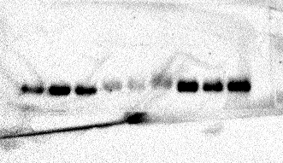
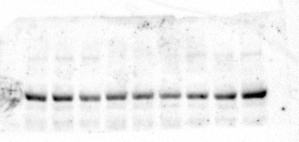
Control medium
EC/TERF2DN-CM
EC/GFP-CM
EC/TERF2DN-CM
EC/GFP-CM
75 kDa
Control medium
100 kDa
50 kDa
75 kDa

Anti-tAkt (CST #9272, 1:1000)
Anti-tIRβ (CST #3025, 1:1000)

Control medium
EC/TERF2DN-CM
EC/GFP-CM
Control medium
EC/TERF2DN-CM
EC/GFP-CM
100 kDa
75 kDa

75 kDa
50 kDa

Anti-GAPDH (CST #2118, 1:1000)
Anti-IRS1 (Santa Crus #sc-559, 1:100)


EC/GFP-CM
Control medium
EC/TERF2DN-CM
EC/GFP-CM
50 kDa
Control medium
EC/TERF2DN-CM
250 kDa
37 kDa
150 kDa

Fig.3e
Anti-pIRβ (CST #3024, 1:1000)
Anti-pAkt (CST #9271, 1:1000)


EC/TERF2DN-CM
+ β-NMN
EC/TERF2DN-CM
+ NAC
Control medium
EC/TERF2DN-CM
EC/TERF2DN-CM
+ β-NMN
EC/TERF2DN-CM
+ NAC
Control medium
EC/TERF2DN-CM
75 kDa
100 kDa
50 kDa

75 kDa
tAkt

Anti-tAkt (CST #9272, 1:1000)

Anti-tIRβ (CST #3025, 1:1000)

Control medium
EC/TERF2DN-CM
EC/TERF2DN-CM
+ β-NMN
EC/TERF2DN-CM
+ NAC

EC/TERF2DN-CM
+ β-NMN
EC/TERF2DN-CM
+ NAC
75 kDa
EC/TERF2DN-CM
Control medium
100 kDa
50 kDa

75 kDa

Anti-IRS1 (Santa Crus #sc-559, 1:100)
Control medium
EC/TERF2DN-CM
EC/TERF2DN-CM
+ β-NMN
EC/TERF2DN-CM
+ NAC
250 kDa
150 kDa

Fig. 5g
Anti-IRS1 (Santa Crus #sc-559, 1:100)

250 kDa
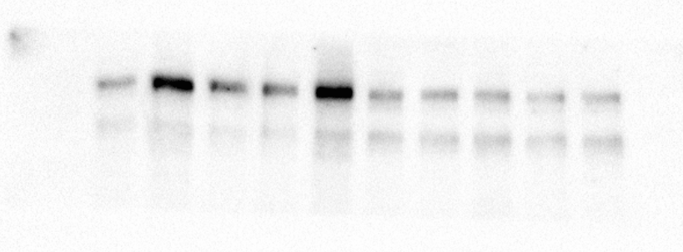
WT
TERF2DN-Tg

150 kDa

Anti-GAPDH (CST #2118, 1:1000)

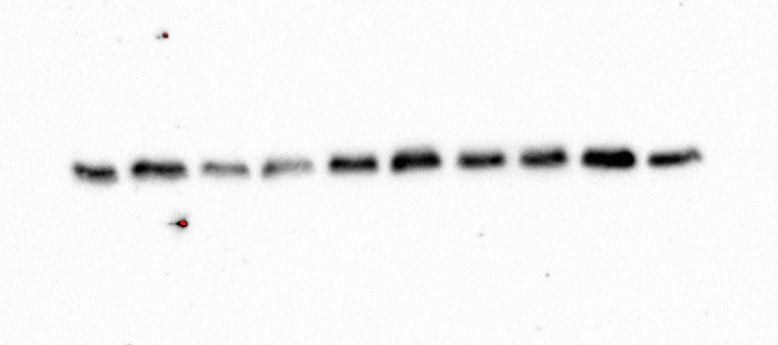
WT
TERF2DN-Tg
50 kDa
37 kDa

Fig.5h
Anti-pIRβ (CST #3024, 1:1000)
Anti-tIRβ (CST #3025, 1:1000)
WAT
WAT
WT
TERF2DN-Tg
100 kDa
Insulin (-)
Insulin (+)
Insulin (-)
Insulin (+)
100 kDa
75 kDa
75 kDa

Skeletal muscle
Skeletal muscle
WT
TERF2DN-Tg
100 kDa
100 kDa
Insulin (-)
Insulin (-)
Insulin (+)
Insulin (+)
75 kDa
75 kDa
Liver
Liver
WT
TERF2DN-Tg
Insulin (-)
Insulin (-)
Insulin (+)
Insulin (+)
100 kDa
100 kDa
75 kDa

75 kDa

Anti-pAkt (CST #9271, 1:1000)
Anti-tAkt (CST #9272, 1:1000)
WAT
WAT
WT
TERF2DN-Tg
WT
TERF2DN-Tg
75 kDa
Insulin (-)
Insulin (-)
Insulin (+)
Insulin (+)
75 kDa
Insulin (-)
Insulin (+)
Insulin (-)
Insulin (+)

50 kDa
50 kDa

Skeletal muscle
Skeletal muscle
WT
TERF2DN-Tg
WT
TERF2DN-Tg
75 kDa
Insulin (-)
Insulin (-)
Insulin (+)
Insulin (+)
75 kDa
Insulin (-)
Insulin (+)
Insulin (-)
Insulin (+)
50 kDa
50 kDa

Liver
Liver
Insulin (-)
Insulin (-)
Insulin (+)
Insulin (+)
WT
TERF2DN-Tg
Insulin (-)
Insulin (-)
Insulin (+)
Insulin (+)
WT
TERF2DN-Tg
75 kDa
50 kDa
75 kDa
50 kDa

Supplementary Fig. 1d
Anti-GAPDH (CST #2118, 1:1000)

50 kDa
GFP
TERF2DN

37 kDa

Anti-H3K9me2 (Active Motif #39240, 1:1000)

GFP
TERF2DN

15 kDa

