Figure S1
Figure S1e-f

Fig. S1e

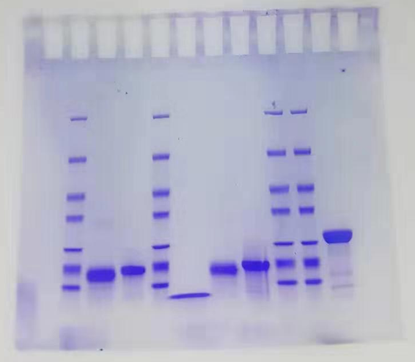

 | Fig. S1E SDS-PAGE analysis of purified NdhS, NdhV and Fd proteins.
 | The red box indicates the region presented in the manuscript.

Fig. S1f

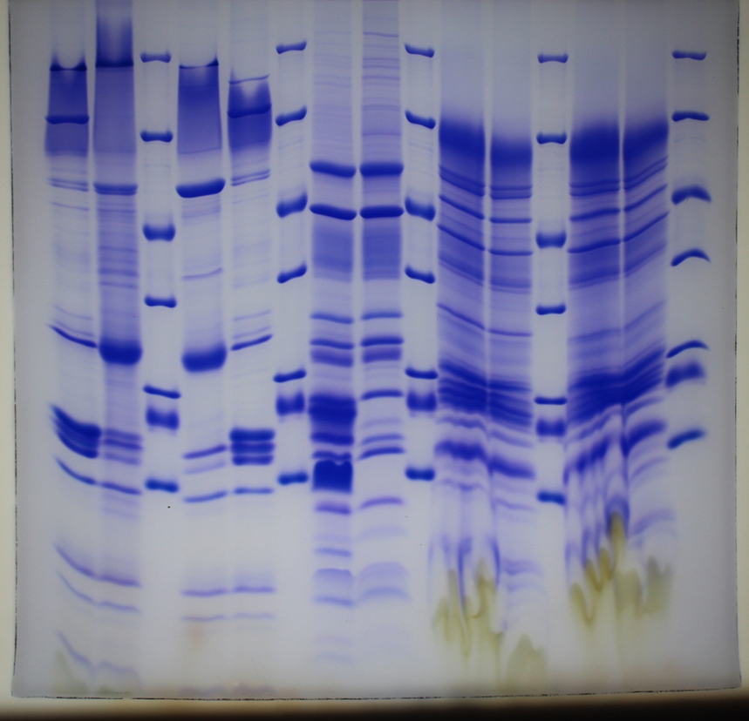

 | Fig. S1f (left) SDS-PAGE analysis of NDH-1L supercomplex (used for solving the NDH-PQ structure).
 | The red box indicates the region presented in the manuscript.

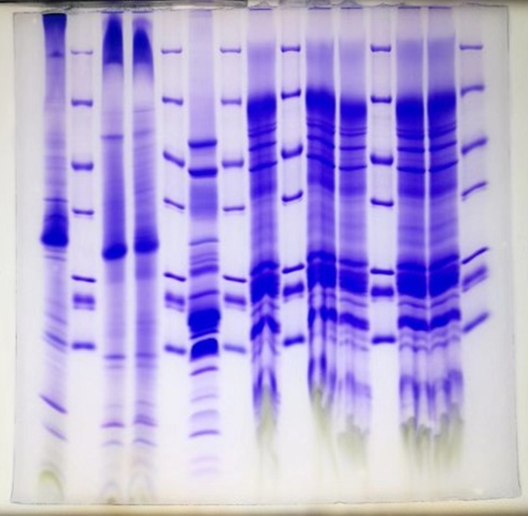

 | Fig. S1f (right) SDS-PAGE analysis of NDH-1L supercomplex incubated with purified NdhS, NdhV and Fd proteins (used for solving the NDH-Fd structure).
 | The red box indicates the region presented in the manuscript.

Figure S9c
Figure S9c

slop
6-1 | 2.48 |  | 7-1 | 8.43 |  | 8-1 | 10 | 9-1 | 4.68 | 10-1 | 6.74
6-2 | 3.4 |  | 7-2 | 6.95 |  | 8-2 | 9.2 | 9-2 | 4.52 | 10-2 | 6.22
6-3 | 2.55 |  | 7-3 | 7.92 |  | 8-3 | 8.81 | 9-3 | 5.82 | 10-3 | 5.2
6-4 | 2.43 |  | 7-4 | 10.39 |  | 8-4 | 11.62 | 9-4 | 4.45 | 10-4 | 4.04
6-5 | 2.02 |  | 7-5 | 10.39 |  | 8-5 | 11.36 | 9-5 | 4.87 | 10-5 | 3.77

slop
 | Average | STDEV |  | % | Standard Deviation
6 | 2.576 | 0.50480689377 | pH6 | 25.26% | 4.95%
7 | 8.816 | 1.532050913 | pH7 | 86.45% | 15.03%
8 | 10.198 | 1.2583799108 | pH8 | 100% | 12.34%
9 | 4.868 | 0.55621039185 | pH9 | 47.73% | 5.45%
10 | 5.194 | 1.3040628819 | pH10 | 50.93% | 12.79%

