Fig 1
Fig 1a
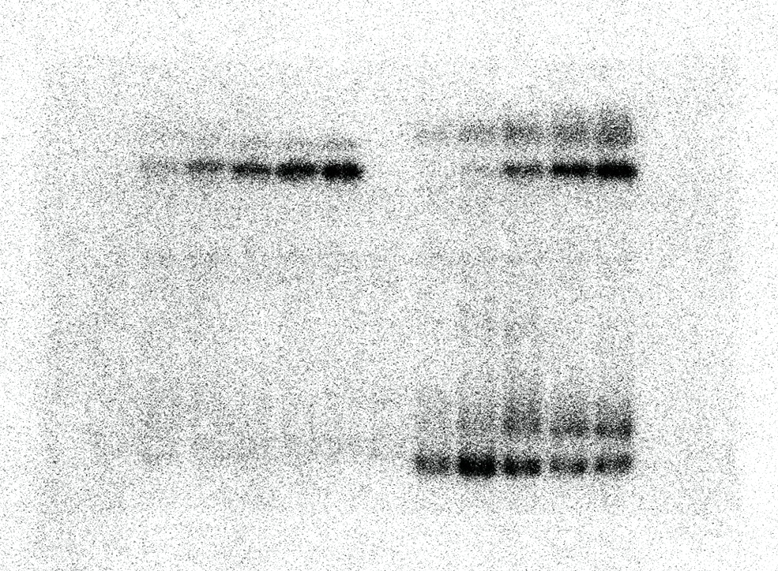

Fig 1b

Fig 3
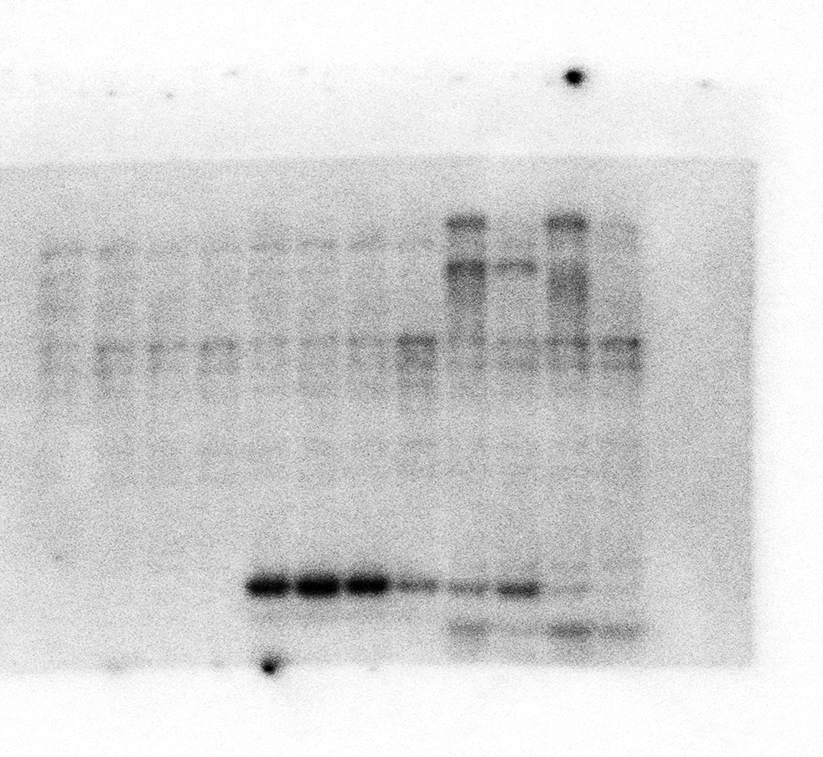
Fig 3c

Fig 4
Fig 4c
 | control |  |  |  | PEG
 | rep1 | rep2 | rep3 | AVERAGE | rep1 | rep2 | rep3 | AVERAGE | T.TEST_M_con/WT_con | T.TEST_m_PEG/WT_PEG
WT | 1.083747 | 1.127431 | 0.785939 | 0.999039 | 1.846295 | 1.879239 | 1.953742 | 1.893092
OK130-null | 1.603694 | 1.902615 | 1.679814 | 1.7287076667 | 5.432272 | 4.67919 | 5.286011 | 5.132491 | 0.022102598646 | 0.0050730187128
OK130-weak | 1.471009 | 1.690962 | 0.937022 | 1.366331 | 2.246285 | 2.662286 | 2.424509 | 2.44436 | 0.20733263668 | 0.016389870462

Fig 4d upper panel |  |  |  |  |  |  | Fig 4e upper panel-left |  |  |  | Fig 4e upper panel-left

Fig S4f upper panel
anti-pS175

Fig s4f mdidle panel
anti-SnRk2.2/3/6

Fig 4d bottom panel |  |  |  |  |  |  | Fig 4e bottom panel

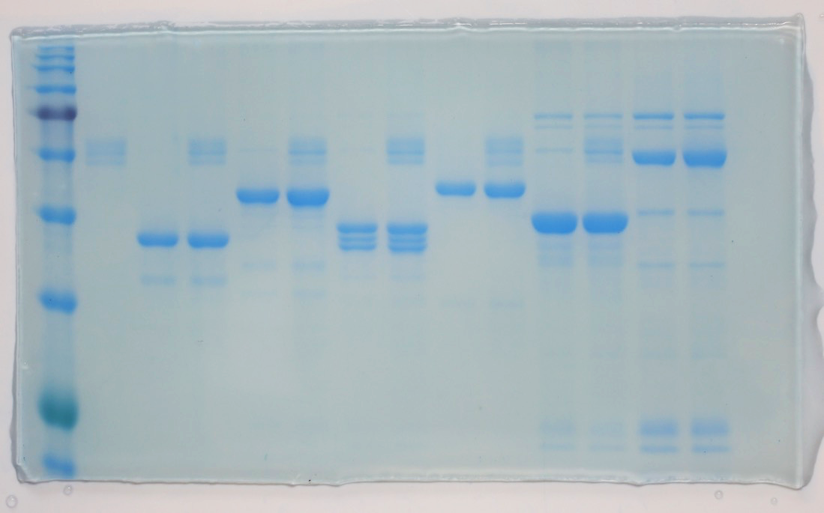

Fig s4f bottom panel
anti-actin

Fig 5
Fig. 5c. water loss assay
 | Col-0 | OK130-nll | OK100-quin | OK-quatdec | snrk2-triple |  |  | Percentage | Col-0 | OK130-nll | OK100-quin | OK-quatdec | snrk2-triple
0h | 0.1293 | 0.0764 | 0.0725 | 0.0432 | 0.0708 |  |  | 0h | 0 | 0 | 0 | 0 | 0
 | 0.1533 | 0.0751 | 0.0527 | 0.0207 | 0.0818 |  |  |  | 0 | 0 | 0 | 0 | 0
 | 0.1332 | 0.0738 | 0.0451 | 0.0348 | 0.1056 |  |  |  | 0 | 0 | 0 | 0 | 0
 | 0.134 | 0.0641 | 0.0365 | 0.0287 | 0.0992 |  |  |  | 0 | 0 | 0 | 0 | 0
 | 0.1706 | 0.0518 | 0.0583 | 0.03185 | 0.1173 |  |  |  | 0 | 0 | 0 | 0 | 0

30min | 0.114 | 0.063 | 0.0623 | 0.0333 | 0.0414 |  |  | 30min | 0.11832946636 | 0.17539267016 | 0.14068965517 | 0.22916666667 | 0.2963
 | 0.1363 | 0.061 | 0.046 | 0.015 | 0.0448 |  |  |  | 0.11089367254 | 0.18774966711 | 0.12713472486 | 0.27536231884 | 0.3111
 | 0.1173 | 0.0603 | 0.0387 | 0.0256 | 0.0636 |  |  |  | 0.11936936937 | 0.18292682927 | 0.14190687361 | 0.26436781609 | 0.32883
 | 0.118 | 0.052 | 0.0312 | 0.0205 | 0.0539 |  |  |  | 0.11940298507 | 0.1887675507 | 0.14520547945 | 0.28571428571 | 0.31437
 | 0.1494 | 0.0418 | 0.0511 | 0.022985708963 | 0.0687 |  |  |  | 0.12426729191 | 0.19305019305 | 0.12349914237 | 0.27831369034 | 0.31328
 |  |  |  |  |  |  |  | T.TEST |  | 3.4060129212E-05 | 0.02232201133 | 0.00012488277024 | 3.2800462606E-06

60min | 0.1086 | 0.0591 | 0.0599 | 0.0314 | 0.0291 |  |  | 60min | 0.16009280742 | 0.22643979058 | 0.17379310345 | 0.27314814815 | 0.4599
 | 0.1277 | 0.0566 | 0.0434 | 0.0141 | 0.0315 |  |  |  | 0.16699282453 | 0.24633821571 | 0.17647058824 | 0.31884057971 | 0.4434
 | 0.1114 | 0.058 | 0.0369 | 0.023 | 0.046 |  |  |  | 0.16366366366 | 0.21409214092 | 0.18181818182 | 0.33908045977 | 0.4369
 | 0.1113 | 0.0491 | 0.0293 | 0.0178 | 0.0367 |  |  |  | 0.16940298507 | 0.23400936037 | 0.19726027397 | 0.37979094077 | 0.4293
 | 0.1413 | 0.0397 | 0.0479 | 0.020981786495 | 0.0484 |  |  |  | 0.17174677608 | 0.23359073359 | 0.17838765009 | 0.34123119324 | 0.479
 |  |  |  |  |  |  |  | T.TEST |  | 0.00015393877465 | 0.01517455425 | 0.00049783142219 | 5.5053391504E-06

90min | 0.1028 | 0.0568 | 0.0569 | 0.0286 | 0.0199 |  |  | 90min | 0.20494972931 | 0.25654450262 | 0.21517241379 | 0.33796296296 | 0.49
 | 0.1201 | 0.0544 | 0.0413 | 0.0126 | 0.0236 |  |  |  | 0.21656881931 | 0.27563249001 | 0.21631878558 | 0.39130434783 | 0.5013
 | 0.1061 | 0.056 | 0.0349 | 0.02 | 0.0345 |  |  |  | 0.20345345345 | 0.24119241192 | 0.22616407982 | 0.42528735632 | 0.5349
 | 0.1055 | 0.0475 | 0.0279 | 0.0163 | 0.0274 |  |  |  | 0.21268656716 | 0.25897035881 | 0.23561643836 | 0.43205574913 | 0.5279
 | 0.1341 | 0.0381 | 0.0451 | 0.01885997617 | 0.0351 |  |  |  | 0.21395076202 | 0.26447876448 | 0.22641509434 | 0.40785004177 | 0.5151
 |  |  |  |  |  |  |  | T.TEST |  | 0.00014993218804 | 0.034641193306 | 0.00032451994641 | 4.5910741965E-06

120min | 0.0984 | 0.0541 | 0.054 | 0.0278 | 0.0166 |  |  | 120min | 0.23897911833 | 0.29188481675 | 0.25517241379 | 0.35648148148 | 0.5735416301
 | 0.1142 | 0.0523 | 0.039 | 0.0123 | 0.0204 |  |  |  | 0.25505544684 | 0.30359520639 | 0.25996204934 | 0.40579710145 | 0.5585
 | 0.1013 | 0.0542 | 0.0333 | 0.0192 | 0.0294 |  |  |  | 0.23948948949 | 0.26558265583 | 0.26164079823 | 0.44827586207 | 0.58080182724
 | 0.1007 | 0.0457 | 0.0262 | 0.0147 | 0.024 |  |  |  | 0.24850746269 | 0.28705148206 | 0.28219178082 | 0.48780487805 | 0.5609
 | 0.1289 | 0.0363 | 0.0424 | 0.017997537113 | 0.0293 |  |  |  | 0.24443141852 | 0.29922779923 | 0.27272727273 | 0.43492819113 | 0.55343928177
 |  |  |  |  |  |  |  | T.TEST |  | 0.0011513903005 | 0.01348130292 | 0.0010732645816 | 1.7814024562E-06

Fig 5d upper panel |  |  |  |  |  |  |  |  |  | Fig 5e upper panel

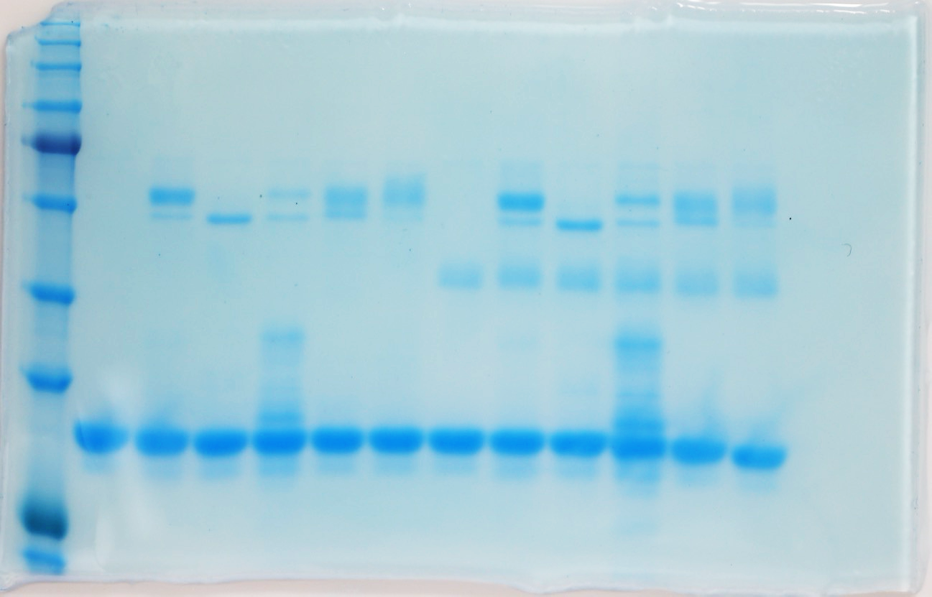

Fig 5d bottom panel |  |  |  |  |  |  | Fig 5e bottom panel

Fig 5f
RD29B
 | Col-0 |  |  | OK130-null |  |  | OK-quatdec |  |  |  | t-test_null_/Col-0 | t-test_quatdec/Col-0
 | rep1 | rep2 | rep3 | rep1 | rep2 | rep3 | rep1 | rep2 | rep3
WT | 1.036542 | 1.001889 | 1.085477 | 1.123482 | 0.246737 | 0.646402 | 1.131395 | 0.222249 | 0.65555 |  | 0.27174230525 | 0.2159438617
Mannitol | 1221.852 | 658.7365 | 676.328 | 1238.041 | 651.5593 | 801.8559 | 19.69351 | 6.496208 | 39.56483 |  | 0.38726821555 | 0.046658388189
ABA | 1297.275 | 1298.179 | 1493.906 | 1802.264 | 1566.672 | 1833.6 | 790.8533 | 865.6416 | 735.3393 |  | 0.033839406285 | 0.029101128474

RAB18
 | Col-0 |  |  | OK130-null |  |  | OK-quatdec |  |  |  | t-test_null_/Col-0 | t-test_quatdec/Col-0
 | rep1 | rep2 | rep3 | rep1 | rep2 | rep3 | rep1 | rep2 | rep3
WT | 1.000538 | 1.000992 | 0.999625 | 0.829172 | 0.718766 | 0.745605 | 0.700387 | 0.404906 | 0.3996 |  | 0.019314433483 | 0.042391765745
Mannitol | 280.9959 | 280.9732 | 255.1618 | 508.9508 | 215.553 | 444.2628 | 19.69351 | 6.496208 | 39.56483 |  | 0.33068171322 | 0.0050358734089
ABA | 499.9401 | 662.4513 | 633.2776 | 739.0403 | 794.955 | 798.8213 | 181.456 | 191.6361 | 195.0575 |  | 0.029591631298 | 0.012568867743

COR15A
 | Col-0 |  |  | OK130-null |  |  | OK-quatdec |  |  |  | t-test_null_/Col-0 | t-test_quatdec/Col-0
 | rep1 | rep2 | rep3 | rep1 | rep2 | rep3 | rep1 | rep2 | rep3
WT | 1.033164 | 1.000289 | 1.00443 | 0.225843 | 1.129678 | 3.199294 | 0.054363 | 0.946729 | 9.514615 |  | 0.62607879899 | 0.43641450509
Mannitol | 70.03368 | 59.75956 | 90.08263 | 70.73668 | 80.10748 | 167.2589 | 2.161303 | 2.190423 | 4.415459 |  | 0.28947850828 | 0.013329693022
ABA | 214.1105 | 148.3462 | 225.5636 | 320.6553 | 220.1591 | 341.3878 | 61.67014 | 35.62302 | 47.55124 |  | 0.018151371111 | 0.016133327493

Fig S2
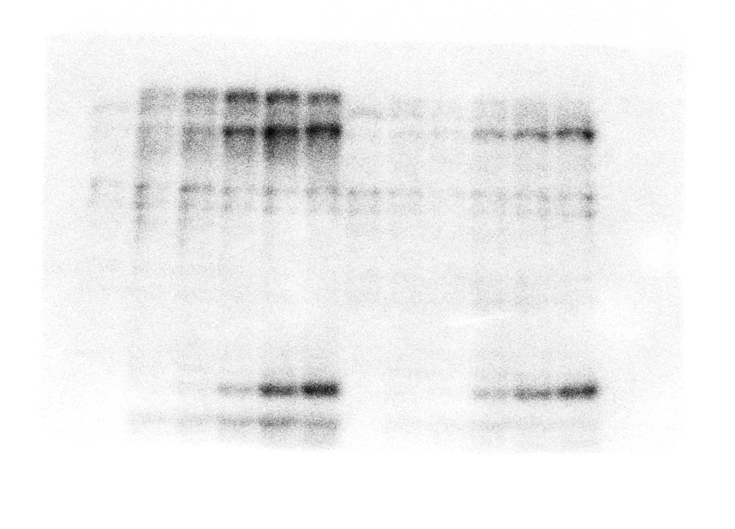
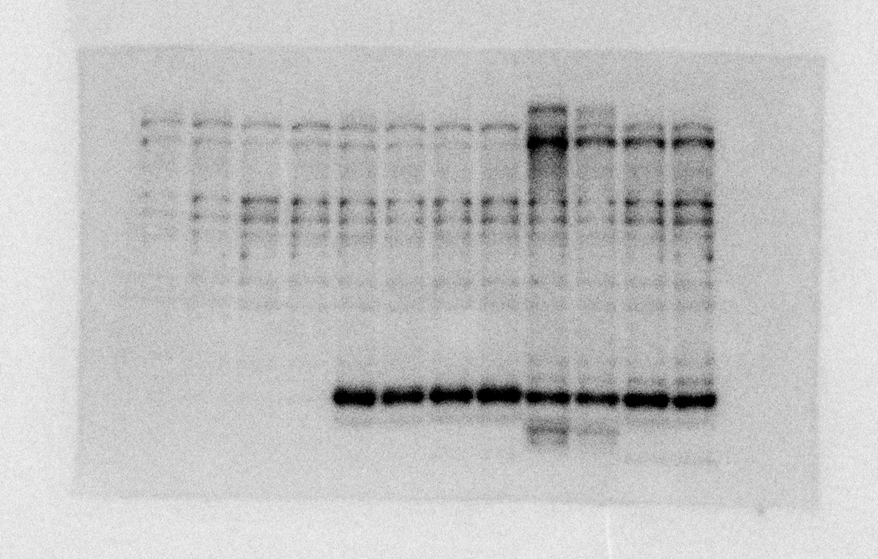
Fig S2a

Fig s2d | Fig s2f

Fig S7
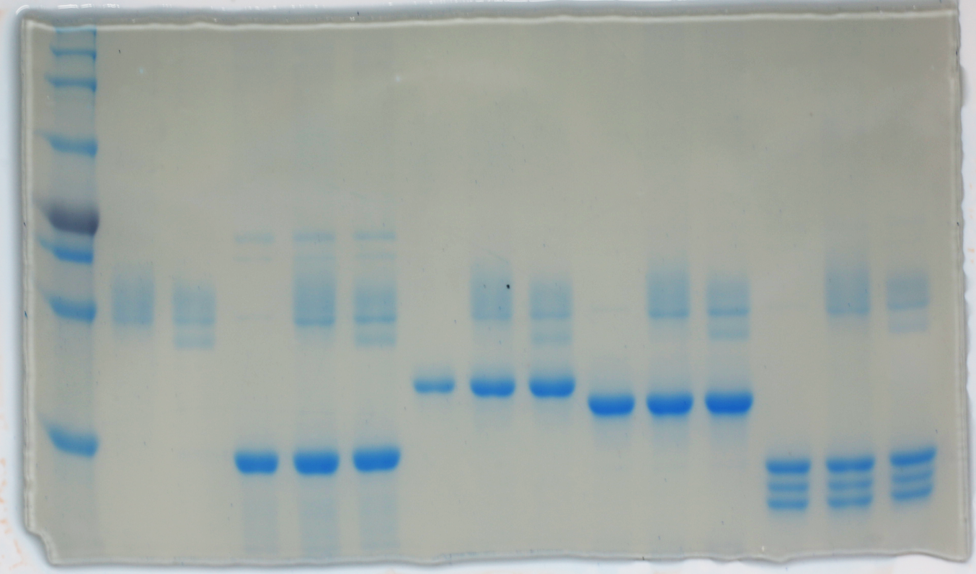
Fig S7a

Fig s7d upper panel

Fig s7d bottom panel

Fig S8
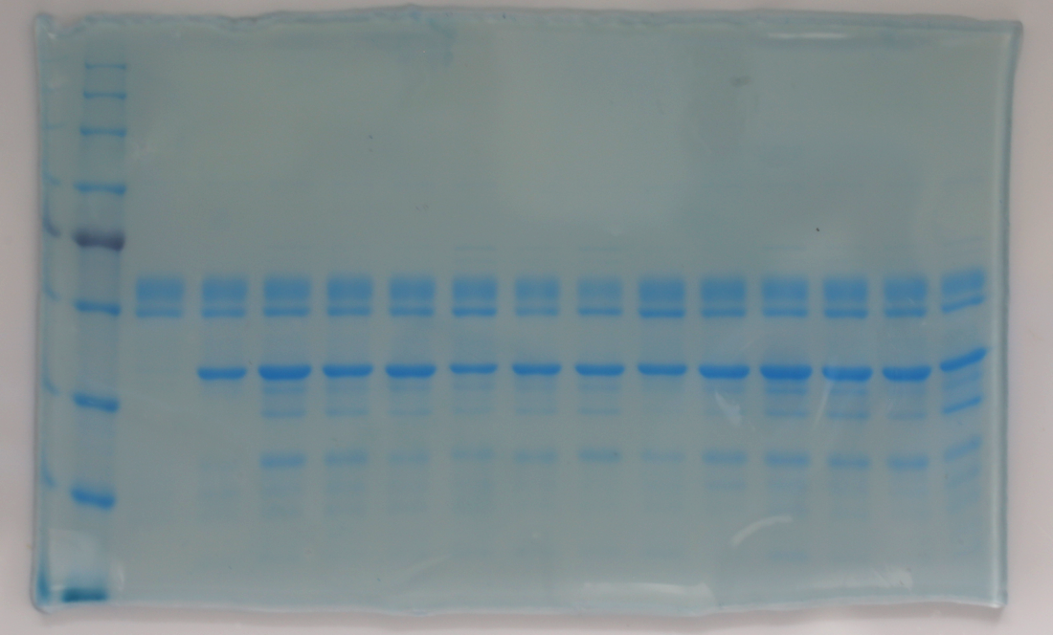
Fig S8f upper panel

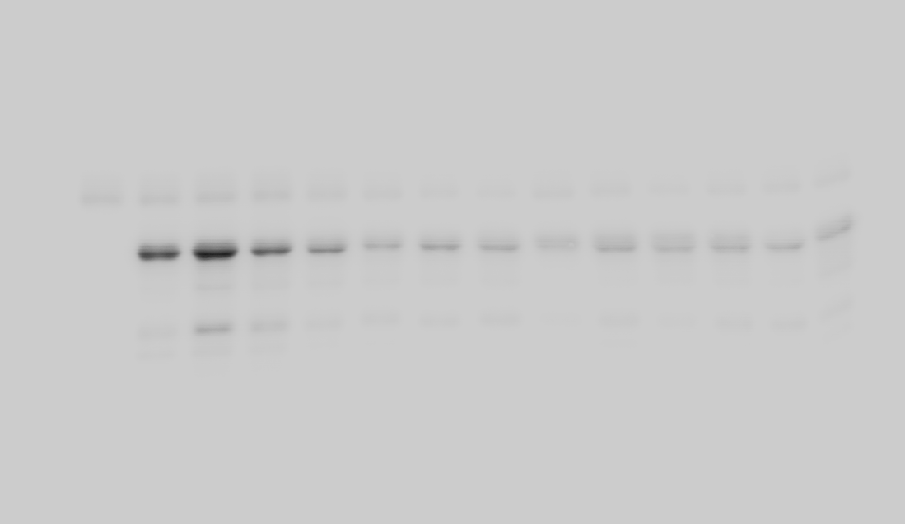

Fig S8f bottom panel

Fig S9
Fig S9a. Gemination
 | cotrol |  |  | ABA
 | Col-0 | OK130-null | OK-quatdedc | Col-0 | OK130-null | OK-quatdedc
rep1(64 seeds) | 60 | 61 | 58 | 10 | 14 | 55
rep2(64 seeds) | 62 | 59 | 60 | 9 | 24 | 58
rep3(25 seeds) | 23 | 23 | 23 | 4 | 7 | 18
rep4(25 seeds) | 24 | 22 | 20 | 4 | 10 | 23

Percent | cotrol |  |  | ABA
 | Col-0 | OK130-null | OK-quatdedc | Col-0 | OK130-null | OK-quatdedc
rep1(64 seeds) | 93.75 | 95.3125 | 90.625 | 15.625 | 21.875 | 85.9375
rep2(64 seeds) | 96.875 | 92.1875 | 93.75 | 14.0625 | 37.5 | 90.625
rep3(25 seeds) | 92 | 92 | 92 | 16 | 28 | 72
rep4(25 seeds) | 96 | 88 | 80 | 16 | 40 | 92
T.TEST |  |  |  |  | 0.016515737471 | 0.00035070316226

Fig s9b

 | cotrol |  |  | ABA
 | Col-0 | OK130-null | OK-quatdedc | Col-0 | OK130-null | OK-quatdedc
rep1(64 seeds) | 64 | 59 | 53 | 0 | 0 | 31
rep2(64 seeds) | 64 | 53 | 58 | 0 | 0 | 31
rep3((25 seeds) | 25 | 23 | 23 | 0 | 0 | 10
rep4(25 seeds) | 25 | 20 | 22 | 0 | 0 | 7

Percent | cotrol |  |  | ABA
 | Col-0 | OK130-null | OK-quatdedc | Col-0 | OK130-null | OK-quatdedc
rep1(64 seeds) | 100 | 92.1875 | 82.8125 | 0 | 0 | 48.4375
rep2(64 seeds) | 100 | 82.8125 | 90.625 | 0 | 0 | 48.4375
rep3((25 seeds) | 100 | 92 | 92 | 0 | 0 | 40
rep4(25 seeds) | 100 | 80 | 88 | 0 | 0 | 28
T.TEST |  |  |  |  |  | 0.0016945298857

Fig S9c bottom panel- left |  |  |  |  |  | Fig S9c upper panel

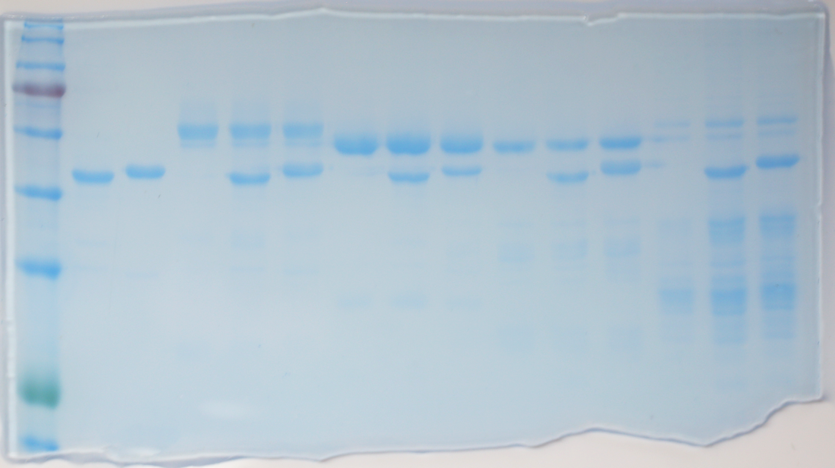

Fig S9c bottom panel- left
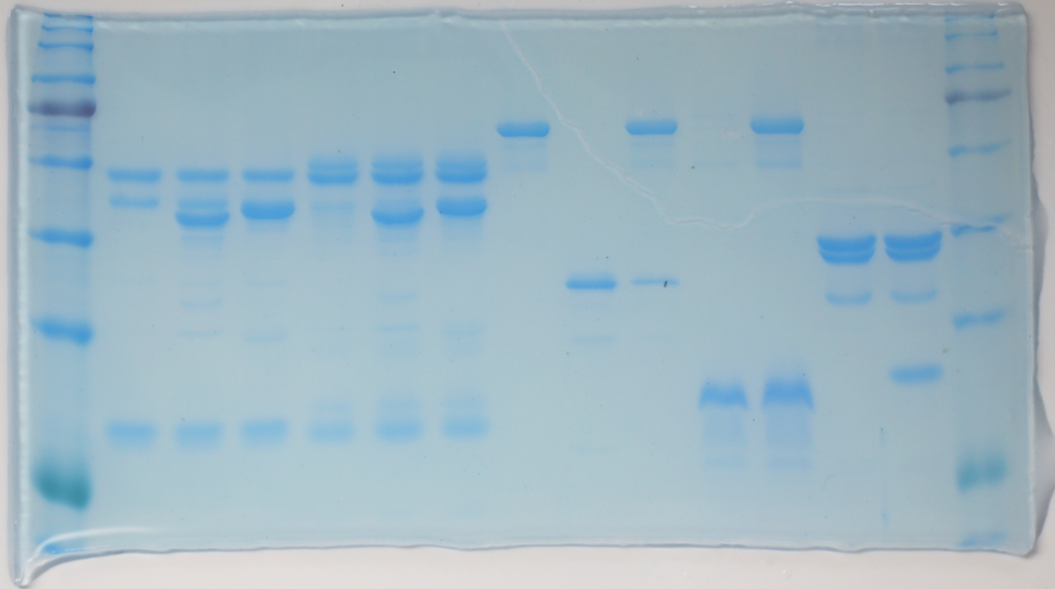

Fig S9f top and middle panels |  |  |  |  |  |  | Fig S9f bottom panels

Fig S9g

ABF2 | Col-0 |  |  | OK130-null |  |  | OK-quatdec |  |  | t-test_null_/Col-0 | t-test_quatdec/Col-0
 | rep1 | rep2 | rep3 | rep1 | rep2 | rep3 | rep1 | rep2 | rep3
WT | 0.995668 | 1.000253 | 1.001215 | 1.395289 | 1.738009 | 0.957638 | 1.252085 | 1.052422 | 0.908661 | 0.24835649274 | 0.57743026062
Mannitol | 17.64684 | 20.92723 | 14.33107 | 18.67044 | 20.37845 | 14.36605 | 11.5441 | 10.97718 | 6.706772 | 0.7466914821 | 0.019504983955
ABA | 19.50405 | 17.48101 | 10.37622 | 19.08674 | 19.35086 | 12.91672 | 12.50432 | 8.920174 | 11.07039 | 0.27547476047 | 0.22534913919

ABF4
 | Col-0 |  |  | OK130-null |  |  | OK-quatdec |  |  | t-test_null_/Col-0 | t-test_quatdec/Col-0
 | rep1 | rep2 | rep3 | rep1 | rep2 | rep3 | rep1 | rep2 | rep3
WT | 0.995649 | 0.999633 | 0.9994 | 0.957446 | 0.906511 | 0.728428 | 0.861894 | 0.558621 | 0.757788 | 0.19648360065 | 0.12138329558
Mannitol | 4.110702 | 4.091119 | 3.865102 | 4.7232 | 3.732008 | 3.297779 | 2.735521 | 2.532596 | 1.58087 | 0.80056637493 | 0.024531445753
ABA | 3.121852 | 1.706814 | 1.305647 | 2.759922 | 2.288541 | 2.383021 | 1.620898 | 0.993027 | 1.162572 | 0.41342317258 | 0.18396964201

CBF1
 | Col-0 |  |  | OK130-null |  |  | OK-quatdec |  |  | t-test_null_/Col-0 | t-test_quatdec/Col-0
 | rep1 | rep2 | rep3 | rep1 | rep2 | rep3 | rep1 | rep2 | rep3
WT | 1.002025 | 1.021698 | 1.003312 | 1.340722 | 1.900452 | 1.262709 | 0.781235 | 1.402039 | 0.218433 | 0.12712320086 | 0.68879870539
Mannitol | 5.385441 | 6.758435 | 4.699029 | 6.247167 | 7.465453 | 5.171264 | 5.989687 | 7.063391 | 4.50295 | 0.026598294224 | 0.41572316865
ABA | 5.767213 | 6.23706 | 4.499286 | 7.808517 | 8.542536 | 6.452365 | 4.855923 | 4.65155 | 3.994927 | 0.0025320883542 | 0.086607585945

DREB2A
 | Col-0 |  |  | OK130-null |  |  | OK-quatdec |  |  | t-test_null_/Col-0 | t-test_quatdec/Col-0
 | rep1 | rep2 | rep3 | rep1 | rep2 | rep3 | rep1 | rep2 | rep3
WT | 0.994936 | 0.999848 | 1.000562 | 0.915504 | 0.756271 | 0.57692 | 0.797994 | 0.898321 | 0.725502 | 0.12928712614 | 0.098567872052
Mannitol | 17.91394 | 18.54914 | 16.84757 | 18.30334 | 16.59891 | 15.62637 | 13.15513 | 14.76476 | 12.30309 | 0.31174709202 | 0.0045609052952
ABA | 6.292165 | 5.608762 | 5.411957 | 4.87042 | 5.235211 | 4.906764 | 4.264131 | 4.335294 | 4.309195 | 0.1455230364 | 0.035510263558

