Figure 7e
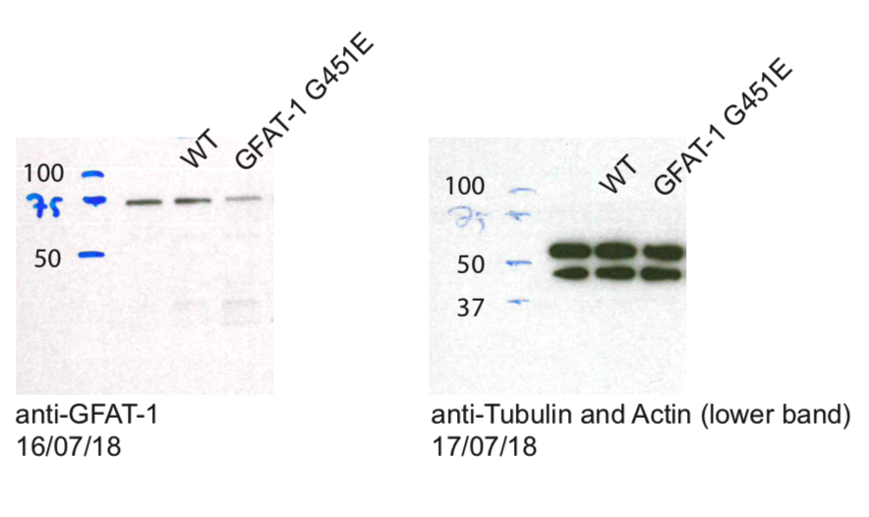
Figure 7e
GFAT-1 western blot analysis

Figure Supp 6d
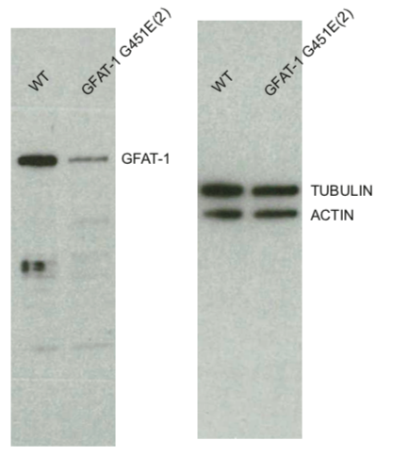
Figure Supp 6d

GFAT-1 western blot analysis
Marker see Figure 7e.

