Supplementary Figure 6c
Supplementary Figure 6c. 2% agarose gel for PCR products uncropped.
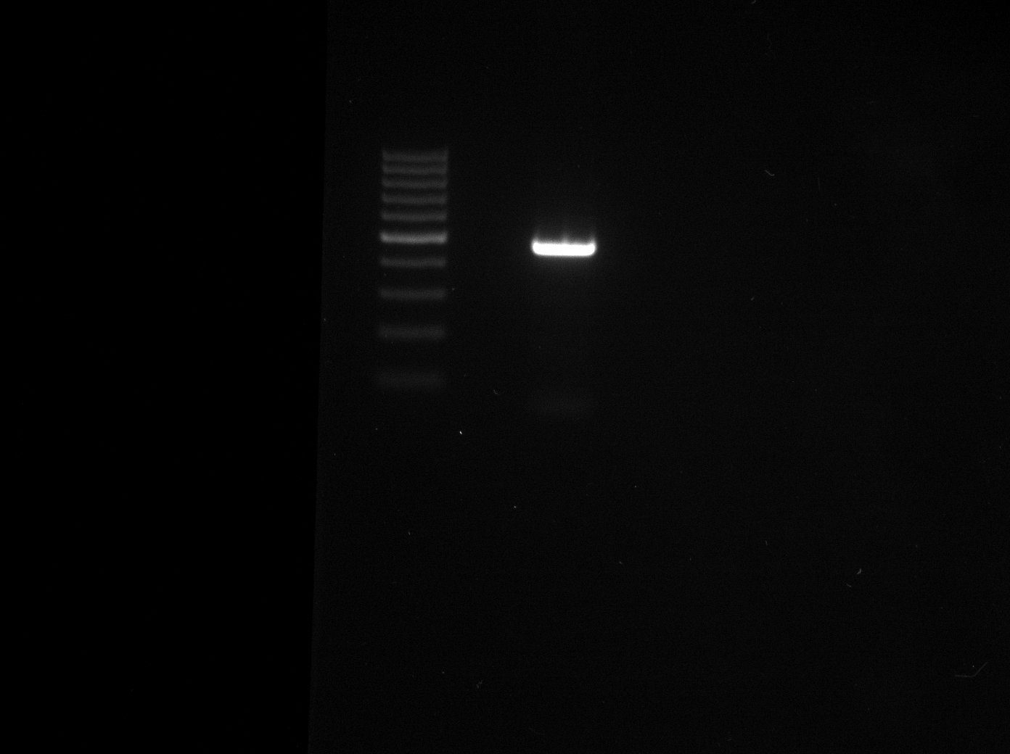

H9 control
H9 enhancer deletion

500bp

