Figure 1
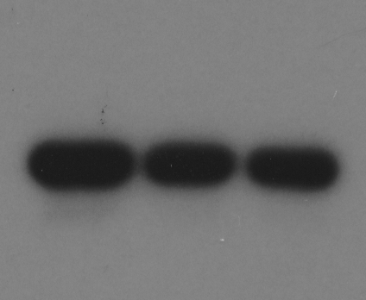
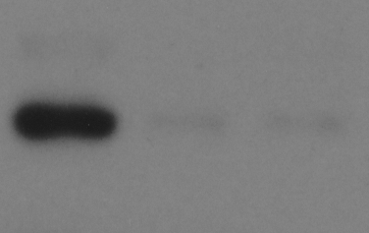
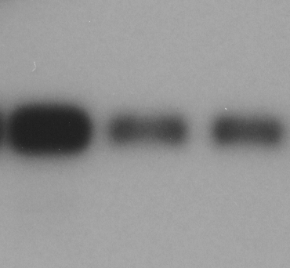
GAPDH
CBX4
Runx2
Fig1G |  |  |  |  |  | Uncropped blots for Figure 1A
U2OS-migration
control | FoldChange_vs_Control | shCBX4#1 | FoldChange_vs_Control | shCBX4#2 | FoldChange_vs_Control
300.2 | 1 | 178 | 0.59293804131 | 161 | 0.53630912725
220.33333333 | 1 | 170.33333333 | 0.77307110439 | 128.66666667 | 0.58396369138
309.8 | 1 | 174 | 0.56165267915 | 160 | 0.5164622337

U2OS-invasion
control | FoldChange_vs_Control | shCBX4#1 | FoldChange_vs_Control | shCBX4#2 | FoldChange_vs_Control
361.6 | 1 | 203.4 | 0.5625 | 241 | 0.66648230088
428.8 | 1 | 199.6 | 0.46548507463 | 270.66666667 | 0.63121890547
473.4 | 1 | 196.6 | 0.41529362062 | 230.6 | 0.48711449092

Fig1H
U2OS/MTX300-migration
control | FoldChange_vs_Control | shCBX4#1 | FoldChange_vs_Control | shCBX4#2 | FoldChange_vs_Control | Uncropped blots for Figure 1B
139.4 | 1 | 76 | 0.54519368723 | 59.6 | 0.42754662841
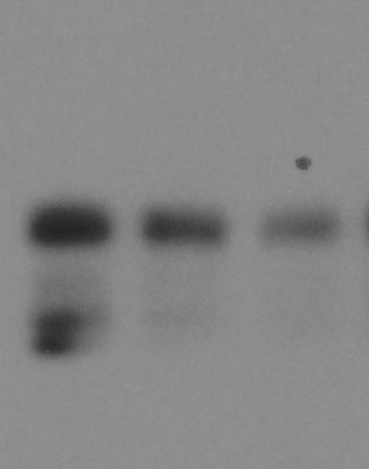
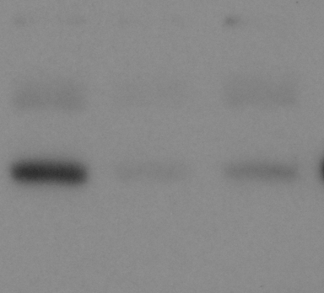
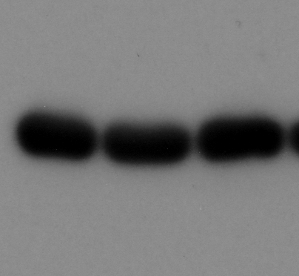
Runx2
CBX4
GAPDH
192.4 | 1 | 99.5 | 0.51715176715 | 92.2 | 0.47920997921
188.2 | 1 | 79.5 | 0.4224229543 | 68 | 0.36131774708

U2OS/MTX300-invasion
control | FoldChange_vs_Control | shCBX4#1 | FoldChange_vs_Control | shCBX4#2 | FoldChange_vs_Control
324.2 | 1 | 136.33333333 | 0.42052231133 | 93 | 0.28685996299
327.8 | 1 | 161 | 0.49115314216 | 95.333333333 | 0.29082774049
325.6 | 1 | 137 | 0.42076167076 | 63 | 0.19348894349

Fig1I
HOS-migration
control | FoldChange_vs_Control | shCBX4#1 | FoldChange_vs_Control | shCBX4#2 | FoldChange_vs_Control
330.4 | 1 | 109.4 | 0.33111380145 | 167.6 | 0.50726392252
351.6 | 1 | 105.8 | 0.30091012514 | 155.8 | 0.44311717861
338.6 | 1 | 91.8 | 0.27111636149 | 141.2 | 0.41701122268

HOS-invasion
control | FoldChange_vs_Control | shCBX4#1 | FoldChange_vs_Control | shCBX4#2 | FoldChange_vs_Control
340.6 | 1 | 205.6 | 0.60364063417 | 171.6 | 0.50381679389
298.2 | 1 | 176 | 0.59020791415 | 176.4 | 0.59154929577
314.8 | 1 | 167.8 | 0.53303684879 | 167.6 | 0.53240152478


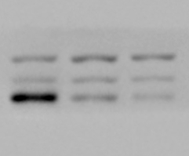
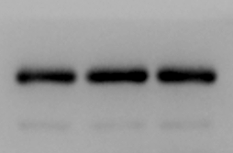
Runx2
CBX4
GAPDH
Fig1J
U2OS-migration |  |  |  |  |  | Uncropped blots for Figure 1C
Vector | FoldChange_vs_Vector | CBX4 | FoldChange_vs_Vector
101 | 1 | 354.6 | 3.5108910891
154.25 | 1 | 376.6 | 2.4414910859
157.66666667 | 1 | 403.2 | 2.5572938689

U2OS-invasion
Vector | FoldChange_vs_Vector | CBX4 | FoldChange_vs_Vector
140.66666667 |  | 242 | 1.7203791469
104.33333333 |  | 208.33333333 | 1.9968051118
122.33333333 |  | 251.25 | 2.0538147139

Fig1K
U2OS/MTX300-migration
Vector | FoldChange_vs_Vector | CBX4 | FoldChange_vs_Vector
85.5 | 1 | 207.8 | 2.4304093567
97.6 | 1 | 213.2 | 2.1844262295
88.8 | 1 | 205.8 | 2.3175675676

U2OS/MTX300-invasion
Vector | FoldChange_vs_Vector | CBX4 | FoldChange_vs_Vector
99 | 1 | 292.33333333 | 2.9528619529
146 | 1 | 344.66666667 | 2.3607305936
150.75 | 1 | 381.33333333 | 2.5295743505

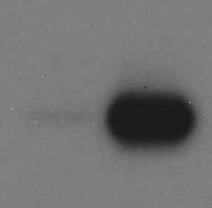
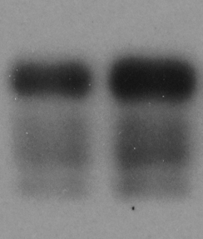
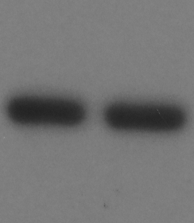
CBX4
GAPDH
Runx2
 |  |  |  |  |  | Uncropped blots for Figure 1D
Fig1L
HOS-migration
Vector | FoldChange_vs_Vector | CBX4 | FoldChange_vs_Vector
200.8 | 1 | 413.2 | 2.0577689243
187.4 | 1 | 422.2 | 2.2529348986
212.2 | 1 | 437.8 | 2.0631479736

HOS-invasion
Vector | FoldChange_vs_Vector | CBX4 | FoldChange_vs_Vector
182 | 1 | 255.4 | 1.4032967033
226.8 | 1 | 364.4 | 1.60670194
209.2 | 1 | 309.4 | 1.4789674952

Fig1M
U2OS
control | FoldChange_vs_Control | shCBX4#1 | FoldChange_vs_Control | shCBX4#2 | FoldChange_vs_Control
7.8125 | 1 | 6.6151977528 | 0.84674531236 | 5.3732102271 | 0.68777090907
7.9215584359 | 1 | 6.3018887439 | 0.80664175922 | 5.8798701071 | 0.74226178531
7.8125 | 1 | 6.2151287793 | 0.7845840979 | 5.0482532447 | 0.64617641532


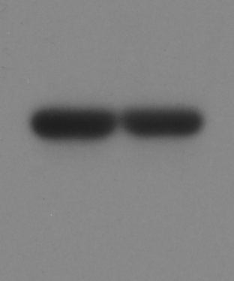
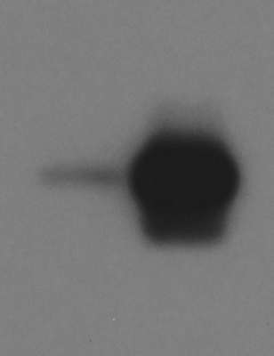
Runx2
GAPDH
CBX4
U2OS/MTX300 |  |  |  |  |  | Uncropped blots for Figure 1E
control | FoldChange_vs_Control | shCBX4#1 | FoldChange_vs_Control | shCBX4#2 | FoldChange_vs_Control
1.7360208617 | 1 | 1.2022894662 | 0.69255473406 | 1.0911007208 | 0.62850668726
1.7240292896 | 1 | 1.1140270663 | 0.64617641532 | 1.137435143 | 0.65975395539
1.8223300616 | 1 | 1.1295783046 | 0.61985384997 | 1.1533131459 | 0.63287829699

HOS
control | FoldChange_vs_Control | shCBX4#1 | FoldChange_vs_Control | shCBX4#2 | FoldChange_vs_Control
3.2620621853 | 1 | 2.1372923853 | 0.65519670193 | 2.1822014415 | 0.66896377739
3.5205096196 | 1 | 2.1671278751 | 0.61557220667 | 2.338825595 | 0.66434290705
3.5449967005 | 1 | 2.2280541326 | 0.62850668726 | 2.2280541326 | 0.62850668726

Fig1N
U2OS
Vector | FoldChange_vs_Vector | CBX4 | FoldChange_vs_Vector
2.1225290284 | 1 | 3.6194846168 | 1.7052697835
2.0788480126 | 1 | 3.3075988764 | 1.5910729675
2.0080348177 | 1 | 3.3537712361 | 1.6701758389

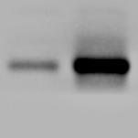


Runx2
CBX4
GAPDH
U2OS/MTX300 |  |  |  |  |  | Uncropped blots for Figure 1F
Vector | FoldChange_vs_Vector | CBX4 | FoldChange_vs_Vector
1.7848270512 | 1 | 3.4720417233 | 1.9453098948
1.8735627331 | 1 | 3.3770985598 | 1.8025009252
1.9129302687 | 1 | 3.4961916833 | 1.8276629005

HOS
Vector | FoldChange_vs_Vector | CBX4 | FoldChange_vs_Vector
2.0644883605 |  | 2.5241266223 | 1.2226402777
1.994164308 |  | 2.4721808476 | 1.2397076999
2.1225290284 |  | 2.6313155798 | 1.2397076999

Fig1P
U2OS/MTX300
Vector | FoldChange_vs_Vector | CBX4 | FoldChange_vs_Vector | CDM | FoldChange_vs_Vector
0.94985834708 | 1 | 1.3156577899 | 1.3851094681 | 0.89241352561 | 0.93952274921
0.93031054496 | 1 | 1.3248089135 | 1.4240501956 | 0.92388442063 | 0.99309249544
0.92388442063 | 1 | 1.3906740191 | 1.5052467474 | 0.81551554632 | 0.88270299629 | Uncropped blots for Figure 1O

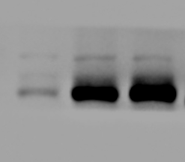
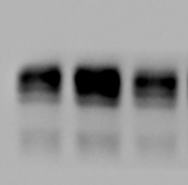
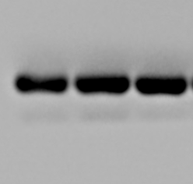
Runx2
GAPDH
CBX4
Fig1Q
U2OS/MTX300-migration
Vector | FoldChange_vs_Vector | CBX4 | FoldChange_vs_Vector | CDM | FoldChange_vs_Vector
180.2 |  | 377.8 | 1.416041979 | 228.6 | 0.85682158921
205.4 |  | 351.2 | 1.7098344693 | 212.6 | 1.035053554
266.8 |  | 341.66666667 | 1.8960414354 | 161.4 | 0.89567147614

U2OS/MTX300-invasion
Vector | FoldChange_vs_Vector | CBX4 | FoldChange_vs_Vector | CDM | FoldChange_vs_Vector
365.4 |  | 491 | 1.3437328955 | 299 | 0.81828133552
290.2 |  | 467.8 | 1.6119917298 | 250.2 | 0.86216402481
307.2 |  | 489 | 1.591796875 | 285.8 | 0.93033854167

Figure 2


Runx2
p16
Fig2A |  |  |  |  |  |  |  |  |  | Uncropped blots for Figure 2C
U2OS
control | FoldChange_vs_Control |  | shCBX4#1 | FoldChange_vs_Control |  | shCBX4#2 | FoldChange_vs_Control
2.6992177065 | 1 |  | 1.0272817523 | 0.38058499312 |  | 0.96301408591 | 0.35677525513
2.9202458154 | 1 |  | 1.4866433505 | 0.50908157892 |  | 1.3678735521 | 0.46841041424
2.809731761 | 1 |  | 1.2569625514 | 0.4473603384 |  | 1.3471010277 | 0.47944115038

U2OS/MTX300
control | FoldChange_vs_Control |  | shCBX4#1 | FoldChange_vs_Control |  | shCBX4#2 | FoldChange_vs_Control
2.1081314102 | 1 |  | 1.6036498865 | 0.76069730699 |  | 1.2984000504 | 0.61590090832
2.3745225661 | 1 |  | 1.6939055744 | 0.71336680417 |  | 1.6140257563 | 0.67972643402
2.4255138651 | 1 |  | 1.6786692421 | 0.69208808337 |  | 1.287911442 | 0.53098498448

Fig2B
U2OS
Vector | FoldChange_vs_Vector |  | CBX4 | FoldChange_vs_Vector
1.2054844978 | 1 |  | 2.1689812824 | 1.7992610327
1.1703870868 | 1 |  | 2.1701040345 | 1.8541763311 |  |  |  |  |  | Uncropped blots for Figure 2F
1.260695905 | 1 |  | 2.1061381424 | 1.670615518


CBX4
GCN5
U2OS/MTX300
Vector | FoldChange_vs_Vector |  | CBX4 | FoldChange_vs_Vector
1.0066985335 | 1 |  | 2.1541211756 | 2.1397877358
1.0116601544 | 1 |  | 1.9936495629 | 1.9706712321
1.1138733671 | 1 |  | 2.2749404861 | 2.042369046

Fig2D
U2OS
 | control |  |  | shCBX4#2
IgG | 0.2368307 | 0.1794841 | 0.1674646 | 0.3349292 | 0.2835997 | 0.238478
CBX4 | 4.204482 | 4.697614 | 3.950207 | 0.334929 | 0.2836 | 0.238478
H3K27Ac | 8.645372 | 8.293195 | 10.35265 | 2.754763 | 2.851909 | 2.606164
Pol II | 13.47234 | 11.40764 | 11.64734 | 7.422618 | 6.285067 | 7.371346
GCN5 | 6.32033 | 4.993322 | 4.469149 | 0.395021 | 0.327598 | 0.260616

Fig2E
U2OS/MTX300 |  |  |  |  |  |  |  |  |  | Uncropped blots for Figure 2H
 | control |  |  | shCBX4#2


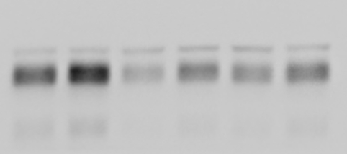

CBX4
GCN5
Runx2
GAPDH
IgG | 0.448111 | 0.4268876 | 0.2936009 | 0.2335702 | 0.2368307 | 0.2796953
CBX4 | 6.054769 | 5.848521 | 3.939662 | 0.065607 | 0.078021 | 0.085378
H3K27Ac | 12.31144 | 14.74269 | 8.408964 | 1.215819 | 2.268798 | 0.987552
Pol II | 7.022224 | 6.925547 | 4.965462 | 3.763117 | 2.448551 | 1.934456
GCN5 | 14.30128 | 9.836001 | 13.52983 | 4.050421 | 4.251795 | 4.620573

Fig2G
U2OS
Vector | FoldChange_vs_Vector |  | CBX4 | FoldChange_vs_Vector
2.2280541326 | 1 |  | 3.8792675603 | 1.7411011266
2.338825595 | 1 |  | 3.988328616 | 1.7052697835
2.4213041014 | 1 |  | 3.90625 | 1.6132835184

Vector+siGCN5#1 | FoldChange_vs_Vector |  | CBX4+siGCN5#1 | FoldChange_vs_Vector
0.66240445676 | 0.29730177875 |  | 1.642375811 | 0.73713460865
0.63984052923 | 0.27357342532 |  | 1.5974649581 | 0.68302012838
0.72486502472 | 0.29936967615 |  | 1.7240292896 | 0.7120250978

Vector+siGCN5#2 | FoldChange_vs_Vector |  | CBX4+siGCN5#2 | FoldChange_vs_Vector
1.4003469219 | 0.62850668726 |  | 2.3226701465 | 1.0424657608
1.4904875088 | 0.63728031366 |  | 2.6131397554 | 1.1172871381
1.4397160325 | 0.5946035575 |  | 2.4213041014 | 1

Fig2I
U2OS
control | FoldChange_vs_Control |  | GCN5 | FoldChange_vs_Control |  | shCBX4#2 | FoldChange_vs_Control | shCBX4#2+GCN5 | FoldChange_vs_Control
22.380024067 | 1 |  | 29.758549499 | 1.3296924708 |  | 16.040041498 | 0.71671243293 | 16.62227013 | 0.74272798279
21.052820674 | 1 |  | 27.58214698 | 1.3101402138 |  | 16.419178577 | 0.77990397729 | 17.416313515 | 0.82726746141
21.639334705 | 1 |  | 29.391724 | 1.358254512 |  | 17.516892269 | 0.8094931063 | 16.712901077 | 0.7723389515 | Uncropped blots for Figure 2K

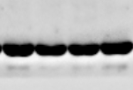
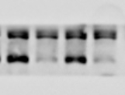
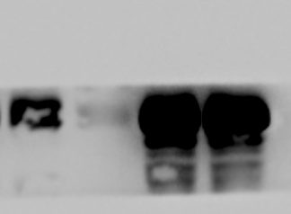
Runx2
GAPDH
CBX4
Fig2J
U2OS/MTX300
control | FoldChange_vs_Control |  | GCN5 | FoldChange_vs_Control |  | shCBX4#2 | FoldChange_vs_Control | shCBX4#2+GCN5 | FoldChange_vs_Control
24.647206664 | 1 |  | 34.222292904 | 1.3884856556 |  | 17.848530344 | 0.7241603719 | 18.527446962 | 0.75170574964
25.6 | 1 |  | 36.030144529 | 1.4074275206 |  | 17.884912769 | 0.69862940503 | 20.293261467 | 0.79270552605
26.243312797 | 1 |  | 38.661795247 | 1.4732055951 |  | 18.221989323 | 0.69434790736 | 23.477467146 | 0.89460760261

Fig2K
U2OS/MTX300-migration
control | FoldChange_vs_control |  | shCBX4#2 | FoldChange_vs_control |  | Runx2 | FoldChange_vs_control | shCBX4#2+Runx2 | FoldChange_vs_control
303.2 | 1 |  | 176.4 | 0.58179419525 |  | 428.6 | 1.4135883905 | 445 | 1.4676781003
330.6 | 1 |  | 152 | 0.45977011494 |  | 467 | 1.4125831821 | 446.6 | 1.350877193
326.8 | 1 |  | 127.2 | 0.38922888617 |  | 464.8 | 1.4222766218 | 425.4 | 1.3017135863

U2OS/MTX300-invasion
control | FoldChange_vs_control |  | shCBX4#2 | FoldChange_vs_control |  | Runx2 | FoldChange_vs_control | shCBX4#2+Runx2 | FoldChange_vs_control
226.4 | 1 |  | 136.4 | 0.60247349823 |  | 315.8 | 1.3948763251 | 310.6 | 1.3719081272
257.4 | 1 |  | 143 | 0.55555555556 |  | 373.4 | 1.4506604507 | 356 | 1.3830613831
257.4 | 1 |  | 119 | 0.46231546232 |  | 331.8 | 1.289044289 | 313.2 | 1.2167832168

Fig2L
U2OS/MTX300-migration
Vector | FoldChange_vs_Vector |  | CBX4 | FoldChange_vs_Vector |  | shRunx2#3 | FoldChange_vs_Vector | CBX4+shRunx2#3 | FoldChange_vs_Vector
228.2 | 1 |  | 322 | 1.4110429448 |  | 143.4 | 0.62839614373 | 140.6 | 0.61612620508 | Uncropped blots for Figure 2L
212 | 1 |  | 319.4 | 1.5066037736 |  | 99.4 | 0.46886792453 | 124.6 | 0.58773584906


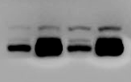
Runx2
GAPDH
CBX4
238.6 | 1 |  | 324.6 | 1.3604358759 |  | 156.2 | 0.65465213747 | 147.2 | 0.61693210394

U2OS/MTX300-invasion
Vector | FoldChange_vs_Vector |  | CBX4 | FoldChange_vs_Vector |  | shRunx2#3 | FoldChange_vs_Vector | CBX4+shRunx2#3 | FoldChange_vs_Vector
224 | 1 |  | 340.4 | 1.5196428571 |  | 116.75 | 0.52120535714 | 128 | 0.57142857143
235.8 | 1 |  | 362.2 | 1.5360474979 |  | 122.5 | 0.51950805768 | 147 | 0.62340966921
209.6 | 1 |  | 347.8 | 1.659351145 |  | 109 | 0.52003816794 | 118.2 | 0.56393129771

Fig2M
U2OS/MTX300-migration
control | FoldChange_vs_control |  | shCBX4#2 | FoldChange_vs_control |  | shRunx2#3 | FoldChange_vs_control | shCBX4#2+shRunx2#3 | FoldChange_vs_control
564.6 | 1 |  | 252.2 | 0.44668792065 |  | 225 | 0.39851222104 | 231.2 | 0.40949344669
538.2 | 1 |  | 239.8 | 0.44555927165 |  | 268 | 0.49795615013 | 216.2 | 0.40170940171
512 | 1 |  | 269 | 0.525390625 |  | 249.4 | 0.487109375 | 236.2 | 0.461328125

U2OS/MTX300-invasion
control | FoldChange_vs_control |  | shCBX4#2 | FoldChange_vs_control |  | shRunx2#3 | FoldChange_vs_control | shCBX4#2+shRunx2#3 | FoldChange_vs_control
449 | 1 |  | 249.2 | 0.55501113586 |  | 222 | 0.49443207127 | 268.8 | 0.5986636971 | Uncropped blots for Figure 2M
468.2 | 1 |  | 268.2 | 0.57283212302 |  | 289.6 | 0.61853908586 | 267.4 | 0.57112345152


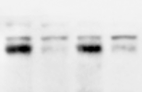
Runx2
GAPDH
CBX4
487.2 | 1 |  | 244.4 | 0.50164203612 |  | 270.8 | 0.55582922824 | 209.2 | 0.42939244663

Figure 3
Fig3E
 | Vector+Flag-CBX4 | Myc-CHIP+Flag-CBX4 | Myc-H260Q+Flag-CBX4
0h | 1 | 1 | 1
4h | 1.0382937028 | 0.77529772136 | 0.98190806785
8h | 0.79733852656 | 0.33662855305 | 0.57342265505
12h | 0.1386308888 | 0.01351269699 | 0.15912249854

Fig3H
 | control+Flag-CBX4 | siCHIP+Flag-CBX4
0h | 1 | 1
4h | 0.91730903114 | 0.8920318292
8h | 0.53199388128 | 0.71741784728
12h | 0.087978565429 | 0.30078356254

Fig3K
 | Flag-CBX4 | Flag-K178A | Flag-K280A |  | Flag-K178,280A
0h | 1 | 1 | 1 |  | 1
4h | 0.800484 | 0.892349 | 1.05203 |  | 1.082127
8h | 0.526465 | 0.616233 | 0.960917 |  | 0.921578
12h | 0.307605 | 0.436734 | 0.850895 |  | 0.745231

Uncropped blots for Figure 3B |  |  |  |  | Uncropped blots for Figure 3C |  | Uncropped blots for Figure 3D

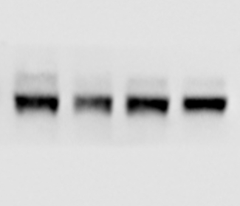
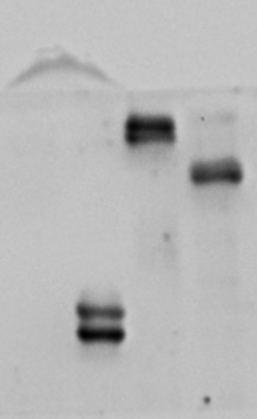
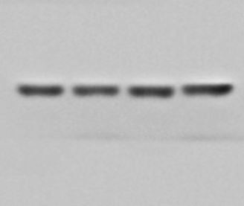
CBX4
GAPDH
Myc
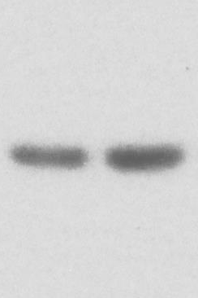

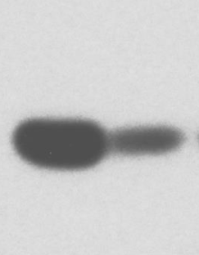
CBX4
Tubulin
CHIP
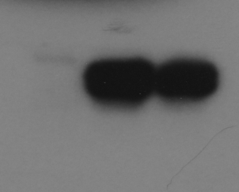
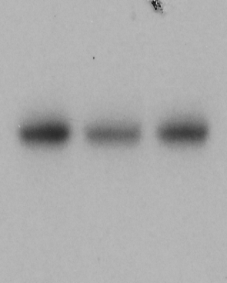
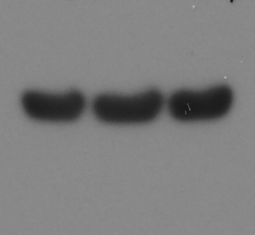
Flag
Tubulin
Myc

Uncropped blots for Figure 3E |  |  |  |  |  |  | Uncropped blots for Figure 3F




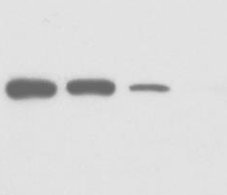
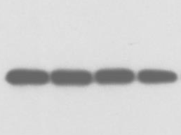
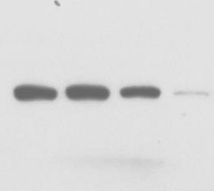
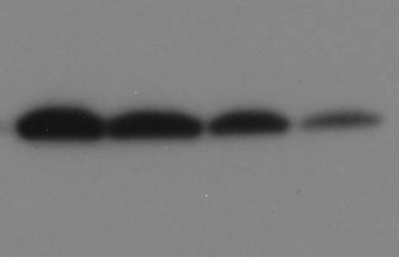
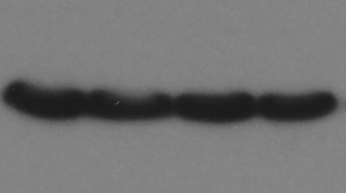
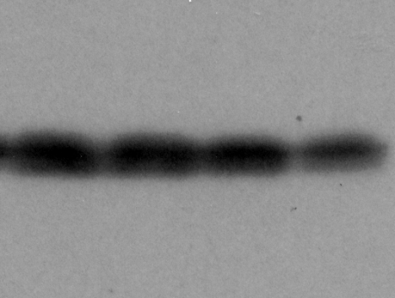
Flag
GAPDH
Myc
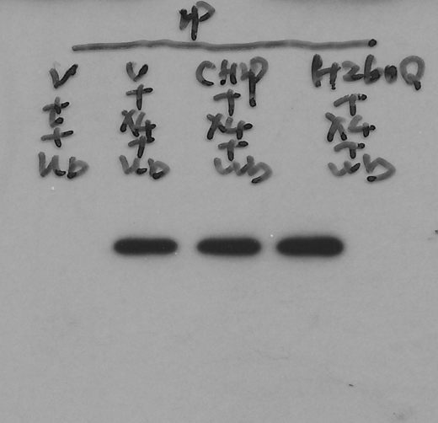
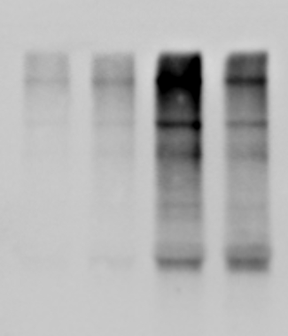
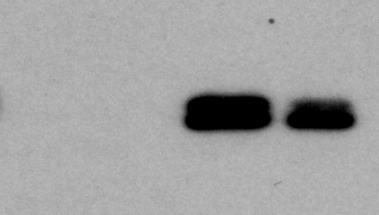
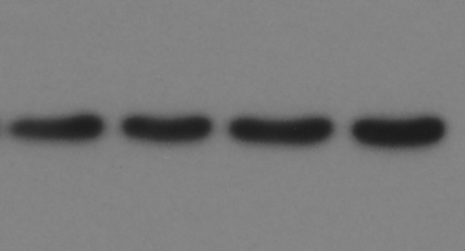
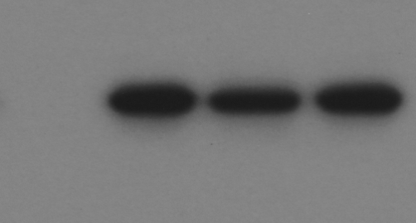
HA
Tubulin
Myc
Flag
Flag

Uncropped blots for Figure 3G |  |  |  | Uncropped blots for Figure 3H |  |  |  | Uncropped blots for Figure 3I

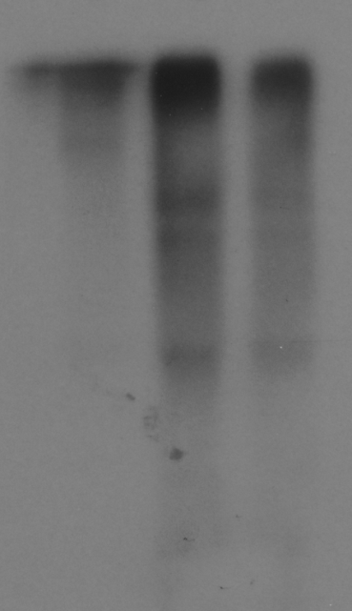
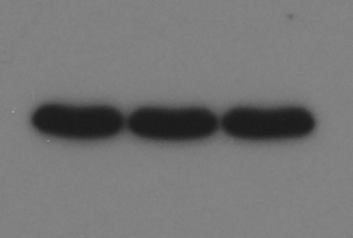
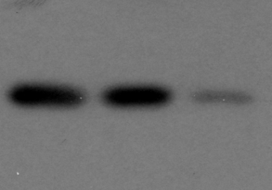
HA
Tubulin
CHIP
Flag
Flag
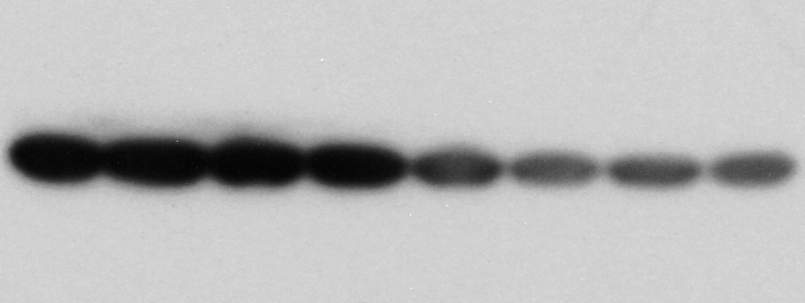
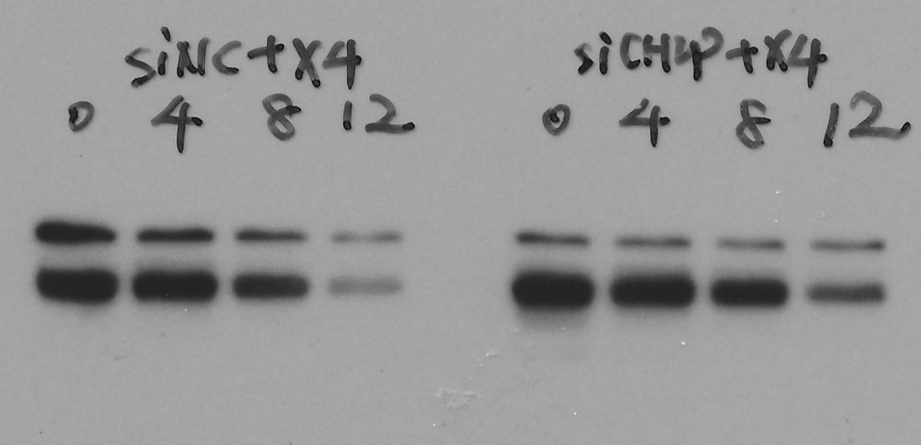
Flag
Tubulin
CHIP
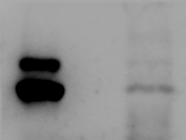

CBX4
CHIP

Uncropped blots for Figure 3J |  |  |  |  |  | Uncropped blots for Figure 3K

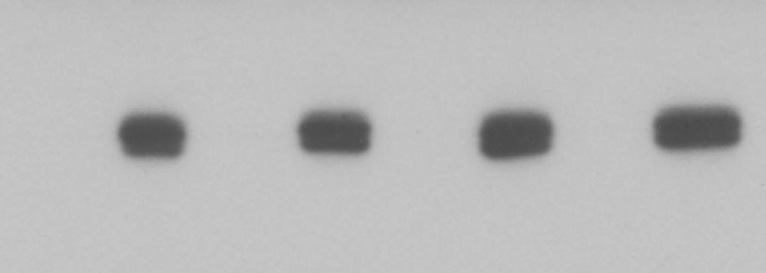
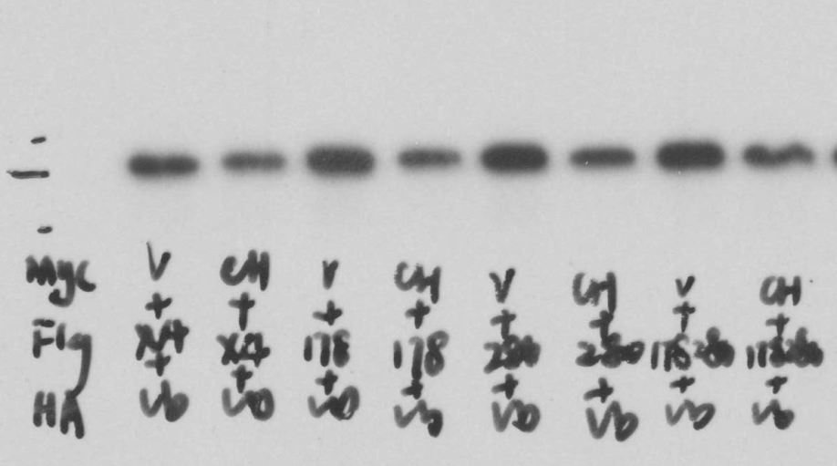

HA
Flag
Flag
Myc







Flag
GAPDH

Figure 4
Fig4B
 | Myc-CHIP+Flag-CBX4 | Myc-CHIP+Flag-T437A
0h | 1 | 1
4h | 0.61718492047 | 0.89946061167
8h | 0.16189259959 | 0.492850611
12h | 0.016306475458 | 0.21855363439

Uncropped blots for Figure 4A |  |  |  | Uncropped blots for Figure 4B |  |  | Uncropped blots for Figure 4C



HA
Flag
Flag
Myc






Flag
Myc
Tubulin




V5
Flag
Flag
V5
Tubulin

Uncropped blots for Figure 4D |  |  | Uncropped blots for Figure 4E |  |  | Uncropped blots for Figure 4F


CBX4
CK1α



Flag
V5
Tubulin



Flag
P-T437
Flag
V5
Tubulin

Uncropped blots for Figure 4G |  |  |  | Uncropped blots for Figure 4H |  |  | Uncropped blots for Figure 4I




P-T437
Flag
V5




P-T437
CBX4
CK1 α
CBX4
Tubulin





CBX4
P-T437
CK1α
CBX4
Tubulin

Uncropped blots for Figure 4J |  |  |  |  | Uncropped blots for Figure 4K |  |  | Uncropped blots for Figure 4L



Runx2
Tubulin
CBX4



Runx2
GAPDH
CBX4



Runx2
GAPDH
GCN5

Uncropped blots for Figure 4M





P-T437
CBX4
CBX4
Tubulin




P-T437
CBX4
CBX4
Tubulin

Figure 5




CBX4
CK1α
Runx2
Tubulin




CBX4
CK1α
Runx2
Tubulin
Fig5D |  |  |  |  |  |  |  | Uncropped blots for Figure 5A | Uncropped blots for Figure 5B
U2OS-migration
control | FoldChange_vs_Control | shCK1α#3 | FoldChange_vs_Control | shCK1α#4 | FoldChange_vs_Control
136.6 | 1 | 308.6 | 2.2591508053 | 390.8 | 2.8609077599
192.2 | 1 | 343.2 | 1.7856399584 | 406.8 | 2.1165452653
180 | 1 | 327.4 | 1.8188888889 | 392.2 | 2.1788888889

U2OS-invasion
control | FoldChange_vs_Control | shCK1α#3 | FoldChange_vs_Control | shCK1α#4 | FoldChange_vs_Control
234.2 | 1 | 400.8 | 1.7113578138 | 402.6 | 1.7190435525
188.4 | 1 | 388.4 | 2.0615711253 | 383 | 2.0329087049
187.2 | 1 | 361.4 | 1.9305555556 | 378.4 | 2.0213675214

Fig5E
U2OS/MTX300-migration
control | FoldChange_vs_Control | shCK1α#3 | FoldChange_vs_Control | shCK1α#4 | FoldChange_vs_Control
156 | 1 | 263.2 | 1.6871794872 | 279.4 | 1.791025641
152.8 | 1 | 302.4 | 1.9790575916 | 283 | 1.8520942408
169 | 1 | 315.8 | 1.8686390533 | 287.6 | 1.7017751479

U2OS/MTX300-invasion
control | FoldChange_vs_Control | shCK1α#3 | FoldChange_vs_Control | shCK1α#4 | FoldChange_vs_Control
74.333333333 | 1 | 139.8 | 1.8807174888 | 214.4 | 2.8843049327
97.6 | 1 | 200.2 | 2.0512295082 | 240 | 2.4590163934 |  |  | Uncropped blots for Figure 5C | Uncropped blots for Figure 5G
83.2 | 1 | 230.2 | 2.7668269231 | 248.2 | 2.9831730769




CBX4
CK1α
Runx2
GAPDH



CBX4
CK1α
Runx2
Tubulin
Fig5F
HOS-migration
control | FoldChange_vs_Control | shCK1α#3 | FoldChange_vs_Control | shCK1α#4 | FoldChange_vs_Control
120 | 1 | 356.6 | 2.9716666667 | 388.6 | 3.2383333333
188 | 1 | 456.6 | 2.4287234043 | 463.6 | 2.4659574468
165.8 | 1 | 371 | 2.2376357057 | 464 | 2.7985524729

HOS-invasion
control | FoldChange_vs_Control | shCK1α#3 | FoldChange_vs_Control | shCK1α#4 | FoldChange_vs_Control
81.4 | 1 | 215 | 2.6412776413 | 199.2 | 2.4471744472
133.6 | 1 | 234 | 1.751497006 | 283.6 | 2.122754491
113 | 1 | 255.2 | 2.2584070796 | 220.6 | 1.9522123894

Fig5J
U2OS-migration
Vector | FoldChange_vs_Vector | CK1α | FoldChange_vs_Vector
354.4 | 1 | 144.2 | 0.40688487585
353 | 1 | 147.6 | 0.41813031161
401.4 | 1 | 111 | 0.27653213752

U2OS-invasion
Vector | FoldChange_vs_Vector | CK1α | FoldChange_vs_Vector
342.8 | 1 | 121.2 | 0.35355892649
437 | 1 | 141.4 | 0.32356979405 |  |  |  |  | Uncropped blots for Figure 5H | Uncropped blots for Figure 5I




CBX4
CK1α
Runx2
GAPDH
419.6 | 1 | 138.6 | 0.33031458532




CBX4
CK1α
Runx2
Tubulin
Fig5K
U2OS/MTX300-migration
Vector | FoldChange_vs_Vector | CK1α | FoldChange_vs_Vector
348.8 | 1 | 160.2 | 0.45928899083
278.6 | 1 | 152.2 | 0.54630294329
239.6 | 1 | 148.4 | 0.61936560935

U2OS/MTX300-invasion
Vector | FoldChange_vs_Vector | CK1α | FoldChange_vs_Vector
286.6 | 1 | 168 | 0.58618283322
275.8 | 1 | 125.8 | 0.45612762872
249.4 | 1 | 136.5 | 0.54731355253

Fig5L
HOS-migration
Vector | FoldChange_vs_Vector | CK1α | FoldChange_vs_Vector
419 | 1 | 243.2 | 0.58042959427
395.2 | 1 | 262.6 | 0.66447368421
451.4 | 1 | 293.6 | 0.65042091272

HOS-invasion
Vector | FoldChange_vs_Vector | CK1α | FoldChange_vs_Vector
429.33333333 | 1 | 271.66666667 | 0.63276397516
382 | 1 | 223.33333333 | 0.58464223386
385.33333333 | 1 | 243 | 0.63062283737 |  |  |  |  | Uncropped blots for Figure 5M



CK1α
CBX4
GAPDH
Fig5M
U2OS/MTX300-migration
Vector | FoldChange_vs_Vector | CK1α | FoldChange_vs_Vector | CBX4 | FoldChange_vs_Vector | CK1α+CBX4 | FoldChange_vs_Vector
277.8 | 1 | 203.6 | 0.73290136789 | 461.4 | 1.6609071274 | 455.6 | 1.6400287977
251.8 | 1 | 194 | 0.77045274027 | 413.2 | 1.6409849087 | 451 | 1.7911040508
269.66666667 | 1 | 201.8 | 0.74833127318 | 444.2 | 1.6472187886 | 459.6 | 1.7043263288

U2OS/MTX300-invasion
Vector | FoldChange_vs_Vector | CK1α | FoldChange_vs_Vector | CBX4 | FoldChange_vs_Vector | CK1α+CBX4 | FoldChange_vs_Vector
256.6 | 1 | 180.2 | 0.70226 | 405 | 1.578332 | 447.6 | 1.744349
270.8 | 1 | 182 | 0.672083 | 443.8 | 1.638848 | 426.4 | 1.574594
251.6 | 1 | 182.2 | 0.724165 | 409.8 | 1.628776 | 447.2 | 1.777424

Figure 7
Fig7B
U2OS/MTX300-migration
DMSO | FoldChange_vs_DMSO |  | PP | FoldChange_vs_DMSO
464 | 1 |  | 141.8 | 0.30560344828
439.8 | 1 |  | 168 | 0.38199181446
447.4 | 1 |  | 142.4 | 0.31828341529

U2OS/MTX300-invasion
DMSO | FoldChange_vs_DMSO |  | PP | FoldChange_vs_DMSO
318.6 | 1 |  | 158 | 0.49591964846
311 | 1 |  | 149 | 0.47909967846
268 | 1 |  | 113.2 | 0.4223880597

Fig7F
U2OS/MTX300-migration
control | FoldChange_vs_control |  | shCBX4#2 | FoldChange_vs_control |  | shCBX4#2+WT | FoldChange_vs_control |  | shCBX4#2+K178,280A | FoldChange_vs_control | shCBX4+T437A | FoldChange_vs_control
356.33333333 | 1 |  | 179 | 0.50233863424 |  | 390 | 1.0944808232 |  | 375 | 1.0523854069 | 363 | 1.0187090739
322.33333333 | 1 |  | 154.75 | 0.48009307135 |  | 321.33333333 | 0.99689762151 |  | 309 | 0.95863495346 | 271.66666667 | 0.84281282316
284.66666667 | 1 |  | 118 | 0.41451990632 |  | 281.66666667 | 0.98946135831 |  | 257.33333333 | 0.90398126464 | 253 | 0.8887587822

U2OS/MTX300-invasion
control | FoldChange_vs_control |  | shCBX4#2 | FoldChange_vs_control |  | shCBX4#2+WT | FoldChange_vs_control |  | shCBX4#2+K178,280A | FoldChange_vs_control | shCBX4+T437A | FoldChange_vs_control
393 | 1 |  | 146 | 0.37150127226 |  | 388.8 | 0.9893129771 |  | 352.6 | 0.89720101781 | 366 | 0.93129770992
418.6 | 1 |  | 179.75 | 0.42940754897 |  | 317 | 0.75728619207 |  | 350.8 | 0.83803153368 | 350.2 | 0.83659818442
399.8 | 1 |  | 184.66666667 | 0.46189761547 |  | 484.8 | 1.2126063032 |  | 421.4 | 1.0540270135 | 403.4 | 1.0090045023

Fig7H
U2OS/MTX300-migration
shCBX4#2+WT+DMSO | FoldChange_vs_control |  | shCBX4#2+WT+PP | FoldChange |  | shCBX4#2+K178,280A+DMSO | FoldChange |  | shCBX4#2+K178,280A+PP | FoldChange | shCBX4+T437A+DMSO | FoldChange | shCBX4+T437A+PP | FoldChange
153.75 | 1 |  | 70.6 | 0.45918699187 |  | 165.6 | 1.0770731707 |  | 190.6 | 1.2396747967 | 194.6 | 1.2656910569 | 179 | 1.1642276423
238.6 | 1 |  | 87.4 | 0.36630343671 |  | 209.8 | 0.87929589271 |  | 197.5 | 0.82774518022 | 226.4 | 0.94886839899 | 187.2 | 0.7845766974
259 | 1 |  | 90.4 | 0.34903474903 |  | 265.2 | 1.0239382239 |  | 245.8 | 0.94903474903 | 231.8 | 0.89498069498 | 225.5 | 0.87065637066

U2OS/MTX300-invasion
shCBX4#2+WT+DMSO | FoldChange_vs_control |  | shCBX4#2+WT+PP | FoldChange |  | shCBX4#2+K178,280A+DMSO | FoldChange |  | shCBX4#2+K178,280A+PP | FoldChange | shCBX4+T437A+DMSO | FoldChange | shCBX4+T437A+PP | FoldChange
347.6 | 1 |  | 177 | 0.50920598389 |  | 305.8 | 0.87974683544 |  | 300.2 | 0.86363636364 | 358.8 | 1.0322209436 | 329 | 0.94649021864
372.8 | 1 |  | 160 | 0.42918454936 |  | 307.4 | 0.82457081545 |  | 294.6 | 0.7902360515 | 297.6 | 0.7982832618 | 294.75 | 0.79063841202
358 | 1 |  | 162.6 | 0.45418994413 |  | 336.8 | 0.94078212291 |  | 261 | 0.72905027933 | 345.4 | 0.96480446927 | 273.4 | 0.76368715084

Fig7J
 | control | shCBX4#2 | shCBX4#2+WT+NC | shCBX4#2+WT+PP | shCBX4#2+K178,280A+NC | shCBX4#2+K178,280A+PP | shCBX4#2+T437A+NC | shCBX4#2+T437A+PP
1 | 5.896526 | 4.526727 | 6.207096 | 4.859468 | 6.627673 | 6.535041 | 6.617525 | 6.006629
2 | 5.589101 | 0 | 5.790637 | 0 | 5.440123 | 5.781038 | 4.87956 | 6.161069
3 | 5.219325 | 0 | 5.927114 | 0 | 5.497484 | 4.271633 | 4.930292 | 5.608152
4 | 4.273719 | 0 | 4.965263 | 0 | 5.653243 | 3.818424 | 4.436814 | 4.648565
5 | 4.234796 | 0 | 4.031449 | 0 | 0 | 0 | 0 | 0
6 | 0 | 0 | 0 | 0 | 0 | 0 | 0 | 0

Uncropped blots for Figure 7A |  |  |  |  |  |  | Uncropped blots for Figure 7C |  |  |  |  | Uncropped blots for Figure 7D




CBX4
β-catenin
Tubulin




p-T437
CBX4
Tubulin
CBX4



Flag
Myc
Flag
Myc

Uncropped blots for Figure 7E |  |  |  |  |  |  | Uncropped blots for Figure 7G



CBX4
Tubulin

β-catenin
CBX4
Tubulin

Figure S1

CBX4
GAPDH
FigS1A |  |  |  |  |  |  |  |  |  | Uncropped blots for Figure S1C
CBX2 |  | CBX4 |  | CBX6 |  | CBX7 |  | CBX8
Osteosarcoma | Normal | Osteosarcoma | Normal | Osteosarcoma | Normal | Osteosarcoma | Normal | Osteosarcoma | Normal
2.715893 | 1.028569 | 3.617063 | 1.500802 | 2.788686 | 3.434295 | 1.627607 | 5.764474 | 2 | -0.51457
4.055716 | 0.604071 | 3.761285 | 1.422233 | 3.432959 | 2.771886 | 0.070389 | 5.163499 | 2.179511 | -1.51457
0.918386 | 0.863938 | 3.615887 | 1.722466 | 3.865919 | 1.879706 | 4.468583 | 4.82069 | 1.925999 | 0.925999
3.452859 | 0.485427 | 3.905928 | 2.277985 | 2.432959 | 3.019702 | -0.51457 | 5.299758 | 3.152183 | 0
1.895303 |  | 4.440288 |  | 2.510962 |  | 1.803227 |  | 2.702658
-0.49411 |  | 3.01078 |  | 3.587365 |  | 4.343408 |  | 1.084064
1.618239 |  | 3.647315 |  | 3.195348 |  | 1.604071 |  | 1.344828
1.937344 |  | 2.9241 |  | 3.165108 |  | 1.974529 |  | 1.531069
0.584963 |  | 3.207893 |  | 2.538538 |  | 1.395063 |  | 1.378512
1.15056 |  | 4.105175 |  | 2.025029 |  | 1.863938 |  | 1.709291
0.111031 |  | 2.9241 |  | 2.881665 |  | 1.480265 |  | 0.863938
1.851999 |  | 3.968091 |  | 3.22033 |  | 1.316146 |  | 2.15056
2.378512 |  | 4.192983 |  | 2.618239 |  | 2.906891 |  | 2.790772
2.85997 |  | 3.462052 |  | 2.65764 |  | 0.713696 |  | 3.356144
0.389567 |  | 2.469886 |  | 3.444932 |  | 2.144046 |  | 0.925999
-0.21759 |  | 3.165108 |  | 2.920293 |  | 2.443607 |  | 1.049631

FigS1D
U2OS-MTT
Days | control |  |  | shCBX4 #1 |  |  | shCBX4 #2
1 | 0.1414 | 0.1424 | 0.1398 | 0.1369 | 0.1401 | 0.1431 | 0.1341 | 0.1153 | 0.103
2 | 0.2412 | 0.2298 | 0.2261 | 0.2398 | 0.2588 | 0.2602 | 0.2406 | 0.2329 | 0.219
3 | 0.3084 | 0.3131 | 0.2952 | 0.3038 | 0.2846 | 0.2864 | 0.2991 | 0.2842 | 0.2604
4 | 0.3806 | 0.46 | 0.4382 | 0.4045 | 0.429 | 0.426 | 0.3941 | 0.3774 | 0.3664

FigS1E
U2OS/MTX300-MTT
Days | control |  |  | shCBX4 #1 |  |  | shCBX4 #2
1 | 0.3863 | 0.3908 | 0.3913 | 0.4166 | 0.407 | 0.3717 | 0.3453 | 0.4137 | 0.3648
2 | 0.5418 | 0.5758 | 0.5799 | 0.5758 | 0.5427 | 0.5513 | 0.5476 | 0.5557 | 0.5572
3 | 0.6895 | 0.6997 | 0.6474 | 0.6587 | 0.6613 | 0.6699 | 0.6516 | 0.6361 | 0.6451
4 | 1.1264 | 1.2184 | 1.117 | 1.0357 | 1.2946 | 1.0524 | 1.047 | 1.0252 | 1.0727

FigS1F
U2OS-MTT
Days | Vector |  |  | CBX4
1 | 1.01798 | 0.989952 | 1 | 0.993575 | 0.963493 | 1
2 | 1.617398 | 1.745108 | 1.618985 | 1.697722 | 1.659755 | 1.700058
3 | 2.856954 | 3.00899 | 2.932047 | 2.468458 | 2.619451 | 2.742407
4 | 4.19725 | 4.171867 | 3.983607 | 4.290304 | 4.214661 | 4.20035
5 | 5.035431 | 5.716288 | 5.019831 | 5.388143 | 5.176986 | 5.170853

FigS1G
U2OS/MTX300-MTT
Days | Vector |  |  | CBX4
1 | 1.063521 | 1 | 0.993749 | 0.996675 | 1 | 0.994301
2 | 1.525509 | 1.620286 | 1.497278 | 1.606269 | 1.415103 | 1.427214
3 | 2.393628 | 2.614438 | 2.337366 | 2.594633 | 2.799573 | 2.534552
4 | 3.605162 | 3.626941 | 3.429925 | 4.064593 | 4.075517 | 4.053669
5 | 5.753176 | 6.541036 | 6.055858 | 6.112087 | 6.763477 | 6.44835

Figure S2


Runx2
GAPDH


Runx2
GAPDH
FigS2G |  |  |  |  |  |  | Uncropped blots for Figure S2A | Uncropped blots for Figure S2B
U2OS-migration
control | FoldChange_vs_Control |  | shRunx2#2 | FoldChange_vs_Control | shRunx2#3 | FoldChange_vs_Control
228.8 |  |  | 92 | 0.4020979021 | 107 | 0.46765734266
203.6 |  |  | 94 | 0.46168958743 | 87.8 | 0.43123772102
226 |  |  | 82.25 | 0.3639380531 | 82.8 | 0.36637168142

U2OS-invasion
control | FoldChange_vs_Control |  | shRunx2#2 | FoldChange_vs_Control | shRunx2#3 | FoldChange_vs_Control
209.4 |  |  | 93.6 | 0.44699140401 | 137.2 | 0.65520534862
254 |  |  | 129.2 | 0.50866141732 | 135.6 | 0.53385826772
245 |  |  | 115.2 | 0.47020408163 | 126.2 | 0.51510204082

FigS2H
U2OS/MTX300-migration
control | FoldChange_vs_Control |  | shRunx2#2 | FoldChange_vs_Control | shRunx2#3 | FoldChange_vs_Control
542.6 |  |  | 219.4 | 0.44377022654 | 175.6 | 0.3236269812 | Uncropped blots for Figure S2C | Uncropped blots for Figure S2D
494.4 |  |  | 277.8 | 0.51197935864 | 162 | 0.32766990291


Runx2
GAPDH


Runx2
GAPDH
519.4 |  |  | 244.4 | 0.47054293415 | 161.4 | 0.31074316519

U2OS/MTX300-invasion
control | FoldChange_vs_Control |  | shRunx2#2 | FoldChange_vs_Control | shRunx2#3 | FoldChange_vs_Control
291 |  |  | 146.4 | 0.50309278351 | 102 | 0.35051546392
356.8 |  |  | 163.8 | 0.45908071749 | 103.8 | 0.29091928251
329.2 |  |  | 148.8 | 0.45200486027 | 109.5 | 0.33262454435

FigS2I
HOS-migration
control | FoldChange_vs_Control |  | shRunx2#2 | FoldChange_vs_Control | shRunx2#3 | FoldChange_vs_Control
658 |  |  | 285 | 0.43313069909 | 228.6 | 0.34741641337
631.2 |  |  | 303.8 | 0.48130544994 | 222 | 0.35171102662
652.6 |  |  | 236.2 | 0.36193686791 | 209.8 | 0.32148329758

HOS-invasion
control | FoldChange_vs_Control |  | shRunx2#2 | FoldChange_vs_Control | shRunx2#3 | FoldChange_vs_Control | Uncropped blots for Figure S2E | Uncropped blots for Figure S2F
696 |  |  | 330.8 | 0.47528735632 | 224.4 | 0.3224137931


Runx2
GAPDH


Runx2
GAPDH
682.4 |  |  | 362 | 0.53048065651 | 244 | 0.35756154748
646.5 |  |  | 302.8 | 0.46836813612 | 276 | 0.42691415313

FigS2J
U2OS-migration
Vector | FoldChange_vs_Vector |  | Runx2 | FoldChange_vs_Vector
148.4 |  |  | 315.6 | 2.1266846361
151 |  |  | 287.6 | 1.9046357616
161.6 |  |  | 288.2 | 1.7834158416

U2OS-invasion
Vector | FoldChange_vs_Vector |  | Runx2 | FoldChange_vs_Vector
165.8 |  |  | 250.6 | 1.5114595899
111.8 |  |  | 172 | 1.5384615385
122.4 |  |  | 249.8 | 2.0408496732

FigS2K
U2OS/MTX300-migration
Vector | FoldChange_vs_Vector |  | Runx2 | FoldChange_vs_Vector
190.2 |  |  | 402.2 | 2.1146161935
153.2 |  |  | 303.6 | 1.9817232376
165.6 |  |  | 337.8 | 2.0398550725

U2OS/MTX300-invasion
Vector | FoldChange_vs_Vector |  | Runx2 | FoldChange_vs_Vector
144 |  |  | 306.8 | 2.1305555556
187.4 |  |  | 359.6 | 1.9188900747
189.8 |  |  | 318 | 1.6754478398

FigS2L
HOS-migration
Vector | FoldChange_vs_Vector |  | Runx2 | FoldChange_vs_Vector
210.6 |  |  | 311.6 | 1.4795821462
169.8 |  |  | 304.2 | 1.7915194346
199.2 |  |  | 293.2 | 1.4718875502

HOS-invasion
Vector | FoldChange_vs_Vector |  | Runx2 | FoldChange_vs_Vector
122.4 |  |  | 327.2 | 2.6732026144
170.2 |  |  | 361.8 | 2.1257344301
181.4 |  |  | 386.2 | 2.1289966924

FigS2N
 | Vector | Runx2
1 | 4.810904 | 5.935003
2 | 4.723456 | 6.084576
3 | 3.806112 | 5.726564
4 | 0 | 5.258877
5 | 0 | 5.09899
6 | 0 | 3.882809

Figure S4




Flag
Flag
GAPDH
HA
HA
FigS4B |  |  |  |  |  |  |  |  |  | Uncropped blots for Figure S4D
 | HDAC1 |  |  | HDAC2 |  |  | HDAC3
U2OS/MTX300 | 36.14651 | 36.39792 | 40.66693 | 117.4403 | 116.6291 | 135.8419 | 30.18551 | 29.977 | 33.49292
U2OS | 55.93907 | 55.55267 | 57.11447 | 184.2837 | 178.0063 | 192.1094 | 42.68876 | 40.38603 | 40.66693
HOS | 102.2378 | 109.5757 | 108.0672 | 339.1511 | 371.1309 | 363.4931 | 68.86907 | 75.36299 | 74.32544

FigS4C
Vector | HDAC1 | HDAC2 | HDAC3
1 | 0.965385 | 0.884819 | 1.011946
1 | 1.125109 | 0.925828 | 1.071037
1 | 0.991472 | 0.971216 | 1.100246

FigS4G
Vector | GCN5 | P300 | CBP
1 | 2.109907 | 0.585538 | 0.502822
1 | 2.043712 | 0.615182 | 0.462252
1 | 2.184117 | 0.574622 | 0.443592

 |  |  |  |  |  |  |  |  |  | Uncropped blots for Figure S4E



CBX4
GCN5

 |  |  |  |  |  |  |  |  |  | Uncropped blots for Figure S4F




CBP
p300
CBX4

Figure S6
Uncropped blots for Figure S6A | Uncropped blots for Figure S6B




Flag
Myc
GAPDH






CBX4
CHIP
Tubulin
CBX4
CHIP
Tubulin

Uncropped blots for Figure S6C |  | Uncropped blots for Figure S6D







CHIP
CHIP
CBX4
CBX4
Tubulin
Tubulin



Flag
Myc
Tubulin

Uncropped blots for Figure S6E






Myc
Flag
Flag
Myc
Tubulin

Figure S7
Uncropped blots for Figure S7A






Flag
HA
Flag
Myc
Tubulin

Uncropped blots for Figure S7B





Flag
HA
Flag
Myc
Tubulin

Uncropped blots for Figure S7D




GAPDH
Flag
Myc

Figure S8
GAPDH
Flag
Myc
FigS8F |  |  | Uncropped blots for Figure S8A
 | UP | DOWN
sgCSNK1A1_1 | 7.8707938896 | 7.2757057804
sgCSNK1A1_2 | 7.1155274787 | 5.4872098856
sgCSNK1A1_3 | 9.2047948168 | 7.8795273084
sgCSNK1A1_4 | 9.1682689408 | 7.7826657692

 | UP | DOWN
sgCSNK1D_1 | 10.081884635 | 10.039005522
sgCSNK1D_2 | 9.402240881 | 9.3497063619
sgCSNK1D_3 | 9.4877287801 | 9.2517799412
sgCSNK1D_4 | 10.227458537 | 10.078987208

 | UP | DOWN
sgCSNK1E_1 | 10.457775558 | 10.157061284
sgCSNK1E_2 | 9.017635278 | 9.12581035
sgCSNK1E_3 | 9.9773843207 | 10.317797114 | Uncropped blots for Figure S8B
sgCSNK1E_4 | 9.5980279458 | 9.3519588136




Flag
Myc
Flag
Myc
 | UP | DOWN
sgCSNK1G1_1 | 10.772015735 | 10.902759615
sgCSNK1G1_2 | 9.9872033818 | 10.186387955
sgCSNK1G1_3 | 10.90078863 | 10.862249317
sgCSNK1G1_4 | 9.0792639347 | 9.3177971139

 | UP | DOWN
sgCSNK1G2_1 | 7.4435816764 | 7.1152411083
sgCSNK1G2_2 | 9.9258028371 | 9.925623723
sgCSNK1G2_3 | 9.7275201854 | 9.503511698
sgCSNK1G2_4 | 11.762245754 | 11.627691109

 | UP | DOWN
sgCSNK1G3_1 | 8.9067134639 | 8.3497063619
sgCSNK1G3_2 | 9.242762667 | 9.0221317039
sgCSNK1G3_3 | 9.5665631763 | 9.3497063619
sgCSNK1G3_4 | 8.2380709717 | 8.8286781669

 |  |  | Uncropped blots for Figure S8D




Tubulin
CHIP
CBX4

Figure S9
Uncropped blots for Figure S9


CK1 α

FigureS10
FigS10A
 | IgG |  |  | CBX4
U2OS-Runx2 P1 promoter | 1 | 1 | 1 | 10.92832 | 16.91229 | 13.36141
HCT116-Runx2 P1 promoter | 1 | 1 | 1 | 15.36538 | 12.09722 | 8.379032
U2OS-Runx2 P2 promoter | 1 | 1 | 1 | 15.45498 | 21.40684 | 21.55574
HCT116-Runx2 P2 promoter | 1 | 1 | 1 | 21.25897 | 21.40684 | 18.00094

Uncropped blots for Figure S10B |  |  |  |  | Uncropped blots for Figure S10C





Flag
Myc
Flag
Myc



Flag
HA
Flag
HA

