Sheet1
Figure 2a
 | control | PGE2 | LPS | PGE2+LPS
 | 1 | 0.9 | 21.2 | 1.1
 | 1.1 | 0.9 | 22.1 | 1
 | 1.2 | 1.1 | 23 | 0.5

Figure 2b

 |  | caspase-11 (1:1000, 17D9, Sigma-Aldrich) |  |  |  |  | β-actin (1:15,000, AC-74; Sigma-Aldrich)
WT
IFNAR ^{-/-}

UT
LPS
IFNβ
UT
LPS
IFNβ
UT
LPS
IFNβ
UT
LPS
IFNβ
WT
IFNAR ^{-/-}
PGE₂:
- - - + + + - - - + + +
IFNβ
IFNβ
IFNβ
IFNβ
UT
LPS
UT
LPS
UT
LPS
UT
LPS
260
PGE₂:
- - - + + + - - - + + +
140
100
260
70
140
100
50
70
Caspase 11
40
35
50
25
Actin
40
35
25
15
15

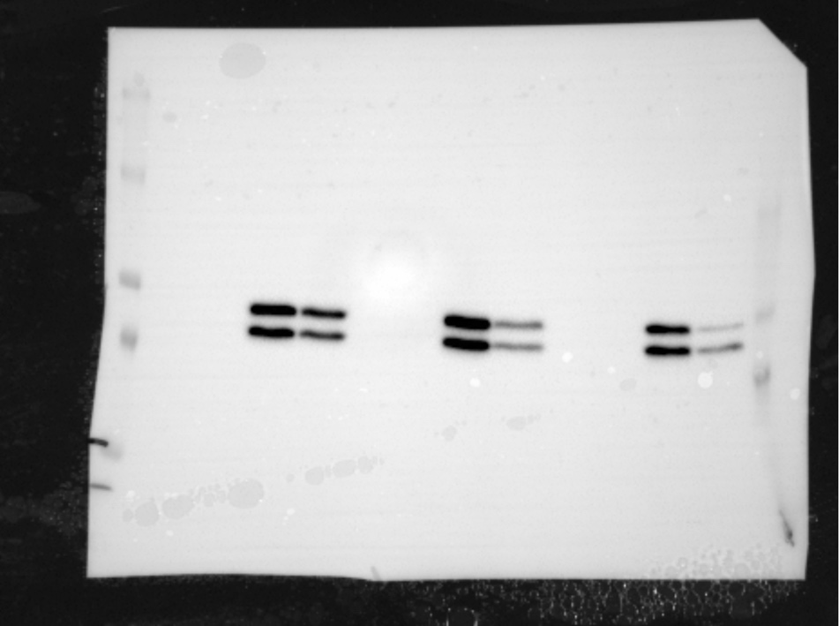
Figure 2c |  |  |  |  | p-STAT1 (1:1000, #9177, Ser727, Cell Signalling)

Marker

Ctrl PGE2 LPS PGE2
+LPS
95 kDa
72 kDa

 |  |  |  |  | total STAT1 (1:1000, #9172, Cell Signalling) |  |  | β-actin (1:15,000, AC-74; Sigma-Aldrich)

Marker
Ctrl PGE2 LPS PGE2
+LPS
Ctrl PGE2 LPS PGE2
+LPS
95 kDa
72 kDa

Figure 2d
 |  |  |  |  |  | total STAT1 (1:1000, #9172, Cell Signalling)
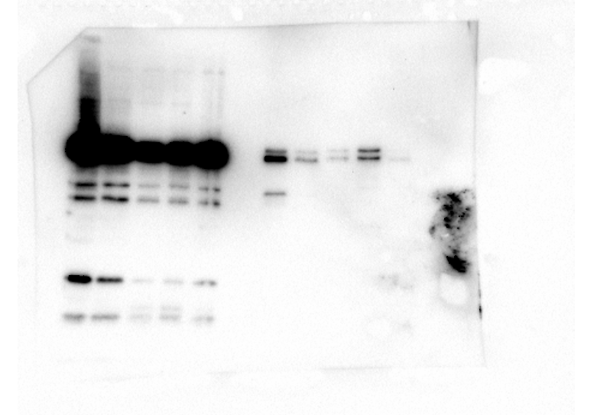

Ctrl LPS PGE2
+LPS
Marker
95kDa

 |  |  |  |  |  | total STAT1 (1:1000, #9172, Cell Signalling)



Marker
Ctrl LPS PGE2
+LPS
95kDa

