Sheet1
Figure 4A

Gating strategy for Figure 4A

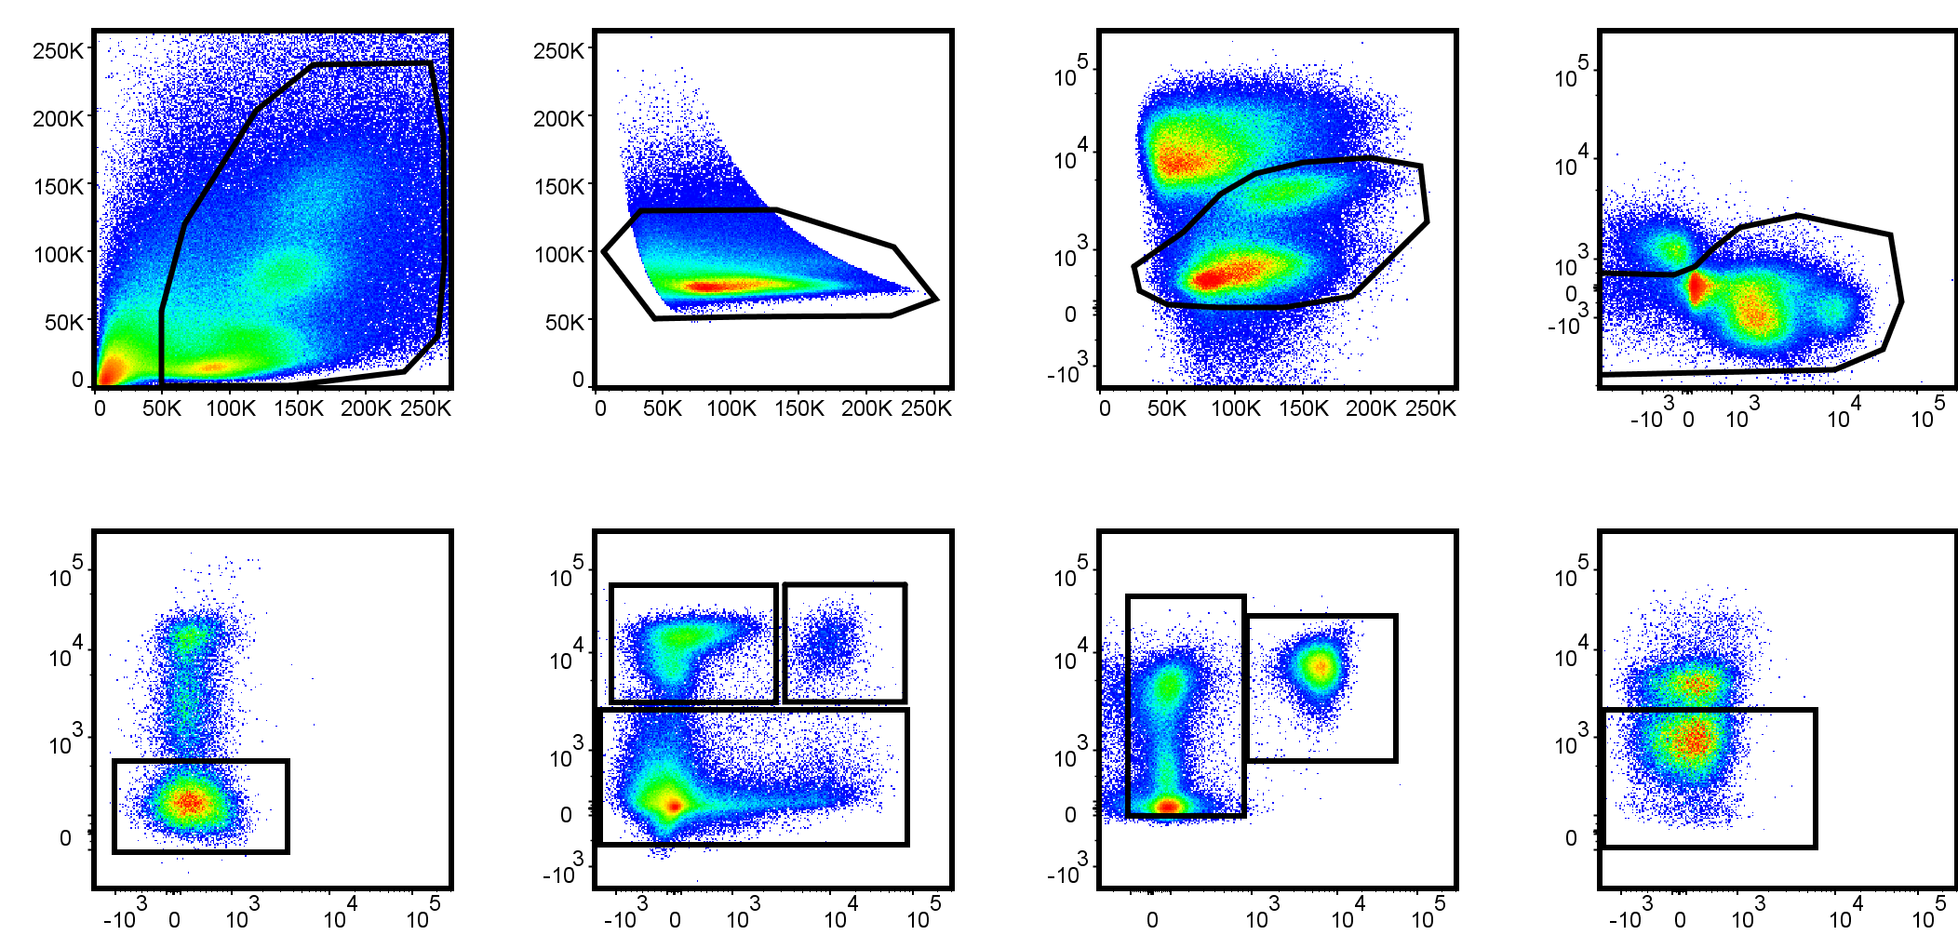
FSc-A
SSc-A
FSc-H
L/D Aqua
FSc-H
FSc-W
empty
CD11b
CD11c
Siglec F
CD45 iv
Ly6G
Ly6C
B220
CD45 iv
empty
Eos
AMac
Infiltrated Eos
Infiltrated Neu
Neu
Cells
Live
Singlets
Siglec F⁺
non-B cells

 |  |  |  |  |  |  |  |  |  | total live [x10e6 cells/lung]
 |  |  |  |  |  |  |  |  |  | total cells
 |  |  |  |  |  |  | Untreated | CTRL | 1.1 | 3.25
 |  |  |  |  |  |  |  |  | 1.2 | 2.4
 |  |  |  |  |  |  |  | Miso | 2.1 | 3.05
 |  |  |  |  |  |  |  |  | 2.2 | 2.2
 |  |  |  |  |  |  |  |  | 2.3 | 3.5
 |  |  |  |  |  |  | AAD | CTRL | 3.1 | 4.1
 |  |  |  |  |  |  |  |  | 3.2 | 5.3
 |  |  |  |  |  |  |  |  | 3.3 | 7.65
 |  |  |  |  |  |  |  |  | 3.4 | 5.45
 |  |  |  |  |  |  |  |  | 3.5 | 7.2
 |  |  |  |  |  |  |  | Miso | 4.1 | 2.75
 |  |  |  |  |  |  |  |  | 4.2 | 3.95
 |  |  |  |  |  |  |  |  | 4.3 | 4.2
 |  |  |  |  |  |  |  |  | 4.4 | 1.9
 |  |  |  |  |  |  |  |  | 4.5 | 2.25
 |  |  |  |  |  |  |  |  | Figure 4A

Figure 4b
 |  |  |  | total live [x10e4 cells/lung]
 |  |  | % live | # live
Untreated | CTRL | 1.1 | 0.375 | 1.21875
 |  | 1.2 | 0.584 | 1.4016
 | Miso | 2.1 | 1.254 | 3.8247
 |  | 2.2 | 0.507 | 1.1154
 |  | 2.3 | 0.662 | 2.317
AAD | CTRL | 3.1 | 4.92 | 20.172
 |  | 3.2 | 5.109 | 27.0777
 |  | 3.3 | 9.122 | 69.7833
 |  | 3.4 | 11.575 | 63.08375
 |  | 3.5 | 9.008 | 64.8576
 | Miso | 4.1 | 0.825 | 2.26875
 |  | 4.2 | 1.99 | 7.8605
 |  | 4.3 | 1.758 | 7.3836
 |  | 4.4 | 1.055 | 2.0045
 |  | 4.5 | 0.636 | 1.431

Figure 4c
Gating strategy for Figure 4C

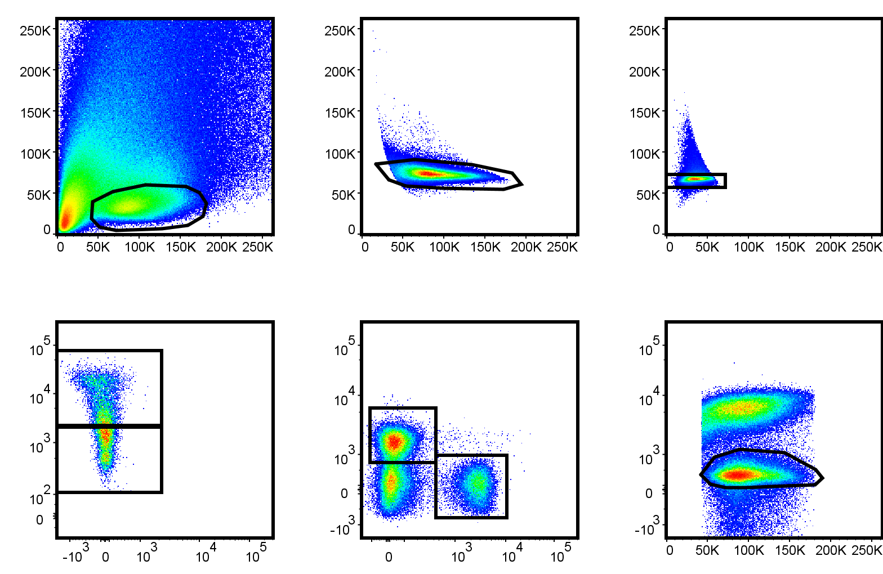
FSc-A
SSc-A
FSc-H
FSc-W
SSc-H
SSc-W
empty
CD4
B220
CD45 iv
FSc-A
L/D Aqua
Total CD4
Infiltrated CD4
Cells
Singlets
Singlets
Live

Figure 4d

 |  |  | % live |  | total live [x10e4 cells/lung]
 |  |  | Eos | Neu | Eos | Neu
Untreated | CTRL | 1.1 | 0.15 | 0.294 | 0.4875 | 0.9555
 |  | 1.2 | 0.143 | 1.548 | 0.3432 | 3.7152
 | Miso | 2.1 | 0.265 | 0.19 | 0.80825 | 0.5795
 |  | 2.2 | 0.15 | 0.928 | 0.33 | 2.0416
 |  | 2.3 | 0.161 | 1.113 | 0.5635 | 3.8955
AAD | CTRL | 3.1 | 3.12 | 17.94 | 12.792 | 73.554
 |  | 3.2 | 9.706 | 15.038 | 51.4418 | 79.7014
 |  | 3.3 | 13.46 | 13.611 | 102.969 | 104.12415
 |  | 3.4 | 6.522 | 18.265 | 35.5449 | 99.54425
 |  | 3.5 | 6.336 | 32.745 | 45.6192 | 235.764
 | Miso | 4.1 | 0.358 | 2.054 | 0.9845 | 5.6485
 |  | 4.2 | 2.889 | 1.295 | 11.41155 | 5.11525
 |  | 4.3 | 1.017 | 2.84 | 4.2714 | 11.928
 |  | 4.4 | 0.333 | 1.316 | 0.6327 | 2.5004
 |  | 4.5 | 0.188 | 0.181 | 0.423 | 0.40725
 |  | Figure 4D

Gating strategy for Figure 4E

Figure 4e

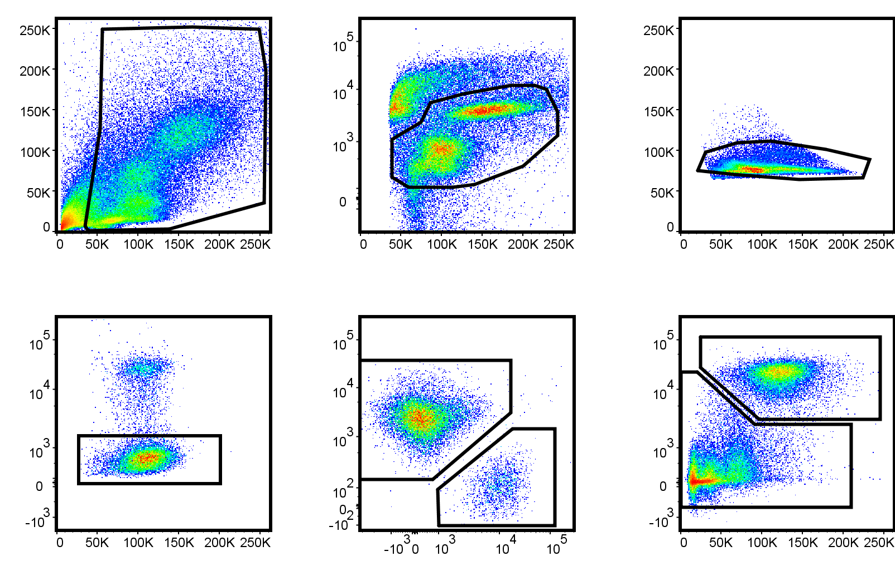
FSc-A
SSc-A
FSc-A
L/D Aqua
FSc-H
FSc-W
SSc-H
SiglecF
CD11c
CD11b
CD45 iv
SSc-A
Eos
AMac
Infiltrated Eos
Cells
Live
Singlets
Siglec F⁺

Figure 4f

 | IL-1β (pro- and cleaved; 1:1000, AF-401; R&D Systems)

OVA /E2 2
OVA /E2 3
OVA /E2 4
OVA /E2 1
OVA 2
OVA 1
OVA 3
OVA 4
50 kDa

C1
C2
C3
C4

36 kDa
36 kDa

16 kDa

OVA /E2 1
OVA /E2 2
OVA /E2 3
OVA /E2 4
 | caspase-11 (1:1000, 17D9, Sigma-Aldrich)
OVA 1
OVA 2
OVA 3
OVA 4

C1
C2
C3
C4

50kDa

36kDa

 | β-actin (1:15,000, AC-74; Sigma-Aldrich)

OVA /E2 1
OVA /E2 2
OVA /E2 3
OVA /E2 4
OVA 1
OVA 2
OVA 3
OVA 4

C1
C2
C3
C4

50kDa

36kDa

Figure 4g |  | densitometry for caspase-11

 |  | ctrl | AAI | Miso+AAI
 |  | 1 | 2.67156 | 1.037669
 |  | 1 | 3.625898 | 1.79444
 |  | 1 | 3.464252 | 0.751141
 |  | 1 | 1.517751 | 0.470439

Figure 4h

 |  | caspase-11 (1:1000, 17D9, Sigma-Aldrich)

ctrl
Indo
AAI
AAI+Indo
1
2
3
4
5
6
1
2
3
4
5
6
Marker
1
2
3
4
5
6
1
2
3
4
5
6

50 kDa
50 kDa
50 kDa

36 kDa
36 kDa

 |  | β-actin (1:15,000, AC-74; Sigma-Aldrich)

ctrl
Indo
AAI
AAI+Indo

1
2
3
4
5
6
1
2
3
4
5
6
1
2
3
4
5
6
1
2
3
4
5
6

Figure 4i | densitometry for caspase-11

 |  | ctrl | AAI | Indo+AAI
 |  | 1 | 2.21543 | 2.23597
 |  | 1 | 1.019869 | 2.865734
 |  | 1 | 1.853851 | 2.841454
 |  | 1 | 2.577026 | 4.109668
 |  | 1 | 1.588093 | 3.814695
 |  | 1 | 2.749135 | 5.213057

