Sheet1
Figure 5A

 | BALF differential cell count

 | AM-wt | AM-cas11-/- | EOS-wt | EOS-cas11-/-
 | 0.2 | 0.0644 | 0.48 | 0.02
 | 0.1 | 0.0326 | 1.11 | 0.035
 | 0.16 | 0.031 | 2.09 | 0.018
 | 0.19 | 0.0338 | 0.1 | 0.014
 | 0.15 | 0.0249 | 1 | 0.015

Figure 5B
 | IL4-BALF |  |  | IL5-BALF
 | WT | cas11-/- |  | WT | cas11-/-
 | 209 | 0 |  | 278 | 105
 | 371 | 0 |  | 289 | 125
 | 317 | 0 |  | 306 | 133
 | 58 | 0 |  | 228 | 121.5
 | 26 | 0 |  | 177.5 | 114.5

Figure 5c | lung histology

WT
cas11^{-/-}
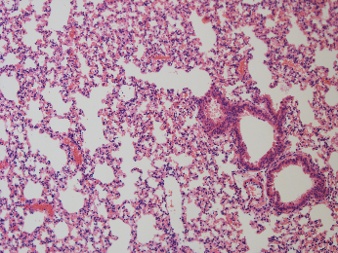
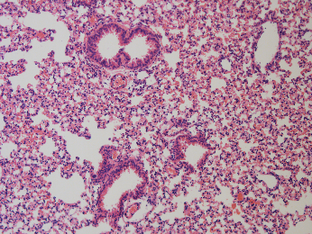

Control

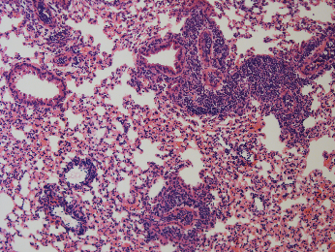
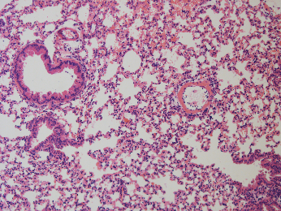

AAD

Figure 5d
 |  | gating strategy
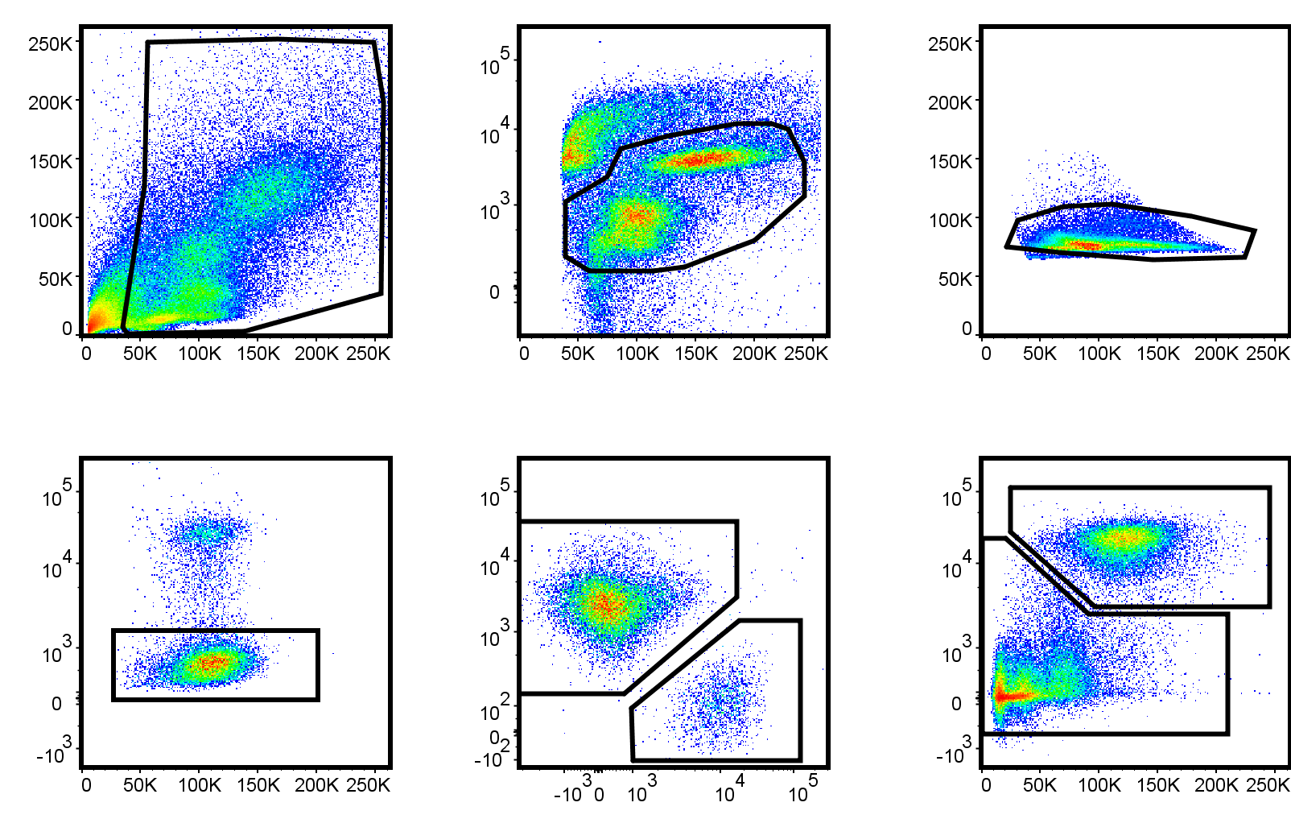
FSc-A
SSc-A
FSc-A
L/D Aqua
FSc-H
FSc-W
SSc-H
SiglecF
CD11c
CD11b
CD45 iv
SSc-A
Eos
AMac
Infiltrated Eos
Cells
Live
Singlets
Siglec F⁺

 |  |  |  |  |  |  | total live [x10e4 cells/lung]
 |  |  |  |  |  | % Eos | infiltrated Eos
 |  |  | AAD | WT | 1.1 | 82.87 | 68.313880652
 |  |  |  |  | 1.2 | 49.369 | 29.258294042
 |  |  |  |  | 1.3 | 73.745 | 63.82049434
 | excluded, AAI not induced |  |  |  | 1.4 | 26.345 | 2.2484152455
 |  |  |  |  | 1.5 | 72.491 | 59.689009929
 |  |  |  | KO | 2.1 | 47.171 | 3.4125025331
 |  |  |  |  | 2.2 | 23.383 | 1.2387775996
 |  |  |  |  | 2.3 | 26.564 | 2.1768487985
 |  |  |  |  | 2.4 | 31.208 | 2.8079616016
 |  |  |  |  | 2.5 | 15.84 | 0.60308287574
 |  |  | Untreated | WT | 5.1 | 1.499 | 0.040516064709
 |  |  |  |  | 5.2 | 4.598 | 0.12366422449
 |  |  |  | KO | 6.1 | 2.935 | 0.059451810811
 |  |  |  |  | 6.2 | 9.956 | 0.33190161037

Figure 5e
 |  |  | gating strategy

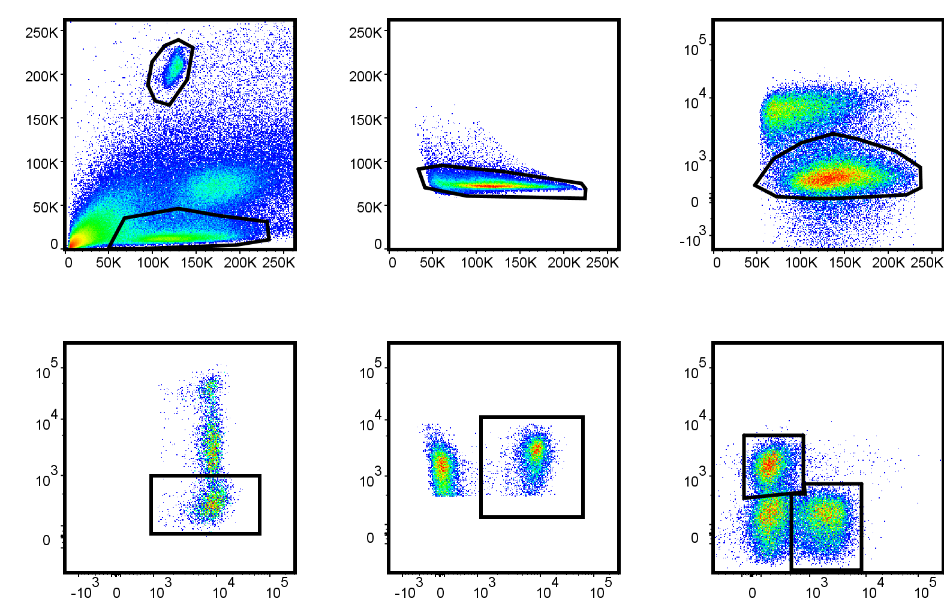
FSc-A
SSc-A
FSc-H
FSc-W
FSc-A
L/D Aqua
CD4
CD4
CD3
CD45 iv
CD3
B220
Total CD4
Infiltrated CD4
Cells
Singlets
Live
CD3

 |  |  |  |  | total live [x10e4 cells/lung]
 |  |  |  |  | CD4 | CD45iv-
 |  | AAD | WT | 1.1 | 29.85787923 | 10.784494933
 |  |  |  | 1.2 | 33.030511671 | 11.065668708
 |  |  |  | 1.3 | 73.538633962 | 20.188624528
excluded, AAI not induced |  |  |  | 1.4 | 31.243948788 | 2.5375235121
 |  |  |  | 1.5 | 56.350995629 | 24.744484112
 |  |  | KO | 2.1 | 22.483390476 | 4.1682069775
 |  |  |  | 2.2 | 31.568587325 | 5.4117578272
 |  |  |  | 2.3 | 41.546981146 | 5.7831304991
 |  |  |  | 2.4 | 28.464550777 | 4.2274085312
 |  |  |  | 2.5 | 20.188675383 | 2.4428030588
 |  | Untreated | WT | 5.1 | 27.12480677 | 3.4746018252
 |  |  |  | 5.2 | 28.175140102 | 4.2451897959
 |  |  | KO | 6.1 | 27.107823811 | 3.0210327568
 |  |  |  | 6.2 | 41.870664692 | 4.3564987598

Figure 5f

cytokines producing CD4 cells

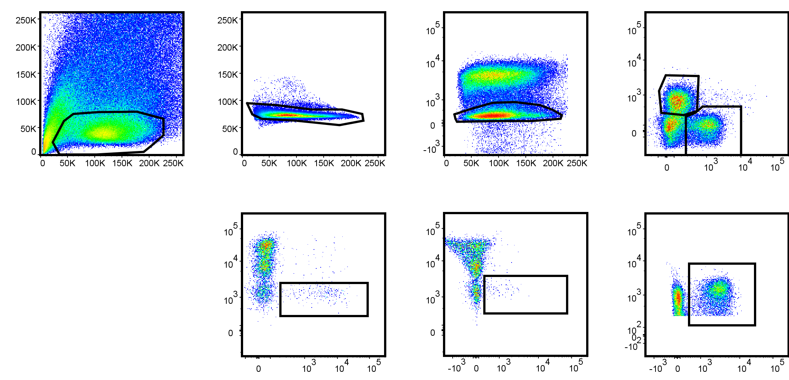
FSc-A
SSc-A
FSc-H
FSc-W
FSc-A
L/D Aqua
IL-17
CD45 iv
IFN-γ
CD45 iv
CD3
B220
CD4
CD3
IFN-γ⁺ CD4
IL-17⁺ CD4
Cells
Singlets
Live
CD3
CD4

 |  |  |  |  | total live [x10e3 cells/lung]
 |  |  |  |  | IFNy+ | IL-17+
 |  | AAD | WT | 1.1 | 4.0828397037 | 13.528936296
 |  |  |  | 1.2 | 12.524358924 | 3.5286884271
 |  |  |  | 1.3 | 11.222830189 | 12.719207547
excluded, AAI not induced |  |  |  | 1.4 | 1.7862103097 | 1.5652358384
 |  |  |  | 1.5 | 13.916696433 | 13.086344617
 |  |  | KO | 2.1 | 2.5716038506 | 2.5716038506
 |  |  |  | 2.2 | 1.7326693223 | 1.5869307812
 |  |  |  | 2.3 | 3.0130203327 | 1.8218262477
 |  |  |  | 2.4 | 1.8731200402 | 1.1169981891
 |  |  |  | 2.5 | 2.1584018711 | 1.472791865
 |  | Untreated | WT | 5.1 | 0.7404660102 | 0.33530536311
 |  |  |  | 5.2 | 0.6644644898 | 0.3322322449
 |  |  | KO | 6.1 | 1.3872089189 | 0.46240297297
 |  |  |  | 6.2 | 1.3461743637 | 0.5106178621

Figure 5g | serum IgE

 |  | WT | cas11-/-
 | exp1 | 2445.8475 | 619.335
 |  | 2209.6425 | 309.97
 |  | 1227.83 | 216.0275
 |  | 1195.1075 | 1144.7525
 |  | 1219.27 | 629.945

 | exp2 | 2538.7605 | 2298.5455
 |  | 2329.064 | 1098.3535
 |  | 1078.8625 | 1037.23
 |  | 1115.3625 | 474.278
 |  | 2393.0975 | 462.7925

Figure 5h
 | cas4 expression in alveolar macrophages
 |  | healthy | asthma
 |  | 3.54 | 4.4
 |  | 3.77 | 4.42
 |  | 3.36 | 4.71
 |  | 4.05 | 4.06
 |  | 4.35 | 5.06
 |  | 4.3 | 4.59
 |  | 4.11 | 4.63
 |  | 4.09

