Figure 4E
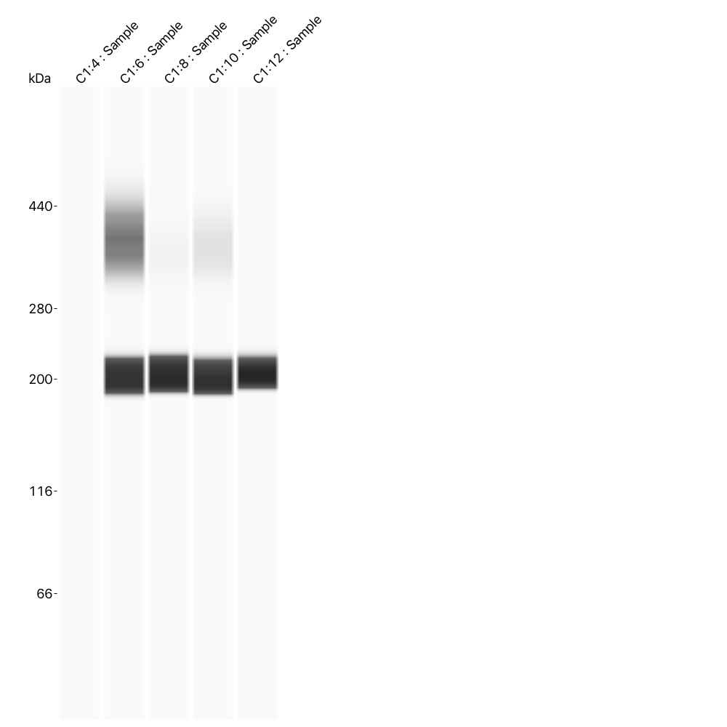
Distrophin Protein by Simple Wes
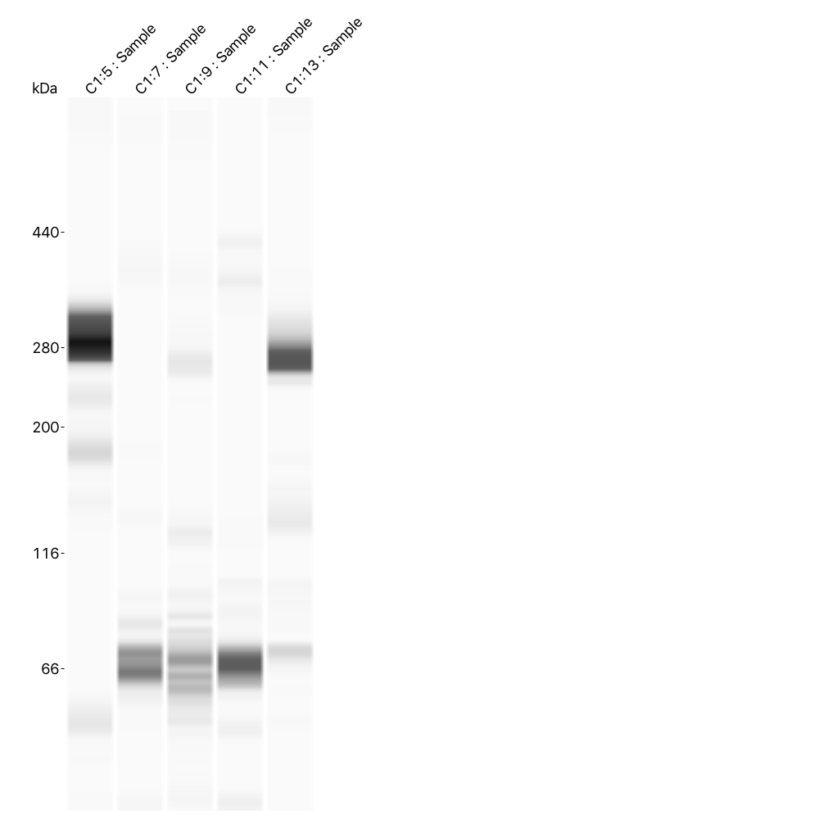

MHC Protein by Simple Wes

Figure 6E
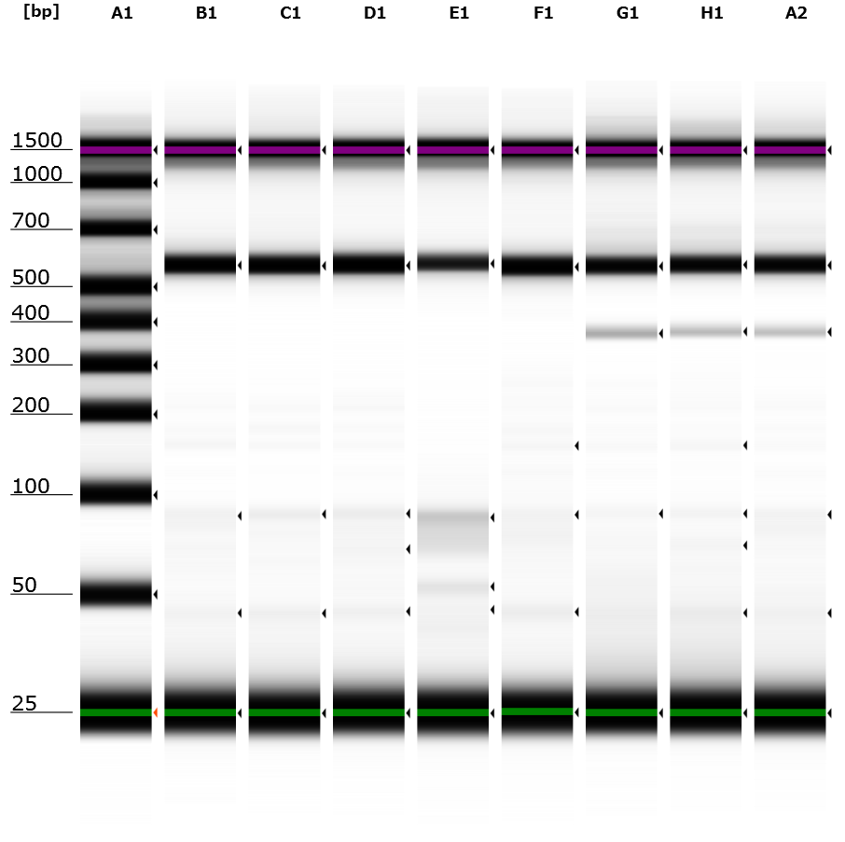
RT-PCR assay for mRNA exon skipping

Lane | A1 | B1-F1 | G1-A2
Sample | Marker | PBS inejected | NanoMEDIC injected

Figure 6G
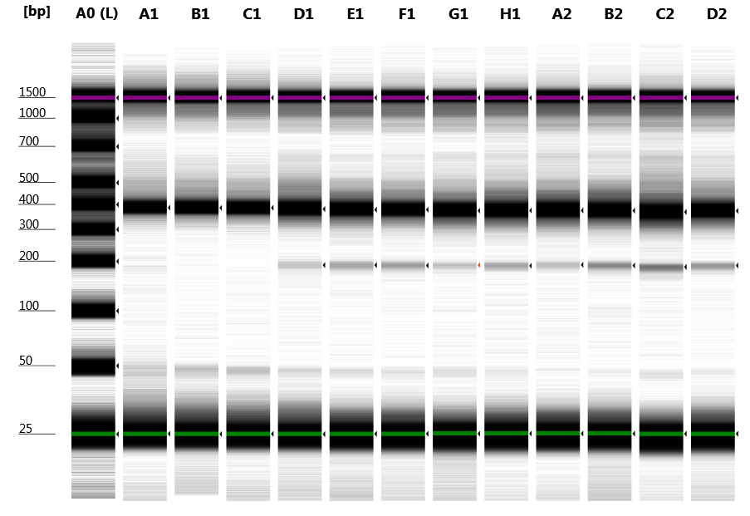
 | A0 | Ladder
 | A1 | Negative Control r1
 | B1 | Negative Control r2
 | C1 | Negative Control r3
 | D1 | Leg #1 r1
 | E1 | Leg #1 r2
 | F1 | Leg #1 r3
 | G1 | Leg #2 r1
 | H1 | Leg #2 r2
 | A2 | Leg #2 r3
 | B2 | Leg #3 r1
 | C2 | Leg #3 r2
 | D2 | Leg #3 r3

 |  | % genome cleavage
 |  | r1 | r2 | r3 | AVERAGE
 | NC | 0.00 | 0.00 | 0.00 | 0.00 | OVERALL % | STDEV
 | Leg #1 | 0.89 | 1.68 | 2.01 | 1.53 | 1.12 | 0.52
 | Leg #2 | 0.01 | 1.27 | 0.85 | 0.71
 | Leg #3 | 1.66 | 1.89 | 1.47 | 1.67

*PCR size = 369bp
*with genome cleavage = 369 - 213 (size of Ex23) = 156bp

Figure 6H
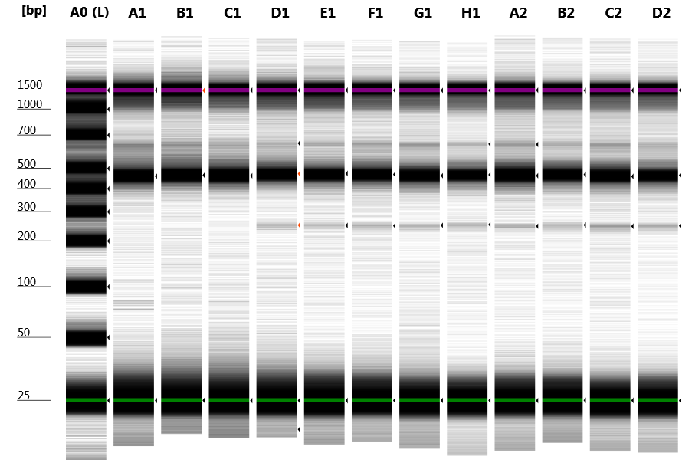
 | A0 | 100 bp ladder
 | A1 | Negative Control r1
 | B1 | Negative Control r2
 | C1 | Negative Control r3
 | D1 | Injection #1 r1
 | E1 | Injection #1 r2
 | F1 | Injection #1 r3
 | G1 | Injection #2 r1
 | H1 | Injection #2 r2
 | A2 | Injection #2 r3
 | B2 | Injection #3 r1
 | C2 | Injection #3 r2
 | D2 | Injection #3 r3

 | Exon Skipping %
 |  | r1 | r2 | r3 | AVERAGE | AVERAGE n=3
 | NC | 0.00 | 0.00 | 0.00 | 0.00
 | Injection #1 | 1.31 | 1.28 | 1.68 | 1.42 | 1.56 | 0.25
 | Injection #2 | 1.58 | 1.50 | 1.17 | 1.42
 | Injection #3 | 1.61 | 2.22 | 1.72 | 1.85

Unskipped = 430bp
Ex23 skipped = 217bp

Figure S1A

Figure S1A

 | SpCas9
Gel #1 : Cas9 Monoclonal Antibody
Samples for Western Blot analysis (analyze SpCas9, DmrC, DmrA) 9ul each
Ladder
VSVG only
VSVG + FRB- SpCas9
VSVG+ VSVG-FKBP12+FRB-SpCas9 –AP21967
VSVG+ VSVG-FKBP12+FRB-SpCas9 + AP21967
VSVG+ LM-EGFP-FKBP12+FRB-SpCas9- AP21967
VSVG+ LM-EGFP-FKBP12+FRB-SpCas9+AP21967
VSVG+ GagHIV-FKBP12+FRB-SpCas9- A/C
VSVG+ GagHIV-FKBP12+FRB-SpCas9+AP21967
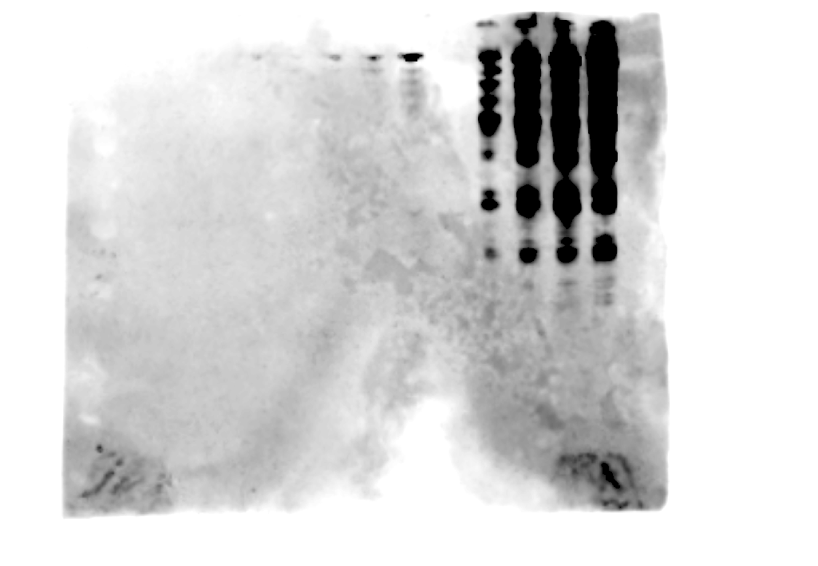

VSVG Monoclonal antibody
Ladder
Ladder
Ladder
VSVG only
VSVG + FRB- SpCas9
VSVG+ VSVG-FKBP12+FRB-SpCas9 –AP21967
VSVG+ VSVG-FKBP12+FRB-SpCas9 + AP21967
VSVG+ LM-EGFP-FKBP12+FRB-SpCas9- AP21967
VSVG+ LM-EGFP-FKBP12+FRB-SpCas9+AP21967
VSVG+ GagHIV-FKBP12+FRB-SpCas9- AP21967
VSVG+ GagHIV-FKBP12+FRB-SpCas9+AP21967



FKBP12 (DmrA) Monoclonal Antibody
Ladder
Ladder
VSVG only
VSVG + FRB- SpCas9
VSVG+ VSVG-FKBP12+FRB-SpCas9 –AP21967
VSVG+ VSVG-FKBP12+FRB-SpCas9 + AP21967
VSVG+ LM-EGFP-FKBP12+FRB-SpCas9- AP21967
VSVG+ LM-EGFP-FKBP12+FRB-SpCas9+AP21967
VSVG+ GagHIV-FKBP12+FRB-SpCas9- AP21967
VSVG+ GagHIV-FKBP12+FRB-SpCas9+AP21967

Figure S1C
No transfect
N-terminal FRB
C-terminal FRB
N+C-terminal FRB
Figure S1C
SpCas9

anti-Cas9

anti-Actin

Figure S1D
Recombinant
Cas9
100ng
30ng
10ng
A/C
+
-
+
-
+
-
No SpCas9
N-terminal FRB
C-terminal FRB
N+C-terminal FRB
anti-Cas9
anti-VSVG
Figure S1D

250 kDa

150 kDa

100 kDa

75 kDa

50 kDa

37 kDa

Figure S2C
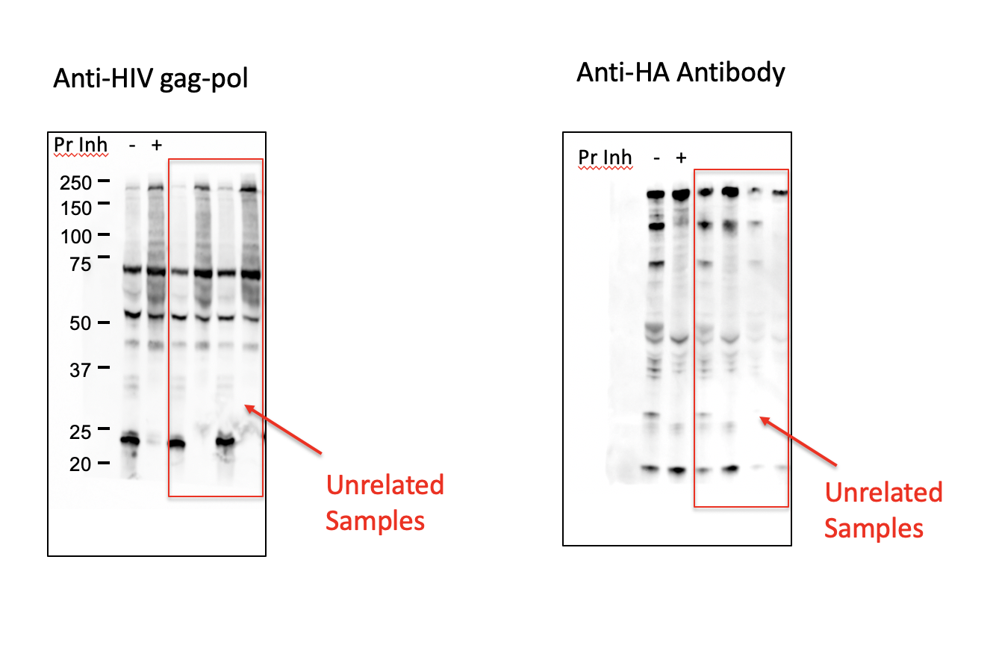
Figure 2C

Figure S3A
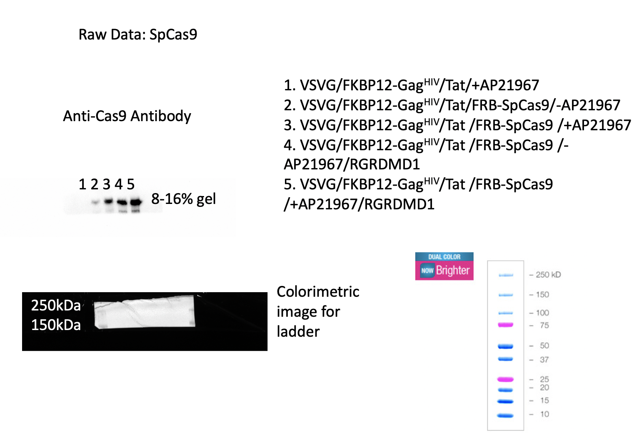

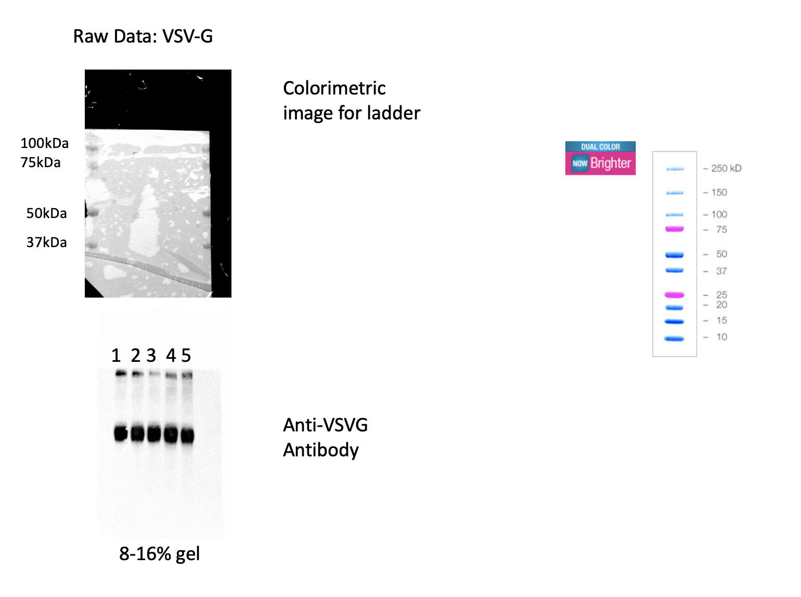

Figure S4A
Large scale Run CIMmultus QA-8 mL Advanced Composite Column (Quaternary amine): Purification of SpCas9 RNP containing VLPs targeting DMD1

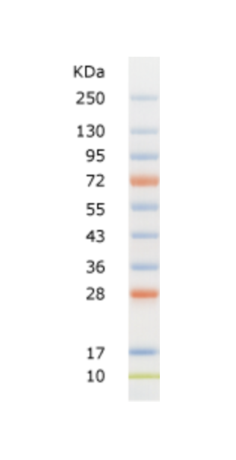
250
130
95
Anti-p24
72

55

43

95

250

130

95
Anti-SpCas9
72

55

43

Figure S4C
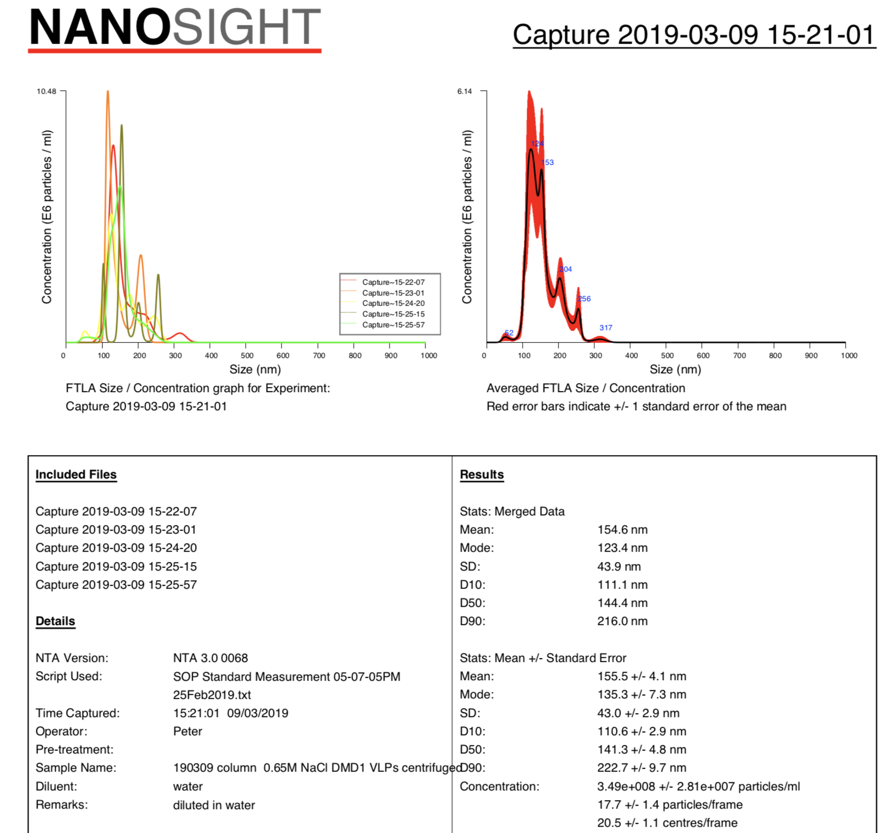
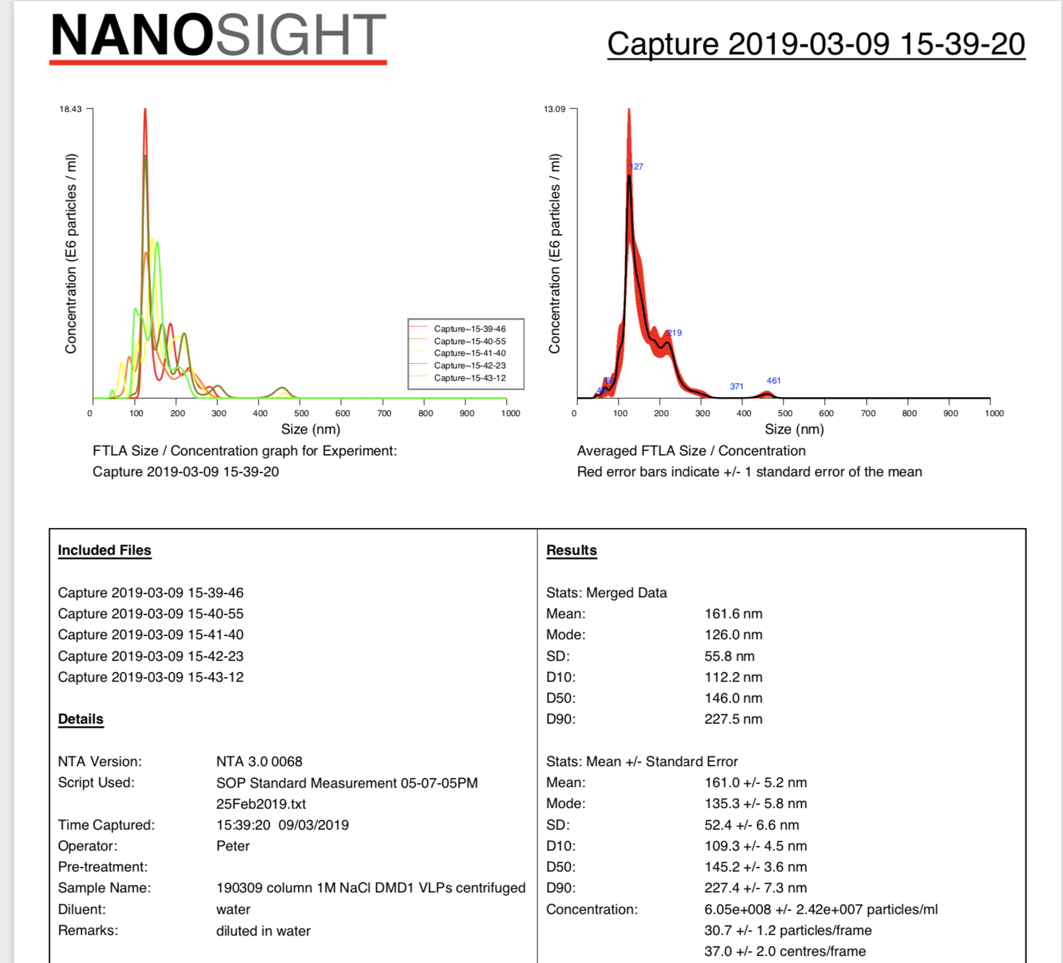
0.65 M Elution analysis | 1 M Elution analysis

Figure S6B
Figure S6B

VSVG (Anti VSVG antibody)
Original

First Processing

150 KD
250 KD
100 KD
Final Processing
75 KD

50 KD
150 KD
37 KD
100 KD
75 KD
50 KD

HIV GAG (anti p24 antibody)

Original

Second Processing
First Processing

250 KD
Final Processing
150 KD
100 KD
75 KD
100 KD
75 KD
50 KD
37 KD
50 KD

FRB-Luciferase (Anti-DmrC antibody)

Original

First Processing
Final Processing

250 KD
150 KD
75 KD
100 KD
75 KD

50 KD
37 KD

