Figura 2b
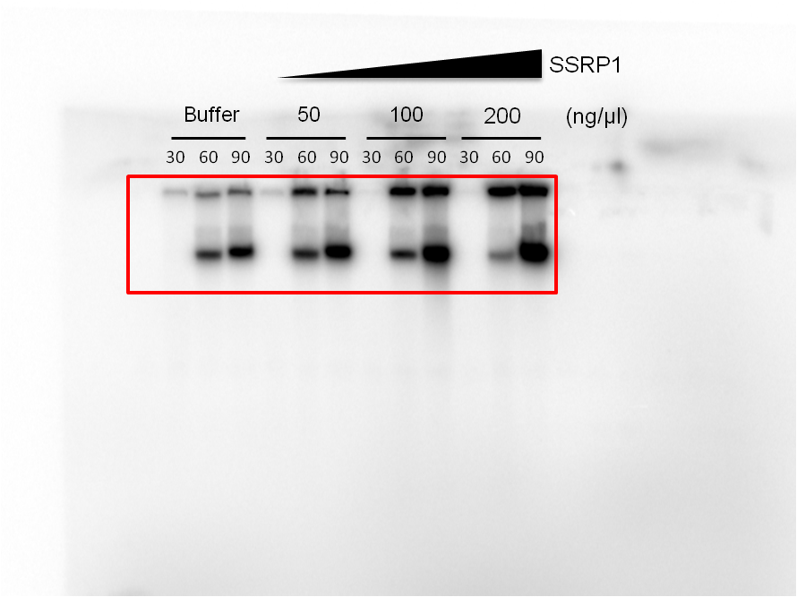
Figure 2b | 32P-dCTP incorporation

Figure 3a
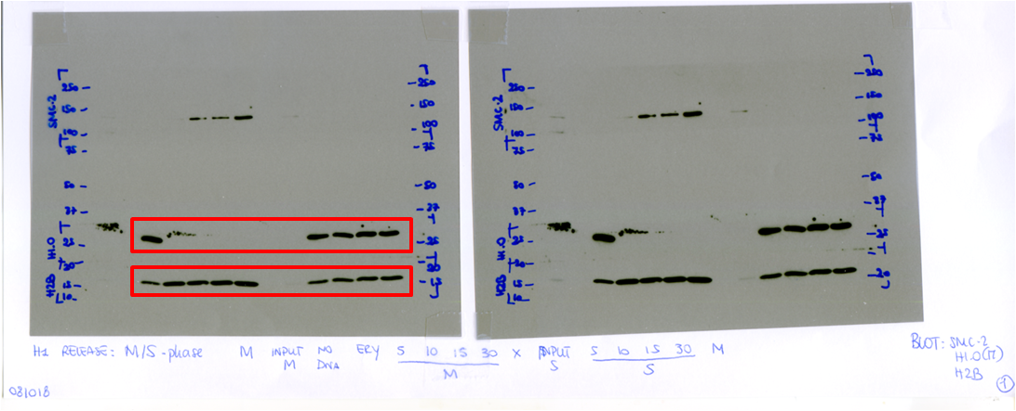
Figure 3a | anti-H1
 | anti-H2B

 |  | Histone H1

 |  | Hisonte H2B

Figure 3b
Figure 3b | anti-FLAG (SSRP1)
 | anti-H1
 | anti-H2B
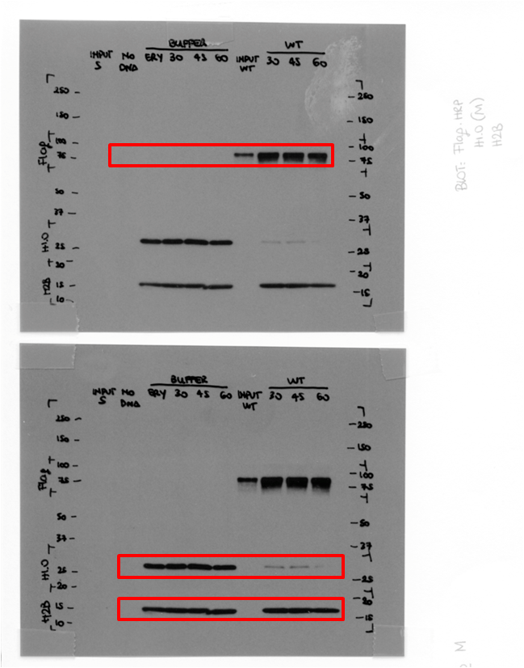

 |  | Flag

 |  | Histone H1

 |  | Histone H2B

Figure 3c
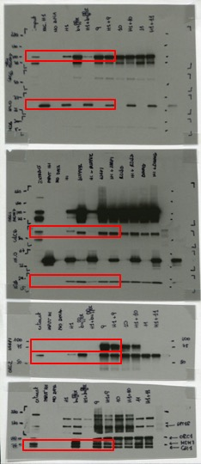
Figure 3c | anti-ORC1 | anti-CDC6
 | anti-MCM7 | anti-ORC2
 | anti-CDT1 | anti-H1
 | anti-FLAG (SSRP1) | anti-H2B
 |  |  | ORC1

 |  |  | Histone H1

 |  |  | Cdc6

 |  |  | Histone H2B

 |  |  | Flag
 |  |  | ORC2

 |  |  | MCM7
 |  |  | CDT1

Figure 3d
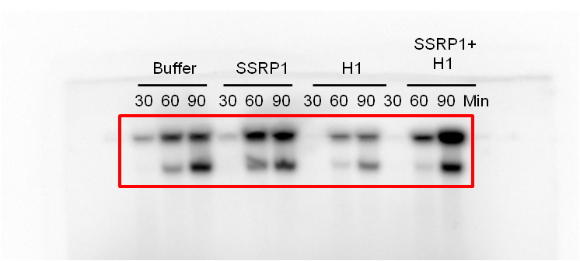
Figure 3d | 32P-dCTP incorporation

Figure 4a
Figure 4a | anti-SPT16
 | anti-Flag
 | anti-H1
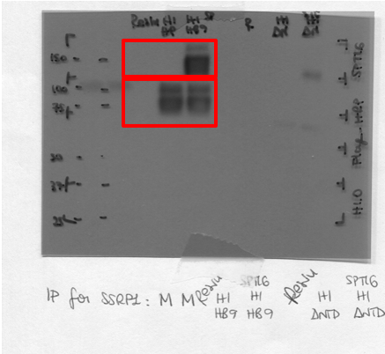
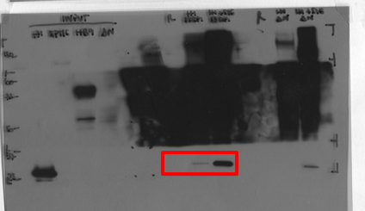

 |  | SPT16

 |  | Flag

 |  |  | Histone H1

Figure 4c_upper panel
Figure 4c | anti-SPT16
 | anti-Flag
 | anti-H1 |  | ∆NTD |  | R213D |  | ∆HMG
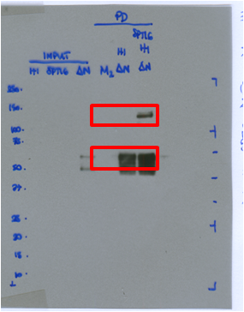

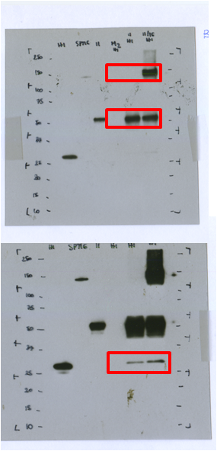
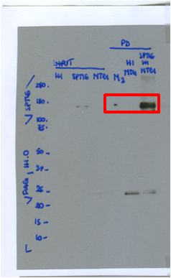

 |  |  |  |  |  | Spt16 |  | SPT16

 |  |  |  |  |  | Flag
 |  |  |  | Spt16 |  |  |  | Flag
 |  | Spt16
 |  |  |  | Flag

 |  |  |  | Histone H1

 |  | Histone H1
 |  | Flag
 |  |  |  |  |  |  |  | Histone H1

 |  |  |  |  |  | Histone H1

Figure 4c_lower panel
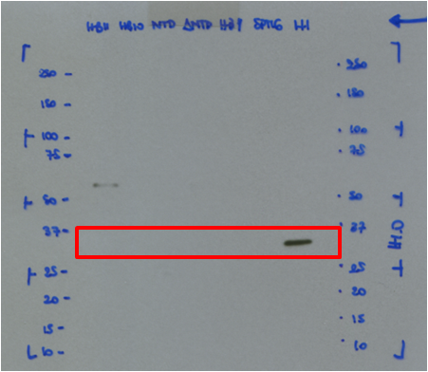
Figure 4c | anti-SPT16
Input panel | anti-Flag
 | anti-H1
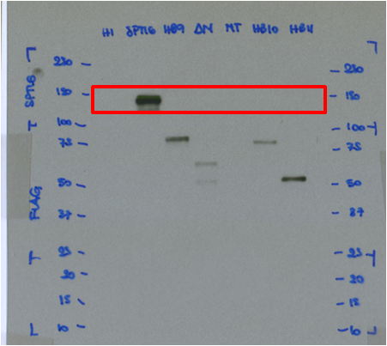
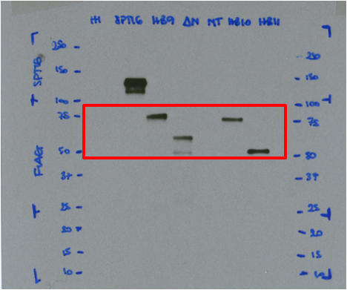

 |  | SPT16
 |  |  | Flag

 |  |  |  | Histone H1

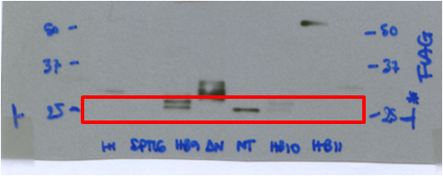

 |  | Flag

Figure 5a
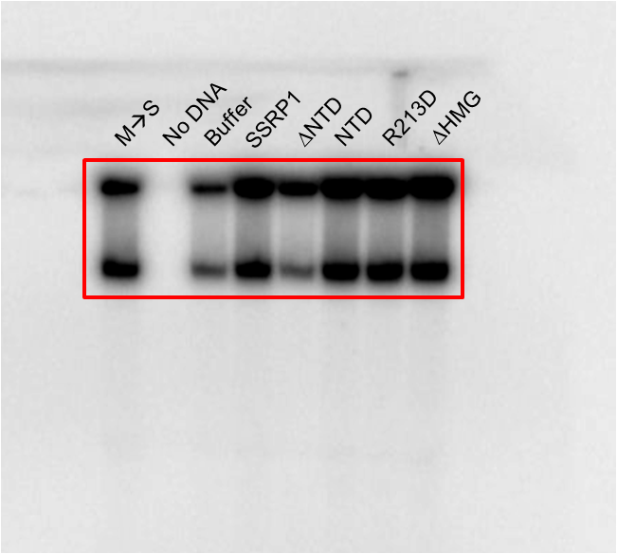
Figure 5a | 32P-dCTP incorporation

Figure 5c
Figure 5c | anti-ORC1
 | anti-MCM7
 | anti-POL alpha
 | anti-PCNA
 | anti-H2B
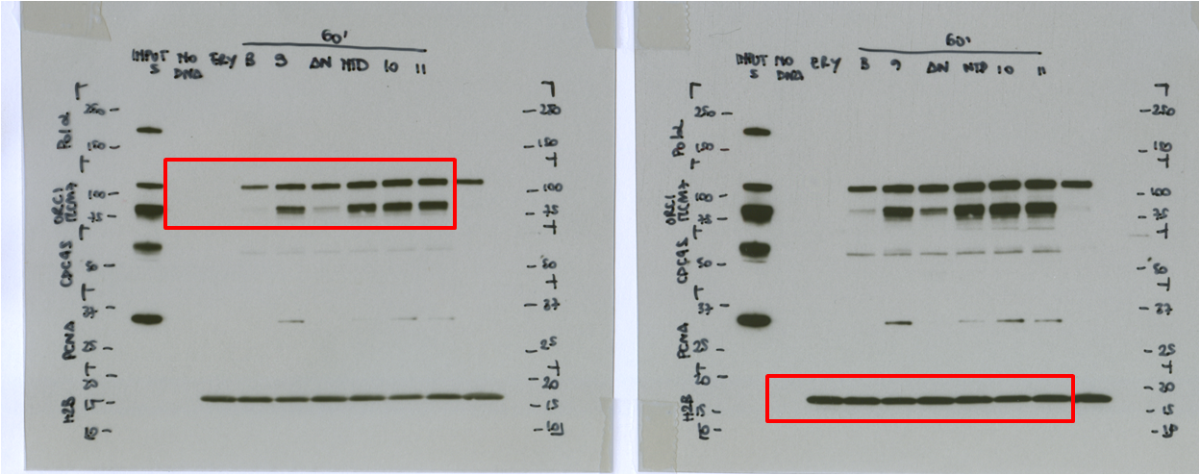
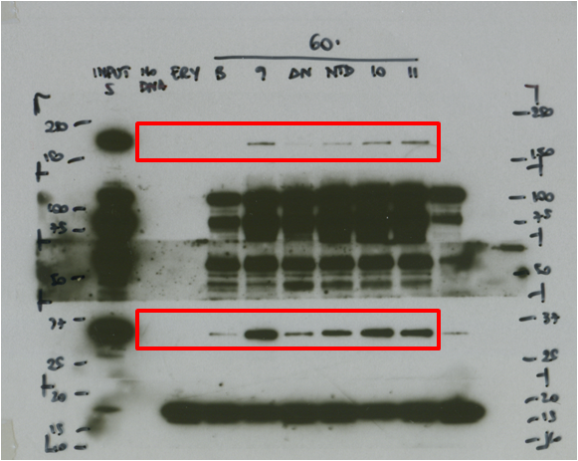

 |  | Pol alpha
 |  |  | MCM7
 |  |  | ORC1

 |  | PCNA

 |  |  | Histone H2B

Figure 5d
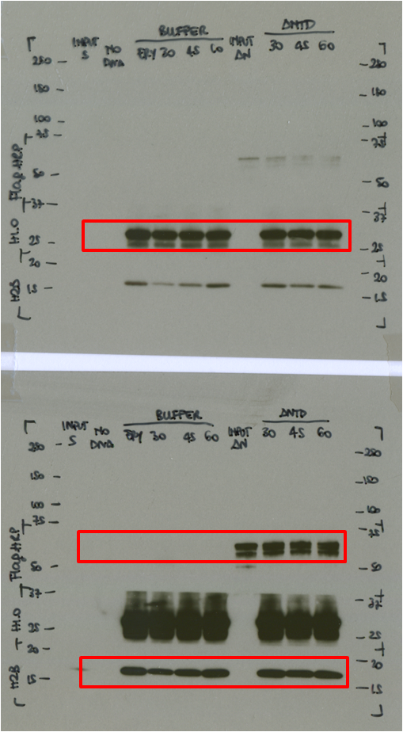
Figure 5d | anti-FLAG (∆NTD)
 | anti-H1
 | anti-H2B

 |  | Histone H1

 |  | Flag

 |  | Histone H2B

Figure 5e
Figure 5e | anti-FLAG (∆NTD)
 | anti-H1
 | anti-H2B
 | anti-ORC1
 | anti-MCM7
 | anti-ORC2

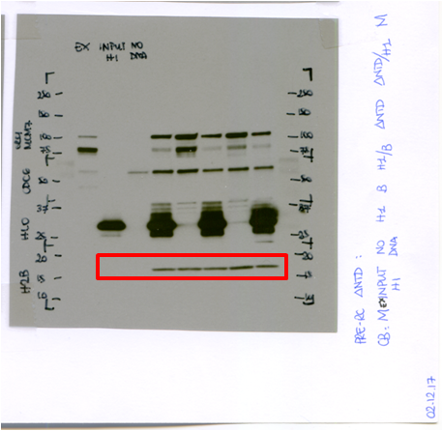
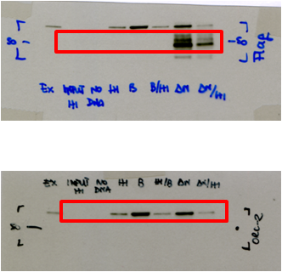
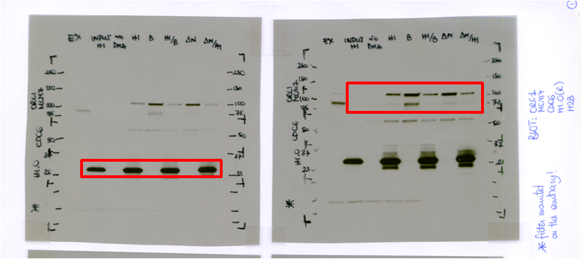

 |  | Flag

 |  |  | ORC1
 |  |  | MCM7

 |  |  |  | Histone H2B
 |  |  | Histone H1
 |  | ORC2

Figure 5f
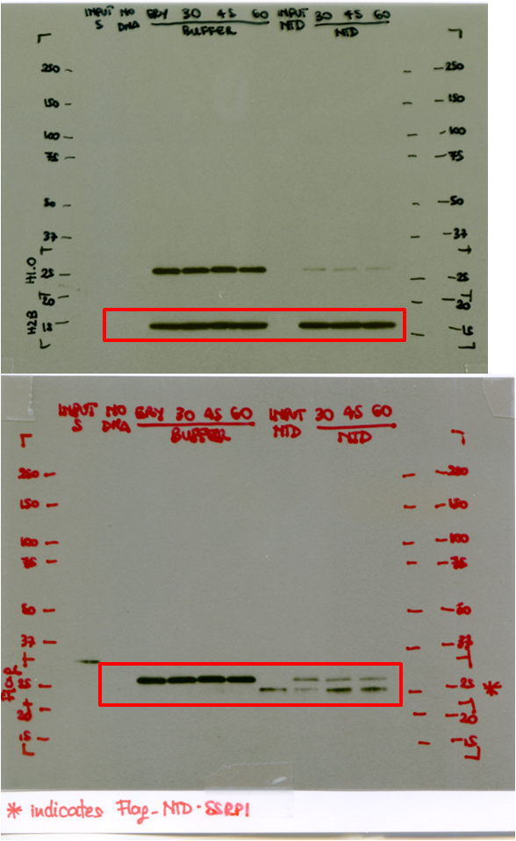
Figure 5f | anti-FLAG (NTD)
 | anti-H1
 | anti-H2B

 |  | Histone H2B

 |  | Histone H1
 |  | Flag

Figure 6c
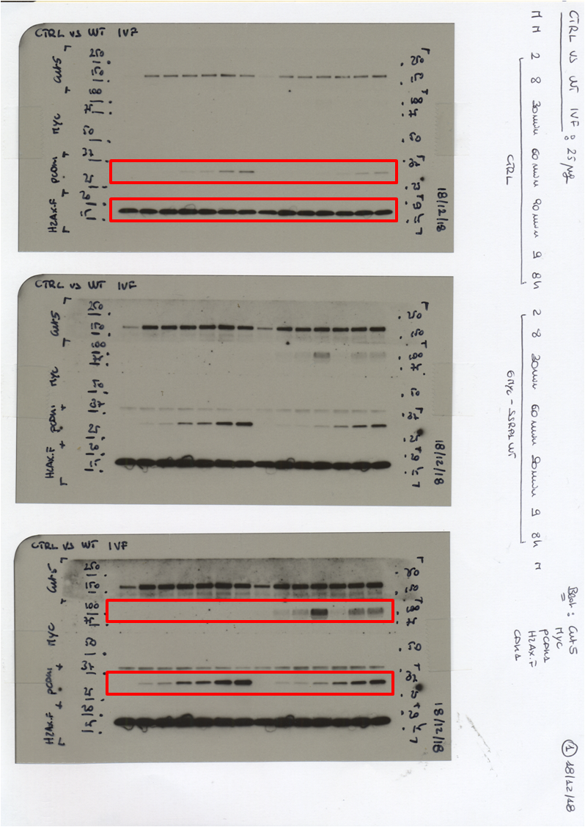
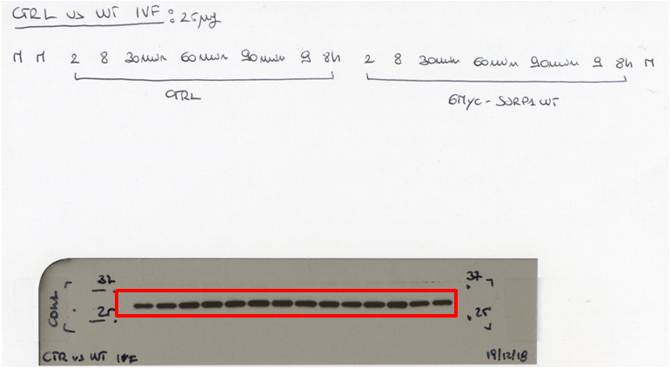
Figure 6c | anti-MYC (SSRP1)
 | anti-pTyr15 (pCDK1)
 | anti-CDK1
 | anti-H2AXF1
 | anti-xSSRP1

 |  | pTyr15 low

 |  | Histone H2XF
 |  |  | CDK1

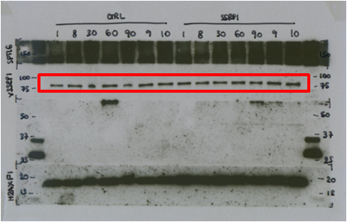

 |  |  | SSRP1

 |  | Myc

 |  | pTyr15 High

Figure 6f
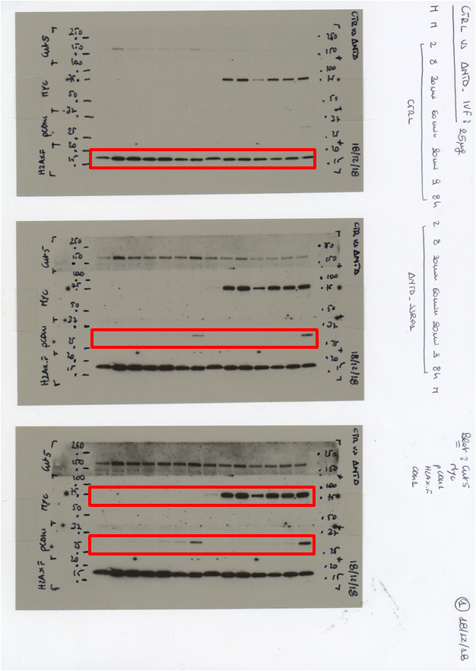
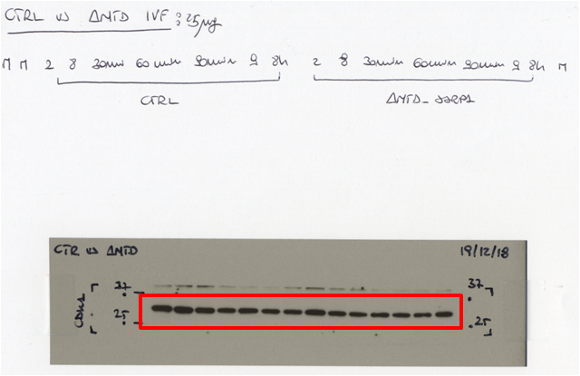
Figure 6f | anti-MYC (DNTD)
 | anti-pTyr15 (pCDK1)
 | anti-CDK1
 | anti-H2AXF1
 | anti-xSSRP1
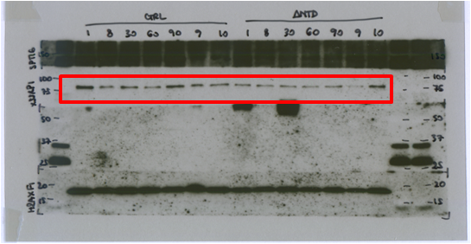
 |  |  | Histon2 H2AXF

 |  | SSRP1

 |  |  |  | CDK1

 |  |  | pTyr15 low

 |  |  | Myc

 |  |  | pTyr15 high

Figure 6i
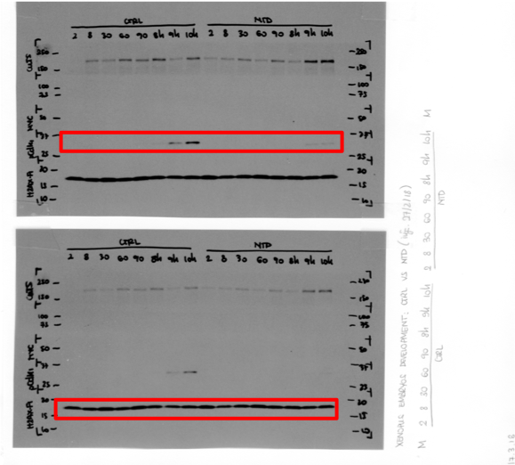
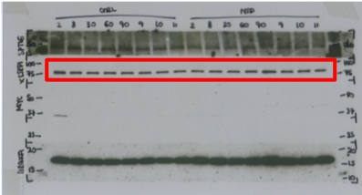
Figure 6i | anti-MYC (DNTD)
 | anti-pTyr15 (pCDK1)
 | anti-CDK1
 | anti-H2AXF1 |  |  | SSRP1
 | anti-xSSRP1
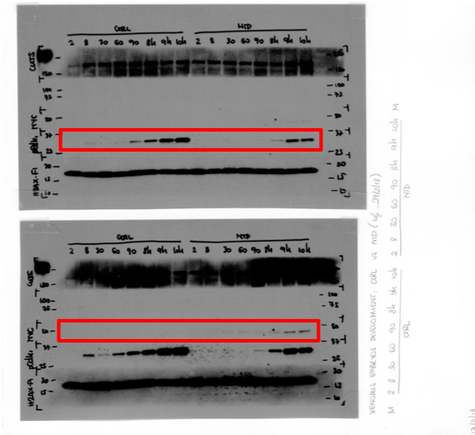
 |  |  | pTyr15 Low

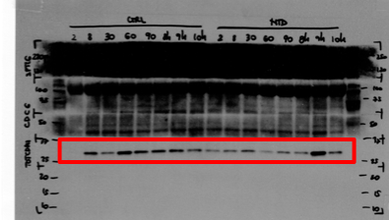
 |  | pTyr 15 High

 |  |  |  | CDK1
 |  |  | Histone H2AXF
 |  | Myc

Figure S2a
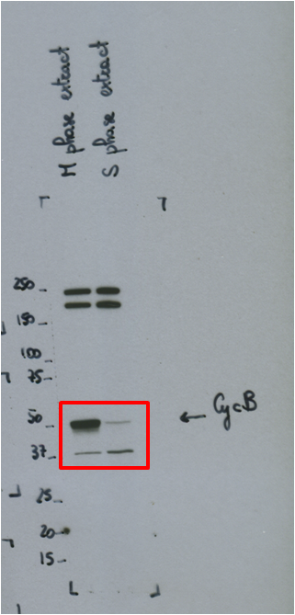
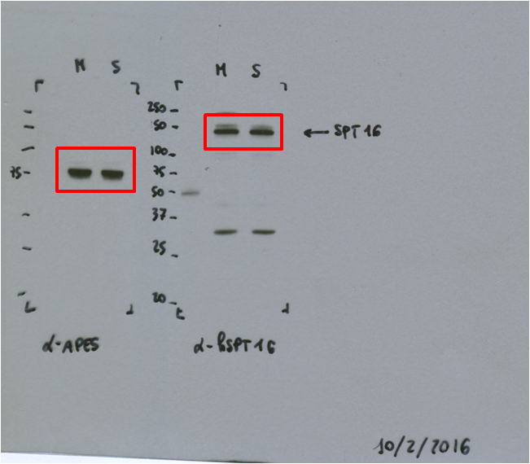
Figure S2a | anti-SPT16
 | anti-xSSRP1
 | anti-CycB1

 |  |  | SPT16

 |  |  | SSRP1

 |  | CycB1

Figure S4
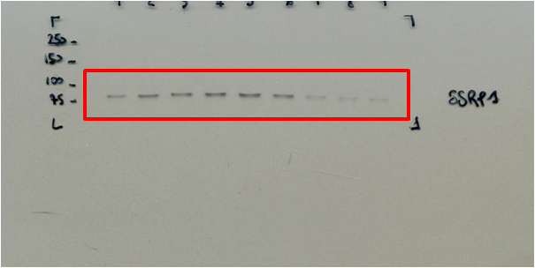
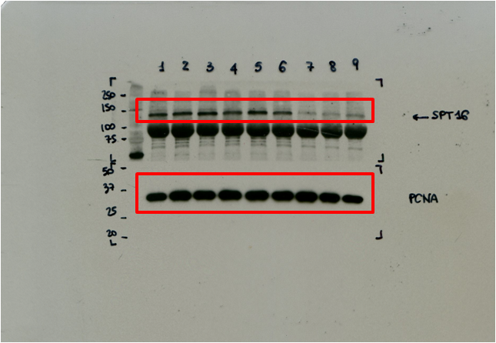
Figure S4 | anti-SPT16
 | anti-SSRP1
 | anti-PCNA

 |  |  | SSRP1

 |  | SPT16

 |  | PCNA

Fig S8d+8e
Figure S8d+S8e

0,5
1.0
1.5
2.0
3.0
4.0
8.0
Kb
Buffer
SSRP1
Ladderf

 | CTRL | SSRP1 | Column B | SRRP1
 | 58744 | 132518 | vs. | vs,
 | 34402 | 125348 | Column A | CTRL
 | 18485 | 129533
 | Fluorescence intensity |  | Unpaired t test
 |  |  | P value | 0.0015
 |  |  | P value summary | **
 |  |  | Significantly different? (P < 0.05) | Yes
 |  |  | One- or two-tailed P value? | Two-tailed
 |  |  | t, df | t=7,731 df=4

 |  |  | How big is the difference?
 |  |  | Mean ± SEM of column A | 37210 ± 11706, n=3
 |  |  | Mean ± SEM of column B | 129133 ± 2079, n=3
 |  |  | Difference between means | 91923 ± 11890
 |  |  | 95% confidence interval | 58912 to 124933
 |  |  | R squared | 0.9373

