Supplementary Figure 2A
Supplementary Figure 2A

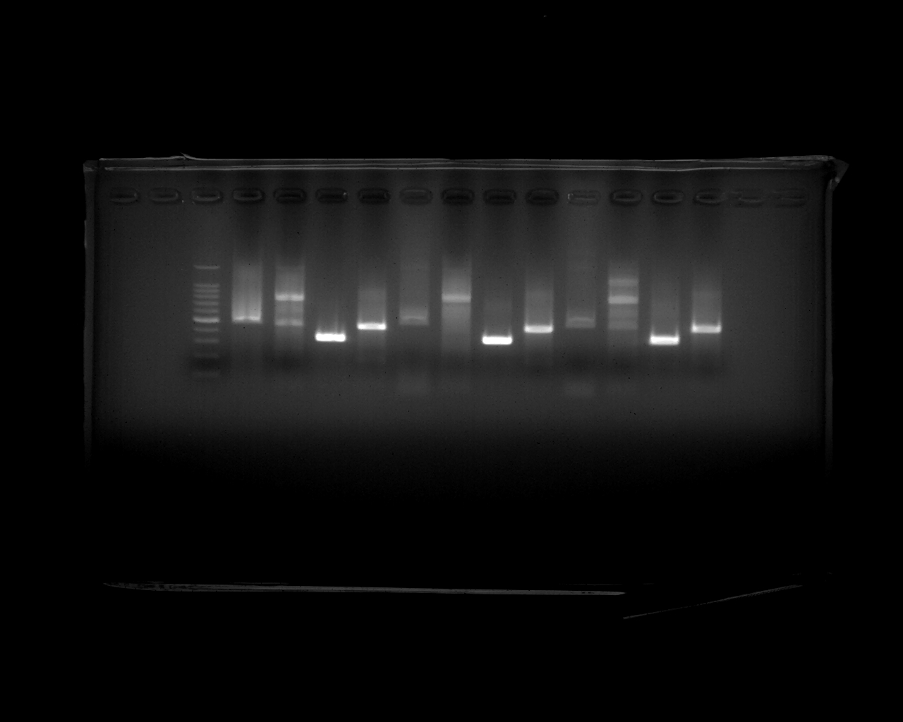

ERGIC-53
ERGIC-53
ERGIC-53

ERGL
ERGL
ERGL

(bp)
700
500
600
400
300

RT-PCR
2018-08-21

Supplementary Figure 5
Supplementary Figure 5.

Expi293
Expi293
HEK293
HEK293
motif
－
＋
motif
－
＋
－
＋
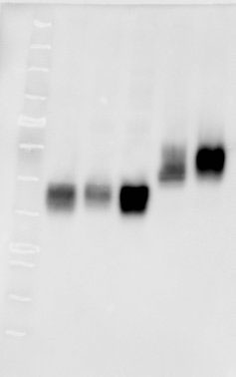
－
motif
＋

(kDa)
(kDa)
63
48
25
63
48
25

35
35

western blot of EPO-flag
2017-07-15
western blot of EPO-flag
2017-08-09
western blot of EPO-flag
2016-11-25

 | anti-Flag antibody

Supplementary Figure 8C
Supplementary Figure 8C
ΔERGIC-53
ΔERGIC-53
ΔERGIC-53
ΔERGIC-53
ΔERGIC-53
ΔERGIC-53
WT
WT
WT
WT
WT
WT

(kDa)
(kDa)
(kDa)
100
(kDa)
100
75
100
100
75
63
75
75
63
48
63
35
63
48
48
48
35
25
35
35
25
25
25

western blot of ERGIC-53
2018-08-29
western blot of β-actin
2018-08-28
western blot of ERGIC-53
2020-02-08
western blot of β-actin
2020-02-10

 | anti-ERGIC-53 antibody | anti-b-actin antibody | anti-ERGIC-53 antibody | anti-b-actin antibody

Supplementary Figure 9C
Supplementary Figure 9C

ΔMCFD2
ΔMCFD2
ΔMCFD2
ΔMCFD2
ΔMCFD2
ΔMCFD2
WT
WT
WT
WT
WT
WT

(kDa)
(kDa)
(kDa)
75
75
75
(kDa)
63
63
75
63
63
48
48
48
35
48
35
35
35
25
25
25
20
20
20
25
17
20
17
17
17
11
11
11
11

western blot of MCFD2
2018-08-31
western blot of β-actin
2018-09-03

western blot of MCFD2
2020-02-08
western blot of β-actin
2020-02-10

 | anti-MCFD2 antibody | anti-b-actin antibody
 |  |  | anti-MCFD2 antibody | anti-b-actin antibody

