Figure 1e
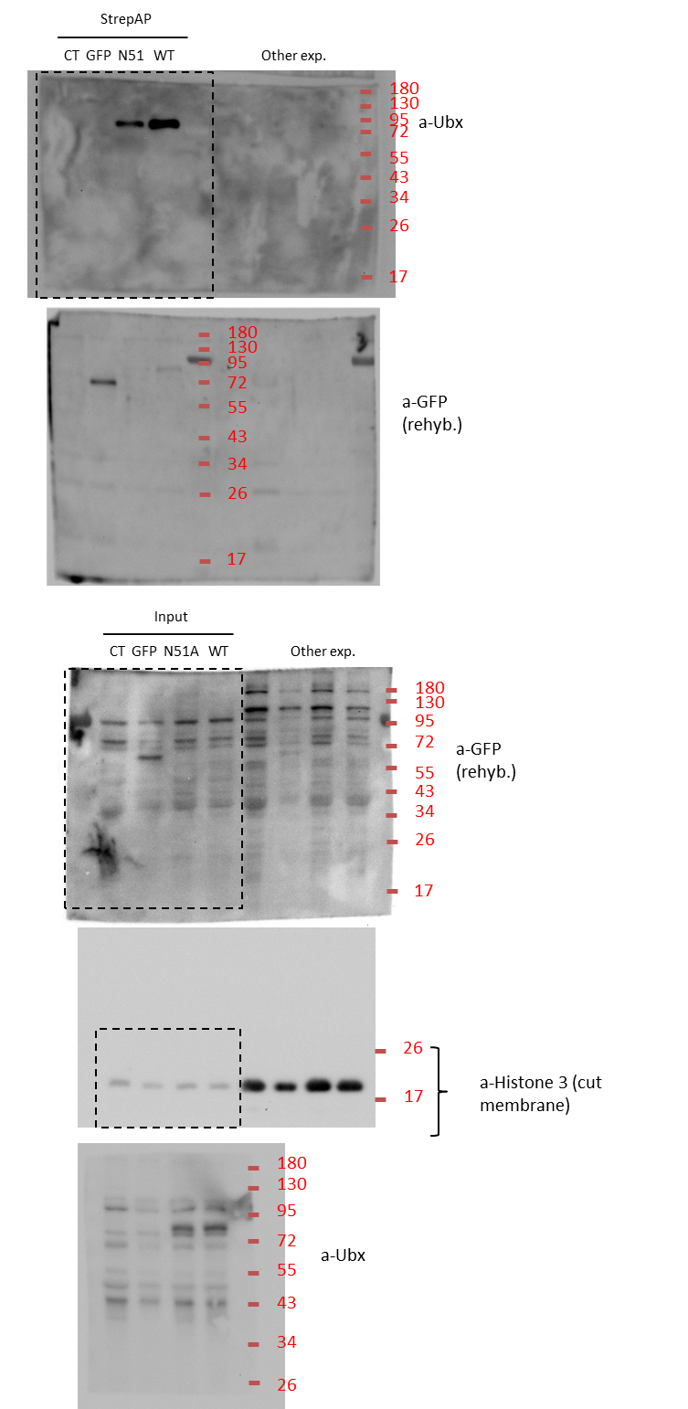
Raw data of western-blot from figure 1e
 | antibodies used are indicated as a-xx (a-Ubx, a-GFP, a-Histone3)
 | Ladder is highlighted in Red (kDa)
 | membrane rehybridized with antibody are indicated

Figure 3c
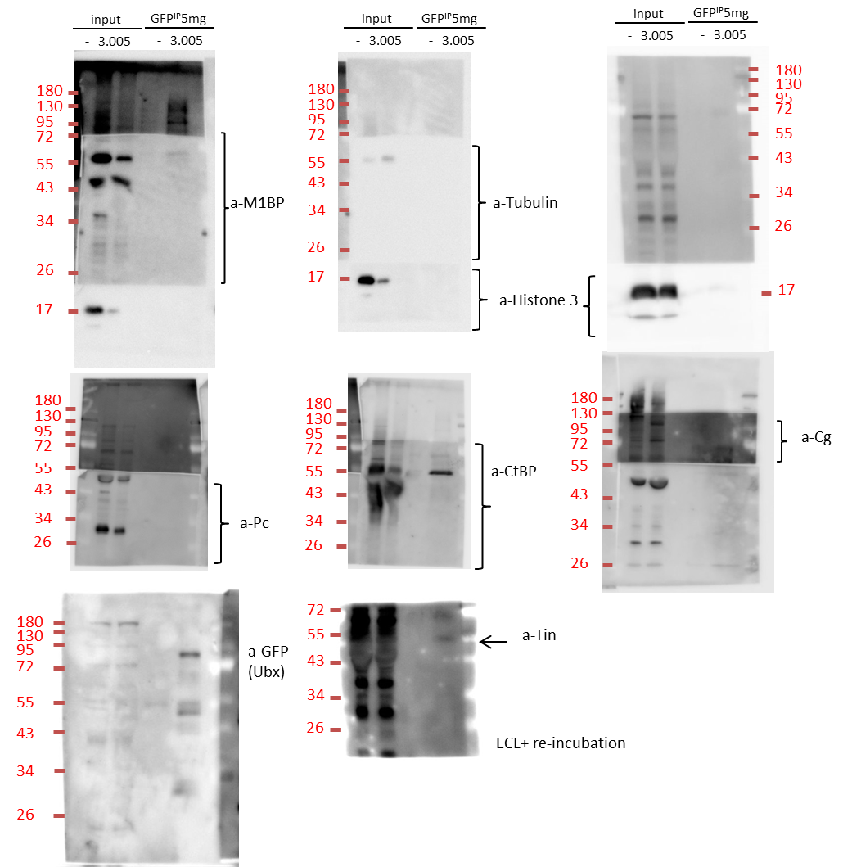
Raw data of western-blot from figure 3c
 | antibodies used are indicated as a-xx (a-Ubx, a-Histone3)
 | Ladder is highlighted in Red (kDa)
 | 3.005 is the name of the GFP-Ubx line endogenously tagged while "-" represent control w1118 line
 | membrane re-incubated with ECL is indicated

Figure 5k
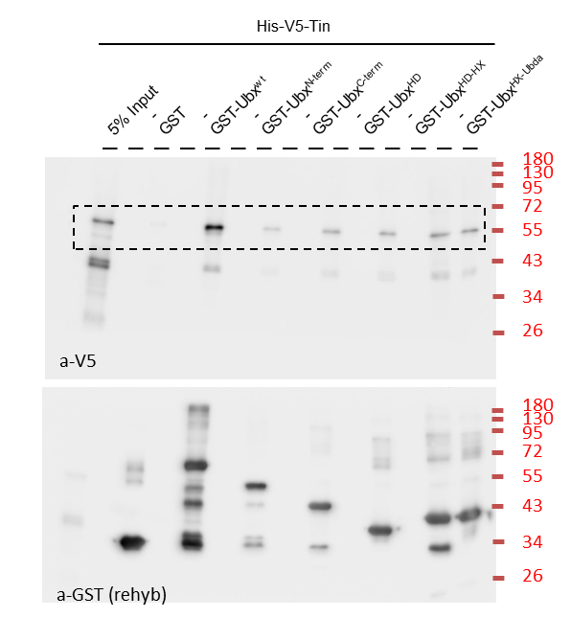
Raw data of western-blot from figure 5k
 | antibodies used are indicated as a-xx (a-V5, a-GST)
 | Ladder is highlighted in Red (kDa)
 | membrane rehybridized with antibody are indicated

Figure 5n
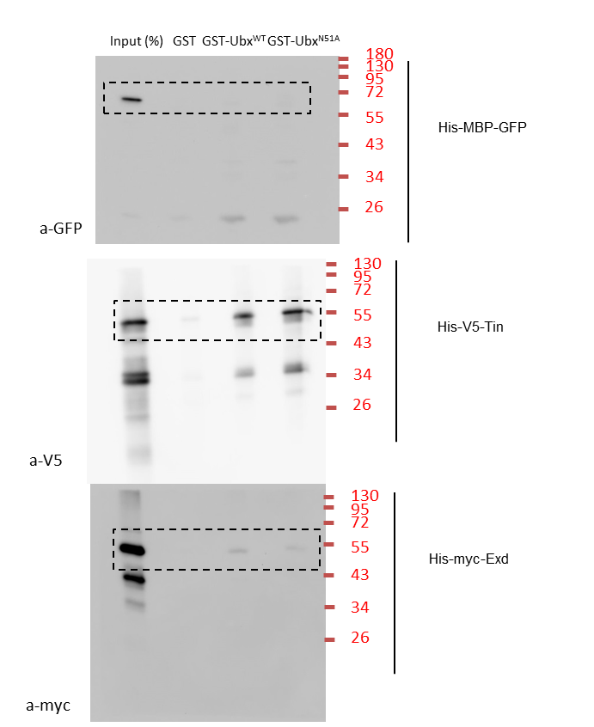
Raw data of western-blot from figure 5n
 | antibodies used are indicated as a-xx (a-V5, a-GFP, a-myc)
 | Ladder is highlighted in Red (kDa)

Supplementary figure 1b
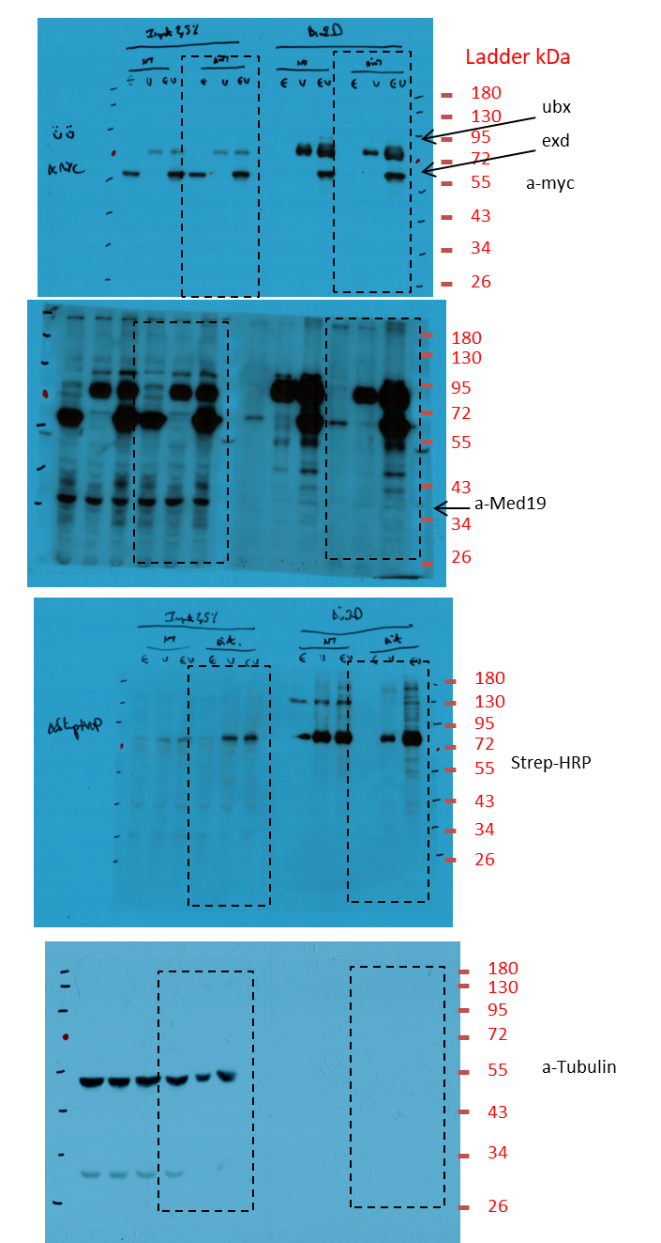
Raw data of western-blot from supplementary figure 1b
 | antibodies used are indicated as a-xx (a-Tubulin, a-Med19, a-myc, Strep-HRP)
 | Ladder is highlighted in Red (kDa)

Supplementary figure 1c
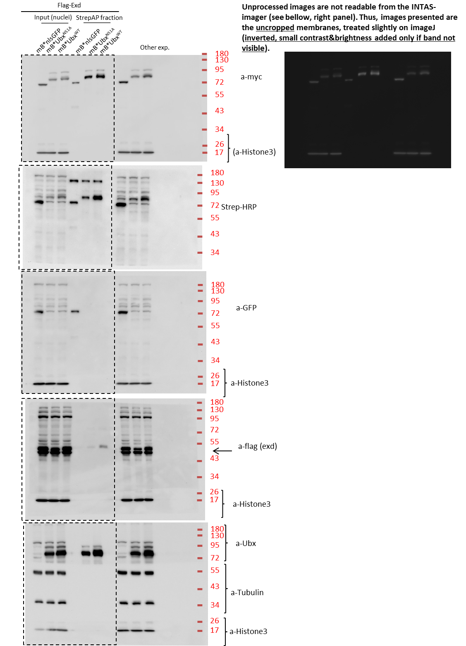
Raw data of western-blot from supplementary figure 1c
 | antibodies used are indicated as a-xx (a-myc, a-Histone3, a-GFP, Strep-HRP...)
 | Ladder is highlighted in Red (kDa)

Supplementary figure 1d
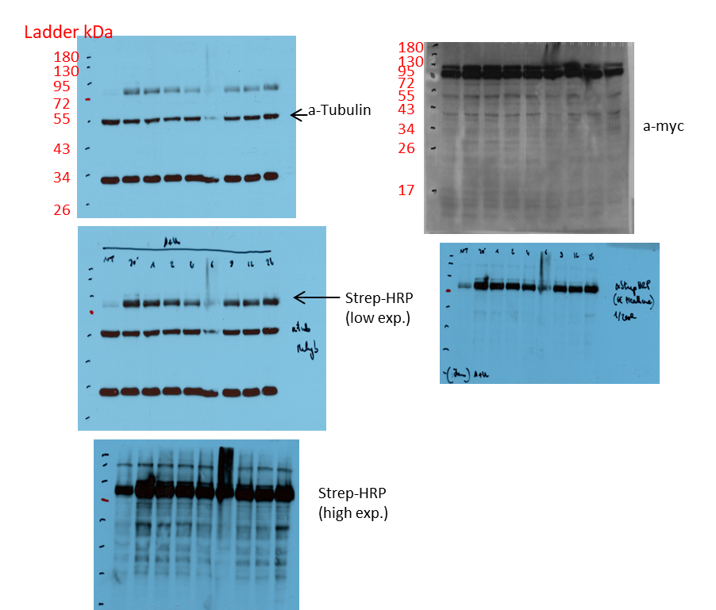
Raw data of western-blot from supplementary figure 1d
 | antibodies used are indicated as a-xx (a-myc, a-Histone3, a-GFP, Strep-HRP...)
 | Ladder is highlighted in Red (kDa)

Supplementary figure 1e
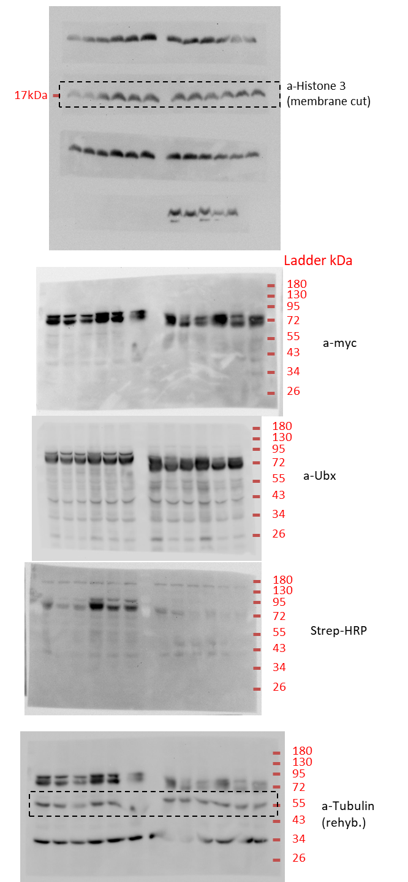
Raw data of western-blot from supplementary figure 1e
 | antibodies used are indicated as a-xx (a-myc, a-Histone3, a-GFP, Strep-HRP...)
 | Ladder is highlighted in Red (kDa)
 | membrane rehybridized with antibody are indicated

Supplementary figure 6a
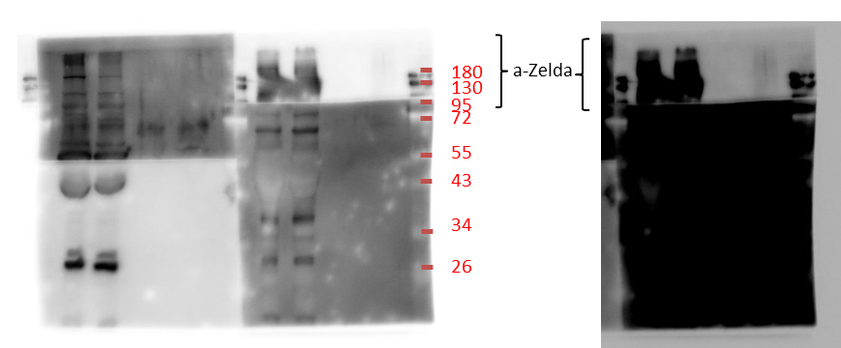
Raw data of western-blot from supplementary figure 6a
 | antibodies used are indicated as a-xx (a-Zelda)
 | Ladder is highlighted in Red (kDa)

Supplementary figure 6c
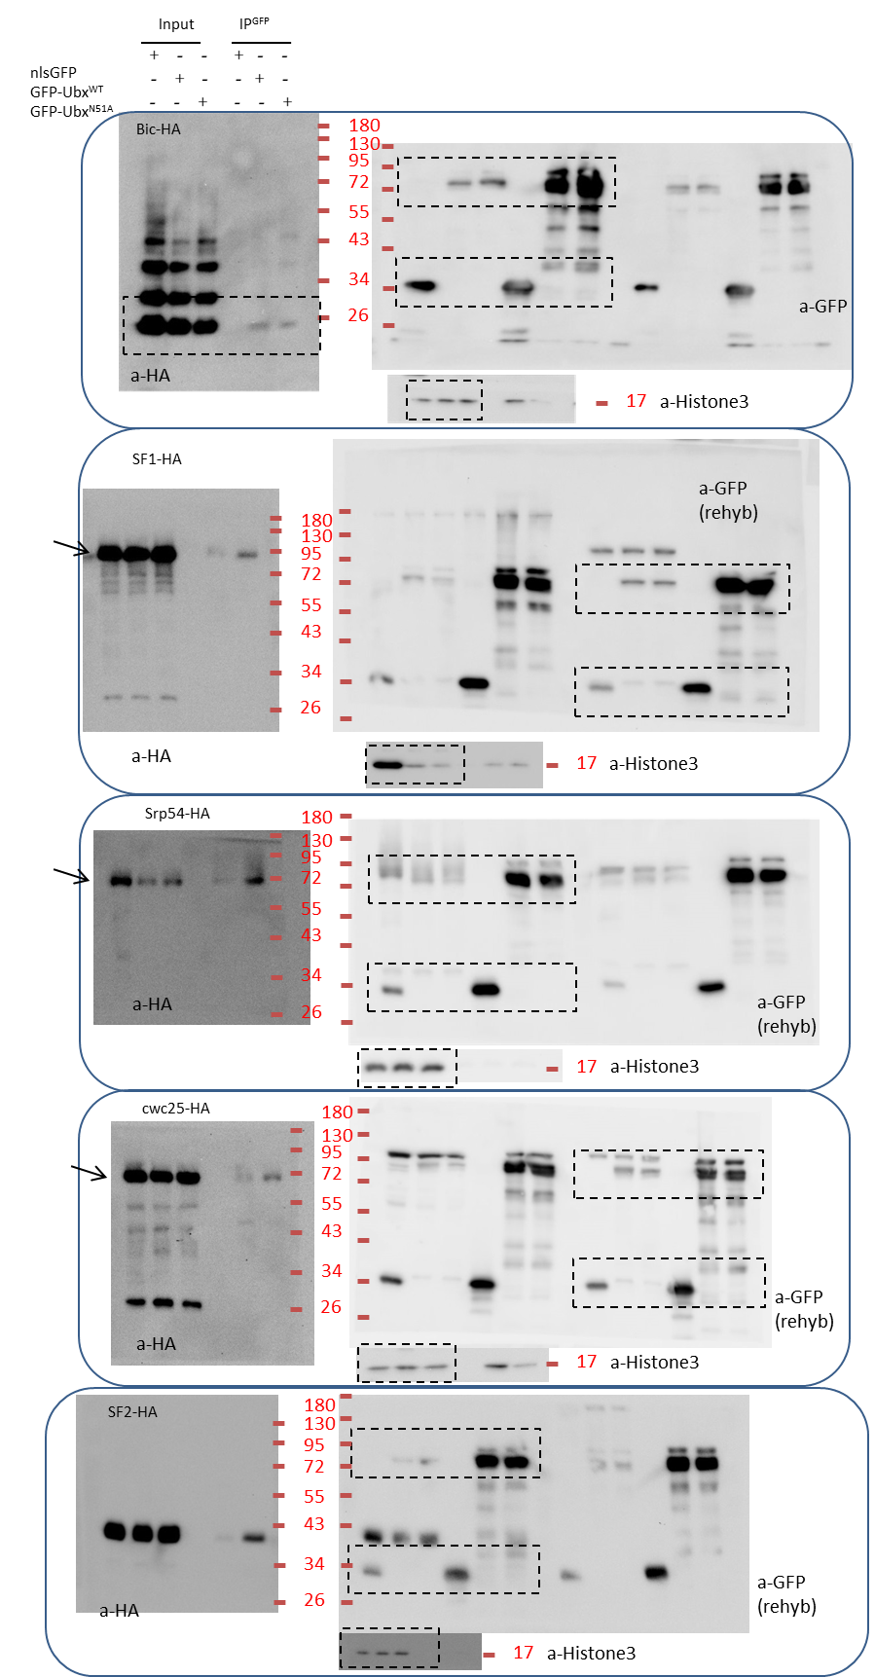
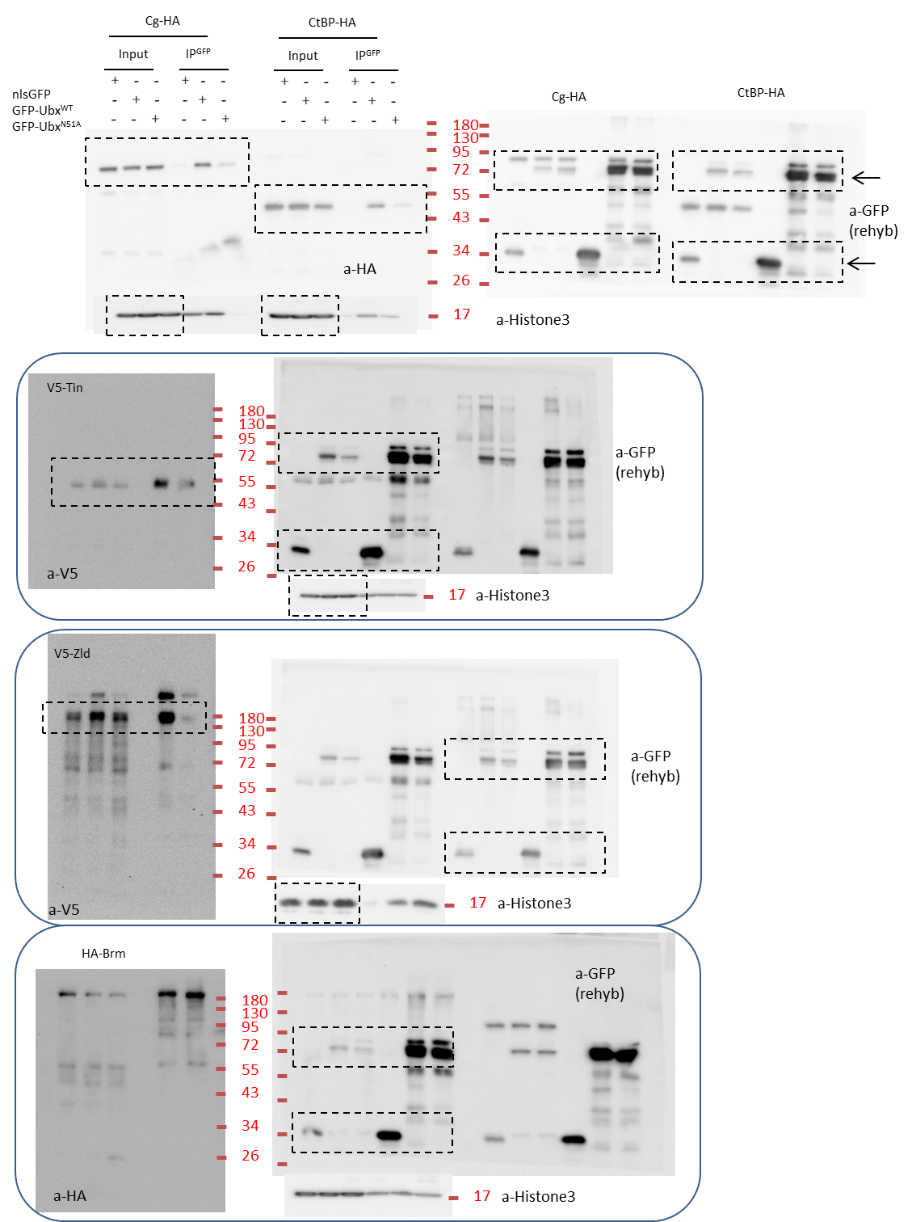
Raw data of western-blot from supplementary figure 6c
 | antibodies used are indicated as a-xx (a-Zelda)
 | Ladder is highlighted in Red (kDa)
 | membrane rehybridized with antibody are indicated

Supplementary figure 6d
Raw data of western-blot from supplementary figure 6d
 | antibodies used are indicated as a-xx (a-HA, a-GFP...)
 | Ladder is highlighted in Red (kDa)
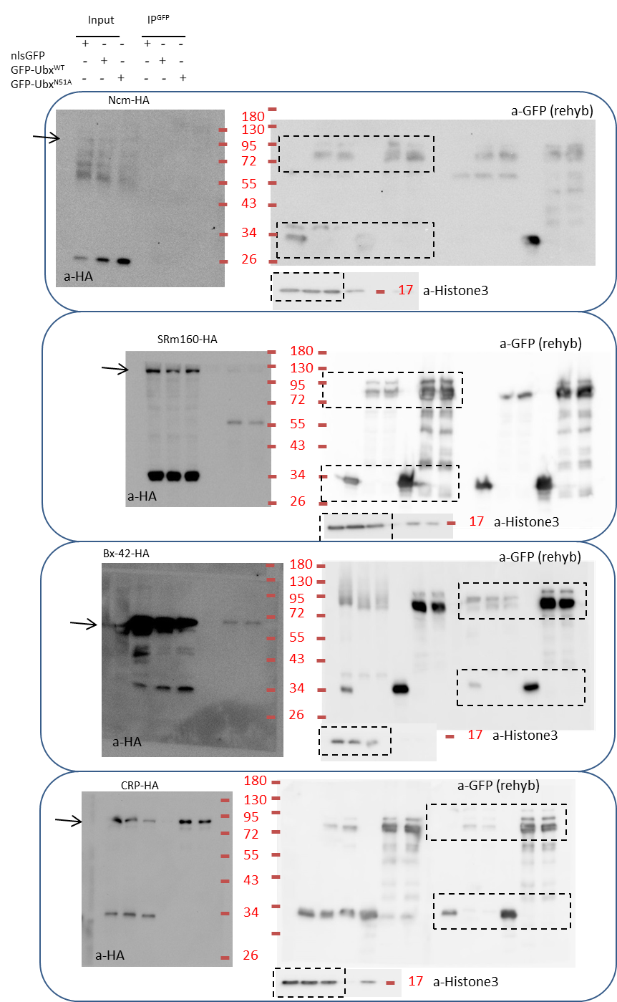
 | membrane rehybridized with antibody are indicated

Supplementary figure 6e
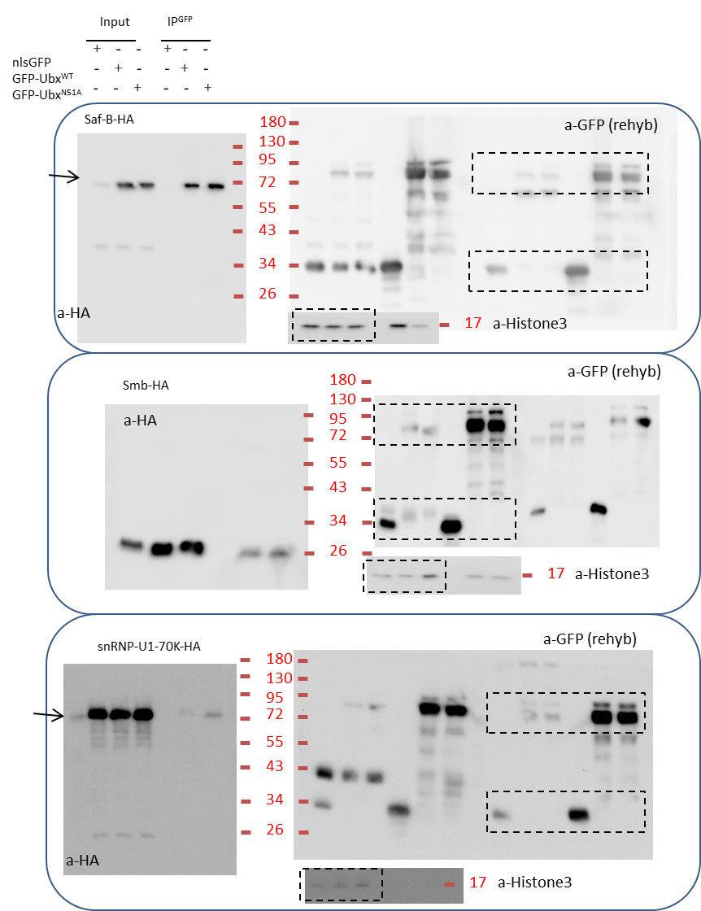
Raw data of western-blot from supplementary figure 6e
 | antibodies used are indicated as a-xx (a-HA, a-GFP… )
 | Ladder is highlighted in Red (kDa)
 | membrane rehybridized with antibody are indicated

Supplementary figure 6f
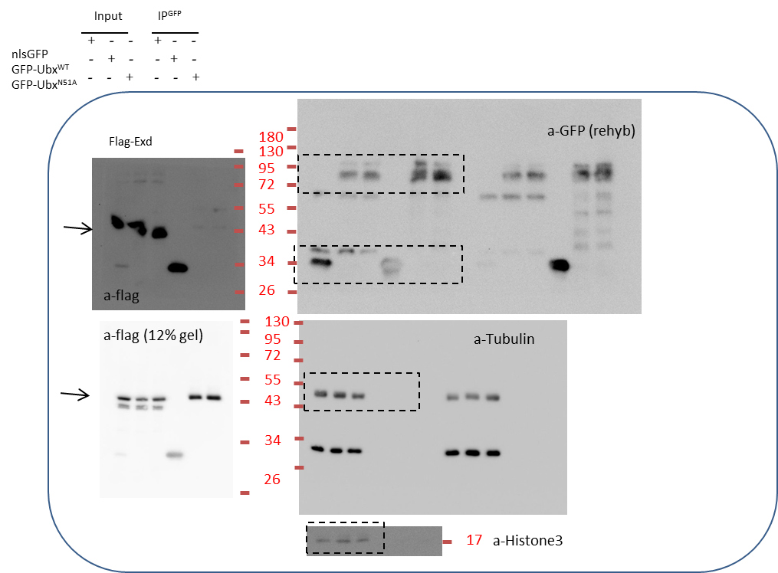
Raw data of western-blot from supplementary figure 6f
 | antibodies used are indicated as a-xx (a-HA, a-GFP...)
 | Ladder is highlighted in Red (kDa)
 | membrane rehybridized with antibody are indicated

Supplementary figure 6h
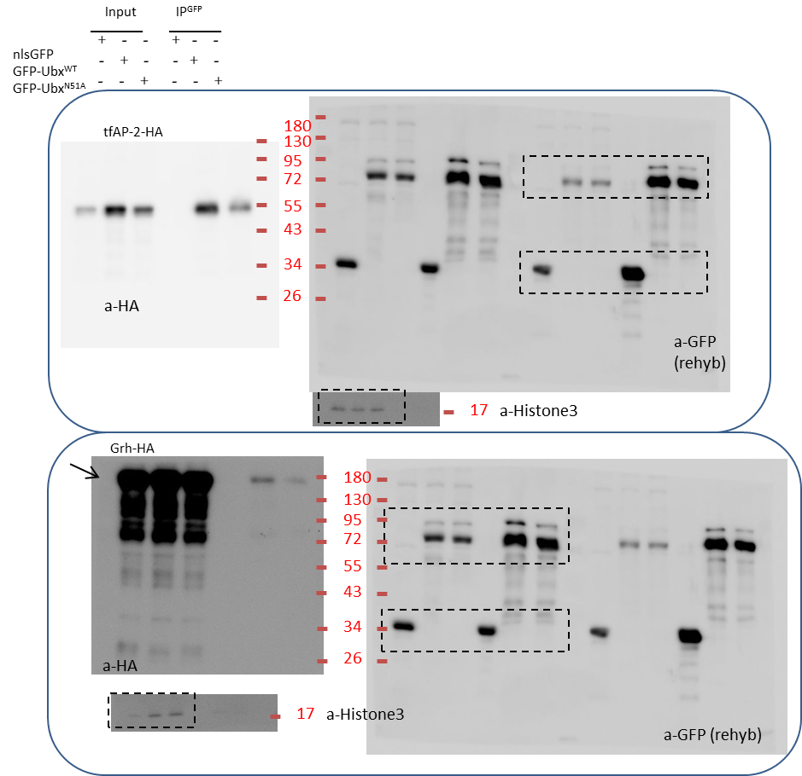
Raw data of western-blot from supplementary figure 6h
 | antibodies used are indicated as a-xx (a-HA, a-GFP...)
 | Ladder is highlighted in Red (kDa)
 | membrane rehybridized with antibody are indicated

Supplementary figure 7c
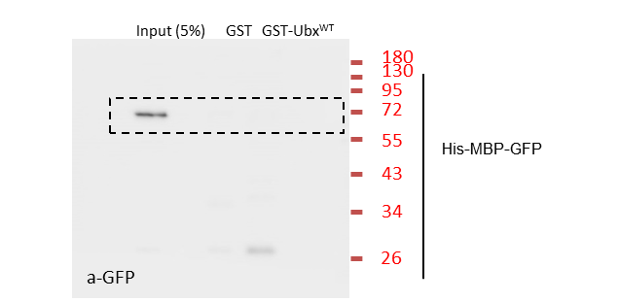
Raw data of western-blot from supplementary figure 7c
 | antibodies used are indicated as a-xx (a-GFP)
 | Ladder is highlighted in Red (kDa)

Supplementary 7d
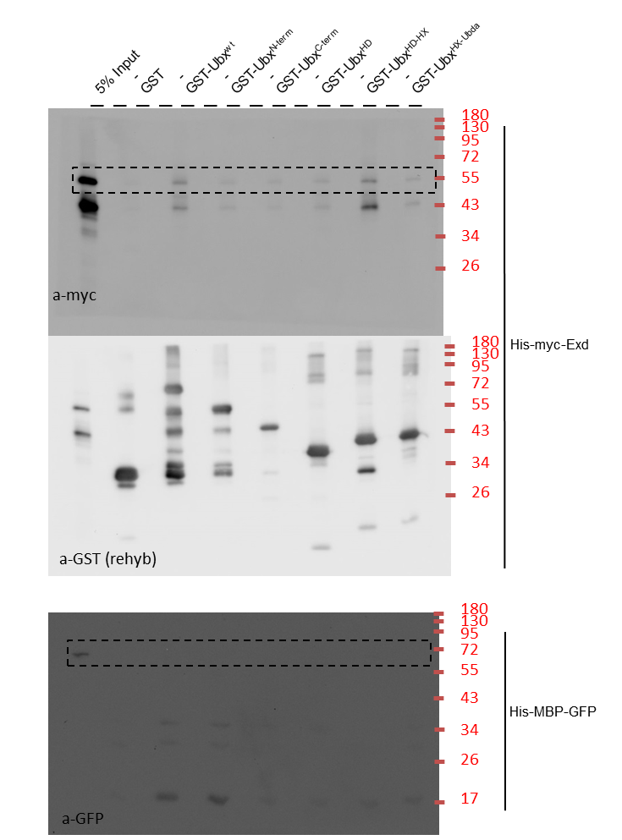
Raw data of western-blot from supplementary figure 7d
 | antibodies used are indicated as a-xx (a-myc, a-GFP)
 | Ladder is highlighted in Red (kDa)
 | membrane rehybridized with antibody are indicated

