Sheet1
Source data for Supplementary Figure 3a | anti-LAMP1 | anti-Calnexin | anti-CD63

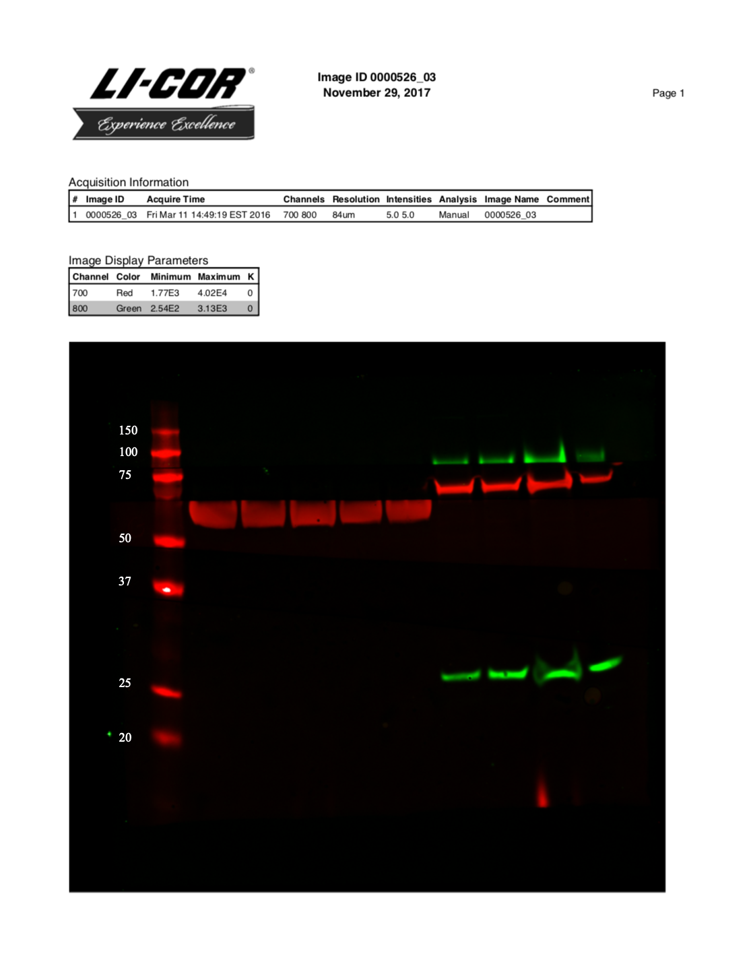

DC2 EVs (F-I)
F G H I

DC2 cell lysates (A-E)
A B C D E
anti-Lamp1 (~100 kDa)
anti-Calnexin (~75 kDa)

anti-CD63 (~53 kDa)

Full western immunoblot image for Supplementary Figure 3a, showing DC2 cellular lysates (Samples A to E) compared to DC2 secreted EVs (Samples F-I),
probed for CD63, a known EV-enriched tetraspanin; Calnexin, an endoplasmic reticulum-associated protein; and Lamp1, a lysosome-associated protein.
CD63 is typically found on EV membranes, while Calnexin and Lamp1 are typically found from cell lysates, suggesting minimal cellular contamination
in isolated EV populations.

